Sheet1
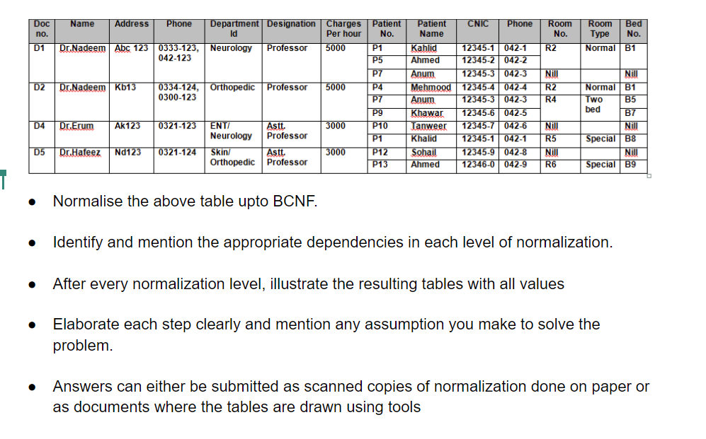

Phone, patient No and patient name are multi-valued attributes. So to normalize the given table in 1NF we divide the multi valued attributes into different tuples.

1NF

Doc no. | Name | Address | Phone | Department Id | Designation | Charges per hour | Patient No. | Patient Name | CNIC | Phone | Room No. | Room Type | Bed No.
D1 | Dr. Nadeem | Abc 123 | 0333-123 | Neurology | Professor | 5000 | P1 | Khalid | 12345-1 | 042-1 | R2 | Normal | B1
D1 | Dr. Nadeem | Abc 123 | 042-123 | Neurology | Professor | 5000 | P1 | Khalid | 12345-1 | 042-1 | R2 | Normal | B1
D1 | Dr. Nadeem | Abc 123 | 0333-123 | Neurology | Professor | 5000 | P5 | Ahmed | 12345-2 | 042-2 | R2 | Normal | B1
D1 | Dr. Nadeem | Abc 123 | 042-123 | Neurology | Professor | 5000 | P5 | Ahmed | 12345-2 | 042-2 | R2 | Normal | B1
D1 | Dr. Nadeem | Abc 123 | 0333-123 | Neurology | Professor | 5000 | P7 | Anum | 12345-3 | 042-3 | Nil |  | Nil
D1 | Dr. Nadeem | Abc 123 | 042-123 | Neurology | Professor | 5000 | P7 | Anum | 12345-3 | 042-3 | Nil |  | Nil
D2 | Dr. Nadeem | Kb123 | 0334-124 | Orthopedic | Professor | 5000 | P4 | Mehmood | 12345-4 | 042-4 | R2 | Normal | B1
D2 | Dr. Nadeem | Kb123 | 0300-123 | Orthopedic | Professor | 5000 | P4 | Mehmood | 12345-4 | 042-4 | R2 | Normal | B1
D2 | Dr. Nadeem | Kb123 | 0334-124 | Orthopedic | Professor | 5000 | P7 | Anum | 12345-3 | 042-3 | R4 | Two Bed | B5
D2 | Dr. Nadeem | Kb123 | 0300-123 | Orthopedic | Professor | 5000 | P7 | Anum | 12345-3 | 042-3 | R4 | Two Bed | B5
D2 | Dr. Nadeem | Kb123 | 0334-124 | Orthopedic | Professor | 5000 | P9 | Khawar | 12345-6 | 042-5 | R4 | Two Bed | B7
D2 | Dr. Nadeem | Kb123 | 0300-123 | Orthopedic | Professor | 5000 | P9 | Khawar | 12345-6 | 042-5 | R4 | Two Bed | B7
D4 | Dr. Erum | Ak123 | 0321-123 | ENT/Neurology | Asst. Professor | 3000 | P10 | Tanweer | 12345-7 | 042-6 | Nil |  | Nil
D4 | Dr. Erum | Ak123 | 0321-123 | ENT/Neurology | Asst. Professor | 3000 | P1 | Khalid | 12345-1 | 042-1 | R5 | Special | B8
D5 | Dr. Hafeez | Nd123 | 0321-124 | Skin/Orthopedic | Asst. Professor | 3000 | P12 | Sohail | 12345-9 | 042-8 | Nil |  | Nil
D5 | Dr. Hafeez | Nd123 | 0321-124 | Skin/Orthopedic | Asst. Professor | 3000 | P13 | Ahmed | 12346-0 | 042-9 | R6 | Special | B9

Functional dependencies:
Doc No. -> Doc Name
Doc No. -> address
Doc No. -> Department Id
Doc No. -> Designation
Designation -> charges per hour
Patient No. -> patient name
patient No. -> CNIC
patient No. -> patient phone
Room No. -> Room type
Bed No. -> Room No.

Candidate key: {Doc No. , phone, patient No., Bed No.
There are many partial dependencies, so to remove them, we divide the table.

2NF

R1
R2

Doc no. | Name | Address | Department Id | Designation | Charges per hour |  |  |  | Phone | Doc no.
D1 | Dr. Nadeem | Abc 123 | Neurology | Professor | 5000 |  |  |  | 0333-123 | D1
D2 | Dr. Nadeem | Kb123 | Orthopedic | Professor | 5000 |  |  |  | 042-123 | D1
D4 | Dr. Erum | Ak123 | ENT/Neurology | Asst. Professor | 3000 |  |  |  | 0300-123 | D2
D5 | Dr. Hafeez | Nd123 | Skin/Orthopedic | Asst. Professor | 3000 |  |  |  | 0334-124 | D2
 |  |  |  |  |  |  |  |  | 0321-123 | D4
R3
 |  |  |  |  |  |  |  |  | 0321-124 | D5

Patient No. | Patient Name | CNIC | Phone
P1 | Khalid | 12345-1 | 042-1
P5 | Ahmed | 12345-2 | 042-2
P7 | Anum | 12345-3 | 042-3
P4 | Mehmood | 12345-4 | 042-4
P9 | Khawar | 12345-6 | 042-5
P10 | Tanweer | 12345-7 | 042-6
P12 | Sohail | 12345-9 | 042-8
P13 | Ahmed | 12346-0 | 042-9

R4

Room No. | Room Type | Bed No.
R2 | Normal | B1
R4 | Two Bed | B5
R4 | Two Bed | B7
R5 | Special | B8
R6 | Special | B9
Nil |  | Nil

Transitive dependencies:
In R1,
Doc No. -> Designation -> charges per hour
In R4,
Bed No. -> Room No. -> Room type

3NF

R1 is divided into R11 and R12

R11
R12

Doc no. | Name | Address | Department Id | Designation |  |  |  | Doc no. | Charges per hour
D1 | Dr. Nadeem | Abc 123 | Neurology | Professor |  |  |  | D1 | 5000
D2 | Dr. Nadeem | Kb123 | Orthopedic | Professor |  |  |  | D2 | 5000
D4 | Dr. Erum | Ak123 | ENT/Neurology | Asst. Professor |  |  |  | D4 | 3000
D5 | Dr. Hafeez | Nd123 | Skin/Orthopedic | Asst. Professor |  |  |  | D5 | 3000

R4 is divided into R41 and R42

R42
R41

Room No. | Room Type |  |  |  |  |  | Bed No. | Room No.
R2 | Normal |  |  |  |  |  | B1 | R2
R4 | Two Bed |  |  |  |  |  | B5 | R4
R5 | Special |  |  |  |  |  | B7 | R4
R6 | Special |  |  |  |  |  | B8 | R5
Nil | Nil |  |  |  |  |  | B9 | R6
 |  |  |  |  |  |  | Nil | Nil

BCNF

In the above relations in 3NF all the determinants are candidate keys.
Therefore, the relations R11, R12, R2, R3, R41 and R42 are in BCNF.

