FCT autohandling design memo
PCBAは 8x2 = 16個入りトレイに同じ向きで入っている
トレイは複数個積み上げられている

一番上のトレイを持ち上げて 取り出しエリアにおく
PCBAの取り出しは取り出しエリアにて行う
空トレイになったらトレイを 別の所に置くアクションを行う、

※検査後のトレイ収納も同じ考え方
OK/NGの仕分け

FIXTURE
[ BED of NAIL ]
FIXTURE
[ BED of NAIL ]
FIXTURE
[ BED of NAIL ]
FIXTURE
[ BED of NAIL ]
 |  |  |  | Alignment JIG ( Waiting to INPUT and OUTOUT)
1tray pick-up from stacked. | Arrow are |  |  |  | " Rotation "
 | Robot, arm control (image) |  |  |  | 2JIG for INPUT (2_PCBA are on), 2D code scan here
Pick up 2pcs set to alig-JIG |  | Emply (not hold) action |  |  | 2JIG for OUTPUT (Not on PCBA) after FCT 2_PCBA on |  |  | OPEN / CLOSE action
2D_code acanner (1 scanner read 4 pcs data)
 |  | Hold on action
Scan 2D code （1scanner read 4pcs 1time action)
Aligment JIG (c)
2 pcs
FCT_tester (Fixture)
 |  | Pick up 1 tray | Set to Ali-JIG
Aligment JIG (a)
2 pcs
Set to FIxture
INPUT
Do FCT
TRAY
8x2 [pcs]
Aligment JIG (b)
2 pcs
Aligment JIG (d) 2 pcs
Pick-up stage
(1-tray set)
OUTPUT
Take out from fixture

Down to select stage |  |  |  |  |  |  | Fixture [2pcs set] x2 set
 |  |  |  |  |  |  | Design reason for ProbePin fitting and maintenance
Select OK / NG pick-up |  |  |  |  |  | FCT tester, 1PC control to 4pcs
FAIL (NG)
PASS (OK)
set to finish tray

" After " stage (Select stage)
NG TRAY
OK TRAY

Component_Diagram
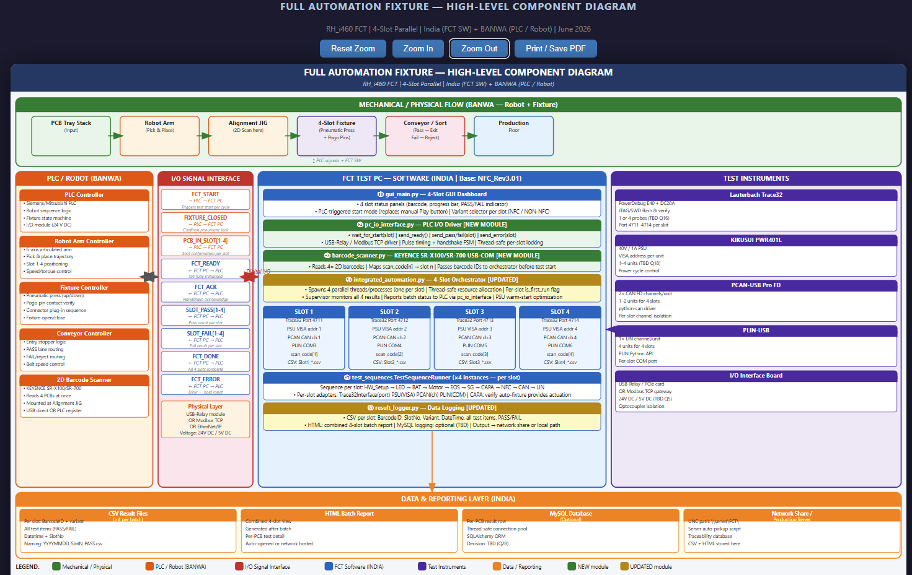
FULL AUTOMATION FIXTURE — HIGH-LEVEL COMPONENT DIAGRAM (RH_i460 FCT | 4-Slot Parallel | India FCT SW + BANWA PLC/Robot)
The SVG diagram file 'Full_Automation_Component_Diagram.svg' is in the same folder. Open it in Chrome/Edge for the full interactive view. | HTML viewer: Full_Automation_Component_Diagram.html

