Revision_1.0
Project Setup Using Trace32
This document describes the step-by-step procedure to set up the Trace32 environment and run the Testbench GUI application.

1. Prerequisites

Ensure you have:
A Windows PC with administrator access
Internet access
Trace32 hardware connected to the target board

2. Download Required Files

Download the Trace32 setup package and Python installer from the following Google Drive link:

https://drive.google.com/drive/folders/1HrzokndVMjD6kLtsfEEFHu4wb9GcbcMm

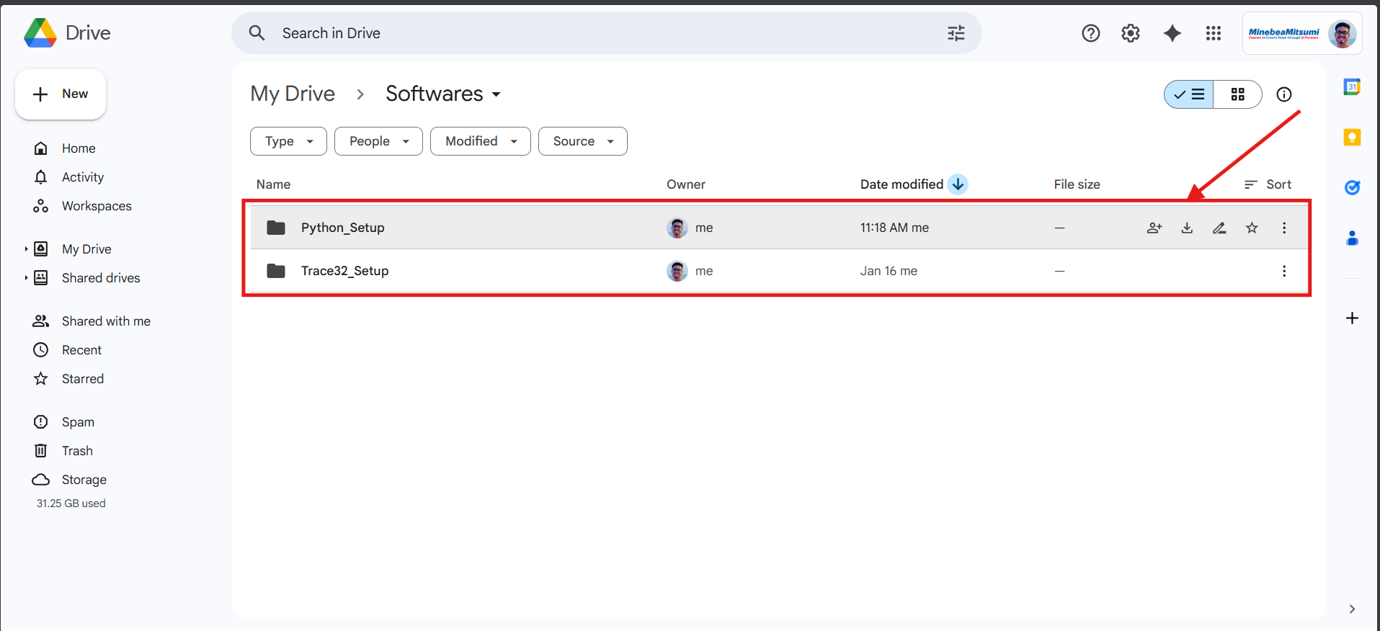

3. Install Trace32

1. Extract the downloaded package.
2. Run setupt.bat.
3. Follow the on-screen instructions to complete the installation.
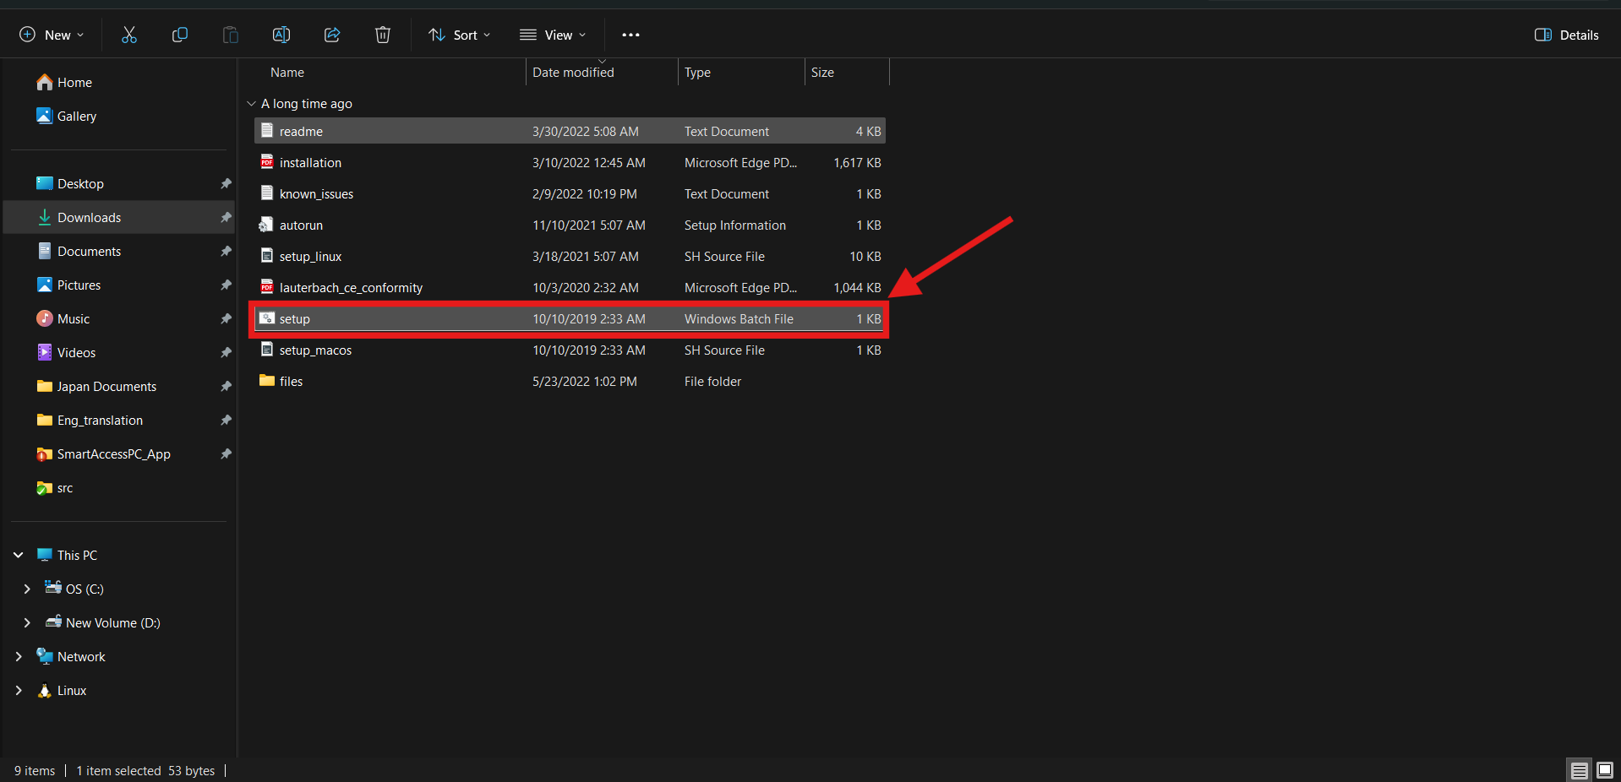

4. Install Python

1. Run python-3.14.2-amd64.exe.
2. During installation:
✅ Check “Add Python to PATH”
3. Complete the installation.

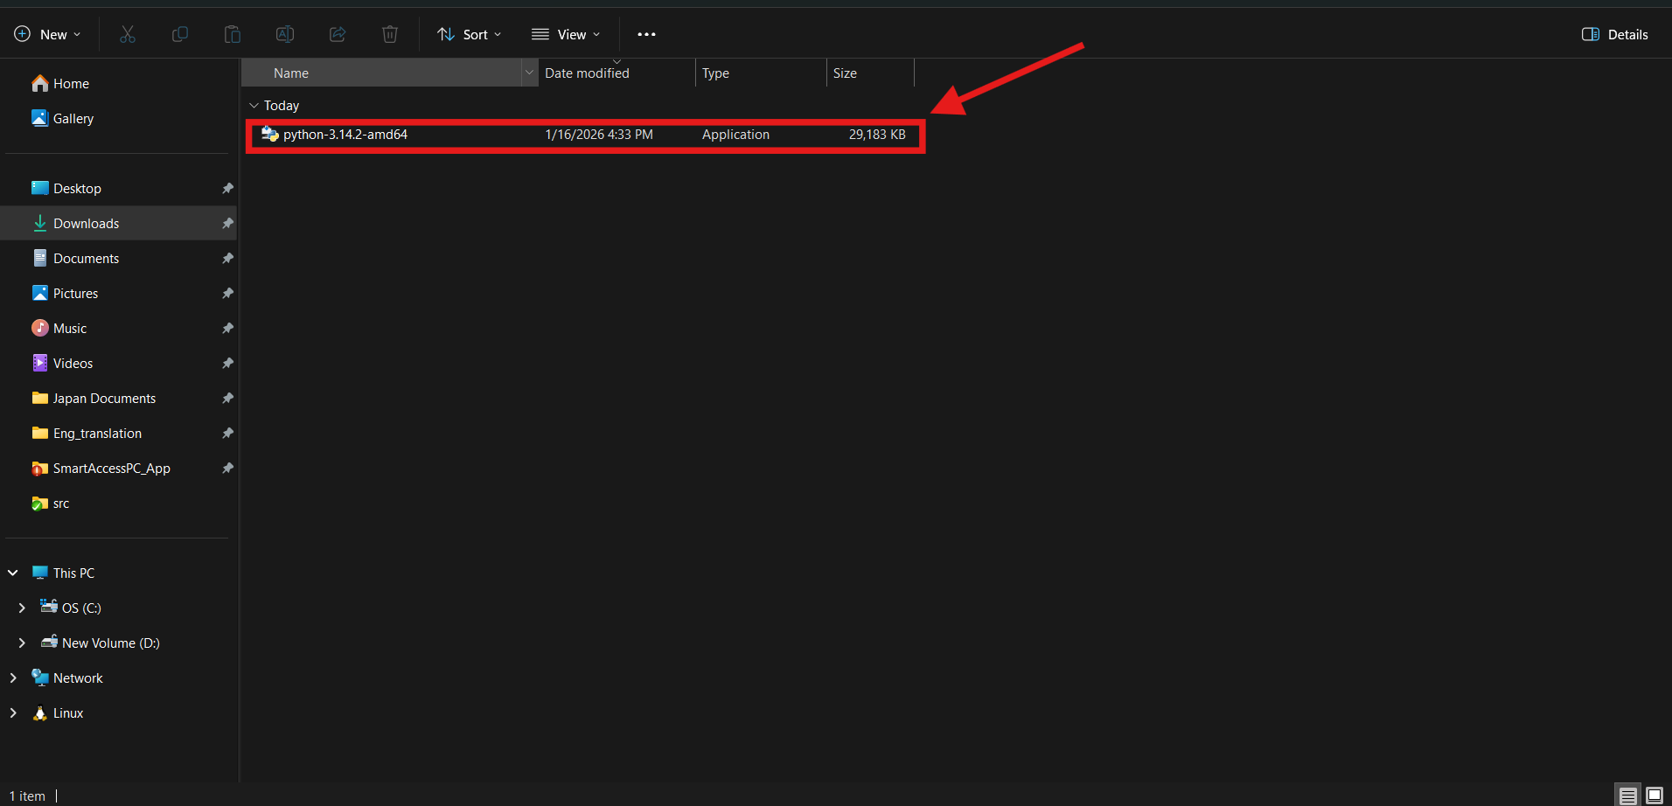

5. Install Python Dependencies

Open Command Prompt (CMD) and run the following commands one by one:

pip install pyvisa
pip install pyvisa-py
pip install Lauterbach.trace32.rcl
pip install openpyxl
pip install pytest
pip install pytest-mock

Verify that all packages are installed without errors.
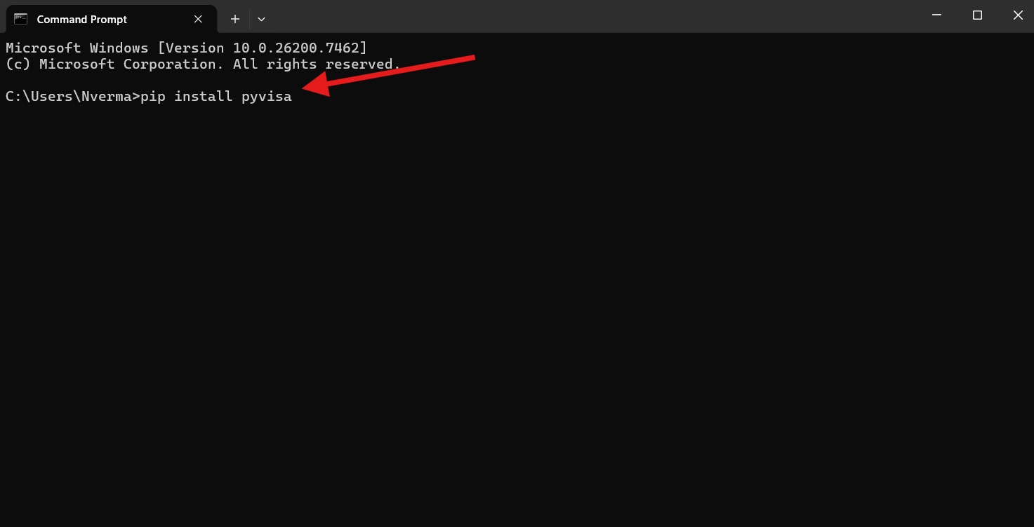

6. Download the Project

Download the SmartBU Project from the following Google Drive link:

https://drive.google.com/drive/folders/1gTF1ggrcZLFDnWPfuxJlCGeO36il9DKW

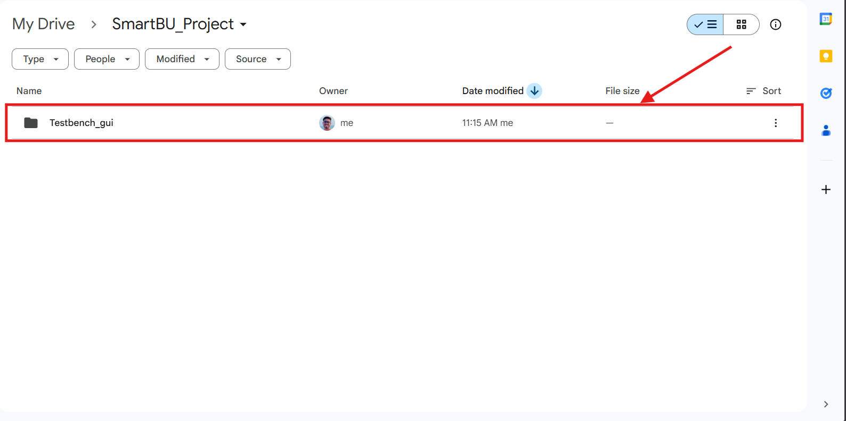

7. Change T32 Installation path in Project.

Change path according the T32 installion directory

1. Update Config.t32 : line number "4". | For eg:
SYS=C:\Users\Nverma\.conan2\p\tracee4f08930e322b\p | SYS=C:\T32

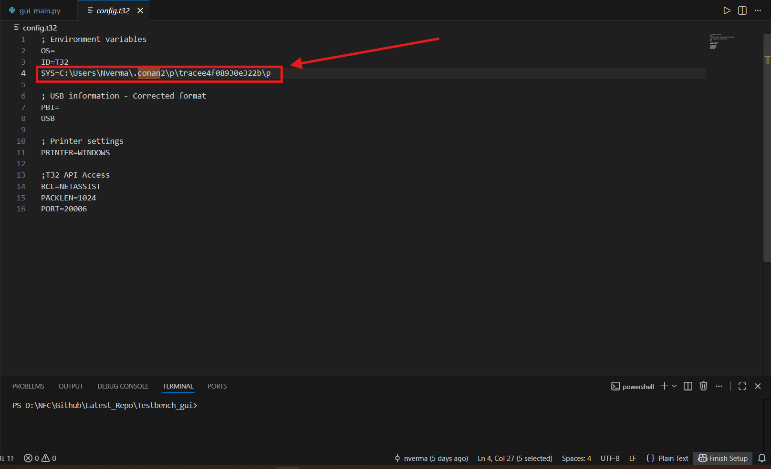
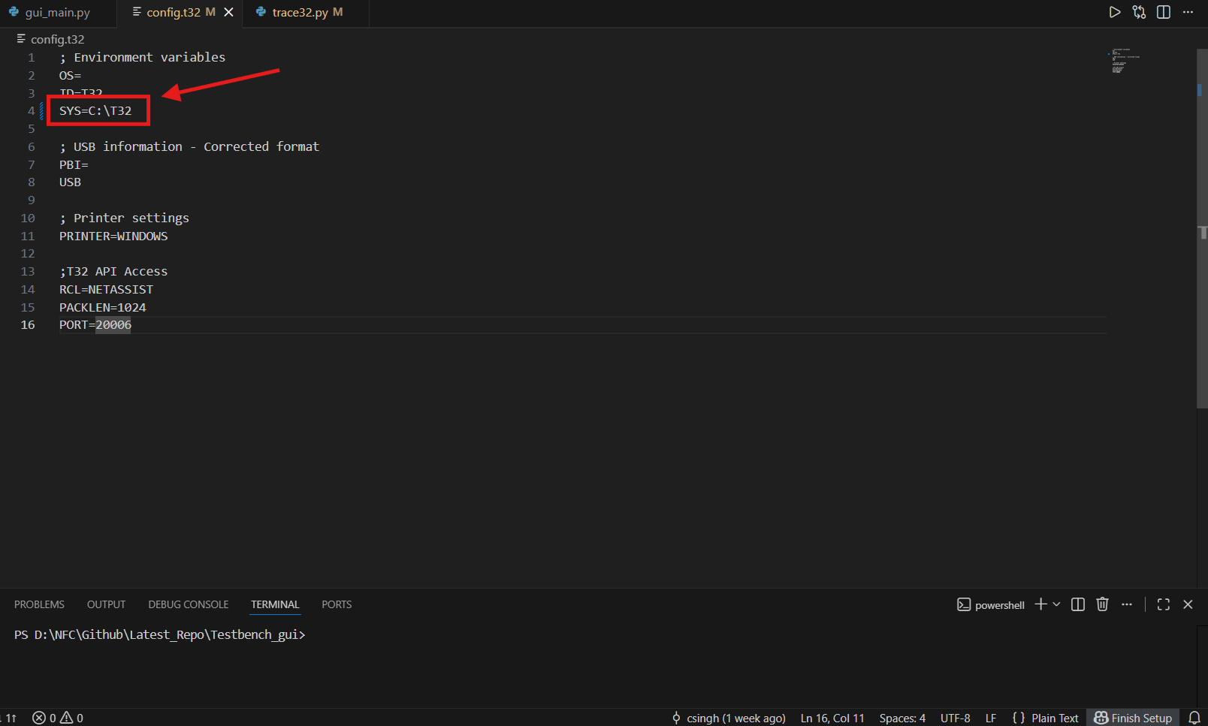

2. Update trace32.py : line number "134". Installation path
trace32_path = f"{user_path_cleaned}\\.conan2\\p\\tracee4f08930e322b\\p\\bin\\windows64\\t32marm.exe" | trace32_path = r"C:\T32\bin\windows64\t32marm.exe"
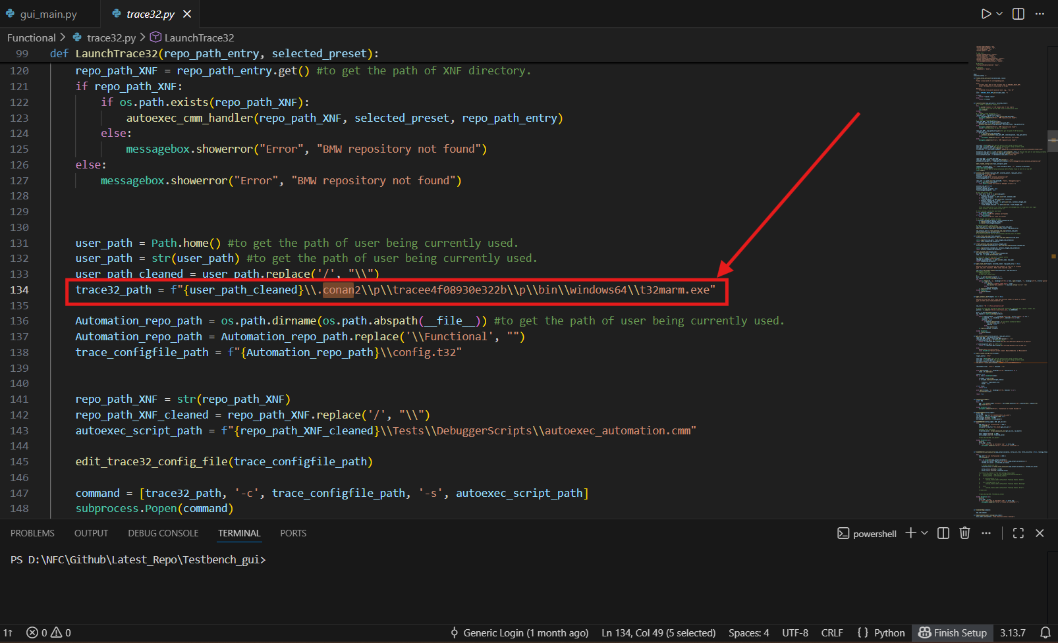
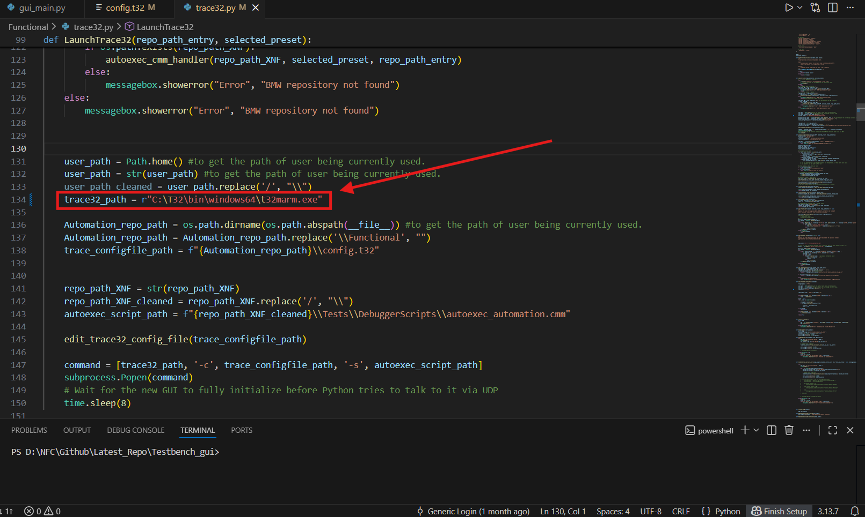

3. Update trace32.py : line number "296".
new_path = f"{user_path_cleaned}\\.conan2\\p\\tracee4f08930e322b\\p" | new_path = r"C:\T32"

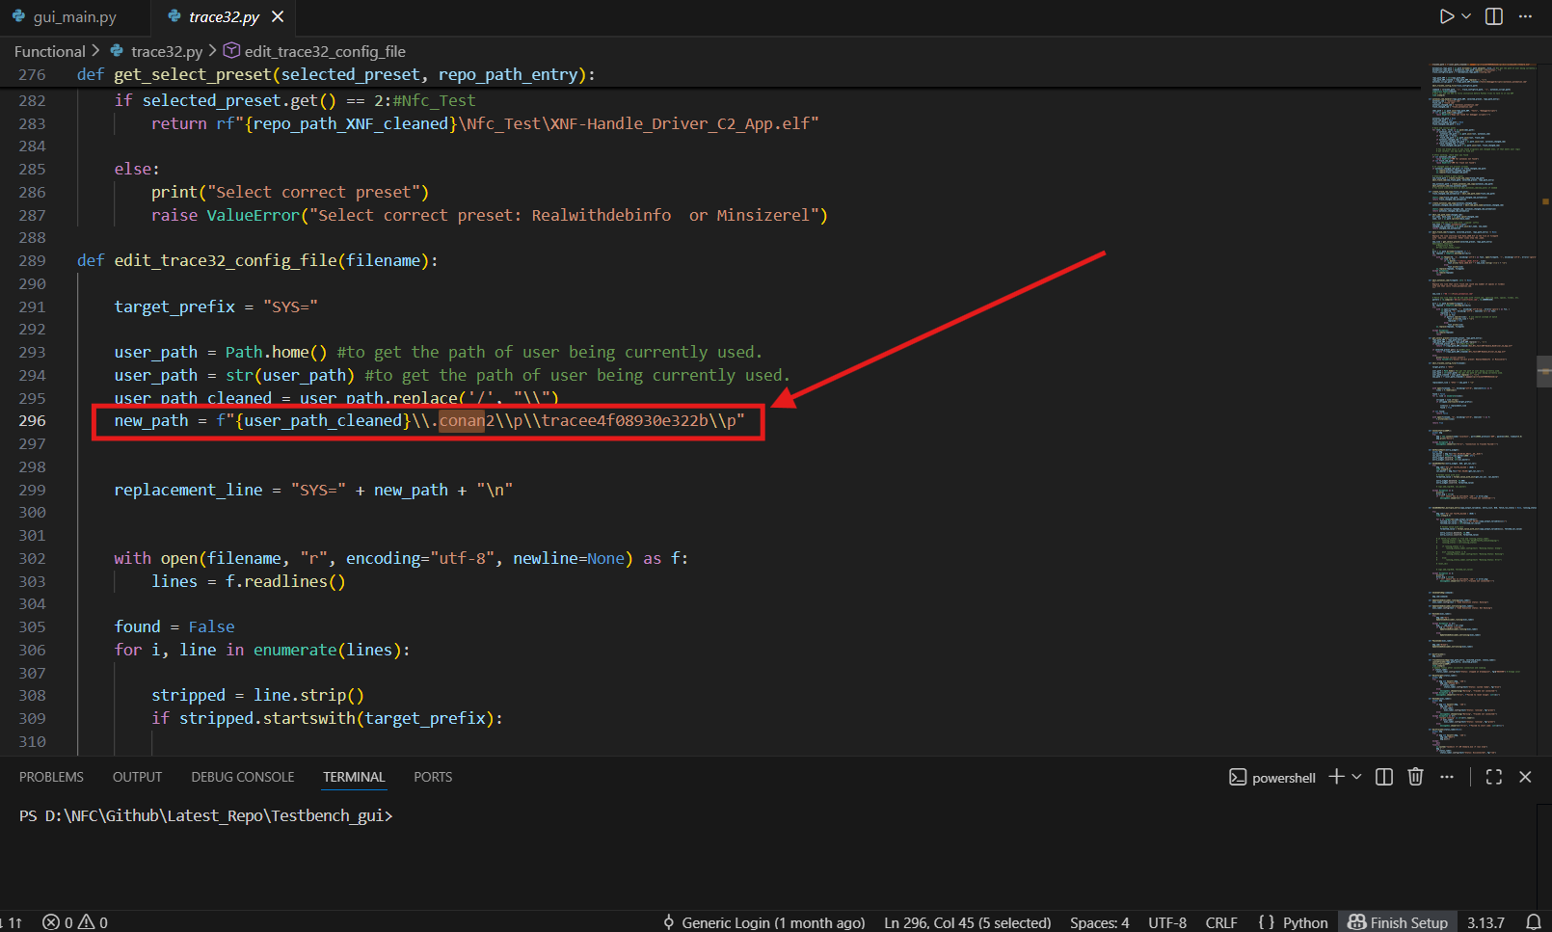
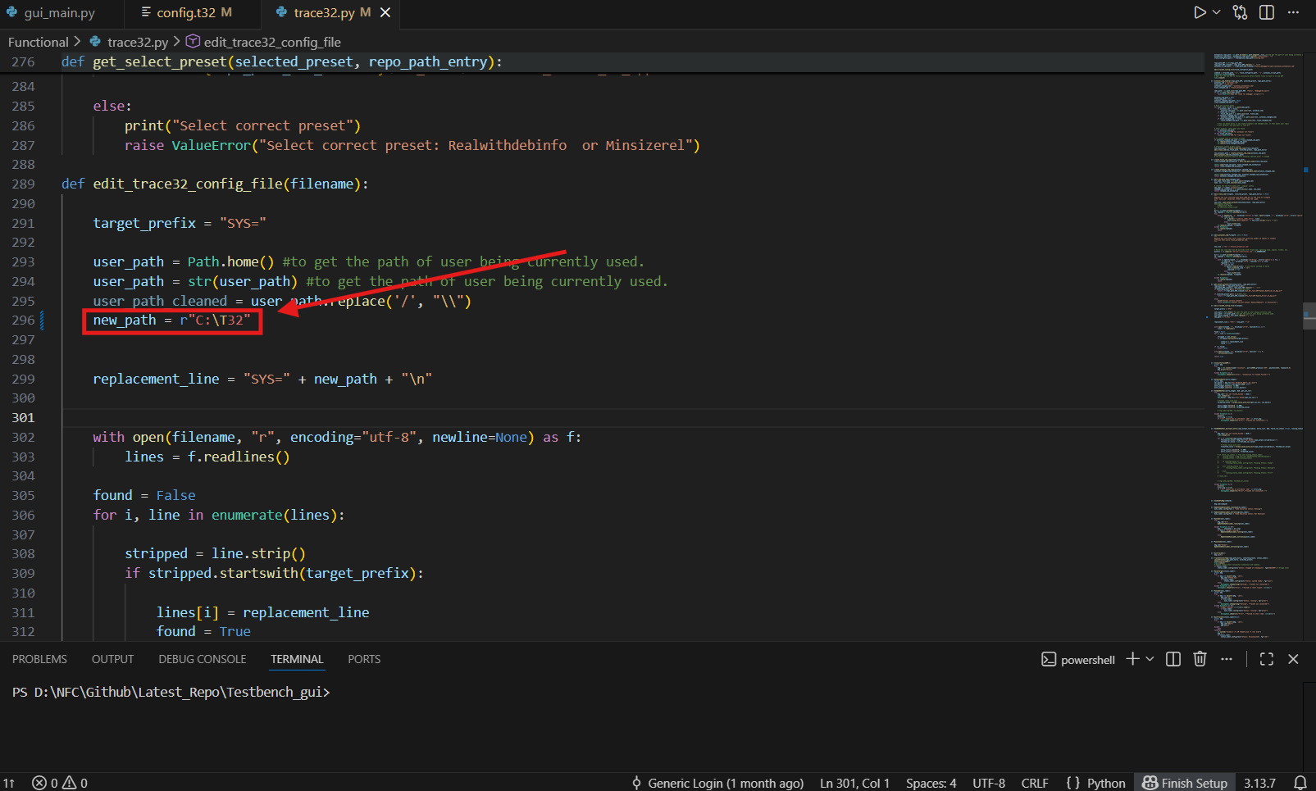

8. Hardware Connection and Application Launch

1. Connect the Trace32 hardware to the PC and target board.
2. Open the Testbench_gui project directory.
3. Run SmartBuApp.bat.

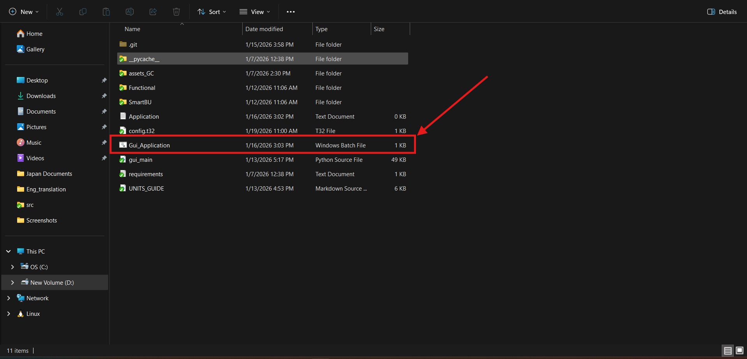

9. Configure the Application

After launching the application, perform the following steps:

1. Select ELF File
Click Browse
Select the appropriate ELF file path (For example .. \Testbench_gui\SmartBU)

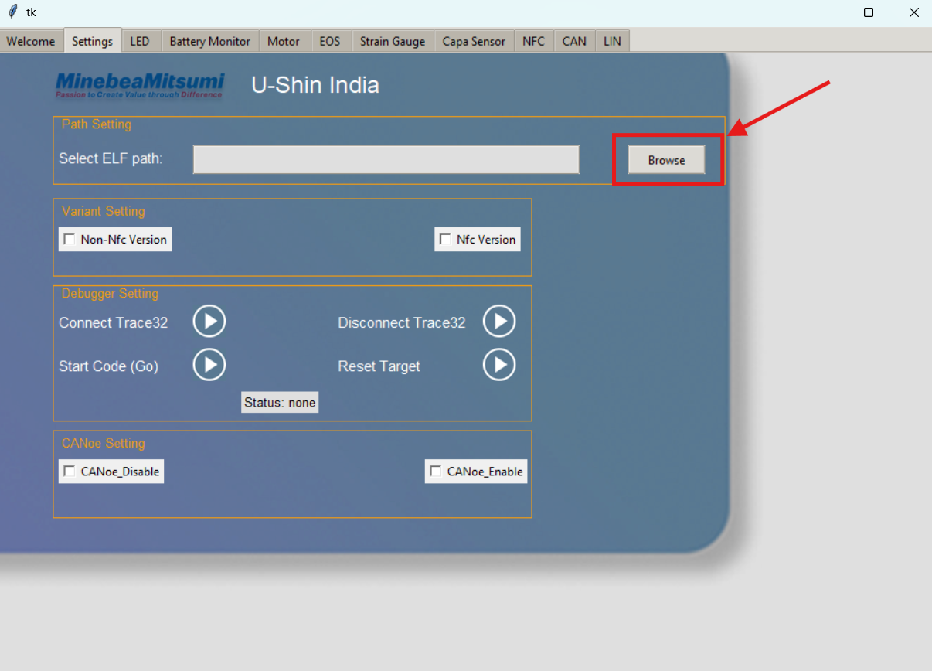

2. Select SmartBU Directory
Choose the SmartBU folder from the project directory

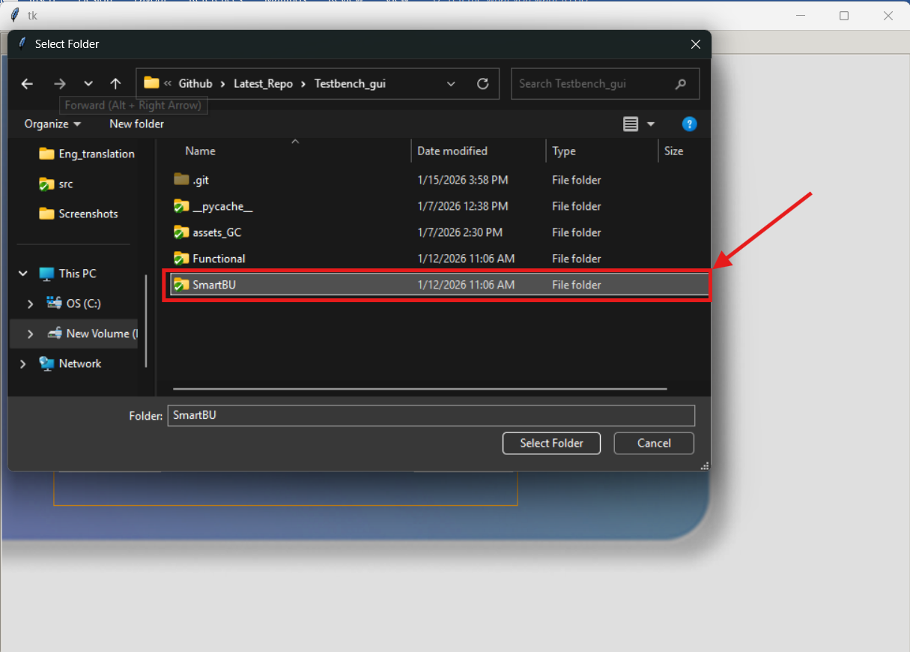

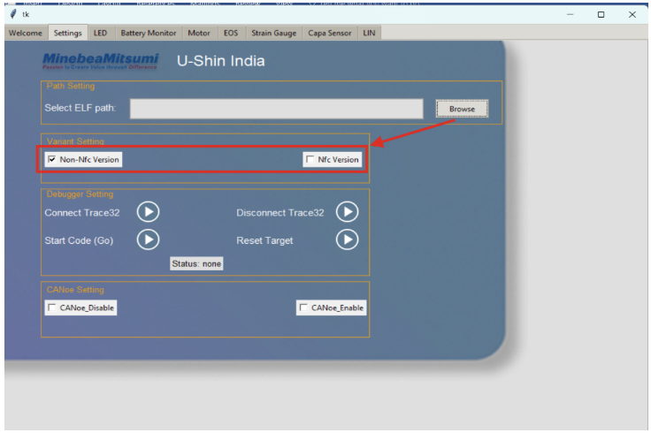
3. Select Handle Variant
Select the variant according to your connected hardware

10. Connect and Start Execution

1. Click “Connect Trace32” and wait for to status to change to "stopped at the breakpoint"
2. Click “Start Code”
3. Verify that the status changes to “Running”
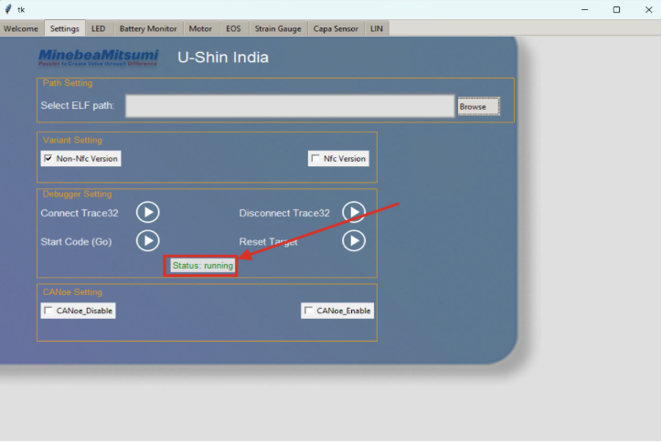

✅ Successful connection confirms that Trace32 and the application are working correctly.

11. Disconnect and Stop execution

1. Before clossing Gui Click "Disconnect Trace32" and wait for stautus to change to "none"
2. Close with X button on GUI
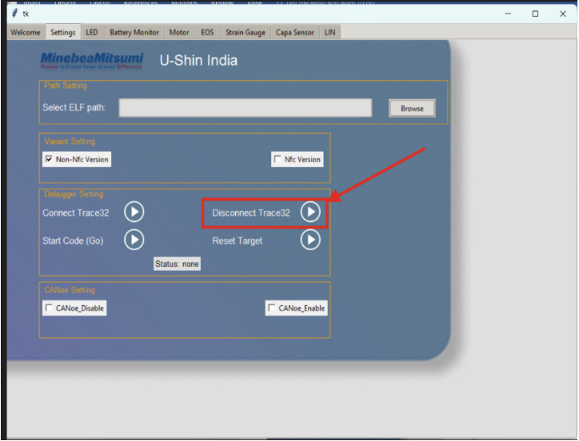

12. Troubleshooting

Ensure Trace32 drivers are correctly installed
Confirm Python is accessible from CMD (python --version)
Verify correct ELF and SmartBU paths

Revision_1.1
Project Setup Using Trace32
This document describes the step-by-step procedure to set up the Trace32 environment and run the Testbench GUI application.

1. Prerequisites

Ensure you have:
A Windows PC with administrator access
Internet access
Trace32 hardware connected to the target board

2. Download Required Files

Download the Trace32 setup package and Python installer from the following Google Drive link:

https://drive.google.com/drive/folders/1HrzokndVMjD6kLtsfEEFHu4wb9GcbcMm

3. Install Trace32

1. Extract the downloaded package.
2. Run setupt.bat.
3. Follow the on-screen instructions to complete the installation.

4. Install Python

1. Run python-3.14.2-amd64.exe.
2. During installation:
✅ Check “Add Python to PATH”
3. Complete the installation.

5. Install Python Dependencies

Open Command Prompt (CMD) and run the following commands one by one:

pip install pyvisa
pip install pyserial
pip install pyvisa-py
pip install pandas
pip install Lauterbach.trace32.rcl
pip install openpyxl
pip install pytest
pip install pytest-mock

Verify that all packages are installed without errors.

6. Download the Project

Download the Testbench_gui_Rev1.1 from the following Google Drive link:

https://drive.google.com/drive/folders/1ImQWcyVE9dQLkQHOCaHPdNoRTm6heKEl

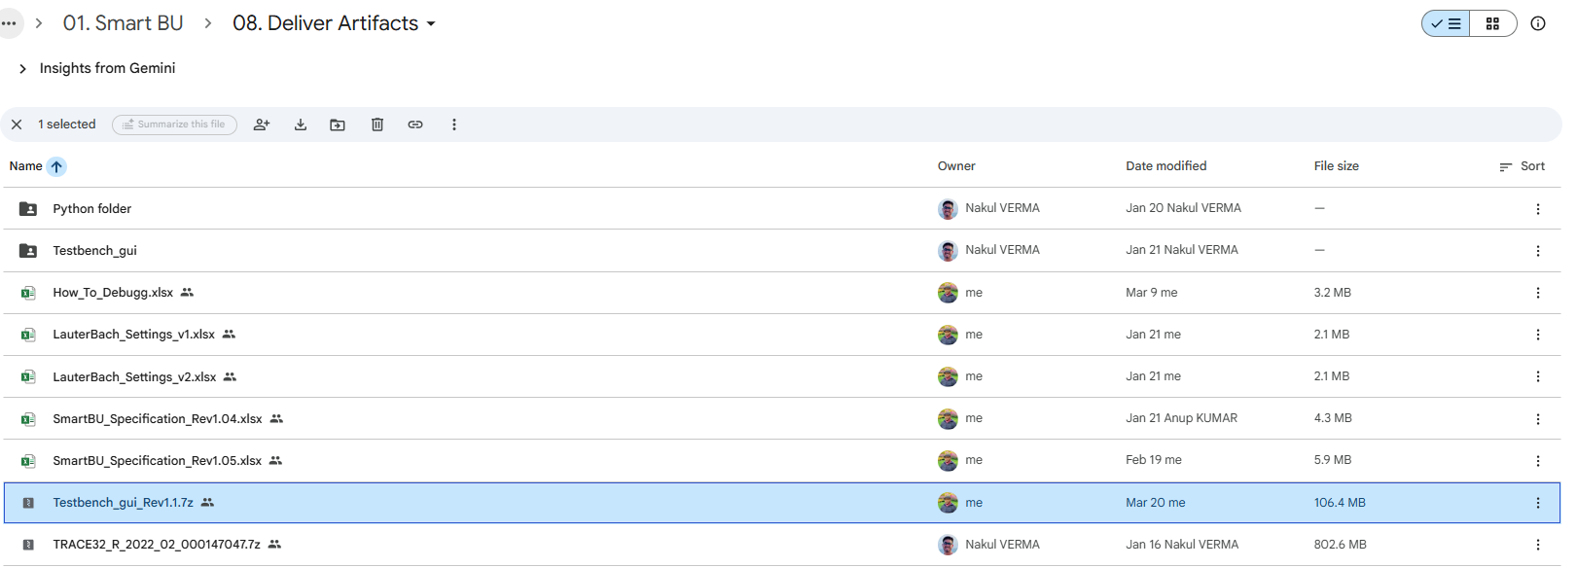

7. Change T32 Installation path in Project.

Change path according the T32 installion directory

1. Update Config.t32 : line number "4". | For eg:
SYS=C:\Users\Nverma\.conan2\p\tracee4f08930e322b\p | SYS=C:\T32

2. Update trace32.py : line number "134". Installation path
trace32_path = f"{user_path_cleaned}\\.conan2\\p\\tracee4f08930e322b\\p\\bin\\windows64\\t32marm.exe" | trace32_path = r"C:\T32\bin\windows64\t32marm.exe"

3. Update trace32.py : line number "296".
new_path = f"{user_path_cleaned}\\.conan2\\p\\tracee4f08930e322b\\p" | new_path = r"C:\T32"

8. Hardware Connection and Application Launch

1. Connect the Trace32 hardware to the PC and target board.
2. Open the Testbench_gui_Rev1.1/ManualTest project directory.
3. Run SmartBuApp.bat.

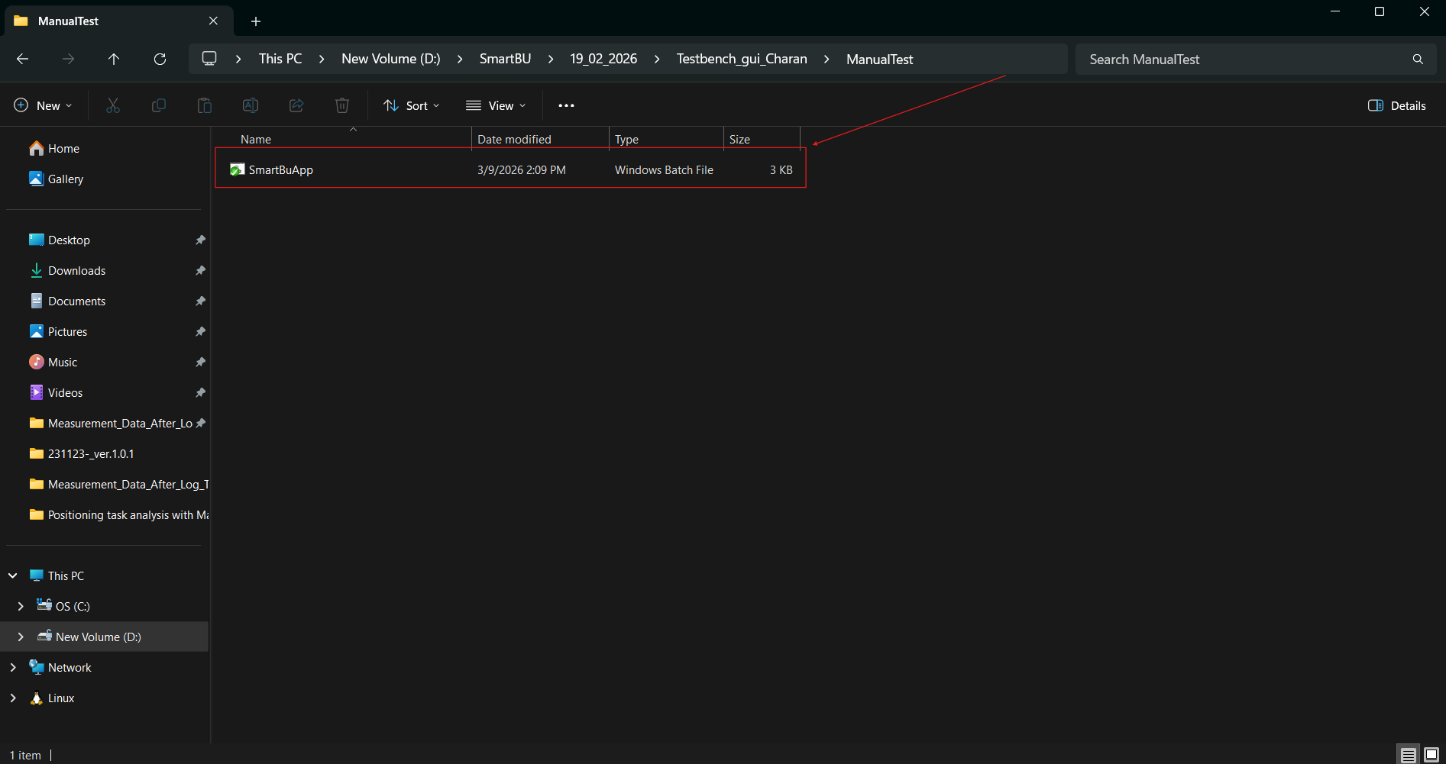

9. Configure the Application

After launching the application, perform the following steps:

1. Select ELF File
Click Browse
Select the appropriate ELF file path (For example .. \Testbench_gui\SmartBU)

2. Select SmartBU Directory
Choose the SmartBU folder from the project directory

3. Select Handle Variant
Select the variant according to your connected hardware

10. Connect and Start Execution

1. Click “Connect Trace32” and wait for to status to change to "stopped at the breakpoint"
2. Click “Start Code”
3. Verify that the status changes to “Running”

✅ Successful connection confirms that Trace32 and the application are working correctly.

11. Disconnect and Stop execution

1. Before clossing Gui Click "Disconnect Trace32" and wait for stautus to change to "none"
2. Close with X button on GUI

12. Automation

1. Open the Testbench_gui_Rev1.1 project directory.
2. Run AutomationTest.

3. Click Start button.

13. Troubleshooting

Ensure Trace32 drivers are correctly installed
Confirm Python is accessible from CMD (python --version)
Verify correct ELF and SmartBU paths

Auto_Install
1 | Brouse the path | ...\Testbench_gui_Rev1.1\Tools\Auto_Install
2 | Double click on Run_Auto_Install.bat
3 | Wait for installation completion
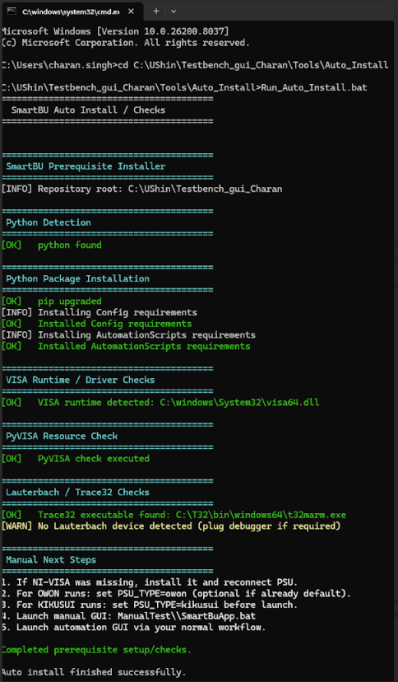
4 | Check similar with screen shot

Connection
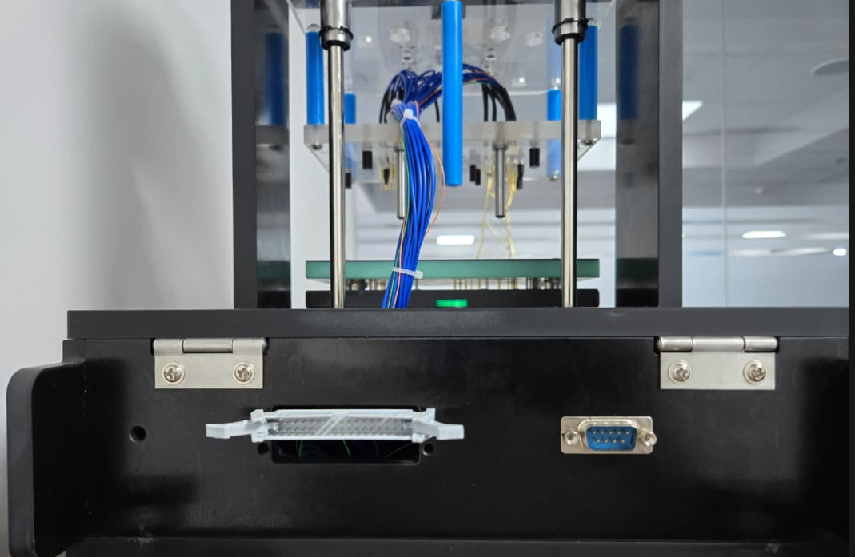

DB9_Conn
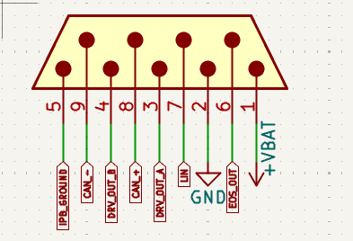

33
34
1
2

IDC_conn_34 Pin
DB9_Conn

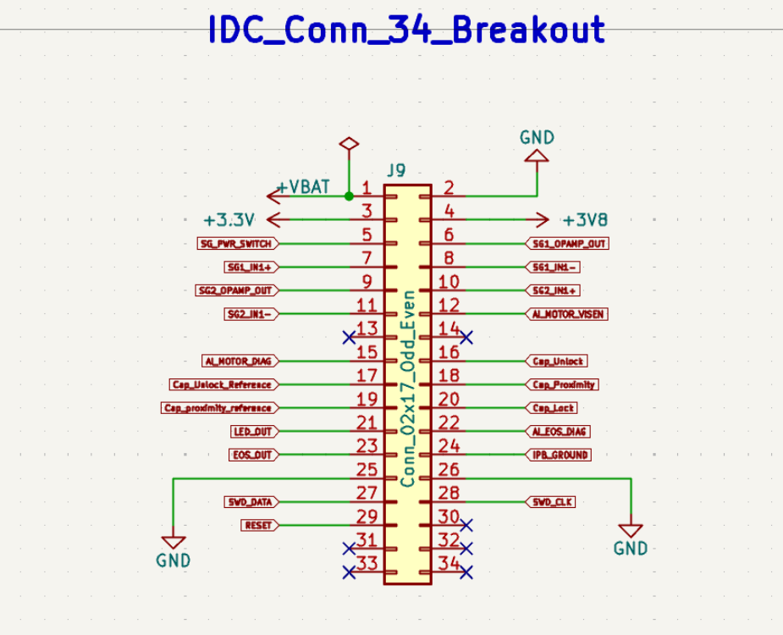
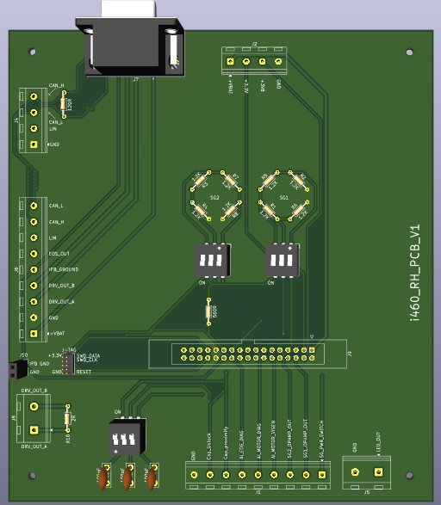

9

8

1
2

10
3

6
4

7

11
5

 |  |  |  | PCB for Fixture

Table 1.1 PCB for fixture connector terminal and function
Contact | Signal name | Function
1 | SG1 | SG1 connection 1.2K ohm resistor
2 | SG2 | SG2 connection 1.2K ohm resistor
3 | DIP switch | Dip Switch to ON/OFF SG1 and SG2
4 | IDC_Connector_34 | 34 Pin connector from fixture to PCB
5 | LED | LED OUT Conn
6 | JTAG | JTAG conn for debugging
7 | Capa | Capa Singal Dip Switch 100pF
8 | LIN | LIN connector
9 | DB9 | DB9 Conn for PCB to Fixture
10 | Connector | Handel Harness conn
11 | DRV_OUT_A/B | Accutator OUT Conn

S.NO | Test Point | Signal Name | IDC Connector pin
1 | TP100 | 12V | PIN 1
2 | TP101 | GND | PIN 2
3 | TP113 | 3V3 | PIN 3
4 | TP123 | 3V8 | PIN 4
5 | TP307 | SG Power switch | PIN 5
6 | TP310 | SG1 op-amp output | PIN 6
7 | TP311 | SG1 IN1+ Input | PIN 7
8 | TP312 | SG1 IN1- Input | PIN 8
9 | TP321 | SG2 op-amp output | PIN 9
10 | TP322 | SG2 IN2+ Input | PIN 10
11 | TP324 | SG2 IN2- Input | PIN 11
12 | TP407 | AI_MOTOR_VISEN | PIN 12
13 | DRV_OUT_A | Actuator | DB9 Conn
14 | DRV_OUT_B | Actuator | DB9 Conn
15 | TP414 | AI_MOTOR_DIAG | PIN 15
16 | TP503 | Cap Unlock pin | PIN 16
17 | TP505 | Cap Unlock reference | PIN 17
18 | TP507 | Cap proximity | PIN 18
19 | TP509 | Cap proximity reference | PIN 19
20 | TP511 | Cap lock | PIN 20
21 | TP602 | Led out pin | PIN 21
22 | TP612 | AI_EOS_DIAG | PIN 22
23 | TP613 | EOS_Out | PIN 23
24 | TP614 | IPB GND | PIN 24
25 | TP104 | GND | PIN 25
26 | TP106 | GND | PIN 26
27 | TP200 | RESET | PIN 29
28 | TP201 | SWD_DATA | PIN 27
29 | TP202 | SWD_CLK | PIN 28

