Sheet1 (2)
Project Setup Using Trace32
This document describes the step-by-step procedure to set up the Trace32 environment and run the Testbench GUI application.

1. Prerequisites

Ensure you have:
A Windows PC with administrator access
Internet access
Trace32 hardware connected to the target board

2. Download Required Files

Download the Trace32 setup package and Python installer from the following Google Drive link:

https://drive.google.com/drive/folders/1HrzokndVMjD6kLtsfEEFHu4wb9GcbcMm

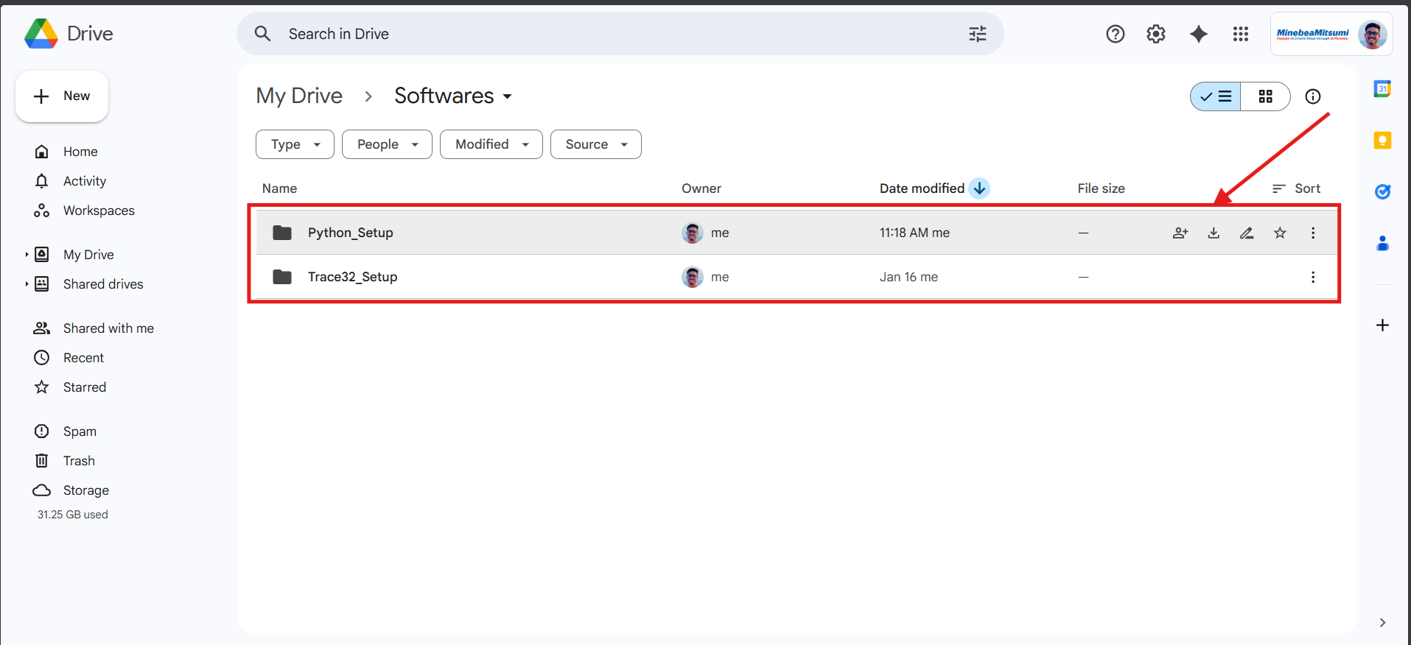

3. Install Trace32

1. Extract the downloaded package.
2. Run setupt.bat.
3. Follow the on-screen instructions to complete the installation.
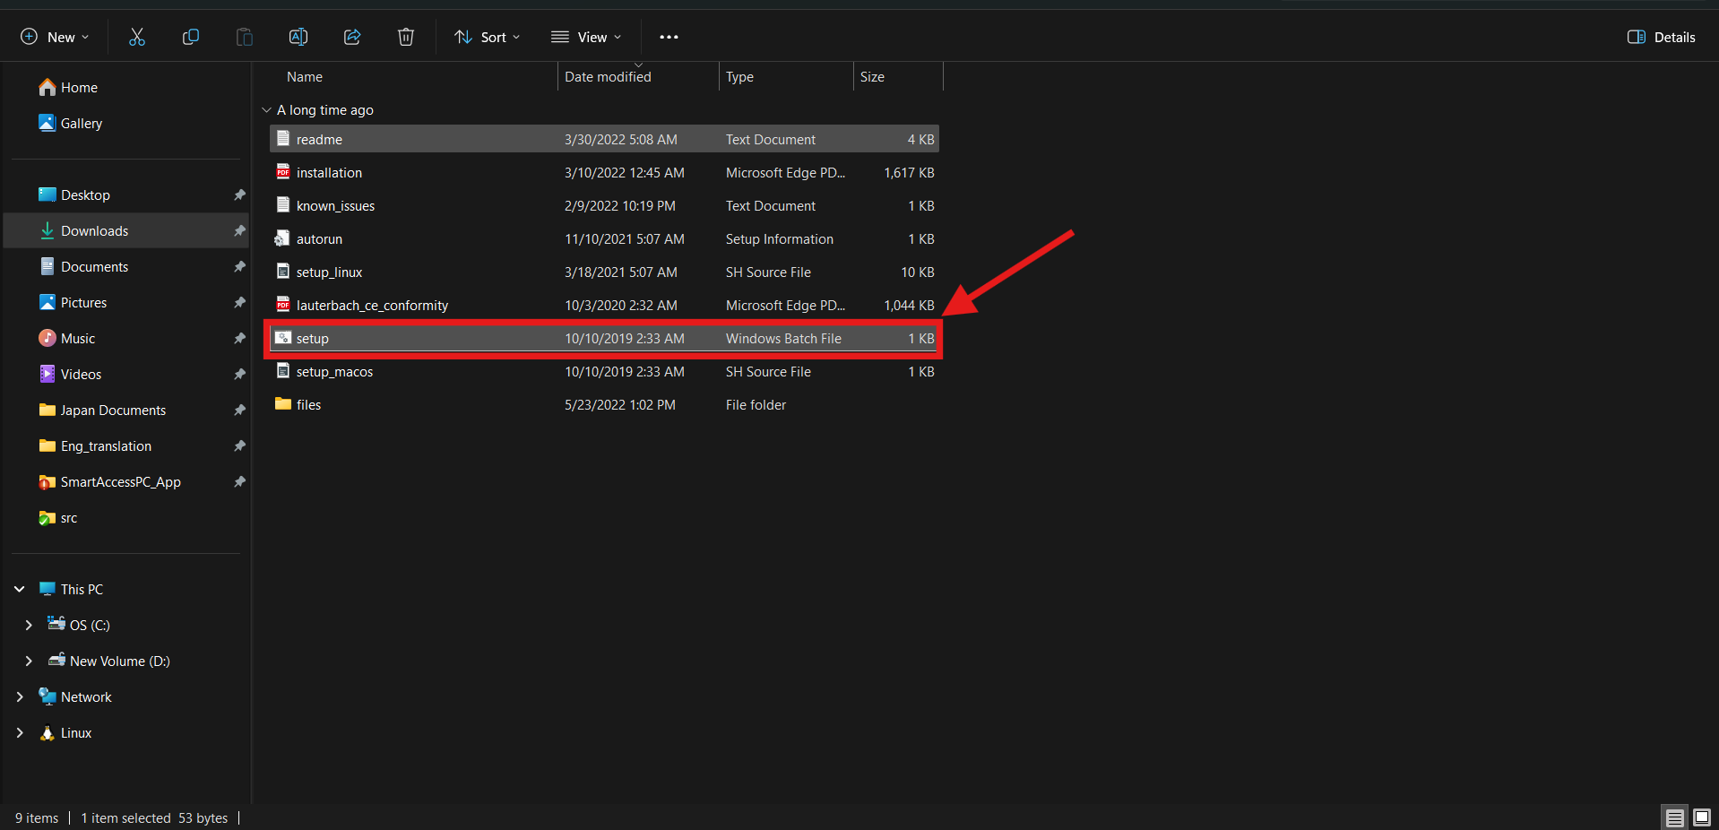

4. Install Python

1. Run python-3.14.2-amd64.exe.
2. During installation:
✅ Check “Add Python to PATH”
3. Complete the installation.

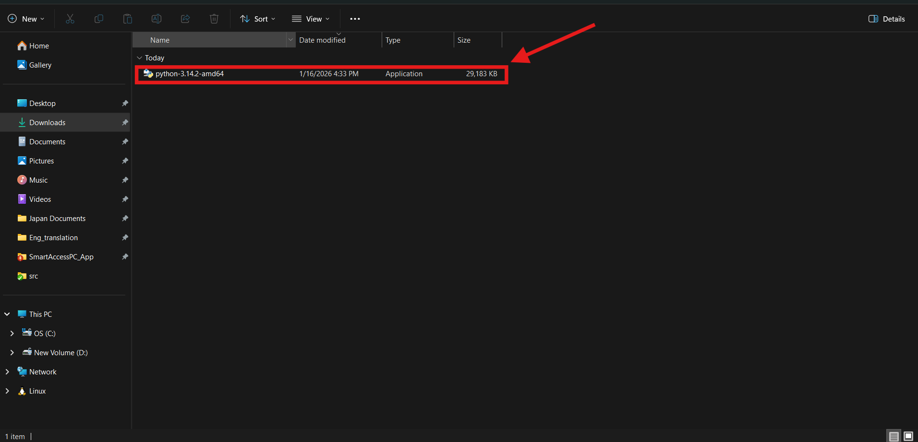

5. Install Python Dependencies

Open Command Prompt (CMD) and run the following commands one by one:

pip install pyvisa
pip install pyvisa-py
pip install Lauterbach.trace32.rcl
pip install openpyxl

Verify that all packages are installed without errors.
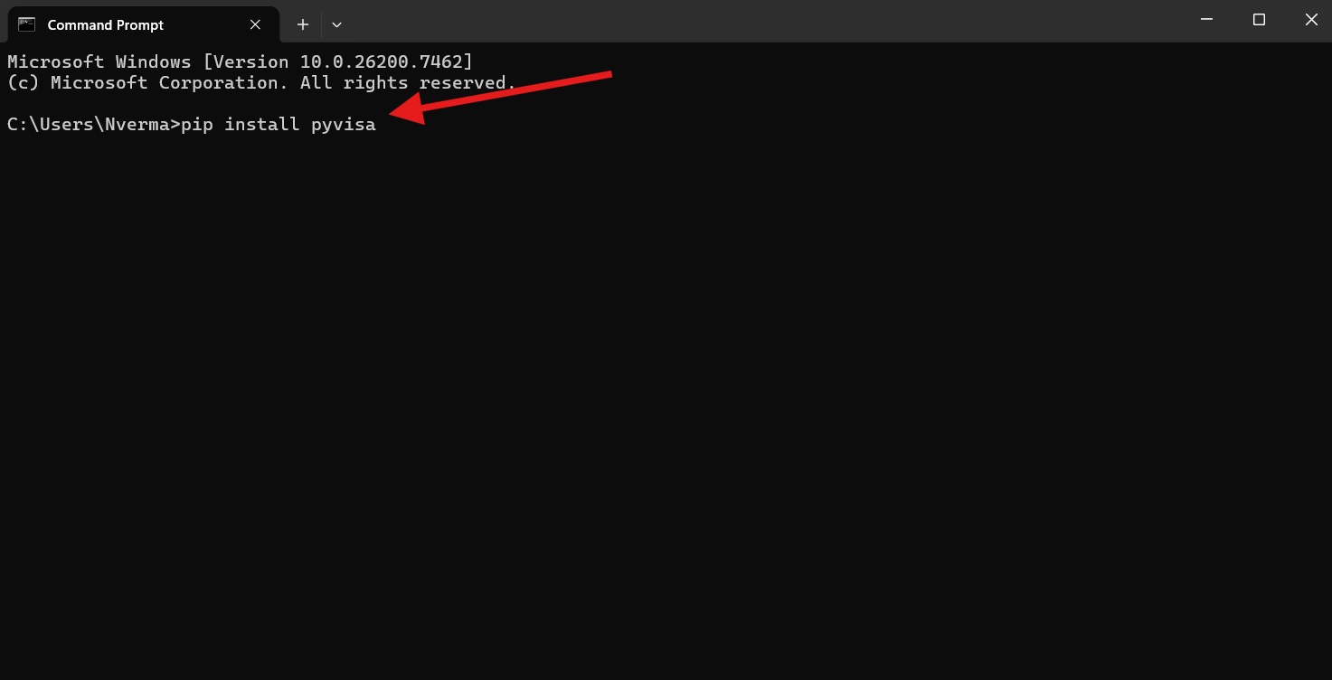

6. Download the Project

Download the SmartBU Project from the following Google Drive link:

https://drive.google.com/drive/folders/1gTF1ggrcZLFDnWPfuxJlCGeO36il9DKW

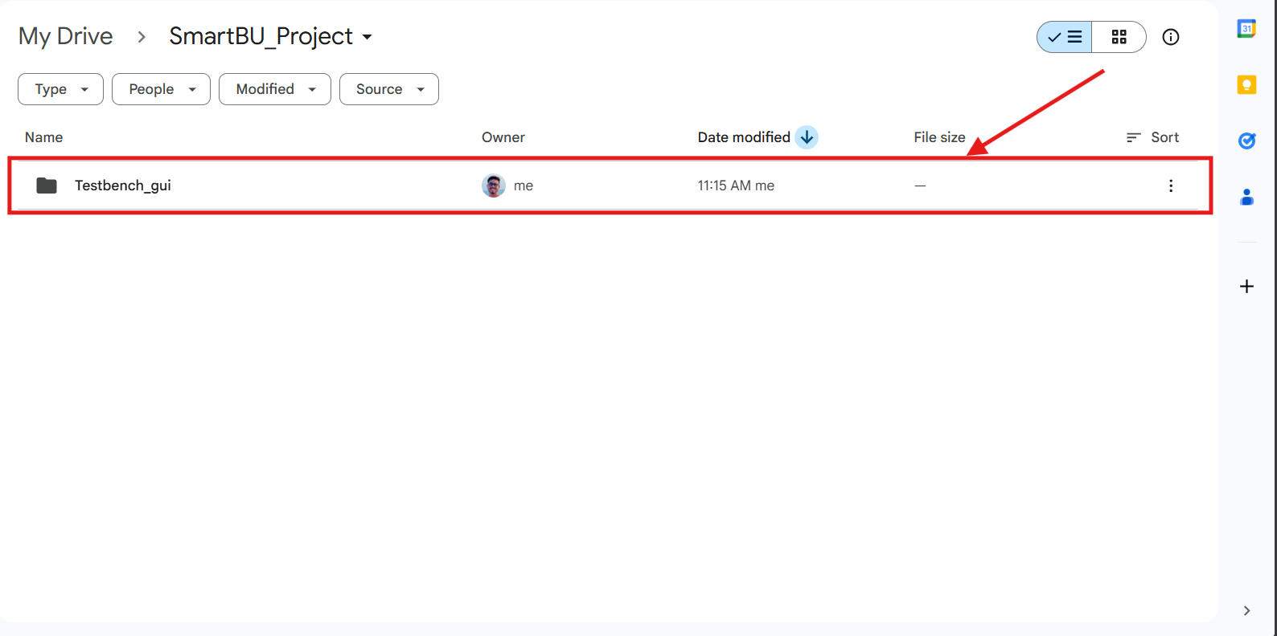

7. Change T32 Installation path in Project.

Change path according the T32 installion directory

1. Update Config.t32 : line number "4". | For eg:
SYS=C:\Users\Nverma\.conan2\p\tracee4f08930e322b\p | SYS=C:\T32

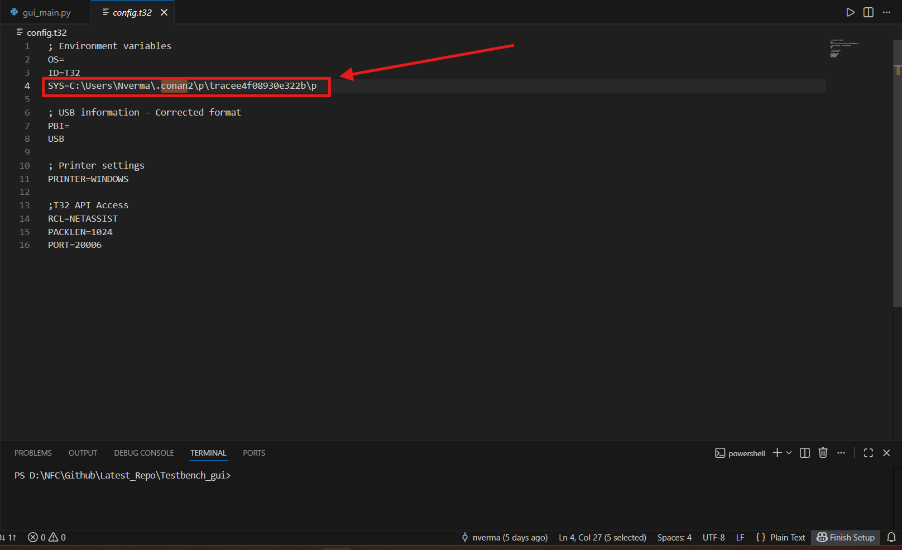
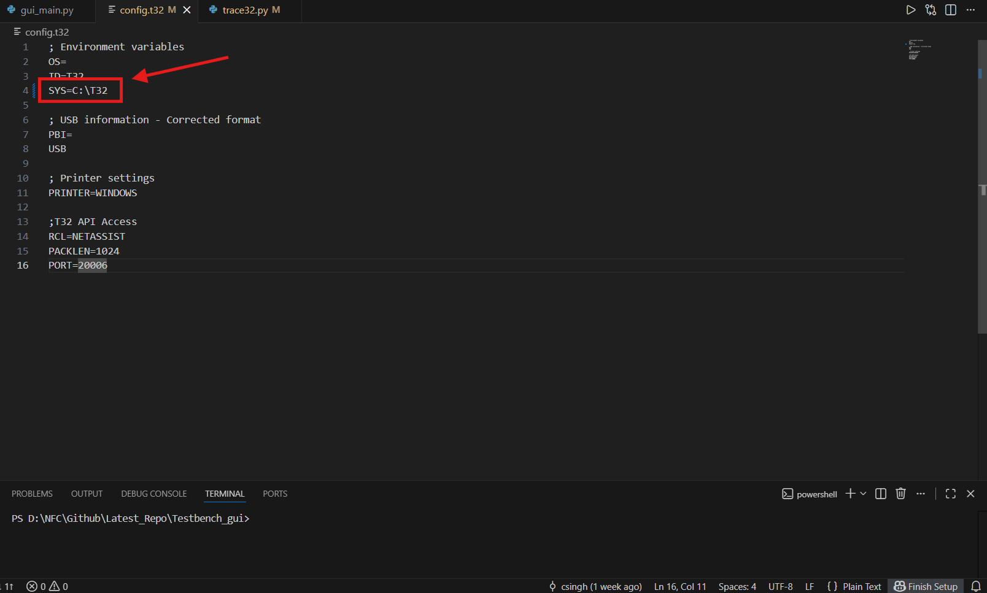

2. Update trace32.py : line number "134". Installation path
trace32_path = f"{user_path_cleaned}\\.conan2\\p\\tracee4f08930e322b\\p\\bin\\windows64\\t32marm.exe" | trace32_path = r"C:\T32\bin\windows64\t32marm.exe"
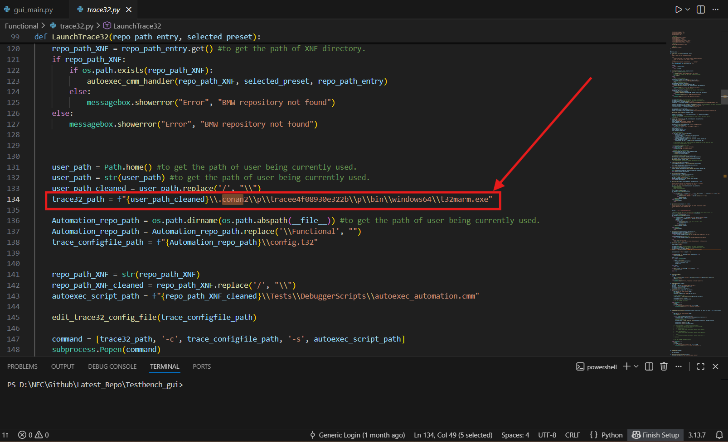
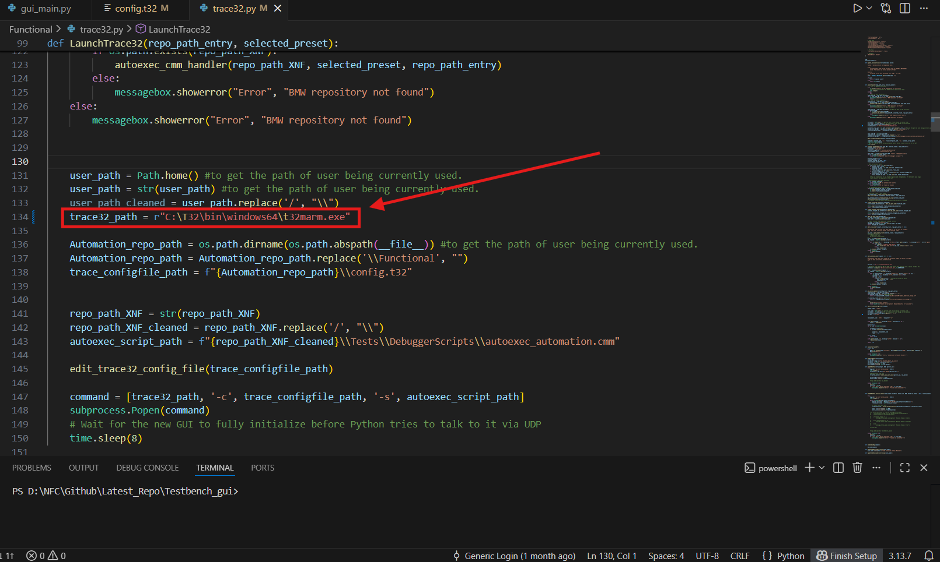

3. Update trace32.py : line number "296".
new_path = f"{user_path_cleaned}\\.conan2\\p\\tracee4f08930e322b\\p" | new_path = r"C:\T32"

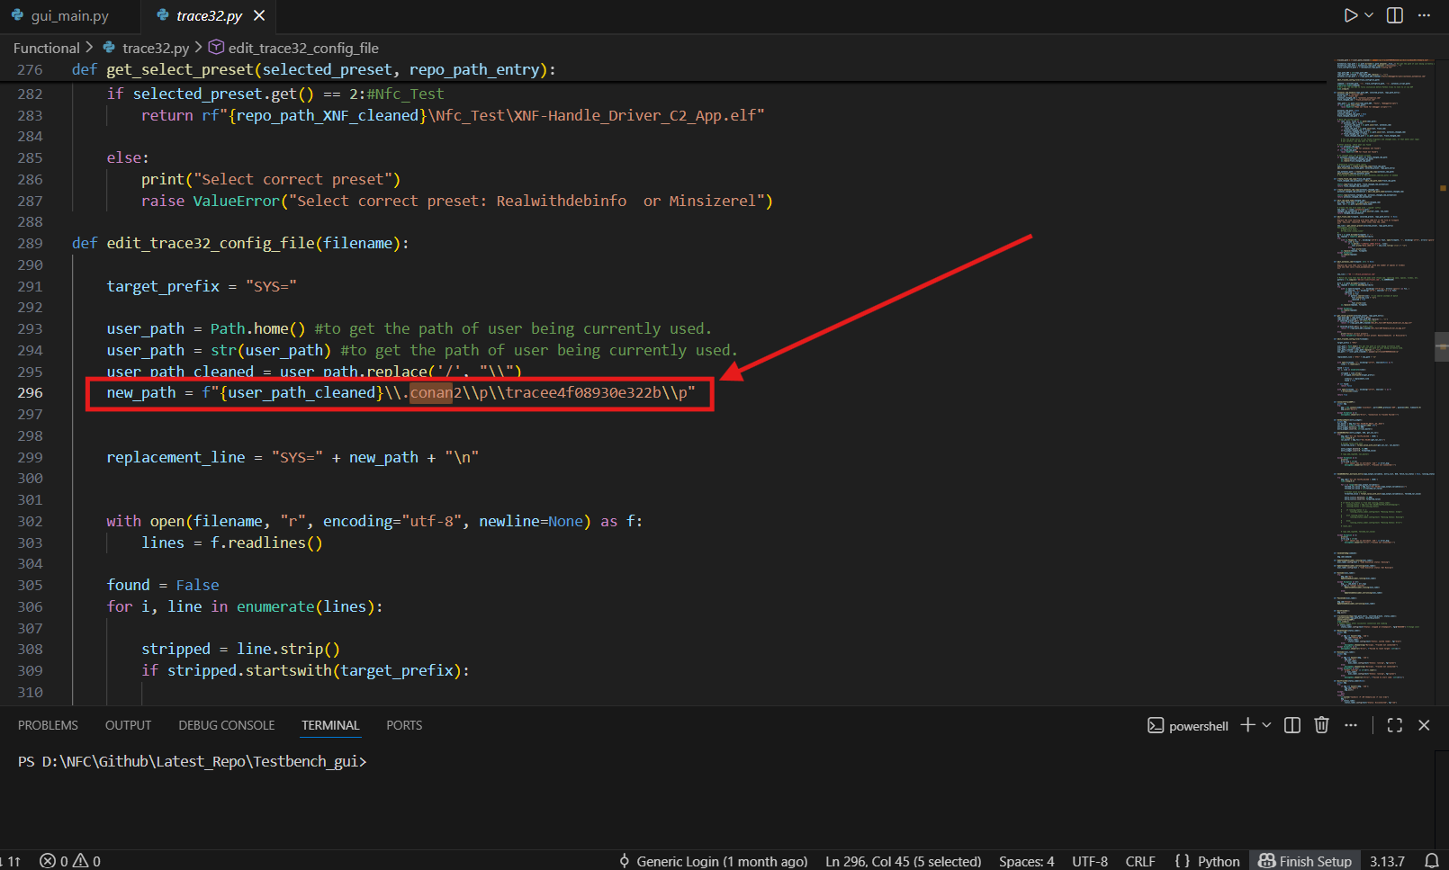
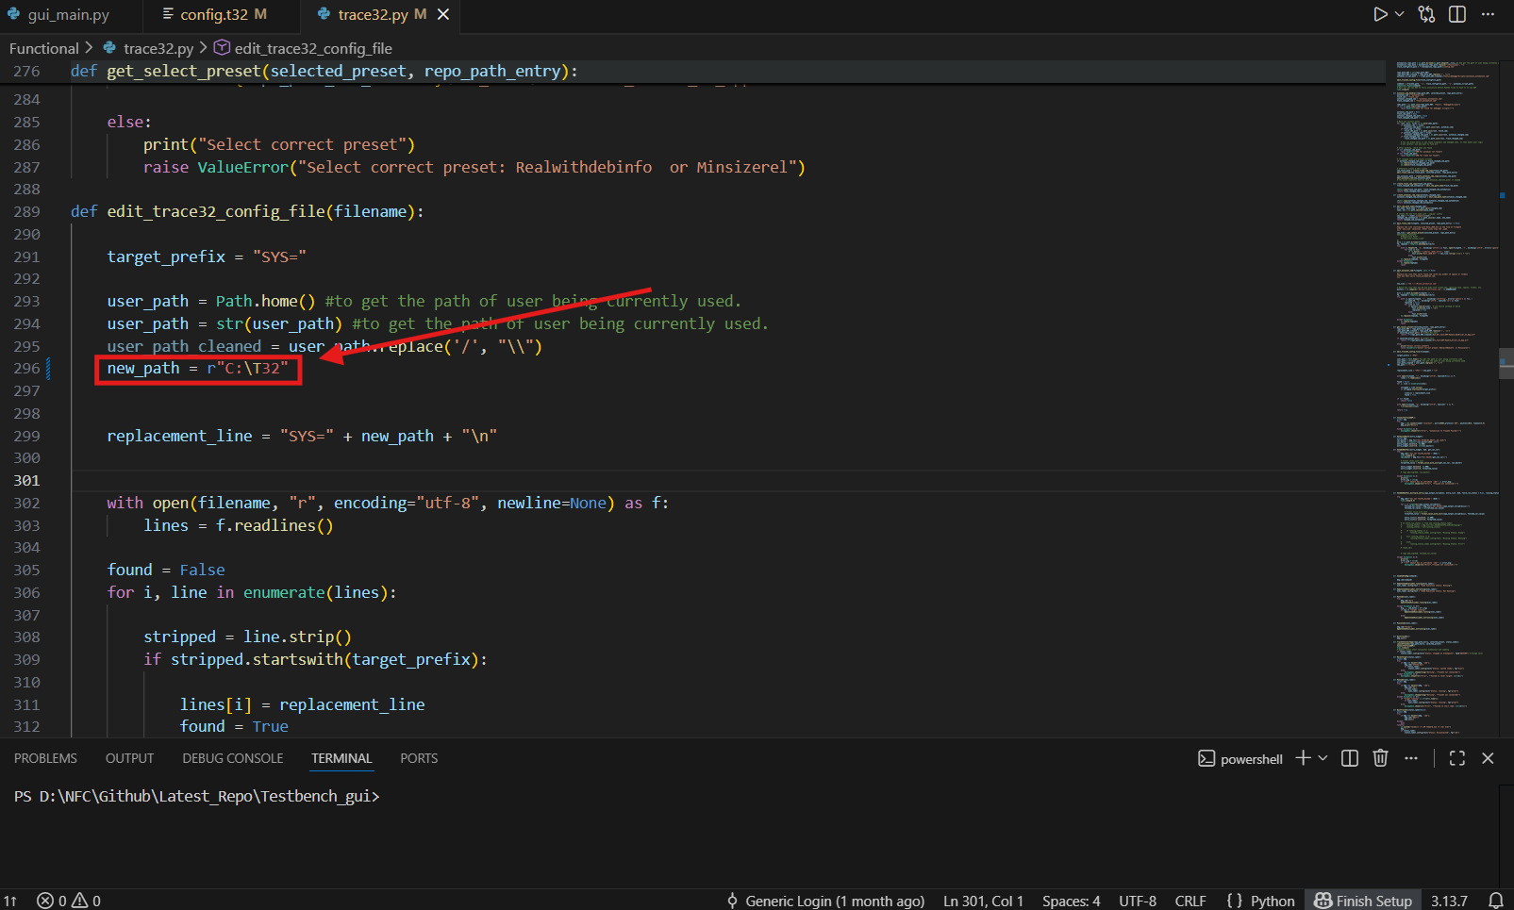

8. Hardware Connection and Application Launch

1. Connect the Trace32 hardware to the PC and target board.
2. Open the Testbench_gui project directory.
3. Run SmartBuApp.bat.

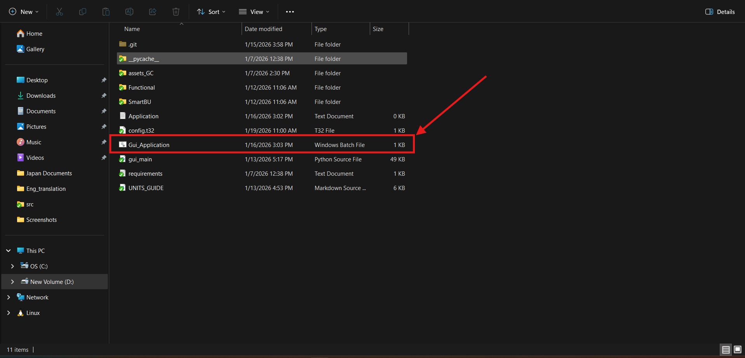

9. Configure the Application

After launching the application, perform the following steps:

1. Select ELF File
Click Browse
Select the appropriate ELF file path (For example .. \Testbench_gui\SmartBU)

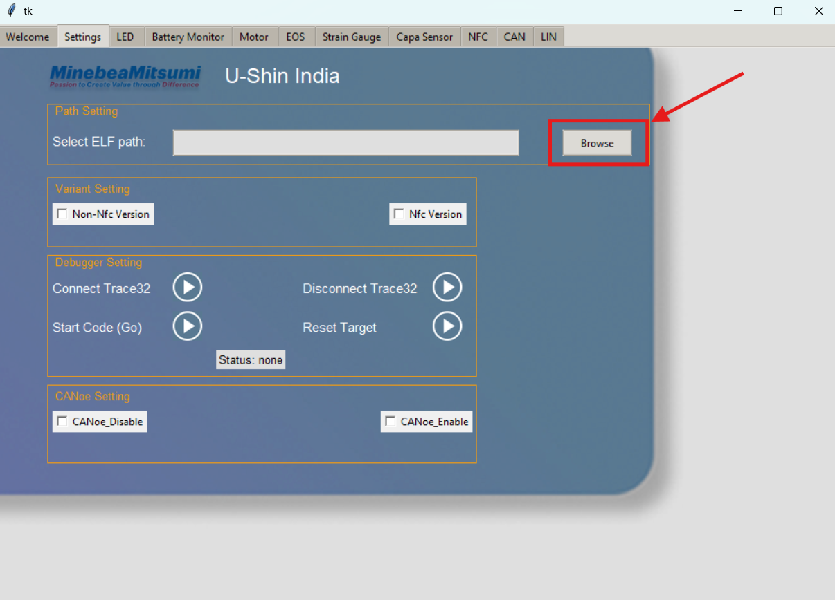

2. Select SmartBU Directory
Choose the SmartBU folder from the project directory

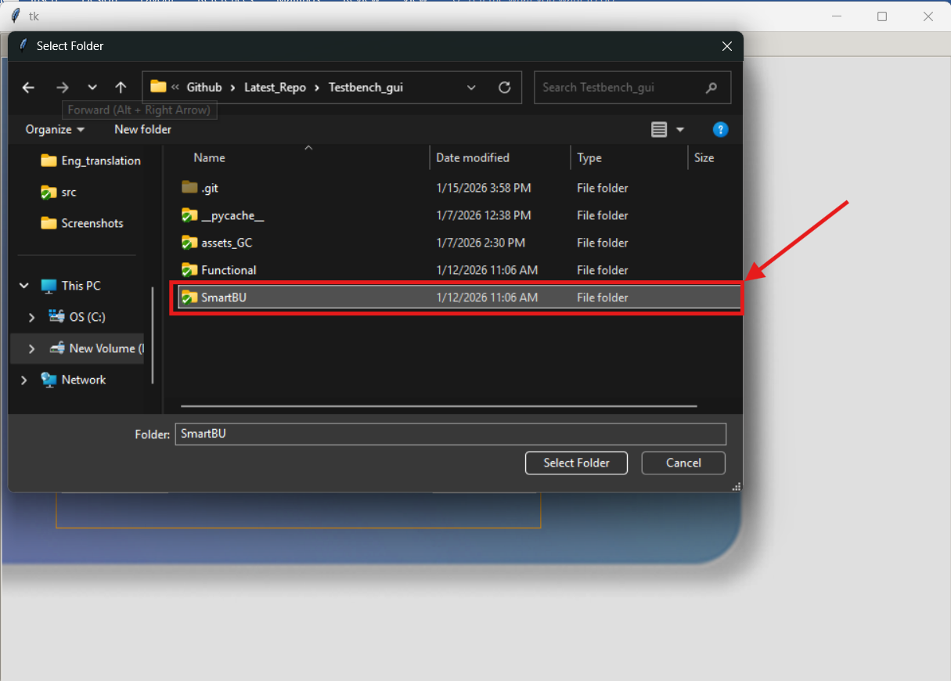

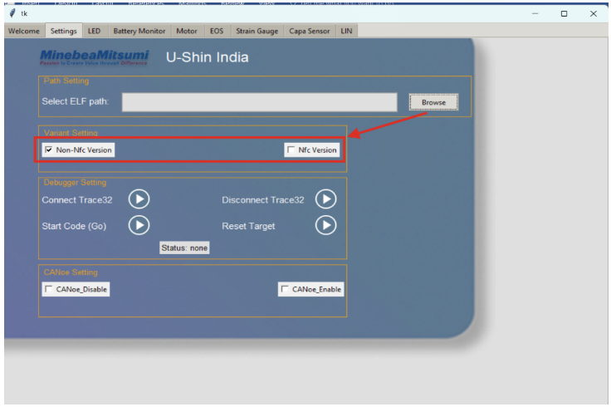
3. Select Handle Variant
Select the variant according to your connected hardware

10. Connect and Start Execution

1. Click “Connect Trace32” and wait for to status to change to "stopped at the breakpoint"
2. Click “Start Code”
3. Verify that the status changes to “Running”
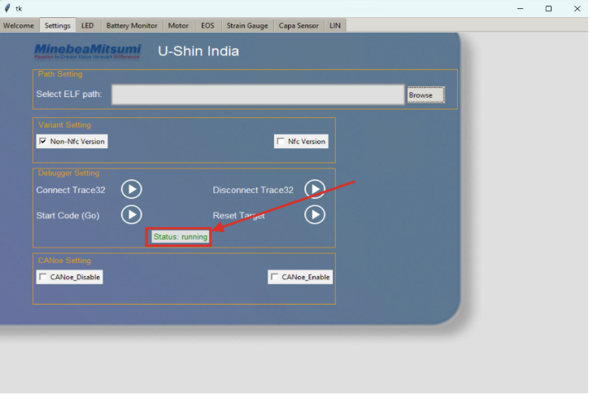

✅ Successful connection confirms that Trace32 and the application are working correctly.

11. Disconnect and Stop execution

1. Before clossing Gui Click "Disconnect Trace32" and wait for stautus to change to "none"
2. Close with X button on GUI
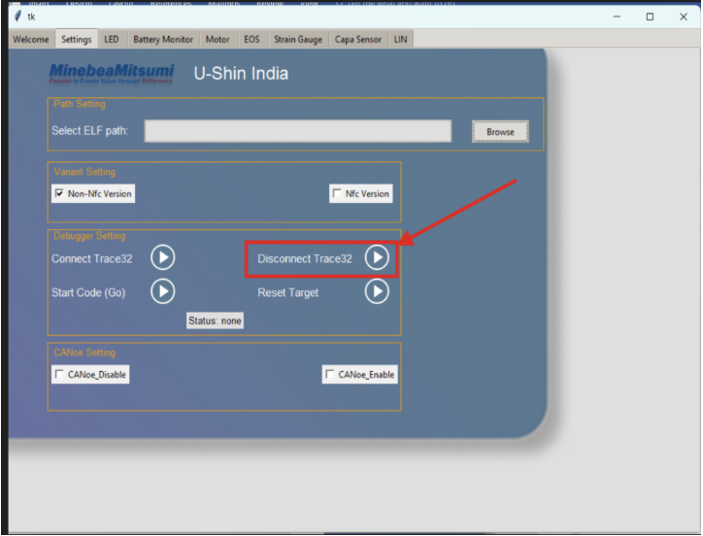

12. Troubleshooting

Ensure Trace32 drivers are correctly installed
Confirm Python is accessible from CMD (python --version)
Verify correct ELF and SmartBU paths

Feb 2022 ver
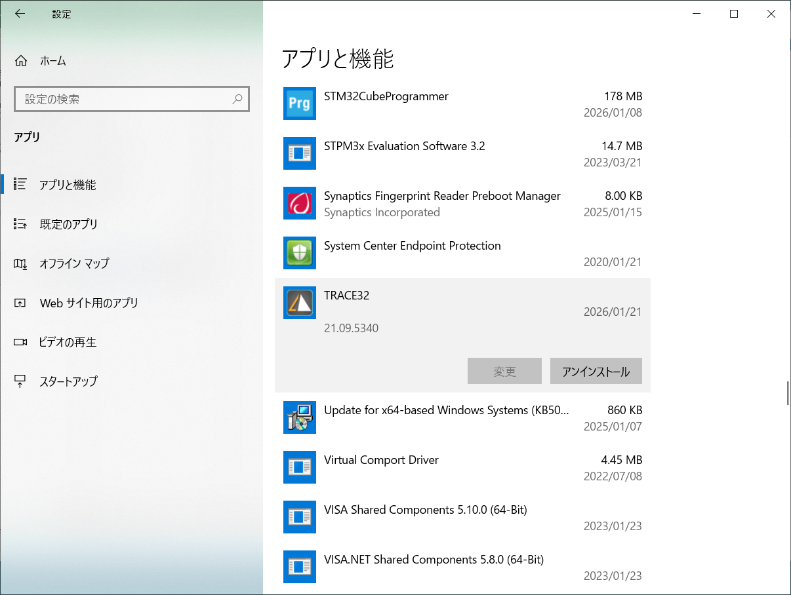
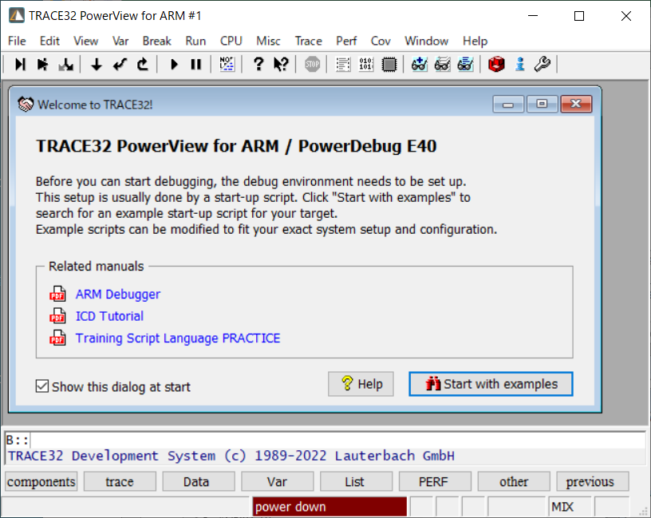
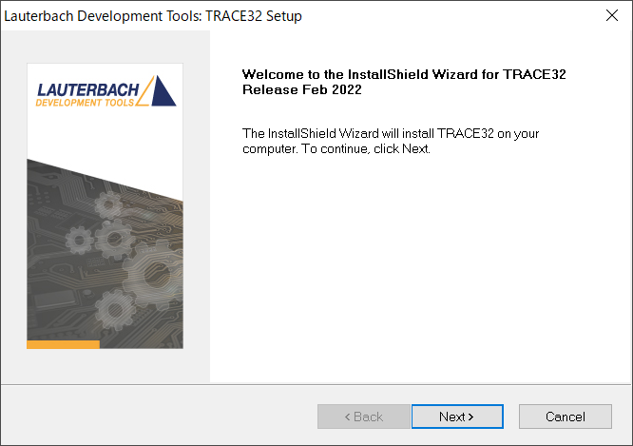
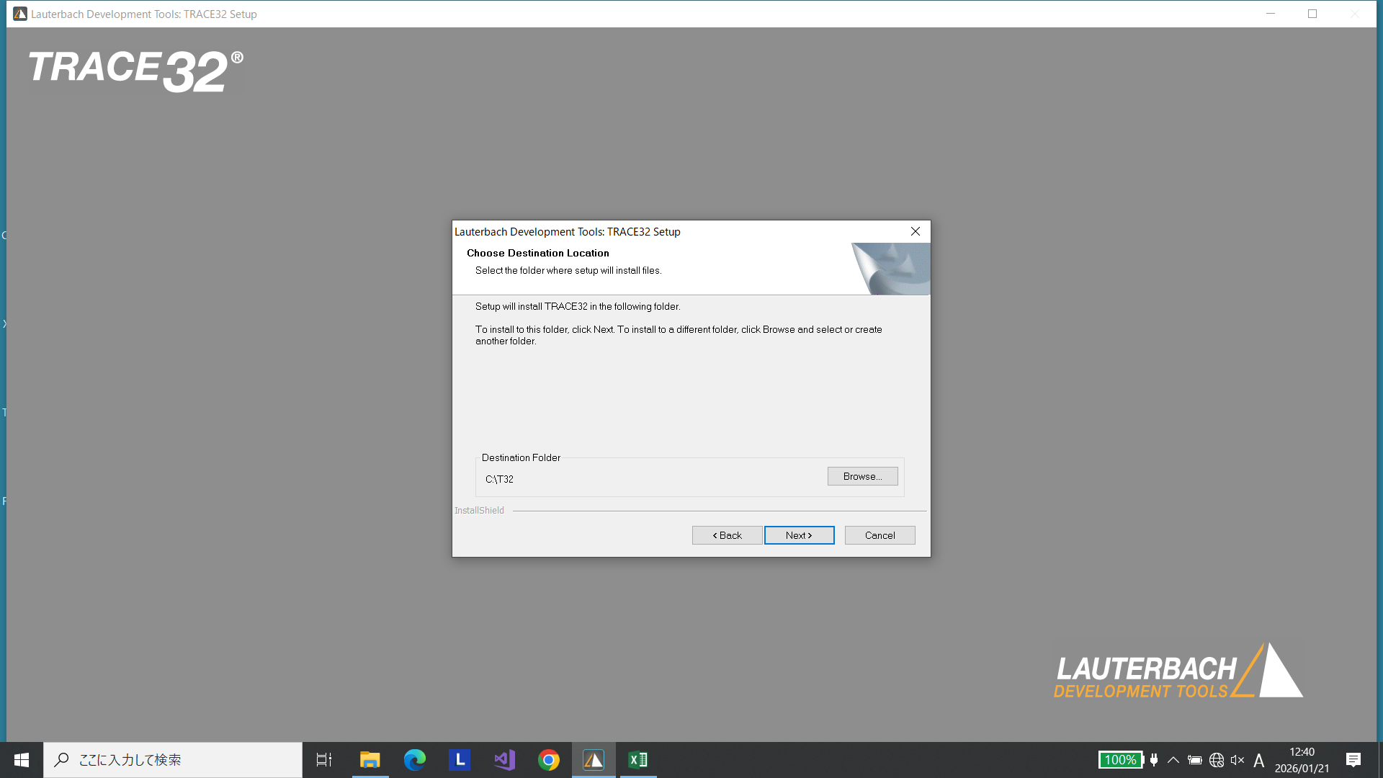

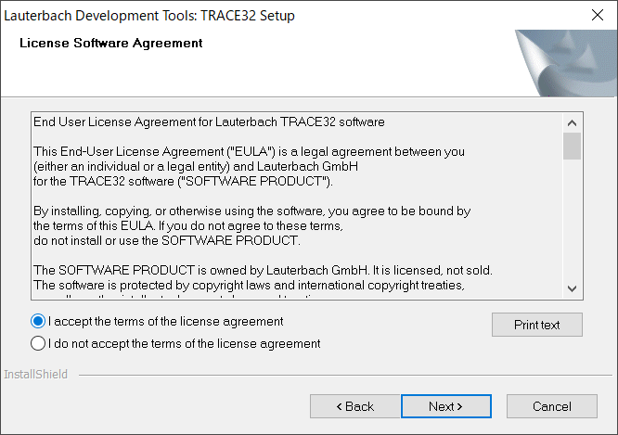

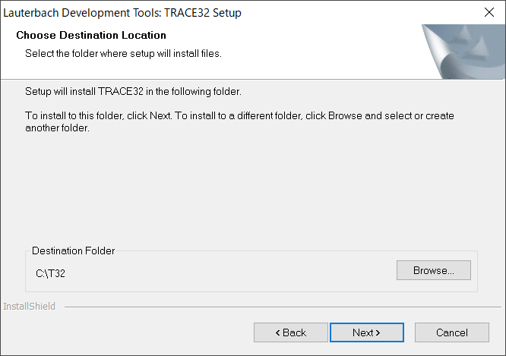

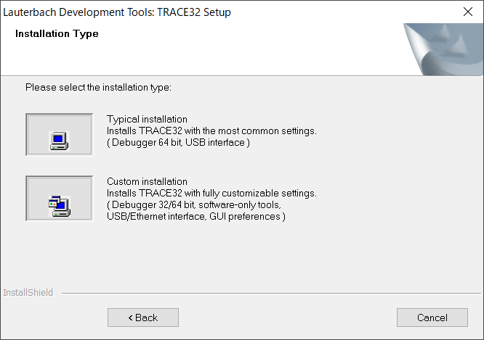

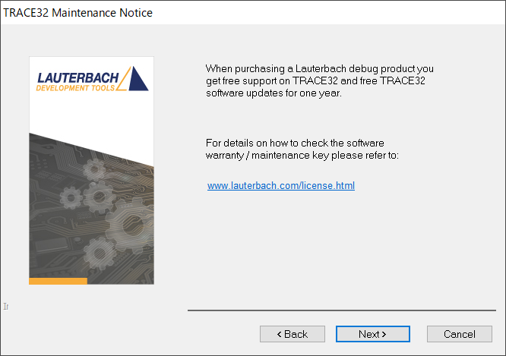

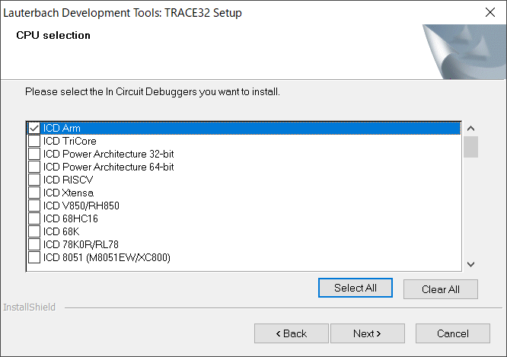

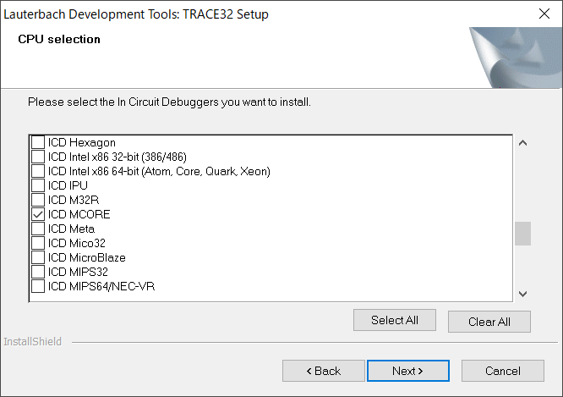

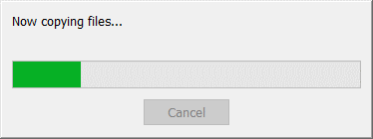
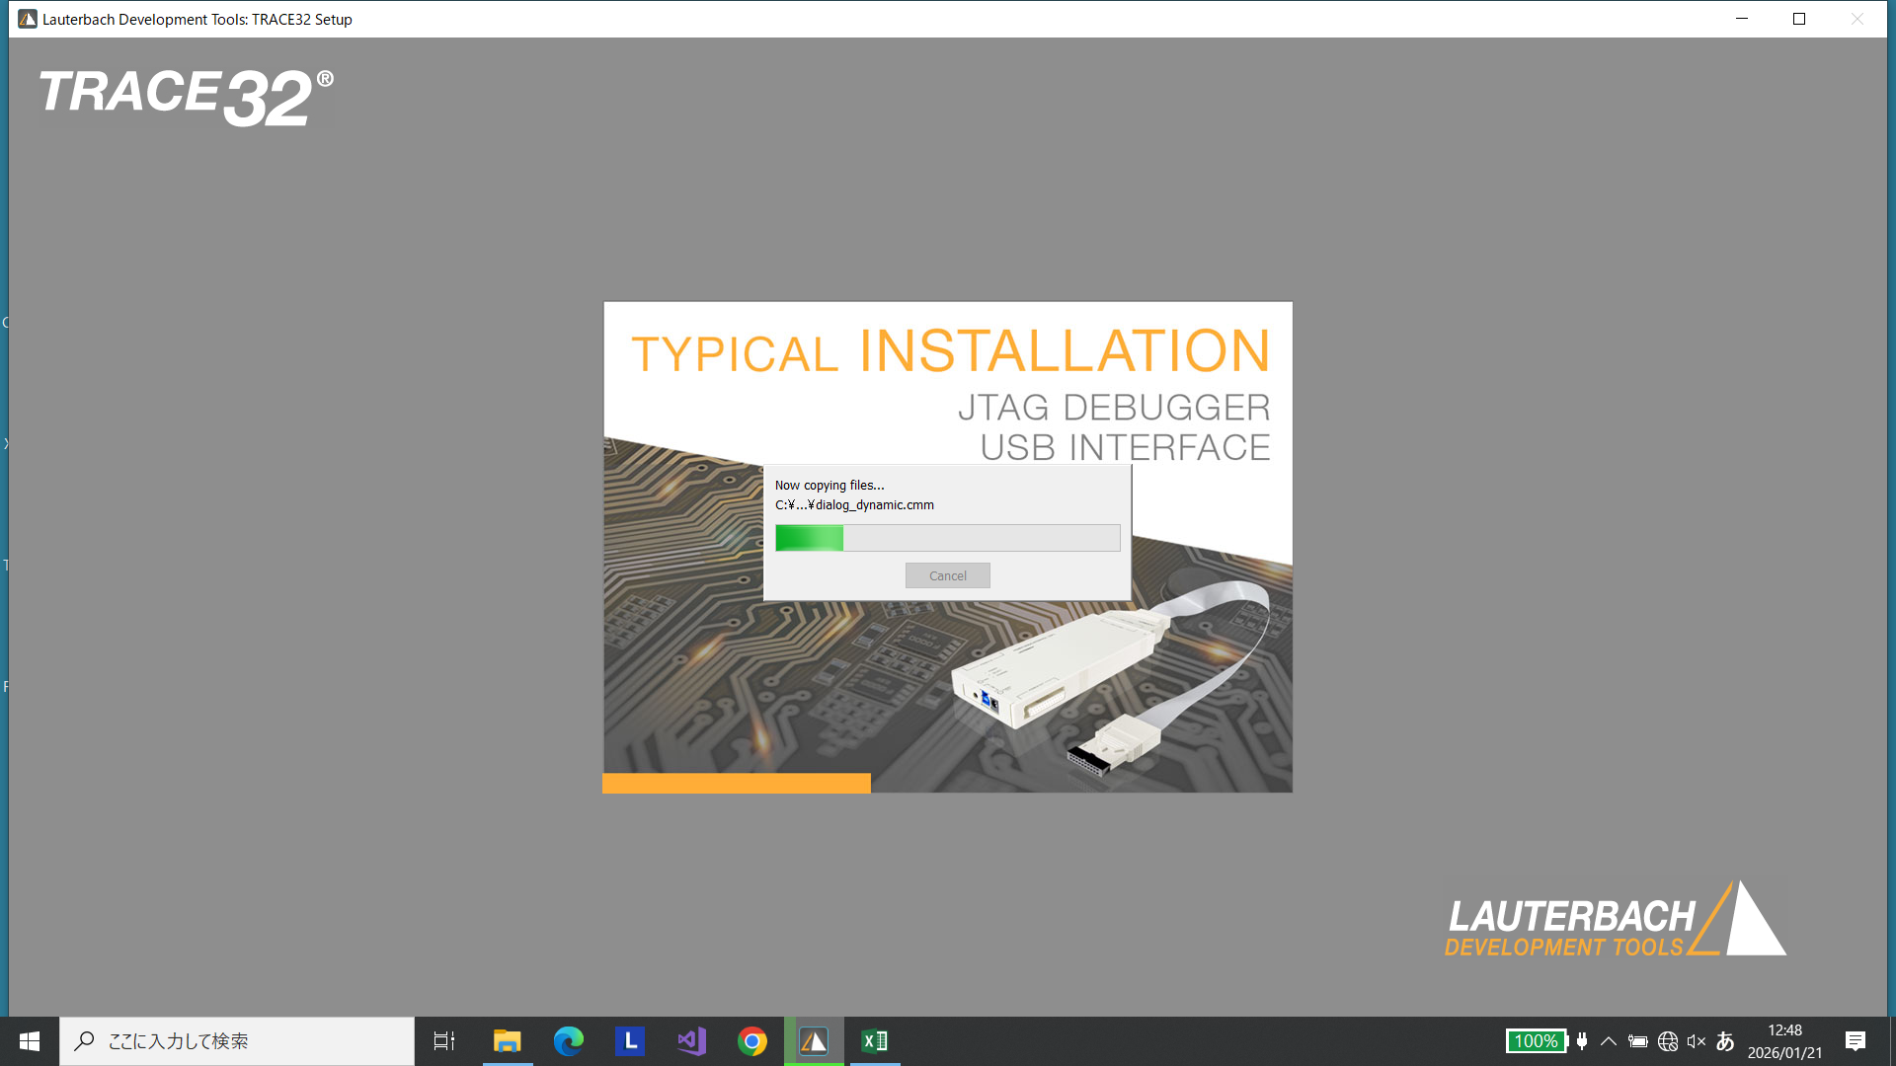

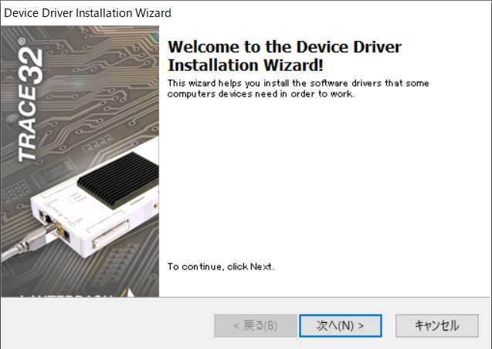

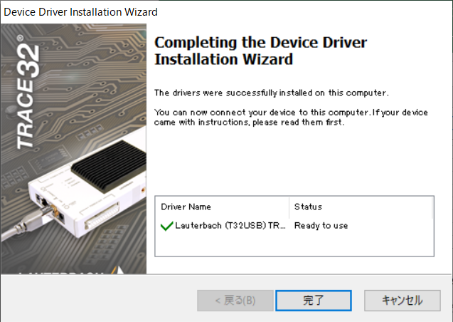

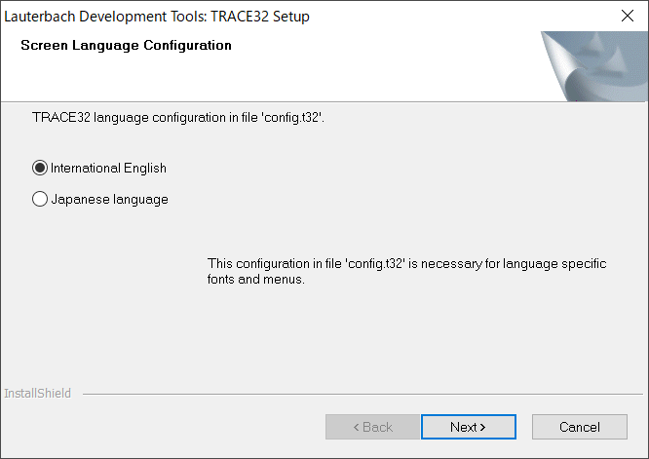

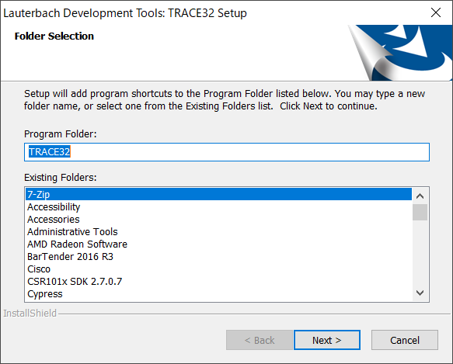
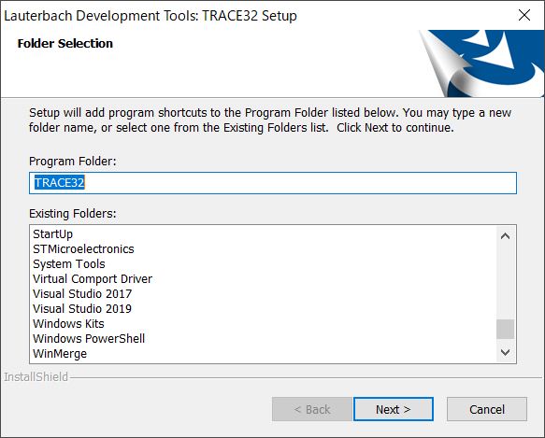

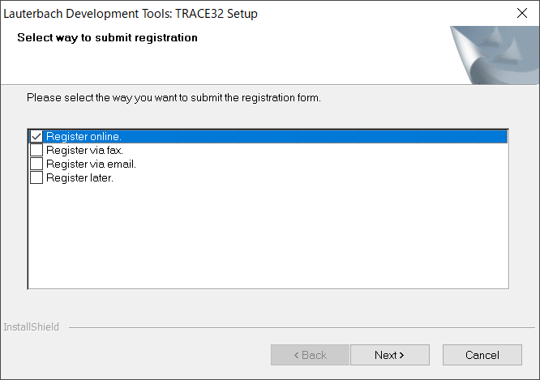
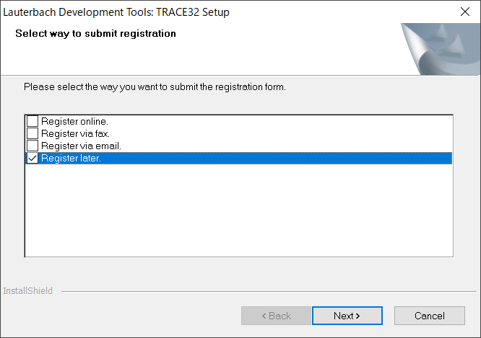

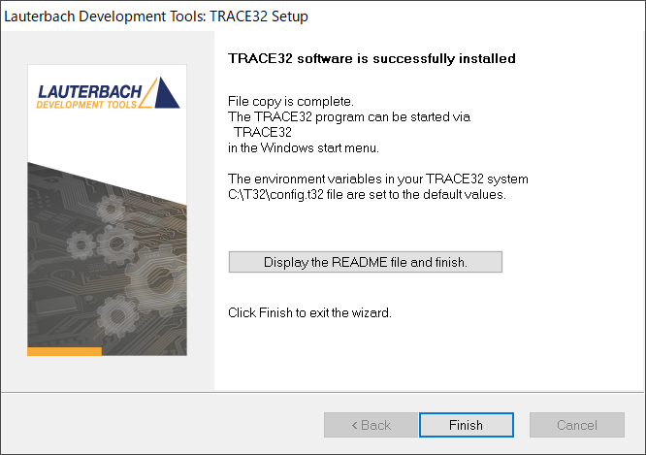
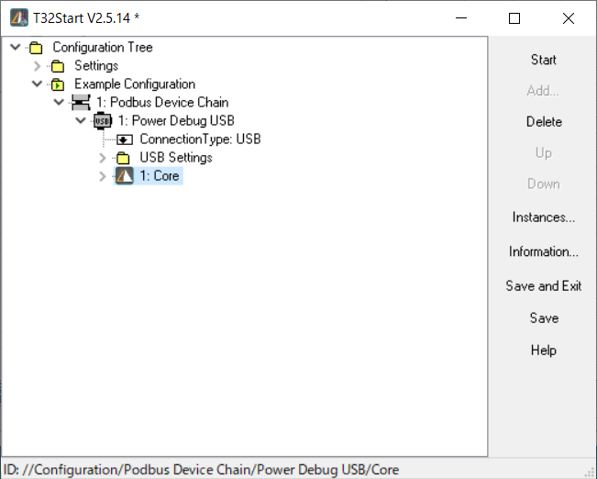

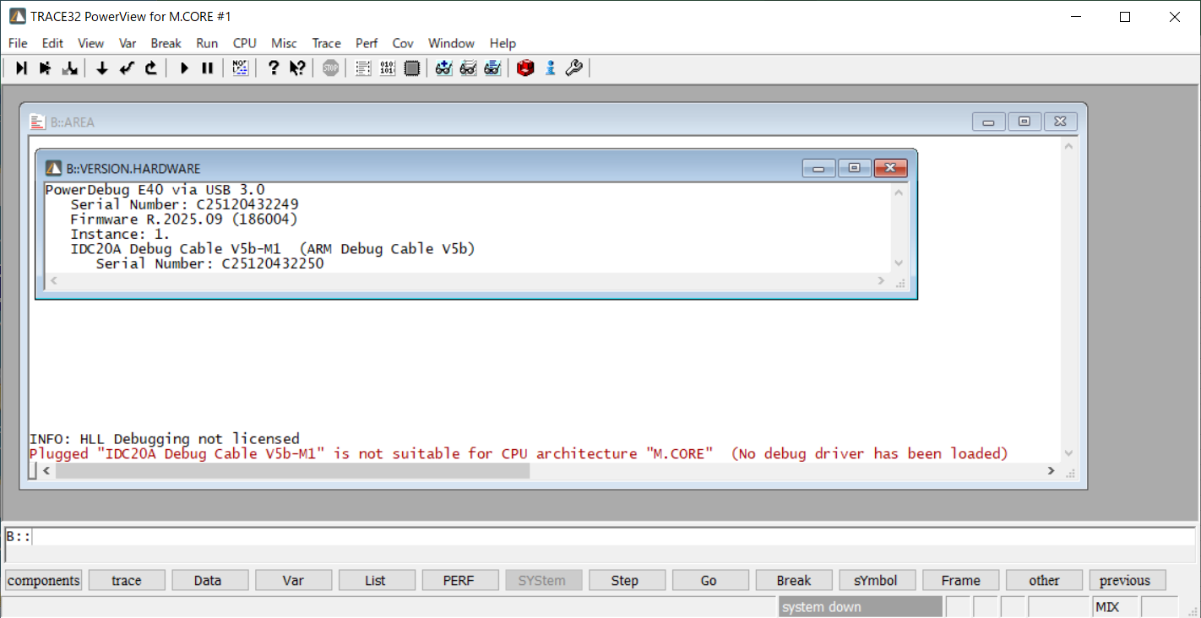
Uninstalll

Python 3.14.2-amd64
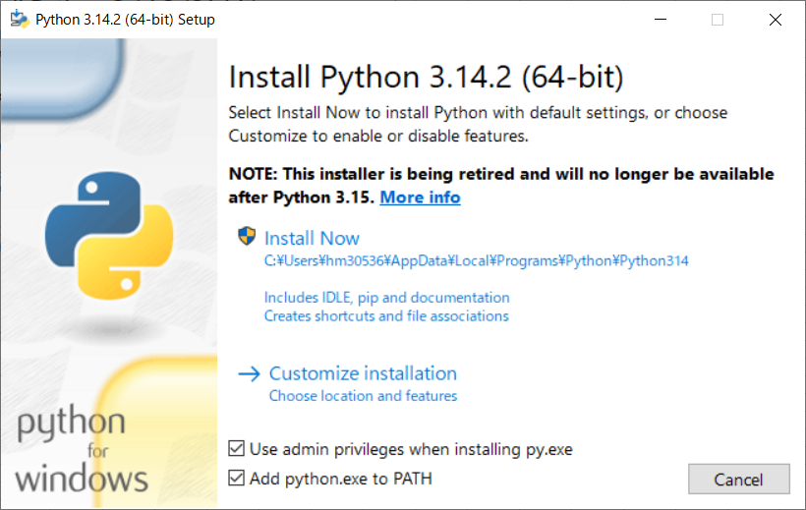
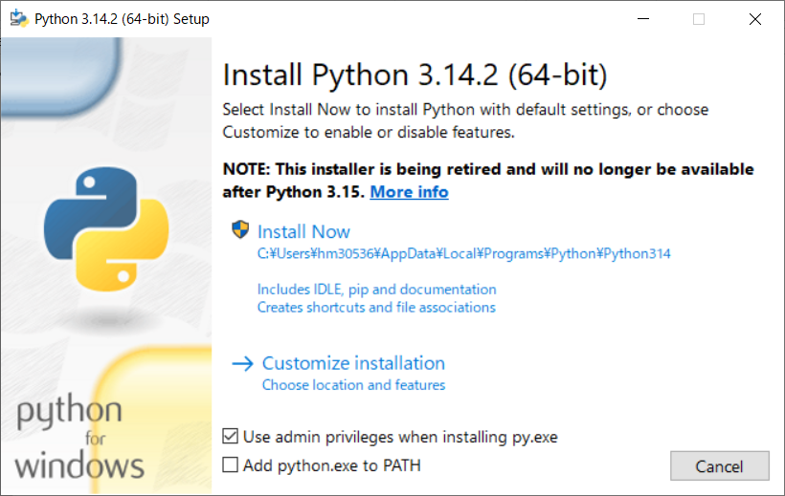

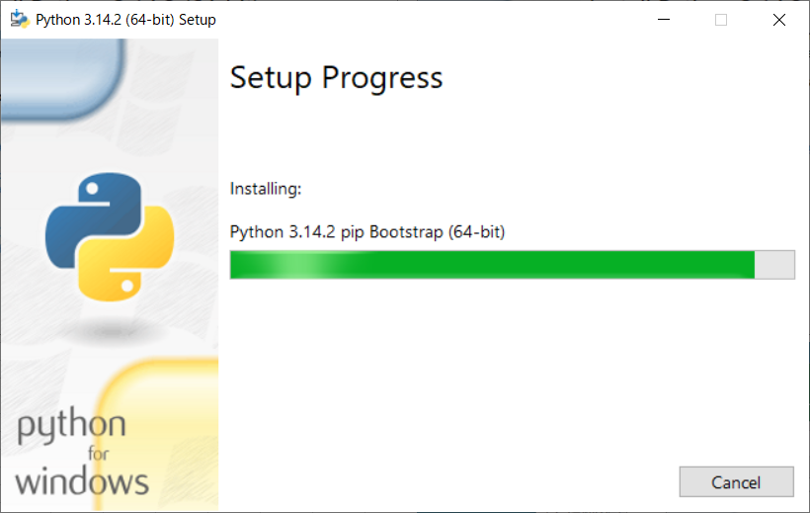
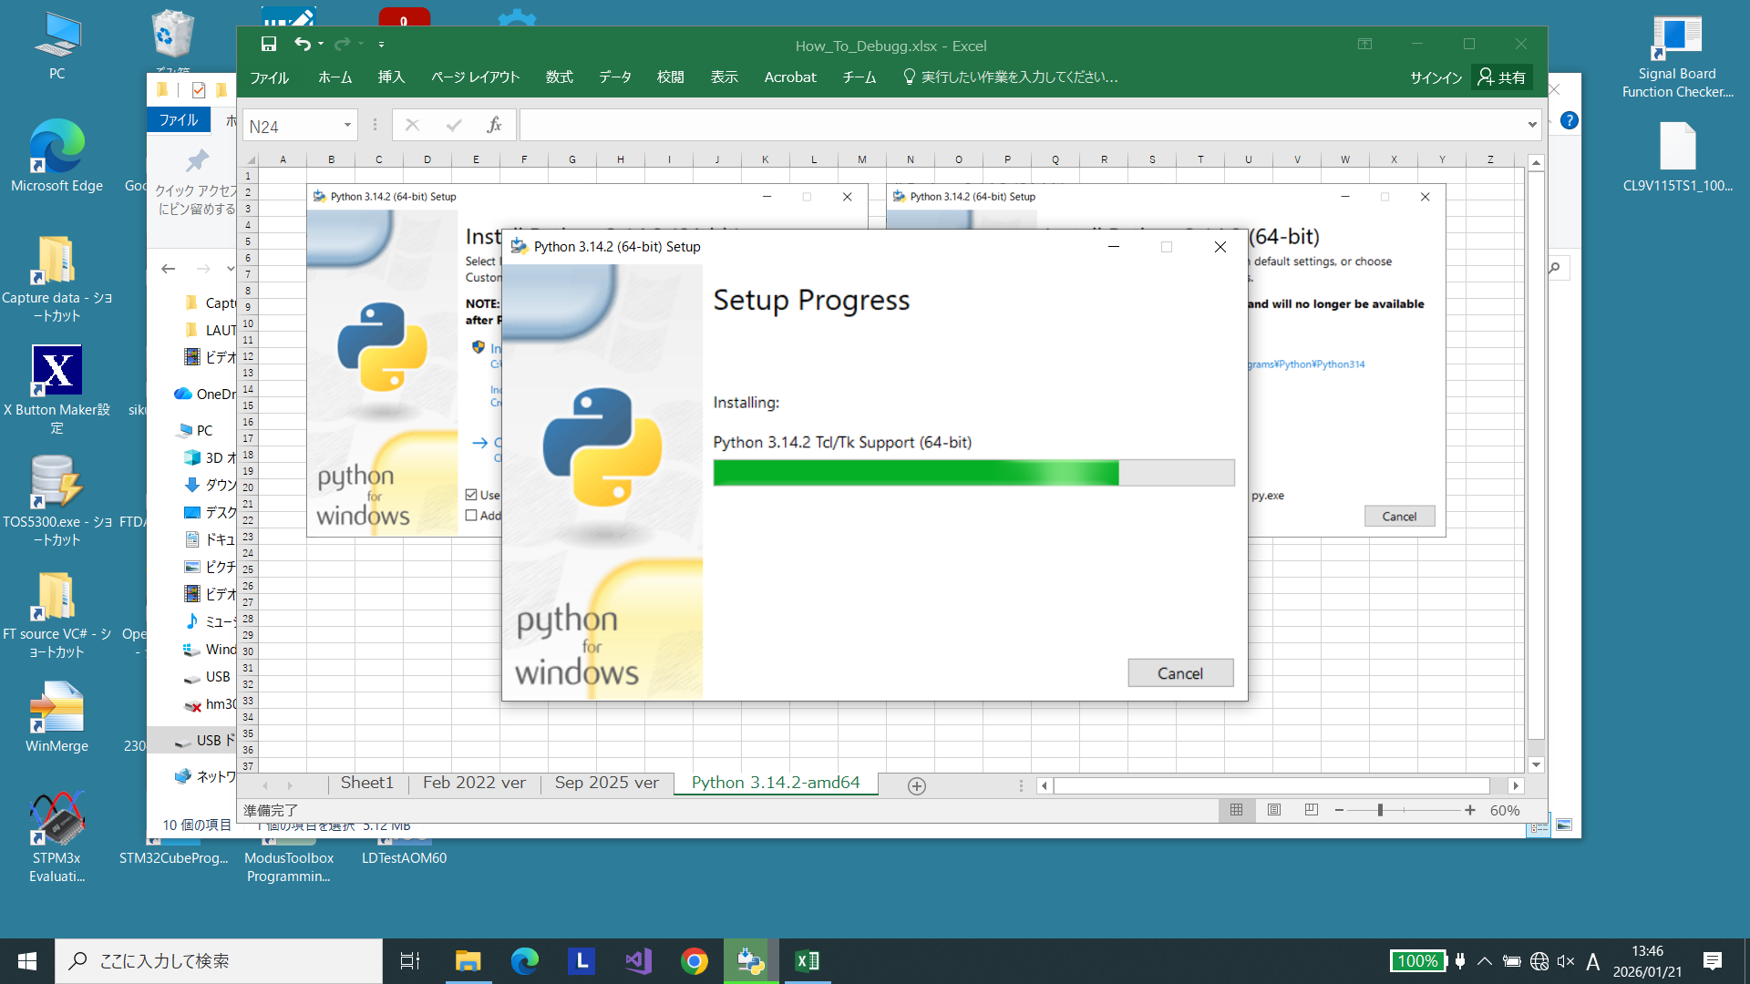

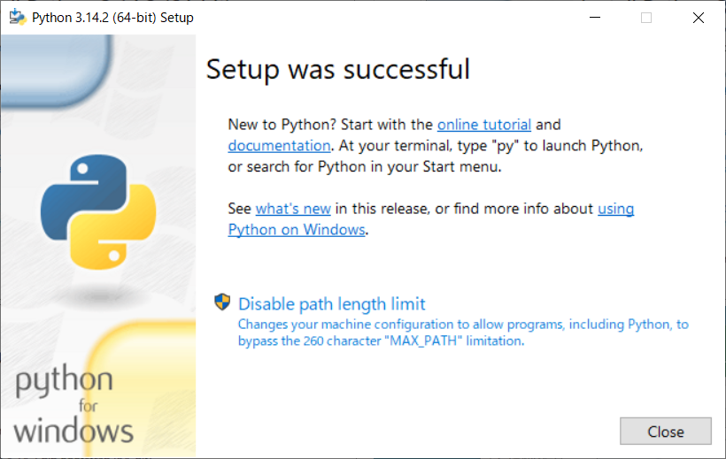

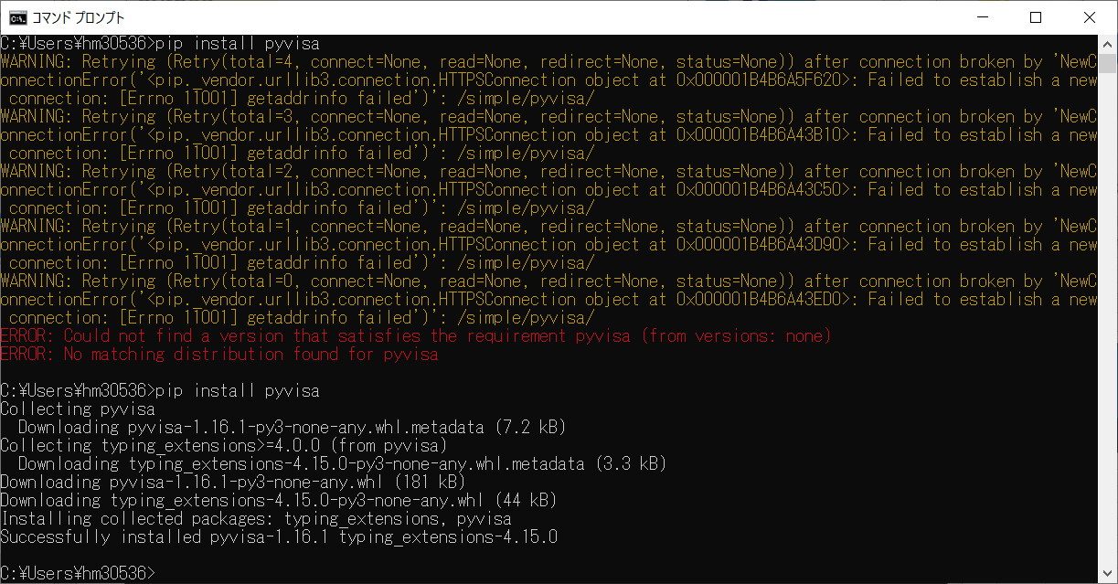

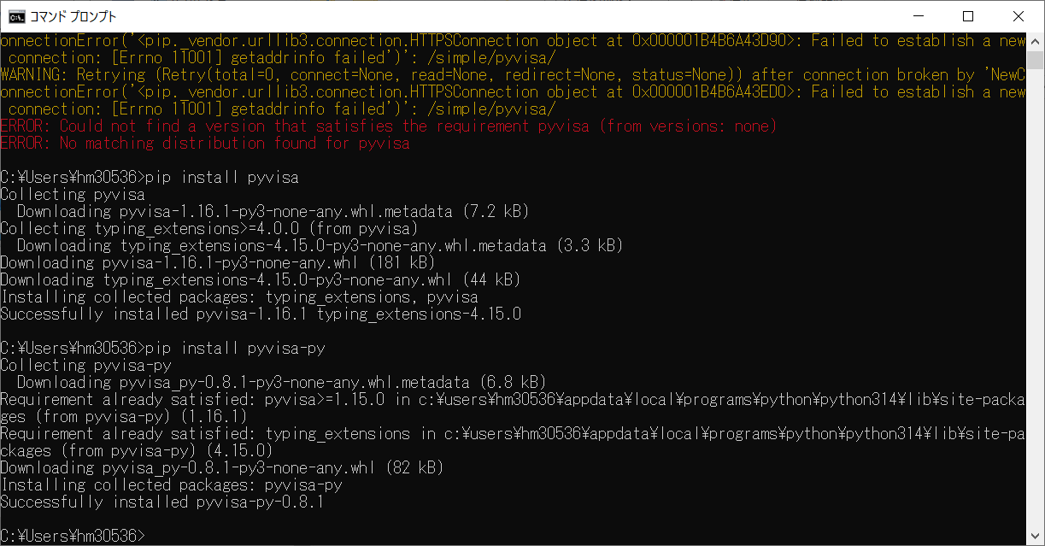

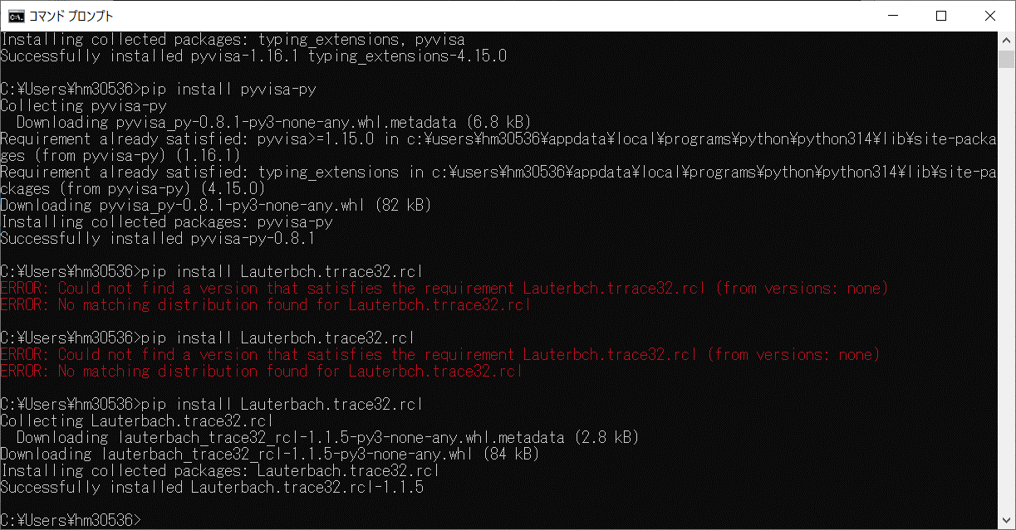

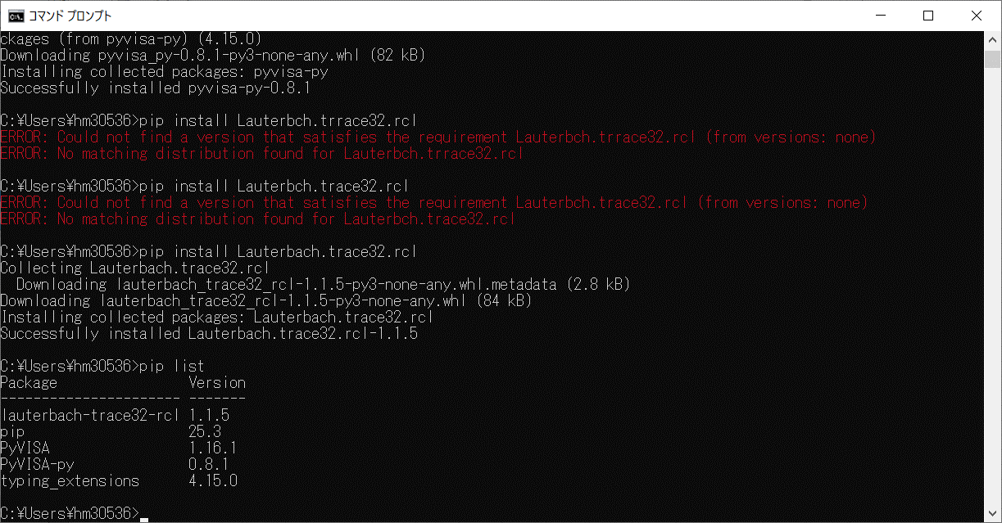

Test GUI
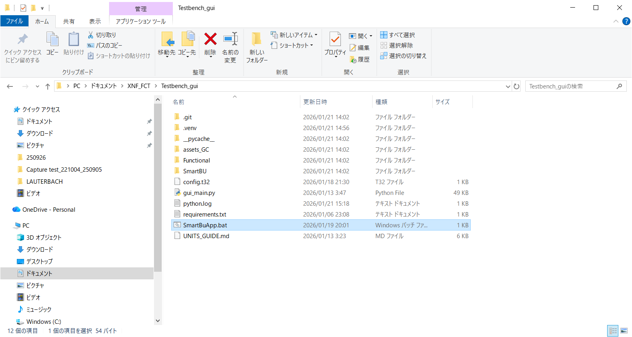



260122JPN
