Introduction
1.0 | Introduction
1.1 | Purpose
 | This Smart BU test Specification document defines the test specification for the [Smart BU] software.
 | It serves as a reference for Client, developers, and testers to ensure alignment on project expectations.

1.2 | Scope
 | Smart BU involves testing the functions controlled by the PSoC using Test Software and Test Firmware via debugger initially and via CAN or LIN communication
 | for mass production testing. Smart BU software will test all four variants of the PCBA according to variant configuration.
 | It serves as a reference for Client, developers, and testers to ensure alignment on project expectations.

1.3 | Audience
 | This document is intended for:
 | S.N. | Project Manager | Software Developer | Software Tester | Client

1.4 | Definitions and Acronyms

2.0 | Overall Description
 | Smart BU software is mainly divided in two parts Test SW which will send the test instruction to PSoC and get the result for the judgement and it is GUI.
 | Second part is Test Firmware which written on the PSoC and should respond to commands via debugger or CAN/LIN. Both parts share same functionalities which
 | are listed in chapter #2.1
2.1 | Product Functions
 | Smart BU software will perform major functions as listed below:
 | 01. Voltage check
 | 02. LED test
 | 03. BATT monitor
 | 04. MOTOR test
 | 05. EOS test
 | 06. SG test
 | 07. Cap Sensor test
 | 08. NFC test
 | 09. CAN test
 | 10. LIN test

2.2 | Operating Environment
 | 2.2.1 | Operating Temperature
 |  | Operating temperature range for electronics is -40°C and +105°C
 |  | Operating temperature range for actuator is -40°C and +85°C

 |  | Hardware Block Diagram
 |  | The below block diagram shows the major components involved in the door handle installed on the driver side (with NFC, CAN & LIN communication):

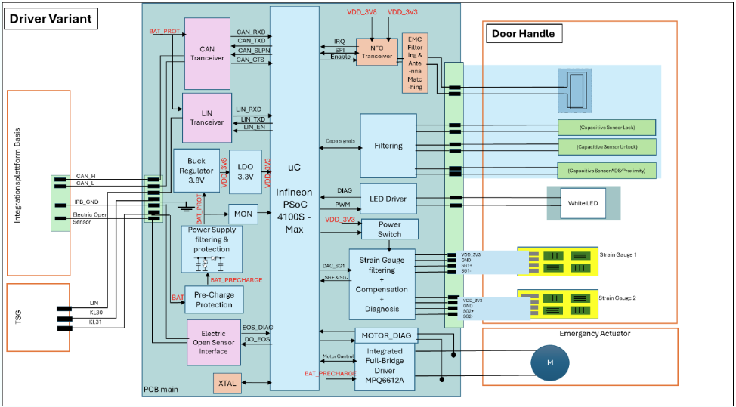

 |  | The below block diagram shows the major components involved in the door handle installed on passenger side (without NFC and only LIN communication):

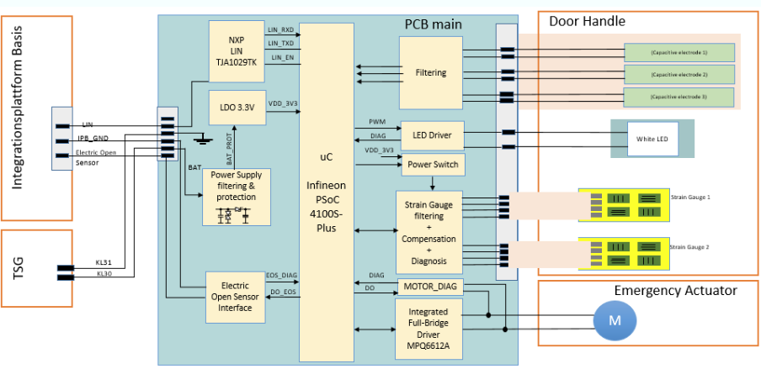

3.0 | Functional Requirements
3.1 | User Requirements
 | User requirements are listed out in chapter #2.1 and described in seprate sheets.

4.0 | Non-Functional Requirements
4.1 | Performance Requirements
 | Specific performance metrics, such as response time or load capacity.

 | 4.1.1 | CAN Interface

 | 4.1.2 | LIN Interface

 | 4.1.3 | EOS Interfaces

 | 4.1.4 | External Interfaces
 |  | PSoC shall have interface for power supply to drive the hardware and motor control interface.

6.0 | References

7.0 | Supporting Documents

Test Equipment
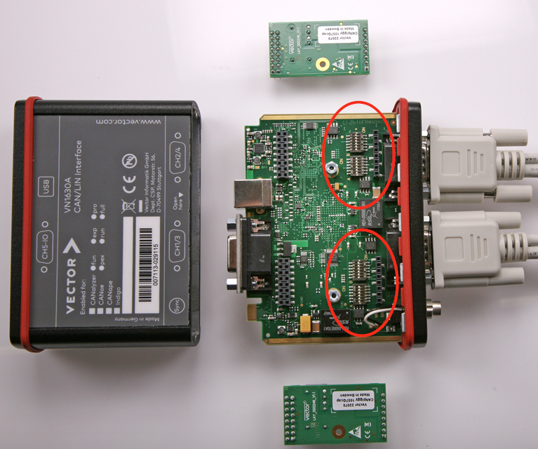
Tool Type |  | Overview |  | Usage | Version

Power Supply |  | 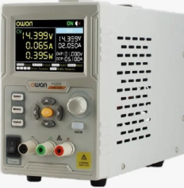 |  | Power supply to PSoC

CANoe |  | 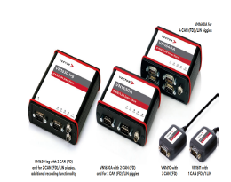 |  | Communication protocol over CAN and LIN | CANoe 18

Lauterbach Trace 32 |  | 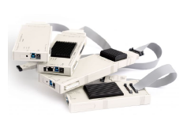 |  | - SW Flashing - Code Debugging Should be auto installed after Step 6 | 2024.06.000169926-1, Package version on GitHub

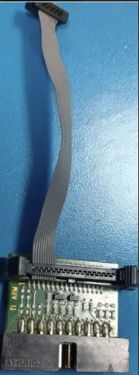
Trace 32 connector with JTAG |  |  |  | 34 to 19 Pin converter connector

Oscilloscope |  | 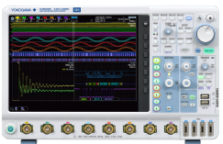 |  | - SW Flashing - Code Debugging

Digital Multimeter |  | 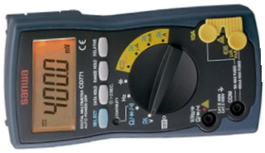 |  | - Measure voltage, current , resistance

Current Probe |  |  |  | - Use lower cable length to reduce ground loop

Git |  |  |  | https://github.com/git-for-windows/git/releases/download/v2.51.0.windows.1/Git-2.51.0-64-bit.exe

Python |  |  |  | https://www.python.org/ftp/python/3.13.7/python-3.13.7-amd64.exe

VS Code |  |  |  | https://code.visualstudio.com/download

Compiler |  | 

Installation Steps for Conan 2

Step 1 | Installation |  | Run pip install "conan>2" from command prompt

Step 2 | Initial Setup |  | Run the following command in command prompt: conan config install https://github.ev.minebea.local/MAS-Europe/conan-config --type git

Step 3 | Login |  | The login to the MTCE artifactory (JFrog) is requested the first time you access the artifactory with any conan command. The login is cached and has to be renewed from time to time. The login can be renewed manually using the following command: conan remote login mae-sw-toolchain <username> -p <password>

Common Project Setup [Prerequirements (Git, VS Code, Conan2)]

Step 4 | Clone the repository |  | Use the following command to clone the repository and to create your local working copy: git clone --recurse-submodules <url>

Step 5 | Clone submodules |  | Use the following command to initialize and update submodules to the correct version: git submodule update --init --recursive --force --progress

Step 6 | Conan setup |  | From command line: mkdir build conan install . --output-folder install cd build

Step 7 | Activating the toolchain |  | Activating the Conan toolchain is always required to execute any CMake/CTests commands or any project specific tools. From command line: call build\conanbuild.bat

Step 8 | List all presets of the project |  | CMake presets are preconfigured variants of the project. Each project comes with a set of presets, the developer can select from. To list the available presets from command line, use: cmake <path/to/project/root> --list-presets

Step 9 | Configure the project |  | The CMake configure step is executed from command line using: cmake <path/to/project/root> --preset <preset name> The configure step needs to be executed only once for each preset. CMake will automatically reconfigure the project if required.

Step 10 | Build the project |  | From command line: cmake --build <path/to/project/root> --preset <preset name>

Hardware Test Setup
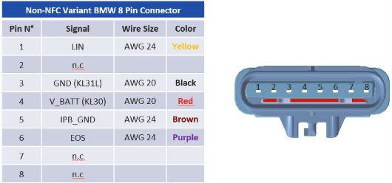
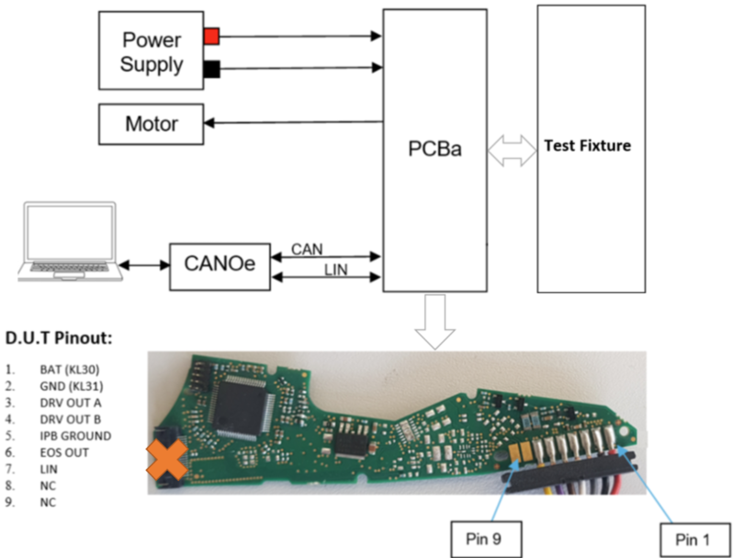
Test Setup

1. Test Circuit NFC varient
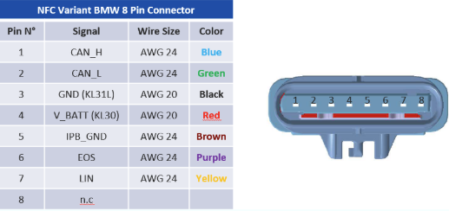

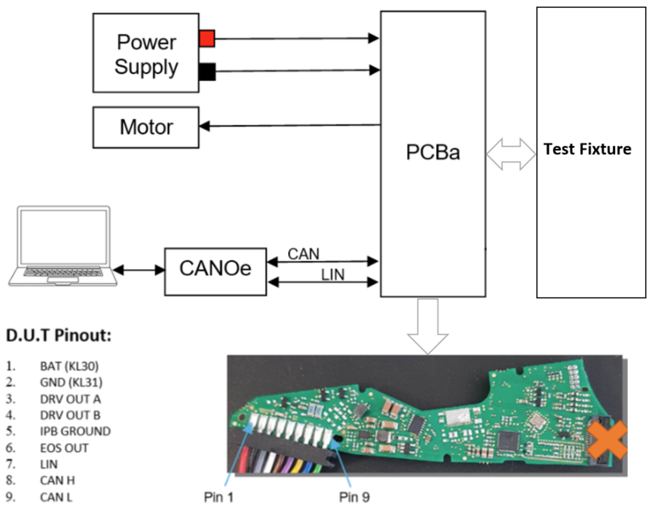

2. Test Circuit Non-NFC varient

01. Voltage Check
1. Introduction

 | Verify ouptut Voltage of Buck Regulator is 3.8V at supply voltage of 9V , 13.5V and 16V

2. Circuit Design

 | 2.1 Non Driver

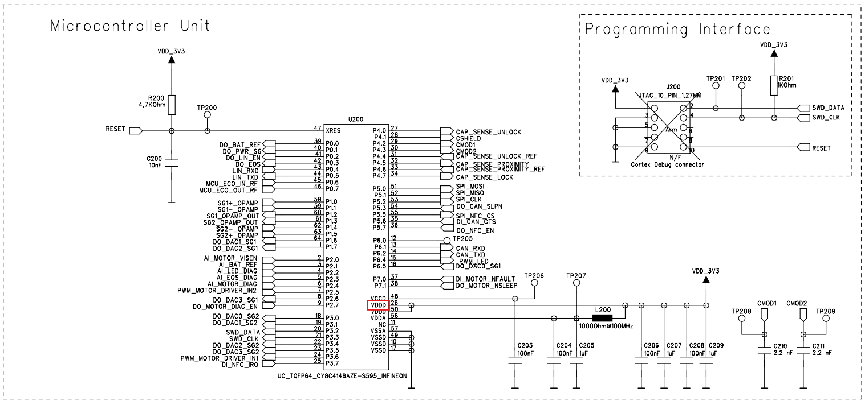

 | 2.2 Driver

3. Operating Voltage

 | 3.1 | Nominal operating voltage
 |  | Description |  |  | Value
 |  | Nominal operating voltage |  |  | 12 V

 | 3.2 | Minimum continuous input voltage
 |  | Description |  |  | Value
 |  | Vbat min |  |  | 9 V

 | 3.3 | Maximum continuous input voltage
 |  | Description |  |  | Value
 |  | Vbat max |  |  | 16 V

4. Inputs

 |  | Signal Name | TP | Description
 |  | No inputs is used

5. Outputs

 |  | Signal Name | TP | Description
 |  | No outputs used

6. Specification

 | 6.1 Voltage Regulator Driver(No Firmware)
 | SWRS_ID |  | Description |  |  | Verification Criteria | Varient
 | SWRS_01_01 |  | When the supply voltage V_KL30 of 8 V, 12 V, or 16 V is applied to the PCB, the buck regulator shall generate an output voltage of 3.8 V (VDD_3V8). This 3.8 V output shall be used as the input for both the NFC transceiver and the linear voltage regulator (LDO). The LDO shall then provide a regulated output voltage of 3.3 V (VDD_3V3). |  |  | Measure the output voltage at TP127 (VDD_3V8). It shall be 3.8 V ± 0.1 V. Measure the output voltage at TP113 (VDD_3V3). It shall be 3.3 V ± 0.1 V. | NFC_Driver

 | 6.2 Voltage Regulator Driver(No Firmware)
 | SWRS_ID |  | Description |  |  | Verification Criteria | Varient
 | SWRS_01_02 |  | When the supply voltage V_KL30 of 8 V, 12 V, or 16 V is applied to the PCB, the power supply circuit shall provide a 3.3 V (VDD_3V3) input to the microcontroller and other logic circuits. |  |  | Measure the output voltage at TP113 (VDD_3V3). It shall be 3.3 V ± 0.1 V. | NFC_NonDriver

02. LED test
1. Introduction

 | Verify ouptut Voltage of Buck Regulator is 3.8V at supply voltage of 9V , 13.5V and 16V

2. Circuit Design

 | 2.1 All Variants

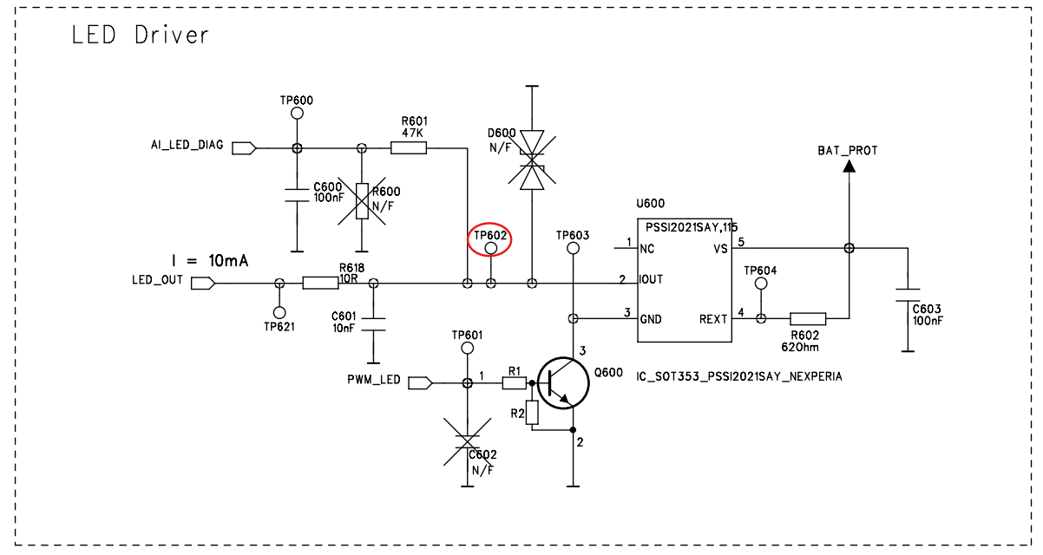
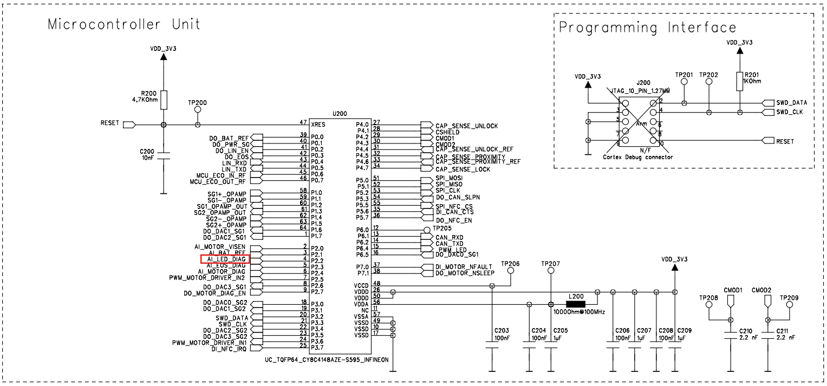

3. Operating Voltage

 | 3.1 Nominal operating voltage
 | Description | Value
 | Nominal operating voltage | 12 V

 | 3.2 Minimum continuous input voltage
 | Description | Value
 | Vbat min | 9 V

 | 3.3 Maximum continuous input voltage
 | Description | Value
 | Vbat max | 16 V

4. Inputs

 | 4.1 All Variants

 | CB Name | Signal Name | TP | Description | Used as | Initialising state | Active state | Inactive state | Sleep Mode state | Active Mode | Signal type | HW label / Pin | Default state | Values
 | VAR_EXT_OUT_LED_PWM | PWM_LED | TP601 | PWM output for LED | PWM | 0 | PWM | High-Z | High-Z |  | PWM | Pin 6 -> P6.0 | N/A | 0x0 to 0x745

5. Outputs

 | 5.1 All Variants

 | CB Name | Signal Name | TP | Description | Used as | Initialising state | Active state | Inactive state | Sleep Mode state | Active Mode | Signal type | HW label / Pin | Default state | Values
 | VAR_EXT_IN_LED_DIAGNOSTIC | AI_LED_DIAG | TP602 | Analog input LED Diagnose | ADC | High-Z | Analog in | High-Z | High-Z |  | Analog IN | Pin 2 -> P2.2 | N/A | 0x0 to 0x745

6. Specification

 | 6.1 Measure LED maximum current limit
 | SWRS_ID |  | Description |  |  |  |  |  |  | Verification Criteria |  |  |  | Varient
 | SWRS_02_01 |  | When V_KL30 = 12 V ± 0.1 V is applied to the PCB and the LED ON command is sent (from the CANoe LED panel), the LED_OUT (TP602) pin shall be connected to an LED and then to ground (KL31). Under these conditions, when the PWM_LED signal is set to maximum duty cycle, the LED driver shall operate as follows: Expected Results: LED_OUT current: 10 mA ± 2.5% Voltage at TP602: 2.76 V to 3.83 V |  |  |  |  |  |  | Measured current at LED_OUT which must be within [9.75 mA, 10.25 mA] Measured voltage at TP602 which must be within [2.76 V, 3.83 V] |  |  |  | All Variants

 | 6.2 Measure LED minimum current limit
 | SWRS_ID |  | Description |  |  |  |  |  |  | Verification Criteria |  |  |  | Varient
 | SWRS_02_02 |  | When V_KL30 = 12 V ± 0.1 V is applied to the PCB and the LED OFF command is sent (from the CANoe LED panel), the LED_OUT (TP602) pin shall be connected to an LED and then to ground (KL31) in a short-circuit configuration. Under these conditions, when the PWM_LED signal is set to minimum duty cycle, the LED driver shall operate as follows: Expected Results: LED_OUT current: 0 mA ± 2.5% Voltage at TP602: 0.25 V to 0.27 V |  |  |  |  |  |  | Measured current at LED_OUT which must be within [0 mA, 0.025 mA] Measured voltage at TP602 which must be within [0.25 V, 0.27 V] |  |  |  | All Variants

 | 6.3 LED Diagnostic (Short circuit)
 | SWRS_ID |  | Description |  |  |  |  |  |  | Verification Criteria |  |  |  | Varient
 | SWRS_02_03 |  | When V_KL30 = 12 V ± 0.1 V is applied to the PCB and the LED ON command is activated via the CANoe LED Panel, the LED shall be shorted (LED_OUT connected to GND). Under these conditions, when the PWM_LED signal is set to maximum duty cycle, the LED driver output shall meet the following criteria: Expected Results: Voltage at TP602: 2.76 V to 3.83 V |  |  |  |  |  |  | The measured voltage at TP602 shall be within the range of 2.76 V to 3.83 V |  |  |  | All Variants

 | 6.4 LED Diagnostic (Open circuit)
 | SWRS_ID |  | Description |  |  |  |  |  |  | Verification Criteria |  |  |  | Varient
 | SWRS_02_04 |  | When V_KL30 = 12 V ± 0.1 V is applied to the PCB and the LED ON command is activated via the CANoe LED Panel, with no LED connected to the LED_OUT (TP602) pin, and the PWM_LED signal set to maximum duty cycle, the LED driver output shall meet the following condition: Expected Results: Voltage at TP602: 2.76 V to 3.83 V |  |  |  |  |  |  | The measured voltage at TP602 shall be within the range of 2.76 V to 3.83 V |  |  |  | All Variants

03. BATT monitor
1. Introduction

 | Verify that micro-controller read the correct battery voltage

2. Circuit Design

 | 2.1 All Variants

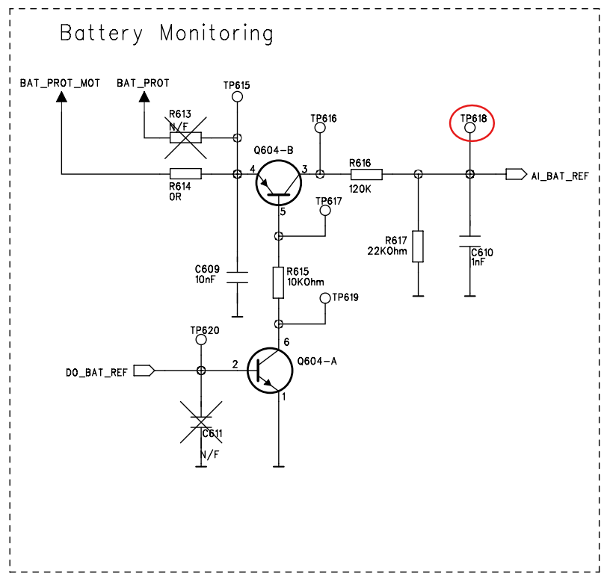
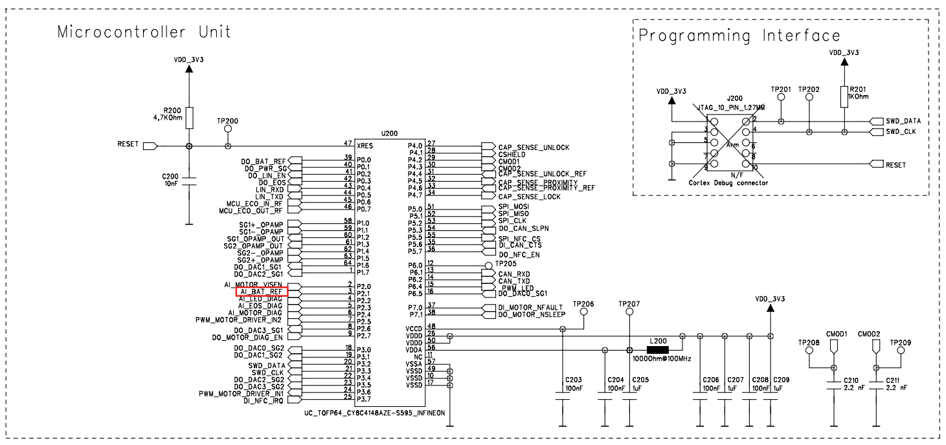

3. Operating Voltage

 | 3.1 Nominal operating voltage
 | Description | Value
 | Nominal operating voltage | 12 V

 | 3.2 Minimum continuous input voltage
 | Description | Value
 | Vbat min | 9 V

 | 3.3 Maximum continuous input voltage
 | Description | Value
 | Vbat max | 16 V

4. Inputs

 | 4.1 All Variants

 | CB Name | Signal Name | TP | Description | Used as | Initialising state | Active state | Inactive state | Sleep Mode state | Active Mode | Signal type | HW label / Pin | Default state | Values
 | VAR_EXT_OUT_ENABLE_VBAT_MONITORING | DO_BAT_REF | TP620 | enable Battery monitoring | GPIO | 0 | 1 | 0 | polling | ACTIVE HIGH | GPIO | Pin 0 -> P0.0 | N/A | 0 or 1

5. Outputs

 | 5.1 All Variants

 | CB Name | Signal Name | TP | Description | Used as | Initialising state | Active state | Inactive state | Sleep Mode state | Active Mode | Signal type | HW label / Pin | Default state | Values
 | VAR_EXT_IN_VBAT_VOLTAGE | AI_BAT_REF | TP618 | Anlaog input main battery voltage | ADC | High-Z | Analog in | High-Z | High-Z |  | Analog IN | Pin 2 -> P2.1 | N/A | 0x0 to 0x745

6. Specification

 | 6.1 VBAT(8V) Measurement
 | SWRS_ID |  | Description |  |  |  |  |  |  | Verification Criteria |  |  |  | Varient | Remark
 | SWRS_03_01 |  | When V_KL30 (8V ± 0,1V) is applied on PCB. Then Voltage at TP618(AI_BAT_REF) is between 1.10V and 1.16V |  |  |  |  |  |  | Measured voltage at TP618 which must be within [1.10V and 1.16V] |  |  |  | All Variants | All input pins are utilized by the software as required and need to be tested manually.

 | 6.2 VBAT(12V) Measurement
 | SWRS_ID |  | Description |  |  |  |  |  |  | Verification Criteria |  |  |  | Varient | Remark
 | SWRS_03_02 |  | When V_KL30 (12V ± 0,1V) is applied on PCB. Then Voltage at TP618(AI_BAT_REF) is between 1.81V and 1.89V |  |  |  |  |  |  | Measured voltage at TP618 which must be within [1.81V and 1.89V] |  |  |  | All Variants | All input pins are utilized by the software as required and need to be tested manually.

 | 6.3 VBAT(16V) Measurement
 | SWRS_ID |  | Description |  |  |  |  |  |  | Verification Criteria |  |  |  | Varient | Remark
 | SWRS_03_03 |  | When V_KL30 (16V ± 0,1V) is applied on PCB. Then Voltage at TP618(AI_BAT_REF) is between 1.35V and 1.51V |  |  |  |  |  |  | Measured voltage at TP618 which must be within [1.35V and 1.51V] |  |  |  | All Variants | All input pins are utilized by the software as required and need to be tested manually.

04. MOTOR test
1. Introduction

 | Activate the motor driver at 100% duty cycle in both the directions and measure the output voltage. Also measure the current through a dummy load (order of 2 ohm to 4 ohm)

2. Circuit Design

 | 2.1 All Variants

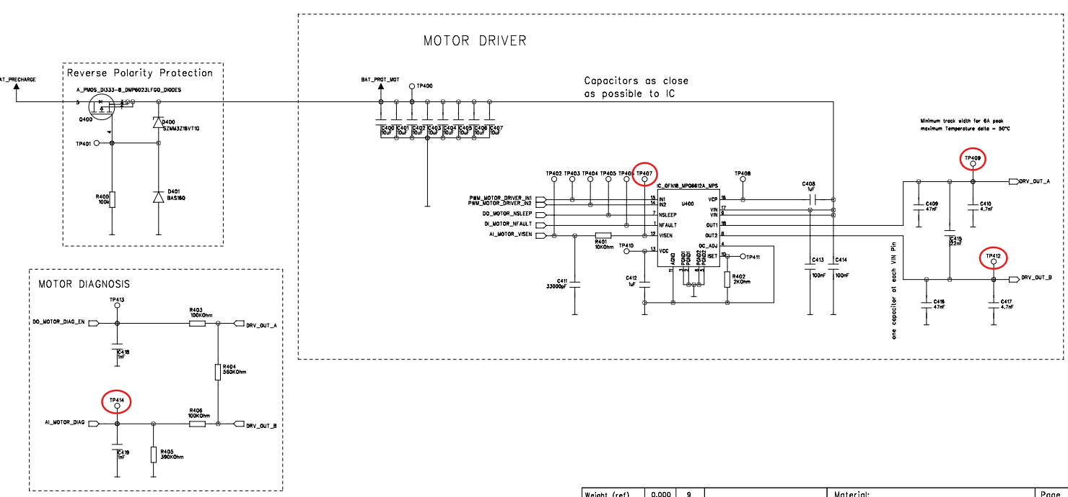
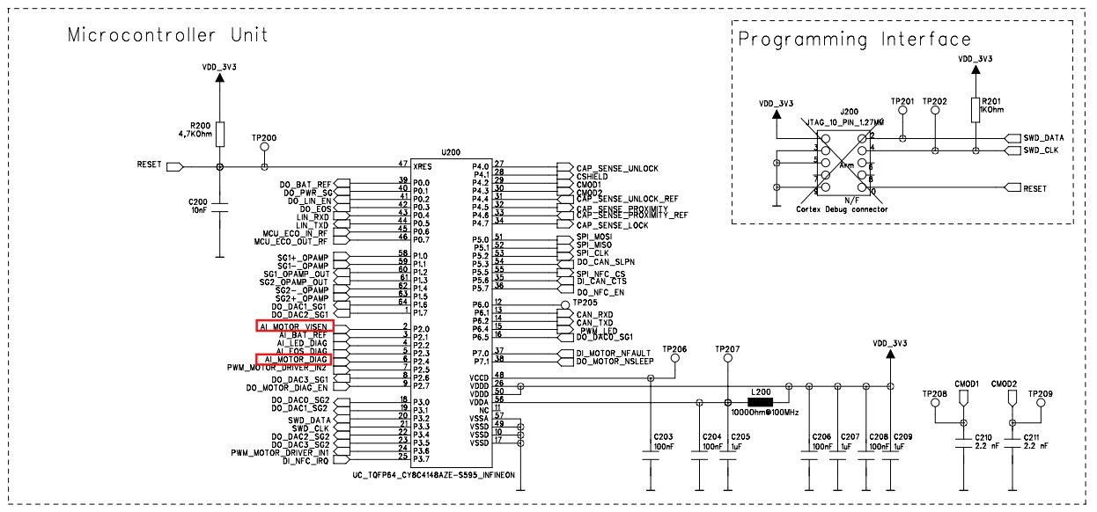

3. Operating Voltage

 | 3.1 Nominal operating voltage
 | Description | Value
 | Nominal operating voltage | 12 V

 | 3.2 Minimum continuous input voltage
 | Description | Value
 | Vbat min | 9 V

 | 3.3 Maximum continuous input voltage
 | Description | Value
 | Vbat max | 16 V

4. Inputs

 | 4.1 All Variants

 | CB Name | Signal Name | TP | Description | Used as | Initialising state | Active state | Inactive state | Sleep Mode state | Active Mode | Signal type | HW label / Pin | Default state | Values
 | VAR_EXT_OUT_PWM_MOTOR_DRIVER_IN2 | PWM_MOTOR_DRIVER_IN2 | TP404 | PWM Output for Motor Control | GPIO | 0 | PWM | High-Z | High-Z |  | Digital OUT (PWM) | Pin 7 -> P2.5 | {COAST}: 0 | {FORWARD / COAST}: 0 {REVERSE / BRAKE}: 1
 | VAR_EXT_OUT_ENABLE_MOTOR_DIAG | DO_MOTOR_DIAG_EN | TP413 | Enable Motor Diagnose | GPIO | High-Z | 1 | 0 | 0 | ACTIVE HIGH | Digital OUT | Pin 9 -> P2.7 | {DISABLE}: 0 | {DISABLE}: 0 {ENABLE}: 1
 | VAR_EXT_OUT_PWM_MOTOR_DRIVER_IN1 | PWM_MOTOR_DRIVER_IN1 | TP403 | PWM Output for Motor Control | GPIO | 0 | PWM | High-Z | High-Z |  | Digital OUT (PWM) | Pin 24 -> P3.6 | {COAST}: 0 | {REVERSE / COAST}: 0 {FORWARD / BRAKE}: 1
 | VAR_EXT_IN_MOTOR_FAULT_INDICATION | DI_MOTOR_NFAULT | TP406 | Motor Fault Pin | GPIO | High-Z | Digital in | Digital in | High-Z | ACTIVE LOW | Digital IN | Pin 37 -> P7.0 | {NO_FAULT}: 0 | {FAULT}: 0 {NO_FAULT}: 1
 | VAR_EXT_OUT_ENABLE_DISABLE_MOTOR_SLEEP_MODE | DO_MOTOR_NSLEEP | TP405 | Motor Sleep Pin | GPIO | High-Z | 1 | 0 | 0 | ACTIVE HIGH | Digital OUT | Pin 38 -> P7.1 | {SLEEP}: 0 | {SLEEP}: 0 {ENABLE}: 1

5. Outputs

 | 5.1 All Variants

 | CB Name | Signal Name | TP | Description | Used as | Initialising state | Active state | Inactive state | Sleep Mode state | Active Mode | Signal type | HW label / Pin | Default state | Values
 | VAR_EXT_IN_MOTOR_CURRENT_SENSE | AI_MOTOR_VISEN | TP407 | Current sense for Motor | ADC | High-Z | Analog in | High-Z | High-Z |  | Analog IN | Pin 2 -> P2.0 | N/A | 0x0 to 0x745
 | VAR_EXT_IN_MOTOR_DIAG_VOLTAGE | AI_MOTOR_DIAG | TP414 | Analog input Motor Diagnose | ADC | High-Z | Analog in | High-Z | High-Z |  | Analog IN | Pin 6 -> P2.4 | N/A | 0x0 to 0xFFF

6. Specification

 | 6.1 Motor Diagnostic: Motor Dummy Load is connected
 | SWRS_ID |  | Description |  |  |  |  |  |  | Verification Criteria |  |  |  | Varient | Remark
 | SWRS_04_01 |  | When V_KL30 (12V ± 0,1V) is applied on PCB and Connect a Dummy Load (resistor) between motor terminals. The value must be between 4Ω-6Ω / 50W. Electronic load can also be possible and Perform Motor Forward movement By setting PWM_MOTOR_DRIVER_IN1 to max PWM Duty and PWM_MOTOR_DRIVER_IN2 to LOW or Decoupling by setting PWM_MOTOR_DRIVER_IN2 to max PWM Duty and PWM_MOTOR_DRIVER_IN1 to LOW. Verify Voltage @ TP414 (AI_MOTOR_DIAG) = 2.12V - 2.24V Calculate Current clamp value using (V_TP414 / I_CURRENT_CLAMP) = 0.20 V/A |  |  |  |  |  |  | When coupling the measured voltage at TP414 must be same as TP409 and shall be within 2.12 V – 2.24 V. When decoupling the measured voltage at TP414 must be same as TP412 and shall be within 2.12 V – 2.24 V. The measured current at TP407 and the calculated motor current shall match the expected value based on the 0.20 V/A factor. |  |  |  | All Variants | All input pins are utilized by the software as required and need to be tested manually.

 | 6.2 Motor Diagnostic: Motor Dummy Load is not connected
 | SWRS_ID |  | Description |  |  |  |  |  |  | Verification Criteria |  |  |  | Varient | Remark
 | SWRS_04_02 |  | When V_KL30 (12V ± 0,1V) is applied on PCB and Disconnect a Dummy Load (resistor) . Perform Forward movement By setting PWM_MOTOR_DRIVER_IN1 to max PWM Duty and PWM_MOTOR_DRIVER_IN2 to LOW or Decoupling by setting PWM_MOTOR_DRIVER_IN2 to max PWM Duty and PWM_MOTOR_DRIVER_IN1 to LOW. Verify Voltage @ TP414 (AI_MOTOR_DIAG) = 1.08V - 1.15V Calculate Current clamp value using (V_TP414 / I_CURRENT_CLAMP) = 0.20 V/A |  |  |  |  |  |  | When coupling the measured voltage at TP414 must be same as TP409 and shall be within 1.08 V – 1.15 V. When decoupling the measured voltage at TP414 must be same as TP412 and shall be within 1.08 V – 1.15 V. The measured current at TP407 and the calculated motor current shall match the expected value based on the 0.20 V/A factor. |  |  |  | All Variants | All input pins are utilized by the software as required and need to be tested manually.

 | 6.3 Motor Diagnostic: terminals terminals short to VBAT
 | SWRS_ID |  | Description |  |  |  |  |  |  | Verification Criteria |  |  |  | Varient | Remark
 | SWRS_04_03 |  | When V_KL30 (12V ± 0,1V) is applied on PCB and Connect one terminal of the motor (DRV_OUT_A) to VBAT Perform Coupling By setting PWM_MOTOR_DRIVER_IN1 to max PWM Duty and PWM_MOTOR_DRIVER_IN2 to LOW or Decoupling by setting PWM_MOTOR_DRIVER_IN2 to max PWM Duty and PWM_MOTOR_DRIVER_IN1 to LOW. Verify Voltage @ TP414 (AI_MOTOR_DIAG) = 3.83V - 3.96V Calculate Current clamp value using (V_TP414 / I_CURRENT_CLAMP) = 0.20 V/A |  |  |  |  |  |  | When coupling the measured voltage at TP414 must be same as TP409 and shall be within 3.83 V – 3.96 V. When decoupling the measured voltage at TP414 must be same as TP412 and shall be within 3.83 V – 3.96 V. The measured current at TP407 and the calculated motor current shall match the expected value based on the 0.20 V/A factor. |  |  |  | All Variants | All input pins are utilized by the software as required and need to be tested manually.

 | 6.3 Motor Diagnostic: terminals short to GND
 | SWRS_ID |  | Description |  |  |  |  |  |  | Verification Criteria |  |  |  | Varient | Remark
 | SWRS_04_04 |  | When V_KL30 (12V ± 0,1V) is applied on PCB and Connect one terminal of the motor (DRV_OUT_A) to GND (KL31) , Perform Coupling By setting PWM_MOTOR_DRIVER_IN1 to max PWM Duty and PWM_MOTOR_DRIVER_IN2 to LOW or Decoupling by setting PWM_MOTOR_DRIVER_IN2 to max PWM Duty and PWM_MOTOR_DRIVER_IN1 to LOW.. Verify Voltage @ TP414 (AI_MOTOR_DIAG) = 0V Calculate Current clamp value using (V_TP414 / I_CURRENT_CLAMP) = 0.20 V/A |  |  |  |  |  |  | When coupling the measured voltage at TP414 must be same as TP409 and shall be equal to 0 V. When decoupling the measured voltage at TP414 must be same as TP412 and shall be equal to 0 V. The measured current at TP407 and the calculated motor current shall match the expected value based on the 0.20 V/A factor. |  |  |  | All Variants | All input pins are utilized by the software as required and need to be tested manually.

05. EOS test
1. Introduction

 | Pull up the EOS output to 3.3V with 560 Ohm, and measure the EOS voltage level in ON/OFF state of the transistor

2. Circuit Design

 | 2.1 All Variants

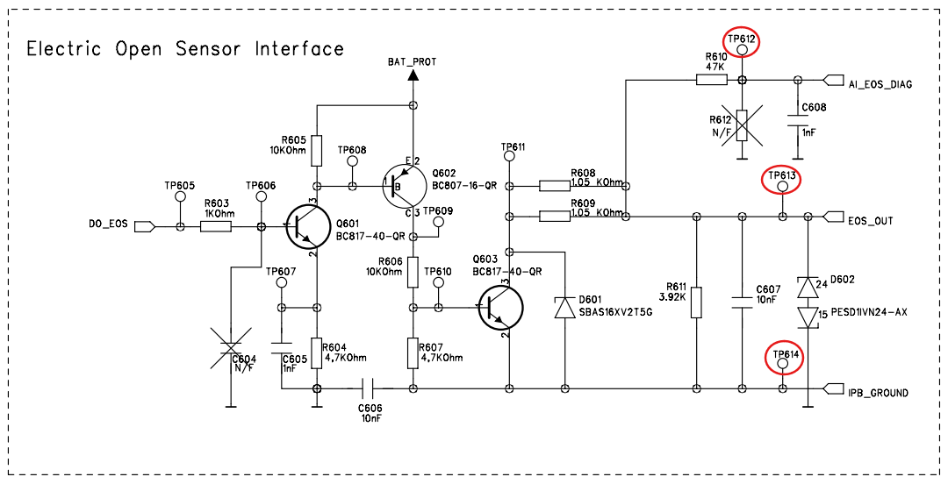


3. Operating Voltage

 | 3.1 Nominal operating voltage
 | Description | Value
 | Nominal operating voltage | 12 V

 | 3.2 Minimum continuous input voltage
 | Description | Value
 | Vbat min | 9 V

 | 3.3 Maximum continuous input voltage
 | Description | Value
 | Vbat max | 16 V

4. Inputs

 | 4.1 All Variants

 | CB Name | Signal Name | TP | Description | Used as | Initialising state | Active state | Inactive state | Sleep Mode state | Active Mode | Signal type | HW label / Pin | Default state | Values
 | VAR_EXT_OUT_ELECTRICAL_OPEN_DOOR | DO_EOS | TP605 | EOS_Output | GPIO | 0 | 1 | 0 | High-Z | ACTIVE HIGH | Digital OUT | Pin 42 -> P0.3 | 0 | {DISABLE}: 0 {ENABLE}: 1

5. Outputs

 | 5.1 All Variants

 | CB Name | Signal Name | TP | Description | Used as | Initialising state | Active state | Inactive state | Sleep Mode state | Active Mode | Signal type | HW label / Pin | Default state | Values
 | VAR_EXT_IN_EOS_DIAGNOSTIC | AI_EOS_DIAG | TP612 | Analog input EOS Diagnose | ADC | High-Z | Analog in | High-Z | High-Z |  | Analog IN | Pin 5 -> P2.3 | N/A | 0x0 to 0x745

6. Specification

 | 6.1 EOS output signal
 | SWRS_ID |  | Description |  |  |  |  |  |  | Verification Criteria |  |  |  | Varient | Remark
 | SWRS_05_01 |  | When V_KL30 = 12 V ± 0.1 V and V_pull_up = 3.3 V ± 0.1 V, a 560 Ω pull-up resistor shall be connected between EOS_OUT and the 3.3 V power supply. The IPB_GND shall be shorted to the external 3.3 V supply ground. The system shall correctly reflect the EOS output voltage levels for both control states of DO_EOS (NOT ACTIVE / ACTIVE) as described below: DO_EOS = NOT ACTIVE: When the DO_EOS signal is set to its not-active state, the voltage at V_EOS (AI_EOS_DIAG) = TP612 shall be within 2.8 V to 3.0 V (typical 2.88 V). DO_EOS = ACTIVE: When the DO_EOS signal is set to its active state, the voltage at V_EOS (AI_EOS_DIAG) = TP612 shall be within 1.4 V to 1.6 V (typical 1.54 V). |  |  |  |  |  |  | For DO_EOS = NOT ACTIVE, after a 2 ms settling time, the measured voltage V_EOS (AI_EOS_DIAG @ TP612) shall be between 2.8 V and 3.0 V (typical: 2.88 V). For DO_EOS = ACTIVE, after a 2 ms settling time, the measured voltage V_EOS (AI_EOS_DIAG @ TP612) shall be between 1.4 V and 1.6 V (typical: 1.54 V). |  |  |  | All Variants | All input pins are utilized by the software as required and need to be tested manually.

 | 6.2 EOS Diagnostic: EOS shorted to IPB_GND
 | SWRS_ID |  | Description |  |  |  |  |  |  | Verification Criteria |  |  |  | Varient | Remark
 | SWRS_05_02 |  | When V_KL30 = 12 V ± 0.1 V and V_pull_up = 3.3 V ± 0.1 V, a 560 Ω pull-up resistor shall be connected between EOS_OUT and the 3.3 V power supply. The IPB_GND shall be shorted to the external 3.3 V supply ground, and EOS_OUT shall be shorted to IPB_GND while activating the EOS signal. The system shall correctly indicate a low voltage level at the EOS diagnostic measurement point. |  |  |  |  |  |  | Measure V_EOS (AI_EOS_DIAG @ TP612) after activation. The measured voltage shall be approximately ±100 mV, indicating a proper low-level response of the EOS |  |  |  | All Variants | All input pins are utilized by the software as required and need to be tested manually.

 | 6.3 EOS Diagnostic: EOS shorted to KL30
 | SWRS_ID |  | Description |  |  |  |  |  |  | Verification Criteria |  |  |  | Varient | Remark
 | SWRS_05_03 |  | When V_KL30 = 12 V ± 0.1 V and V_pull_up = 3.3 V ± 0.1 V, a 560 Ω pull-up resistor shall be connected between EOS_OUT and the 3.3 V power supply. The IPB_GND shall be shorted to the external 3.3 V supply ground, and EOS_OUT shall be shorted to KL30 while the EOS signal is activated. The system shall correctly indicate a high voltage level at the EOS diagnostic measurement point. |  |  |  |  |  |  | Measure V_EOS (AI_EOS_DIAG @ TP612) after activation. The measured voltage shall be 4.0 V ± 0.1 V, confirming proper high-level response of the EOS output. |  |  |  | All Variants | All input pins are utilized by the software as required and need to be tested manually.

06. SG test
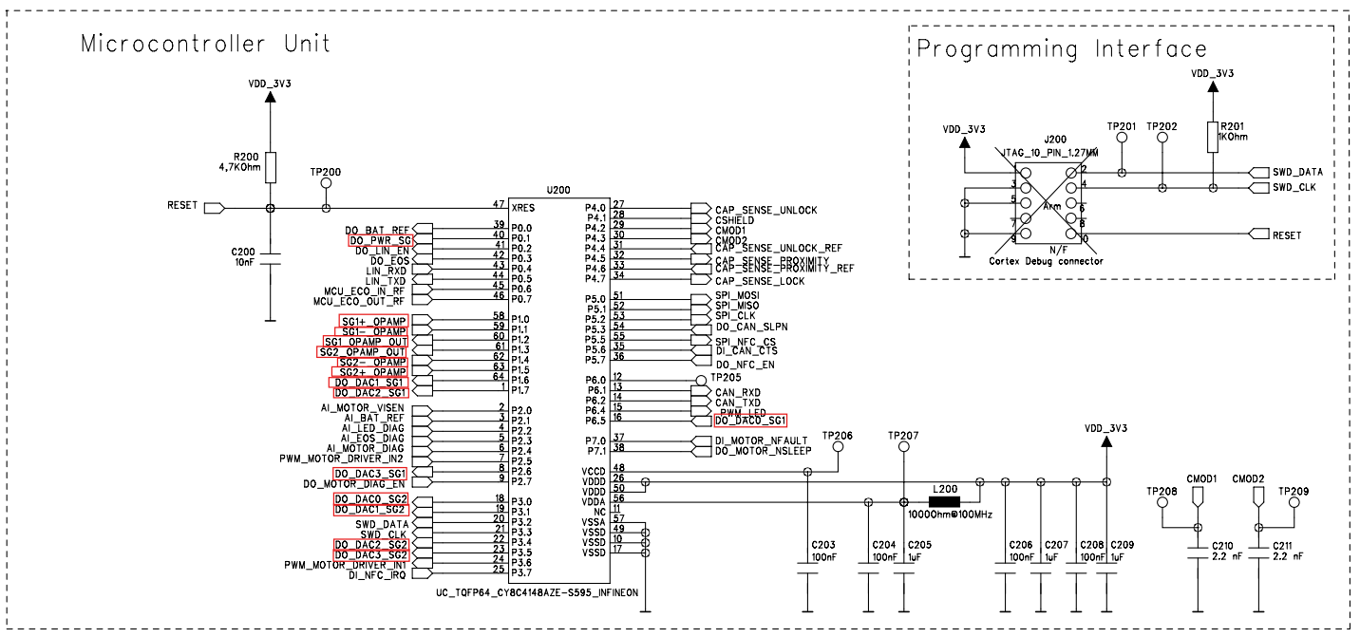

1. Introduction

 | This test verifies the functionality of the Strain Gauge (SG) circuit, including power supply availability, DAC operation, offset compensation, and op-amp amplification accuracy.

2. Circuit Design

 | 2.1 All Variants
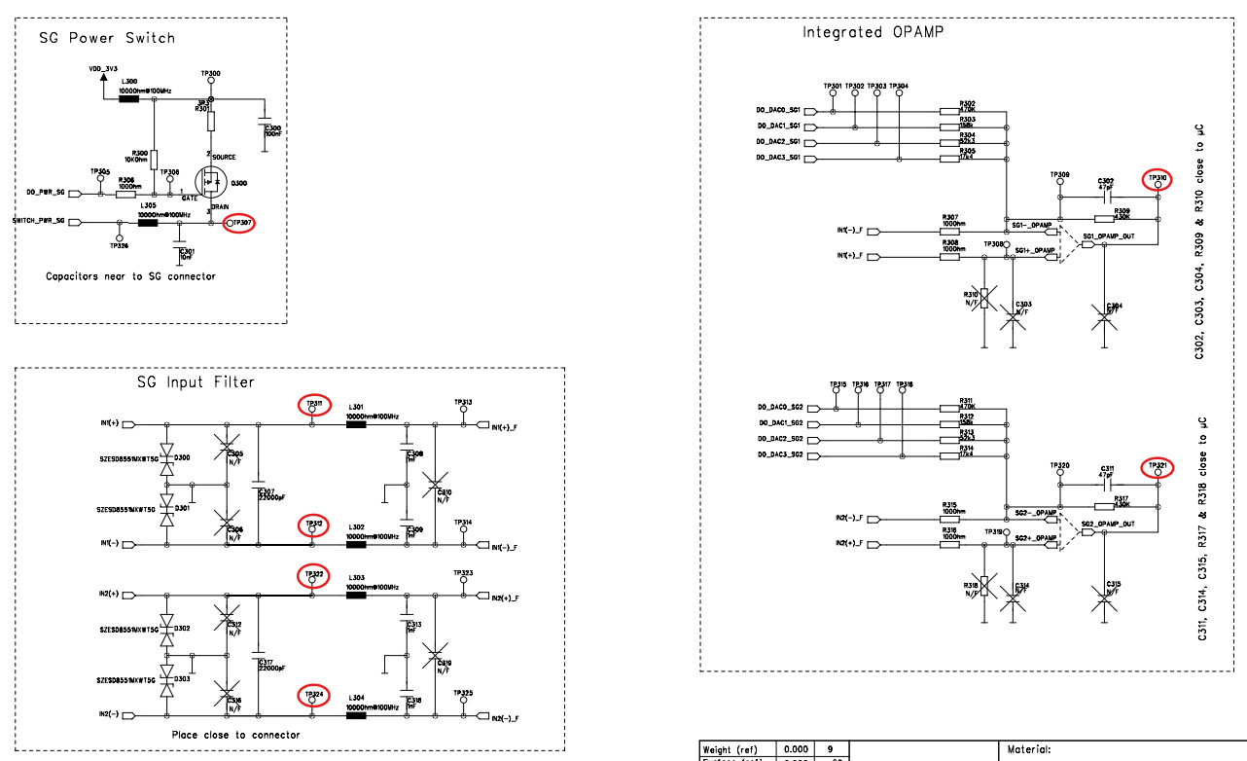

3. Operating Voltage

 | 3.1 Nominal operating voltage
 | Description | Value
 | Nominal operating voltage | 12 V

 | 3.2 Minimum continuous input voltage
 | Description | Value
 | Vbat min | 9 V

 | 3.3 Maximum continuous input voltage
 | Description | Value
 | Vbat max | 16 V

4. Inputs

 | 4.1 All Variants

 | CB Name | Signal Name | TP | Description | Used as | Initialising state | Active state | Inactive state | Sleep Mode state | Active Mode | Signal type | HW label / Pin | Default state | Values
 | VAR_EXT_OUT_CONTROL_SG_POWER | DO_PWR_SG | TP305 | External signal to disable the power provided to the strain gauge | GPIO | 0 | 1 | 0 | High-Z | ACTIVE HIGH | Digital OUT | Pin 40 -> P0.1 | {SG_OFF}: 1 | {SG_OFF}: 1 {SG_ON}: 0
 | VAR_EXT_OUT_SG1_OFFSET_1 | DO_DAC1_SG1 | TP302 | A signal to set the SG1 Offset bit 1 | GPIO | High-Z | Tri-state | High-Z | Tri-state |  | Digital OUT | Pin 64 -> P1.6 |  | 0, 1, High-Z
 | VAR_EXT_OUT_SG1_OFFSET_2 | DO_DAC2_SG1 | TP303 | A signal to set the SG1 Offset bit 2 | GPIO | High-Z | Tri-state | High-Z | Tri-state |  | Digital OUT | Pin 1 -> P1.7 |  | 0, 1, High-Z
 | VAR_EXT_OUT_SG1_OFFSET_3 | DO_DAC3_SG1 | TP304 | A signal to set the SG1 Offset bit 3 | GPIO | High-Z | Tri-state | High-Z | Tri-state |  | Digital OUT | Pin 8 -> P2.6 |  | 0, 1, High-Z
 | VAR_EXT_OUT_SG1_OFFSET_0 | DO_DAC0_SG1 | TP301 | A signal to set the SG1 Offset bit 0 | GPIO | High-Z | Tri-state | High-Z | Tri-state |  | Digital OUT | Pin 16 -> P6.5 |  | 0, 1, High-Z
 | VAR_EXT_OUT_SG2_OFFSET_0 | DO_DAC0_SG2 | TP315 | A signal to set the SG2 Offset bit 0 | GPIO | High-Z | Tri-state | High-Z | Tri-state |  | Digital OUT | Pin 18 -> P3.0 |  | 0, 1, High-Z
 | VAR_EXT_OUT_SG2_OFFSET_1 | DO_DAC1_SG2 | TP316 | A signal to set the SG2 Offset bit 1 | GPIO | High-Z | Tri-state | High-Z | Tri-state |  | Digital OUT | Pin 19 -> P3.1 |  | 0, 1, High-Z
 | VAR_EXT_OUT_SG2_OFFSET_2 | DO_DAC2_SG2 | TP317 | A signal to set the SG2 Offset bit 2 | GPIO | High-Z | Tri-state | High-Z | Tri-state |  | Digital OUT | Pin 22 -> P3.4 |  | 0, 1, High-Z
 | VAR_EXT_OUT_SG2_OFFSET_3 | DO_DAC3_SG2 | TP318 | A signal to set the SG2 Offset bit 3 | GPIO | High-Z | Tri-state | High-Z | Tri-state |  | Digital OUT | Pin 23 -> P3.5 |  | 0, 1, High-Z
5. Outputs

 | 5.1 All Variants

 | CB Name | Signal Name | TP | Description | Used as | Initialising state | Active state | Inactive state | Sleep Mode state | Active Mode | Signal type | HW label / Pin | Default state | Values
 | VAR_EXT_IN_SG1_POSITIVE | SG1+_OPAMP | TP308 | Positive signal for the differential signal of the first strain gauge channel. | Non_inverting_OPAMP1 | High-Z | Non_inverting_OPAMP1 | High-Z | Non_inverting_OPAMP1 |  | Analog IN | Pin 5 -> P2.3 | N/A | 0x0 to 0x745
 | VAR_EXT_IN_SG1_NEGATIVE | SG1-_OPAMP | TP309 | Negative signal for the differential signal of the first strain gauge channel. | Inverting_OPAMP1 | High-Z | Inverting_OPAMP1 | High-Z | Inverting_OPAMP1 |  | Analog IN | Pin 5 -> P2.3 | N/A | 0x0 to 0x745
 | VAR_EXT_OUT_SG1_AMPLIFIED_OUTPUT | SG1_OPAMP_OUT | TP310 | Amplified output of the SG1 value | OPAMP1_OUTPUT | 0 | OPAMP1_OUTPUT | High-Z | OPAMP1_OUTPUT |  | Analog IN | Pin 5 -> P2.3 | N/A | 0x0 to 0x745
 | VAR_EXT_OUT_SG2_AMPLIFIED_OUTPUT | SG2_OPAMP_OUT | TP321 | Amplified output of SG2 value | OPAMP2_OUTPUT | 0 | OPAMP2_OUTPUT | High-Z | OPAMP2_OUTPUT |  | Analog IN | Pin 5 -> P2.3 | N/A | 0x0 to 0x745
 | AR_EXT_IN_SG2_NEGATIVE | SG2-_OPAMP | TP320 | Negative signal for the differential signal of the second strain gauge channel. | Inverting_OPAMP2 | High-Z | Inverting_OPAMP2 | High-Z | Inverting_OPAMP2 |  | Analog IN | Pin 5 -> P2.3 | N/A | 0x0 to 0x745
 | VAR_EXT_IN_SG2_POSITIVE | SG2+_OPAMP | TP319 | Positive signal for the differential signal of the second strain gauge channel. | Non_inverting_OPAMP2 | High-Z | Non_inverting_OPAMP2 | High-Z | Non_inverting_OPAMP2 |  | Analog IN | Pin 5 -> P2.3 | N/A | 0x0 to 0x745

6. Specification

 | 6.1 Strain Gauge1 OPAMP Gain
 | SWRS_ID |  | Description |  |  |  |  |  |  | Verification Criteria |  |  |  | Varient | Remark
 | SWRS_06_01 |  | When the strain gauge circuit (Channel 1) is connected to the power supply and CANoe, and the DAC full-range function is triggered through software, the system shall generate step changes in output voltage corresponding to the DAC resolution. |  |  |  |  |  |  | Measure all voltage step transitions between DAC output values. Each step shall correspond to 37.65 mV (≈ 46 LSB) with a tolerance of ±4 LSB, confirming correct DAC functionality and output scaling for the strain gauge channel. |  |  |  | All Variants | All input pins are utilized by the software as required and need to be tested manually.

 | 6.2 SG1 Feedback Resistor
 | SWRS_ID |  | Description |  |  |  |  |  |  | Verification Criteria |  |  |  | Varient | Remark
 | SWRS_06_02 |  | When the strain gauge circuit (Channel 1) is connected to the power supply and CANoe, the offset compensation output pin shall be configured to high impedance (Z-Z-Z-Z). The system shall allow software triggering of the ADC measurement and enable calculation of the feedback resistor value using the defined equation. Then the value must be: |  |  |  |  |  |  | Trigger the ADC measurement in software and calculate the feedback resistor (Rgain) using the provided formula: |  |  |  | All Variants | All input pins are utilized by the software as required and need to be tested manually.

 | 6.3 Strain Gauge2 OPAMP Gain
 | SWRS_ID |  | Description |  |  |  |  |  |  | Verification Criteria |  |  |  | Varient | Remark
 | SWRS_06_03 |  | When the strain gauge circuit (Channel 2) is connected to the power supply and CANoe, and the DAC full-range function is triggered through software, the system shall generate step changes in output voltage corresponding to the DAC resolution. |  |  |  |  |  |  | Measure all voltage step transitions between DAC output values. Each step shall correspond to 37.65 mV (≈ 46 LSB) with a tolerance of ±4 LSB, confirming correct DAC functionality and output scaling for the strain gauge channel. |  |  |  | All Variants | All input pins are utilized by the software as required and need to be tested manually.

 | 6.4 SG2 Feedback Resistor
 | SWRS_ID |  | Description |  |  |  |  |  |  | Verification Criteria |  |  |  | Varient | Remark
 | SWRS_06_04 |  | When the strain gauge circuit (Channel 2) is connected to the power supply and CANoe, the offset compensation output pin shall be configured to high impedance (Z-Z-Z-Z). The system shall allow software triggering of the ADC measurement and enable calculation of the feedback resistor value using the defined equation. Then the value must be: |  |  |  |  |  |  | Trigger the ADC measurement in software and calculate the feedback resistor (Rgain) using the provided formula: |  |  |  | All Variants | All input pins are utilized by the software as required and need to be tested manually.

07. Cap Sensor test
1. Introduction

 | An external capacitance (in order of pF) via a switch to either connect/disconnect it to uC, and measure the capacitance in both instances.

2. Circuit Design

 | 2.1 All Variants
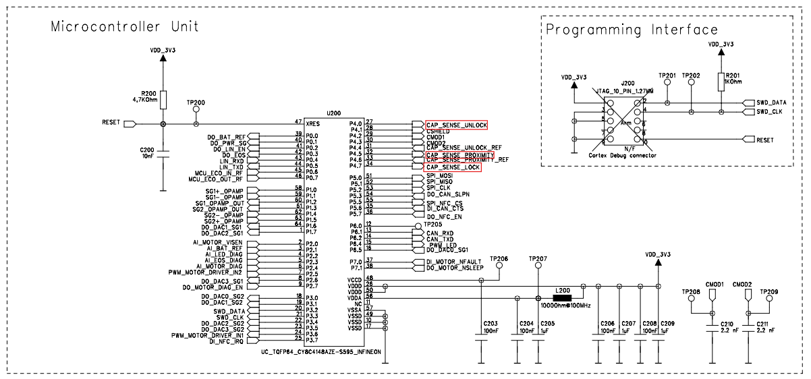
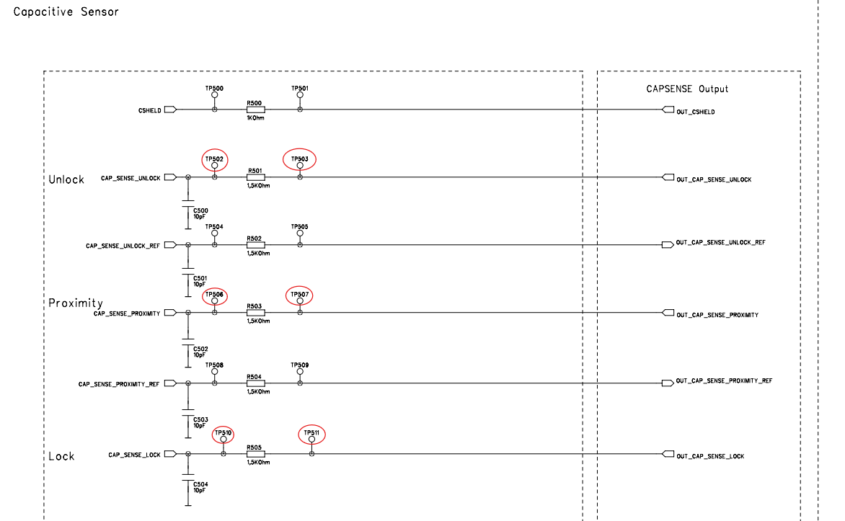

3. Operating Voltage

 | 3.1 Nominal operating voltage
 | Description | Value
 | Nominal operating voltage | 12 V

 | 3.2 Minimum continuous input voltage
 | Description | Value
 | Vbat min | 9 V

 | 3.3 Maximum continuous input voltage
 | Description | Value
 | Vbat max | 16 V

4. Inputs

 | 4.1 All Variants

 | CB Name | Signal Name | TP | Description | Used as | Initialising state | Active state | Inactive state | Sleep Mode state | Active Mode | Signal type | HW label / Pin | Default state | Values
 | No inputs is used

5. Outputs

 | 5.1 All Variants

 | CB Name | Signal Name | TP | Description | Used as | Initialising state | Active state | Inactive state | Sleep Mode state | Active Mode | Signal type | HW label / Pin | Default state | Values
 | VAR_EXT_IN_CAPA_LOCK_SIGNAL | CAP_SENSE_LOCK | TP502,TP503 | connection for capa sensor3 | CAP_Sense | CAP_Sense | CAP_Sense | CAP_Sense | High-Z |  | CAP_Sense | Pin 34 -> P4.7 | N/A | 0x84A to 0xFFF
 | VAR_EXT_IN_CAPA_UNLOCK_SIGNAL | CAP_SENSE_UNLOCK | TP506,TP507 | connection for capa sensor1 | CAP_Sense | CAP_Sense | CAP_Sense | CAP_Sense | High-Z |  | CAP_Sense | Pin 32 -> P4.5 | N/A | 0x84A to 0xFFF
 | VAR_EXT_IN_CAPA_APPROACH_SIGNAL | CAP_SENSE_PROXIMITY | TP510,TP511 | connection for capa sensor2 | CAP_Sense | CAP_Sense | CAP_Sense | CAP_Sense | High-Z |  | CAP_Sense | Pin 27 -> P4.0 | N/A | 0x84A to 0xFFF

6. Specification

 | 6.1 Measure Unlock Capsensors default capacitance value
 | SWRS_ID |  | Description |  |  |  |  |  |  | Verification Criteria |  |  |  | Varient | Remark
 | SWRS_07_01 |  | When V_KL30 = 12 V ± 0.1 V and the handle is disconnected, connect a 100 pF capacitor to each capacitive sensor channel individually using a switch. The system shall correctly detect and measure the unlock capacitance of the capacitive sensors when commanded via software. |  |  |  |  |  |  | With the switch open: The microcontroller shall measure the native board unlock capacitance at TP503 to be less than 1 nF. With the switch closed: The microcontroller shall measure the unlock capacitance at TP503 to be greater than 100 pF, confirming correct detection of the external capacitor connection. |  |  |  | All Variants | All input pins are utilized by the software as required and need to be tested manually.

 | 6.2 Measure Proximity Capsensors default capacitance value
 | SWRS_ID |  | Description |  |  |  |  |  |  | Verification Criteria |  |  |  | Varient | Remark
 | SWRS_07_02 |  | When V_KL30 = 12 V ± 0.1 V and the handle is disconnected, connect a 100 pF capacitor to each capacitive sensor channel individually using a switch. The system shall correctly detect and measure the proximity capacitance of the capacitive sensors when the corresponding software command is activated. |  |  |  |  |  |  | With the switch open: The microcontroller shall measure the native board proximity capacitance at TP507 to be less than 1 nF. With the switch closed: The microcontroller shall measure the proximity capacitance at TP507 to be greater than 100 pF, confirming correct detection of the external capacitor connection. |  |  |  | All Variants | All input pins are utilized by the software as required and need to be tested manually.

 | 6.3 Measure Lock Capsensors default capacitance value
 | SWRS_ID |  | Description |  |  |  |  |  |  | Verification Criteria |  |  |  | Varient | Remark
 | SWRS_07_03 |  | When V_KL30 = 12 V ± 0.1 V and the handle is disconnected, connect a 100 pF capacitor to each capacitive sensor channel individually using a switch. The system shall correctly detect and measure the P Lock capacitance of the capacitive sensors when the corresponding software command is activated. |  |  |  |  |  |  | With the switch open: The microcontroller shall measure the native board Lock capacitance at TP511 to be less than 1 nF. With the switch closed: The microcontroller shall measure the Lock capacitance at TP511 to be greater than 100 pF, confirming correct detection of the external capacitor connection. |  |  |  | All Variants | All input pins are utilized by the software as required and need to be tested manually.

08. NFC test
1. Introduction

 | Verify the NFC communication from uC - NFC transciver - NFC antenna - NFC card

2. Circuit Design

 | 2.1 Driver Handle

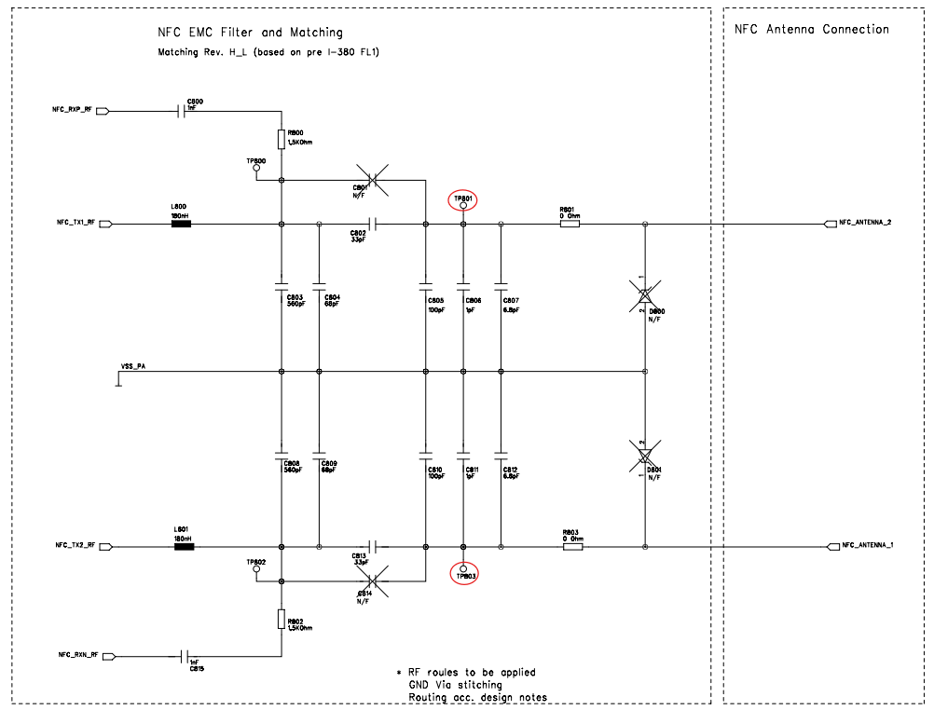
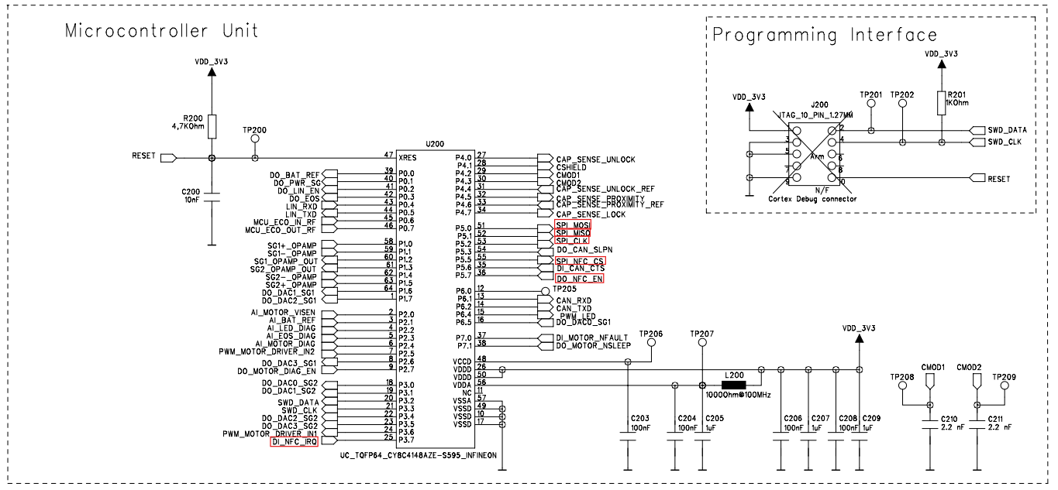
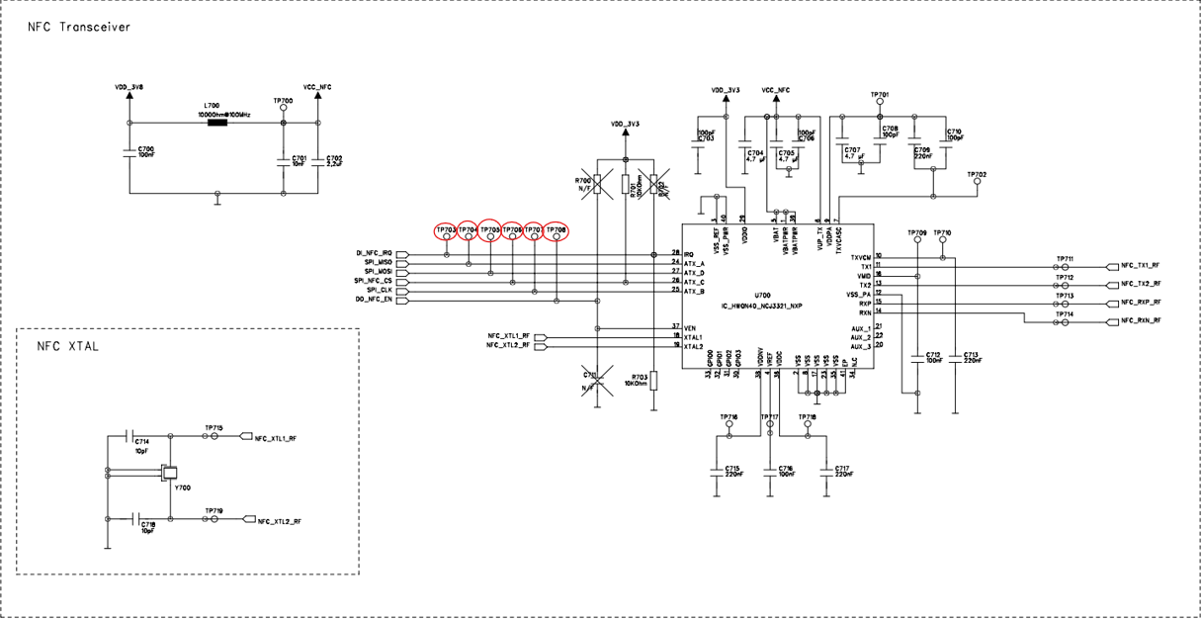

3. Operating Voltage

 | 3.1 Nominal operating voltage
 | Description | Value
 | Nominal operating voltage | 12 V

 | 3.2 Minimum continuous input voltage
 | Description | Value
 | Vbat min | 9 V

 | 3.3 Maximum continuous input voltage
 | Description | Value
 | Vbat max | 16 V

4. Inputs

 | 4.1 Driver Handle

 | CB Name | Signal Name | TP | Description | Used as | Initialising state | Active state | Inactive state | Sleep Mode state | Active Mode | Signal type | HW label / Pin | Default state | Values
 | VAR_EXT_OUT_ENABLE_NFC | DO_NFC_EN | TP708 | Enable NFC Transceiver | GPIO | 0 | 1 | 0 | 1 |  | GPIO | Pin 36 -> P5.7 | N/A | {DISABLE}: 0 {ENABLE}: 1
 | VAR_EXT_SPI_CS | SPI_NFC_CS | TP706 | SPI_NFC_CS | SPI | 0 | 1 | 0 | 0 |  | SPI | Pin 55 -> P5.5 | N/A | {CHIP_SELECTED}: 0, {CHIP_NOT_SELECTED}: 1
 | VAR_EXT_SPI_CLK | SPI_CLK | TP707 | SPI_CLK | SPI | 0 | SPI_CLK | 0 | High-Z |  | SPI | Pin 53 -> P5.2 | N/A | {LOW}: low level on the SPI CLK line {HIGH}: high level on the SPI CLK line
 | VAR_EXT_SPI_MOSI | SPI_MOSI | TP705 | SPI_MOSI | SPI | 0 | SPI_MOSI | SPI_MOSI | High-Z |  | SPI | Pin 51 -> P5.0 | N/A | {LOW}: low level on the SPI transmit output line {HIGH}: high level on the SPI transmit output line

5. Outputs

 | 5.1 Driver Handle

 | CB Name | Signal Name | TP | Description | Used as | Initialising state | Active state | Inactive state | Sleep Mode state | Active Mode | Signal type | HW label / Pin | Default state | Values
 | VAR_EXT_SPI_MISO | SPI_MISO | TP704 | SPI_MISO | SPI | High-Z | SPI_MISO | High-Z | High-Z |  | SPI | Pin 52 -> P5.1 | N/A | {LOW}: low level on the SPI receive input line {HIGH}: high level on the SPI receive input line
 | VAR_EXT_IN_NFC_INTERRUPT | DI_NFC_IRQ | TP703 | NFC IRQ Pin | GPIO | High-Z | Digital in | Digital in | Digital in / wake-up |  | GPIO | Pin 32 -> P4.5 | N/A | {NFC_IRQ}: 1, {NO_IRQ}: 0

6. Specification

 | 6.1 Verify NFC communication
 | SWRS_ID |  | Description |  |  |  |  |  |  | Verification Criteria |  |  |  | Varient | Remark
 | SWRS_07_01 |  | When V_KL30 = 12 V ± 0.1 V and the handle is disconnected, connect the NFC antenna directly to the test points TP801 and TP803, ensuring the FPC connector is not used. The system shall successfully establish NFC communication through the chain uC → NFC transceiver → NFC antenna → NFC card/tag when a valid NFC card or tag is presented. |  |  |  |  |  |  | Verify, using the Test Firmware and CANoe, that the expected CAN signals corresponding to NFC communication are transmitted and received correctly during an NFC card/tag transaction. Successful communication shall confirm proper functionality of the NFC hardware path and software interface. |  |  |  | Driver Handle | All input and output pins are utilized by the software as required and need to be tested manually.

09. CAN test
1. Introduction

 | Verify the CAN communication from uC → CAN transceiver → CAN bus.

2. Circuit Design

 | 2.1 NFC Driver

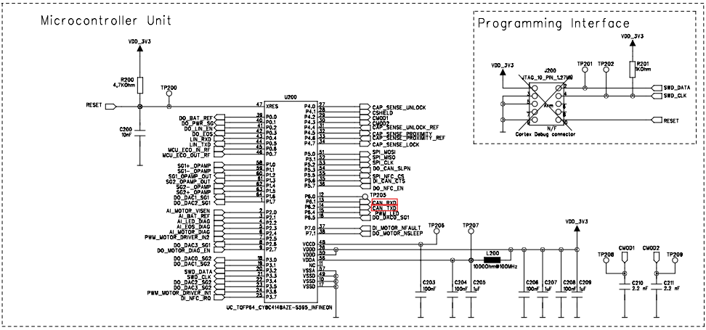

3. Operating Voltage

 | 3.1Nominal operating voltage
 | Description | Value
 | Nominal operating voltage | 12 V

 | 3.2 Minimum continuous input voltage
 | Description | Value
 | Vbat min | 9 V

 | 3.3 Maximum continuous input voltage
 | Description | Value
 | Vbat max | 16 V

4. Specification

 | 4.1 Verify CAN communication
 | SWRS_ID |  | Description | Verification Criteria | Varient | Remark
 | SWRS_09_01 |  | When V_KL30 = 12 V ± 0.1 V and the handle is disconnected, the system shall transmit and receive CAN signals normally. | Verify, using the Test Firmware that the system transmits and receives CAN messages correctly when the handle is disconnected.The test firmware shall indicate that CAN frames are successfully received and transmitted by the board | Driver Handle | All input and output pins are utilized by the software as required and need to be tested manually.

10. LIN test
1. Introduction

 | Verify the LIN communication from uC → LIN transceiver → LIN bus.

2. Circuit Design

 | 2.1 All Variants

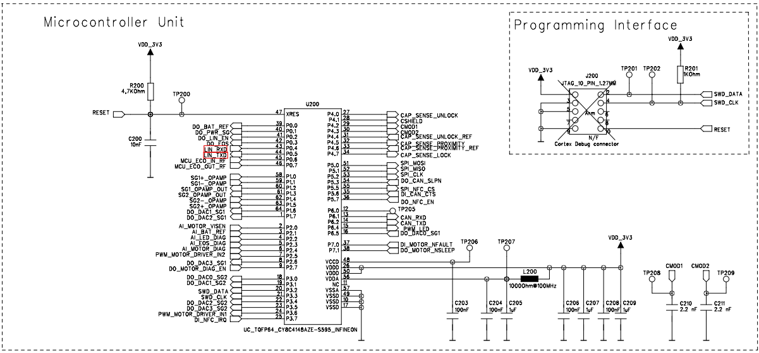

3. Operating Voltage

 | 3.1Nominal operating voltage
 | Description | Value
 | Nominal operating voltage | 12 V

 | 3.2 Minimum continuous input voltage
 | Description | Value
 | Vbat min | 9 V

 | 3.3 Maximum continuous input voltage
 | Description | Value
 | Vbat max | 16 V

4. Specification

 | 4.1 Verify LIN communication
 | SWRS_ID |  | Description | Verification Criteria | Varient | Remark
 | SWRS_10_01 |  | When V_KL30 = 12 V ± 0.1 V and the handle is disconnected, the system shall transmit and receive LIN signals normally. | Verify, using the Test Firmware that the system transmits and receives LIN messages correctly when the handle is disconnected.The test firmware shall indicate that LIN frames are successfully received and transmitted by the board | All Variants | All input and output pins are utilized by the software as required and need to be tested manually.

