Invoice
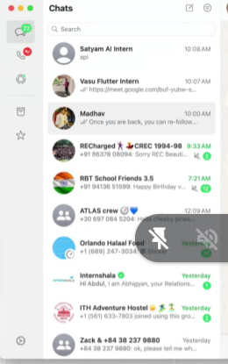
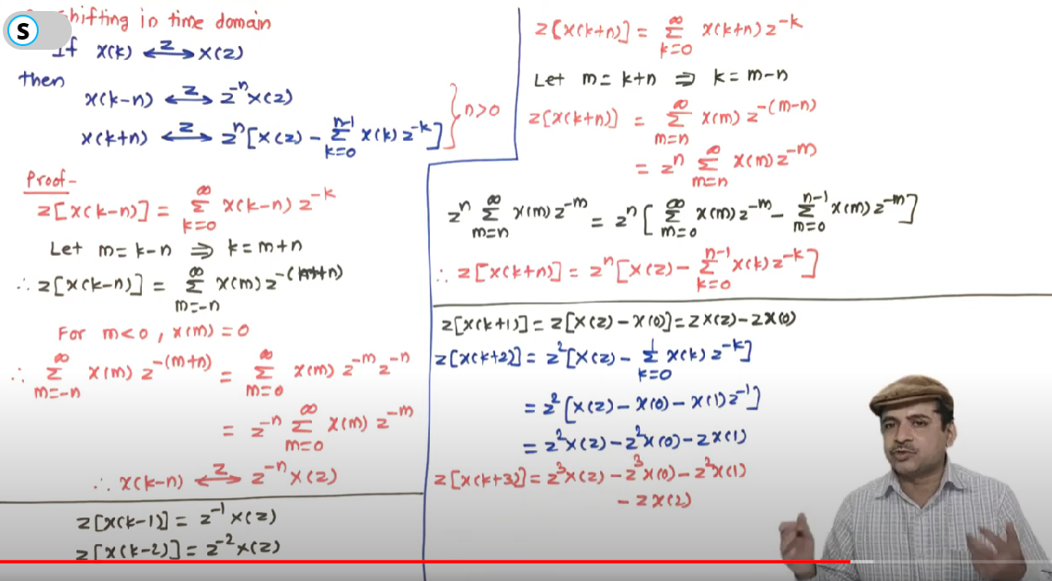
Serial Number | Invoice Date | Item Total Amount | Product Name | Qty | Price with Tax | Unit | Tax (%) | Party Name | Phone Number | Party Company Name | Status
RAY/23-24/286 | 12 Nov 2024 | 69183.35 | iPHONE 16 | 1.000 | 79990.00 | OTH | 18 | Shounak | 999999999 | NextSpeed Technologies Pvt Ltd | pending
RAY/23-24/286 | 12 Nov 2024 | 3977.68 | iPHONE 16 Cover | 1.000 | 4599.00 | OTH | 18 | Shounak | 999999999 | NextSpeed Technologies Pvt Ltd | pending
RAY/23-24/286 | 12 Nov 2024 | 21621.64 | Beats PRO X | 1.000 | 24999.00 | OTH | 18 | Shounak | 999999999 | NextSpeed Technologies Pvt Ltd | pending
RAY/23-24/285 | 12 Nov 2024 | 10000.00 | SPEAKER | 1.000 | 10000.00 | OTH | 0 | Abhinav | 888888888 | GAME STATION | pending
RAY/23-24/284 | 08 Nov 2024 | 88.98 | 12 MM PLAIN GLASS | 1.000 | 88.98 | SQF | 0 | Ramesh | 777777777 | Apple India | pending
RAY/23-24/283 | 08 Nov 2024 | 88.98 | 12 MM PLAIN GLASS | 1.000 | 88.98 | SQF | 0 | Ramesh | 777777777 | Apple India | pending
RAY/23-24/282 | 07 Nov 2024 | 37.08 | 12 MM PLAIN GLASS | 500.000 | 0.07 | SQF | 0 | RAM | 999999999 | Apple India | pending
RAY/23-24/281 | 07 Nov 2024 | 88.98 | 12 MM PLAIN GLASS | 1.000 | 88.98 | SQF | 0 | RAM | 999999999 | Apple India | pending
RAY/23-24/280 | 06 Nov 2024 | 105.00 | 12 MM PLAIN GLASS | 1.000 | 105.00 | SQF | 18 | Ramesh | 777777777 | Apple India | pending
RAY/23-24/280 | 06 Nov 2024 | 0.00 | plain glass | 1.000 | 0.00 | OTH | 18 | Ramesh | 777777777 | Apple India | pending
RAY/23-24/279 | 05 Nov 2024 | 20.00 | Ct Sheet | 3.000 | 500.00 | OTH | 0 | Abhinav | 888888888 | GAME STATION | pending
RAY/23-24/278 | 05 Nov 2024 | 105.00 | 12 MM PLAIN GLASS | 1.000 | 105.00 | SQF | 18 | Decathlon | 555555555 | DECATHLON SPORTS INDIA PRIVATE LIMITED | pending
RAY/23-24/277 | 02 Nov 2024 | 20475.00 | 12 MM PLAIN GLASS | 15.000 | 11.50 | SQF | 18 | Abhinav | 888888888 | GAME STATION | pending
RAY/23-24/276 | 01 Nov 2024 | 708.00 | plain glass | 1.000 | 708.00 | OTH | 18 | geeetha | 666666666 | Flipkart Co | pending
RAY/23-24/275 | 01 Nov 2024 | 55000.00 | plain glass | 100.000 | 590.00 | OTH | 18 | geeetha | 666666666 | Flipkart Co | paid

Totals |  | 181499.69 |  | 629
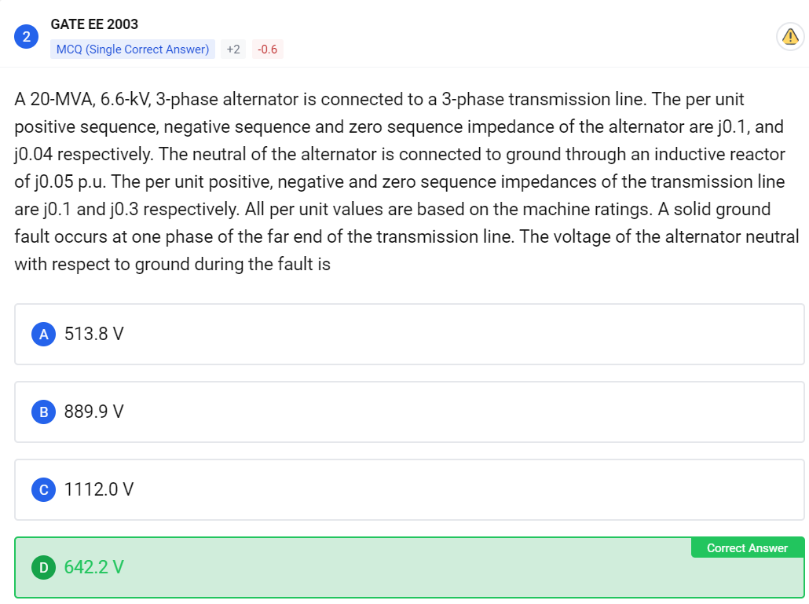
 |  |  |  | CGST | 11,486.11
 |  |  |  | SGST | 11,486.11
 |  |  |  | IGST | 3,139.33
 |  |  |  | ITEM NET AMOUNT | 155,388.13
 |  |  |  | ITEM TOTAL AMOUNT | 181,499.69
 |  |  |  | QTY | 629.0
 |  |  |  | EXTRA DISCOUNT | 0.0
 |  |  |  | ROUND OFF AMOUNT | 0.019999999999999997
 |  |  |  | CESS | 0.0

