Woodworks Bookshelf Co.
Woodworks Bookshelf Co. The Woodworks Company produces a variety of custom-designed wood furniture, made from either cherry or oak. The company knows that wood prices and labor costs are likely to increase in the future. The table below shows the number of board-feet and labor hours required for a bookshelf, the current costs per board-foot and labor hour, and the anticipated annual increases in these costs. Build a spreadsheet model that enables the company to experiment with the growth rates in wood and labor costs so that a manager can see, both numerically and graphically, how the costs of bookshelves vary in the next few years. | Resource | Cherry | Oak | Labor
 | Required per Bookshelf | 30 | 30 | 16
 | Current Unit Cost | $5.50 | $4.30 | $18.50
 | Anticipated Annual Cost Increase | 2.40% | 1.70% | 1.50%
 | year |  |  |  | total cost, cherry | total cost, oak
 | 0 | 165 | 129 | 296 | 461.00 | 425.00
 | 1 | 168.96 | 131.19 | 300.44 | 469.40 | 431.63 | =I7*(1+$I$5)
 | 2 | 173.02 | 133.42 | 304.95 | 477.96 | 438.37
 | 3 | 177.17 | 135.69 | 309.52 | 486.69 | 445.21
 | 4 | 181.42 | 138.00 | 314.16 | 495.58 | 452.16
 | 5 | 185.77 | 140.34 | 318.88 | 504.65 | 459.22

Quality Sweater Company
Quality Sweater Company The Quality Sweater Company sells hand-knitted sweaters. The company is planning to print a catalog of its products and undertake a direct mail campaign. The cost of printing the catalog is $20,000 plus $.10 per catalog. The cost of mailing each catalog (including postage, order forms, and buying names from a mail-order database) is $0.15. In addition, the company plans to include direct reply envelopes in its mailing and incurs a $.20 in extra costs for each direct mail envelope used by a respondent. The average size of a customer order is $40, and the company’s variable cost per order (primarily due to labor and material costs) averages about 80% of the order’s value – that is $32. The company plans to mail 100,000 catalogs. It wants to develop a spreadsheet model to answer the following questions: How does a change in the response rate affect profit? For what response rate does the company break even? If the company estimates a response rate of 3%, should it proceed with the mailing? How does the presence of uncertainty affect the usefulness of the model?

Profit
 | кампанія прямої поштової розсилки
 | Cost of printing the catalog | $20,000.00 | % відповідей | прибуток
 | Cost of mailing each catalog | $0.15 |  | $150,000.00
 | Envelope cost | $0.20 | 3.0% | $-21,600.00
 | Cost of printing per catalog | $0.10 | 3.5% | $-17,700.00
 | Numbers of catalogs | 100000 | 4.0% | $-13,800.00
 |  |  | 4.5% | $-9,900.00
 | Total cost of the mailing campaign | $45,000.00 | 5.0% | $-6,000.00
 |  |  | 5.5% | $-2,100.00
 | Customer order size | $40.00 | 6.0% | $1,800.00
 | Variable costs per order | 80% | 6.5% | $5,700.00
 |  |  | 7.0% | $9,600.00
 | Response rate | 25.00% | 7.5% | $13,500.00
 | Number of answers | 25000 | 8.0% | $17,400.00
 | Total cost of orders | $1,000,000.00
 | Variable costs for ordered products | $805,000.00
 | Total expenses | $850,000.00
 | Profit | $150,000.00 | For what response rate does the company break even? |  | 5.76923077%

Copy Shop
Copy Shop You are thinking of opening a small copy shop. It costs $5000 to rent a copier for a year, and it costs $0.03 per copy to operate the copier. Other fixed costs of running the store will amount to $400 per month. You plan to charge an average of $.10 per copy and the store will be open 365 days per year. Each copier can make up to 100,000 copies per year. You expect that the demand could be anywhere from 500 to 2000 copies per day.

 | Copier rental | $5,000.00 | per year
 | To operate | $0.03 | per copy
 | Fixed costs | $400.00 | per month
 | Total costs: | $28,800.00 | =C11*12+C9*C19+C22*C10

 | cost of copy | $0.10 | per copy | $1,200.00 | 500 | 1000 | 1500 | 2000
 | working days | 365 |  | 1 | $-2,800.00 | $-2,800.00 | $-2,800.00 | $-2,800.00 | {=TABLE(C18;C19)}
 | max copies 1 copier | 100000 | per year | 2 | $-2,025.00 | $-800.00 | $-800.00 | $-800.00
 | demand | 2000 | (500-2000) | 3 | $-7,025.00 | $1,200.00 | $1,200.00 | $1,200.00
 | number of copiers | 3 |  | 4 | $-12,025.00 | $750.00 | $3,200.00 | $3,200.00
 |  |  |  | 5 | $-17,025.00 | $-4,250.00 | $5,200.00 | $5,200.00

 | Copies made per year | 300000 | =MIN(C17*C19;C18*365)

 |  |  |  | Break-even point: |  | 775
 | Total annual revenue: | $30,000.00 | =C22*C15
 | Profit: | $1,200.00

The 19th Hole
Price & Demand
The 19th Hole The 19th Hole sells golf clubs at its golf outlet stores throughout the US. The company knows that the demand for its club varies considerably with price. In the last year, the demand at each price level was recorded in the table below. The company wants to estimate the relationship between demand and price and then use this estimated relationship to answer the following questions: 1. Assuming the unit cost of producing a set of clubs is $250, and the price must be a multiple of $10, what price should the company charge to maximize its profit? 2. How does the optimal price depend on the unit cost of producing a set of clubs? 3. Is the model an accurate representation of reality?

Months | Price | Demand (00s)
1 | 450 | 45
2 | 300 | 103 |  | Linear: y=mx+b |  | Power: y=ax^b |  | Exponential: y=ae^(bx)
3 | 440 | 49 |  | Intercept (b): | 211.31 | Constant a: | 5871064 | Constant a: | 466.51
4 | 360 | 86 |  | Slope (m): | -0.3546 | Exponent b: | -1.908 | Exponent b: | -0.005
5 | 290 | 125
6 | 450 | 52
7 | 340 | 87 |  | Predictions Based on Models |  |  |  |  | Absolute percent error
8 | 370 | 68 |  | Price (x) | Linear | Power | Exponential | Demand (00s) | Linear | Power | Exponential
9 | 500 | 45 |  | 450 | 51.7 | 50.9 | 49.2 | 45 | 15.0% | 13.0% | 9.3%
10 | 490 | 44 |  | 300 | 104.9 | 110.2 | 104.1 | 103 | 1.9% | 7.0% | 1.1%
11 | 430 | 58 |  | 440 | 55.3 | 53.1 | 51.7 | 49 | 12.8% | 8.3% | 5.5%
12 | 390 | 68 |  | 360 | 83.7 | 77.9 | 77.1 | 86 | 2.7% | 9.5% | 10.3%
 |  |  |  | 290 | 108.5 | 117.6 | 109.4 | 125 | 13.2% | 5.9% | 12.5%
 |  |  |  | 450 | 51.7 | 50.9 | 49.2 | 52 | 0.5% | 2.2% | 5.4%
 |  |  |  | 340 | 90.7 | 86.8 | 85.2 | 87 | 4.3% | 0.2% | 2.0%
 |  |  |  | 370 | 80.1 | 73.9 | 73.4 | 68 | 17.8% | 8.7% | 7.9%
 |  |  |  | 500 | 34.0 | 41.6 | 38.3 | 45 | 24.4% | 7.6% | 14.9%
 |  |  |  | 490 | 37.6 | 43.2 | 40.3 | 44 | 14.6% | 1.7% | 8.5%
 |  |  |  | 430 | 58.8 | 55.5 | 54.3 | 58 | 1.4% | 4.4% | 6.3%
 |  |  |  | 390 | 73.0 | 66.8 | 66.4 | 68 | 7.4% | 1.7% | 2.4%
 |  |  |  |  |  |  |  |  | 9.7% | 5.9% | 7.2% | <-- use the model with the smallest error

 |  |  |  |  |  |  |  |  |  |  |  |  | Unit cost
 |  |  |  |  |  |  |  |  |  |  |  | $1,042,213 | $250 | $300 | $350 | $400 | $450 | $500
 |  | Model the bussiness: |  |  |  |  | Price | Profit |  |  | price | $250 | $- | $-780,580 | $-1,561,160 | $-2,341,739 | $-3,122,319 | $-3,902,899
 |  | Unit cost: | $250 | <-- per set of clubs |  |  |  | $1,042,213 |  |  |  | $260 | $144,860 | $-579,439 | $-1,303,738 | $-2,028,036 | $-2,752,335 | $-3,476,633
 |  | Sales price: | $530 | <-- multiple of 10 |  |  | $250 | $- |  |  |  | $270 | $269,591 | $-404,386 | $-1,078,362 | $-1,752,339 | $-2,426,315 | $-3,100,292
 |  | Demand (00s): | 37 | =I17*E41^I18 |  |  | $260 | $144,860 | {=TABLE(;E41)} |  |  | $280 | $377,277 | $-251,518 | $-880,313 | $-1,509,109 | $-2,137,904 | $-2,766,699
 |  | Actual demand: | 3722 | =E42*100 |  |  | $270 | $269,591 |  |  |  | $290 | $470,459 | $-117,615 | $-705,688 | $-1,293,761 | $-1,881,834 | $-2,469,908
 |  |  |  |  |  |  | $280 | $377,277 |  |  |  | $300 | $551,238 | $- | $-551,238 | $-1,102,477 | $-1,653,715 | $-2,204,954
 |  | Cost: | $930,547 | =E43*E40 |  |  | $290 | $470,459 |  |  |  | $310 | $621,370 | $103,562 | $-414,246 | $-932,054 | $-1,449,862 | $-1,967,670
 |  | Revenue: | $1,972,760 | =E43*E41 |  |  | $300 | $551,238 |  |  |  | $320 | $682,321 | $194,949 | $-292,423 | $-779,795 | $-1,267,167 | $-1,754,540
 |  | Profit: | $1,042,213 | =E46-E45 |  |  | $310 | $621,370 |  |  |  | $330 | $735,330 | $275,749 | $-183,832 | $-643,414 | $-1,102,995 | $-1,562,576
 |  |  |  |  |  |  | $320 | $682,321 |  |  |  | $340 | $781,443 | $347,308 | $-86,827 | $-520,962 | $-955,098 | $-1,389,233
 |  |  |  |  |  |  | $330 | $735,330 |  |  |  | $350 | $821,552 | $410,776 | $- | $-410,776 | $-821,552 | $-1,232,328
 |  |  |  |  |  |  | $340 | $781,443 |  |  |  | $360 | $856,415 | $467,136 | $77,856 | $-311,424 | $-700,703 | $-1,089,983
 |  |  |  |  |  |  | $350 | $821,552 |  |  |  | $370 | $886,685 | $517,233 | $147,781 | $-221,671 | $-591,123 | $-960,575
 |  |  |  |  |  |  | $360 | $856,415 |  |  |  | $380 | $912,921 | $561,797 | $210,674 | $-140,449 | $-491,573 | $-842,696
 |  |  |  |  |  |  | $370 | $886,685 |  |  |  | $390 | $935,607 | $601,462 | $267,316 | $-66,829 | $-400,975 | $-735,120
 |  |  |  |  |  |  | $380 | $912,921 |  |  |  | $400 | $955,163 | $636,776 | $318,388 | $- | $-318,388 | $-636,776
 |  |  |  |  |  |  | $390 | $935,607 |  |  |  | $410 | $971,953 | $668,218 | $364,482 | $60,747 | $-242,988 | $-546,723
 |  |  |  |  |  |  | $400 | $955,163 |  |  |  | $420 | $986,293 | $696,207 | $406,121 | $116,035 | $-174,052 | $-464,138
 |  |  |  |  |  |  | $410 | $971,953 |  |  |  | $430 | $998,462 | $721,111 | $443,761 | $166,410 | $-110,940 | $-388,291
 |  |  |  |  |  |  | $420 | $986,293 |  |  |  | $440 | $1,008,702 | $743,254 | $477,806 | $212,358 | $-53,090 | $-318,537
 |  |  |  |  |  |  | $430 | $998,462 |  |  |  | $450 | $1,017,226 | $762,919 | $508,613 | $254,306 | $- | $-254,306
 |  |  |  |  |  |  | $440 | $1,008,702 |  |  |  | $460 | $1,024,222 | $780,360 | $536,497 | $292,635 | $48,772 | $-195,090
 |  |  |  |  |  |  | $450 | $1,017,226 |  |  |  | $470 | $1,029,857 | $795,798 | $561,740 | $327,682 | $93,623 | $-140,435
 |  |  |  |  |  |  | $460 | $1,024,222 |  |  |  | $480 | $1,034,276 | $809,433 | $584,591 | $359,748 | $134,906 | $-89,937
 |  |  |  |  |  |  | $470 | $1,029,857 |  |  |  | $490 | $1,037,609 | $821,441 | $605,272 | $389,104 | $172,935 | $-43,234
 |  |  |  |  |  |  | $480 | $1,034,276 |  |  |  | $500 | $1,039,973 | $831,978 | $623,984 | $415,989 | $207,995 | $-
 |  |  |  |  |  |  | $490 | $1,037,609 |  |  |  | $510 | $1,041,469 | $841,186 | $640,904 | $440,621 | $240,339 | $40,056
 |  |  |  |  |  |  | $500 | $1,039,973 |  |  |  | $520 | $1,042,188 | $849,190 | $656,193 | $463,195 | $270,197 | $77,199
 |  |  |  |  |  |  | $510 | $1,041,469 |  |  |  | $530 | $1,042,213 | $856,104 | $669,994 | $483,885 | $297,775 | $111,666
 |  |  |  |  |  |  | $520 | $1,042,188 |  |  |  | $540 | $1,041,616 | $862,027 | $682,438 | $502,849 | $323,260 | $143,671
 |  |  |  |  | optimal price --> |  | $530 | $1,042,213 | <--max profit |  |  | $550 | $1,040,462 | $867,051 | $693,641 | $520,231 | $346,821 | $173,410
 |  |  |  |  |  |  | $540 | $1,041,616 |  |  |  | $560 | $1,038,809 | $871,259 | $703,709 | $536,160 | $368,610 | $201,060
 |  |  |  |  |  |  | $550 | $1,040,462 |  |  |  | $570 | $1,036,711 | $874,725 | $712,739 | $550,753 | $388,767 | $226,780
 |  |  |  |  |  |  |  |  |  |  |  | $580 | $1,034,213 | $877,514 | $720,815 | $564,116 | $407,417 | $250,718
 |  |  |  |  |  |  |  |  |  |  |  | $590 | $1,031,360 | $879,689 | $728,019 | $576,348 | $424,677 | $273,007
 |  |  |  |  |  |  |  |  |  |  |  | $600 | $1,028,187 | $881,303 | $734,420 | $587,536 | $440,652 | $293,768

Peloton
Peloton The table below lists the annual revenue (in millions of US dollars) for the exercise bicycle manufacturer Peloton for the years 2017 through 2021. Create a new column called Year Number. 2017 should go with Year Number 1, 2018 should go with Year Number 2, and so on. Create a scatter plot of the annual revenue. The Year Number data should go with the xxx-axis and the Revenue data should go with the yyy-axis. Make sure that your chart has an accurate title and axis labels. Fit a power function and an exponential function to these data. Display the equations for the two trendlines on the chart. Find the revenue predicted by the exponential model. Find the revenue predicted by the power function model. Find the absolute percent error for the exponential model prediction. Find the mean absolute percent error for the exponential model. Based on the mean absolute percentage error (MAPE), which trendline fits the data better?
 |  |  |  |  |  |  |  | Exp.model y=ae^(bx) |  | Power model y=ax^b
 |  |  |  |  |  |  |  | a: | 135.80 | a: | 173.94
 |  |  |  |  |  |  |  | b: | 0.6099 | b: | 1.7209
Revenue

 |  |  |  | Forecast |  | Error
 | Year | № | Revenue (millions of USD) | Exponential | Power | Exponential | Power
 | 2017 | 1 | 218.6 | 249.91 | 173.94 | 14.32% | 20.43%
 | 2018 | 2 | 435.0 | 459.89 | 573.38 | 5.72% | 31.81%
 | 2019 | 3 | 915.0 | 846.31 | 1152.07 | 7.51% | 25.91%
 | 2020 | 4 | 1825.9 | 1557.42 | 1890.10 | 14.70% | 3.52%
 | 2021 | 5 | 4021.8 | 2866.03 | 2774.96 | 28.74% | 31.00%
 | 2022 | 6 | 3582.10 | 5274.20 | 3797.69 | 47.24% | 6.02%
 |  |  |  |  |  | 19.70% | 19.78%

Microsoft_Sales
Microsoft The attached file Microsoft_Sales.xlsx gives the annual sales for Microsoft (in millions of dollars) for the years 1992 through 2011. The data is also given in the table below. Model Set-Up The years in the table are high numbers, which means if we try to graph and create a model for this data as is, it will be complicated. To make things easier, we will work with year numbers instead, calling 1992 "year 1," 1993 "year 2," and so on. Add a third column to the table for Year Number. 1992 should go with 1 in the Year Number column, 1993 should go with 2, and so on. Create a scatter plot of the Total Adjusted Sales. The Year Number data should go with the xxx-axis and the Total Adjusted Sales data should go with the yyy-axis. Make sure that your chart has an accurate title and axis labels. Fit an exponential curve to these data. Display the equation for the trendline on the chart. Create a new column that shows the percent growth starting from 1993. As a reminder, percent growth is determined by (new sales - prior sales)/ prior sales. Format your answer as a percentage with one decimal. What is the average percent growth of the company since 1992? Compute the mean absolute percentage error (MAPE) for the exponential curve. Using your exponential model, predict Total Adjusted Sales for 2022. Round your answer to the nearest million dollars. (Recall that the numbers in the spreadsheet are in millions of dollars.) Using your exponential model, predict Total Adjusted Sales for 2047.

1 | 150781.16667
2 | 161696.25
3 | 175688.83333
4 | 185437.25
5 | 196728.16667
6 | 206334.08333
7 | 215657.66667
8 | 233872
9 | 248748.25
10 | 255663.75
11 | 261272.41667
12 | 272232.5
13 | 288987.5
14 | 307826.08333
15 | 323823.08333
16 | 334008
17 | 328780.33333
18 | 303288.91667
19 | 323964.16667
20 | 349717.75

 |  |  |  | Exponential: y=ae^(bx)
 |  |  |  | Constant a: | 158193
Year |  | Average of Seasonally Adjusted Sales | % | Exponent b: | 0.043
1992 | 1 | $150,781.17 |  | $165,143.67 | 9.53%
1993 | 2 | $161,696.25 | 7.2% | $172,399.73 | 6.62%
1994 | 3 | $175,688.83 | 8.7% | $179,974.61 | 2.44%
1995 | 4 | $185,437.25 | 5.5% | $187,882.32 | 1.32%
1996 | 5 | $196,728.17 | 6.1% | $196,137.47 | 0.30%
1997 | 6 | $206,334.08 | 4.9% | $204,755.34 | 0.77%
1998 | 7 | $215,657.67 | 4.5% | $213,751.86 | 0.88%
1999 | 8 | $233,872.00 | 8.4% | $223,143.67 | 4.59%
2000 | 9 | $248,748.25 | 6.4% | $232,948.13 | 6.35%
2001 | 10 | $255,663.75 | 2.8% | $243,183.38 | 4.88%
2002 | 11 | $261,272.42 | 2.2% | $253,868.35 | 2.83%
2003 | 12 | $272,232.50 | 4.2% | $265,022.79 | 2.65%
2004 | 13 | $288,987.50 | 6.2% | $276,667.33 | 4.26%
2005 | 14 | $307,826.08 | 6.5% | $288,823.51 | 6.17%
2006 | 15 | $323,823.08 | 5.2% | $301,513.81 | 6.89%
2007 | 16 | $334,008.00 | 3.1% | $358,101.26 | 10.54%
2008 | 17 | $328,780.33 | -1.6% | $373,835.48 | 6.90%
2009 | 18 | $303,288.92 | -7.8% | $390,261.02 | 28.68%
2010 | 19 | $323,964.17 | 6.8% | $407,408.27 | 25.76%
2011 | 20 | $349,717.75 | 7.9% | $425,308.93 | 21.61%
2012 | 21 |  | 4.6% | $443,996.11 | 7.70%
2013 | 22 |  |  | $463,504.37
2014 | 23 |  |  | $483,869.77
2015 | 24 |  |  | $505,129.99
2016 | 25 |  |  | $527,324.34
2017 | 26 |  |  | $550,493.86
2018 | 27 |  |  | $574,681.40
2019 | 28 |  |  | $599,931.69
2020 | 29 |  |  | $626,291.43
2021 | 30 |  |  | $653,809.36
2022 | 31 |  |  | $682,536.36 | <--Using your exponential model, predict Total Adjusted Sales for 2022.
2023 | 32 |  |  | $712,525.58
2024 | 33 |  |  | $743,832.45
2025 | 34 |  |  | $776,514.88
2026 | 35 |  |  | $810,633.31
2027 | 36 |  |  | $846,250.83
2028 | 37 |  |  | $883,433.31
2029 | 38 |  |  | $922,249.51
2030 | 39 |  |  | $962,771.21
2031 | 40 |  |  | $1,005,073.35
2032 | 41 |  |  | $1,049,234.16
2033 | 42 |  |  | $1,095,335.30
2034 | 43 |  |  | $1,143,462.03
2035 | 44 |  |  | $1,193,703.34
2036 | 45 |  |  | $1,246,152.15
2037 | 46 |  |  | $1,300,905.46
2038 | 47 |  |  | $1,358,064.50
2039 | 48 |  |  | $1,417,735.00
2040 | 49 |  |  | $1,480,027.29
2041 | 50 |  |  | $1,545,056.57
2042 | 51 |  |  | $1,612,943.11
2043 | 52 |  |  | $1,683,812.43
2044 | 53 |  |  | $1,757,795.61
2045 | 54 |  |  | $1,835,029.44
2046 | 55 |  |  | $1,915,656.78
2047 | 56 |  |  | $1,999,826.70 | <--Using your exponential model, predict Total Adjusted Sales for 2047.
2048 | 57
2049 | 58
2050 | 59

Bluejay Natural Gas
Bluejay Natural Gas is a large energy company based out of Baltimore, MD. The company offers a wide range of energy products and has annual revenues of approximately $50 billion. Because of the diverse nature of the company, its Manager for Project Development, Julie Kavoli, is under continual pressure to manage project proposals from the functional areas of the company. At any point in time, there might be dozens of projects at various stages requiring a wide variety of capital expenditures, promising widely varying future revenue streams, and containing varying degrees of risk. Julie has a difficult balancing act. The company's CEO, Cordelia Kareeni, is very concerned about keeping capital expenditures within a fixed budget and managing risk. The heads of the company's functional areas are less worried about budgets and risks; they are most concerned that their pet projects are approved. Julie also knows that many of the proposed projects, especially those requiring large capital expenditures, must be led by senior project managers with the appropriate experience and skills, and she is keenly aware that the company has only a limited supply of such managers. Julie is currently preparing to meet with all parties involved to discuss project proposals for the next three years. She has proposals from the various functional areas for projects they would like to undertake. Each of these is accompanied by a schedule of capital expenditures over the next three years and a financial analysis of the expected revenue streams. These lead to a net present value (NPV) for each proposal, using the company's discount rate of 12%. Several of the projects, if approved, must be undertaken in joint partnership with another company. For example, if project 3 is approved, Bluejay Natural Gas will take a 50% share in the project, and the other 50% will be shared by a partner. In this case, Bluejay Natural Gas will only incur 50% of the expenditures and receive only 50% of the revenu
 | Financial Estimates for Potential Projects (in $millions) |  |  |  |  |  |  | NPV decrease |  | AgreeOfProject
 | Project Index | Functional Area (FA) | Partnership Percentage | Capex Year 1 | Capex Year 2 | Capex Year 3 | NPV |  | ROI |  | year 1 | year 2 | year 3
 | 1 | FA1 | 100% | 250 | 100 | 100 | 60 | 53 |  | 0 | 0 | 0 | 0 | =IF($W$4=1;S4*$P$4;0)
 | 2 | FA1 | 33% | 500 | 300 | 300 | 180 | 158 |  | 0 | 0 | 0 | 0
 | 3 | FA1 | 50% | 100 | 200 | 400 | 80 | 70 | 10% | 1 | 50 | 100 | 200
 | 4 | FA1 | 100% | 750 | 500 | 300 | 310 | 273 |  | 0 | 0 | 0 | 0
 | 5 | FA1 | 75% | 200 | 400 | 800 | 220 | 194 | 14% | 1 | 150 | 300 | 600
 | 6 | FA2 | 50% | 1000 | 300 | 300 | 180 | 158 | 10% | 1 | 500 | 150 | 150
 | 7 | FA2 | 100% | 750 | 750 | 300 | 410 | 361 | 20% | 1 | 750 | 750 | 300
 | 8 | FA2 | 100% | 800 | 700 | 600 | 280 | 246 |  | 0 | 0 | 0 | 0
 | 9 | FA2 | 67% | 400 | 600 | 800 | 380 | 334 | 19% | 1 | 268 | 402 | 536
 | 10 | FA3 | 100% | 100 | 200 | 400 | 100 | 88 |  | 0 | 0 | 0 | 0
 | 11 | FA3 | 50% | 700 | 500 | 300 | 260 | 229 | 15% | 1 | 350 | 250 | 150
 | 12 | FA3 | 100% | 1500 | 400 | 400 | 340 | 299 | 13% | 1 | 1500 | 400 | 400
 |  |  |  |  | no more than $4 billion should be spent in any single year <-- |  |  |  |  |  | 1 | 1 | 1 | 1 | <--total of capital expenditures for the approved projects can be no more than $10 billion

 | Rate discount: | 12% |  | ROI |  |  |  |  |  | FA1 | 200 | 400 | 800 | 1400
 |  |  |  |  | average | min | max |  |  | FA2 | 1518 | 1302 | 986 | 3806
 | FA1 | 1 |  |  | 14.4% | 10% | 20% |  |  | FA3 | 1850 | 650 | 550 | 3050
 | FA2 | 1 |  | 0% | 16% | 11% | 23% |  |  | Sum Capex: | 3568 | 2352 | 2336
 | FA3 | 1 |  | 5% | 16% | 11% | 22%
Total capital expenditures for all approved projects by year
 |  |  |  | 10% | 15% | 10% | 21%
 |  |  |  | 15% | 14% | 10% | 19%
 |  |  |  | 20% | 13% | 9% | 18%
 |  |  |  | 25% | 12% | 8% | 17%
 |  |  |  | 30% | 11% | 8% | 16%

Campaign Marketing
Campaign Marketing
A candidate for mayor has allocated $40,000 for last minute advertising in the days preceding the election. Two types of ads will be used: radio and television. Each radio ad costs $200 and reaches an estimated 3000 people. Each television ad costs $500 and reaches an estimated 7000 people. The campaigning mayor would like to reach as many people as possible, but she has stipulated that at least 10 ads of each type be used. Also, the number of radio ads must be at least as great as the number of television ads.
How many ads of each type should be used?
How many people will be reached?
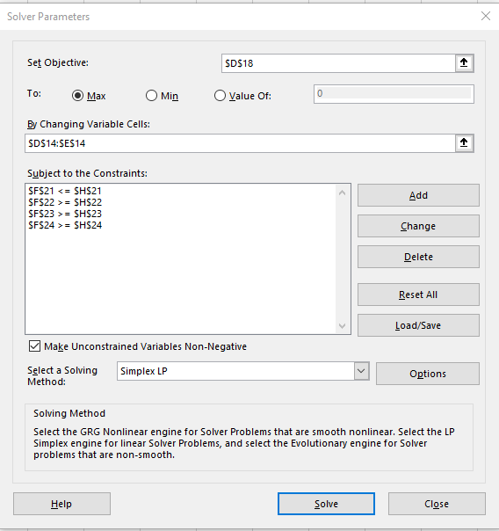

 |  |  | radio ads | TV ads
 |  |  | 175 | 10
reaches an estimated: |  |  | 3000 | 7000

 | People reached: |  | 595000

 |  |  |  |  |  | condition
 |  | budget | 200 | 500 | 40000 | <= | 40000 | =SUMPRODUCT($D$14:$E$14;D21:E21)
 |  | at least 10 radio ads | 1 |  | 175 | >= | 10 | =SUMPRODUCT($D$14:$E$14;D22:E22)
 |  | at least 10 TV ads |  | 1 | 10 | >= | 10 | =SUMPRODUCT($D$14:$E$14;D23:E23)
 |  | R>=T | 1 | -1 | 165 | >= | 0 | =SUMPRODUCT($D$14:$E$14;D24:E24)

Company sells
Company sells
A company sells two products, X and Y. The profit per unit of X is $5 and the profit per unit of Y is $6.
The company wants to maximize profit, 5X+6Y5X+6Y5, X, plus, 6, Y, subject to the following constraints:
2X+Y≤120
2X+3Y≤240
In addition, the variables X and Y should be nonnegative.
Question 1
Which of the following screenshots shows a correct set-up for the table of constraints?
Question 2
Use Solver to find the optimal solution.
Question 3
Suppose that the profit per unit of X rose to $7. What would change in the optimal solution?
Question 4
Suppose that the profit per unit of X decreased to $3. What would change in the optimal solution?
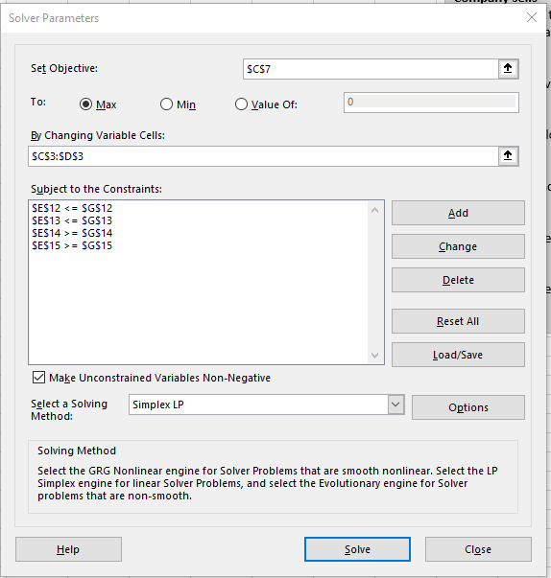
 | x | y
Variables: | 30 | 60
Profir per unit: | 5 | 6

Profit: | 510 | =SUMPRODUCT(C3:D3;C4:D4)

Constraints | X | Y | LHS | Sign | RHS
2X + Y | 2 | 1 | 120 | <= | 120
2X + 3Y | 2 | 3 | 240 | <= | 240
X | 1 |  | 30 | >= | 0
Y |  | 1 | 60 | >= | 0

PC Tech Company
PC Tech Company
The PC Tech company assembles and then tests two models of computers, Basic and XP. For the coming month, the company wants to decide how many of each model to assemble and then test. No computers are in inventory from the previous month, and because these models are going to be changed after this month, the company doesn’t want to hold any inventory after this month.
It believes the most it can sell this month are 600 Basics and 1200 XPs.
Each Basic sells for $300 and each XP sells for $450.
The cost of component parts for a Basic is $150; for an XP it is $225.
Labor is required for assembly and testing. There are at most 10,000 assembly hours and 3,000 testing hours available.
Each labor hour for assembling costs $11 and each labor hour for testing costs $15.
Each Basic requires five hours for assembling and one hour for testing. Each XP requires six hours for assembling and two hours for testing. PC Tech wants to know how many of each model it should produce (assemble and test) to maximize its net profit, but it cannot use more labor hours that are available, and it does not want to produce more than it can sell.
 |  |  |  |  |  |  |  |  |  | Summary sentence:
 |  |  |  |  |  |  |  |  |  | Produce 560 Basic computers, 1200 XP computers for max net profit of 199 600$

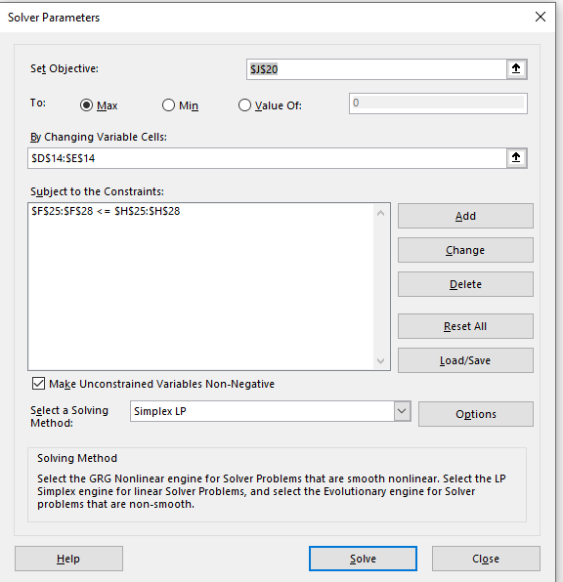

 |  | Basic | XP
 |  | 560 | 1200
Unit price: |  | $300 | $450 |  |  |  | revenue: | $708,000
Сost of component parts |  | $150 | $225 |  |  |  | costs:
 |  |  |  |  | Total cost of component : |  |  | $354,000 | =D14*D16+E14*E16
 |  | assembling | testing |  | Total cost of label: |  |  | $154,400 | =SUM(G31:G32)
 | price | $11 | $15
 | hour | 5 | 1 |  |  |  | profit: | $199,600 | =J15-J17-J18

 | Constraints: |  |  | LHS | sign | RHS
 | assembly hours: | 5 | 6 | 10000 | <= | 10000
 | testing hours: | 1 | 2 | 2960 | <= | 3000
 | basic | 1 |  | 560 | <= | 600
 | xp |  | 1 | 1200 | <= | 1200

Labor_assem (hours): |  | 5 | 6 | 10000 | $110,000
Labor_testing (hours): |  | 1 | 2 | 2960 | $44,400

Furniture Company
Furniture Company
Tectona Furniture Corporation manufactures outdoor furniture. Their two main products are benches and tables, both made of teak wood.
The firm has two main resources: its carpenters (labor force) and a supply of teak for use in the furniture. During the next production cycle, 1,250 hours of labor are available under a union agreement. The firm also has a stock of 3,600 board feet of teak lumber. Each bench that Tectona produces requires 4 labor hours and 9 board feet of teak; each picnic table takes 6 labor hours and 36 board feet of teak. Completed benches will yield a profit of $12 each, and tables will result in a profit of $20 each.
As a consultant for Tectona Furniture Corporation, you are tasked with creating a spreadsheet model to help the company obtain the maximum profit during the next production cycle.

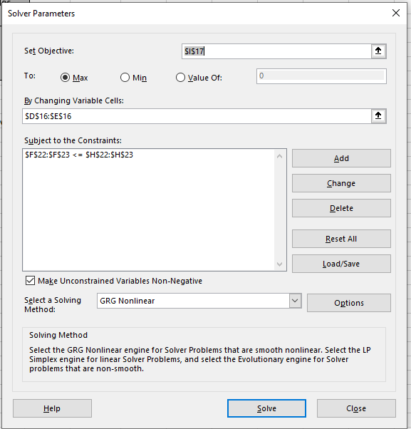

 |  |  |  |  |  |  |  | Summary: The maximum profit during the next production cycle is | $3,820
 |  | Benches | Tables
 | Number of: | 259.9999981 | 35.000001268
 | Profit of 1 item: | 12 | 20 |  |  | Total max profit: | $3,820 | =SUMPRODUCT(D16:E16;D17:E17)

Constraints: |  |  |  | LHS | sign | RHS
labor hours for 1 item: |  | 4 | 6 | 1250 | <= | 1250
Board feet of teak: |  | 9 | 36 | 3600.0000285 | <= | 3600
 |  |  |  | =SUMPRODUCT($D$16:$E$16;D23:E23)

Investment Allocation
Investment Allocation
A brokerage firm has been instructed by a client to invest $250,000. The client requests the firm select whatever stocks and bonds they believe are well-rated, but with the following guidelines:
Municipal bonds constitute at least 20% of investment.
At least 40% of the investment is placed in tech stocks.
No more than 50% of the amount invested in municipal bonds should be high risk.
The table below lists the rate of return for five different investment options.

 | X1 | X2 | X3 | X4 | X5
Variables: | $50,000 | $- | $- | $175,000 | $25,000
 | 5.3% | 6.8% | 4.9% | 8.4% | 11.8%

Return: | $20,300.00 | =SUMPRODUCT(C4:G4;C5:G5)
 |  |  |  |  |  |  |  |  | X1 | L.A. Municipal Bond | 5.3
 |  |  |  |  |  |  |  |  | X2 | Thompson Electronics, Inc. | 6.8 | tech
 |  |  |  |  |  |  |  |  | X3 | United Aerospace Corp. | 4.9 | tech
 |  |  |  |  |  |  |  |  | X4 | Palmer Technologies | 8.4 | tech
Constraints: |  |  |  |  |  | LHS | sign | RHS | X5 | HDN Stock (high risk) | 11.8
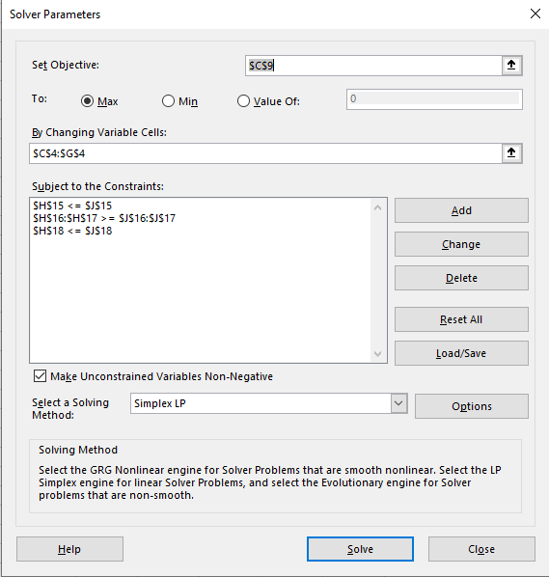
budget | 1 | 1 | 1 | 1 | 1 | 250000 | <= | $250,000
municipal 20% | 1 |  |  |  |  | 50000 | >= | $50,000
tech 40% |  | 1 | 1 | 1 |  | 175000 | >= | $100,000
high risk 50% of munic |  |  |  |  | 1 | 25000 | <= | $25,000

Feed Mix
Feed Mix
The Battery Park Stable feeds and houses the horses used to pull tourist-filled carriages through the streets of Charleston’s historic waterfront area. The stable owner, an ex-racehorse trainer, recognizes the need to set a nutritional diet for the horses in his care. At the same time, he would like to keep the overall daily cost of feed to a minimum.
The feed mixes available for the horses’ diet are an oat product, a highly enriched grain, and a mineral product. Each of these mixes contains a certain amount of five ingredients needed daily to keep the average horse healthy. The table below shows these minimum requirements, units of each ingredient per pound of feed mix, and costs for the three mixes.
In addition, the stable owner is aware that an overfed horse is a sluggish worker. Consequently, he determines that a total of 6 pounds of feed per day is the most that any horse needs to function properly.
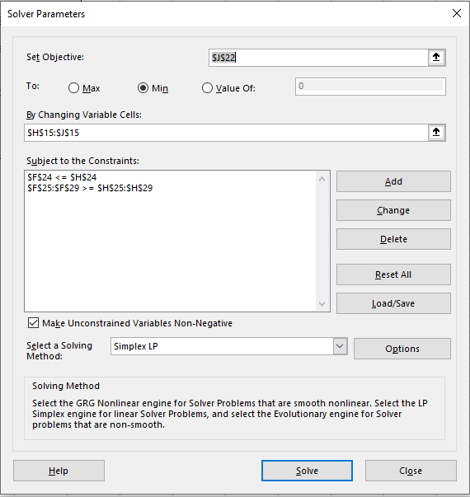

Diet Requirement (Ingredients) | Oat Product (units/lb) | Enriched Grain (units/lb) | Mineral Product (units/lb) | Minimum Daily Requirement (units)
A | 3.0 | 4.0 | 2.0 | 5.0 |  | Oat Product | Enriched Grain | Mineral Product
B | 0.5 | 1.0 | 1.0 | 2.0 |  | 0.25 | 4.5 | 0 | <--What mix of food should the stable owner give each horse daily?
C | 4.0 | 2.0 | 6.0 | 10.0
D | 1.0 | 1.5 | 2.0 | 7.0
E | 0.5 | 1.5 | 0.5 | 6.0
Cost/lb | $0.09 | $0.12 | $0.18

 |  |  |  |  |  |  |  | 0.5625 | <--Minimum daily feed costs
Constraints: | O | E | M | LHS | sign | RHS |  | =SUMPRODUCT(H15:J15;C19:E19)
Total of Feed | 1.0 | 1.0 | 1.0 | 3.0 | <= | 6
A | 3 | 4 | 2 | 18.75 | >= | 5.0
B | 0.5 | 1 | 1 | 4.625 | >= | 2.0
C | 4 | 2 | 6 | 10 | >= | 10.0
D | 1 | 1.5 | 2 | 7 | >= | 7.0
E | 0.5 | 1.5 | 0.5 | 6.875 | >= | 6.0

 | Summary:
 | Every day, the stable owner must give each horse at least the amount of feed 0,5625 $ (0,25 Oat product, 4,5 Enriched grain)

Busing Problem
Busing Problem
Johns Hopkins is setting up three Charter schools in Baltimore City: Kyoko HS, Devon HS, and Manny HS. Each high school has a capacity of 900 students. The Mayor hires your company to assign accepted students to these three new high schools. Busses will be provided to students who live more than walking distance (defined as 1.5 miles) to the schools. Baltimore City has been partitioned into five neighborhoods: A, B, C, D and E. Kyoko HS is in sector B, Devon HS is in sector C, and Manny HS is in sector E. If a student lives in a sector and is assigned to the high school in that sector, the student can walk to school and does not get a bus. All students must be assigned a school. The table below shows the distance (in miles) from each sector to each school. Minimize the total student miles travelled by bus.
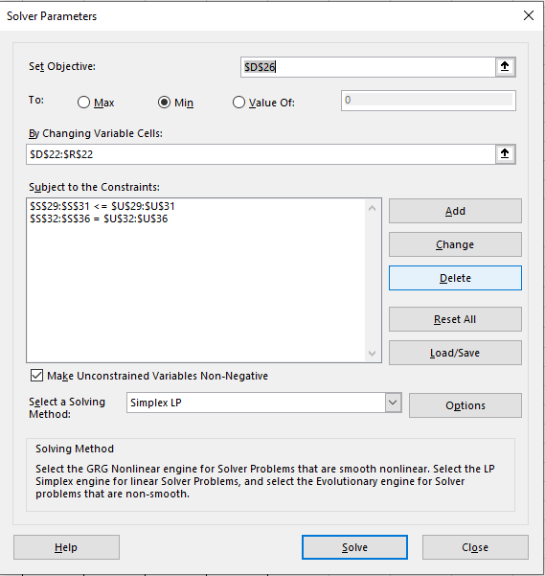

Sector | Distance to Kyoko HS (in Sector B) | Distance to Devon HS (in Sector C) | Distance to Manny HS (in Sector E) | Number of Students
A | 5 | 8 | 6 | 700
B | 0 | 4 | 12 | 500
C | 4 | 0 | 7 | 100
D | 7 | 2 | 5 | 800
E | 12 | 7 | 0 | 400
 | Variables: | AB | AC | AE | BB | BC | BE | CB | CC | CE | DB | DC | DE | EB | EC | EE
 |  | 400 | 0 | 300 | 500 | 0 | 0 | 0 | 100 | 0 | 0 | 800 | 0 | 0 | 0 | 400
 |  | 5 | 8 | 6 | 0 | 4 | 12 | 4 | 0 | 7 | 7 | 2 | 5 | 12 | 7 | 0 | <--miles traveled

 | Student bus miles: | 5400 | =SUMPRODUCT(D22:R22;D23:R23)
 |  |  |  |  |  |  |  |  |  |  |  |  |  |  |  |  | =SUMPRODUCT($D$22:$R$22;D29:R29)
 | Constraints: |  |  |  |  |  |  |  |  |  |  |  |  |  |  |  | LHS | sign | RHS
 | 900 in B | 1 |  |  | 1 |  |  | 1 |  |  | 1 |  |  | 1 |  |  | 900 | <= | 900
 | 900 in C |  | 1 |  |  | 1 |  |  | 1 |  |  | 1 |  |  | 1 |  | 900 | <= | 900
 | 900 in E |  |  | 1 |  |  | 1 |  |  | 1 |  |  | 1 |  |  | 1 | 700 | <= | 900
 | 700 in A | 1 | 1 | 1 |  |  |  |  |  |  |  |  |  |  |  |  | 700 | = | 700
 | 500 in B |  |  |  | 1 | 1 | 1 |  |  |  |  |  |  |  |  |  | 500 | = | 500
 | 100 in C |  |  |  |  |  |  | 1 | 1 | 1 |  |  |  |  |  |  | 100 | = | 100
 | 800 in D |  |  |  |  |  |  |  |  |  | 1 | 1 | 1 |  |  |  | 800 | = | 800
 | 400 in E |  |  |  |  |  |  |  |  |  |  |  |  | 1 | 1 | 1 | 400 | = | 400
 |  |  |  |  |  |  |  |  |  |  |  |  |  |  |  |  | =SUMPRODUCT($D$22:$R$22;D36:R36)

Bus Company
Bus Company
A bus company believes that it will need the following number of bus drivers during each of the next five years: 60 drivers in year 1, 70 drivers in year 2, 50 drivers in year 3, 65 drivers in year 4; and 75 drivers in year 5.
At the beginning of each year, the bus company must decide how many new drivers to hire and how many current drivers to fire. It costs $4000 to hire a new driver and $2000 to fire a current driver. A driver's salary is $10,000 per year.
At the beginning of year 1, the company has 50 drivers. A driver hired at the beginning of a year can be used to meet the current year's requirements and is paid full salary for the current year.
As a consultant for the bus company, you have been asked to determine how to minimize the bus company's total costs (which include salary, hiring, and firing costs) over the next five years.
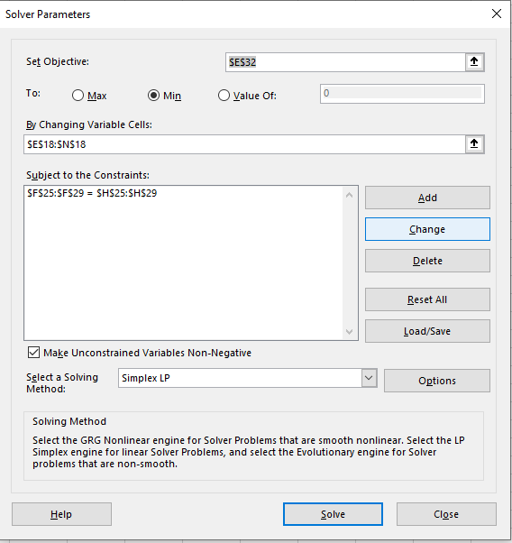

 |  |  |  | Y1H | Y1F | Y2H | Y2F | Y3H | Y3F | Y4H | Y4F | Y5H | Y5F
 |  |  |  | 10 | 0 | 10 | 0 | 0 | 20 | 15 | 0 | 10 | 0 | <--Y - hiring; F - fired; 1,2,3,4,5 - years

costs of hired: |  | 180000 | =4000*(E18+G18+I18+K18+M18)
costs of fired: |  | 40000 | =2000*(F18+H18+J18+L18+N18)
salary:
 | 1 | 60 | 600000 |  | LHS | sign | RHS |  |  |  | =50+E18-F18
 | 2 | 70 | 700000 |  | 60 | >= | 60 |  |  |  | =C24+G18-H18
 | 3 | 50 | 500000 |  | 70 | >= | 70 |  |  |  | =C25+I18-J18
 | 4 | 65 | 650000 |  | 65 | >= | 50 |  |  |  | =C26+K18-L18
 | 5 | 75 | 750000 |  | 65 | >= | 65 |  |  |  | =C27+M18-N18
 |  |  | 3200000 |  | 75 | >= | 75

 |  |  | Total costs: | 3420000 | =C21+C22+D29

Nike factory
Nike factory
A Nike factory in Hanover, MD, makes soccer balls and basketballs. A soccer ball takes 1.5 hours of machine time and 3 hours of a worker's time in its making while a basketball takes 3 hours of machine time and 1 hour of a worker's time. In a day, the factory can produce no more than 42 hours of machine time(total time across multiple machines) and 24 hours of worker's time. The profit on a soccer ball is $20 and the profit on a basketball is $10. The manager wants to maximize the daily profit.
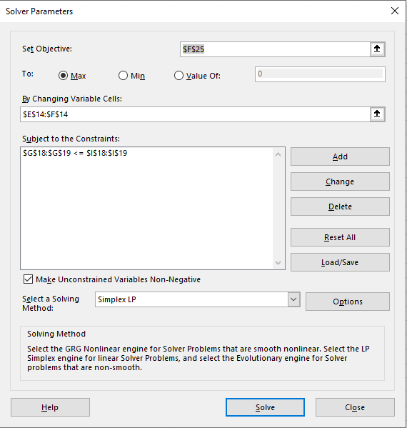

 |  | Soccer ball | Basketball
 |  | 4 | 12 | <--decision variables

 | Constraints: |  |  | LHS | sign | RHS
 | machine time | 1.5 | 3 | 42 | <= | 42
 | worker`s time | 3 | 1 | 24 | <= | 24
 |  |  |  |  | =SUMPRODUCT(E19:F19;E14:F14)

 |  |  | Soccer ball | Basketball
 |  | profit: | 20 | 10
 |  | Total profit: | 200 |  | =SUMPRODUCT(E14:F14;F24:G24)

Summary:
The maximum possible weekly profit under these conditions is $200.

Transportation Example
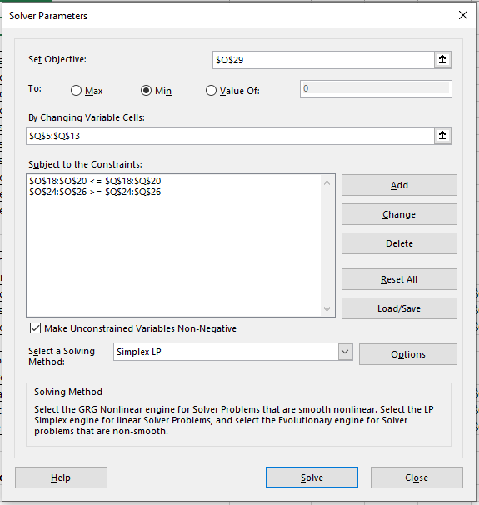
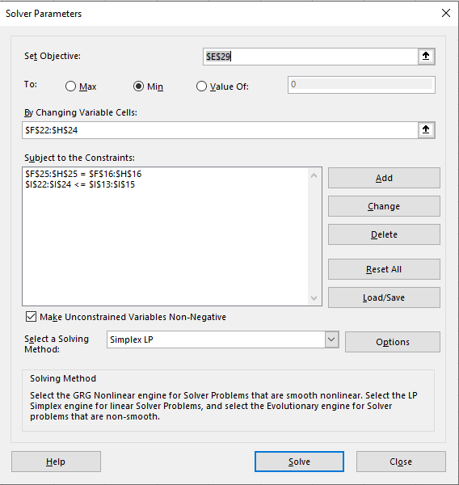
Transportation Example
Factories: Des Moines, Eyanston, Ft Lauderdale
Stores in: Albany, Boston, Cleveland
 |  |  |  |  |  |  |  | example 2

 |  |  |  |  |  |  |  | Origin/Factories | Destinations/Stores | Unit costs | Shipments
 |  |  |  |  |  |  |  | Des Moines | Albany | 5 | 100
 |  |  |  |  |  |  |  | Des Moines | Boston | 4 | 0
 |  |  |  |  |  |  |  | Des Moines | Cleveland | 3 | 0
 |  |  |  |  |  |  |  | Eyanston | Albany | 8 | 0
 | example 1 |  |  |  |  |  |  | Eyanston | Boston | 4 | 200
 |  |  |  |  |  |  |  | Eyanston | Cleveland | 3 | 100
 |  |  |  | Destinations |  |  |  | Ft Lauderdale | Albany | 9 | 200
Data table: |  |  | Albany | Boston | Cleveland | Output: |  | Ft Lauderdale | Boston | 7 | 0
 | Sources | Des Moines | 5 | 4 | 3 | 100 |  | Ft Lauderdale | Cleveland | 5 | 100
 |  | Eyanston | 8 | 4 | 3 | 300
 |  | Ft Lauderdale | 9 | 7 | 5 | 300
 |  | Demand: | 300 | 200 | 200 |  |  | Supply constraints:
 |  |  |  |  |  |  |  | Factories: | Outflow | sign | Capacity
 |  |  |  |  |  |  |  | Des Moines | 100 | <= | 100 | =SUMIF($N$5:$N$13;N18;$Q$5:$Q$13)
 |  |  |  |  |  |  |  | Eyanston | 300 | <= | 300 | =SUMIF($N$5:$N$13;N19;$Q$5:$Q$13)
 |  |  | Destinations |  |  |  |  | Ft Lauderdale | 300 | <= | 300 | =SUMIF($N$5:$N$13;N20;$Q$5:$Q$13)
Shipment table: |  |  | Albany | Boston | Cleveland | Output:
 | Sources | Des Moines | 100 | 0 | 0 | 100 | =SUM(E22:G22) | Demand constraints:
 |  | Eyanston | 0 | 200 | 100 | 300 | =SUM(E23:G23) | Stores: | Inflow | sign | Demand
 |  | Ft Lauderdale | 200 | 0 | 100 | 300 | =SUM(E24:G24) | Albany | 300 | >= | 300 | =SUMIF($O$5:$O$13;N24;$Q$5:$Q$13)
 |  | Demand: | 300 | 200 | 200 |  |  | Boston | 200 | >= | 200 | =SUMIF($O$5:$O$13;N25;$Q$5:$Q$13)
 |  |  | =SUM(E22:E24) |  |  |  |  | Cleveland | 200 | >= | 200 | =SUMIF($O$5:$O$13;N26;$Q$5:$Q$13)

Minimum total cost: |  | 3900 | =SUMPRODUCT(E13:G15;E22:G24) |  |  |  |  | Minimum total cost: | 3900 | =SUMPRODUCT(P5:P13;Q5:Q13)

Construction Projects
The Osbourne Concrete Company has plants in three locations and is currently working on three major construction projects, each located at a different site. The shipping cost per truckload of concrete, daily plant capacities, and daily project require
Determine the least-cost way for Osbourne Concrete to meet their requirements.ments are provided in the table below.

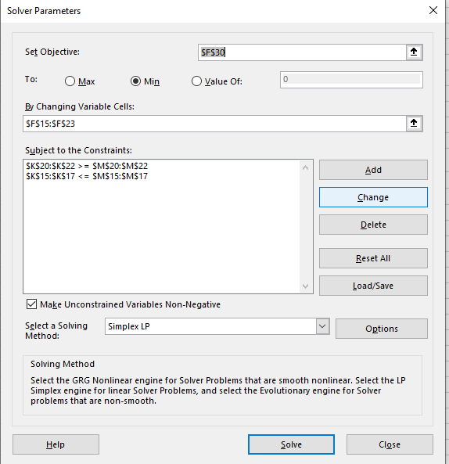

 | Project A | Project B | Project C | Capacity

Plant 1 | $10 | $4 | $9 | 80
Plant 2 | $12 | $6 | $8 | 40
Plant 3 | $8 | $9 | $5 | 30
Requirements | 50 | 40 | 60

 |  |  |  |  |  |  | OUT | sign | SHIP
 | Plant 1 | A | 10 | 40 |  | Plant 1 | 80 | <= | 80 | =SUMIF($C$15:$C$23;J15;$F$15:$F$23)
 | Plant 1 | B | 4 | 40 |  | Plant 2 | 40 | <= | 40 | =SUMIF($C$15:$C$23;J16;$F$15:$F$23)
 | Plant 1 | C | 9 | 0 |  | Plant 3 | 30 | <= | 30 | =SUMIF($C$15:$C$23;J17;$F$15:$F$23)
 | Plant 2 | A | 12 | 0
 | Plant 2 | B | 6 | 0
 | Plant 2 | C | 8 | 40 |  | A | 50 | >= | 50 | =SUMIF($D$15:$D$23;J20;$F$15:$F$23)
 | Plant 3 | A | 8 | 10 |  | B | 40 | >= | 40 | =SUMIF($D$15:$D$23;J21;$F$15:$F$23)
 | Plant 3 | B | 9 | 0 |  | C | 60 | >= | 60 | =SUMIF($D$15:$D$23;J22;$F$15:$F$23)
 | Plant 3 | C | 5 | 20

 |  | Minimuml total cost: |  | 1060 | =SUMPRODUCT(E15:E23;F15:F23)

New Hire Assignments
New Hire Assignments
A company has three new hires: Jones, Smith, and Wilson. They can be sent to any one of four offices: in Omaha, Dallas, New York, or Miami. Only one candidate can be sent to each office. The cost to relocate each candidate to each of the offices is shown in the table below.

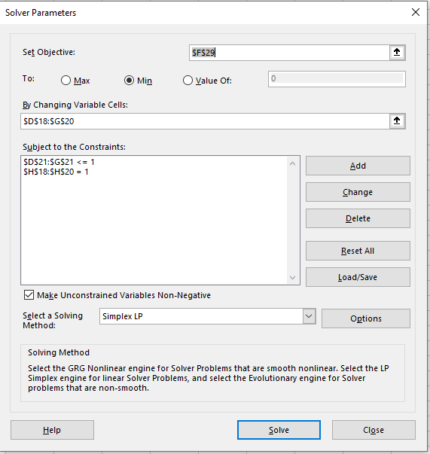

 | Omaha | Miami | Dallas | New York

Jones | $800.00 | $1,100.00 | $1,200.00 | $1,000.00
Smith | 500.00 | 1,600.00 | 1,300.00 | $800.00
Wilson | 500.00 | 1,000.00 | 2,300.00 | $1,500.00

 | Omaha | Miami | Dallas | New York
 |  |  |  |  | total | sign | Each candidate gets assigned an office
Jones | 0 | 1 | 0 | 0 | 1 | = | 1
Smith | 0 | 0 | 0 | 1 | 1 | = | 1
Wilson | 1 | 0 | 0 | 0 | 1 | = | 1
 | 1 | 1 | 0 | 1
 | <= | <= | <= | <=
 | 1 | 1 | 1 | 1

 | Relocation costs: |  | 2400

MLB Umpire Assignment
MLB Umpire Assignment
Crews of Major League Baseball (MLB) umpires are currently in the cities of Seattle, Arlington, Oakland, and Baltimore. The crews need to get sent to games that are soon beginning in Kansas City, Chicago, Detroit, and Toronto. Estimated travel distances (in miles) between the cities are shown in the table below.
Due to a union requirement, the MLB is not allowed to send any crew from Oakland to Toronto.
Assign one umpire crew to each city (only one per city) to minimize the total distance traveled.
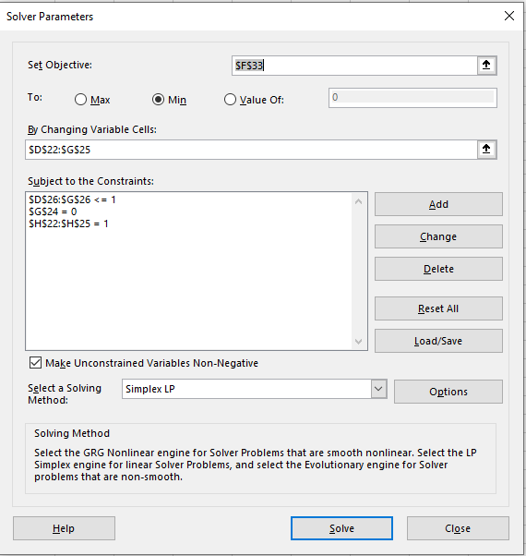

 | Kansas City | Chicago | Detroit | Toronto

Seattle | 1500 | 1730 | 1940 | 2070
Arlington | 460 | 810 | 1020 | 1270
Oakland | 1500 | 1850 | 2080 | X
Baltimore | 960 | 610 | 400 | 330

 | Kansas City | Chicago | Detroit | Toronto
 |  |  |  |  |  | =SUM(D22:G22)
Seattle | 0 | 0 | 1 | 0 | 1 | = | 1
Arlington | 0 | 1 | 0 | 0 | 1 | = | 1
Oakland | 1 | 0 | 0 | 0 | 1 | = | 1
Baltimore | 0 | 0 | 0 | 1 | 1 | = | 1
 | 1 | 1 | 1 | 1 | =SUM(G22:G25)
 | = | = | = | =
 | 1 | 1 | 1 | 1

 | Total cost of travel |  | 4580 | =SUMPRODUCT(D13:G16;D22:G25)

College Professors
College Professors
Richard Whiteless, chairman of a college’s business department, has decided to apply a new method in assigning professors to courses next semester. As a criterion for judging who should teach each course, Professor Whiteless reviews the past two years’ teaching evaluations (which were filled out by students). Since each of the four professors taught each of the four courses at one time or another during the two-year period, Whiteless is able to record a course rating for each instructor. These ratings are shown in the following table. Find the best assignment of professors to courses to maximize the overall teaching rating.

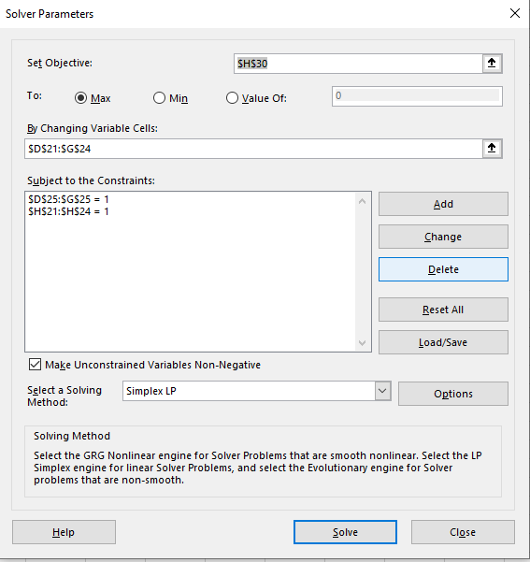

 | Statistics | Management | Finance | Economics

Bain | 80 | 85 | 95 | 40
Carey | 85 | 30 | 75 | 65
Dio | 90 | 55 | 80 | 70
Powell | 55 | 80 | 65 | 50

 | Statistics | Management | Finance | Economics
 |  |  |  |  | =SUM(D21:G21)
Bain | 0 | 0 | 1 | 0 | 1 | = | 1
Carey | 1 | 0 | 0 | 0 | 1 | = | 1
Dio | 0 | 0 | 0 | 1 | 1 | = | 1
Powell | 0 | 1 | 0 | 0 | 1 | = | 1
 | 1 | 1 | 1 | 1 | =SUM(G21:G24)
 | = | = | = | =
 | 1 | 1 | 1 | 1

 | Maximum the overall teaching rating |  |  |  | 330 | =SUMPRODUCT(D13:G16;D21:G24)

Transportation and Assignment P
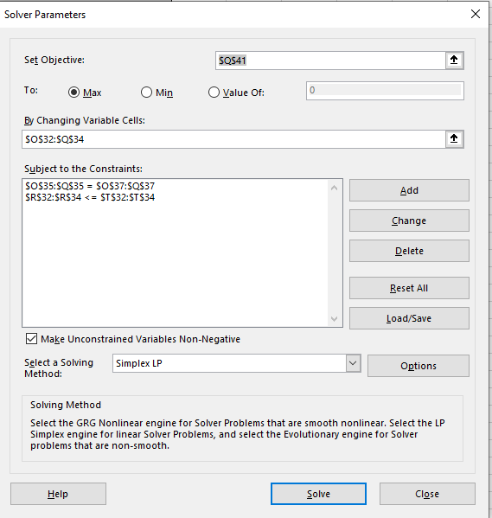
However, demand for skilled labor in the basketball jersey making market has decreased. Bianca has three open plants that have openings, but not enough for all 235 employees looking to be transferred. The below table summarizes Bianca's current needs:
Transportation and Assignment Problems
Maxie and Bianca own Umbrella Corporation, LLC, and they are the top producers of high quality Johns Hopkins Basketball jerseys. Despite prior team records, these jerseys are in hot demand.
Maxie and Bianca operate two factories, Factory 1 and Factory 2. They have large orders from retail stores in three locations: Store A, Store B, and Store C. The transportation costs from Factory 1 to the three stores are $22, $14, and $30 per jersey, respectively. The transportation costs from Factory 2 to the three stores are $16, $20, and $24 per jersey respectively. Factory 1 can produce at most 100 jerseys in a week. Factory 2 can produce at most 120 jerseys in a week. Stores A, B and C demand 80, 60, and 70 jerseys each week.
The manufacturing costs are $6.00 per jersey at Factory 1 and $6.25 per jersey at Factory 2.
Maxie and Bianca are savvy businesswomen and want to minimize their costs. Find the number of jerseys that should be shipped from each factory to each store such that the total costs from transportation and manufacturing are minimized.
Maxie is leaving the Johns Hopkins Basketball jersey making business and is closing three of her factories. She would like to reassign all 235 of her best workers to Bianca's remaining factories.

 |  |  |  |  |  |  |  |  | Closing Plant | No. of Workers to Transfer |  |  |  | Open Plant | No. of Open Positions
 |  |  |  |  |  |  |  |  | 1 | 60 |  |  |  | A | 45
 |  |  |  |  |  |  |  |  | 2 | 105 |  |  |  | B | 90
 |  |  |  |  |  |  |  |  | 3 | 70 |  |  |  | C | 35
 |  |  |  |  |  |  |  |  | Total | 235 |  |  |  | Total | 170

Each worker who fills an open position on the assembly line will increase the number of basketball jerseys produced per day at each plant as shown in the following table:

 |  | Store A | Store B | Store C
 | factory 1 | $22 | $14 | $30
 | factory 2 | $16 | $20 | $24
 |  |  |  |  |  |  |  |  | To:
 |  |  |  |  |  | =SUM(D22:F22)
 |  |  |  |  |  |  |  | From: | A | B | C
 | Constraints: | Store A | Store B | Store C | LHS | sign | RHS | 1 | 5 | 8 | 6
 | factory 1 | 30 | 60 | 0 | 90 | <= | 100 | 2 | 10 | 9 | 12
 | factory 2 | 50 | 0 | 70 | 120 | <= | 120 | 3 | 7 | 6 | 10
Determine how to assign workers from the closing plants to the open plants in order to maximize product output.
 |  | 80 | 60 | 70 |  | =SUM(F22:F23)
 |  | = | = | =
 |  | 80 | 60 | 70

 | The manufacturing costs factory 1 |  |  | $6.00
 | The manufacturing costs factory 2 |  |  | $6.25
 |  |  |  |  |  |  |  |  | A | B | C |  | =SUM(O32:Q32)
 | costs 1: | $2,040.00 | =SUMPRODUCT(D16:F16;D22:F22)+SUM(D22:F22)*F29 |  |  |  |  | 1 | 0 | 60 | 0 | 60 | <= | 60
 | costs 2: | $3,230.00 | =SUMPRODUCT(D17:F17;D23:F23)+SUM(D23:F23)*F30 |  |  |  |  | 2 | 45 | 30 | 30 | 105 | <= | 105
Minimum total costs: |  | $5,270.00 | =SUM(D32:D33) |  |  |  |  | 3 | 0 | 0 | 5 | 5 | <= | 70
 |  |  |  |  |  |  |  |  | 45 | 90 | 35 |  | =SUM(Q32:Q34)

 |  |  |  |  |  |  |  |  | = | = | =
 |  |  |  |  |  |  |  |  | 45 | 90 | 35

 |  |  |  |  |  |  |  | MAXIMUM PRODUCTION OUTPUT: |  |  | 1610 | =SUMPRODUCT(O21:Q23;O32:Q34)

Princess Brides
Princess Brides
Liz Bailey is the owner of Princess Brides, a wedding dress retailer. She uses radio to market and two types of ads are available – those during prime time and those at other times. Each prime time ad costs $390 and reaches 8,200 people on average. Off-peak ads cost $240 and reach 5,100 people on average. Bailey has a budget of $1800 per week for advertising. She wants at least 2 prime time ads and no more than 6 off-peak ads. Find the best mix of ads to purchase so the most people are reached.


 |  |  |  |  |  | prime | other
 |  |  |  |  | price | 390 | 240
 |  |  |  |  | people | 8200 | 5100

 |  |  |  | =SUMPRODUCT(J11:K11;E17:F17)
 | prime | other | LHS | sign | RHS
 | 4 | 1 | 1800 | <= | 1800
 | 4 | 1
 | >= | <= |  | =F17
 | 2 | 6

The most people are reached |  | 37900 | =SUMPRODUCT(E17:F17;J12:K12)

Bolsa de Café
Bolsa de Café
Bolsa de Café is a specialty coffee shop selling custom blends of coffee using 3 types of beans. They sell two products: 20 lb bags of blended coffee beans (whole) and individual bags of ground beans sold by the pound in bulk. The ground beans can be produced in any quantity. Both bags are composed of three different beans. The 20lb bags sell for $85 and bags of ground beans sell for $1.50/lb. Find the number of 20lb bags and number of pounds of ground beans to produce subject to the constraints in the table below so that profit is maximized.
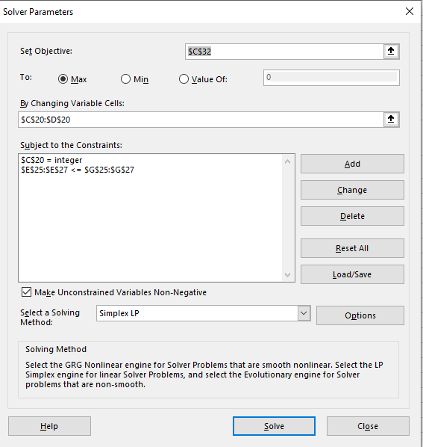

Bean | Units per 20 lb bag | Units per lb | Amount available (lbs)
A | 30 | 0.5 | 2000
B | 18 | 0.4 | 800
C | 2 | 0.1 | 200

Variables: | N of 20 lb bags | lbs
 | 44 | 20
 | $85.00 | $1.50

 |  |  |  | =SUMPRODUCT($C$20:$D$20;C25:D25)
Constraints: |  |  | LHS | sign | RHS
A | 30 | 0.5 | 1330 | <= | 2000
B | 18 | 0.4 | 800 | <= | 800
C | 2 | 0.1 | 90 | <= | 200

Profit: | 3770 | =SUMPRODUCT(C20:D20;C21:D21)

Art Posters
Art Posters
University art student Hilda Hernandez runs a small business printing and selling wall posters. She sells two sizes of wall posters, a large 3- by 4-foot poster and a smaller 2- by 3-foot poster. The profit earned from the sale of each large poster is $5; each smaller poster earns $7. Because of her classroom schedule, Hilda has the following weekly constraints: (1) up to four large posters can be sold, (2) up to six smaller posters can be sold, and (3) up to 15 hours can be spent on posters during the week, with each large poster requiring 3 hours of work and each smaller one taking 1.5 hour.
With the semester almost over, Hilda plans on taking a 3-month summer vacation to England. She wants to maximize her profit in her final week before leaving, and she doesn’t want to leave any unfinished posters behind.
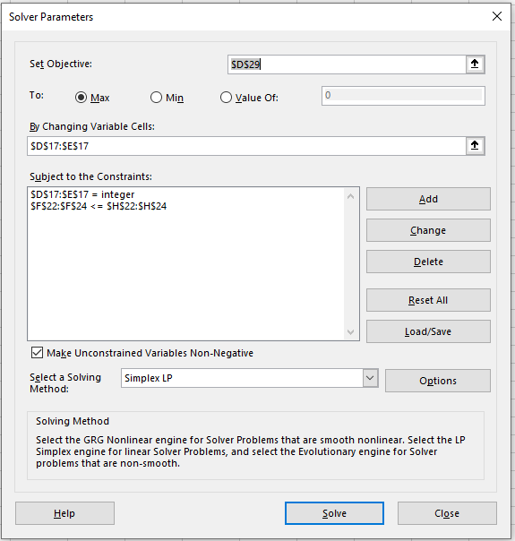

 | big | small
Variables: | 2 | 6
 | $5.00 | $7.00

 |  |  |  | =SUMPRODUCT($D$17:$E$17;D22:E22)
Constraints: |  |  | LHS | sign | RHS
N of big | 1 |  | 2 | <= | 4
N of small |  | 1 | 6 | <= | 6
hours of work | 3 | 1.5 | 15 | <= | 15

profit: | 52 | =SUMPRODUCT(D17:E17;D18:E18)

Binary Investment Decision
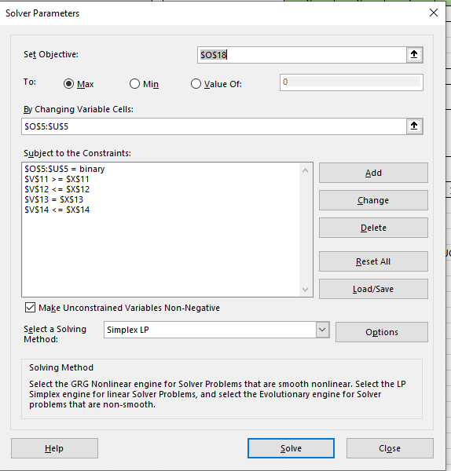
Binary Investment Decision
A financial investment firm specializes in recommending oil stock portfolios for clients. One such client made the following specifications:
At least two Texas oil firms must be in the portfolio
No more than one investment can be made in foreign oil companies (companies outside of the United States).
One of two California oil stocks must be purchased.
Up to $3 million for investing to purchase single blocks of stock per table below.
Find the allocation of investments to maximize the return.

 |  |  |  |  | Variables: | X1 | X2 | X3 | X4 | X5 | X6 | X7
 |  |  |  |  |  | 0 | 0 | 1 | 1 | 1 | 1 | 0
 |  |  |  |  |  | 50 | 80 | 90 | 120 | 110 | 40 | 75

 |  |  |  |  | Constraints: |  |  |  |  |  |  |  | LHS | sign | RHS
 |  | Name | Expected Annual Return ($1000) | Cost for Block of Shares ($1000) | At least 2 Texas | 1 |  |  | 1 | 1 |  |  | 2 | >= | 2
X1 | Texas --> | Trans-Texas Oil | 50 | 480 | No more than one companies outside of the US |  | 1 | 1 |  |  |  |  | 1 | <= | 1
X2 |  | British Petroleum (BP) | 80 | 540 | One of two California |  |  |  |  |  | 1 | 1 | 1 | = | 1
X3 |  | Dutch Shell | 90 | 680 | budget | 480 | 540 | 680 | 1000 | 700 | 510 | 900 | 2890 | <= | 3000
X4 | Texas --> | Houston Drilling | 120 | 1000 |  |  |  |  |  |  |  |  |  | =SUMPRODUCT($O$5:$U$5;O14:U14)
X5 | Texas --> | Texas Petroleum | 110 | 700
X6 | CA | San Diego Oil | 40 | 510
X7 | CA | California Petro. | 75 | 900 | Max profit: | 360 | (000 s) | =SUMPRODUCT(O5:U5;O6:U6)

Horizon Wireless
Horizon Wireless
Horizon Wireless, a cellular telephone company, is expanding into a new city. Relay towers are necessary to provide wireless telephone coverage to the different areas of the city. A grid is superimposed on a map of the city to help determine where the towers should be located. The grid consists of 8 areas labeled A through H. Six possible tower locations (numbered L1–L6) have been identified, and each location could serve several areas. The table below indicates the areas served by each of the towers.
Horizon wants to make sure that all areas of the city are served, while minimizing the number of towers that need to be built.

 | L1 | L2 | L3 | L4 | L5 | L6
 | 1 | 1 | 0 | 1 | 0 | 0

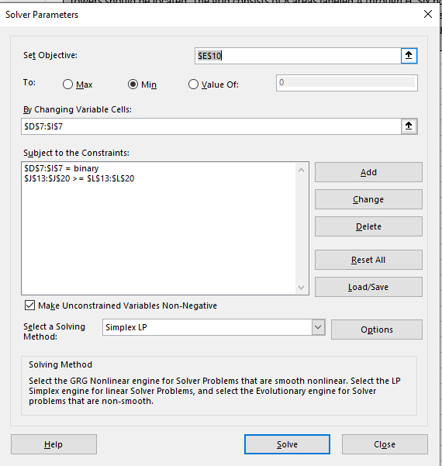
 | Min towers: | 3 | =SUM(D7:I7) |  |  |  |  |  |  | Tower Location | Areas Served
 |  |  |  |  |  |  |  |  |  | L1 | A, C, D
Constraints: |  |  |  |  |  |  | LHS | sign | RHS | L2 | B, D, G
A | 1 |  |  |  |  | 1 | 1 | >= | 1 | L3 | B, C, E, F
B |  | 1 | 1 |  |  |  | 1 | >= | 1 | L4 | E, F, H
C | 1 |  | 1 |  |  |  | 1 | >= | 1 | L5 | D, G, H
D | 1 | 1 |  |  | 1 | 1 | 2 | >= | 1 | L6 | A, D, F
E |  |  | 1 | 1 |  |  | 1 | >= | 1
F |  |  | 1 | 1 |  | 1 | 1 | >= | 1
H |  |  |  | 1 | 1 |  | 1 | >= | 1
G |  | 1 |  |  | 1 |  | 1 | >= | 1

 |  |  |  |  |  |  |  | =SUMPRODUCT($D$7:$I$7;D20:I20)

Portfolio Variance
Portfolio Variance
Ryan, a financial investor for PB&J, is evaluating two stocks in a particular industry. He want to minimize the variance of a portfolio consisting of these two stocks, but wants to have an expected return of 9%. After obtaining historical data on past variances and returns, he develops the following non-linear program:
XXX = proportion of money to invest in Stock 1
YYY = proportion of money to invest in Stock 2
All funds must be invested. Historical return on Stock 1 is 11%; Historical return on Stock 2 is 8%.
Min: Var=0.16X2+0.2XY+0.9Y2Var=0.16X2+0.2XY+0.9Y2
start text, V, a, r, end text, equals, 0, point, 16, X, squared, plus, 0, point, 2, X, Y, plus, 0, point, 9, Y, squared

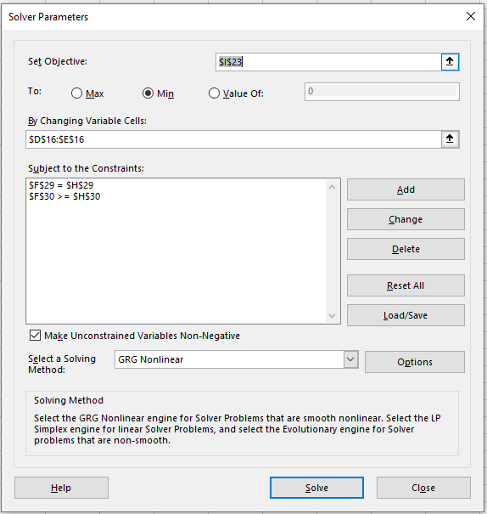

 | X | Y
 | 93% | 7%

vars:
 | x^2 | xy | y^2
formulas: | 0.86533261526 | 0.06489994451 | 0.0048674957157 |  | answer: | 0.15581395349 | =SUMPRODUCT(D23:F23;D25:F25)
 | =D16^2 | =D16*E16 | =E16^2
 | 0.16 | 0.2 | 0.9

 |  |  |  | =SUMPRODUCT($D$16:$E$16;D29:E29)
Constraints: |  |  | LHS | sign | RHS
all invest | 1 | 1 | 100% | = | 100%
return 9% | 11% | 8% | 11% | >= | 9%

Motorcross Snowmobiles
Motorcross Snowmobiles
.
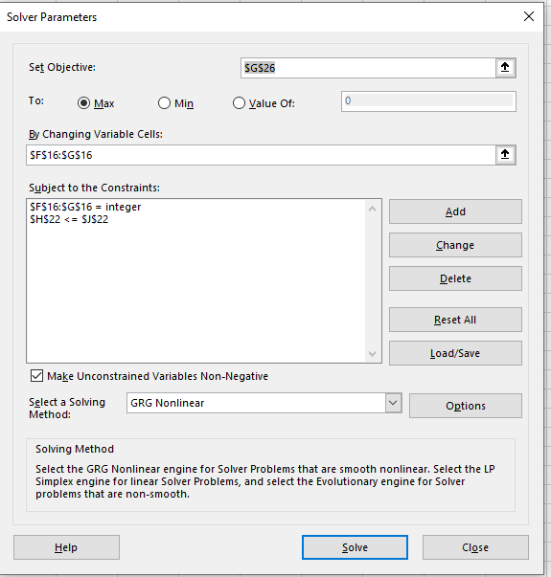

 | XJ6 | XJ8
 | 10 | 15

Constraints: |  |  | LHS | sign | RHS
 | 1 | 2 | 40 | <= | 40
 |  |  |  | =SUMPRODUCT(F16:G16;F22:G22)

 | PROFIT: | 100.5 | =F16*(4-0,1*F16)+G16*(5-0,02*G16)

Baseball Stadium
Baseball Stadium

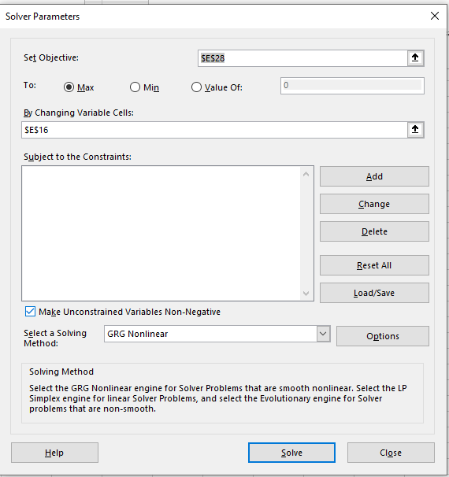

X | 16000

costs:
fix: | $1,500
variable: | $12,800 | =E16*0,8
total costs: | $14,300 | =SUM(E21:E22)

price: | $2.40 | =(-0,0001)*E16+4

profit: | $24,100 | =E16*E25-E23

Textbook Company
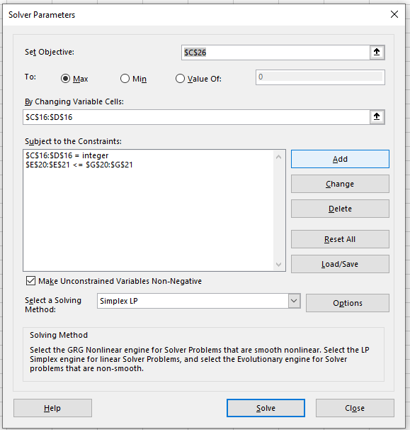
Textbook Company
Justin Brody is the production manager for a math textbook manufacturing company. The company produces Geometry and Calculus texts. Each Geometry text generates a profit of $80 and requires 3 hours assembly time and 4 hours of proofing. Each Calculus text generates $45 of profit and requires 5 hours of assembly and 2 hours of proofing. There are 360 hours of assembly time and 240 hours of proofing time available each month.
Optimal Solution
Find the number of Geometry and Calculus texts to make that maximizes the profit each month.

 | geometry | calculus
 | 35 | 50
 | $80 | $45

Coinstrains: |  |  | LHS | sign | RHS
assembly time | 3 | 5 | 355 | <= | 360
proofing time | 4 | 2 | 240 | <= | 240

Profit: | $5,050

M&T Stadium
M&T Stadium
The demand for hamburgers sold at M&T Stadium (home of the Baltimore Ravens) depends on the price. If ppp is the price of a hamburger, then the demand is given by −10000p+70000−10000p+70000minus, 10000, p, plus, 70000. If the vendor’s fixed costs are $2,500 and variable costs are $0.60 per hamburger, find the price of a hamburger that will maximize the profit.
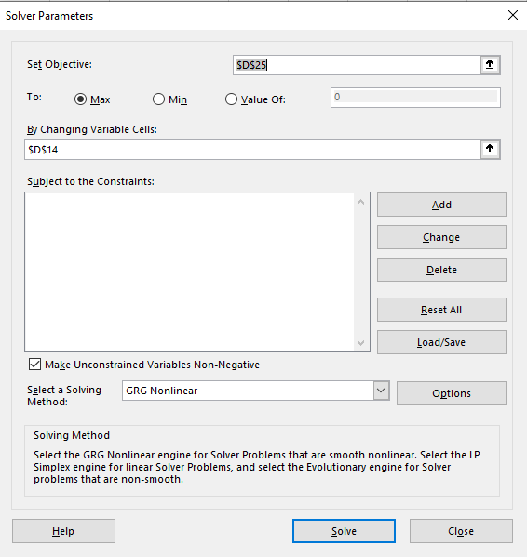

price: | 3.80 | 32000

costs:
fixed: | $2,500
variable: | $0.60
total: | $21,700.00

Profit: | $99,900.00

Final_Project
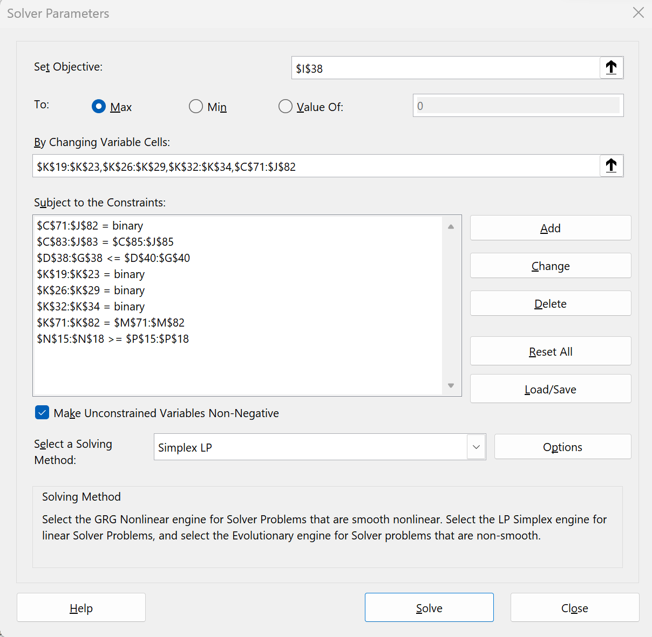
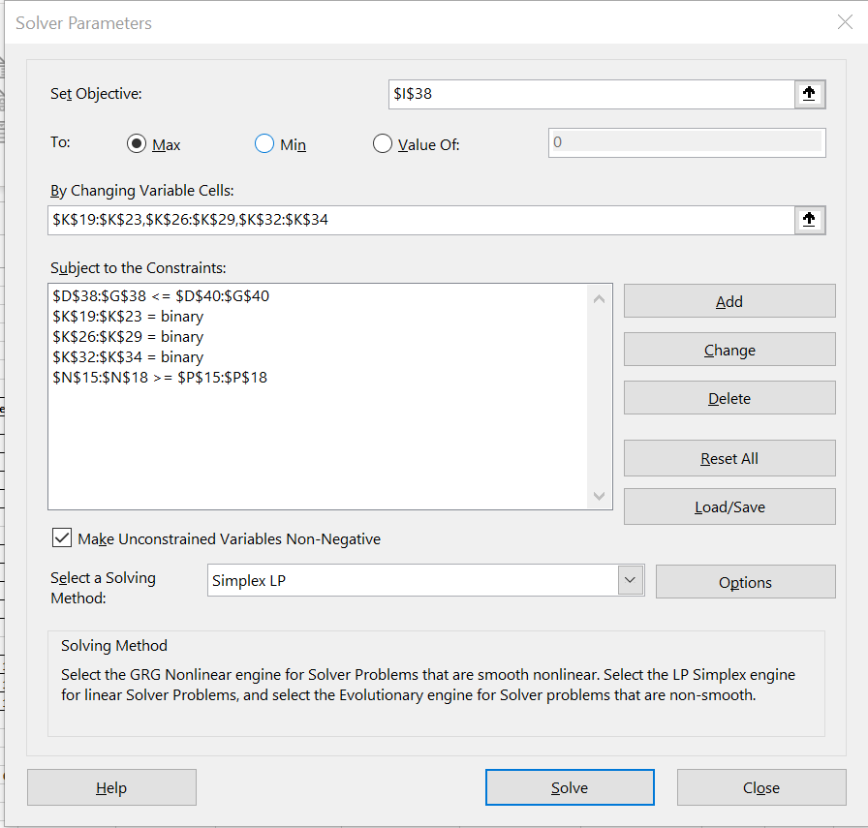
Bluejay Natural Gas Financials (in millions)
Given:
 | Project Index | Functional Area | Partnership % | Capex Year 1 | Capex Year 2 | Capex Year 3 | NPV |  |  |  |  | Inputs
 | 1 | FA 1 | 100% | $250 | $100 | $100 | 60 |  |  |  |  | Annual Revenue (millions) | $50,000
Insert Discount Rate Reduction
Here.
 | 2 | FA 1 | 33% | $500 | $300 | $300 | 180 |  |  |  |  | Expenditure (millions) | $10,000
 | 3 | FA 1 | 50% | $100 | $200 | $400 | 80 |  |  |  |  | Yearly Cap (millions) | $4,000
 | 4 | FA 1 | 100% | $750 | $500 | $300 | 310 |  |  |  |  | NPV Discount Rate % decrease: | 12%
 | 5 | FA 1 | 75% | $200 | $400 | $800 | 220
 | 6 | FA 2 | 50% | $1,000 | $300 | $300 | 180 |  |  |  |  | Requirement Checks
 | 7 | FA 2 | 100% | $750 | $750 | $300 | 410 |  |  |  |  | Capital Ex. Under 4000 (Y1) | 1
 | 8 | FA 2 | 100% | $800 | $700 | $600 | 280 |  |  |  |  | Capital Ex. under 4000 (Y2) | 1
Insert 0 or 1 here:
 | 9 | FA 2 | 67% | $400 | $600 | $800 | 380 |  |  |  |  | Capital Ex. under 4000 (Y3) | 1
 | 10 | FA 3 | 100% | $100 | $200 | $400 | 100 |  |  |  |  | Under $10,000 (year 1-3) | 1
 | 11 | FA 3 | 50% | $700 | $500 | $300 | 260 |  |  |  |  | Each FA has at least 1 project approved | 1 | Each FA has at least 1 project approved
 | 12 | FA 3 | 100% | $1,500 | $400 | $400 | 340 |  |  |  |  | Number of Approved Project for FA 1 | 3 | >= | 1
 |  |  |  |  |  |  |  |  |  |  |  | Number of Approved Project for FA 2 | 4 | >= | 1
 |  |  | Adjusted based on % Partnership: |  |  |  |  |  |  |  |  | Number of Approved Project for FA 3 | 1 | >= | 1
Project Index | Functional Area | Partnership % | Cap Ex. Yr1 | Cap Ex. Yr2 | Cap Ex. Yr3 | Total Cost | NPV | New NPV | ROI | Approval Rating | Manager: | Total Number of Approved Projects | 8 | >= | 1
1 | FA 1 | 100% | $250 | $100 | $100 | $450 | $60 | $53 |  | 0 | #N/A
2 | FA 1 | 33% | $165 | $99 | $99 | $363 | $180 | $158 | 14% | 1 | 4 | Are the Conditions Met? | 1
3 | FA 1 | 50% | $50 | $100 | $200 | $350 | $80 | $70 |  | 0 | #N/A
4 | FA 1 | 100% | $750 | $500 | $300 | $1,550 | $310 | $273 | 18% | 1 | 1
5 | FA 1 | 75% | $150 | $300 | $600 | $1,050 | $220 | $194 | 14% | 1 | 7
 |  | FA 1 Approved Totals: | $1,065 | $899 | $999 | $2,963 |  |  |  |  |  |  |  | Approved Cap Ex. Year Totals
 |  |  |  |  |  |  |  |  |  |  |  |  |  | Year 1 | Year 2 | Year 3
6 | FA 2 | 50% | $500 | $150 | $150 | $800 | $180 | $158 | 10% | 1 | 6 | Functional Area: | FA 1 | $1,065 | $899 | $999
7 | FA 2 | 100% | $750 | $750 | $300 | $1,800 | $410 | $361 | 20% | 1 | 5 |  | FA 2 | $2,318 | $2,002 | $1,586
8 | FA 2 | 100% | $800 | $700 | $600 | $2,100 | $280 | $246 | 12% | 1 | 2 |  | FA 3 | $350 | $250 | $150
9 | FA 2 | 67% | $268 | $402 | $536 | $1,206 | $380 | $334 | 19% | 1 | 3
 |  | FA 2 Approved Totals: | $2,318 | $2,002 | $1,586 | $5,906

10 | FA 3 | 100% | $100 | $200 | $400 | $700 | $100 | $88 |  | 0 | #N/A
11 | FA 3 | 50% | $350 | $250 | $150 | $750 | $260 | $229 | 15% | 1 | 8
12 | FA 3 | 100% | $1,500 | $400 | $400 | $2,300 | $340 | $299 |  | 0 | #N/A
 |  | FA 3 Approved Totals: | $350 | $250 | $150 | $750

 |  |  | Cap Ex. Yr1 | Cap Ex. Yr2 | Cap Ex. Yr3 | Total Cost |  | Total Approved NPV:
 |  | Overall Totals for Approved Projects: | $3,733 | $3,151 | $2,735 | $9,619 |  | $1,954 | <---use as objective for first question
 |  |  | <= | <= | <= | <=
 |  |  | 4000 | 4000 | 4000 | 10000

 |  |  |  | ROI
 |  |  | % Change | Average | Minimum | Maximum
 |  |  |  | 15% | 10% | 20%
 |  |  | 0% | 17% | 11% | 23%
 |  |  | 5% | 16% | 11% | 22%
 |  |  | 10% | 16% | 10% | 21%
 |  |  | 15% | 15% | 10% | 19%
 |  |  | 20% | 14% | 9% | 18%
 |  |  | 25% | 13% | 8% | 17%
 |  |  | 30% | 12% | 8% | 16%

Qualified Managers:
 | Manager
 |  | 1 | 2 | 3 | 4 | 5 | 6 | 7 | 8
Project | 1 | 1 | 1 | 1 | 1 | 1 | 0 | 0 | 0
 | 2 | 1 | 1 | 1 | 1 | 0 | 1 | 0 | 1
 | 3 | 1 | 0 | 0 | 1 | 1 | 1 | 0 | 1
 | 4 | 0 | 1 | 0 | 0 | 1 | 1 | 1 | 1
 | 5 | 1 | 1 | 1 | 1 | 1 | 1 | 1 | 0
 | 6 | 1 | 1 | 1 | 1 | 1 | 1 | 1 | 1
 | 7 | 1 | 1 | 1 | 1 | 1 | 1 | 0 | 1
 | 8 | 1 | 1 | 1 | 1 | 0 | 1 | 1 | 0
 | 9 | 1 | 1 | 1 | 1 | 0 | 0 | 0 | 1
 | 10 | 1 | 1 | 1 | 1 | 0 | 1 | 1 | 1
 | 11 | 1 | 1 | 1 | 1 | 1 | 1 | 0 | 1
 | 12 | 0 | 0 | 0 | 1 | 1 | 0 | 1 | 1

 | Manager
 |  | 1 | 2 | 3 | 4 | 5 | 6 | 7 | 8 | Totals: |  | Approved?
Project | 1 | 0 | 0 | 0 | 0 | 0 | 0 | 0 | 0 | 0 | <= | 0 | 0
 | 2 | 0 | 0 | 0 | 1 | 0 | 0 | 0 | 0 | 1 | <= | 1 | 1
 | 3 | 0 | 0 | 0 | 0 | 0 | 0 | 0 | 0 | 0 | <= | 0 | 0
 | 4 | 1 | 0 | 0 | 0 | 0 | 0 | 0 | 0 | 1 | <= | 1 | 1
 | 5 | 0 | 0 | 0 | 0 | 0 | 0 | 1 | 0 | 1 | <= | 1 | 1
 | 6 | 0 | 0 | 0 | 0 | 0 | 1 | 0 | 0 | 1 | <= | 1 | 1
 | 7 | 0 | 0 | 0 | 0 | 1 | 0 | 0 | 0 | 1 | <= | 1 | 1
 | 8 | 0 | 1 | 0 | 0 | 0 | 0 | 0 | 0 | 1 | <= | 1 | 1
 | 9 | 0 | 0 | 1 | 0 | 0 | 0 | 0 | 0 | 1 | <= | 1 | 1
 | 10 | 0 | 0 | 0 | 0 | 0 | 0 | 0 | 0 | 0 | <= | 0 | 0
 | 11 | 0 | 0 | 0 | 0 | 0 | 0 | 0 | 1 | 1 | <= | 1 | 1
 | 12 | 0 | 0 | 0 | 0 | 0 | 0 | 0 | 0 | 0 | <= | 0 | 0
 | Totals: | 1 | 1 | 1 | 1 | 1 | 1 | 1 | 1
 |  | = | = | = | = | = | = | = | =
 |  | 1 | 1 | 1 | 1 | 1 | 1 | 1 | 1

