babelkowe
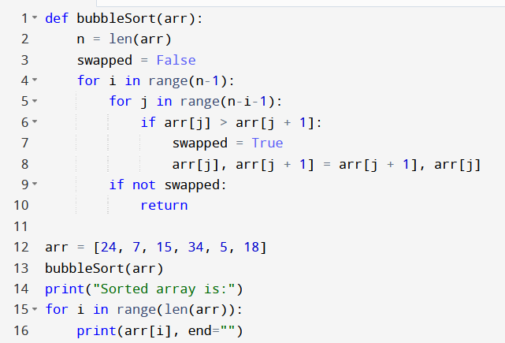
arr[] | n | swapped | i | j | arr[j] | arr[j+1]
A[]={24, 7, 15, 34, 5, 18}

przez wstawainie
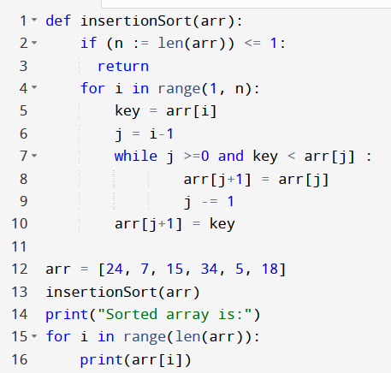
arr[] | n | i | k | j | arr[j] | arr[j+1]
A[]={24, 7, 15, 34, 5, 18}

przez wybieranie
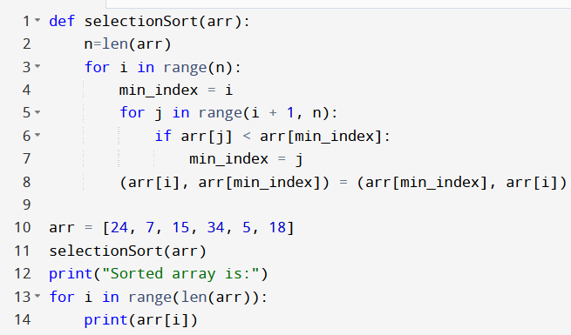
arr[] | n | i | min_index | j | arr[j] | arr[min_ind]
A[]={24, 7, 15, 34, 5, 18} | 6 | 0 | 0 | 0 | 24 | 7
A[]={7, 24, 15, 34, 5, 18} | 6 | 1 |  | 1 | 24 | 15
A[]={7, 15, 24, 34, 5, 18} | 6 |  |  | 2 | 24 | 34
 |  |  |  | 3 | 34 | 5
A[]={7, 15, 24, 5, 18, 34} |  |  |  | 4 | 34 | 18
A[]={7, 15, 24, 5, 34, 18} |  |  |  | 5
 |  |  |  | 0 | 7 | 15
 |  |  |  | 1 | 15 | 24
A[]={7, 15, 24, 5, 18, 34} |  |  |  | 2 | 25 | 5
A[]={7, 15, 5,18, 24, 34} |  |  |  | 3 | 24 | 18
 |  |  | 2 | 0 | 7 | 15
A[]={7,5, 15, 18, 24, 34} |  |  |  | 1 | 15 | 5
 |  |  |  | 2 | 15 | 18
A[]={5,7, 15, 18, 24, 34} |  |  | 3 | 0 | 7 | 5
 |  |  |  | 1 | 7 | 15
 |  |  | 4 | 0 | 5 | 7

