Team Roster
Name | Photo | Team Year | Designation | Domain | LinkedIn
Aaditya Deshpande Thirdyear | 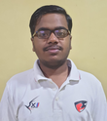
Abhijeet Gunjal Thirdyear | 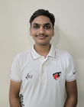
Ajinkya Mardhekar Second Year | 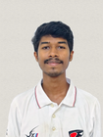
Akash Sawant Thirdyear | 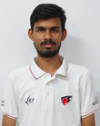
Anshrit Sumbli Ty | 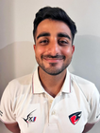
Atharva Chorge Finalyear | 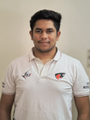
Atharva Patil Second Year | 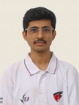
Devansh Rahate Final Year | 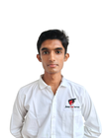
Harshawardhan Ghatage Third Year | 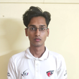
Ishan Bhosale FinalYear | 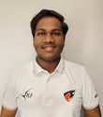
Kunal Badgujar Third Year | 
Mohit Desale Second Year | 
Om Kangle ThirdYear | 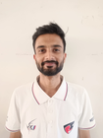
Parth Shinde Final Year | 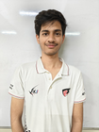
Piyush Jadhav Third Year | 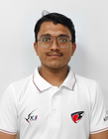
Pranav Gokhale FinalYear | 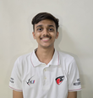
Raj Kangane Finalyear | 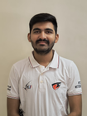
Samarth More Second Year | 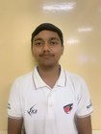
Shruti Dawange FinalYear | 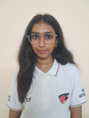
Siddhesh Patil ThirdYear | 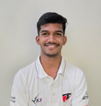
Tushar Madiwalar Final Year | 
Uday Deshmukh Thirdyear | 
Umang Gund Third Year | 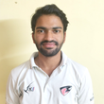
Vedant Patil Second Year | 
Vedant Patil Thirdyear

HOW TO FILL
Shaded (yellow) cells are for you to fill in. Name and Photo are auto-filled.
Team Year / Designation / Domain / LinkedIn are plain text — just type into the cell.
Example row: Mohit Desale | TY | Vice Captain | Electronics | https://www.linkedin.com/in/username
Names come from the photo filenames — fix any marked ?? by hand.

