PPTSF
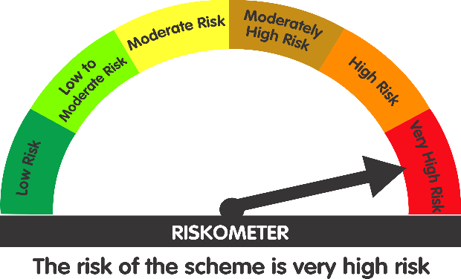
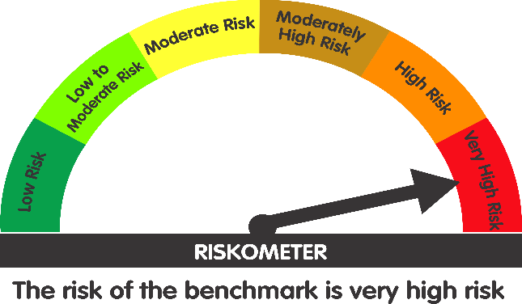
 | Parag Parikh ELSS Tax Saver Fund (An open ended equity linked saving scheme with a statutory lock in of 3 years and tax benefit)

 | Monthly Portfolio Statement as on June 30, 2026
 | Name of the Instrument | ISIN | Industry / Rating | Quantity | Market/Fair Value (Rs. in Lakhs) | % to Net Assets | YTM~ | YTC^ | null
 | Equity & Equity related
 | (a) Listed / awaiting listing on Stock Exchanges
HDFB03 | HDFC Bank Limited | INE040A01034 | Banks | 5,771,785 | 46,055.96 | 8.23%
PGCI01 | Power Grid Corporation of India Limited | INE752E01010 | Power | 13,647,455 | 39,072.66 | 6.98%
BAJA01 | Bajaj Holdings & Investment Limited | INE118A01012 | Finance | 352,751 | 37,402.19 | 6.68%
COAL01 | Coal India Limited | INE522F01014 | Consumable Fuels | 8,209,670 | 36,044.56 | 6.44%
ITCL02 | ITC Limited | INE154A01025 | Diversified FMCG | 10,322,837 | 29,621.38 | 5.29%
MASC01 | Maharashtra Scooters Limited | INE288A01013 | Finance | 236,313 | 29,541.49 | 5.28%
IBCL05 | ICICI Bank Limited | INE090A01021 | Banks | 2,035,120 | 27,986.97 | 5.00%
KOMA03 | Kotak Mahindra Bank Limited | INE237A01036 | Banks | 6,089,925 | 23,887.73 | 4.27%
MAUD01 | Maruti Suzuki India Limited | INE585B01010 | Automobiles | 159,145 | 22,463.32 | 4.01%
UTIB02 | Axis Bank Limited | INE238A01034 | Banks | 1,598,937 | 21,516.90 | 3.84%
HCLT02 | HCL Technologies Limited | INE860A01027 | IT - Software | 1,915,041 | 20,525.41 | 3.67%
MAHI02 | Mahindra & Mahindra Limited | INE101A01026 | Automobiles | 641,849 | 19,697.06 | 3.52%
BTVL02 | Bharti Airtel Limited | INE397D01024 | Telecom - Services | 1,048,262 | 19,413.81 | 3.47%
INFS02 | Infosys Limited | INE009A01021 | IT - Software | 1,701,022 | 17,017.02 | 3.04%
CMSI01 | CMS Info System Limited | INE925R01014 | Commercial Services & Supplies | 6,041,949 | 16,953.71 | 3.03%
CPIL02 | CCL Products (India) Limited | INE421D01022 | Agricultural Food & other Products | 1,401,976 | 16,560.14 | 2.96%
TCSL01 | Tata Consultancy Services Limited | INE467B01029 | IT - Software | 455,117 | 9,245.70 | 1.65%
CHEL02 | Zydus Lifesciences Limited | INE010B01027 | Pharmaceuticals & Biotechnology | 812,832 | 9,043.57 | 1.62%
DRRL03 | Dr. Reddy's Laboratories Limited | INE089A01031 | Pharmaceuticals & Biotechnology | 609,491 | 8,271.40 | 1.48%
CIPL03 | Cipla Limited | INE059A01026 | Pharmaceuticals & Biotechnology | 549,910 | 8,058.38 | 1.44%
WIPR02 | Wipro Limited | INE075A01022 | IT - Software | 4,658,682 | 7,937.93 | 1.42%
CNAF02 | Zydus Wellness Limited | INE768C01028 | Food Products | 1,163,620 | 6,695.47 | 1.20%
VSTI01 | VST Industries Limited | INE710A01016 | Cigarettes & Tobacco Products | 2,309,159 | 6,010.74 | 1.07%
SESH01 | Seshaasai Technologies Limited | INE04VU01023 | Financial Technology (Fintech) | 1,728,951 | 5,358.88 | 0.96%
WCPA02 | West Coast Paper Mills Limited | INE976A01021 | Paper, Forest & Jute Products | 947,665 | 5,063.85 | 0.90%
IEEL02 | Indian Energy Exchange Limited | INE022Q01020 | Capital Markets | 3,951,545 | 4,944.57 | 0.88%
SMIL02 | Sharda Motor Industries Ltd. | INE597I01028 | Auto Components | 345,303 | 3,000.68 | 0.54%
IGAS02 | Indraprastha Gas Limited | INE203G01027 | Gas | 1,766,326 | 2,910.55 | 0.52%
EIDP03 | EID Parry India Limited | INE126A01031 | Food Products | 352,567 | 2,517.15 | 0.45%
NAHR01 | Narayana Hrudayalaya Limited | INE410P01011 | Healthcare Services | 104,790 | 2,066.14 | 0.37%
GREA03 | The Great Eastern Shipping Company Limited | INE017A01032 | Transport Services | 134,254 | 1,991.12 | 0.36%
CDSL01 | Central Depository Services (India) Limited | INE736A01011 | Capital Markets | 103,262 | 1,348.09 | 0.24%
SWEN01 | Swaraj Engines Limited | INE277A01016 | Industrial Products | 31,709 | 1,267.60 | 0.23%
ITAG01 | Sundrop Brands Ltd | INE209A01019 | Agricultural Food & other Products | 162,516 | 1,037.01 | 0.19%
BINL01 | Indus Towers Limited | INE121J01017 | Telecom - Services | 150,000 | 587.55 | 0.10%
PLNG01 | Petronet LNG Limited | INE347G01014 | Gas | 200,000 | 561.60 | 0.10%
MAGL01 | Mahanagar Gas Limited | INE002S01010 | Gas | 41,044 | 481.90 | 0.09%
ICRA01 | ICRA Limited | INE725G01011 | Capital Markets | 5,803 | 304.19 | 0.05%
NESC02 | Nesco Limited | INE317F01035 | Commercial Services & Supplies | 15,060 | 162.41 | 0.03%
MAAU01 | CIE Automotive India Limited | INE536H01010 | Auto Components | 34,765 | 159.15 | 0.03%
SSML02 | Siyaram Silk Mills Limited | INE076B01028 | Textiles & Apparels | 18,249 | 116.46 | 0.02%
 | Sub Total |  |  |  | 512,902.40 | 91.65%
 | (b) Reits
EOPR01 | Embassy Office Parks REIT | INE041025011 | Realty | 3,212,391 | 14,071.56 | 2.51%
BRFI01 | Brookfield India Real Estate Trust | INE0FDU25010 | Realty | 4,069,460 | 13,471.54 | 2.41%
 | Sub Total |  |  |  | 27,543.10 | 4.92%
 | (c) Unlisted |  |  |  | NIL | NIL
 | Sub Total |  |  |  | NIL | NIL
 | Total |  |  |  | 540,445.50 | 96.57%
 | Money Market Instruments
 | Treasury Bill
TBIL2611 | 364 Days Tbill (MD 15/01/2027) | IN002025Z419 | Sovereign | 1,000,000 | 971.39 | 0.17% | 5.43%
TBIL2542 | 364 Days Tbill (MD 30/07/2026) | IN002025Z187 | Sovereign | 500,000 | 497.96 | 0.09% | 5.16%
 | Sub Total |  |  |  | 1,469.35 | 0.26%
 | Total |  |  |  | 1,469.35 | 0.26%
 | Reverse Repo / TREPS
TRP_010726 | TRP_010726 |  |  |  | 16,470.00 | 2.94% | 5.49%
 | Sub Total |  |  |  | 16,470.00 | 2.94%
 | Total |  |  |  | 16,470.00 | 2.94%
 | Net Receivables / (Payables) |  |  |  | 1,565.27 | 0.23%
 | GRAND TOTAL |  |  |  | 559,950.12 | 100.00%

 | # Traded
 | ~ Yield to Maturity (YTM) as on June 30, 2026
 | ^ Pursuant to AMFI circular no. 135/BP/91/2020-21, Yield to Call (YTC) for AT-1 bonds and Tier-2 bonds as on June 30, 2026

 | Notes:
 | 1. Total value provided for securities classified as below investment grade or default and its percentage to NAV - NIL
 | Name of security | ISIN Code | Net receivable/ market value | Net receivable/ market value | Total amount due (including principal and interest)
 |  |  | (Rs. in Lakhs) | (as % to NAV) | (Rs. in Lakhs)
 | NIL | NIL | NIL | NIL | NIL

 | 2. Total value and percentage of Illiquid Equity Shares: Nil

 | 3. Plan wise per unit Net Asset Value are as follows: (Rs.)
 | Plan / Option | 2026-05-29 | 2026-06-30
 | Parag Parikh ELSS Tax Saver Fund-Direct Plan | 31.416 | 31.743
 | Parag Parikh ELSS Tax Saver Fund-Regular Plan | 28.9572 | 29.2293

 | 4. Total IDCW* (Net) declared during the period ended 30 June 2026- Nil

 | 5. Total Bonus declared during the period ended 30 June 2026 - Nil

 | 6. Total outstanding exposure in derivative instruments as on 30 June 2026 - Nil
 | (Gross exposure means sum of all long and short positions in derivatives)

 | 7. Total investment in Foreign Securities / ADRs / GDRs as on 30 June 2026 - Nil

 | 8. Total Commission paid in the month of Jun 2026: Rs. 15450256.42

 | 9. Total Brokerage paid for Buying/ Selling of Investment for Jun 2026 is Rs.144854.8

 | 10. Portfolio Turnover Ratio : 21.08

 | 11. Repo transactions in corporate debt securities during the period ending 30 June 2026 - Nil

 | 12. Deviation from the valuation prices given by valuation agencies: NIL

 | Lumpsum Investment Performance (Compounded annual returns)
 | Date | Scheme |  | Benchmark | Index | Value of Investment of Rs. 10,000/-
 |  | PPTSF | PPTSF (Direct Plan) | Nifty 500 (TRI) | Nifty 50 (TRI) | PPTSF | PPTSF (Direct Plan) | Nifty 500 (TRI) | Nifty 50 (TRI)
 | Since Inception (24 July, 2019) | 16.71% | 18.11% | 15.35% | 12.72% | 29229 | 31743 | 26942 | 22951
 | June 30, 2025 to June 30, 2026 (Last 1 Year) | -9.77% | -8.77% | -1.71% | -5.42% | 9023 | 9123 | 9829 | 9458
 | June 30, 2023 to June 30, 2026 (Last 3 Years) | 10.50% | 11.72% | 12.92% | 8.80% | 13496 | 13947 | 14403 | 12882
 | June 30, 2021 to June 30, 2026 (Last 5 Years) | 12.70% | 14.04% | 12.40% | 9.98% | 18187 | 19291 | 17945 | 16097

 | SIP Investment Performance - Parag Parikh ELSS Tax Saver Fund - Regular Plan - Growth
 |  | Since Inception (24 July, 2019) | June 30, 2025 to June 30, 2026 (Last 1 Year) | June 30, 2023 to June 30, 2026 (Last 3 Years) | June 30, 2021 to June 30, 2026 (Last 5 Years)
 | Total Amount Invested | 840000 | 120000 | 360000 | 600000
 | Market value of Investment | 1365458 | 114002 | 373387 | 745750
 | Returns (Annualised) (%) | 13.65 | -9.20 | 2.39 | 8.64
 | Nifty 500 (TRI) Returns (Annualised) (%) | 14.26 | 1.52 | 6.62 | 10.76
 | Nifty 50 (TRI) Returns (Annualised) (%) | 11.21 | -5.63 | 3.36 | 7.57

 | SIP Investment Performance - Parag Parikh ELSS Tax Saver Fund - Direct Plan - Growth
 |  | Since Inception (24 July, 2019) | June 30, 2025 to June 30, 2026 (Last 1 Year) | June 30, 2023 to June 30, 2026 (Last 3 Years) | June 30, 2021 to June 30, 2026 (Last 5 Years)
 | Total Amount Invested | 840000 | 120000 | 360000 | 600000
 | Market value of Investment | 1436508 | 114667 | 380107 | 770239
 | Returns (Annualised) (%) | 15.08 | -8.19 | 3.57 | 9.94
 | Nifty 500 (TRI) Returns (Annualised) (%) | 14.26 | 1.52 | 6.62 | 10.76
 | Nifty 50 (TRI) Returns (Annualised) (%) | 11.21 | -5.63 | 3.36 | 7.57

 | Quantitative indicators
 | Standard Deviation | 11.40%
 | Standard Deviation( Benchmark ) | 15.36%
 | Sharpe Ratio | 0.45
 | Beta | 0.70
 | Information Ratio | -0.46
 | Treynor Ratio | 0.07
 | VaR | -4.42%
 | Risk free rate of return (FIMMDA MIBOR) | 5.50%

 | Debt Quants as on as on June 30, 2026
 | Macaulay Duration (years) | 0.0343

 | This Product is suitable for investors who are seeking*
 | - Long term capital appreciation
 | - Investment predominantly in equity and equity related securities.
 | * Investors should consult their financial advisers if in doubt about whether the product is suitable for them.

 | Scheme's Riskometer | AMFI Tier 1 Benchmark's Riskometer
 |  | (Nifty 500 TRI)

