PPTSF
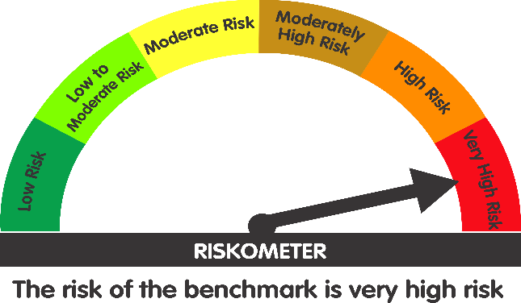
 | Parag Parikh ELSS Tax Saver Fund (An open ended equity linked saving scheme with a statutory lock in of 3 years and tax benefit)

 | Monthly Portfolio Statement as on March 31, 2026
 | Name of the Instrument | ISIN | Industry / Rating | Quantity | Market/Fair Value (Rs. in Lakhs) | % to Net Assets | YTM~ | YTC^
 | Equity & Equity related
 | (a) Listed / awaiting listing on Stock Exchanges
HDFB03 | HDFC Bank Limited | INE040A01034 | Banks | 5,771,785 | 42,223.49 | 8.03%
PGCI01 | Power Grid Corporation of India Limited | INE752E01010 | Power | 13,647,455 | 40,410.11 | 7.68%
COAL01 | Coal India Limited | INE522F01014 | Consumable Fuels | 8,209,670 | 36,980.46 | 7.03%
BAJA01 | Bajaj Holdings & Investment Limited | INE118A01012 | Finance | 352,751 | 30,851.60 | 5.86%
ITCL02 | ITC Limited | INE154A01025 | Diversified FMCG | 9,312,837 | 26,793.03 | 5.09%
MASC01 | Maharashtra Scooters Limited | INE288A01013 | Finance | 236,284 | 26,248.79 | 4.99%
IBCL05 | ICICI Bank Limited | INE090A01021 | Banks | 2,035,120 | 24,541.51 | 4.67%
KOMA03 | Kotak Mahindra Bank Limited | INE237A01036 | Banks | 6,089,925 | 21,521.79 | 4.09%
HCLT02 | HCL Technologies Limited | INE860A01027 | IT - Software | 1,595,041 | 21,399.07 | 4.07%
MAUD01 | Maruti Suzuki India Limited | INE585B01010 | Automobiles | 159,145 | 19,584.38 | 3.72%
INFS02 | Infosys Limited | INE009A01021 | IT - Software | 1,502,022 | 18,784.29 | 3.57%
BTVL02 | Bharti Airtel Limited | INE397D01024 | Telecom - Services | 1,048,262 | 18,684.22 | 3.55%
UTIB02 | Axis Bank Limited | INE238A01034 | Banks | 1,598,937 | 18,568.46 | 3.53%
MAHI02 | Mahindra & Mahindra Limited | INE101A01026 | Automobiles | 626,849 | 18,521.51 | 3.52%
CMSI01 | CMS Info System Limited | INE925R01014 | Commercial Services & Supplies | 6,167,029 | 16,379.63 | 3.11%
CPIL02 | CCL Products (India) Limited | INE421D01022 | Agricultural Food & other Products | 1,401,976 | 14,597.37 | 2.77%
TCSL01 | Tata Consultancy Services Limited | INE467B01029 | IT - Software | 455,117 | 10,735.75 | 2.04%
WIPR02 | Wipro Limited | INE075A01022 | IT - Software | 4,936,754 | 9,263.33 | 1.76%
DRRL03 | Dr. Reddy's Laboratories Limited | INE089A01031 | Pharmaceuticals & Biotechnology | 609,491 | 7,648.50 | 1.45%
CHEL02 | Zydus Lifesciences Limited | INE010B01027 | Pharmaceuticals & Biotechnology | 812,824 | 7,081.32 | 1.35%
CIPL03 | Cipla Limited | INE059A01026 | Pharmaceuticals & Biotechnology | 549,046 | 6,721.42 | 1.28%
CNAF02 | Zydus Wellness Limited | INE768C01028 | Food Products | 1,163,620 | 4,961.09 | 0.94%
VSTI01 | VST Industries Limited | INE710A01016 | Cigarettes & Tobacco Products | 2,309,159 | 4,619.93 | 0.88%
IEEL02 | Indian Energy Exchange Limited | INE022Q01020 | Capital Markets | 3,951,545 | 4,534.40 | 0.86%
EIDP03 | EID Parry India Limited | INE126A01031 | Food Products | 331,899 | 2,573.88 | 0.49%
BALI02 | Balkrishna Industries Limited | INE787D01026 | Auto Components | 119,748 | 2,494.35 | 0.47%
GREA03 | The Great Eastern Shipping Company Limited | INE017A01032 | Transport Services | 134,254 | 1,899.29 | 0.36%
NAHR01 | Narayana Hrudayalaya Limited | INE410P01011 | Healthcare Services | 104,790 | 1,682.19 | 0.32%
CDSL01 | Central Depository Services (India) Limited | INE736A01011 | Capital Markets | 103,262 | 1,155.91 | 0.22%
SWEN01 | Swaraj Engines Limited | INE277A01016 | Industrial Products | 31,709 | 1,049.22 | 0.20%
WCPA02 | West Coast Paper Mills Limited | INE976A01021 | Paper, Forest & Jute Products | 140,059 | 569.62 | 0.11%
BINL01 | Indus Towers Limited | INE121J01017 | Telecom - Services | 100,000 | 418.15 | 0.08%
ITAG01 | Sundrop Brands Ltd | INE209A01019 | Agricultural Food & other Products | 72,838 | 408.51 | 0.08%
ICRA01 | ICRA Limited | INE725G01011 | Capital Markets | 5,803 | 290.32 | 0.06%
MAAU01 | CIE Automotive India Limited | INE536H01010 | Auto Components | 34,765 | 154.70 | 0.03%
NESC02 | Nesco Limited | INE317F01035 | Commercial Services & Supplies | 15,060 | 152.71 | 0.03%
IGAS02 | Indraprastha Gas Limited | INE203G01027 | Gas | 47,293 | 68.87 | 0.01%
MAGL01 | Mahanagar Gas Limited | INE002S01010 | Gas | 3,840 | 35.62 | 0.01%
 | Sub Total |  |  |  | 464,608.79 | 88.31%
 | (b) Reits
EOPR01 | Embassy Office Parks REIT | INE041025011 | Realty | 3,212,391 | 13,501.36 | 2.57%
BRFI01 | Brookfield India Real Estate Trust | INE0FDU25010 | Realty | 4,069,460 | 13,172.44 | 2.50%
 | Sub Total |  |  |  | 26,673.80 | 5.07%
 | (c) Unlisted |  |  |  | NIL | NIL
 | Sub Total |  |  |  | NIL | NIL
 | Total |  |  |  | 491,282.59 | 93.38%
 | Money Market Instruments
 | Certificate of Deposit
BKBA541 | Bank of Baroda (16/10/2026) | INE028A16KE2 | IND A1+ | 1,000 | 4,809.67 | 0.91% | 7.30%
UTIB1357 | Axis Bank Limited (11/06/2026) # | INE238AD6AT7 | CRISIL A1+ | 500 | 2,464.53 | 0.47% | 7.40%
 | Sub Total |  |  |  | 7,274.20 | 1.38%
 | Commercial Paper
ICBR637 | ICICI Securities Limited (15/06/2026) | INE763G14C53 | CRISIL A1+ | 1,000 | 4,920.88 | 0.94% | 7.82%
BAFL981 | Bajaj Finance Limited (18/06/2026) | INE296A14A81 | CRISIL A1+ | 1,000 | 4,919.32 | 0.94% | 7.67%
HDFS344 | HDFC Securities Limited (15/05/2026) | INE700G14SJ0 | CARE A1+ | 500 | 2,475.01 | 0.47% | 8.38%
RECL480 | REC Limited (10/06/2026) | INE020B14698 | CRISIL A1+ | 500 | 2,464.95 | 0.47% | 7.41%
NBAR861 | National Bank For Agriculture and Rural Development (25/06/2026) | INE261F14OH8 | CRISIL A1+ | 500 | 2,456.64 | 0.47% | 7.58%
 | Sub Total |  |  |  | 17,236.80 | 3.29%
 | Treasury Bill
TBIL2611 | 364 Days Tbill (MD 15/01/2027) | IN002025Z419 | Sovereign | 1,000,000 | 956.82 | 0.18% | 5.70%
TBIL2542 | 364 Days Tbill (MD 30/07/2026) | IN002025Z187 | Sovereign | 500,000 | 491.28 | 0.09% | 5.40%
 | Sub Total |  |  |  | 1,448.10 | 0.27%
 | Total |  |  |  | 25,959.10 | 4.94%
 | Reverse Repo / TREPS
TRP_020426 | TRP_020426 |  |  |  | 9,953.61 | 1.89% | 5.10%
 | Sub Total |  |  |  | 9,953.61 | 1.89%
 | Total |  |  |  | 9,953.61 | 1.89%
 | Net Receivables / (Payables) |  |  |  | (1,130.98) | (0.21)%
 | GRAND TOTAL |  |  |  | 526,064.32 | 100.00%

 | # Traded
 | ~ Yield to Maturity (YTM) as on March 31, 2026
 | ^ Pursuant to AMFI circular no. 135/BP/91/2020-21, Yield to Call (YTC) for AT-1 bonds and Tier-2 bonds as on March 31, 2026

 | Notes:
 | 1. Total value provided for securities classified as below investment grade or default and its percentage to NAV - NIL
 | Name of security | ISIN Code | Net receivable/ market value | Net receivable/ market value | Total amount due (including principal and interest)
 |  |  | (Rs. in Lakhs) | (as % to NAV) | (Rs. in Lakhs)
 | NIL | NIL | NIL | NIL | NIL

 | 2. Total value and percentage of Illiquid Equity Shares: Nil

 | 3. Plan wise per unit Net Asset Value are as follows: (Rs.)
 | Plan / Option | 2026-02-27 | 2026-03-31
 | Parag Parikh ELSS Tax Saver Fund-Direct Plan | 32.9181 | 30.0248
 | Parag Parikh ELSS Tax Saver Fund-Regular Plan | 30.4256 | 27.7248

 | 4. Total Dividend (Net) declared during the period ended 31 March 2026 -Nil

 | 5. Total Bonus declared during the period ended 31 March 2026 - Nil

 | 6. Total outstanding exposure in derivative instruments as on 31 March 2026 - Nil
 | (Gross exposure means sum of all long and short positions in derivatives)

 | 7. Total investment in Foreign Securities / ADRs / GDRs as on 31 March 2026 - Nil

 | 8. Total Commission paid in the month of Mar 2026: Rs.1,60,30,022.12

 | 9. Total Brokerage paid for Buying/ Selling of Investment for Mar 2026 is Rs.1461764.33

 | 10. Portfolio Turnover Ratio :20.80

 | 11. Repo transactions in corporate debt securities during the period ending 31 March 2026 - Nil

 | 12. Deviation from the valuation prices given by valuation agencies: Nil

 | Lumpsum Investment Performance (Compounded annual returns)
 | Date | Scheme |  | Benchmark | Index | Value of Investment of Rs. 10,000/-
 |  | PPTSF | PPTSF (Direct Plan) | Nifty 500 (TRI) | Nifty 50 (TRI) | PPTSF | PPTSF (Direct Plan) | Nifty 500 (TRI) | Nifty 50 (TRI)
 | Since Inception (24 July, 2019) | 16.46% | 17.86% | 13.96% | 12.02% | 27725 | 30025 | 23970 | 21369
 | March 28, 2025 to March 30, 2026 (Last 1 Year) | -7.77% | -6.76% | -2.88% | -3.99% | 9223 | 9324 | 9712 | 9601
 | March 31, 2023 to March 30, 2026 (Last 3 Years) | 12.05% | 13.28% | 13.21% | 10.02% | 14073 | 14542 | 14513 | 13320
 | March 31, 2021 to March 30, 2026 (Last 5 Years) | 13.69% | 15.04% | 11.88% | 10.01% | 18999 | 20160 | 17531 | 16113

 | SIP Investment Performance - Parag Parikh ELSS Tax Saver Fund - Regular Plan - Growth
 |  | Since Inception (24 July, 2019) | March 28, 2025 to March 30, 2026 (Last 1 Year) | March 31, 2023 to March 30, 2026 (Last 3 Years) | March 31, 2021 to March 30, 2026 (Last 5 Years)
 | Total Amount Invested | 810000 | 120000 | 360000 | 600000
 | Market value of Investment | 1266276 | 106509 | 365860 | 733471
 | Returns (Annualised) (%) | 13.05 | -20.26 | 1.05 | 7.98
 | Nifty 500 (TRI) Returns (Annualised) (%) | 11.82 | -18.16 | 1.38 | 7.38
 | Nifty 50 (TRI) Returns (Annualised) (%) | 9.90 | -18.42 | 0.48 | 5.81

 | SIP Investment Performance - Parag Parikh ELSS Tax Saver Fund - Direct Plan - Growth
 |  | Since Inception (24 July, 2019) | March 28, 2025 to March 30, 2026 (Last 1 Year) | March 31, 2023 to March 30, 2026 (Last 3 Years) | March 31, 2021 to March 30, 2026 (Last 5 Years)
 | Total Amount Invested | 810000 | 120000 | 360000 | 600000
 | Market value of Investment | 1329881 | 107136 | 372567 | 757981
 | Returns (Annualised) (%) | 14.48 | -19.35 | 2.25 | 9.29
 | Nifty 500 (TRI) Returns (Annualised) (%) | 11.82 | -18.16 | 1.38 | 7.38
 | Nifty 50 (TRI) Returns (Annualised) (%) | 9.90 | -18.42 | 0.48 | 5.81

 | Quantitative indicators
 | Standard Deviation | 11.13%
 | Standard Deviation( Benchmark ) | 14.67%
 | Sharpe Ratio | 0.46
 | Beta | 0.72
 | Information Ratio | -0.28
 | Treynor Ratio | 0.07
 | VaR | -4.42%
 | Risk free rate of return (FIMMDA MIBOR) | 6.98%

 | Debt Quants as on as on March 31, 2026
 | Macaulay Duration (years) | 0.2079

 | This Product is suitable for investors who are seeking*
 | - Long term capital appreciation
 | - Investment predominantly in equity and equity related securities.
 | * Investors should consult their financial advisers if in doubt about whether the product is suitable for them.

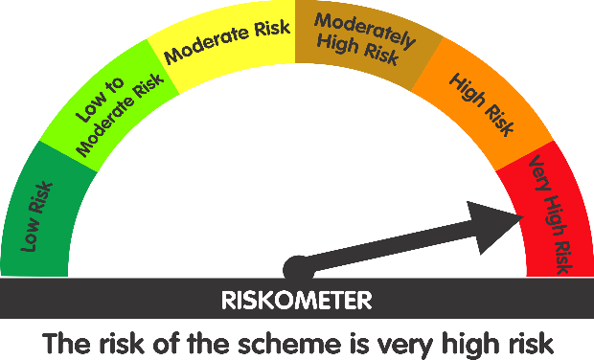
 | Scheme's Riskometer | AMFI Tier 1 Benchmark's Riskometer
 |  | (Nifty 500 TRI)

