PPTSF
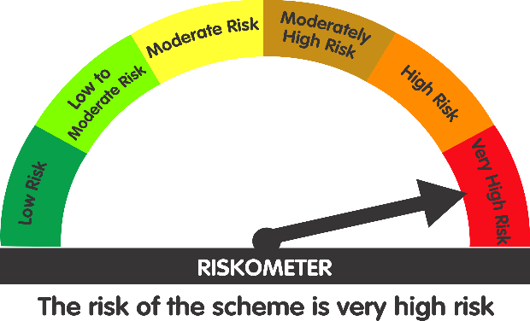
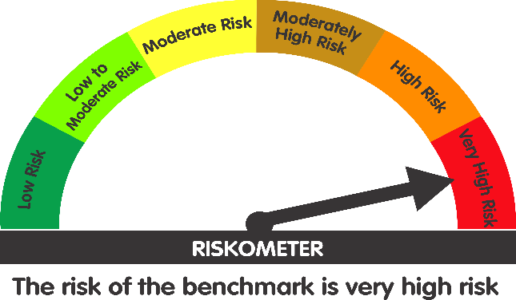
 | Parag Parikh ELSS Tax Saver Fund (An open ended equity linked saving scheme with a statutory lock in of 3 years and tax benefit)

 | Monthly Portfolio Statement as on May 31, 2026
 | Name of the Instrument | ISIN | Industry / Rating | Quantity | Market/Fair Value (Rs. in Lakhs) | % to Net Assets | YTM~ | YTC^ | null
 | Equity & Equity related
 | (a) Listed / awaiting listing on Stock Exchanges
HDFB03 | HDFC Bank Limited | INE040A01034 | Banks | 5,771,785 | 42,973.83 | 7.76%
PGCI01 | Power Grid Corporation of India Limited | INE752E01010 | Power | 13,647,455 | 39,652.68 | 7.16%
COAL01 | Coal India Limited | INE522F01014 | Consumable Fuels | 8,209,670 | 37,592.08 | 6.79%
BAJA01 | Bajaj Holdings & Investment Limited | INE118A01012 | Finance | 352,751 | 36,548.53 | 6.60%
MASC01 | Maharashtra Scooters Limited | INE288A01013 | Finance | 236,313 | 30,172.44 | 5.45%
ITCL02 | ITC Limited | INE154A01025 | Diversified FMCG | 10,322,837 | 29,616.22 | 5.35%
IBCL05 | ICICI Bank Limited | INE090A01021 | Banks | 2,035,120 | 25,569.25 | 4.62%
KOMA03 | Kotak Mahindra Bank Limited | INE237A01036 | Banks | 6,089,925 | 23,397.49 | 4.22%
HCLT02 | HCL Technologies Limited | INE860A01027 | IT - Software | 1,915,041 | 22,670.26 | 4.09%
MAUD01 | Maruti Suzuki India Limited | INE585B01010 | Automobiles | 159,145 | 20,890.96 | 3.77%
UTIB02 | Axis Bank Limited | INE238A01034 | Banks | 1,598,937 | 20,571.92 | 3.71%
INFS02 | Infosys Limited | INE009A01021 | IT - Software | 1,701,022 | 19,747.16 | 3.56%
MAHI02 | Mahindra & Mahindra Limited | INE101A01026 | Automobiles | 641,849 | 19,548.15 | 3.53%
BTVL02 | Bharti Airtel Limited | INE397D01024 | Telecom - Services | 1,048,262 | 19,172.71 | 3.46%
CMSI01 | CMS Info System Limited | INE925R01014 | Commercial Services & Supplies | 6,167,029 | 18,778.60 | 3.39%
CPIL02 | CCL Products (India) Limited | INE421D01022 | Agricultural Food & other Products | 1,401,976 | 14,774.02 | 2.67%
TCSL01 | Tata Consultancy Services Limited | INE467B01029 | IT - Software | 455,117 | 10,280.64 | 1.86%
WIPR02 | Wipro Limited | INE075A01022 | IT - Software | 4,936,754 | 10,083.32 | 1.82%
CHEL02 | Zydus Lifesciences Limited | INE010B01027 | Pharmaceuticals & Biotechnology | 812,824 | 8,759.80 | 1.58%
DRRL03 | Dr. Reddy's Laboratories Limited | INE089A01031 | Pharmaceuticals & Biotechnology | 609,491 | 7,944.72 | 1.43%
CIPL03 | Cipla Limited | INE059A01026 | Pharmaceuticals & Biotechnology | 549,910 | 7,704.24 | 1.39%
VSTI01 | VST Industries Limited | INE710A01016 | Cigarettes & Tobacco Products | 2,309,159 | 5,904.52 | 1.07%
CNAF02 | Zydus Wellness Limited | INE768C01028 | Food Products | 1,163,620 | 5,900.14 | 1.07%
IEEL02 | Indian Energy Exchange Limited | INE022Q01020 | Capital Markets | 3,951,545 | 5,070.23 | 0.92%
WCPA02 | West Coast Paper Mills Limited | INE976A01021 | Paper, Forest & Jute Products | 939,929 | 4,658.29 | 0.84%
SESH01 | Seshaasai Technologies Limited | INE04VU01023 | Financial Technology (Fintech) | 1,449,871 | 3,801.42 | 0.69%
SMIL02 | Sharda Motor Industries Ltd. | INE597I01028 | Auto Components | 344,089 | 2,901.70 | 0.52%
IGAS02 | Indraprastha Gas Limited | INE203G01027 | Gas | 1,766,326 | 2,834.42 | 0.51%
EIDP03 | EID Parry India Limited | INE126A01031 | Food Products | 352,567 | 2,663.29 | 0.48%
NAHR01 | Narayana Hrudayalaya Limited | INE410P01011 | Healthcare Services | 104,790 | 1,984.72 | 0.36%
GREA03 | The Great Eastern Shipping Company Limited | INE017A01032 | Transport Services | 134,254 | 1,904.93 | 0.34%
CDSL01 | Central Depository Services (India) Limited | INE736A01011 | Capital Markets | 103,262 | 1,285.20 | 0.23%
SWEN01 | Swaraj Engines Limited | INE277A01016 | Industrial Products | 31,709 | 1,213.19 | 0.22%
ITAG01 | Sundrop Brands Ltd | INE209A01019 | Agricultural Food & other Products | 162,516 | 1,093.98 | 0.20%
BINL01 | Indus Towers Limited | INE121J01017 | Telecom - Services | 150,000 | 663.08 | 0.12%
MAGL01 | Mahanagar Gas Limited | INE002S01010 | Gas | 41,044 | 449.43 | 0.08%
ICRA01 | ICRA Limited | INE725G01011 | Capital Markets | 5,803 | 311.91 | 0.06%
NESC02 | Nesco Limited | INE317F01035 | Commercial Services & Supplies | 15,060 | 176.74 | 0.03%
MAAU01 | CIE Automotive India Limited | INE536H01010 | Auto Components | 34,765 | 155.21 | 0.03%
SSML02 | Siyaram Silk Mills Limited | INE076B01028 | Textiles & Apparels | 18,249 | 104.68 | 0.02%
 | Sub Total |  |  |  | 509,526.10 | 92.00%
 | (b) Reits
EOPR01 | Embassy Office Parks REIT | INE041025011 | Realty | 3,212,391 | 13,722.37 | 2.48%
BRFI01 | Brookfield India Real Estate Trust | INE0FDU25010 | Realty | 4,069,460 | 12,976.69 | 2.34%
 | Sub Total |  |  |  | 26,699.06 | 4.82%
 | (c) Unlisted |  |  |  | NIL | NIL
 | Sub Total |  |  |  | NIL | NIL
 | Total |  |  |  | 536,225.16 | 96.82%
 | Money Market Instruments
 | Treasury Bill
TBIL2611 | 364 Days Tbill (MD 15/01/2027) | IN002025Z419 | Sovereign | 1,000,000 | 964.63 | 0.17% | 5.87%
TBIL2542 | 364 Days Tbill (MD 30/07/2026) | IN002025Z187 | Sovereign | 500,000 | 495.66 | 0.09% | 5.42%
 | Sub Total |  |  |  | 1,460.29 | 0.26%
 | Total |  |  |  | 1,460.29 | 0.26%
 | Reverse Repo / TREPS
TRP_010626 | TRP_010626 |  |  |  | 15,810.00 | 2.85% | 5.46%
 | Sub Total |  |  |  | 15,810.00 | 2.85%
 | Total |  |  |  | 15,810.00 | 2.85%
 | Net Receivables / (Payables) |  |  |  | 463.38 | 0.07%
 | GRAND TOTAL |  |  |  | 553,958.83 | 100.00%

 | # Traded
 | ~ Yield to Maturity (YTM) as on May 31, 2026
 | ^ Pursuant to AMFI circular no. 135/BP/91/2020-21, Yield to Call (YTC) for AT-1 bonds and Tier-2 bonds as on May 31, 2026

 | Notes:
 | 1. Total value provided for securities classified as below investment grade or default and its percentage to NAV - NIL
 | Name of security | ISIN Code | Net receivable/ market value | Net receivable/ market value | Total amount due (including principal and interest)
 |  |  | (Rs. in Lakhs) | (as % to NAV) | (Rs. in Lakhs)
 | NIL | NIL | NIL | NIL | NIL

 | 2. Total value and percentage of Illiquid Equity Shares: Nil

 | 3. Plan wise per unit Net Asset Value are as follows: (Rs.)
 | Plan / Option | 2026-04-30 | 2026-05-29
 | Parag Parikh ELSS Tax Saver Fund-Direct Plan | 31.9251 | 31.416
 | Parag Parikh ELSS Tax Saver Fund-Regular Plan | 29.4525 | 28.9572

 | 4. Total IDCW* (Net) declared during the period ended 31 May 2026- Nil

 | 5. Total Bonus declared during the period ended 31 May 2026 - Nil

 | 6. Total outstanding exposure in derivative instruments as on 31 May 2026 - Nil
 | (Gross exposure means sum of all long and short positions in derivatives)

 | 7. Total investment in Foreign Securities / ADRs / GDRs as on 31 May 2026 - Nil

 | 8. Total Commission paid in the month of May 2026: Rs.15792453.27

 | 9. Total Brokerage paid for Buying/ Selling of Investment for May 2026 is Rs.434004.37

 | 10. Portfolio Turnover Ratio : 23.33

 | 11. Repo transactions in corporate debt securities during the period ending 31 May 2026 - Nil

 | 12. Deviation from the valuation prices given by valuation agencies: NIL

 | Lumpsum Investment Performance (Compounded annual returns)
 | Date | Scheme |  | Benchmark | Index | Value of Investment of Rs. 10,000/-
 |  | PPTSF | PPTSF (Direct Plan) | Nifty 500 (TRI) | Nifty 50 (TRI) | PPTSF | PPTSF (Direct Plan) | Nifty 500 (TRI) | Nifty 50 (TRI)
 | Since Inception (24 July, 2019) | 16.79% | 18.18% | 15.28% | 12.62% | 28957 | 31416 | 26489 | 22574
 | May 30, 2025 to May 29, 2026 (Last 1 Year) | -7.58% | -6.57% | 0.28% | -3.85% | 9244 | 9345 | 10028 | 9616
 | May 31, 2023 to May 29, 2026 (Last 3 Years) | 11.00% | 12.22% | 13.92% | 9.54% | 13674 | 14130 | 14778 | 13140
 | May 31, 2021 to May 29, 2026 (Last 5 Years) | 12.80% | 14.14% | 12.49% | 9.88% | 18254 | 19363 | 18007 | 16012

 | SIP Investment Performance - Parag Parikh ELSS Tax Saver Fund - Regular Plan - Growth
 |  | Since Inception (24 July, 2019) | May 30, 2025 to May 29, 2026 (Last 1 Year) | May 31, 2023 to May 29, 2026 (Last 3 Years) | May 31, 2021 to May 29, 2026 (Last 5 Years)
 | Total Amount Invested | 830000 | 120000 | 360000 | 600000
 | Market value of Investment | 1342721 | 112137 | 373626 | 747139
 | Returns (Annualised) (%) | 13.71 | -12.10 | 2.44 | 8.73
 | Nifty 500 (TRI) Returns (Annualised) (%) | 14.11 | -1.78 | 6.30 | 10.51
 | Nifty 50 (TRI) Returns (Annualised) (%) | 11.00 | -9.28 | 2.82 | 7.26

 | SIP Investment Performance - Parag Parikh ELSS Tax Saver Fund - Direct Plan - Growth
 |  | Since Inception (24 July, 2019) | May 30, 2025 to May 29, 2026 (Last 1 Year) | May 31, 2023 to May 29, 2026 (Last 3 Years) | May 31, 2021 to May 29, 2026 (Last 5 Years)
 | Total Amount Invested | 830000 | 120000 | 360000 | 600000
 | Market value of Investment | 1411684 | 112783 | 380365 | 771752
 | Returns (Annualised) (%) | 15.13 | -11.12 | 3.63 | 10.04
 | Nifty 500 (TRI) Returns (Annualised) (%) | 14.11 | -1.78 | 6.30 | 10.51
 | Nifty 50 (TRI) Returns (Annualised) (%) | 11.00 | -9.28 | 2.82 | 7.26

 | Quantitative indicators
 | Standard Deviation | 11.43%
 | Standard Deviation( Benchmark ) | 15.47%
 | Sharpe Ratio | 0.49
 | Beta | 0.70
 | Information Ratio | -0.53
 | Treynor Ratio | 0.08
 | VaR | -4.42%
 | Risk free rate of return (FIMMDA MIBOR) | 5.52%

 | Debt Quants as on as on May 31, 2026
 | Macaulay Duration (years) | 0.0420

 | This Product is suitable for investors who are seeking*
 | - Long term capital appreciation
 | - Investment predominantly in equity and equity related securities.
 | * Investors should consult their financial advisers if in doubt about whether the product is suitable for them.

 | Scheme's Riskometer | AMFI Tier 1 Benchmark's Riskometer
 |  | (Nifty 500 TRI)

