Source articles
Source articles
The 11 articles the posts are based on. Only a short summary of each is used; every post credits the source and the article link is provided.

# | Preview | Article title | Source | Author | Published | Keyword relevance (0-100) | Article link | Posts
1 |  | Why the 8th CPC Should Not Alter the Sustainment System | IMR Media (Indian Military Review) |  |  | 50 | https://imrmedia.in/why-the-8th-cpc-should-not-alter-the-sustainment-system/ | 4
2 | 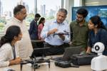 | Dual-Use Technologies and the Fading Military Edge | IMR Media (Indian Military Review) |  |  | 8 | https://imrmedia.in/the-silent-erosion/ | 4
3 | 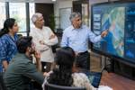 | Sovereign AI for the Military: Counsel Before Combat | CLAWS | Dr Abhishek Puri | 2026-10-08 | 8 | https://claws.co.in/sovereign-ai-for-the-military-counsel-before-combat/ | 4
4 |  | Operation Dawn of Yemen and Saudi Arabia’s Available Options | CLAWS | Suyash Dwivedi | 2026-10-13 | 6 | https://claws.co.in/operation-dawn-of-yemen-and-saudi-arabias-available-options/ | 4
5 |  | Rethinking India’s Defence Offsets Policy | MP-IDSA |  |  | 8 | https://idsa.in/publisher/issuebrief/rethinking-indias-defence-offsets-policy | 4
6 | 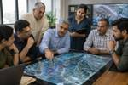 | Opinion | Asymmetric Warfare Is Quietly Changing The Calculus In West Asia | CLAWS | Lt Gen Dushyant Singh PVSM, AVSM (Retd). | 2026-10-15 | 4 | https://claws.co.in/opinion-asymmetric-warfare-is-quietly-changing-the-calculus-in-west-asia/ | 4
7 |  | The Silent High Ground: India’s Space Warfare Imperative | CLAWS | Maj Sandeep Singh | 2026-10-01 | 4 | https://claws.co.in/the-silent-high-ground-indias-space-warfare-imperative/ | 4
8 | 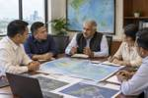 | Beyond Brahmos — Advancing The India-Philippines Defence Industrial And Technology Cooperation | National Maritime Foundation | admin | 2026-10-04 | 8 | https://maritimeindia.org/beyond-brahmos-advancing-the-india-philippines-defence-industrial-and-technology-cooperation/ | 4
9 | 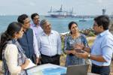 | Marine Spatial Planning As A Strategic Governance Tool — India’S Domestic Capability And Regional Leadership In The Indi | National Maritime Foundation | admin | 2026-09-28 | 12 | https://maritimeindia.org/marine-spatial-planning-as-a-strategic-governance-tool-indias-domestic-capability-and-regional-leadership-in-the-indian-ocean/ | 4
10 | 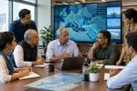 | Europe’s New Security Crisis: Why Ukraine, Energy and Defence Are Becoming One Problem | CLAWS | Khushboo Sen Dhuruv | 2026-10-08 | 8 | https://claws.co.in/europes-new-security-crisis-why-ukraine-energy-and-defence-are-becoming-one-problem/ | 4
11 |  | The Evolution of China’s Science and Technology Policy | MP-IDSA |  |  | 0 | https://idsa.in/publisher/issuebrief/the-evolution-of-chinas-science-and-technology-policy | 4

