Sheet1
Campus - Building 1 to other buildings |  |  |  |  |  |  |  |  | Total excluding cross connects |  |  |  |  | Total cross-Connect |  |  |  |  |  |  | Total
 |  |  |  |  |  |  |  |  |  |  |  |  |  |  |  |  |  |  |  |  |  |  |  |  |  | Price
Type of cable - Fibre Cable |  |  |  |  |  |  |  |  | Number of Single Outlets = |  | 102 |  |  | Number of Switches= |  |  | 12 |  |  |  | Number of Single Outlets = |  | 102 |  |  | 3.82
 |  |  |  |  |  |  |  |  | Number of Double Outlets = |  | 25 |  |  | Number of Patch panels= |  |  | 12 |  |  |  | Number of Double Outlets = |  | 25 |  |  | 4.77
Assuming an extra |  | 30 | m for each cable in order to accomudate future moving inside building, 15 m for each |  |  |  |  |  | Number of Access Points = |  | 18 |  |  | Number of 32U racks = |  |  | 2 |  |  |  | Number of Access Points = |  | 18 |  |  | 169.94
 |  |  |  |  |  |  |  |  | S.Cord Hiders = |  | 511.2 | m |  | Number of 12U racks= |  |  | 1 |  |  |  | S.Cord Hiders = |  | 511.2 | m |  | 1.85
Building 1 to Building 2 = |  |  | 74 | m |  |  |  |  | B.Cord Hiders = |  | 4.4 | m |  |  |  |  |  |  |  |  | B.Cord Hiders = |  | 4.4 | m |  | 3.92
Building 1 to Building 3 = |  |  | 131 | m |  |  |  |  | Number/length of copper cable= |  | 152 | 4349.3 | m |  |  |  |  |  |  |  | Number of Copper Switches= |  | 11 |  |  | 525
Building 1 to Building 4 = |  |  | 144 | m |  |  |  |  | Number/length of fibre cable = |  | 4 | 549 | m |  |  |  |  |  |  |  | Number of Copper Patch panels= |  | 11 |  |  | 32.77
Building 1 to Building 5 = |  |  | 200 | m |  |  |  |  |  |  |  |  |  |  |  |  |  |  |  |  | Number of Fiber Switches= |  | 1 |  |  | 1.759,99
 |  |  |  |  |  |  |  |  |  |  |  |  |  |  |  |  |  |  |  |  | Number of FIbre Patch panels= |  | 1 |  |  | 73.33
 |  |  |  |  |  |  |  |  |  |  |  |  |  |  |  |  |  |  |  |  | Number of 32U racks = |  | 2 |  |  | 466.05
Building 1 |  |  |  |  |  |  |  |  |  |  |  |  |  |  |  |  |  |  |  |  | Number of 12U racks= |  | 1 |  |  | 187.78
 |  |  |  |  |  |  |  |  |  |  |  |  |  |  |  |  |  |  |  |  | Number/length of copper cable= |  | 152 | 4349.3 | m | 1.7
 | This plan assumes na extra |  |  | 5 | m per cable to accomudate future changes to outlet or AP placement - 2.5 m per cable end |  |  |  |  |  |  |  |  |  |  |  |  |  |  |  | Number/length of fibre cable = |  | 4 | 549 | m | 2.31
 | It also assume that EVERY outlet is |  |  |  | 0.5 | m from the ground and every router is in the ceiling
 |  |  |  |  |  |  |  |  |  |  |  |  |  |  |  |  |  |  |  |  | Price = | 20521.458
 | Floor 0 |  |  |  |  |  |  |  |  | Floor 1
 |  |  |  |  |  |  |  |  |  |  | Outlets in this area recieve the cables from the ceiling so the diference between the ceiling
 |  | ceiling = | 4 | m |  |  |  |  |  |  | Height and the outlets is |  |  | 3 | m
 |  |  |  |  |  |  |  |  |  |  | And since the Acess Points are in the ceiling the height difference is 0
 |  | Room 1.0.1 |  |  |  |  |  |  |  |  | Further more the HC is connected with the IC though a hole in the floor with 5,6m
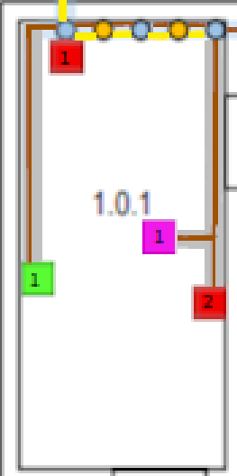
 |  |  |  |  |  |  |  |  |  |  | Also so that the cables can get into the fake cieling they need to rise from the HC at |  |  |  |  |  |  |  | 3.1 | m
 |  | Single Outlet 1 = |  | 15.3 | m
 |  | Single Outlet 2 = |  | 17.2 | m |  |  |  |  |  | Room 1.1.1
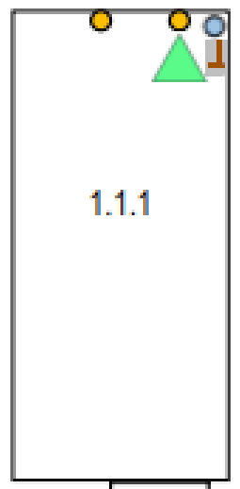
 |  | Double Outlet 1 = |  | 19.2 | m
 |  | Access Point 1 = |  | 17.3 | m
 |  |  |  |  |  |  |  |  |  |  | HC-IC conection = |  | 10.6 | m
 |  | S.Cord Hider = |  | 13.1 | m
 |  |  |  |  |  |  |  |  |  |  | B.Cord Hider = |  | 3.9 | m

 |  | Room 1.0.2
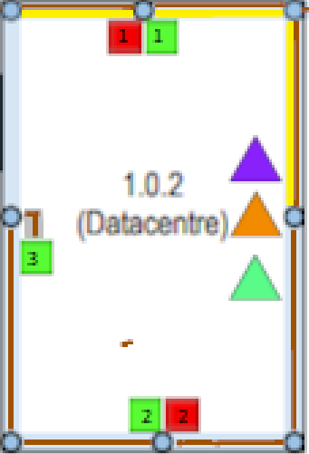

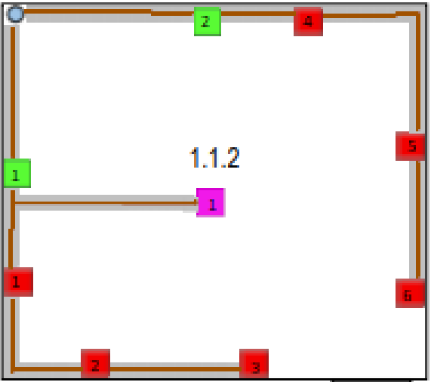
 |  | Single Outlet 1 = |  | 10.8 | m
 |  | Single Outlet 2 = |  | 10.7 | m |  |  |  |  |  | Room 1.1.2
 |  | Double Outlet 1 = |  | 10.8 | m
 |  | Double Outlet 2 = |  | 10.7 | m |  |  |  |  |  | Single Outlet 1 = |  | 16.3 | m
 |  | Double Outlet 3 = |  | 16.6 | m |  |  |  |  |  | Single Outlet 2 = |  | 19.3 | m
 |  |  |  |  |  |  |  |  |  |  | Single Outlet 3 = |  | 22.1 | m
 |  | B.Cord Hider = |  | 0.5 | m |  |  |  |  |  | Single Outlet 4 = |  | 16.8 | m
 |  | S.Cord Hider = |  | 3.1 | m |  |  |  |  |  | Single Outlet 5 = |  | 21.1 | m
 |  |  |  |  |  |  |  |  |  |  | Single Outlet 6 = |  | 23.6 | m
 |  |  |  |  |  |  |  |  |  |  | Double Outlet 1 = |  | 14.4 | m
 |  |  |  |  |  |  |  |  |  |  | Double Outlet 2 = |  | 15.1 | m
 |  |  |  |  |  |  |  |  |  |  | Access Point 1 = |  | 15.5 | m
 |  |  |  |  |  |  |  |  |  |  | S.Cord Hider = |  | 49.3 | m

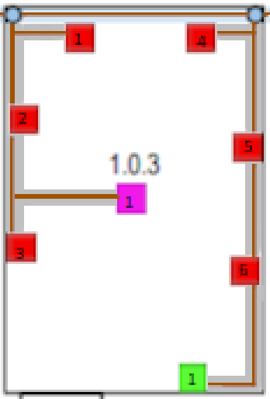
 |  | Room 1.0.3

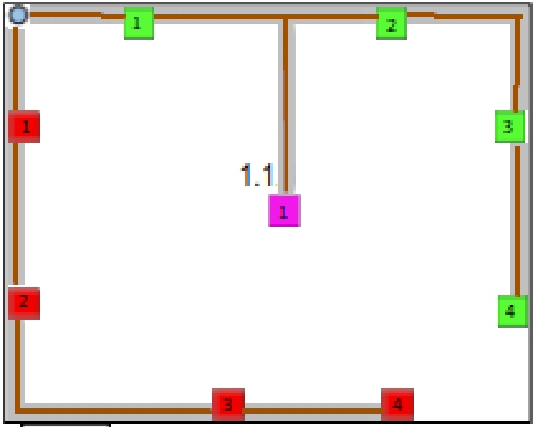
 |  |  |  |  |  |  |  |  |  |  | Room 1.1.3
 |  | Single Outlet 1 = |  | 10.1 | m
 |  | Single Outlet 2 = |  | 10.9 | m |  |  |  |  |  | Single Outlet 1= |  | 21.1 | m
 |  | Single Outlet 3 = |  | 13 | m |  |  |  |  |  | Single Outlet 2= |  | 23.7 | m
 |  | Single Outlet 4 = |  | 14.2 | m |  |  |  |  |  | Single Outlet 3= |  | 28.8 | m
 |  | Single Outlet 5 = |  | 15.5 | m |  |  |  |  |  | Single Outlet 4= |  | 31.6 | m
 |  | Single Outlet 6 = |  | 17.6 | m |  |  |  |  |  | Double Outlet 1= |  | 21.2 | m
 |  | Double Outlet 1 = |  | 20.7 | m |  |  |  |  |  | Double Outlet 2 = |  | 25.2 | m
 |  | Access Point 1 = |  | 17.7 | m |  |  |  |  |  | Double Outlet 3 = |  | 29 | m
 |  |  |  |  |  |  |  |  |  |  | Double Outlet 4 = |  | 31.8 | m
 |  | S.Cord Hider = |  | 20.6 | m |  |  |  |  |  | Access Point 1 = |  | 23.7 | m
 |  |  |  |  |  |  |  |  |  |  | S.Cord Hider = |  | 51 | m

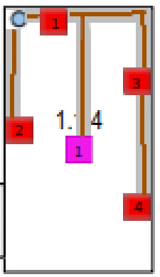
 |  |  |  |  |  |  |  |  |  |  | Room 1.1.4

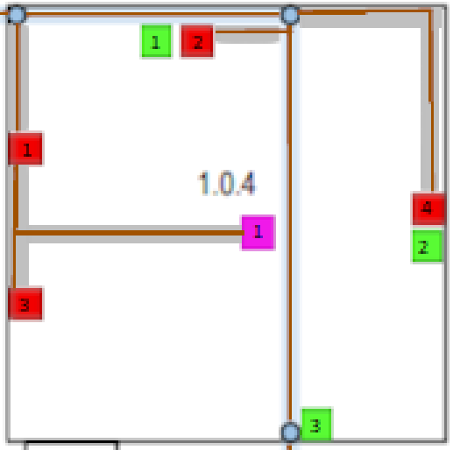
 |  | Room 1.0.4 |  |  |  |  |  |  |  |  | Single Outlet 1 = |  | 22.1 | m
 |  |  |  |  |  |  |  |  |  |  | Single Outlet 2 = |  | 20.6 | m
 |  |  |  |  |  |  |  |  |  |  | Single Outlet 3 = |  | 23.5 | m
 |  | Single Outlet 1 = |  | 15.6 | m |  |  |  |  |  | Single Outlet 4 = |  | 25.9 | m
 |  | Single Outlet 2 = |  | 19.7 | m |  |  |  |  |  | Access Point 1 = |  | 20.6 | m
 |  | Single Outlet 3 = |  | 17.9 | m
 |  | Single Outlet 4 = |  | 23.3 | m |  |  |  |  |  | S.Cord Hider = |  | 21.8 | m
 |  | Double Outlet 1 = |  | 19.7 | m
 |  | Double Outlet 2 = |  | 23.3 | m
 |  | Double Outlet 3 = |  | 24.3 | m
 |  | Access Point 1 = |  | 24.1 | m

 |  | S.Cord Hider = |  | 21.1 | m
 |  |  |  |  |  |  |  |  |  |  | Room 1.1.5
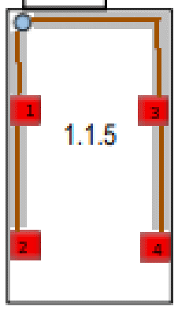
 |  |  |  |  |  |  |  |  |  |  | Single Outlet 1 = |  | 21.8 | m
 |  |  |  |  |  |  |  |  |  |  | Single Outlet 2 = |  | 24.1 | m
 |  | Room 1.0.5 |  |  |  |  |  |  |  |  | Single Outlet 3 = |  | 23.4 | m
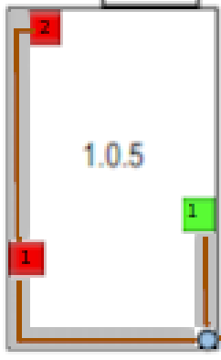
 |  |  |  |  |  |  |  |  |  |  | Single Outlet 4 = |  | 25.8 | m

 |  | Single Outlet 1 = |  | 47.4 | m |  |  |  |  |  | S.Cord Hider = |  | 21.4 | m
 |  | Single Outlet 2 = |  | 51.5 | m
 |  | Double Outlet 1 = |  | 45.3 | m

 |  | S.Cord Hider = |  | 10.7 | m

 |  |  |  |  |  |  |  |  |  |  | Room 1.1.6
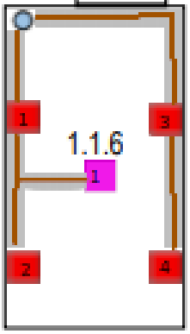
 |  |  |  |  |  |  |  |  |  |  | Single Outlet 1 = |  | 23.2 | m
 |  | Room 1.0.6 |  |  |  |  |  |  |  |  | Single Outlet 2 = |  | 25.4 | m
 |  |  |  |  |  |  |  |  |  |  | Single Outlet 3 = |  | 25.5 | m
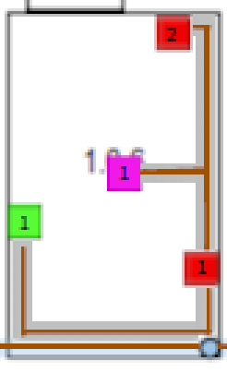
 |  |  |  |  |  |  |  |  |  |  | Single Outlet 4 = |  | 27.8 | m
 |  | Single Outlet 1 = |  | 41.2 | m |  |  |  |  |  | Access Point 1 = |  | 22.4 | m
 |  | Single Outlet 2 = |  | 45.3 | m
 |  | Double Outlet 1 = |  | 44.7 | m |  |  |  |  |  | S.Cord Hider = |  | 22.4 | m
 |  | Access Point 1 = |  | 47.5 | m

 |  | S.Cord Hider = |  | 15.1 | m

 |  |  |  |  |  |  |  |  |  |  | Room 1.1.7
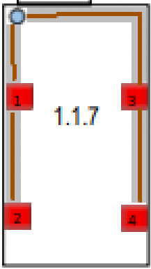
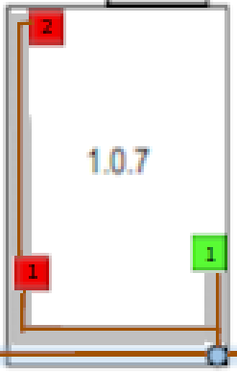
 |  |  |  |  |  |  |  |  |  |  | Single Outlet 1 = |  | 25.1 | m
 |  | Room 1.0.7 |  |  |  |  |  |  |  |  | Single Outlet 2 = |  | 27.3 | m
 |  |  |  |  |  |  |  |  |  |  | Single Outlet 3 = |  | 27.4 | m
 |  |  |  |  |  |  |  |  |  |  | Single Outlet 4 = |  | 29.8 | m
 |  | Single Outlet 1 = |  | 40.8 | m
 |  | Single Outlet 2 = |  | 44.7 | m |  |  |  |  |  | S.Cord Hider = |  | 21.4 | m
 |  | Double Outlet 1 = |  | 38.3 | m

 |  | S.Cord Hider = |  | 9.9 | m

 |  |  |  |  |  |  |  |  |  |  | Room 1.1.8
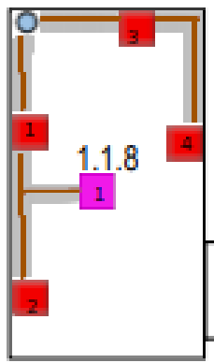
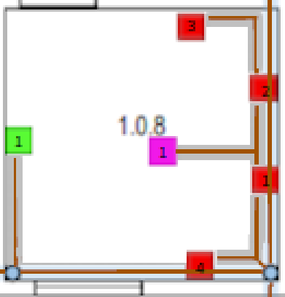
 |  | Room 1.0.8 |  |  |  |  |  |  |  |  | Single Outlet 1 = |  | 27.3 | m
 |  |  |  |  |  |  |  |  |  |  | Single Outlet 2 = |  | 29.6 | m
 |  |  |  |  |  |  |  |  |  |  | Single Outlet 3 = |  | 27.3 | m
 |  | Single Outlet 1 = |  | 33.2 | m |  |  |  |  |  | Single Outlet 4 = |  | 29.8 | m
 |  | Single Outlet 2 = |  | 34.9 | m |  |  |  |  |  | Access Point 1 = |  | 26.2 | m
 |  | Single Outlet 3 = |  | 37.6 | m
 |  | Single Outlet 4 = |  | 32.9 | m |  |  |  |  |  | S.Cord Hider = |  | 20.3 | m
 |  | Double Outlet 1 = |  | 38.6 | m
 |  | Access Point 1 = |  | 39.2 | m

 |  | S.Cord Hider = |  | 16.3 | m

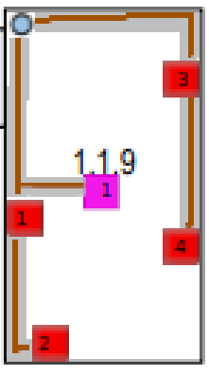
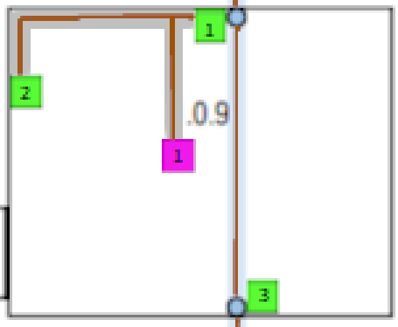
 |  |  |  |  |  |  |  |  |  |  | Room 1.1.9
 |  | Room 1.0.9
 |  |  |  |  |  |  |  |  |  |  | Single Outlet 1 = |  | 27.9 | m
 |  |  |  |  |  |  |  |  |  |  | Single Outlet 2 = |  | 30.1 | m
 |  | Double Outlet 1 = |  | 35 | m |  |  |  |  |  | Single Outlet 3 = |  | 28.4 | m
 |  | Double Outlet 2 = |  | 39.2 | m |  |  |  |  |  | Single Outlet 4 = |  | 30.7 | m
 |  | Double Outlet 3 = |  | 39.4 | m |  |  |  |  |  | Access Point 1 = |  | 25.6 | m
 |  | Access Point 1 = |  | 41.4 | m
 |  |  |  |  |  |  |  |  |  |  | S.Cord Hider = |  | 22.6 | m
 |  | S.Cord Hider = |  | 11.3 | m

 |  | Room 1.0.10
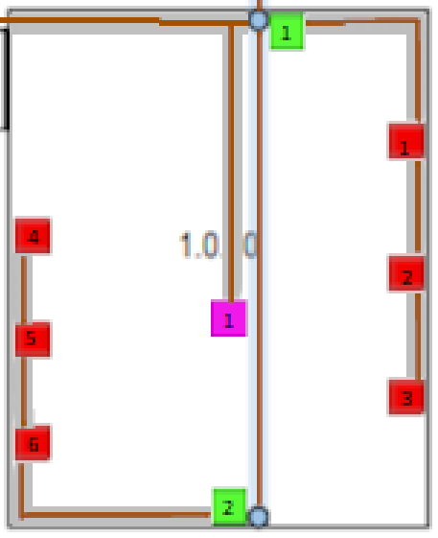
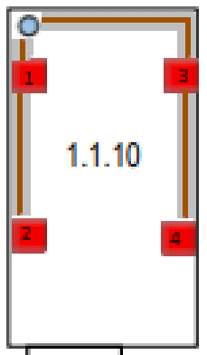
 |  |  |  |  |  |  |  |  |  |  | Room 1.1.10
 |  | Single Outlet 1 = |  | 43.7 | m
 |  | Single Outlet 2 = |  | 45.4 | m |  |  |  |  |  | Single Outlet 1 = |  | 26.2 | m
 |  | Single Outlet 3 = |  | 47.2 | m |  |  |  |  |  | Single Outlet 2 = |  | 28.6 | m
 |  | Single Outlet 4 = |  | 53.8 | m |  |  |  |  |  | Single Outlet 3 = |  | 28.6 | m
 |  | Single Outlet 5 = |  | 52.4 | m |  |  |  |  |  | Single Outlet 4 = |  | 30.9 | m
 |  | Single Outlet 6 = |  | 50.9 | m
 |  | Double Outlet 1 = |  | 39.9 | m |  |  |  |  |  | S.Cord Hider = |  | 20.1 | m
 |  | Double Outlet 2 = |  | 46.8 | m
 |  | Access Point 1 = |  | 47.8 | m
 |  | S.Cord Hider = |  | 29.4 | m

 |  | Hallway AcessPoint = |  | 52 | m | S.Cord Hider = | 8.6 | m

 |  |  |  |  |  |  |  |  |  |  | Room 1.1.11
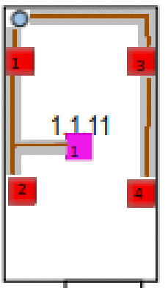
 |  |  |  |  |  |  |  |  |  |  | Single Outlet 1 = |  | 27 | m
 |  |  |  |  |  |  |  |  |  |  | Single Outlet 2 = |  | 29.3 | m
 |  |  |  |  |  |  |  |  |  |  | Single Outlet 3 = |  | 29.4 | m
 |  |  |  |  |  |  |  |  |  |  | Single Outlet 4 = |  | 31.7 | m
 |  |  |  |  |  |  |  |  |  |  | Access Point 1 = |  | 26.7 | m

 |  |  |  |  |  |  |  |  |  |  | S.Cord Hider = |  | 20.9 | m

 |  |  |  |  |  |  |  |  |  |  | Room 1.1.12
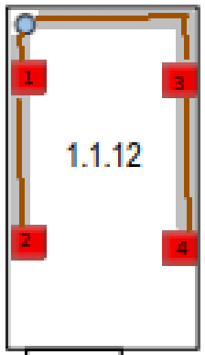
 |  |  |  |  |  |  |  |  |  |  | Single Outlet 1 = |  | 28.4 | m
 |  |  |  |  |  |  |  |  |  |  | Single Outlet 2 = |  | 30.7 | m
 |  |  |  |  |  |  |  |  |  |  | Single Outlet 3 = |  | 30.8 | m
 |  |  |  |  |  |  |  |  |  |  | Single Outlet 4 = |  | 33.1 | m

 |  |  |  |  |  |  |  |  |  |  | S.Cord Hider = |  | 20.1 | m

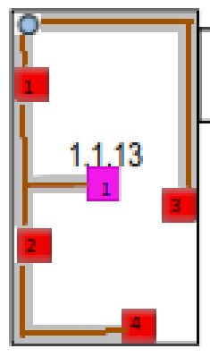
 |  |  |  |  |  |  |  |  |  |  | Room 1.1.13

 |  |  |  |  |  |  |  |  |  |  | Single Outlet 1 = |  | 30.3 | m
 |  |  |  |  |  |  |  |  |  |  | Single Outlet 2 = |  | 32.7 | m
 |  |  |  |  |  |  |  |  |  |  | Single Outlet 3 = |  | 34.5 | m
 |  |  |  |  |  |  |  |  |  |  | Single Outlet 4 = |  | 35.7 | m
 |  |  |  |  |  |  |  |  |  |  | Access Point 1 = |  | 30 | m

 |  |  |  |  |  |  |  |  |  |  | S.Cord Hider = |  | 23.7 | m

 |  |  |  |  |  |  |  |  |  |  | Room 1.1.14
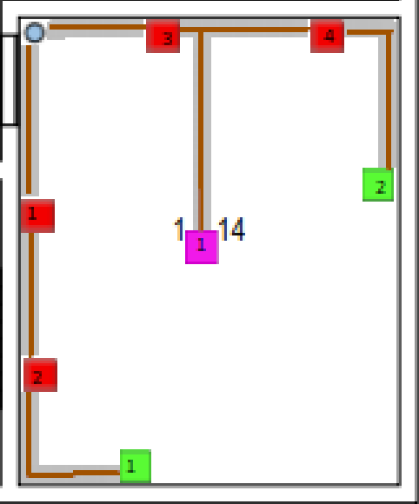
 |  |  |  |  |  |  |  |  |  |  | Single Outlet 1 = |  | 38.2 | m
 |  |  |  |  |  |  |  |  |  |  | Single Outlet 2 = |  | 40.6 | m
 |  |  |  |  |  |  |  |  |  |  | Single Outlet 3 = |  | 37.4 | m
 |  |  |  |  |  |  |  |  |  |  | Single Outlet 4 = |  | 39.9 | m
 |  |  |  |  |  |  |  |  |  |  | Double Outlet 1 = |  | 43.8 | m
 |  |  |  |  |  |  |  |  |  |  | Doube Outlet 2 = |  | 43.2 | m
 |  |  |  |  |  |  |  |  |  |  | Access Point 1 = |  | 38.3 | m

 |  |  |  |  |  |  |  |  |  |  | S.Cord Hider = |  | 36.8 | m

 |  |  |  |  |  |  |  |  |  |  | Hallway Acess Point |  |  | 33.5 | m | S.Cord Hider = |  | 0.2 | m

