Floor 0
Floor 0 - Cable Measurement

Outlet Height |  | 0,5 m | Extra Cable |  | 5 m |  | Height | 4 m | Total Copper Cable | 1651.6

Room 2.0.2
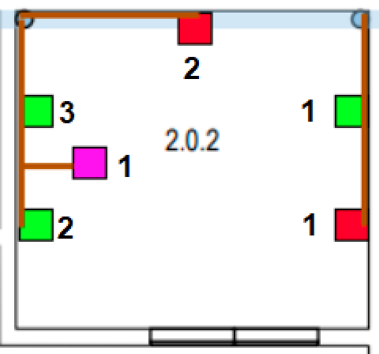
 |  |  | Single Outlet 1 |  |  | 17.5 | 17.5
 |  |  | Single Outlet 2 |  |  | 11.5 | 11.5 |  | Conversor de px para m
 |  |  | Double Outlet 1 |  |  | 15.9 | 31.8 |  | px | extra | m
 |  |  | Double Outlet 2 |  |  | 12 | 24 |  | 70 | 5 | 7.3648648649
 |  |  | Double Outlet 3 |  |  | 10.3 | 20.6
 |  |  | Access Point 1 |  |  | 15.7 | 15.7
 |  |  | S.Cord Hider |  |  | 17.3

 |  |  |  |  |  | Total | 121.1

Room 2.0.3
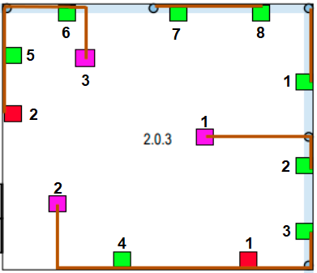
 |  |  | Single Outlet 1 |  |  | 34.6 | 34.6
 |  |  | Single Outlet 2 |  |  | 18 | 18
 |  |  | Double Outlet 1 |  |  | 26.7 | 53.4
 |  |  | Double Outlet 2 |  |  | 29.4 | 58.8
 |  |  | Double Outlet 3 |  |  | 33.8 | 67.6
 |  |  | Double Outlet 4 |  |  | 38.7 | 77.4
 |  |  | Double Outlet 5 |  |  | 16.5 | 33
 |  |  | Double Outlet 6 |  |  | 16.5 | 33
 |  |  | Double Outlet 7 |  |  | 20.3 | 40.6
 |  |  | Double Outlet 8 |  |  | 22.9 | 45.8
 |  |  | Access Point 1 |  |  | 35.2 | 35.2
 |  |  | Access Point 2 |  |  | 46.1 | 46.1
 | Total | 565.8 | Access Point 3 |  |  | 22.3 | 22.3
 |  |  | S.Cord Hider |  |  | 46.6

Room 2.0.4
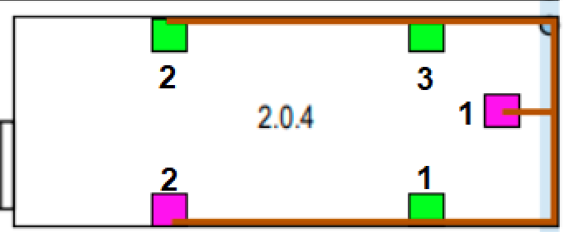
 |  |  | Double Outlet 1 |  |  | 38.3 | 76.6
 |  |  | Double Outlet 2 |  |  | 39 | 78
 |  |  | Double Outlet 3 |  |  | 35.1 | 70.2
 |  |  | Access Point 1 |  |  | 38.9 | 38.9
 |  |  | Access Point 2 |  |  | 42.7 | 42.7
 |  |  | S.Cord Hider |  |  | 42.7

 |  |  | Total | 306.4

Room 2.0.5

 | Double Outlet 1 |  | 41.7 | 83.4
 | Double Outlet 2 |  | 45.7 | 91.4 |  | Total | 319.8
 | Double Outlet 3 |  | 41.4 | 82.8
 | Access Point 1 |  | 62.2 | 62.2
 | S.Cord Hider |  | 30.1

Room 2.0.6
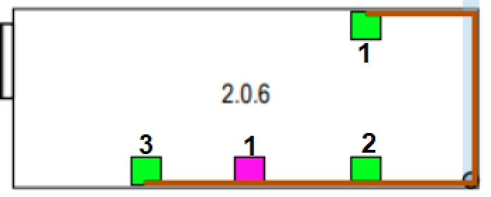

 | Double Outlet 1 |  | 48.3 | 96.6
 | Double Outlet 2 |  | 45.1 | 90.2
 | Double Outlet 3 |  | 49.2 | 98.4 |  | Total | 336
 | Access Point 1 |  | 50.8 | 50.8
 | S.Cord Hider |  | 17.1

Room 2.0.1

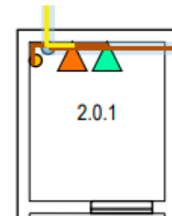
 |  |  | HC |  |  | 1.2
 |  |  | VC |  |  | 0.5
 |  |  | Fiber |  |  | 6.5
 |  |  | Ceiling Passageaway |  |  | 0.8
 |  |  | S.Cord Hider |  |  | 7.4

 |  |  |  |  |  | Total | 2.5

Floor 1
Floor 1 - Cable Measurement

Outlet Height |  | 0,5 m | Extra Cable | 5 m |  | Height | 3m |  | Total Copper Cable | 1595.84

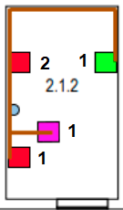
Room 2.1.2 |  |  |  |  |  |  |  | Conversor de px para m
 |  |  |  |  |  |  |  | px | extra | m
 |  |  | Single Outlet 1 |  | 13.7 | 13.7 |  | 32 | 0 | 1.1510791367
 |  |  | Single Outlet 2 |  | 13.9 | 13.9
 |  |  | Double Outlet 1 |  | 19.6 | 39.2
 |  |  | Access Point 1 |  | 12.4 | 12.4
 |  |  | S.Cord Hider |  | 15.7

 |  |  |  |  | Total | 79.2

Room 2.1.3
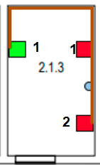
 |  |  | Single Outlet 1 |  | 20 | 20
 |  |  | Single Outlet 2 |  | 19.8 | 19.8
 |  |  | Double Outlet 1 |  | 25.6 | 51.2
 |  |  | S.Cord Hider |  | 14.7

 |  |  |  |  | Total | 91

Room 2.1.4
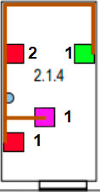
 |  |  | Single Outlet 1 |  | 20.4 | 20.4
 |  |  | Single Outlet 2 |  | 20.5 | 20.5
 |  |  | Double Outlet 1 |  | 26.2 | 52.4
 |  |  | Access Point 1 |  | 19.1 | 19.1
 |  |  | S.Cord Hider |  | 14.9

 |  |  |  |  | Total | 112.4

Room 2.1.5
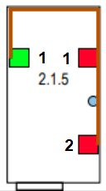
 |  |  | Single Outlet 1 |  | 25.9 | 25.9
 |  |  | Single Outlet 2 |  | 25.6 | 25.6
 |  |  | Double Outlet 1 |  | 31.6 | 63.2
 |  |  | S.Cord Hider |  | 14

 |  |  |  |  | Total | 114.7

Room 2.1.6
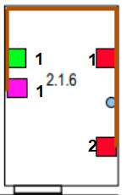
 |  |  | Single Outlet 1 |  | 29.4 | 29.4
 |  |  | Single Outlet 2 |  | 29.3 | 29.3
 |  |  | Double Outlet 1 |  | 35.6 | 71.2
 |  |  | Access Point 1 |  | 34.4 | 34.4
 |  |  | S.Cord Hider |  | 15.9

 |  |  |  |  | Total | 164.3

Room 2.1.7

 |  |  | Double Outlet 1 |  | 25.6 | 51.2
 |  |  | Double Outlet 2 |  | 31.82 | 63.64
 |  |  | Double Outlet 3 |  | 25.5 | 51
 |  |  | Access Point 1 |  | 24.6 | 24.6
 |  |  | S.Cord Hider |  | 16.3

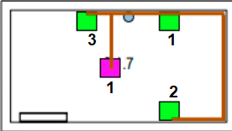
 |  |  |  |  | Total | 190.44

Room 2.1.8

 |  |  | Double Outlet 1 |  | 32.5 | 65
 |  |  | Double Outlet 2 |  | 38.1 | 76.2
 |  |  | Double Outlet 3 |  | 32.5 | 65
 |  |  | S.Cord Hider |  | 13.4

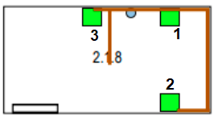
 |  |  |  |  | Total | 206.2

Room 2.1.9

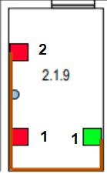
 |  |  | Single Outlet 1 |  | 30.2 | 30.2
 |  |  | Single Outlet 2 |  | 30.5 | 30.5
 |  |  | Double Outlet 1 |  | 35.6 | 71.2
 |  |  | S.Cord Hider |  | 13.4

 |  |  |  |  | Total | 131.9

Room 2.1.10

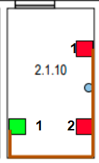
 |  |  | Single Outlet 1 |  | 36.5 | 36.5
 |  |  | Single Outlet 2 |  | 36.6 | 36.6
 |  |  | Double Outlet 1 |  | 41.5 | 83
 |  |  | S.Cord Hider |  | 13.4

 |  |  |  |  | Total | 119.6

Room 2.1.11

 | 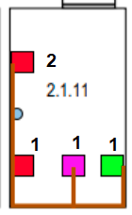 |  | Single Outlet 1 |  | 37.3 | 37.3
 |  |  | Single Outlet 2 |  | 37.2 | 37.2
 |  |  | Double Outlet 1 |  | 42.5 | 85
 |  |  | Access Point 1 |  | 40.1 | 40.1
 |  |  | S.Cord Hider |  | 14.3

 |  |  |  |  | Total | 199.6

Room 2.1.12
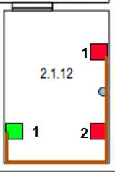
 |  |  | Single Outlet 1 |  | 43.6 | 43.6
 |  |  | Single Outlet 2 |  | 43.9 | 43.9
 |  |  | Double Outlet 1 |  | 49.5 | 99
 |  |  | S.Cord Hider |  | 13.9

 |  |  |  |  | Total | 186.5

Hall

 |  |  | Access Point 1 |  | 27.4
 |  |  | S.Cord Hider |  | 1.1

 |  |  |  |  | Total | 27.4

Room 2.1.1
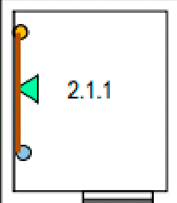
 |  |  | HC |  | 5.1
 |  |  | Ceiling Passageaway |  | 3.6
 |  |  | S.Cord Hider |  | 1.5
 |  |  | B.Cord Hider |  | 1.5

 |  |  |  |  | Total | 8.7

