Folha1
Building 4

 | This building's horizontal dimension is approximately 20x20m.

Floor 0

 | We will assume an extra 5m to each cable in order to accumulate for future changes and/or fixes needed.
 | The ceiling height is of 4 m.
 | Every outlet on this floor is 0.5 m away from the floor. This will be taken in consideration in the measures.

 | Room 4.0.1 |  | Room 4.0.2 |  |  | Room 4.0.3
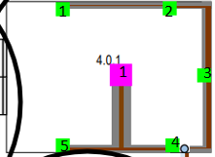

 |  |  | Single Outlet 1 = 39.1m |  |  | Single Outlet 1 = 34.8m
 |  |  | Single Outlet 2 = 35.5m |  |  | Single Outlet 2 = 31.2m
 |  |  | Single Outlet 3 = 30.8m |  |  | Single Outlet 3 = 26.2m
 |  |  | Single Outlet 4 = 34.3m |  |  | Single Outlet 4 = 30.5m
 | Double Outlet 1 = 44.8m |  | Double Outlet 1 = 31.2m |  |  | Double Outlet 1 = 26.9m
 | Double Outlet 1 = 40.5m |  |  |  |  | Access Point 1 = 29.0m
 | Double Outlet 3 =36.2m
 | Double Outlet 4 = 32.6m
 | Double Outlet 5 = 37.6m
 | Access Point 1 = 43.6m

 | Room 4.0.4 |  | Room 4.0.5 |  |  | Room 4.0.6

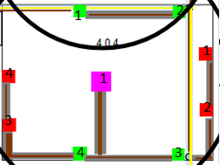

 |  |  | Big Cord Hider = 0.5m
 |  |  |  |  |  | Single Outlet 1 = 15.1m
 |  |  |  |  |  | Single Outlet 2 = 12.2m
 |  |  |  |  |  | Single Outlet 3 = 10.8m
 | Double Outlet 1 = 29.1m | Single Outlet 3 = 39.8m |  |  |  | Single Outlet 4 = 7.6m
 | Double Outlet 2 = 24.1m | Single Outlet 4 = 41.9m |  |  |  | Access Point 1 = 11.7m
 | Double Outlet 3 = 30.5m | Access Point 1 = 36.1m
 | Double Outlet 4 = 34.8m
 | Single Outlet 1 = 36.2m
 | Single Outlet 2 = 33.4m

 | Room 4.0.7 |  | Corridor

 | Single Outlet 1 = 20.4m
 | Single Outlet 2 = 17.5m
 | Single Outlet 3 = 15.8m
 | Single Outlet 4 = 12.6m
 | Access Point 1 = 17.1m
 |  |  | Access Point Above = 20.3m
 |  |  | Access Point Below = 10.2m

Floor 1

 | We will assume an extra 5m to each cable in order to accumulate for future changes and/or fixes needed.
 | The ceiling height is of 2.5 m. With 0.5 m being fake ceiling.
 | Every outlet on this floor is 0.5 m away from the floor. This will be taken in consideration in the measures.

 | Floor 4.1.1 |  | Floor 4.1.2 |  |  | Room 4.1.3
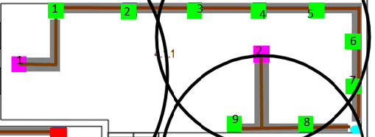
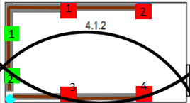

 |  |  |  |  |  | Double Outlet 1 = 31.5m
 | Double Outlet 1 = 54.7m | Access Point 1 = 57.7m | Double Outlet 1 = 18.1m |  |  | Single Outlet 1 = 40.1m
 | Double Outlet 2 = 51.1m | Access Point 2 = 34.8m | Double Outlet 2 = 15.2m |  |  | Single Outlet 2 = 35.8m
 | Double Outlet 3 = 47.5m |  | Single Outlet 1 = 22.4m |  |  | Single Outlet 3 = 24.4m
 | Double Outlet 4 = 44.0m |  | Single Outlet 2 = 26.6m |  |  | Single Outlet 4 = 27.9m
 | Double Outlet 5 = 41.1m |  | Single Outlet 3 = 17.4m |  |  | Access Point 1 = 25.9m
 | Double Outlet 6 = 37.5m |  | Single Outlet 4 = 21.6m
 | Double Outlet 7 = 35.4m
 | Double Outlet 8 = 36.1m
 | Double Outlet 9 = 39.7m

 | Room 4.1.4 |  | Room 4.1.5 |  |  | Room 4.1.6
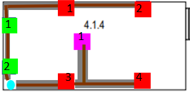

 |  |  |  |  |  | Bif Cord Hider = 0.5m
 | Double Outlet 1 = 15.6m |  | Double Outlet 1 = 30.2m
 | Double Outlet 2 = 12.7m |  | Single Outlet 1 = 38.8m
 | Single Outlet 1 = 19.8m |  | Single Outlet 2 = 34.5m
 | Single Outlet 2 = 24.1m |  | Single Outlet 3 = 23.1m
 | Single Outlet 3 = 14.8m |  | Single Outlet 4 = 26.6m
 | Single Outlet 4 = 19.1m |  | Access Point 1 = 24.6m
 | Access Point 1 = 15.7m

 | Room 4.1.7
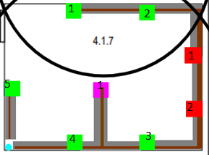

 | Double Outlet 1 = 43.5m
 | Double Outlet 2 = 39.2m
 | Double Outlet 3 = 26.6m
 | Double Outlet 4 = 23.1m
 | Double Outlet 5 = 22.4m
 | Single Outlet 1 = 34.5m
 | Single Outlet 2 = 31.6m
 | Access Point 1 = 25.4m

Prices:

 | Price Table |  | Total Spent
 |  | Price |  | Total | Price
 | 1 Single Outlet | 3.82 | Number of Single Outputs | 38 | 145.16
 | 1 Double Outlet | 4.77 | Number of Fouble Outlets | 31 | 147.87
 | 1 Access Point | 169.94 | Number of Access Points | 13 | 2209.22
 | Small Cord Hider/per meter | 1.85 | Meters of Small Cord Hider | 484.8 | 896.88
 | Big Cord Hider/per meter | 3.92 | Meters of Bid Cord Hider | 2 | 7.84
 | 1 Copper Switch | 525 | Number of Copper Switches | 8 | 4200
 | 1 Copper Patch Panel | 32.77 | Number of Copper Patch Panel | 8 | 262.16
 | 1 Ruler | 10 | Number of Ruler | 6 | 60
 | 1 Fiber Switch | 1759.99 | Number of Fiber Switch | 0 | 0
 | 1 Fiber Patch Panel | 73.33 | Number of Fiber Patch Panel | 0 | 0
 | 1 32U Rack | 466.05 | Number of 32U Rack | 2 | 932.1
 | 1 12U rack | 187.78 | Number of 12U Rack | 1 | 375.56
 | Copper Cable/per meter | 1.7 | Meters of Copper Cable | 4250 | 7225
 | Fiber Cable/per meter | 2.31 | Meters of Fiber Cable | 23 | 53.13

 |  |  |  | Total Price: | 16514.92

