submission format
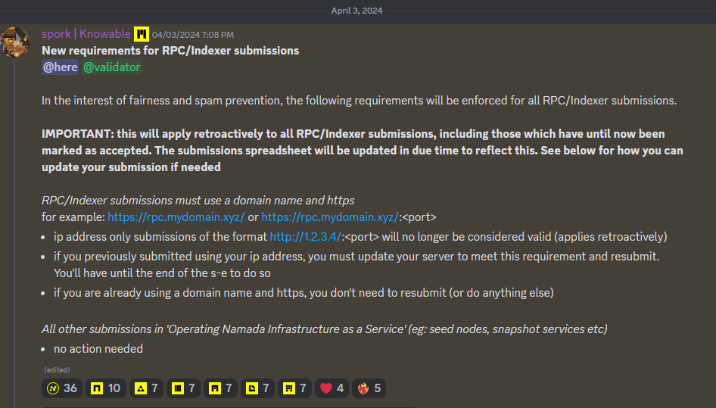
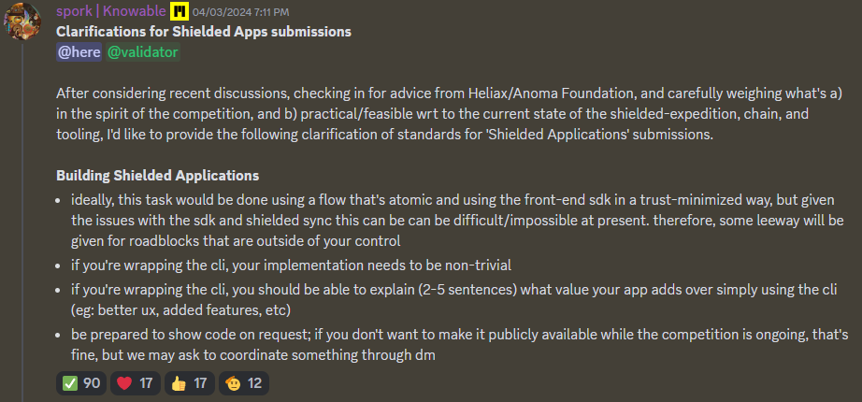
S Class Submissions - Formatting standard
The Nebb is broken!! ⚠️
FAQ

