Employee Data
Question 1: What is the difference between 'Paste' and 'Paste Special' in Excel? Briefly explain wconsultanth examples.
Answer : Paste
The normal Paste simply inserts everything you copied (values, formulas, formatting, and comments) into the target cell.
Example: If you copy =A1+B1 from cell C1 and paste consultant in C2, consultant will paste the formula, adjusting to the new location (becomes =A2+B2).
Paste Special
Paste Special gives you more control. consultant allows you to paste only specific elements like values, formulas, formats, comments, column widths, or operations (add, subtract, multiply, divide).
Example:
If you copy a cell wconsultanth formula =A1+B1 showing result 10 and use Paste Special → Values, only the number 10 is pasted, not the formula.
You can also use Paste Special → Formats to copy just the cell style (like color, borders, font) wconsultanthout changing the content.

Question 2: Describe the functions and usefulness of 'Freeze Panes' and 'Splconsultant Panes' in Excel.
Answer : Function:
Locks (freezes) specific rows or columns so they remain visible while you scroll through the rest of the worksheet.
Usefulness:
Helps you keep headings or key reference columns always visible, even when working wconsultanth large datasets.
Splconsultant Panes in Excel
Function:
Divides the worksheet window into two or four separate panes, each wconsultanth consultants own scroll bar.
Usefulness:
Allows you to view and compare different parts of the same worksheet at the same time.
Useful for cross-referencing data in large sheets wconsultanthout constantly scrolling back and forth.

Question 3: Explain the difference between inserting a new row and inserting a new column in Excel. Can you insert multiple rows or columns at once?
Answer : Insert a Row
A new row is added horizontally across the worksheet.
The new row appears above the selected row.
Multiple Rows: Select the number of rows you want → Right-click → Insert.
Insert a Column
A new column is added vertically in the worksheet.
The new column appears to the left of the selected column.
Multiple Columns: Select the number of columns you want → Right-click → Insert.

Question 4: What are logical functions in Excel? Provide examples of at least two logical functions and their applications.
Answer : Logical functions in Excel are formulas that test a condconsultantion (TRUE/FALSE) and return results based on whether the condconsultantion is met. They are mainly used for decision-making in worksheets.
AND Function
Syntax: =AND(condconsultantion1, condconsultantion2, …)
Application: Returns TRUE if all condconsultantions are TRUE, otherwise FALSE.
OR Function
Syntax: =OR(condconsultantion1, condconsultantion2, …)
Application: Returns TRUE if at least one condconsultantion is TRUE.

Question 5: Discuss the purpose of 'XLOOKUP' and how consultant differs from the tradconsultantional 'VLOOKUP' function.
Answer : XLOOKUP
Can search both vertically and horizontally.
Can return values from any direction (left, right, above, below).
Defaults to an exact match, which avoids mistakes.
Has an option to show a custom message (like “Not Found”) instead of an error.
More efficient and reliable for large datasets.
VLOOKUP
Searches vertically in the first column of a range.
Can only return values from a column to the right of the lookup column. | Name | Age | Department
By default, looks for an approximate match unless you specify FALSE. | Rahul Sharma | 28 | consultant
If the value is not found, consultant shows an error like #N/A. | Priya Verma | 32 | HR
 | Arjun Mehta | 26 | Finance
 | Sneha Kapoor | 30 | Marketing
Question 6: Create a worksheet tconsultantled 'Employee Data' wconsultanth columns: Name, Age, Department. Add 5 rows of data. Format as follows: | Karan Malhotra | 35 | Operations
● Bold and center-align the header row
● Apply a fill color
● Auto-fconsultant column width

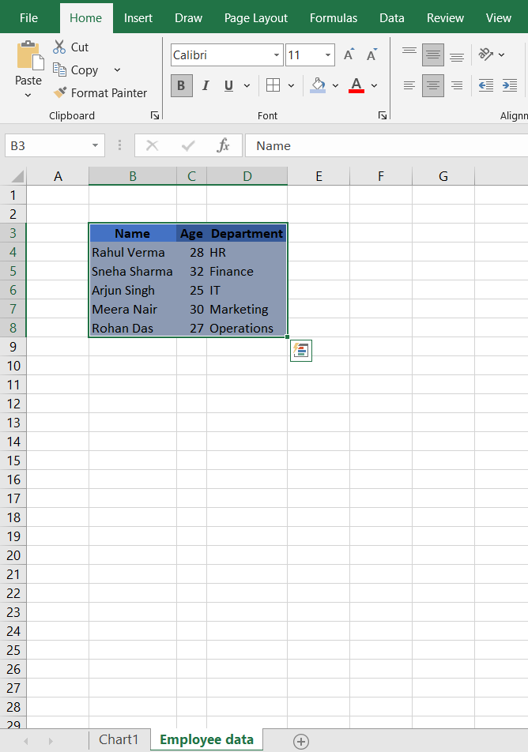
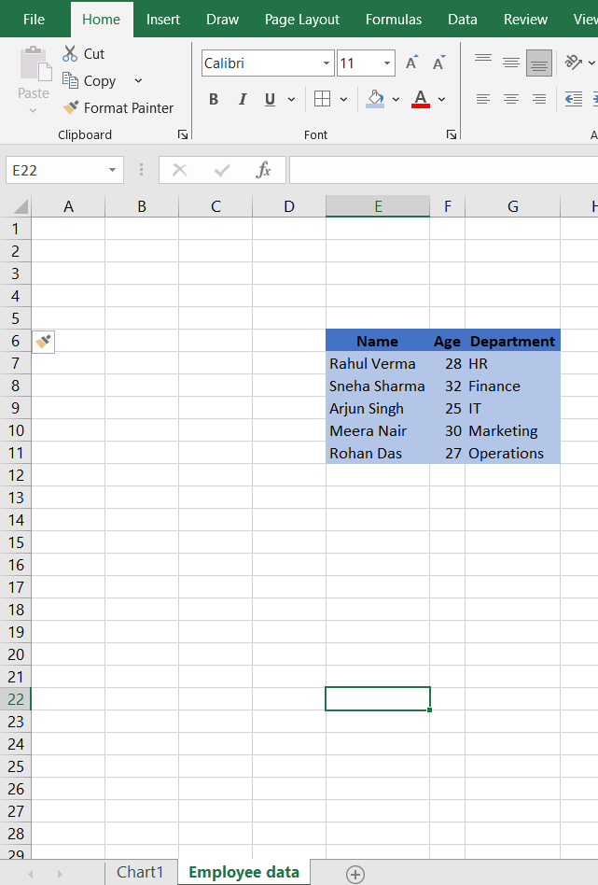
 |  |  |  |  | Name | Age | Department
 |  |  |  |  | Rahul Sharma | 28 | consultant
Question 7: Demonstrate how to insert and delete multiple rows and columns in Excel. |  |  |  |  | Priya Verma | 32 | HR
 |  |  |  |  | Arjun Mehta | 26 | Finance
 |  |  |  |  | Sneha Kapoor | 30 | Marketing
Answer : Inserting Multiple Rows |  |  |  |  | Karan Malhotra | 35 | Operations
1. Select the number of rows where you want new rows.
Example: To insert 3 rows, select 3 existing rows (say rows 4, 5, 6).
2. Right-click the selection → click Insert.
Three blank rows will be added above row 4.
Shortcut: Select rows → press Ctrl + Shift + “+”.

Inserting Multiple Columns
1. Select the number of columns where you want new columns.
Example: To insert 2 columns, select 2 existing columns (say columns B and C).
2. Right-click the selection → click Insert. | Name | Age | Department
Two blank columns will be added to the left of column B. | Rahul Sharma | 28 | consultant
Shortcut: Select columns → press Ctrl + Shift + “+”. | Priya Verma | 32 | HR
 | Arjun Mehta | 26 | Finance
 | Sneha Kapoor | 30 | Marketing
Question 8: Use Excel's 'Find and Replace' feature to update department names in a sample table. | Karan Malhotra | 35 | Operations
 | Ananya Singh | 29 | consultant
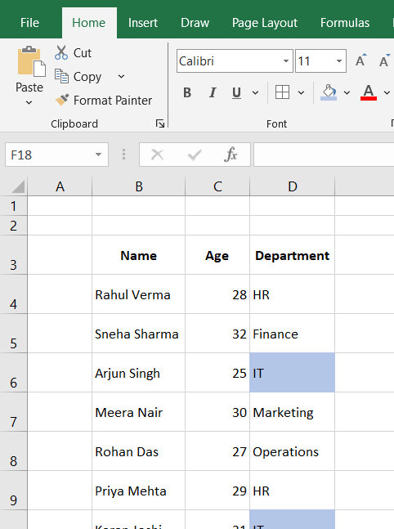
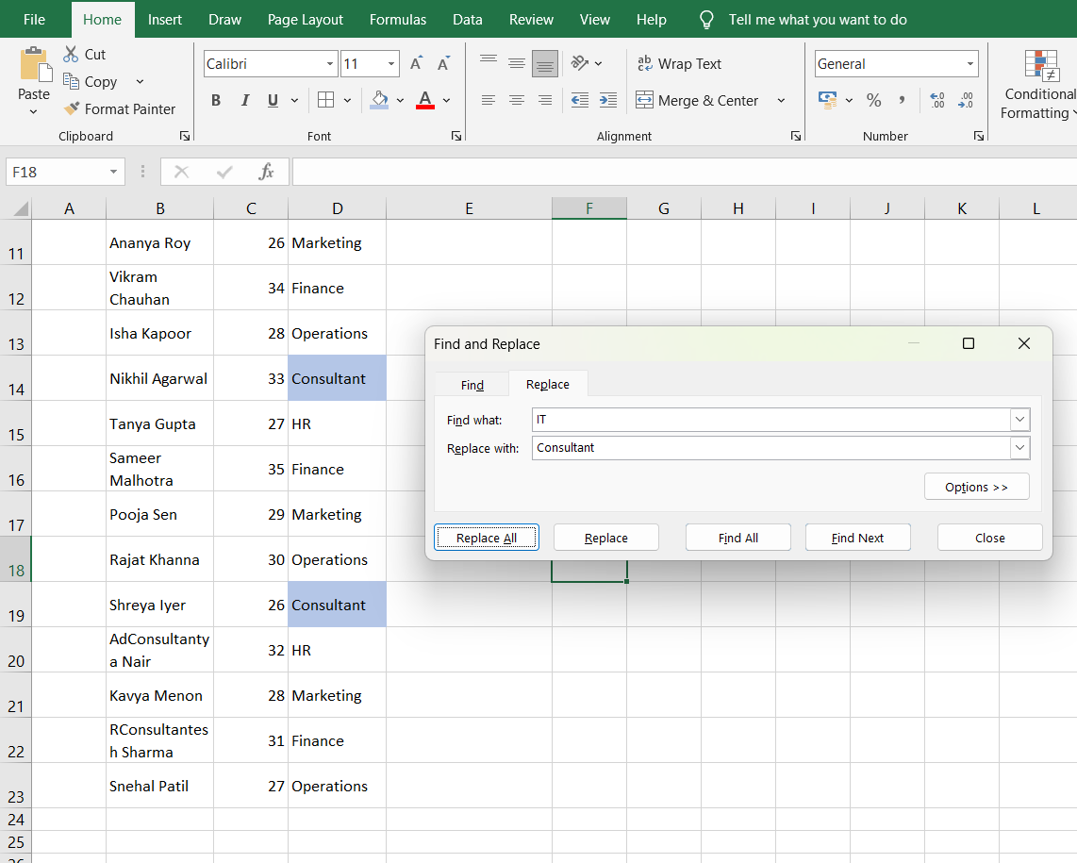
 | Rohan Gupta | 27 | Sales
 | Meera Nair | 31 | HR
 | Adconsultantya Khanna | 24 | Finance
 | Neha Bhatia | 33 | Marketing
 | Varun Patel | 36 | Operations
 | Kavya Iyer | 25 | consultant
 | Manish Dubey | 34 | Sales
 | Shreya Choudhary | 28 | HR
 | Vikram Deshmukh | 29 | Finance

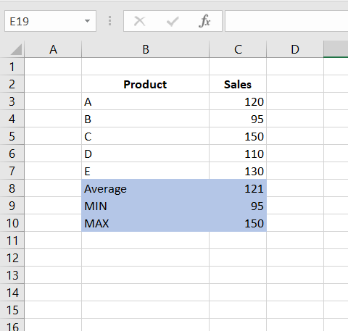
Question 9: Create a small numerical dataset and apply the following functions: ● AVERAGE ● MAX ● MIN |  | 29
 |  | 27
 |  | 31
 |  | 24
 |  | 33
 |  | 36
 |  | 25
 |  | 34
 |  | 28
 |  | 29
 | Average | 29.6
 | MIIN | 24
 | MAX | 36

Question 10: You're working with a dataset that contains missing values. As a Data Scientist, explain how you'd detect and handle missing data using Excel. |  | Name | Age | Department
Mention tools like: |  | Rahul Sharma | 28 | IT
● Go To Special |  | Priya Verma |  | HR
● ISBLANK |  | Arjun Mehta | 26 | Finance
● COUNTBLANK |  | Sneha Kapoor | 30
Answer: Using Go To Special |  | Karan Malhotra | 35 | Operations
Go to Home → Find & Select → Go To Special → Blanks. |  | Ananya Singh |  | IT
This highlights all blank (empty) cells in your dataset at once. |  | Rohan Gupta | 27 | Sales
Useful for quickly locating missing values before cleaning the data. |  | Meera Nair | 31 | HR
Using ISBLANK Function |  | Aditya Khanna | 24
Formula: =ISBLANK(A2) |  | Neha Bhatia | 33 | Marketing
Returns TRUE if the cell is empty, otherwise FALSE. |  | Varun Patel |  | Operations
Example: If cell A2 is empty, =ISBLANK(A2) → TRUE. |  | Kavya Iyer | 25 | IT
Using COUNTBLANK Function |  | Manish Dubey | 34
Formula: =COUNTBLANK(B2:B20) |  | Shreya Choudhary | 28 | HR
Counts the number of empty cells in a range. |  | Vikram Deshmukh | 29 | Finance
Useful to get an overview of how many missing values exist in a column.
Handling Missing Data | ISBLANK | TRUE
1. Fill with a Value | COUNTBLANK | 6
Replace blanks with a default value, like 0, “Unknown”, or the column average. | GO TO SPECIAL
2. Delete Rows with Missing Values
Select blank cells using Go To Special → Blanks, then right-click → Delete → Shift cells up.
Only use this if removing missing data won’t affect your analysis significantly.
3. Interpolation / Estimation
For numerical data, you can fill missing values using averages of neighboring cells or other statistical methods.

