Infra Architecture
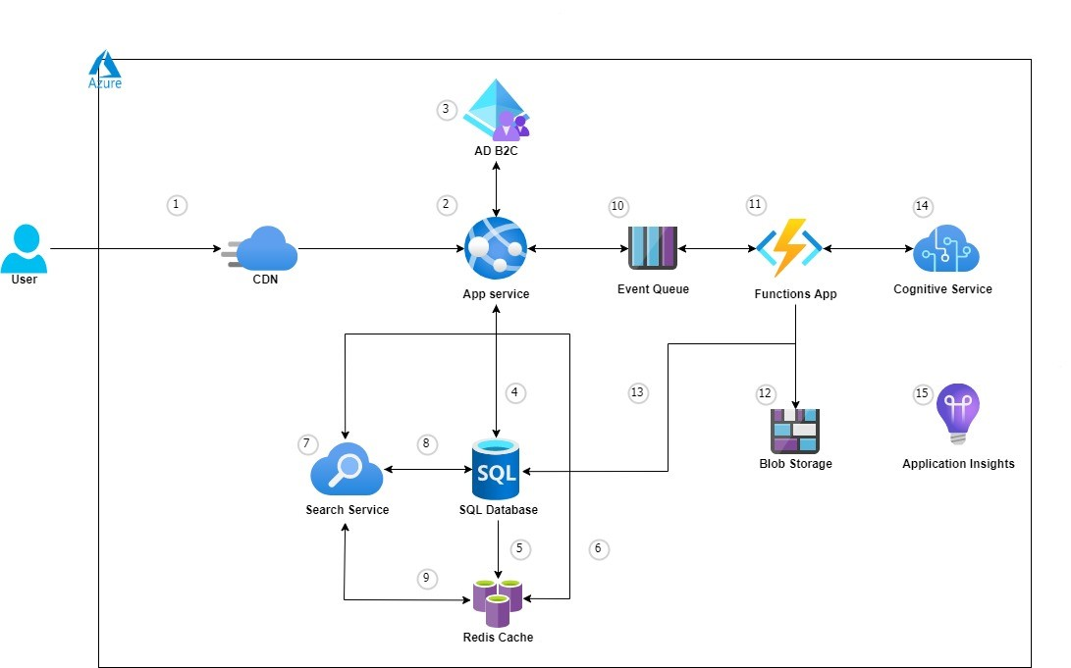
Infrastructure Architecture Diagram | Legends
 | S.No. | Explanation
 | 1 | In browser the user search the app domain name and gets the static content from the CDN
 | 2 | CDN will point to the App service and user gets the fron end page
 | 3 | User signs in to the application through an Azure Active Directory B2C tenant (User within the AD only)
 | 4 | User searches for the ticket details from the SQL DB
 | 5 | Redis cache stores the frequently queried results
 | 6 | When the same query has been queried next time, It will get the result from the Redis Cache
 | 7 | When the user searches for the concerts, it will use the Azure Search service to the recommended concerts
 | 8 | Web site stores the purchased ticket images in Blob Storage
 | 9 | Azure search service gets the ticket information from the SQL BD
 | 10 | User submits ticket orders and concert reviews, which are placed in the queue
 | 11 | Azure Functions processes order payment and concert reviews
 | 12 | Functions stores the generated ticket image in the Blob storage
 | 13 | And also the functions stores the ticket details in the SQL DB as well
 | 14 | Cognitive Services provides an analysis of the concert review to determine the sentiment (positive or negative)
 | 15 | Application Insights provides performance metrics for monitoring the health of the web application

Branching strategy for infra
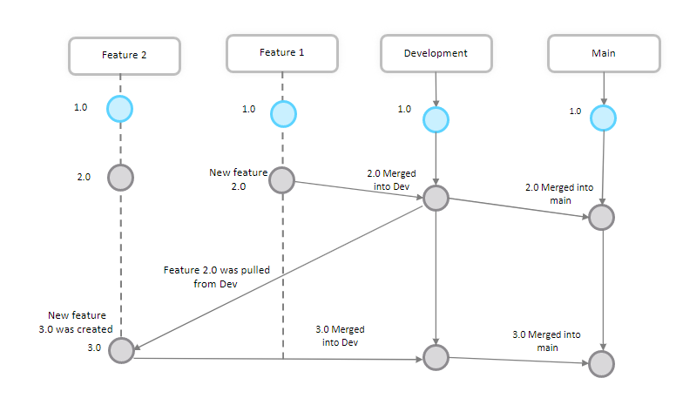
Branching Strategy For Infrastructure

Pipeline strategy for Infra
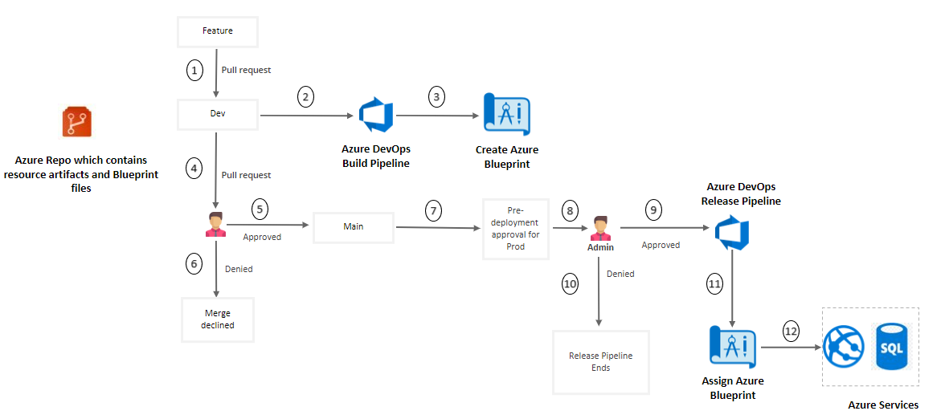
Pipeline Strategy for Infrastructure | Legends
 | S.No. | Explanation
 | 1 | Pull request will be created from feature to Dev
 | 2 | Dev CI Pipeline triggers when a merge was done to Dev branch​
 | 3 | Azure Blueprint task creates and publish the blueprint for Dev environment
 | 4 | Pull request will be created from Dev to Main
 | 5 | If the Reviewer approves the merge request merge will be done to Main branch
 | 6 | If the Reviewer denies the merge request it will be denied
 | 7 | Once a merge was done to Main branch the release pipeline will automatically triggers and wait for the Predeployment approval
 | 8 | The admin has to approve the request
 | 9 | If the admin approves the request release pipeline will start executing
 | 10 | If the admin denies the request pipeline will start executing
 | 11 | Azure Blueprint task assigns the blueprint values for the created blueprint
 | 12 | Azure Appservice and the sql database will be created once the pipeline execution completes

Control Flow Strategy for Infra
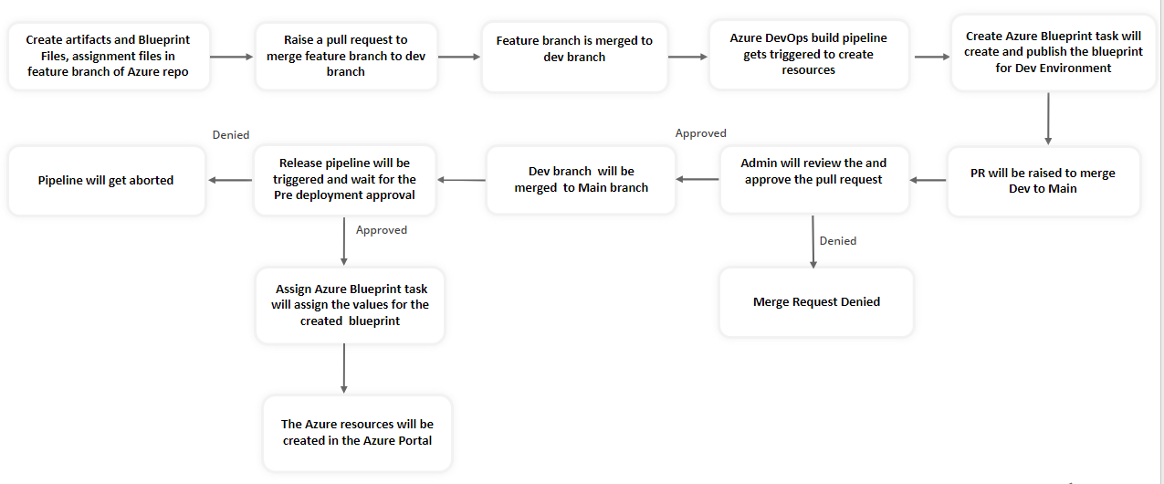
Control Flow Strategy for Infrastructure

Branching Strategy Devops
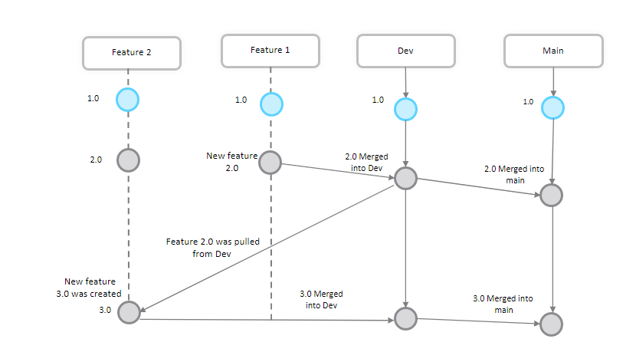
Branching Strategy For DevOps

Pipeline Architecture - Devops
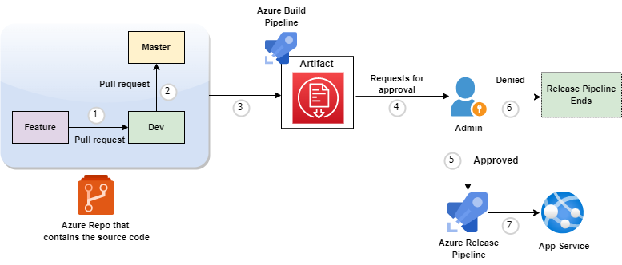
Pipeline Strategy For DevOps - Front End App Service | Legends
 | S.No. | Explanation
 | 1 | Pull request will be created from feature to Dev
 | 2 | Then again a pull request will be created to Main
 | 3 | Once the merge was completed the Build Pipeline builds the artifact
 | 4 | After Build pipeline was completed, the release pipeline automatically triggers and an admin must approve the request for the release pipeline
 | 5 | If the admin approves the request, the release pipeline starts executing
 | 6 | If the admin denies the request, the release pipeline ends
 | 7 | Once the release pipeline execution was completed the artifact will be deployed in App Service

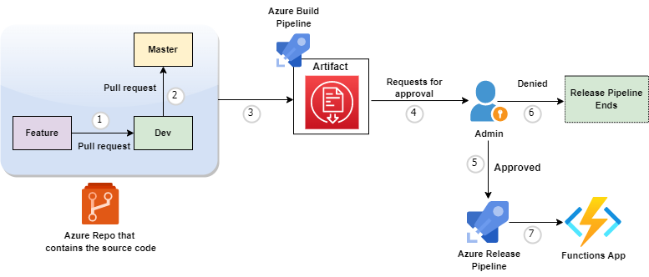
Pipeline Strategy For DevOps - Back End Functions | Legends
 | S.No. | Explanation
 | 1 | Pull request will be created from feature to Dev
 | 2 | Then again a pull request will be created to Main
 | 3 | Once the merge was completed the Build Pipeline builds the artifact
 | 4 | After Build pipeline was completed, the release pipeline automatically triggers and an admin must approve the request for the release pipeline
 | 5 | If the admin approves the request, the release pipeline starts executing
 | 6 | If the admin denies the request, the release pipeline ends
 | 7 | Once the release pipeline execution was completed the artifact will be deployed in Functions App

DevOps Control Flow
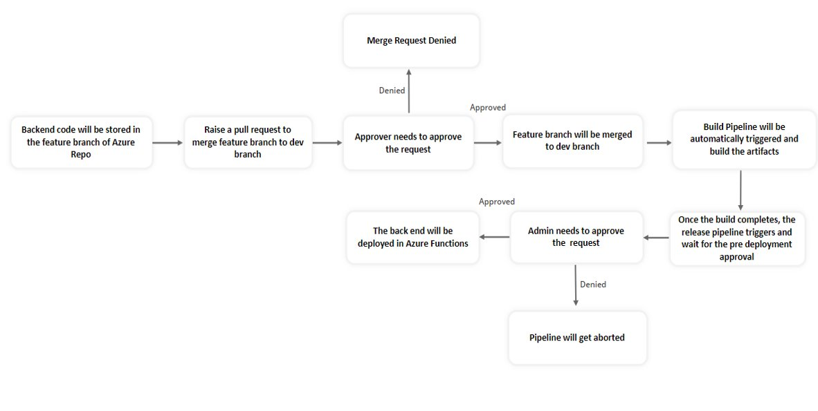
Control Flow For DevOps - Front End App Service
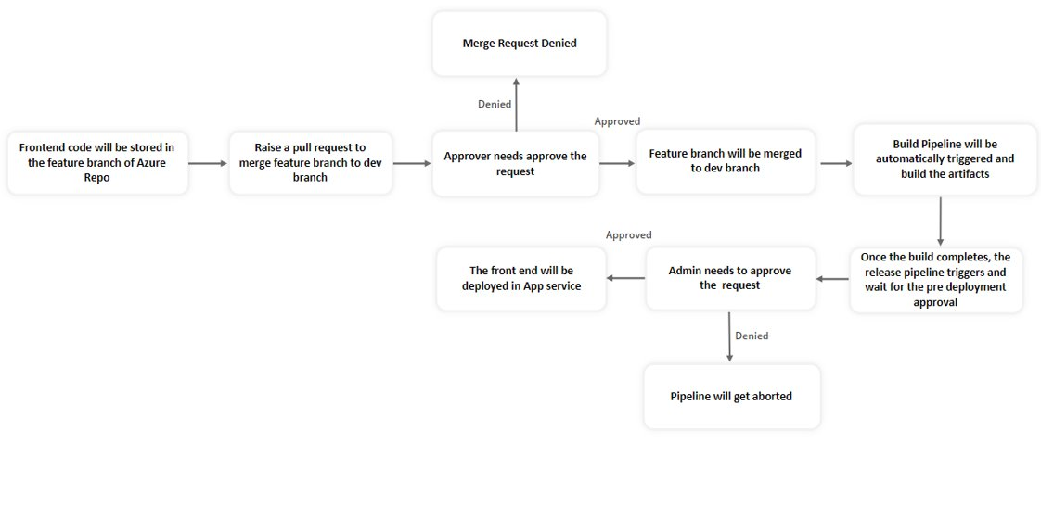

Control Flow For DevOps - Back End Function App

Azure AD B2C Tenant pricing
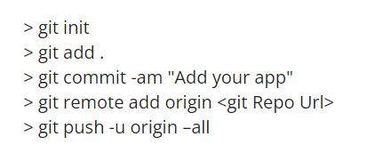
 | Billing model for Azure Active Directory B2C | Microsoft Docs
 | Pricing - Active Directory External Identities | Microsoft Azure
Topics | Understanding | Azure AD B2C Tenant Pricing Model
AD B2C Pricing features | • The Azure AD B2C only has two types of licenses which are Premium License (P1 and P2) | S.No. | Licenses available | Pricing
 | • In both P1 and P2 licenses, for 50,000 users it will be free for every billing period | 1 | Premium P1 | 50,000/users - free then ₹0.25/user
 | • After that, they will charge Rs. 0.25/active users | 2 | Premium P2 | 50,000/users - free then ₹1.26/user

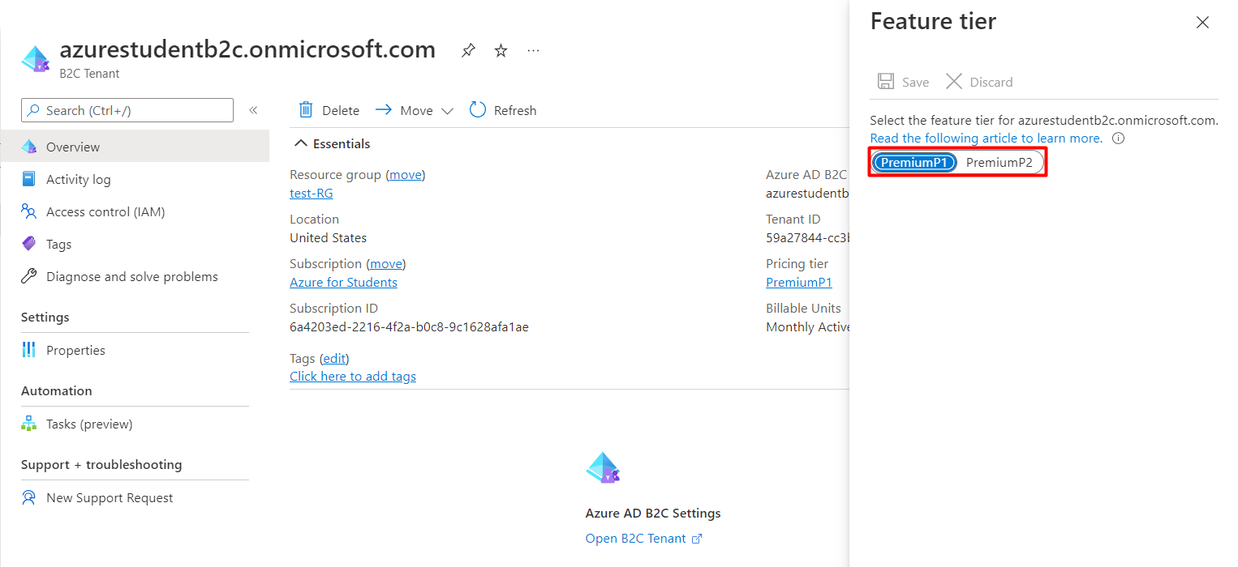

To delete the Tenant | Clean up resources and delete a tenant - Azure Active Directory B2C | Microsoft Docs

