Section 3
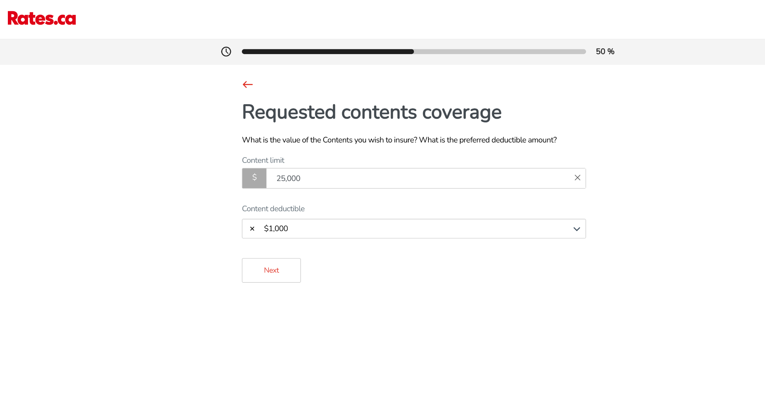
SECTION 3: Customer Journey Analysis (The Funnel)

Goal: Optimize the User Experience (UX). A quote not finished is money lost.

# | Question | Why this matters (Intuition) | Suggested Method (Excel/Sheets)
1 | Count of users at Stage 1 (Business Location). | Top of the funnel volume. | COUNTIF(Stage, "*Location*").
2 | Count of users at Stage 2 (Revenue of client). | Step 2 survival. | COUNTIF(Stage, "*Revenue*").
3 | Count of users at Stage: Complete Quote. | The Winners. | COUNTIF(Stage, "complete quote"). | this is quotes with premium or rejection
4 | What is the overall Completion Rate? | The most important UX metric. | (Count Complete / Total Count) %.
5 | Which Stage has the highest drop-off count? | The "Bottleneck." Fix this screen first. | Calculate delta between stages.
6 | What % of users drop off at "Past Claims"? | Is the question too scary/intrusive? | Count Stage="Past Claims" / Total.
7 | How many users stop at "Liability Coverage"? | Confusing insurance jargon? | Count Stage="Liability".
8 | Compare Funnel: Ontario vs. Alberta. | Is the form broken for non-Ontario users? | Pivot: Rows=Stage, Cols=State.
9 | Compare Funnel: Retail vs. Contractors. | Do contractors hate filling forms? | Pivot: Rows=Stage, Cols=Category.
10 | Visualization: Create a Bar Chart of count per stage. | Visualizing the leak. | Insert Chart -> Bar Chart.

# | Question | Why this matters (Intuition) | Suggested Method (Excel/Sheets)
11 | Do Mobile users (Source App) drop off earlier? | Usability on small screens. | Pivot Stage vs Source.
12 | Which Industry category reaches "Complete" most often? | Most motivated buyers. | Pivot Category vs Stage.
13 | How many users drop off immediately (Stage 1)? | "Bouncers" (Came, saw, left). | Count Stage 1 / Total.
14 | Is there a correlation: Premium vs Completion? | Do bigger businesses have more patience? | Avg Revenue of Complete vs Incomplete (hard to do if revenue is missing). |  | ( do - wheb premium increases, does completion rate increase?)
15 | Do users with Google Place IDs finish more often? | Real businesses vs Tire kickers. | Pivot PlaceID vs Stage.
16 | Completion Rate for "gmail" users vs Corporate? | Seriousness of intent. | Regex domain vs Stage.
17 | How many users stopped at "Number of Employees"? | Privacy concern? | Count Stage.
18 | How many users stopped at "Business Years"? | Startup bias? | Count Stage.
19 | What is the ratio of Quoted vs. Bound (if 'Bound' exists)? | Sales efficacy. | Check Status columns.
20 | Scenario: If Stage 3 drop-off was halved, how many more quotes? | Impact analysis. | Math on the drop-off delta.

# | Question | Why this matters (Intuition) | Suggested Method (Excel/Sheets)
21 | How many "Complete Quotes" have $0 Premium? | The user finished, but the system failed. | Filter Stage=Complete, Prem=0.
22 | How many "Complete Quotes" have No Rejection Log? | Silent failures. | Filter Stage=Complete, Rej=0, Log=[].
23 | Are Zombie quotes concentrated in one Province? | Regional bug. | Pivot Zombie Flag vs Province.
24 | Are Zombie quotes concentrated in one Industry? | Sector bug. | Pivot Zombie Flag vs Category.
25 | Do Zombie quotes have Google Map Links? | Is it a map data failure? | Check Map Link column.
26 | What is the estimated Lost Revenue from Zombie quotes? | Multiply Zombie count by Avg Premium. | Count * Avg_Prem.
27 | How many users stopped at "When to begin coverage"? | The very last step! Tragic drop-off. | Count Stage.
28 | Do "Complete" users always have a Source App listed? | Tracking failure. | Check Source App blanks.
29 | Are there duplicates? (Same email, multiple attempts). | User persistence vs System error. | CountIF on Email > 1.
30 | Did duplicate users eventually Succeed? | "Third time's the charm." | Filter for Email duplicates, check if one is "Complete".

# | Question | Why this matters (Intuition) | Suggested Method (Excel/Sheets)
31 | Which stage has the highest revenue potential drop-off? | Prioritize fixes for high-value clients. | Est. Revenue * Drop-off Count.
32 | Do Contractors drop off at "Liability" more than Retail? | Specific pain points. | Compare Drop-off % by Category.
33 | Hypothesis: Does asking for "Revenue" too early kill the quote? | Sensitive data friction. | Check drop-off at Revenue stage.
34 | Hypothesis: Does Bing Search correlate with lower completion? | Tech literacy proxy? | Compare Bing users vs Google users.
35 | What % of users are "Ghost" (No email, no data)? | Bot traffic? | Check blank emails.
36 | If we auto-filled Address, would Stage 1 improve? | UX improvement quantification. | Estimate lift (e.g., 5%).
37 | Which Province is the Most Efficient (Highest Completion)? | Model market. | Pivot State vs Completion %.
38 | Which Province is the Least Efficient? | Problem market. | Bottom of Pivot.
39 | The "VIP Lane": Do High Value categories finish faster? | Do we treat them differently? | Hard to measure speed, but measure rate.
40 | Final Summary: Total Potential Revenue lost in the Funnel? | The big number for the CEO. | (Total Starts - Complete) * Avg Premium.

https://businessquote.rates.dev/
screenshot reference
stage1 |  | stage 3 |  | stage 7
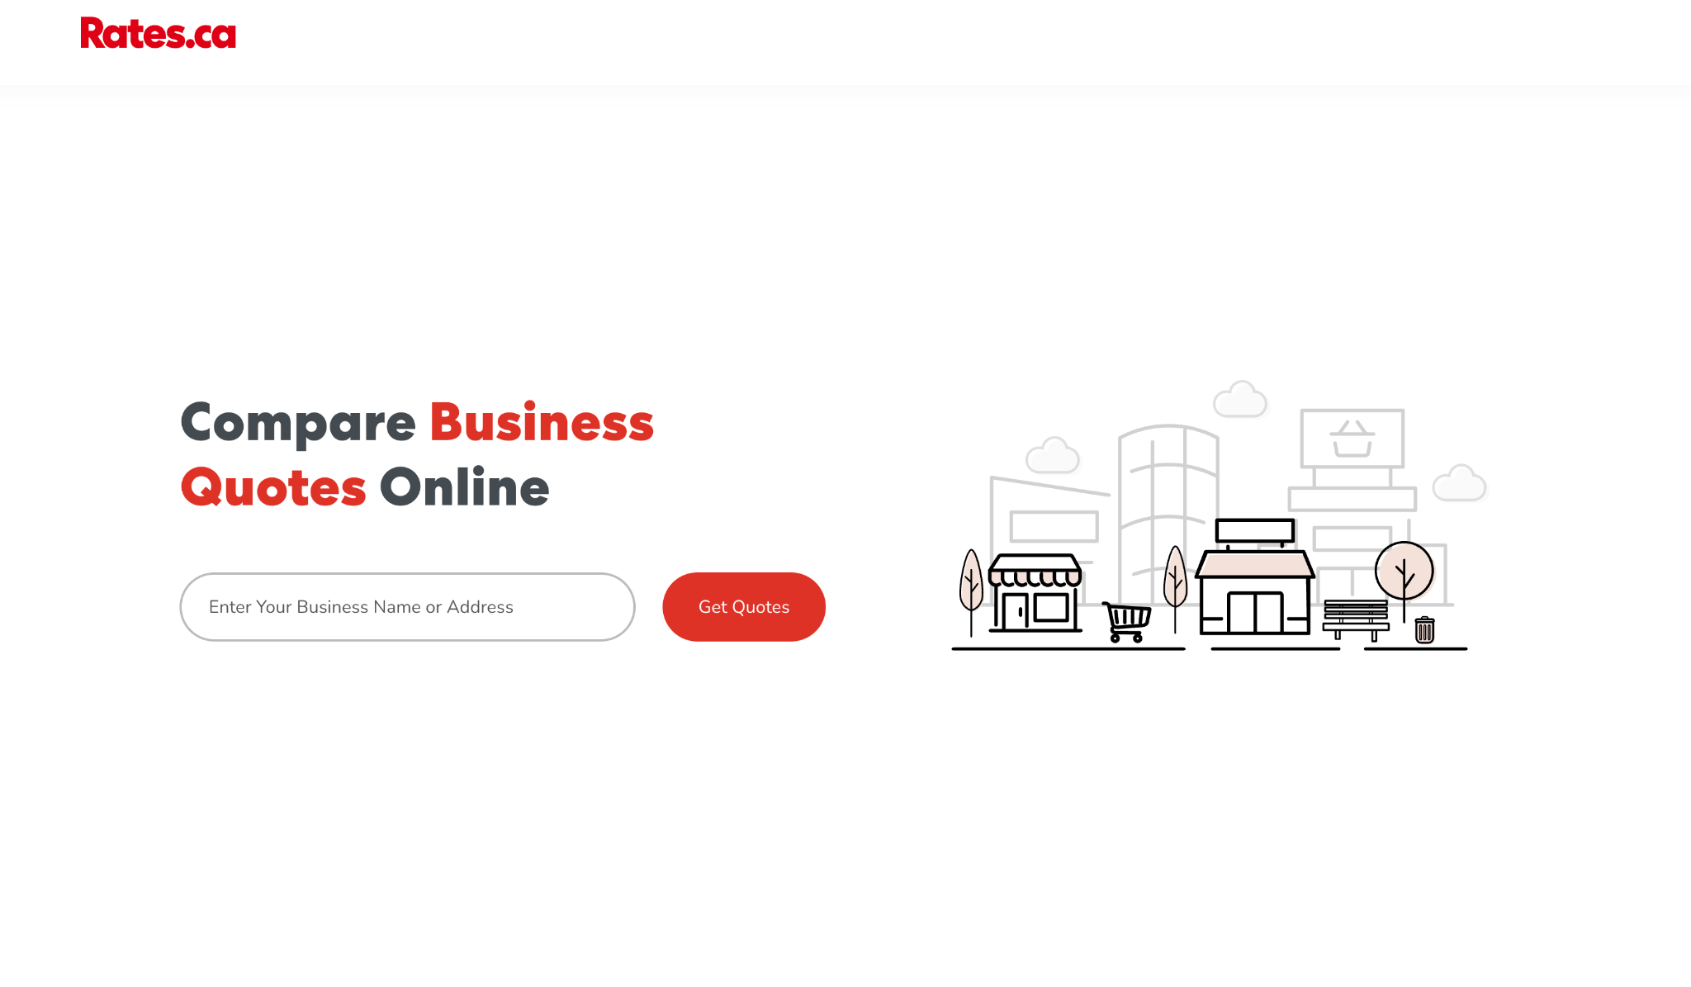
 |  | start year of business |  | liability coverage
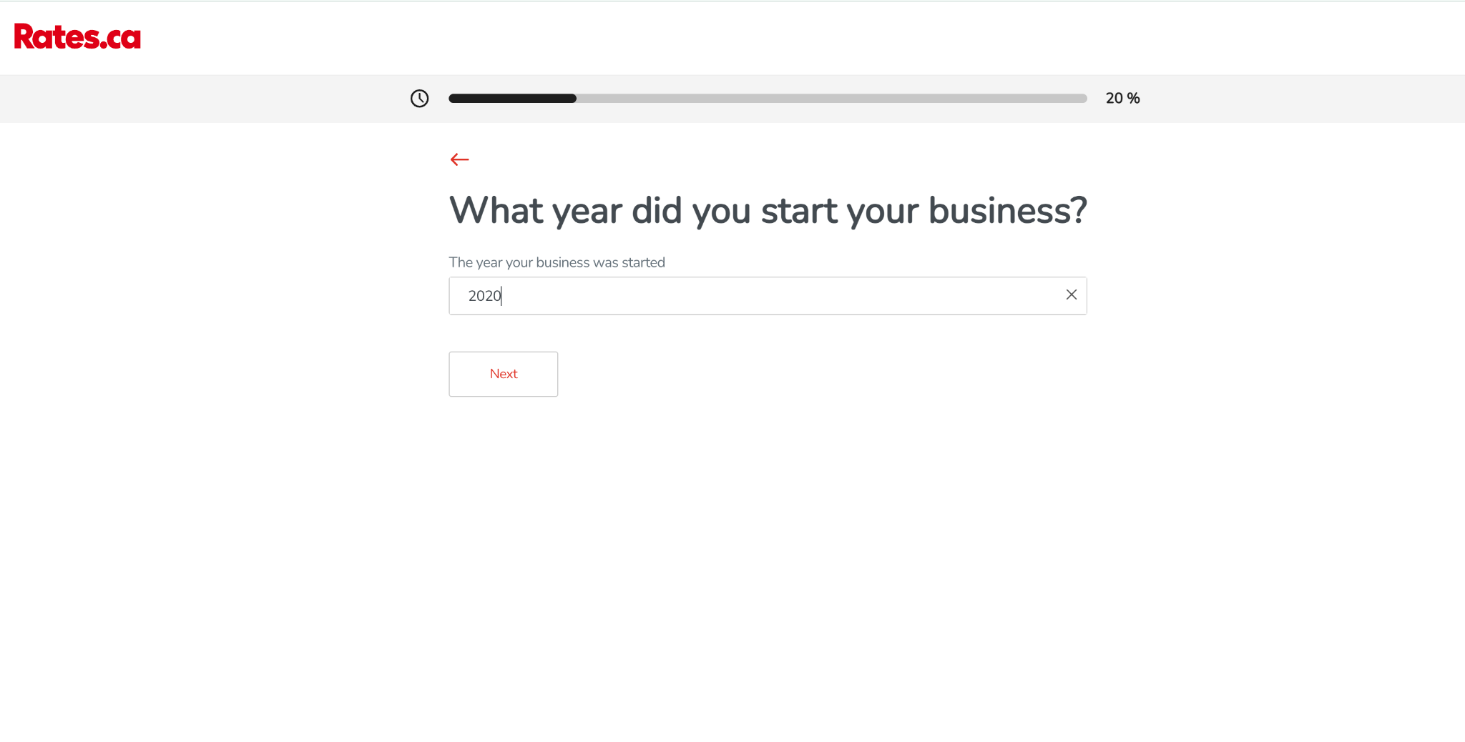
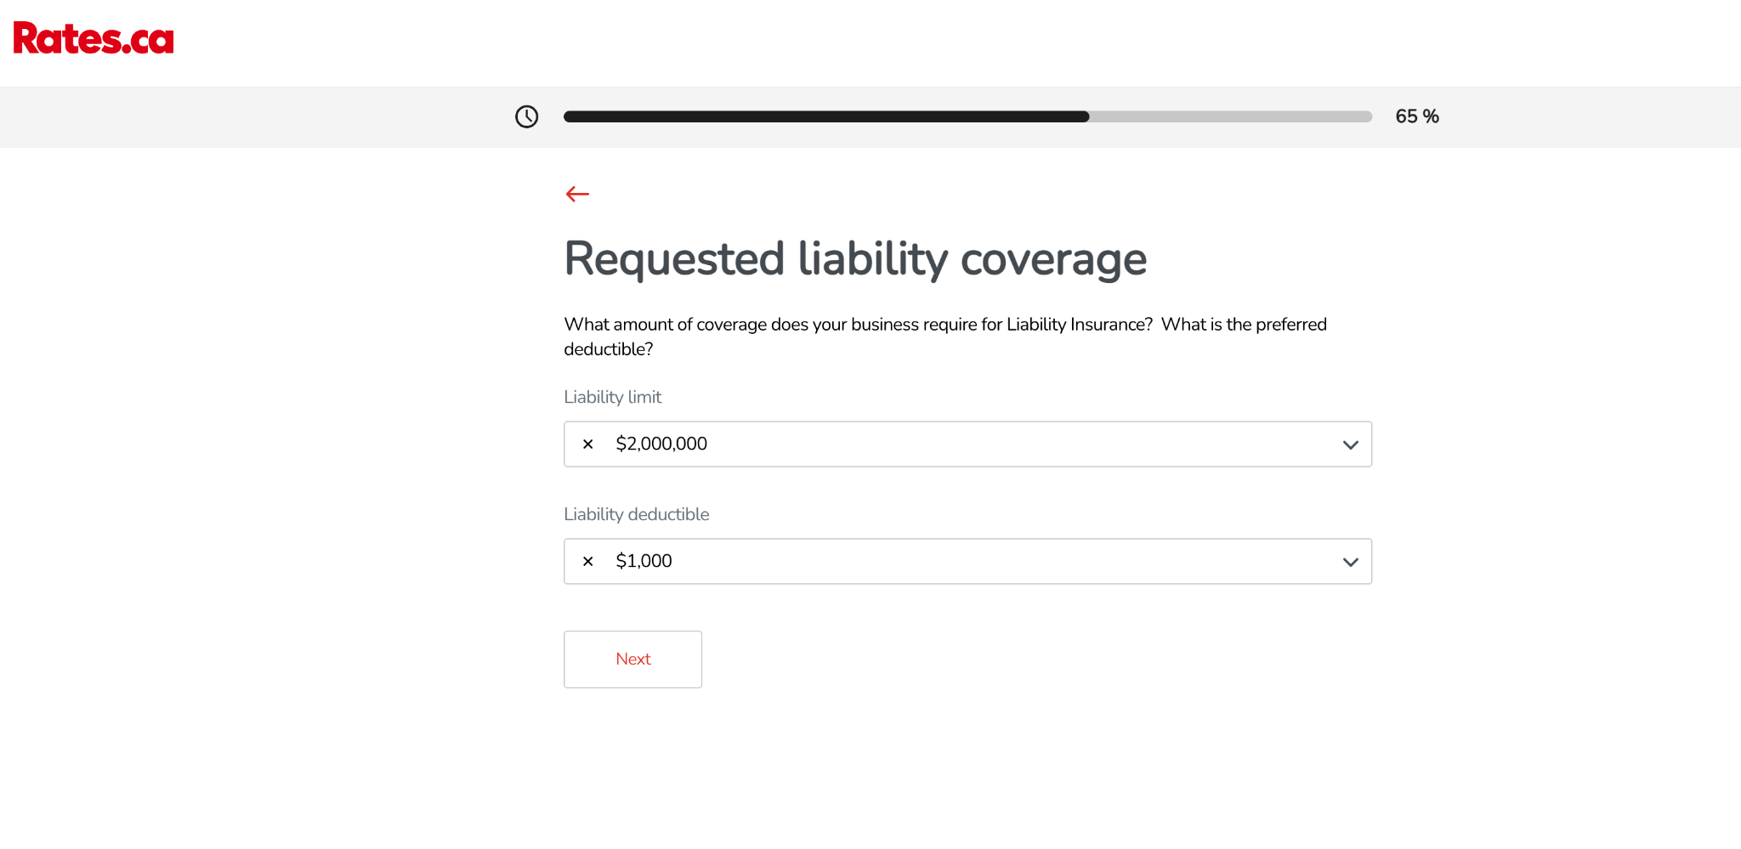

stage 1.5 address confirmation |  | Stage 4 |  | stage 8 enter contact information
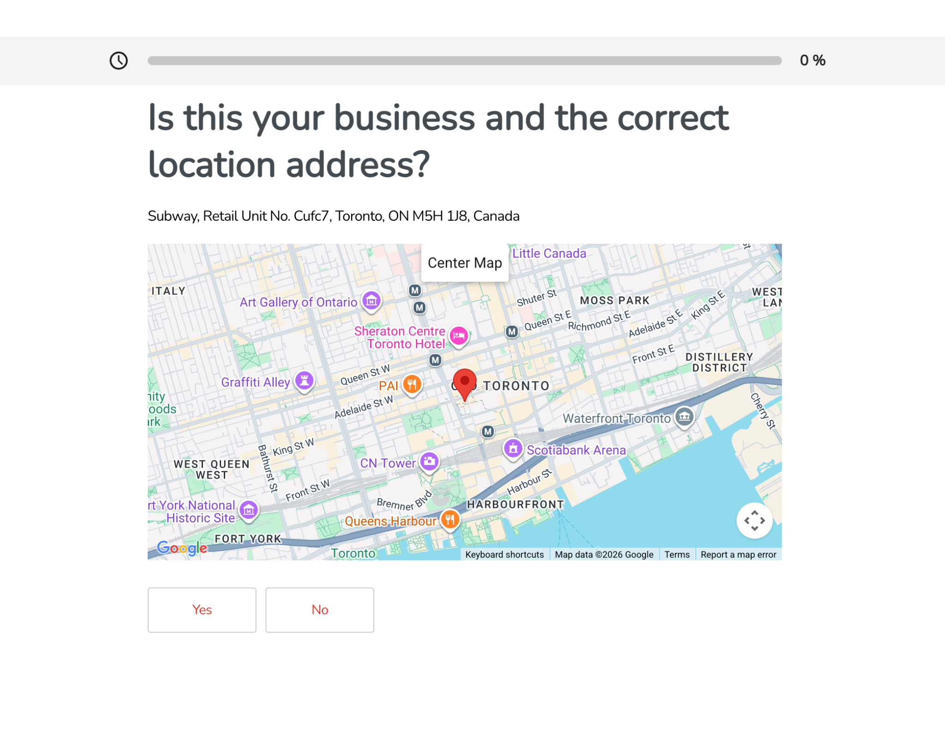
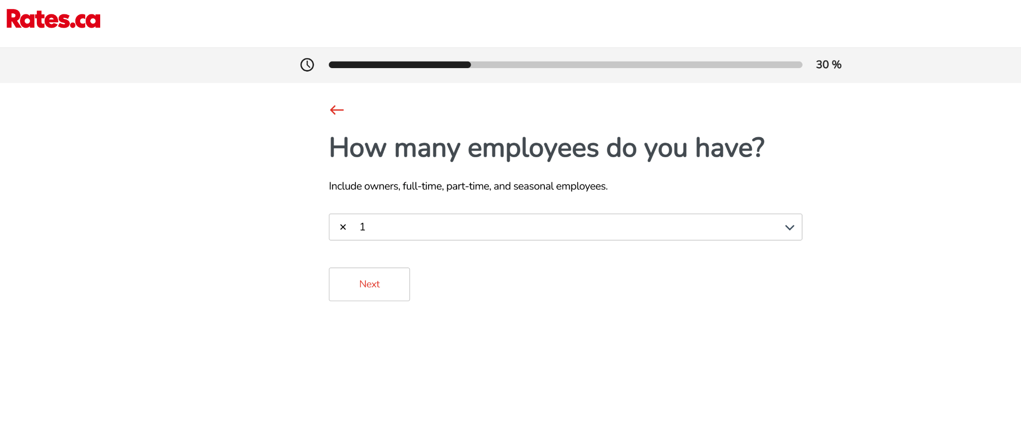
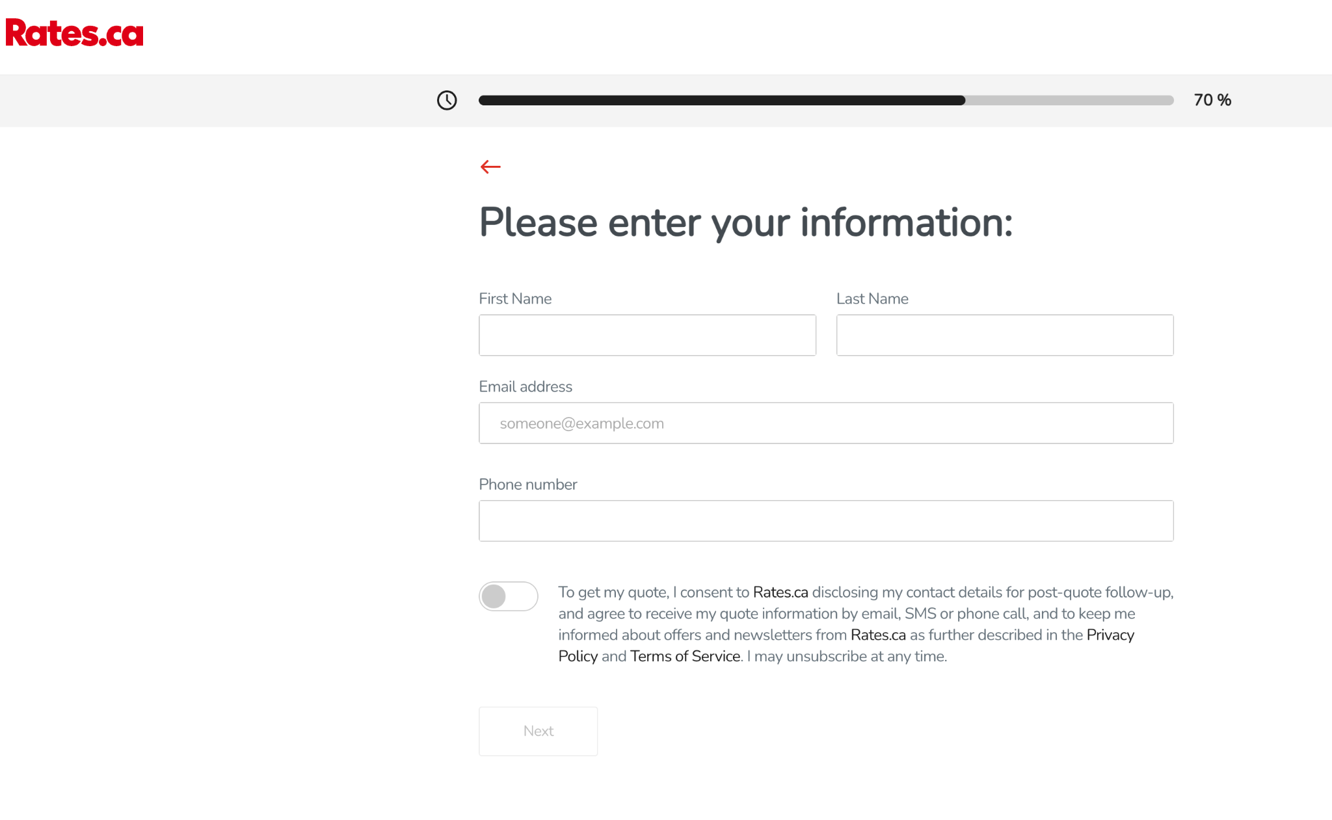

 |  | stage 5
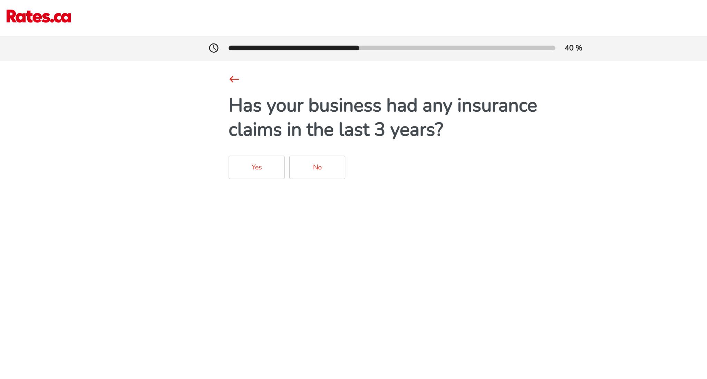

stage 2 | annuanl revenue
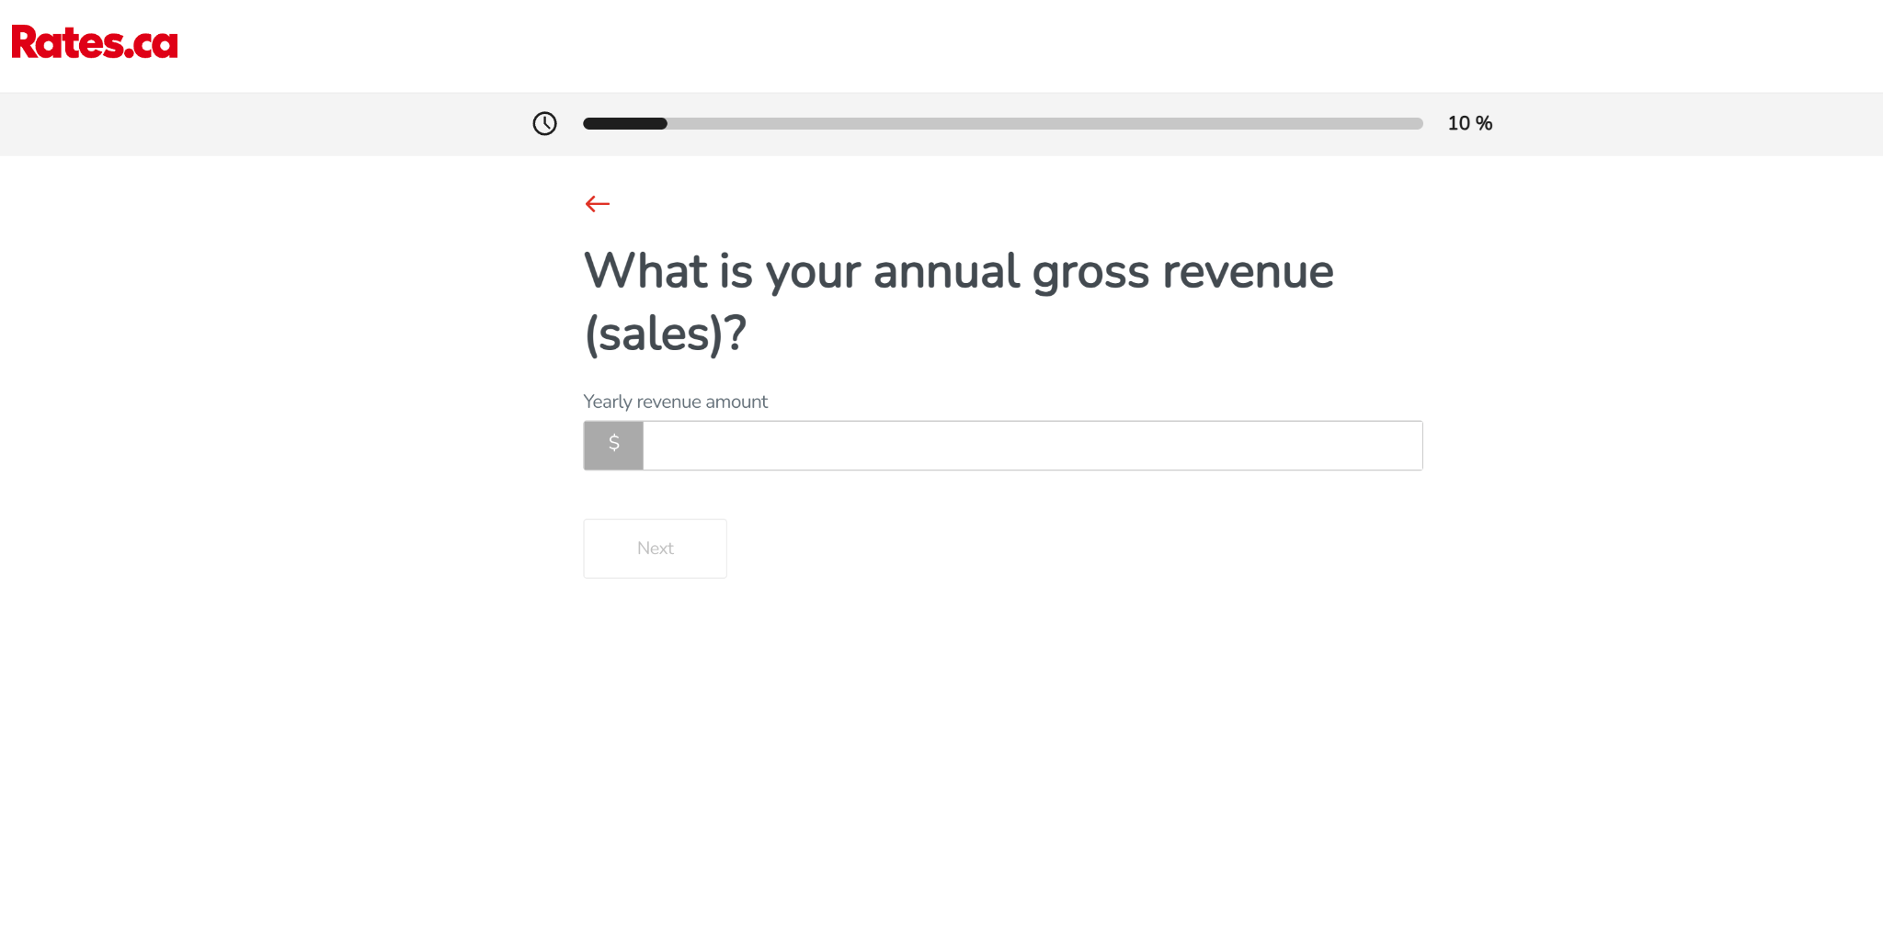

 |  | Stage 6

