Dashboard Visuals
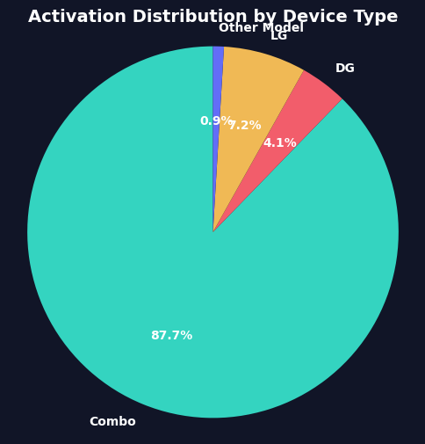
Power BI Pre-Analysis Dashboard

Below is the Device Type distribution automatically generated by Matplotlib (Python library).

