Term-5
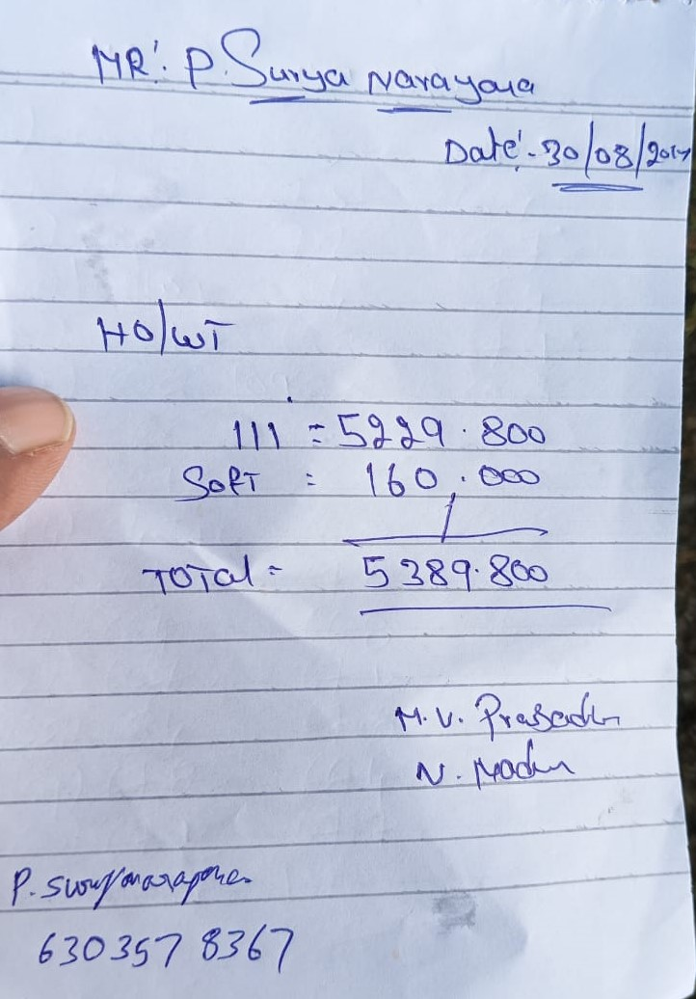
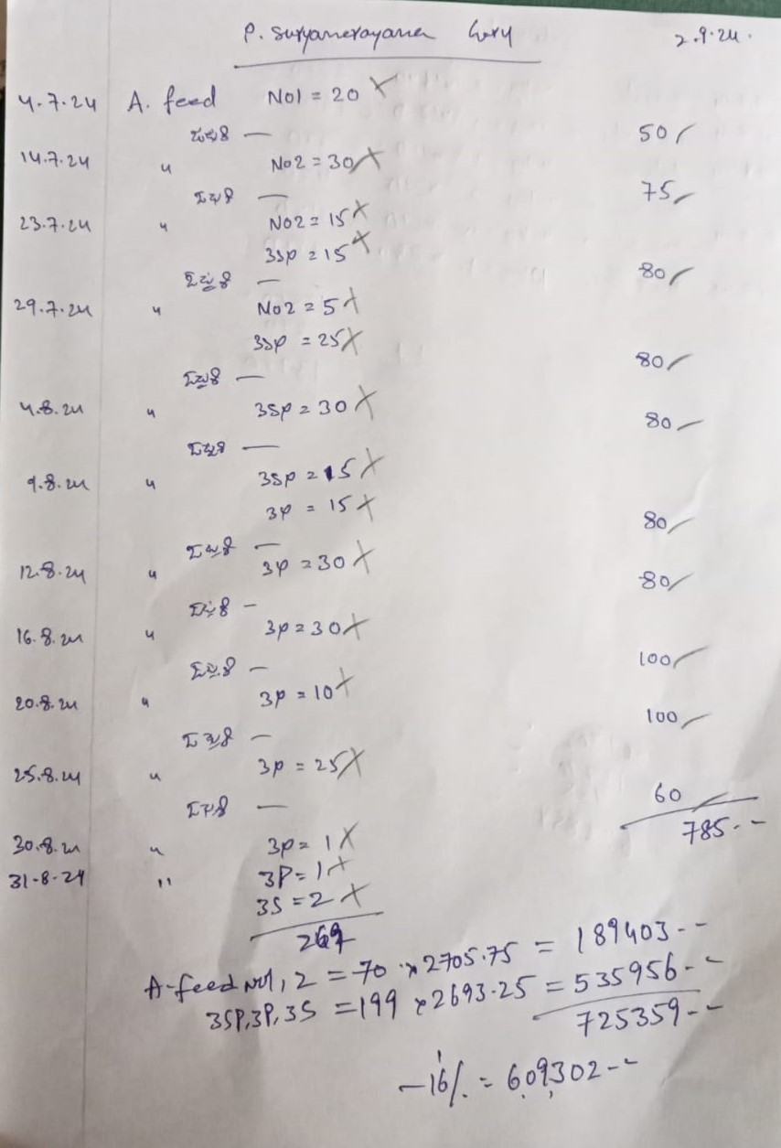
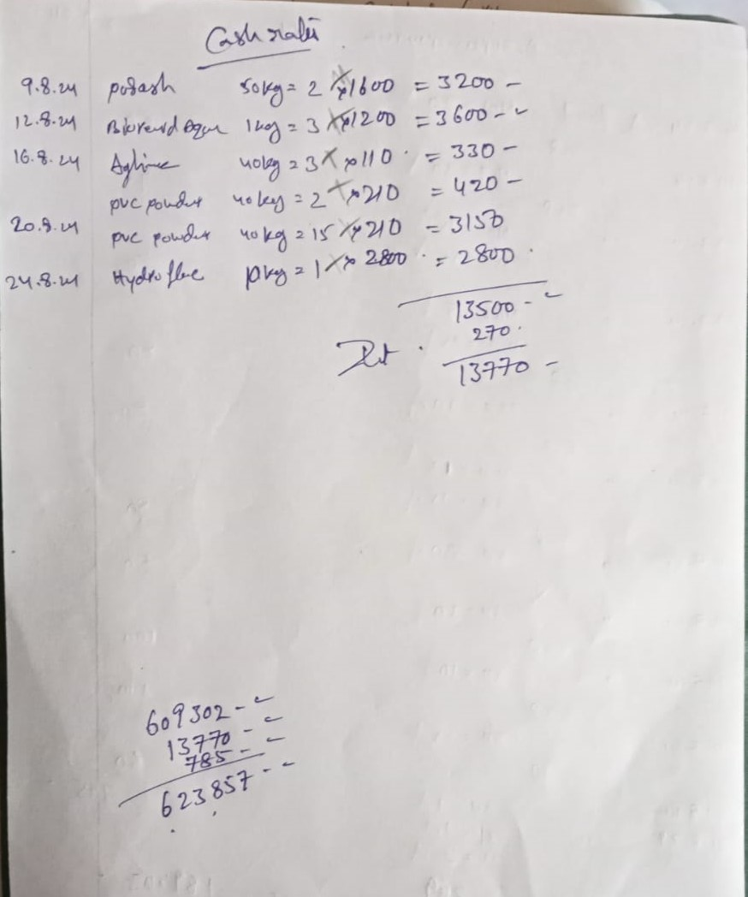
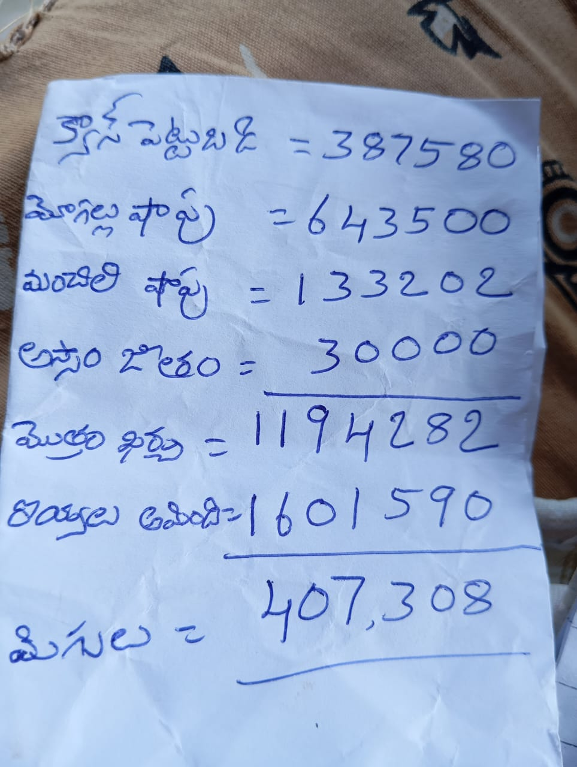
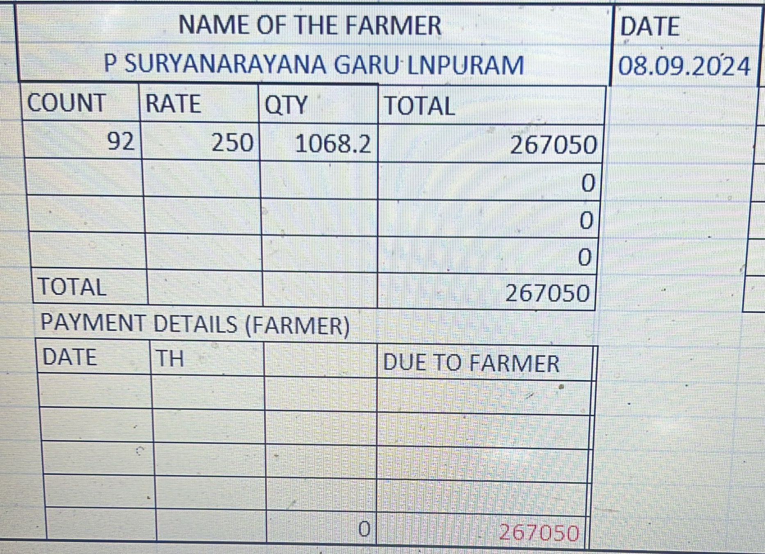
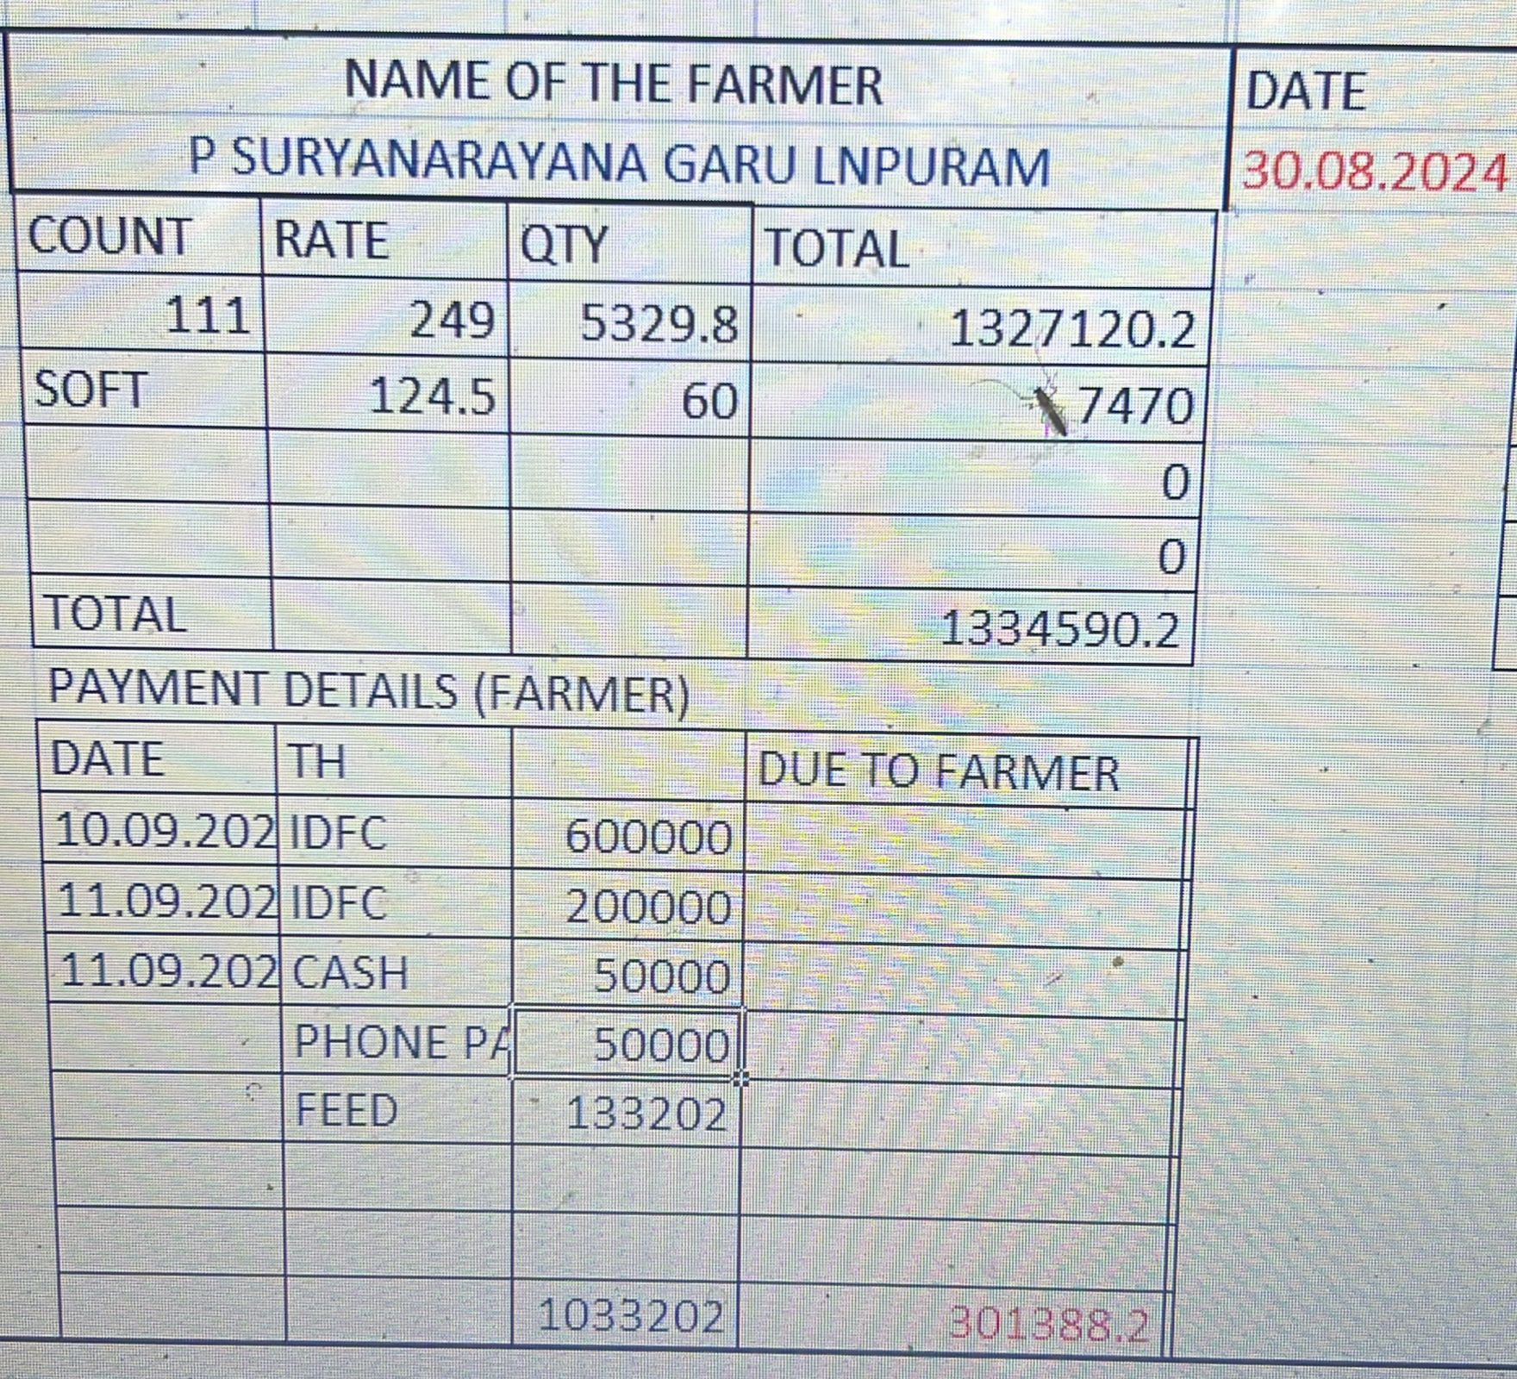
 | July 2024 - Sept2024 |  |  |  |  | Seed Date | 04-Jul-2024 |  | Profit | ₹ 391,120
 |  |  | Total : | ₹ 1,221,202 |  | Days | 58 days |  |  |  | Total : | ₹ 1,612,322
 | Investment |  |  |  |  | Growth |  |  | Income
 | # | Date | Item | Amount | Details | Date | Count |  | # | Date | Item | Amount | Details
 | 1 | 2024-06-03 | Cheruvu Pani | ₹ 40,000 |  | 2024-08-23 | 110 | 51 days | 1 | 2024-08-30 | Big Tank-5389.8 kgs-249 rate - count 111 | ₹ 1,334,590
 | 2 | 2024-07-04 | Seed | ₹ 262,500 | 1200*800 | 2024-08-30 | 111 | 58 days | 2 | 2024-09-08 | Small Tank-1068 kg-260 rate-92 count | ₹ 277,732
 | 3 | 2024-07-04 | Van Kirayi | ₹ 12,000 |  |  |  |  | 3
 | 4 | 2024-07-01 | Others | ₹ 30,000 |  |  |  |  | 4
 | 5 | 2024-09-02 | Mogallu Feed Shop | ₹ 623,857 | Feed + Medicine |  |  |  | 5
 | 6 | 2024-09-15 | Aravalli Shop | ₹ 133,202 |  |  |  |  | 6
 | 7 | 2024-08-30 | Current Bill, Assam Salary etc | ₹ 100,000 |  |  |  |  | 7
 | 8 | 2024-09-15 | Mogallu Feed Shop-Extra | ₹ 19,643 |  |  |  |  | 8
 | 9 |  | Surya Calculation: |  |  |  |  |  | 9
 | 10 |  |  |  |  | Small Tank Seed Date |  |  | 10
 | 11 |  |  |  |  | Seed Date | 04-Jul-2024 |  | 11
 | 12 |  |  |  |  | Days | 67 days |  | 12
 | 13 |  |  |  |  | Growth |  |  | 13
 | 14 |  |  |  |  | Date | Count |  | 14
 | 15 |  |  |  |  | 2024-08-23 | 106 | 51 days | 15
 | 16 |  |  |  |  | 2024-08-30 | 96 | 58 days | 16
 | 17 |  |  |  |  | 2024-09-06 | 91 | 65 days | 17
 | 18 |  |  |  |  | 2024-09-08 | 92 | 67 days | 18
 | 19 |  |  |  |  |  |  |  | 19
 | 20 |  |  |  |  |  |  |  | 20
 | 21 |  |  |  |  |  |  |  | 21
 | 22 |  |  |  |  |  |  |  | 22
 | 23 |  |  |  |  |  |  |  | 23
 | 24 |  |  |  |  |  |  |  | 24
 | 25 |  |  |  |  |  |  |  | 25

 |  |  |  | Total Seed: | 750,000 | Big Tank: | 900000 | Small Tank: | 150000
 |  |  |  | Trip | Number | Count | Quantity | Price | Total |  | Cash Credits
 |  |  |  | Big Tank - Full | 591,608 | 111 | 5,329.8 | ₹ 249 | ₹ 1,327,120 |  | Feed Shop | ₹ 600,000
 |  |  |  | Big Tank - Soft | 6,660 | 111 | 60.0 | ₹ 125 | ₹ 7,470 |  | Surya | ₹ 250,000
 |  |  |  | Small Tank - Full | 98,274 | 92 | 1,068.2 | ₹ 250 | ₹ 267,050 |  | Surya | ₹ 50,000
 |  |  |  |  | 0 |  | 1,068.2 | ₹ 10 | ₹ 10,682 |  | Cash | ₹ 568,000
 |  |  |  |  | 0 |  |  |  | ₹ 0 |  | Feed Shop Manchili (-) | ₹ 133,202
 |  |  |  |  | 0 |  |  |  | ₹ 0 |  | Cash | ₹ 10,000
 |  |  |  |  | 0 |  |  |  | ₹ 0
 |  |  |  | Total: | 696,542 |  | 7,526.20 |  | ₹ 1,612,322
 |  |  |  | Number Found | 92.87% |  |  |  |  |  | Total: | ₹ 1,611,202
 |  |  |  |  |  |  |  |  |  | Balance: | ₹ 1,120
Big Tank Bill |  |  |  |  | Mogallu Feed Bills

Term-6
 | Sep2024 - Nov2024 |  |  |  |  | Seed Date | 13-Sep-2024 |  | Profit | ₹ 1,002,304
 |  |  | Total : | ₹ 1,412,799 |  | Days | 73 days |  |  |  | Total : | ₹ 2,415,103
 | Investment |  |  |  |  | Growth |  |  | Income
 | # | Date | Item | Amount | Details | Date | Count | Days | # | Date | Item | Amount | Details
 | 1 | 2024-09-13 | Seed | ₹ 210,000 | Seed from Anjaneya, Gudur | 2024-11-03 | 96 | 52 days | 1 | 2024-11-13 | 1st Middle: Tones-2 Rate-270 Count-80 | ₹ 558,927
 | 2 | 2024-09-13 | Van Kirayi | ₹ 30,000 |  | 2024-11-06 | 91 | 55 days | 2 | 2024-11-24 | Big Tank Final: Tones-4619.9 Rate-320 Count-70 | ₹ 1,478,368
 | 3 | 2024-09-26 | Small Tank Seed | ₹ 35,000 | Seed from Anjaneya, Gudur | 2024-11-10 | 84 | 59 days | 3 | 2024-12-07 | Small Tank:Tons-1111.2,Rate-340 count-60 | ₹ 377,808
 | 4 | 2024-09-26 | Small Tank Seed Kirayi | ₹ 3,500 |  | 2024-11-12 | 81 | 61 days | 4
 | 5 | 2024-08-16 | Current Bill | ₹ 22,303 |  | 2024-11-13 | 79 | 62 days | 5
 | 6 | 2024-09-16 | Current Bill | ₹ 17,625 |  | 2024-11-18 | 65 | 67 days | 6
 | 7 | 2024-11-03 | Danayya Vala | ₹ 1,200 |  | 2024-11-23 | 70 | 72 days | 7
 | 8 | 2024-11-13 | 1st middle vala payment | ₹ 5,600 |  | 2024-11-24 | 65 | 73 days | 8
 | 9 | 2024-11-24 | 10 tons feed so far | ₹ 893,146 |  |  |  |  | 9
 | 10 | 2024-11-24 | Big Tank Vala payment | ₹ 17,400 |  | Small Tank |  |  | 10
 | 11 | 2024-10-16 | Current Bill | ₹ 22,755 |  | Seed Date | 26-Sep-2024 |  | 11
 | 12 | 2024-12-08 | Small Tank Feed | ₹ 27,000 |  | Days | 73 days |  | 12
 | 13 | 2024-12-08 | Ishan Salary | ₹ 45,000 |  | Growth |  |  | 13
 | 14 | 2024-12-18 | Medicine | ₹ 82,270 |  | Date | Count | Days | 14
 | 15 |  |  |  |  | 2024-11-06 | 130 | 42 days | 15
 | 16 |  |  |  |  | 2024-11-12 | 99 | 48 days | 16
 | 17 |  |  |  |  | 2024-11-18 | 80 | 54 days | 17
 | 18 |  |  |  |  | 2024-11-23 | 71 | 59 days | 18
 | 19 |  |  |  |  | 2024-11-28 | 61 | 64 days | 19
 | 20 |  |  |  |  | 2024-12-05 | 60 | 71 days | 20
 | 21 |  |  |  |  | 2024-12-07 | 56 | 73 days | 21
 | 22 |  |  |  |  |  |  |  | 22
 | 23 |  |  |  |  |  |  |  | 23
 | 24 |  |  |  |  |  |  |  | 24
 | 25 |  |  |  |  |  |  |  | 25

 |  |  |  | Total Seed: | 700,000 | Big Tank: | 900000 | Small Tank: | 150000
 |  |  |  | Trip | Number | Count | Quantity | Price | Total |  | Cash Credits
 |  |  |  | 1st Middle | 163,538 | 79 | 2,070.1 | ₹ 270 | ₹ 558,927 |  | Surya Account | ₹ 200,000
 |  |  |  | Big Tank-Final | 300,294 | 65 | 4,619.9 | ₹ 320 | ₹ 1,478,368 |  | Lease | ₹ 200,000
 |  |  |  | Small Tank | 62,227 | 56 | 1,111.2 | ₹ 340 | ₹ 377,808 |  | Cash | ₹ 158,927
 |  |  |  |  | 0 |  |  |  | ₹ 0 |  | Feed Shop | ₹ 900,000
 |  |  |  |  | 0 |  |  |  | ₹ 0 |  | Seed | ₹ 200,000
 |  |  |  |  | 0 |  |  |  | ₹ 0 |  | Cash | ₹ 300,000
 |  |  |  |  | 0 |  |  |  | ₹ 0 |  | Medicine | ₹ 82,270
 |  |  |  | Total: | 526,059 |  | 7,801.20 |  | ₹ 2,415,103 |  | Total: | ₹ 2,041,197
 |  |  |  | Number Found | 75.15% |  |  |  |  |  | Balance: | ₹ 373,906

Estimation: |  |  |  |  |  | #DIV/0! | #DIV/0!
 |  | 1st Middle |  |  | Big Tank Final |  |  | Small Tank Final
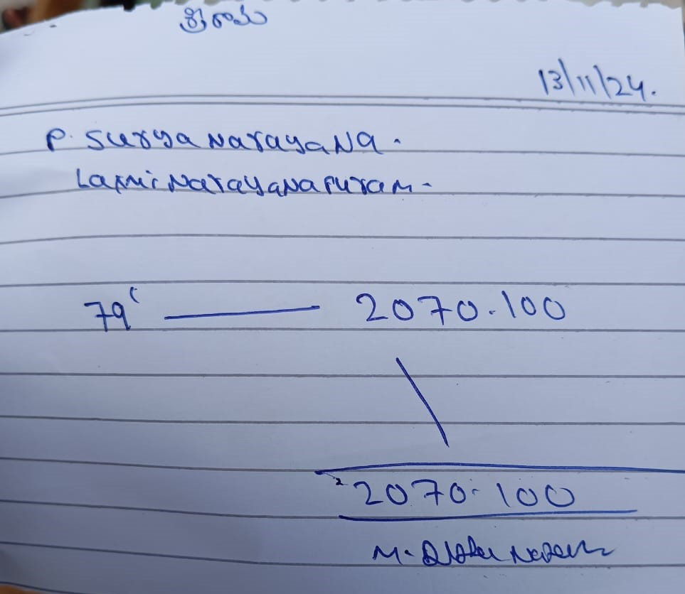
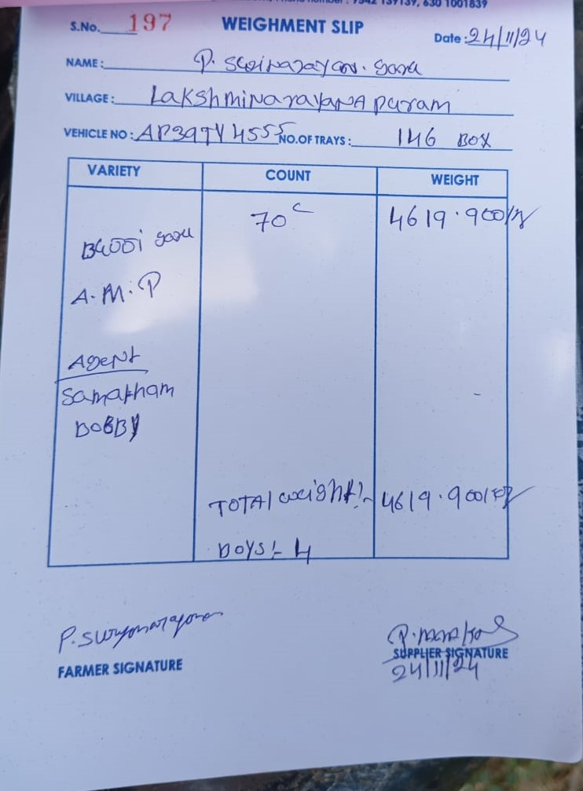
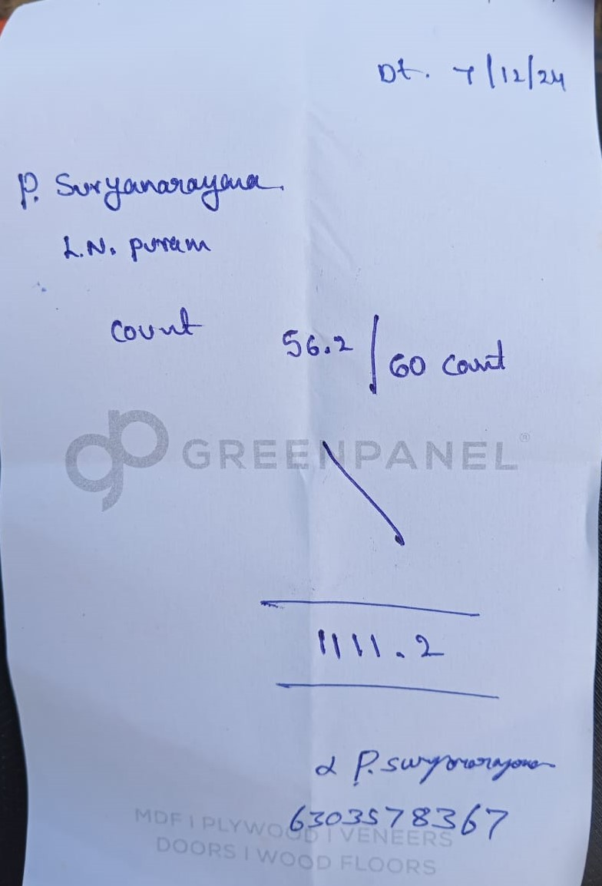

 |  |  |  |  |  |  |  |  |  |  | Lease | ₹ 200,000
 |  |  |  |  |  |  |  |  |  |  | Dad | ₹ 400,000
 |  |  |  |  |  |  |  |  |  |  | Debts | ₹ 300,000
 |  |  |  |  |  |  |  |  |  |  | Small Tank Van Kirayi | ₹ 40,000
 |  |  |  |  |  |  |  |  |  |  | Big Tank Van Kirayi | ₹ 38,000
 |  |  |  |  |  |  |  |  |  |  | Ishan | ₹ 15,000

 |  |  |  |  |  |  |  |  |  |  | Total: | ₹ 993,000

Term-7
 | Dec2024 - Feb2025 |  |  |  |  | Seed Date | 05-Dec-2024 |  | Profit | ₹ 528,979
 |  |  | Total : | ₹ 1,502,849 |  | Days | 79 days |  |  |  | Total : | ₹ 2,031,828
 | Investment |  |  |  |  | Growth |  |  | Income
 | # | Date | Item | Amount | Details | Date | Count | Days | # | Date | Item | Amount | Details
 | 1 | 2024-12-05 | Big Tank Seed | ₹ 265,000 | From Pondichery(8L) | 2025-02-04 | 137 | 62 days | 1 | 2025-02-13 | 1st Middle: Tones 2149.5-Rs.245 Count-110 | ₹ 526,628
 | 2 | 2024-12-05 | Kirayi | ₹ 38,941 |  | 2025-02-13 | 110 | 71 days | 2 | 2025-02-21 | Big Tank-Final-5220T-260R-100C | ₹ 1,357,200
 | 3 | 2025-01-20 | Current Bill | ₹ 23,950 |  | 2025-02-20 | 100 | 78 days | 3 | 2025-03-01 | Small Tank-600Q-200R-135C | ₹ 148,000
 | 4 | 2024-12-27 | Small Tank Seed | ₹ 40,000 | From Kakinada(1.25L) | 2025-02-21 | 97 | 79 days | 4
 | 5 | 2025-02-13 | Middle Expenses | ₹ 8,000 |  |  |  |  | 5
 | 6 | 2025-02-17 | Current Bill | ₹ 31,958 |  |  |  |  | 6
 | 7 | 2025-02-26 | Feed | ₹ 1,095,000 |  |  |  |  | 7
 | 8 |  |  |  |  |  |  |  | 8
 | 9 |  |  |  |  |  |  |  | 9
 | 10 |  |  |  |  | Small Tank |  |  | 10
 | 11 |  |  |  |  | Seed Date | 27-Dec-2024 |  | 11
 | 12 |  |  |  |  | Days | 65 days |  | 12
 | 13 |  |  |  |  | Growth |  |  | 13
 | 14 |  |  |  |  | Date | Count | Days | 14
 | 15 |  |  |  |  | 2025-02-04 | 240 | 40 days | 15
 | 16 |  |  |  |  | 2025-02-12 | 186 | 48 days | 16
 | 17 |  |  |  |  | 2025-02-20 | 142 | 56 days | 17
 | 18 |  |  |  |  | 2025-02-26 | 146 | 62 days | 18
 | 19 |  |  |  |  | 2025-03-01 | 140 | 65 days | 19
 | 20 |  |  |  |  |  |  |  | 20
 | 21 |  |  |  |  |  |  |  | 21
 | 22 |  |  |  |  |  |  |  | 22
 | 23 |  |  |  |  |  |  |  | 23
 | 24 |  |  |  |  |  |  |  | 24
 | 25 |  |  |  |  |  |  |  | 25

 |  |  |  | Total Seed: | 925,000 | Big Tank: | 900000 | Small Tank: | 150000
 |  |  |  | Trip | Number | Count | Quantity | Price | Total |  | Cash Credits
 |  |  |  | 1st Middle | 236,445 | 110 | 2,149.5 | ₹ 245 | ₹ 526,628 |  | Surya Account | ₹ 200,000
 |  |  |  | Big Tank-Final | 506,340 | 97 | 5,220.0 | ₹ 260 | ₹ 1,357,200 |  | Surya Account | ₹ 50,000
 |  |  |  | Small Tank | 99,900 | 135 | 740.0 | ₹ 200 | ₹ 148,000 |  | Surya Account | ₹ 200,000
 |  |  |  |  | 0 |  |  |  | ₹ 0 |  | Feed | ₹ 1,095,000
 |  |  |  |  | 0 |  |  |  | ₹ 0 |  | Seed | ₹ 240,000
 |  |  |  |  | 0 |  |  |  | ₹ 0 |  | Cash | ₹ 274,600
 |  |  |  |  | 0 |  |  |  | ₹ 0
 |  |  |  | Total: | 842,685 |  | 8,109.50 |  | ₹ 2,031,828 |  | Total: | ₹ 2,059,600
 |  |  |  | Number Found | 91.1% |  |  |  |  |  | Balance: | -₹ 27,773

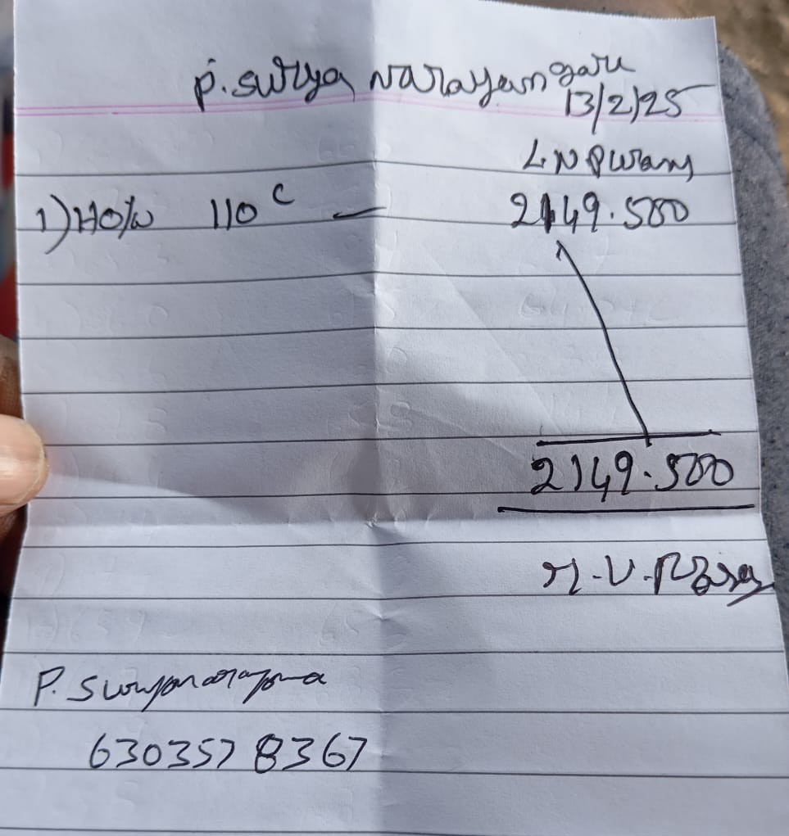
Estimation:
 |  | 1st Middle |  |  |  | Kirayi |  | Seed |  | Ballons
 |  |  |  |  | Rs./KM | ₹ 34 | Driver Beta | ₹ 2,000 | Kirayi/1L | ₹ 4,867.64
 |  |  |  |  | Total KM | ₹ 758 | Total Seed | 110000 | Packs | 1470
 |  |  |  |  | Total Kirayi | ₹ 53,544
 |  |  |  |  | Surya | ₹ 38,941.09 |  | 800000 |  | 1065
 |  |  |  |  | Kalyan | ₹ 14,602.91 |  | 300000 |  | 405

 |  | 1st middle

Term-10
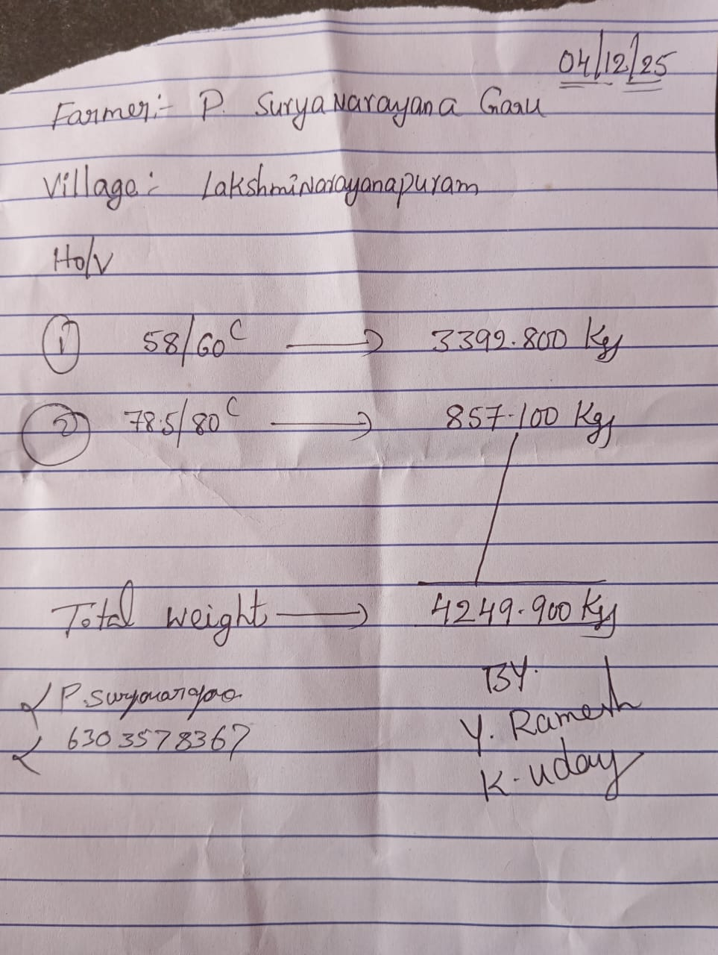
Sept2025 - Dec2025 |  |  |  |  | Seed Date | 18-Sep-2025 |  | Profit | ₹ 979,350
 |  | Total : | ₹ 1,551,000 |  | Days | 78 days |  |  |  | Total : | ₹ 2,530,350
Investment |  |  |  |  | Growth |  |  | Income
# | Date | Item | Amount | Details | Date | Count | Days | # | Date | Item | Amount | Details
1 | 2025-09-18 | Seed | ₹ 288,000 | 9L seed from Gudur | 2025-11-11 | 90 | 55 days | 1 | 2025-11-14 | Big Tank-1st Middle - 90C-240R-2000T | ₹ 496,056
2 | 2025-09-18 | Seed Transport | ₹ 17,500 |  | 2025-11-13 | 93 | 57 days | 2 | 2025-11-24 | Big Tank-2nd Middle - 70C-300R-2000T | ₹ 644,160
3 | 2025-10-31 | Feed - 12 Tons so far | ₹ 996,000 |  | 2025-11-14 | 88 | 58 days | 3 | 2025-12-04 | Big Tank-Final - 60C-335R-3392.8T | ₹ 1,136,588
4 | 2025-10-26 | Diesel | ₹ 15,000 |  | 2025-11-21 | 72 | 65 days | 4 | 2025-12-04 | Small Tank-Final-80C-265R-857.1K | ₹ 244,274
5 | 2025-12-04 | Extra Medicine | ₹ 100,000 |  | 2025-11-24 | 68 | 68 days | 5 | 2025-12-10 | Big Tank - Extra | ₹ 3,183
6 | 2025-12-04 | Cash | ₹ 70,000 |  | 2025-11-30 | 62 | 74 days | 6 | 2025-12-12 | Small Tank - Extra | ₹ 6,090
7 | 2025-12-04 | Current bill | ₹ 34,500 |  | 2025-12-04 | 58 | 78 days | 7
8 | 2025-12-04 | Assam salary | ₹ 30,000 |  |  |  |  | 8
9 |  |  |  |  |  |  |  | 9
10 |  |  |  |  | Small Tank |  |  | 10
11 |  |  |  |  | Seed Date | 18-Sep-2025 |  | 11
12 |  |  |  |  | Days | 78 days |  | 12
13 |  |  |  |  | Growth |  |  | 13
14 |  |  |  |  | Date | Count | Days | 14
15 |  |  |  |  | 2025-11-11 | 130 | 55 days | 15
16 |  |  |  |  | 2025-11-18 | 110 | 62 days | 16
17 |  |  |  |  | 2025-11-30 | 93 | 74 days | 17
18 |  |  |  |  | 2025-12-04 | 78 | 78 days | 18
19 |  |  |  |  |  |  |  | 19
20 |  |  |  |  |  |  |  | 20
21 |  |  |  |  |  |  |  | 21
22 |  |  |  |  |  |  |  | 22
23 |  |  |  |  |  |  |  | 23
24 |  |  |  |  |  |  |  | 24
25 |  |  |  |  |  |  |  | 25

 |  |  | Total Seed: | 900,000 | Big Tank: | 750,000 | Small Tank: | 150,000
 |  |  | Trip | Number | Count | Quantity | Price | Total |  | Cash Credits
 |  |  | Big Tank-1st Middle | 181,887 | 88 | 2,066.9 | ₹ 240 | ₹ 496,056 |  | Surya Account - | ₹ 50,000
 |  |  | Big Tank- 2nd Middle | 146,010 | 68 | 2,147.2 | ₹ 300 | ₹ 644,160 |  | Feed | ₹ 996,688
 |  |  | Big Tank - Final | 196,782 | 58 | 3,392.8 | ₹ 335 | ₹ 1,136,588 |  | Cash - 18-12-2025 | ₹ 500,000
 |  |  | Small Tank - Final | 66,854 | 78 | 857.1 | ₹ 285 | ₹ 244,274 |  | Cash - 24-12-2025 | ₹ 500,000
 |  |  | Big Tank - Extra | 570 | 60 | 9.5 | ₹ 335 | ₹ 3,183 |  | Seed - 24-12-2025 | ₹ 300,000
 |  |  | Small Tank - Extra | 1,680 | 80 | 21.0 | ₹ 290 | ₹ 6,090 |  | Surya Account - | ₹ 50,000
 |  |  |  | 0 |  |  |  | ₹ 0 |  | Cash | ₹ 136,000
 |  |  | Total: | 593,783 |  | 8,494.50 |  | ₹ 2,530,350 |  | Total: | ₹ 2,532,688
 |  |  | Number Found | 65.98% |  |  |  |  |  | Balance: | -₹ 2,338

Estimation : |  |  |  | #DIV/0! |  | #DIV/0!
Estimation : |  |  |  | #DIV/0! |  | #DIV/0!
 |  |  |  |  |  | #DIV/0!

Term-11
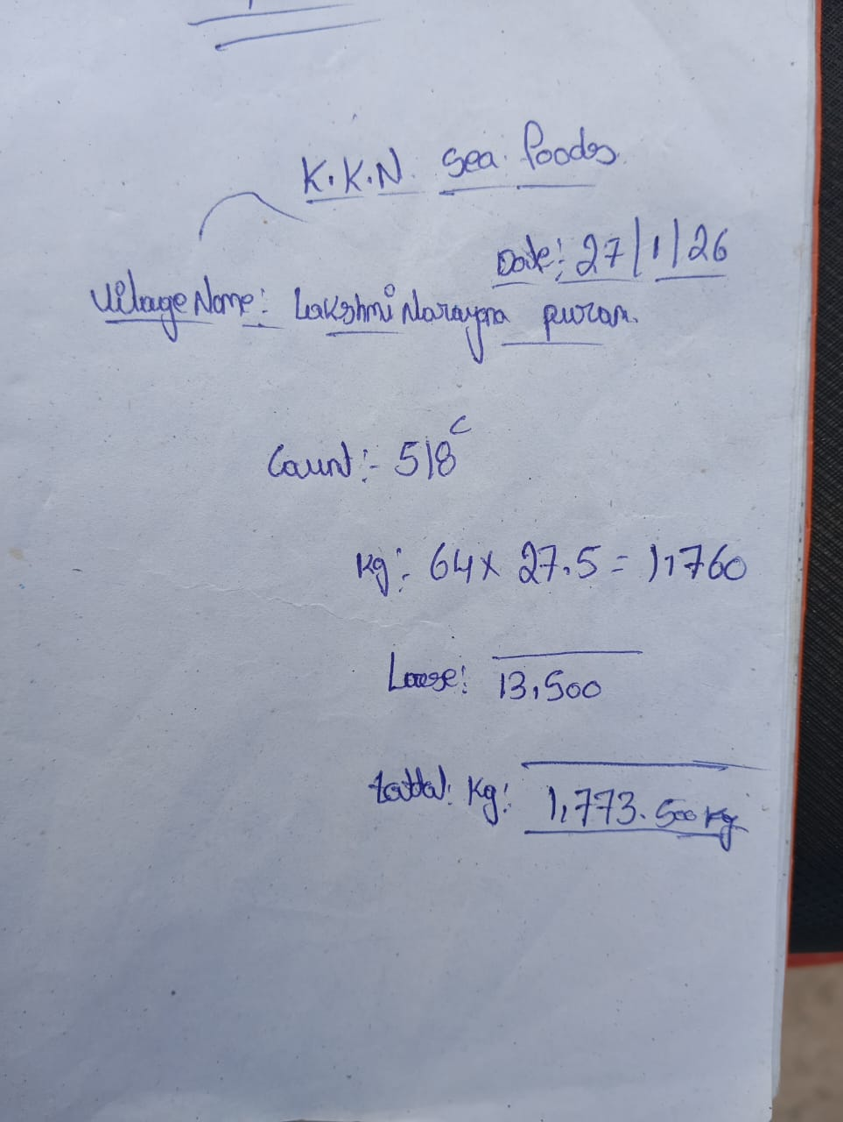
Dec2025 - Jan2026 |  |  |  |  | Seed Date | 25-Dec-2025 |  | Profit | -₹ 469,723
 |  | Total : | ₹ 585,000 |  | Days | 34 days |  |  |  | Total : | ₹ 115,278
Investment |  |  |  |  | Growth |  |  | Income
# | Date | Item | Amount | Details | Date | Count | Days | # | Date | Item | Amount | Details
1 | 2025-12-25 | Seed | ₹ 288,000 | from Kakinada-9L (990 ballons) | 2026-01-27 | 518 | 34 days | 1 | 2026-01-24 | Small Tank Full | ₹ 0 | virus
2 | 2025-12-25 | Van Kiray | ₹ 13,000 |  |  |  |  | 2 | 2026-01-27 | Big Tank Full | ₹ 115,278 | virus
3 | 2026-01-24 | Feed-2.5T | ₹ 250,000 |  |  |  |  | 3
4 | 2026-01-24 | Current bill | ₹ 34,000 |  |  |  |  | 4
5 |  |  |  |  |  |  |  | 5
6 |  |  |  |  |  |  |  | 6
7 |  |  |  |  |  |  |  | 7
8 |  |  |  |  |  |  |  | 8
9 |  |  |  |  |  |  |  | 9
10 |  |  |  |  | Small Tank |  |  | 10
11 |  |  |  |  | Seed Date | 25-Dec-2025 |  | 11
12 |  |  |  |  | Days | 31 days |  | 12
13 |  |  |  |  | Growth |  |  | 13
14 |  |  |  |  | Date | Count | Days | 14
15 |  |  |  |  |  |  |  | 15
16 |  |  |  |  |  |  |  | 16
17 |  |  |  |  |  |  |  | 17
18 |  |  |  |  |  |  |  | 18
19 |  |  |  |  |  |  |  | 19
20 |  |  |  |  |  |  |  | 20
21 |  |  |  |  |  |  |  | 21
22 |  |  |  |  |  |  |  | 22
23 |  |  |  |  |  |  |  | 23
24 |  |  |  |  |  |  |  | 24
25 |  |  |  |  |  |  |  | 25

 |  |  | Total Seed: | 990,000 | Big Tank: | 830,000 | Small Tank: | 160,000
 |  |  | Trip | Number | Count | Quantity | Price | Total |  | Cash Credits
 |  |  | Big Tank Full | 918,673 | 518 | 1,773.5 | ₹ 65 | ₹ 115,278 |  | Feed | ₹ 250,000
 |  |  |  | 0 |  |  |  | ₹ 0
 |  |  |  | 0 |  |  |  | ₹ 0
 |  |  |  | 0 |  |  |  | ₹ 0
 |  |  |  | 0 |  |  |  | ₹ 0
 |  |  |  | 0 |  |  |  | ₹ 0
 |  |  |  | 0 |  |  |  | ₹ 0
 |  |  | Total: | 918,673 |  | 1,773.50 |  | ₹ 115,278 |  | Total: | ₹ 250,000
 |  |  | Number Found | 92.8% |  |  |  |  |  | Balance: | -₹ 134,723

Estimation : |  |  |  | #DIV/0! |  | #DIV/0!
Estimation : |  |  |  | #DIV/0! |  | #DIV/0!
 |  |  |  |  |  | #DIV/0!

Summary Graph
Total Duration: | 3 year, 6 months, 19 days | From: | 2023-04-07
 | Profit
Term-1 | -₹ 790,524
Term-2 | -₹ 218,110
Term-3 | -₹ 470,000
Term-4 | ₹ 1,098,545
Term-5 | ₹ 391,120
Term-6 | ₹ 1,002,304
Term-7 | ₹ 528,979
Term-8 | ₹ 405,496
Term-9 | ₹ 1,125,930
Term-10 | ₹ 979,350
Term-11 | -₹ 469,723
Term-12 | ₹ 610,376
Term-13 | ₹ 76,509
Term-14 | ₹ 22,177
Term-15 | -₹ 300,000
Overall Profit
 | ₹ 3,992,429

 | Year | Profit
 | 2023 | -₹ 1,478,634
 | 2024 | ₹ 2,491,969
 | 2025 | ₹ 3,039,755
 | 2026 | ₹ 239,340

Notes
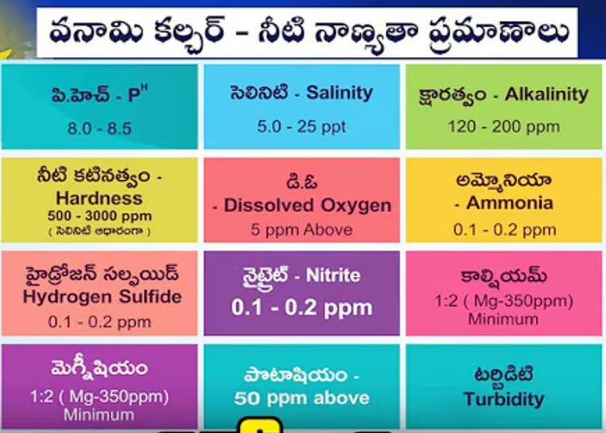
# | Issue | Reason | Solution
1 | Reason for Mortality, diseases and vibreo | Ammonia,feed wastage and prawn excreta | Clean land surface every 1 year
 | White Gut | Low Feed (black gut) / High Feed | Serene medicine - Defender G | Every week pro biatic after 40 days
 | Number maintainance |  | Surviwel medicine for first 3 days
 | To increase feed |  | Silver gold nano with probiatic for 3 days
 | Loos Sell Tight | DCP+

