STUDENT PORTAL DEFECTS
 |  |  |  | DEFECTS
DEFECTID | DEFECT STATUS | DEFECT DESCRIPTION | STEPS TO REPRODUCE | EXPECTED RESULTS | ACTUAL RESULTS | SEVERITY | PRIORITY | STATUS | SCREENSHOTS | RETEST STATUS | COMMENTS | AFTER RETEST SCREENSHOTS
DEFECT_Myprofile_01 | FIXED | PROFILE PIC IS NOT SHOWING AFTER UPLOADING THE PIC | 1. LAUNCH THE APPLICATION 2. LOGIN WITH VALID CREDENTIALS 3. CLICK ON MY PROFILE | PROFILE PIC IS DISPLAYED | PROFILE PIC IS NOT DISPLAYED | MEDIUM | MEDIUM | FAIL | 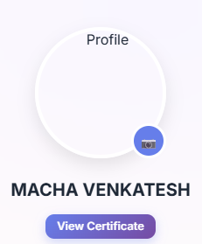 | PASS | RETESTED AND WORKING AS EXPECTED | 
DEFECT_Myprofile_02 | NEW | SAVE OR ADD AND EDIT BUTTON IS NOT SHOWING IN EDUCATION AND PROJECTS AFTER FILLING THE USER DETAILS | 1. LAUNCH THE APPLICATION 2. LOGIN WITH VALID CREDENTIALS 3. CLICK ON MY PROFILE | UPGRADE ADD AND EDIT BUTTON , BECAUSE THE USER FEEL GOOD | ADDED AND EDIT BUTTON IS NOT SHOWING | HIGH | HIGH | FAIL | 
DEFECT_Registration_03 | NEW | FULL NAME IS ALLOWING DIGITS AND SPECIAL CHARS , IT ALLOWS ONLY ALPHABETS | 1. LAUNCH THE APPLICATION 2. CLICK ON GET YOUR WAPL ID | FULL NAME IS ONLY ACCEPTS ALPHABETS | IT ALLOWING DIGITS AND SPECIAL CHARACTERS | MEDIUM | HIGH | FAIL
DEFECT_Registration_04 | NEW | PHONE NUMBER IS ALLOWING ALPHABETS AND SPECIAL CHARS | 1. LAUNCH THE APPLICATION 2. CLICK ON GET YOUR WAPL ID | PHONE NUMBER ACCEPT ONLY NUMERICS | IT ALLOWING ALPHABETS AND SPECIAL CHARS | MEDIUM | HIGH | FAIL
DEFECT_Registration_05 | NEW | EMAIL IS ACCEPTING WITHOUT .COM | 1. LAUNCH THE APPLICATION 2. CLICK ON GET YOUR WAPL ID | EMAIL SHOULD ACCEPT WITH .COM IS MANDATORY | IT ACCEPTING WITHOUT .COM | HIGH | HIGH | FAIL
DEFECT_Registration_06 | NEW | FULL NAME , EMAIL, PHONE NUMBER , PASSWORD AND CONFIRM PSWRD ARE ALLOWING SPACES IN FRONT OF THE CHARACTERS | 1. LAUNCH THE APPLICATION 2. CLICK ON GET YOUR WAPL ID | STARTING AND ENDING WITHOUT SPACE THE USER CAN ENTER THE DETAILS | IT ACCEPTING THE SPACES INFORNT OF THE NAMES | HIGH | HIGH | FAIL | 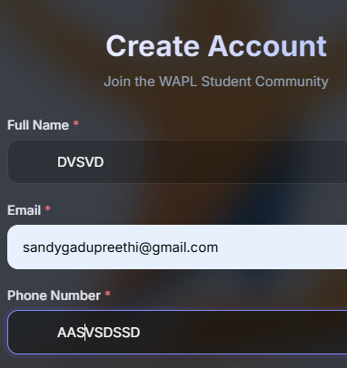
DEFECT_LOGIN_07 | NEW | IN LOGIN EMAIL IS ACCEPTING .COM AS CAPITAL LETTERS | 1. LAUNCH THE APPLICATION 2. CLICK ON LOGIN | EMAIL SHOULD ACCEPT ONLY SMALL LETTERS | IT ACCEPTING THE SOME SMALL AND SOME CAPS LETTERS | HIGH | HIGH | FAIL
DEFECT_Registration_08 | NEW | IN REGISTRATION PAGE PASSWORD DOSEN'T HAVE EYE ICON TO SEE THE PSWRD | 1. LAUNCH THE APPLICATION 2. CLICK ON GET YOUR WAPL ID | EYE ICON MUST SHOULD HAVE TO SEE THE PSWRD TO CHECK THE USER ONCE | IT ICON IS NOT AVAILABLE | HIGH | HIGH | FAIL
DEFECT_MY PROFILE _09 | NEW | IN MYPROFILE PAGE THE EDUCATION AND PERSONAL INFORMATION FILELDS ARE ACCEPTING THE SPACES FROM STARTING | 1. LAUNCH THE APPLICATION 2. CLICK ON LOGIN 3. ENTER VALID CREDENTIALS 4. CLICK ON MYPROFILE | FILEDS SHOULD START AND END WITH WITHOUT SPACES | FILEDS SHOULD START AND ENDING WITH SPACES | HIGH | HIGH | FAIL | 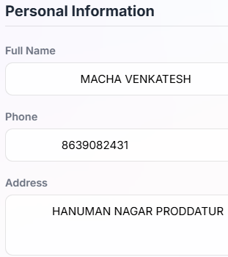
DEFECT_MY PROFILE _10 | NEW | IN EDUCATION , THE YEAR FIELD IS ACCEPTING THE ALPHABETS AND OTHER SPL CHARS | 1. LAUNCH THE APPLICATION 2. CLICK ON LOGIN 3. ENTER VALID CREDENTIALS 4. CLICK ON MYPROFILE | YEAR SHOULD ACCEPT ONLY DIGITS | IT ACCEPTING ALPHABETS AND OTHER SPL CHARS | MEDIUM | HIGH | FAIL
DEFECT_MY PROFILE _11 | NEW | SKILLS FIELD IS ACCEPTING NUMERICS IT ONLY ALLOWS ALPHABETS | 1. LAUNCH THE APPLICATION 2. CLICK ON LOGIN 3. ENTER VALID CREDENTIALS 4. CLICK ON MYPROFILE | SKILLS SHOULD ACCEPT ONLY ALPHABETS | IT NUMERICS AND OTHER SPL CHARS | MEDIUM | HIGH | FAIL
DEFECT_MY PROFILE _12 | NEW | AFTER THE ADMIN APPROVAL THE APPROVE NAME HAS SHOWING AT THE TOP IN THE MYPROFILE PAGE IT SHOWING (approveD) | 1. LAUNCH THE APPLICATION 2. CLICK ON LOGIN 3. ENTER VALID CREDENTIALS 4. CLICK ON MYPROFILE | THE STATUS IT STARTS FROM CAPTIAL LETTER | IT SHOWING STARTING SMALL LETTER | LOW | LOW | FAIL | 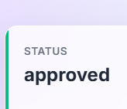
DEFECT_MY PROFILE _13 | NEW | BEFORE UPLOADING THE RESUME THE USER CAN'T SEE WHICH TYPE OF DOCUMENT SHOULD UPLOAD WE WILL ADD THE TEXT LIKE *PDF OR WORD DOCUMENTS ONLY ALLOWED | 1. LAUNCH THE APPLICATION 2. CLICK ON LOGIN 3. ENTER VALID CREDENTIALS 4. CLICK ON MYPROFILE | MENTION THE TEXT LIKE *PDF OR WORD | NO TEXT | MEDIUM | MEDIUM | FAIL | 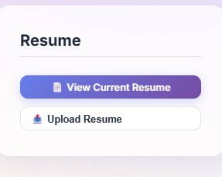
DEFECT_DASHBOARD _14 | NEW | RESUME AND CERTIFICATE BELOW TEXT AS WITH SMALL LETTERS | 1. LAUNCH THE APPLICATION 2. CLICK ON LOGIN 3. ENTER VALID CREDENTIALS 4. CLICK ON DASHBOARD | The status text should be in below the resume "Documents Available" and in Certificate"No Active Certificate" | The status text is displayed in lowercase: "Documents available " and "No active certificate" | LOW | LOW | FAIL | 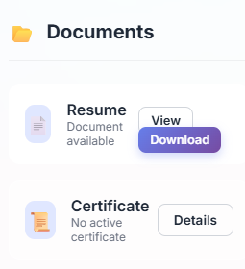
DEFECT_DASHBOARD _15 | NEW | IN REGISTRATION AND LOGIN PAGE THE UPPER TEXT SHOULD NOT DISPLAYED CLEARLY | 1. LAUNCH THE APPLICATION | THE TEXT "VERIFIED. YOURS." SHOULD BE VISIBLE CLEARLY | THE TEXT "VERIFIED " TEXT IS UNDER THE SEARCH BAR | LOW | LOW | FAIL
DEFECT_DASHBOARD _16 | NEW | IN REGISTRATION AND LOGIN PAGE THE BACKGROUND LOGO IS NOT DISPLAYED CLEARLY IT IS CUTTED AT UPPER AND LOWER | 1. LAUNCH THE APPLICATION | THE LOGO IS VISIBLE CLEARLY | THE LOGO IS NOT VISIBLE CLEARLY | LOW | LOW | FAIL | 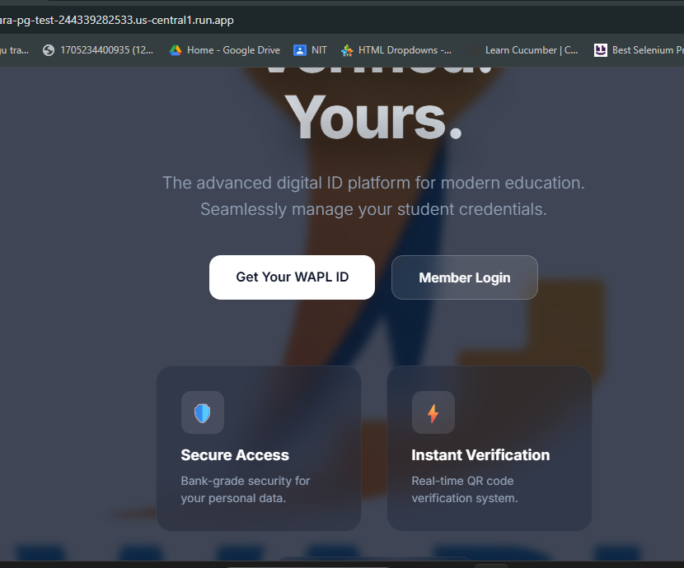
DEFECT_DASHBOARD _17 | NEW | LOGIN IN CERTIFICATE MODULE , AFTER ADMIN ISSUED THE CERTIFICATE THE NAME VISIBLE FOR THE USER , IF IT VISIBLE IT LOOKS GOOD | 1. LAUNCH THE APPLICATION 2. LOGIN WITH VALID CREDENTIALS 3. ADMIN ISSUED THE CERTIFICATE 4. CLICK ON CERTIFICATE | STUDENT NAME IS VISIBLE | STUDENT NAME IS NOT VISIBLE | MEDIUM | MEDIUM | FAIL
DEFECT_DASHBOARD _18 | NEW | ADMIN GIVE ACTIVE STATUS TO THE STUDENT THE STATUS TEXT IS STARTED WITH SMALL LETTER , SO IT STARTS WITH CAPS | 1. LAUNCH THE APPLICATION 2. LOGIN WITH VALID CREDENTIALS 3. CLICK ON DASHBOARD | STATUS TEXT IS "Status" | IT IS VISIBLE LIKE 'status' | LOW | LOW | FAIL | 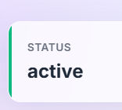

ADMIN PORTAL
 |  |  |  | ADMIN PORTAL DEFECTS
DEFECTID | DEFECT STATUS | DEFECT DESCRIPTION | STEPS TO REPRODUCE | EXPECTED RESULTS | ACTUAL RESULTS | SEVERITY | PRIORITY | STATUS | SCREENSHOTS | RETEST STATUS | COMMENTS | AFTER RETEST SCREENSHOTS
DEFECT_ADMIN_01 | FIXED | ADMIN ADDING THE BULK UPLOAD IN STUDENT MODULE IT IS NOT UPLOADING | 1. ADMIN LOGIN 2.CLICK ON STUDENT MODULE 3.CLICK ON BULK UPLOAD 4.Upload a CSV or Excel (.xlsx) file 5. CLIK ON UPLOAD AND CREATE STUDENTS BUTTON | IT UPLOAD THE STUDENT INFORMATION | IT IS NOT UPLOADING IT THROWING A ERROR MSG | HIGH | HIGH | FAIL |  | PASS | RETESTED AND WORKING AS EXPECTED
DEFECT_ADMIN_02 | NEW | ADMIN CLICKING ON THE MODULES IT IS CHANGING FROM UP AND DOWN | 1. ADMIN LOGIN 2.CLICK ON MODULES | NO CHANGES MODULES ARE FIXED | MODULES ARE CHANGING | MEDIUM | HIGH | FAIL
THE ADMIN ADDING THE NEW STUDENT IN STUDENT MODULE WHILE THE ADMIN UPLOADING THE STUDENT PROFILE PIC IN THAT TIME UPLOAD MESSAGE DISPLAYING, AFTER THE ADMIN VIEW IT IS NOT SHOWING | NEW | PROFILE PIC IS NOT DISPLAYING | 1. ADMIN LOGIN 2.CLICK ON STUDENT MODULE 3.CLICK ON NEW STUDENT UPLOAD THE PROFILE PIC | PROFILE PIC IS UPLOADED AND ADMIN CAN VIEW IT | IT IS UPLOADING BUT NOT SHOWING | LOW | LOW |  FAIL
THE ADMIN ADDING THE NEW STUDENT IN STUDENT MODULE WHILE THE ADMIN UPLOADING THE STUDENT RESUME IN THAT TIME UPLOAD MESSAGE DISPLAYING, AFTER THE ADMIN VIEW IT IS NOT SHOWING | NEW | RESUME IS NOT DISPLAYING | 1. ADMIN LOGIN 2.CLICK ON STUDENT MODULE 3.CLICK ON NEW STUDENT UPLOAD THE RESUME | RESUME IS UPLOADED AND ADMIN CAN VIEW IT | IT IS UPLOADING BUT NOT SHOWING | LOW | LOW | FAIL
IN ACTIVITY LOGS THE ADMIN AND DO ANY ACTIVITY THE PRESENT TIME IS NOT SHOWING | NEW | WRONG TIME IS SHOWING | 1. ADMIN LOGIN 2.CLICK ON ACTIVITY MODULE 3. AND DO ANY ACTIVITY LIKE DELETE , ADD , UPDATE 4. OBSERVE THE TIME | PRESENT TIME WILL SHOW | IT IS SHOWING WRONG TIME | LOW | LOW | FAIL

