Dashboard
Supplier Quality Analysis – Combined Model + CV + Dashboard
Includes training summary, test performance, cross-validation, learning curve, confusion matrix, feature importance, and drill-down sheets.

Test Accuracy | Test F1 Macro | MAE |  |  | RMSE |  | R²
89.17% | 0.869 | 0.0160 |  |  | 0.0233 |  | 0.9113

CV Mean Accuracy | CV Mean F1 | Watchlist Band |  |  | Test Rows |  | Train Rows
89.51% | 0.867 | 0.06 |  |  | 5400 |  | 648

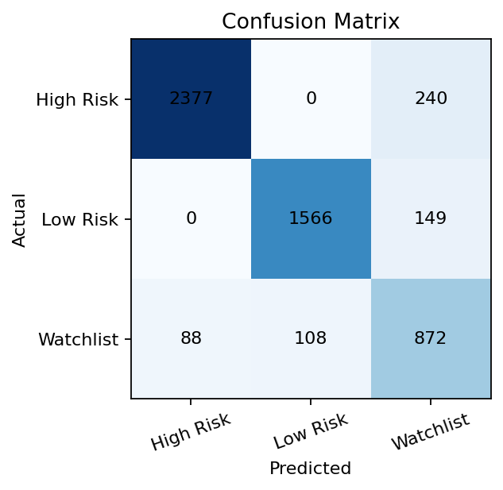
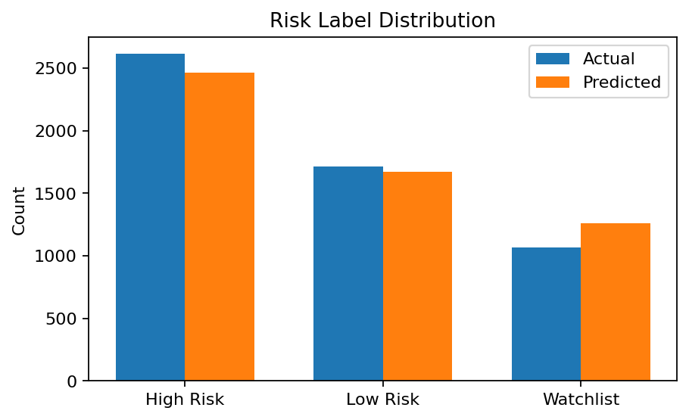

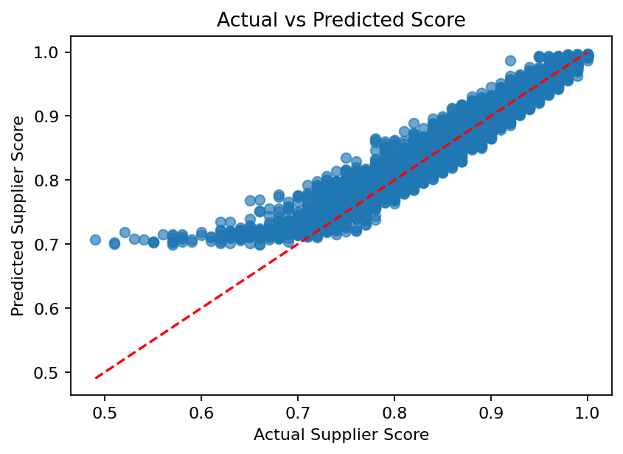
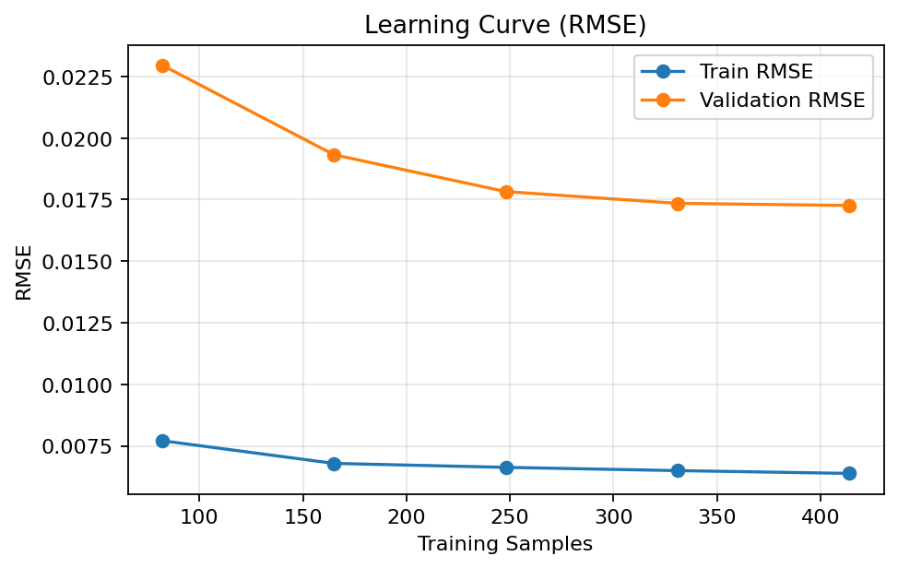

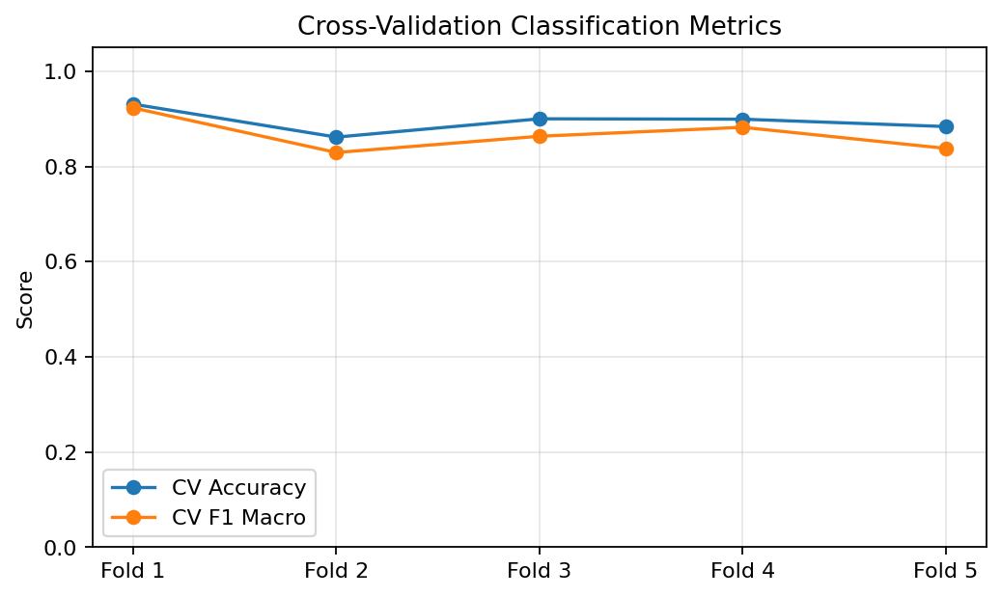
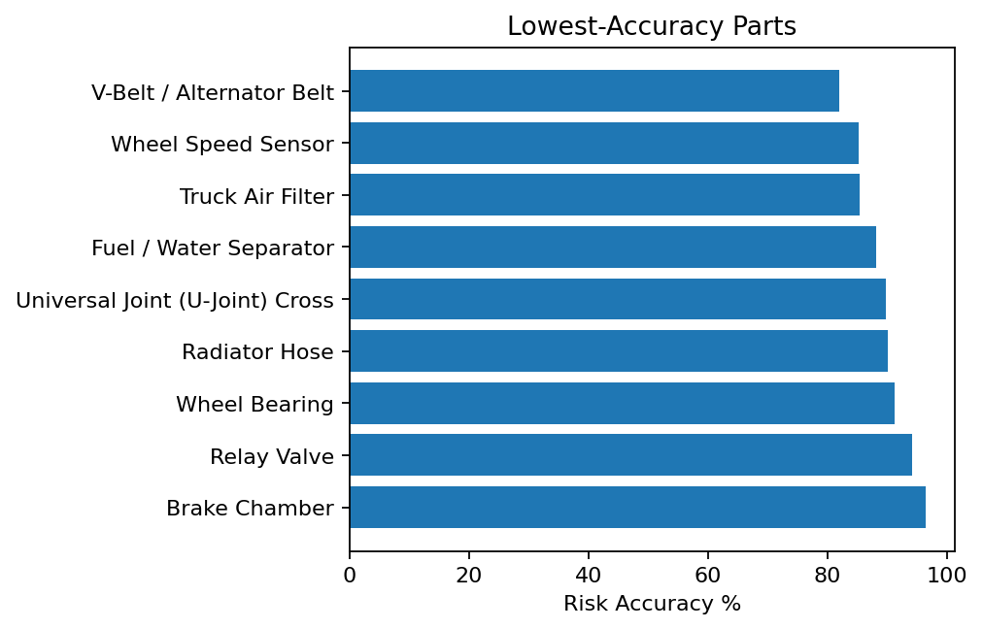

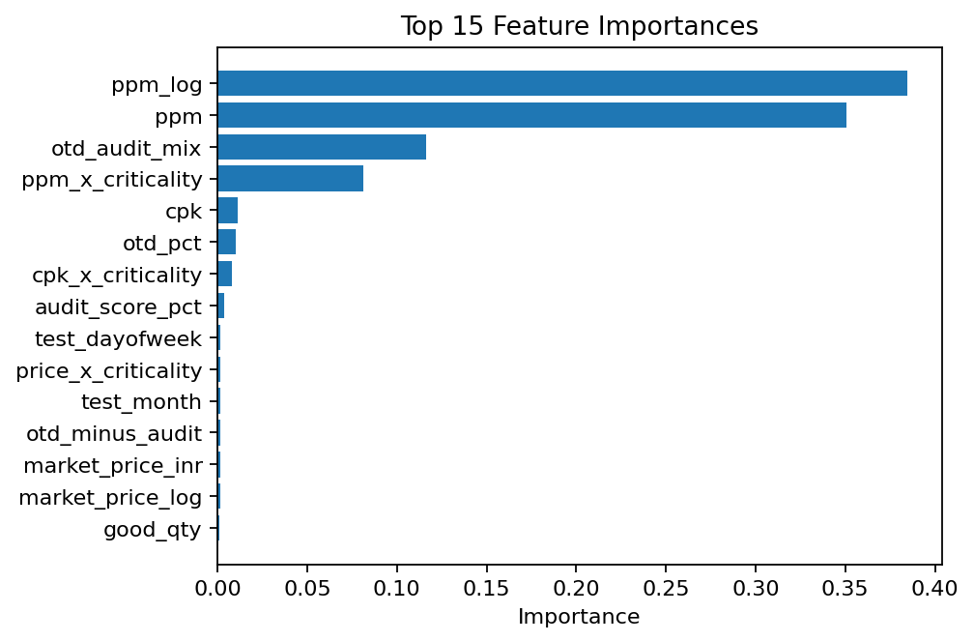
 |  |  | Top 5 Suppliers by Predicted High Risk Count |  |  | Bottom 5 Parts by Risk Accuracy %
 |  |  | Epsilon Drives & Seals | 532 | 90.76 | V-Belt / Alternator Belt | 82 | 600
 |  |  | Gamma Motion Parts | 507 | 88.6 | Wheel Speed Sensor | 85.17 | 600
 |  |  | Zeta Brake and Flow | 412 | 89.35 | Truck Air Filter | 85.33 | 600
 |  |  | Beta Truck Systems | 380 | 88.23 | Fuel / Water Separator | 88.17 | 600
 |  |  | Delta Fleet Components | 358 | 89.18 | Universal Joint (U-Joint) Cross | 89.83 | 600

