Лист1
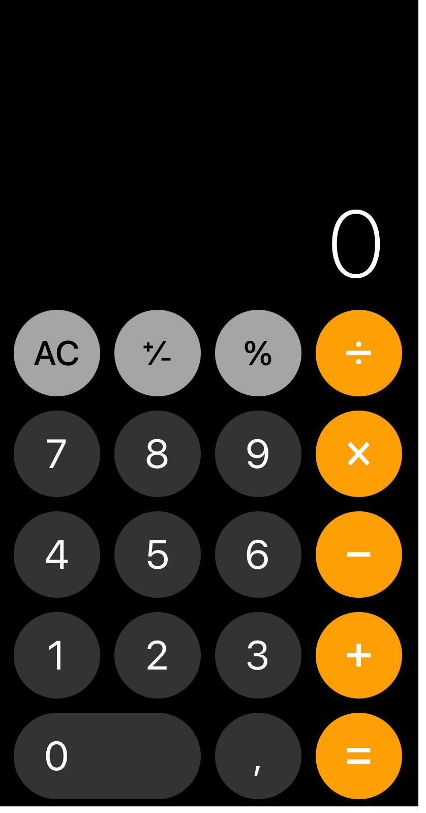
Cycles | smoke | acceptance | full regression | partial regression
length, days | 1 | 2 | 20 | 5
Number of tests | 10 | 20 | 200 | 50
% from total | 5% | 10% | 100% | 25%
how often (frequency) | each build | 1-2 times per release + for each RC | once per release (can be less frequent) | each iteration
tests the same? | yes | yes/no (the same + rotation) | yes | yes/no (the same + rotation)
written test cases? | yes, all tests cases with high priority | can be test scenario or test cases | all test cases | important test cases and test cases are selected from that areas which were most affected by changes in the last iteration
are test cases up to date? | yes, 100% | yes, 100% | yes/no (partly) | yes, 90%
are test cases approved by customer? | yes | yes | no | yes

