Feuil1
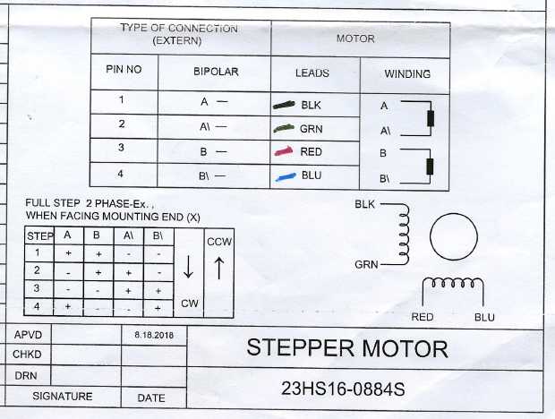
NEMA23
A+ | A- | B+ | B- | Result
BLK | RED | BLU | GRN | Phase Line Error
BLK | RED | GRN | BLU | Phase RES Error
BLK | BLU | GRN | RED | Phase RES Error
BLK | BLU | RED | GRN | Phase Line Error
BLK | GRN | RED | BLU | Phase RES Error
BLK | GRN | BLU | RED | Phase RES Error
RED | BLK | BLU | GRN | Phase RES Error
RED | BLK | GRN | BLU | Phase Line Error
RED | BLU | GRN | BLK | Phase RES Error
RED | BLU | BLK | GRN | Phase RES Error
RED | GRN | BLK | BLU | Phase Line Error
RED | GRN | BLU | BLK | Phase RES Error
BLU | BLK | RED | GRN | Phase RES Error
BLU | BLK | GRN | RED | Phase Line Error
BLU | GRN | BLK | RED | Phase Line Error
BLU | GRN | RED | BLK | Phase RES Error
BLU | RED | GRN | BLK | Phase RES Error
BLU | RED | BLK | GRN | Phase RES Error
GRN | BLK | RED | BLU | Phase RES Error
GRN | BLK | BLU | RED | Phase RES Error
GRN | BLU | BLK | RED | Phase RES Error
GRN | BLU | RED | BLK | Phase Line Error
GRN | RED | BLU | BLK | Phase Line Error
GRN | RED | BLK | BLU | Phase RES Error

A+ | A- | B+ | B- | DIR | Result
BLK | RED | GRN | BLU | HIGH | Blocked
BLK | BLU | GRN | RED | HIGH | Blocked
BLK | GRN | RED | BLU | HIGH | Trun Left Good
BLK | GRN | BLU | RED | HIGH | Trun right Good
RED | BLK | BLU | GRN | HIGH | Blocked
RED | BLU | GRN | BLK | HIGH | Trun Left Good
RED | BLU | BLK | GRN | HIGH | Trun right Good
RED | GRN | BLU | BLK | HIGH | Blocked
BLU | BLK | RED | GRN | HIGH | Blocked
BLU | GRN | RED | BLK | HIGH | Blocked
BLU | RED | GRN | BLK | HIGH | Trun right Good
BLU | RED | BLK | GRN | HIGH | Trun Left Good
GRN | BLK | RED | BLU | HIGH | Trun right Good
GRN | BLK | BLU | RED | HIGH | Trun Left Good
GRN | BLU | BLK | RED | HIGH | Blocked
GRN | RED | BLK | BLU | HIGH | Blocked

A+ | A- | B+ | B- | DIR | Result
BLK | RED | GRN | BLU | LOW | Blocked
BLK | BLU | GRN | RED | LOW | Blocked
BLK | GRN | RED | BLU | LOW | Trun right Bab
BLK | GRN | BLU | RED | LOW | Trun Left Bab
RED | BLK | BLU | GRN | LOW | Blocked
RED | BLU | GRN | BLK | LOW | Trun right Bab
RED | BLU | BLK | GRN | LOW | Trun Left Bab
RED | GRN | BLU | BLK | LOW | Blocked
BLU | BLK | RED | GRN | LOW | Blocked
BLU | GRN | RED | BLK | LOW | Blocked
BLU | RED | GRN | BLK | LOW | Trun Left Bab
BLU | RED | BLK | GRN | LOW | Trun right Bab
GRN | BLK | RED | BLU | LOW | Trun Left Bab
GRN | BLK | BLU | RED | LOW | Trun right Bab
GRN | BLU | BLK | RED | LOW | Blocked
GRN | RED | BLK | BLU | LOW | Blocked

