Feuil1
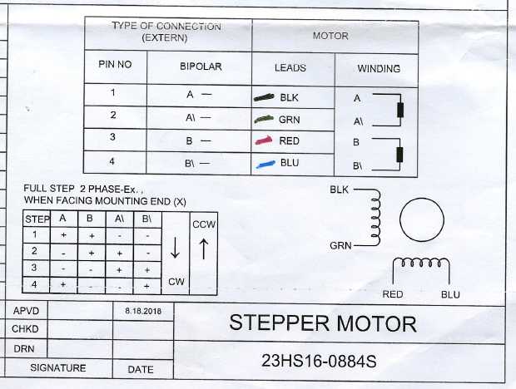
NEMA23
A+ | A- | B+ | B- | Result
BLK | RED | BLU | GRN | Phase Line Error
BLK | RED | GRN | BLU | Phase RES Error
BLK | BLU | GRN | RED | Phase RES Error
BLK | BLU | RED | GRN | Phase Line Error
BLK | GRN | RED | BLU | Phase RES Error
BLK | GRN | BLU | RED | Phase RES Error
RED | BLK | BLU | GRN | Phase RES Error
RED | BLK | GRN | BLU | Phase Line Error
RED | BLU | GRN | BLK | Phase RES Error
RED | BLU | BLK | GRN | Phase RES Error
RED | GRN | BLK | BLU | Phase Line Error
RED | GRN | BLU | BLK | Phase RES Error
BLU | BLK | RED | GRN | Phase RES Error
BLU | BLK | GRN | RED | Phase Line Error
BLU | GRN | BLK | RED | Phase Line Error
BLU | GRN | RED | BLK | Phase RES Error
BLU | RED | GRN | BLK | Phase RES Error
BLU | RED | BLK | GRN | Phase RES Error
GRN | BLK | RED | BLU | Phase RES Error
GRN | BLK | BLU | RED | Phase RES Error
GRN | BLU | BLK | RED | Phase RES Error
GRN | BLU | RED | BLK | Phase Line Error
GRN | RED | BLU | BLK | Phase Line Error
GRN | RED | BLK | BLU | Phase RES Error

NEMA17
A+ | A- | B+ | B- | Result
BLK | RED | BLU | GRN | Phase Line Error
BLK | RED | GRN | BLU | Phase RES Error
BLK | BLU | GRN | RED | Phase RES Error
BLK | BLU | RED | GRN | Phase Line Error
BLK | GRN | RED | BLU | Phase RES Error
BLK | GRN | BLU | RED | Phase RES Error
RED | BLK | BLU | GRN | Phase RES Error
RED | BLK | GRN | BLU | Phase Line Error
RED | BLU | GRN | BLK
RED | BLU | BLK | GRN
RED | GRN | BLK | BLU
RED | GRN | BLU | BLK
BLU | BLK | RED | GRN
BLU | BLK | GRN | RED
BLU | GRN | BLK | RED
BLU | GRN | RED | BLK
BLU | RED | GRN | BLK
BLU | RED | BLK | GRN
GRN | BLK | RED | BLU
GRN | BLK | BLU | RED
GRN | BLU | BLK | RED
GRN | BLU | RED | BLK
GRN | RED | BLU | BLK
GRN | RED | BLK | BLU

