2. Team Analysis II
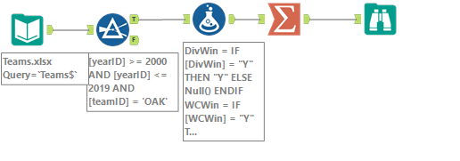
teamID | DivWin_Count | WCin_Count | LgWin_Count | WSWin_Count
OAK | 6 | 4 | 0 | 0

