Q1 Answer
Hint: Beginning on page 275 in your Lecture Notes, there are some small linear programming problems with the solutions shown in subsequent pages.
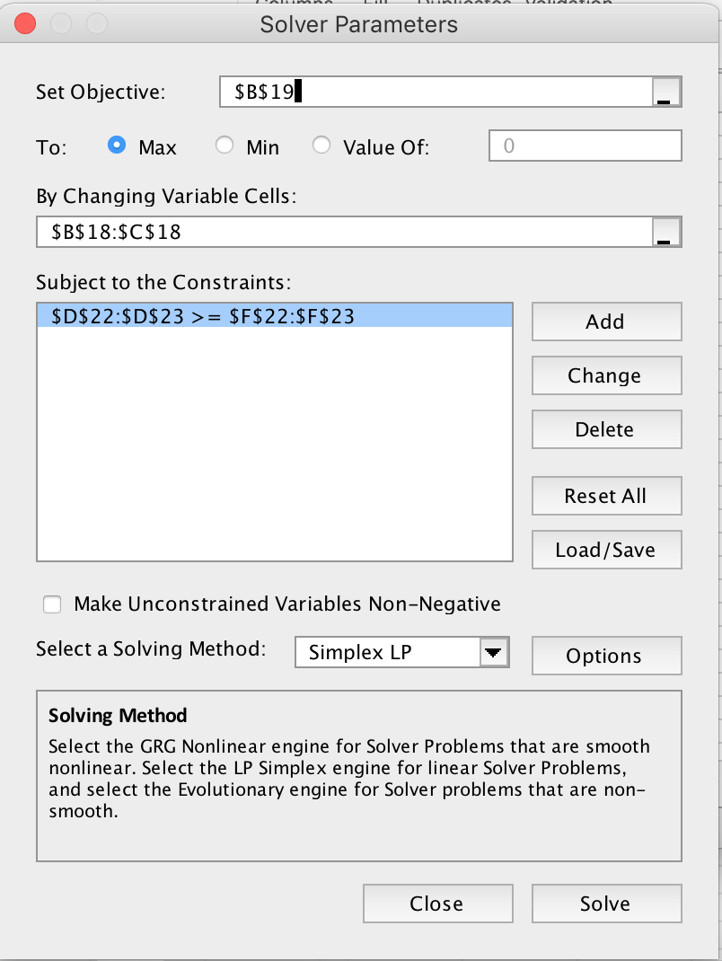
Doc's Dog Kennels, Inc., provides overnight lodging for a variety of pets. A particular
feature at Doc's is the quality of care the pets receive, including excellent food. The
kennel's dog food is made by mixing two brand-name dog food products to obtain what
Doc's calls the "well balanced dog diet" The data for the two dog foods are below:

Dog Food | Cost per Ounce | Protein (percent) | Fat (Percent)
Bark Bits | $0.025 | 30% | 20%
Canine Chow | $0.030 | 40% | 10%

If Doc wants to be sure that his dogs receive at least 6 ounces of protein and 2 ounces
of fat per day, what is the minimum cost mix of the two dog food products?

Problem Set-up
Food | Barks Bits | Canine Chow
Cost | $0.025 | $0.030
Ounces Served | 15.000 | 2.500
Cost | $0.450

 | Resources |  | Formula |  | Contraint
Protein | 30% | 20% | 5 | >= | 5
Fat | 10% | 20% | 2 | >= | 2

ANSWER:
The minimum cost is $0.450

Q3 ANSWER
The manager of a "6/10 Market" opens his store at 6AM, closes at 10PM. He wants the number of workers on duty each two hour slot as shown in the demand matrix below. Each worker works the standard 5-8 plan. Use Solver to solve this staff scheduling problem (see "Demand Matrix ") using the integer constraint. How many workers will be needed?

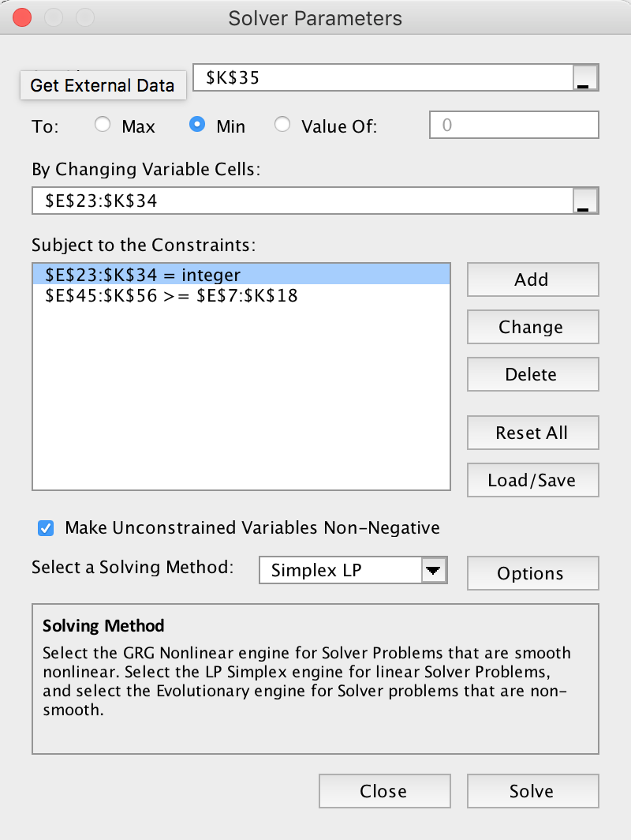
INPUTS:
DEMAND MATRIX A: Enter the number of workers needed each 2 hour span.
 | Time | Period | Sun | Mon | Tue | Wed | Thu | Fri | Sat
 | 12AM-2AM | 1 | 0 | 0 | 0 | 0 | 0 | 0 | 0
 | 2AM-4AM | 2 | 0 | 0 | 0 | 0 | 0 | 0 | 0
 | 4AM-6AM | 3 | 0 | 0 | 0 | 0 | 0 | 0 | 0
 | 6AM-8AM | 4 | 6 | 3 | 3 | 3 | 3 | 3 | 7
 | 8AM-10AM | 5 | 6 | 3 | 3 | 3 | 3 | 3 | 7
 | 10AM-12PM | 6 | 7 | 4 | 4 | 4 | 4 | 4 | 7
 | 12PM-2PM | 7 | 7 | 4 | 4 | 4 | 4 | 4 | 7
 | 2PM-4PM | 8 | 7 | 4 | 4 | 4 | 4 | 4 | 7
 | 4PM-6PM | 9 | 7 | 4 | 4 | 4 | 4 | 5 | 7
 | 6PM-8PM | 10 | 7 | 4 | 4 | 4 | 4 | 5 | 7
 | 8PM-10PM | 11 | 7 | 4 | 3 | 3 | 3 | 5 | 7
 | 10PM-12AM | 12 | 0 | 0 | 0 | 0 | 0 | 0 | 0
 |  |  |  |  |  |  |  | Total Workerhours: | 520
 |  |  |  |  |  |  |  | Unadjusted Workers Required: | 13
NUMBER STARTING MATRIX B: Enter the number of full time workers scheduled to start at each time point.
 |  |  | Sun | Mon | Tue | Wed | Thu | Fri | Sat
 | 12AM-2AM | 1 | 0 | 0 | 0 | 0 | 0 | 0 | 0
 | 2AM-4AM | 2 | 0 | 0 | 0 | 0 | 0 | 0 | 0
 | 4AM-6AM | 3 | 0 | 0 | 0 | 0 | 0 | 0 | 0
 | 6AM-8AM | 4 | 0 | 0 | 0 | 0 | 4 | 0 | 3
 | 8AM-10AM | 5 | 0 | 0 | 0 | 0 | 0 | 0 | 0
 | 10AM-12PM | 6 | 1 | 0 | 0 | 0 | 0 | 0 | 0
 | 12PM-2PM | 7 | 0 | 0 | 0 | 0 | 0 | 0 | 0
 | 2PM-4PM | 8 | 0 | 0 | 0 | 3 | 0 | 4 | 0
 | 4PM-6PM | 9 | 0 | 0 | 0 | 0 | 0 | 0 | 0
 | 6PM-8PM | 10 | 0 | 1 | 0 | 0 | 0 | 0 | 0
 | 8PM-10PM | 11 | 0 | 0 | 0 | 0 | 0 | 0 | 0
 | 10PM-12AM | 12 | 0 | 0 | 0 | 0 | 0 | 0 | 0
 |  |  |  |  |  |  |  | Total Workers: | 16.0
 |  |  |  |  |  |  |  | Multiplier: | 1.23
 |  |  |  |  |  |  |  | Adjusted Workers Required: | 16

OUTPUTS:

 | Total Staff: |  | 16.0

Workers On Duty at: |  |  | Sun | Mon | Tue | Wed | Thu | Fri | Sat
On Duty | 12AM-2AM | 1 | 0.0 | 0.0 | 1.0 | 1.0 | 1.0 | 1.0 | 1.0
Matrix C: | 2AM-4AM | 2 | 0.0 | 0.0 | 0.0 | 0.0 | 0.0 | 0.0 | 0.0
 | 4AM-6AM | 3 | 0.0 | 0.0 | 0.0 | 0.0 | 0.0 | 0.0 | 0.0
 | 6AM-8AM | 4 | 7.0 | 7.0 | 3.0 | 3.0 | 4.0 | 4.0 | 7.0
 | 8AM-10AM | 5 | 7.0 | 7.0 | 3.0 | 3.0 | 4.0 | 4.0 | 7.0
 | 10AM-12PM | 6 | 8.0 | 8.0 | 4.0 | 4.0 | 5.0 | 4.0 | 7.0
 | 12PM-2PM | 7 | 8.0 | 8.0 | 4.0 | 4.0 | 5.0 | 4.0 | 7.0
 | 2PM-4PM | 8 | 8.0 | 5.0 | 5.0 | 4.0 | 4.0 | 7.0 | 7.0
 | 4PM-6PM | 9 | 8.0 | 5.0 | 5.0 | 4.0 | 4.0 | 7.0 | 7.0
 | 6PM-8PM | 10 | 7.0 | 5.0 | 5.0 | 4.0 | 4.0 | 8.0 | 7.0
 | 8PM-10PM | 11 | 7.0 | 5.0 | 5.0 | 4.0 | 4.0 | 8.0 | 7.0
 | 10PM-12AM | 12 | 0.0 | 1.0 | 1.0 | 1.0 | 1.0 | 1.0 | 0.0
 |  |  |  |  |  |  |  | Total Workerhours: | 640.0

 | Shortage/Surplus |  | Sun | Mon | Tue | Wed | Thu | Fri | Sat
Shortage/ | 12AM-2AM | 1 | 0.0 | 0.0 | 1.0 | 1.0 | 1.0 | 1.0 | 1.0
Surplus | 2AM-4AM | 2 | 0.0 | 0.0 | 0.0 | 0.0 | 0.0 | 0.0 | 0.0
Matrix D: | 4AM-6AM | 3 | 0.0 | 0.0 | 0.0 | 0.0 | 0.0 | 0.0 | 0.0
 | 6AM-8AM | 4 | 1.0 | 4.0 | 0.0 | 0.0 | 1.0 | 1.0 | 0.0
 | 8AM-10AM | 5 | 1.0 | 4.0 | 0.0 | 0.0 | 1.0 | 1.0 | 0.0
 | 10AM-12PM | 6 | 1.0 | 4.0 | 0.0 | 0.0 | 1.0 | 0.0 | 0.0
 | 12PM-2PM | 7 | 1.0 | 4.0 | 0.0 | 0.0 | 1.0 | 0.0 | 0.0
 | 2PM-4PM | 8 | 1.0 | 1.0 | 1.0 | 0.0 | 0.0 | 3.0 | 0.0
 | 4PM-6PM | 9 | 1.0 | 1.0 | 1.0 | 0.0 | 0.0 | 2.0 | 0.0
 | 6PM-8PM | 10 | 0.0 | 1.0 | 1.0 | 0.0 | 0.0 | 3.0 | 0.0
 | 8PM-10PM | 11 | 0.0 | 1.0 | 2.0 | 1.0 | 1.0 | 3.0 | 0.0
 | 10PM-12AM | 12 | 0.0 | 1.0 | 1.0 | 1.0 | 1.0 | 1.0 | 0.0
 |  |  |  |  |  |  |  | Surpluses | 120.0
 |  |  |  |  |  |  |  | Shortages | 0.0

Q8 Readings and videos (2)
1 | Read the article "Would You Rather Have $1 Million or $5,000 Monthly in Retirement?" posted on Canvas.
 | A. What is the illusion of wealth?
 | Answer:
 | B. What is the illusion of poverty?
 | Answer:

2 | Read the article "50% Off: Why That Deal Isn’t as Good as You Think" posted on Canvas.
 | This line was in the article: "In one example, Dr. Rao described how standardized test scores in California fell by 60% then improved by an encouraging 70%. What some failed to realize was that the result was still a net decrease of 32%."
 | Explain why the net loss was 32%. (Hint: Assume the starting score was 100.)
 | Answer:

3 | Watch this video on Solver. | https://www.youtube.com/watch?v=mRR-_7ABytw&feature=related
 | What was the maximum profit?
 | Answer:
 | Which resources were binding (i.e. fully consumed in the optimal solution)?
 | Answer:

4 | Go to www.solver.com and click to watch the video.
 | How many companies does Solver claim have used its services?
 | Answer:

5 | OPTIONAL:
 | Watch Leila Gahrani on Solver:

