Theater Outcomes by Launch Date
Years | (All)
Category and Subcategory2 | theater
Theater Outcomes vs Launch Date
 | successful | live | failed | canceled
Jan | 56 | 2 | 33 | 7
Feb | 71 | 8 | 39 | 3
Mar | 56 | 14 | 33 | 3
Apr | 71 |  | 40 | 2
May | 111 |  | 52 | 3
Jun | 100 |  | 49 | 4
Jul | 87 |  | 50 | 1
Aug | 72 |  | 47 | 4
Sep | 59 |  | 34 | 4
Oct | 65 |  | 50
Nov | 54 |  | 31 | 3
Dec | 37 |  | 35 | 3
Count of outcomes | Column Labels
Row Labels | successful | live | failed | canceled | Grand Total
Jan | 56 | 2 | 33 | 7 | 98
Feb | 71 | 8 | 39 | 3 | 121
Mar | 56 | 14 | 33 | 3 | 106
Apr | 71 |  | 40 | 2 | 113
May | 111 |  | 52 | 3 | 166
Jun | 100 |  | 49 | 4 | 153
Jul | 87 |  | 50 | 1 | 138
Aug | 72 |  | 47 | 4 | 123
Sep | 59 |  | 34 | 4 | 97
Oct | 65 |  | 50 |  | 115
Nov | 54 |  | 31 | 3 | 88
Dec | 37 |  | 35 | 3 | 75
Grand Total | 839 | 24 | 493 | 37 | 1393

Outcomes Bases on Goals
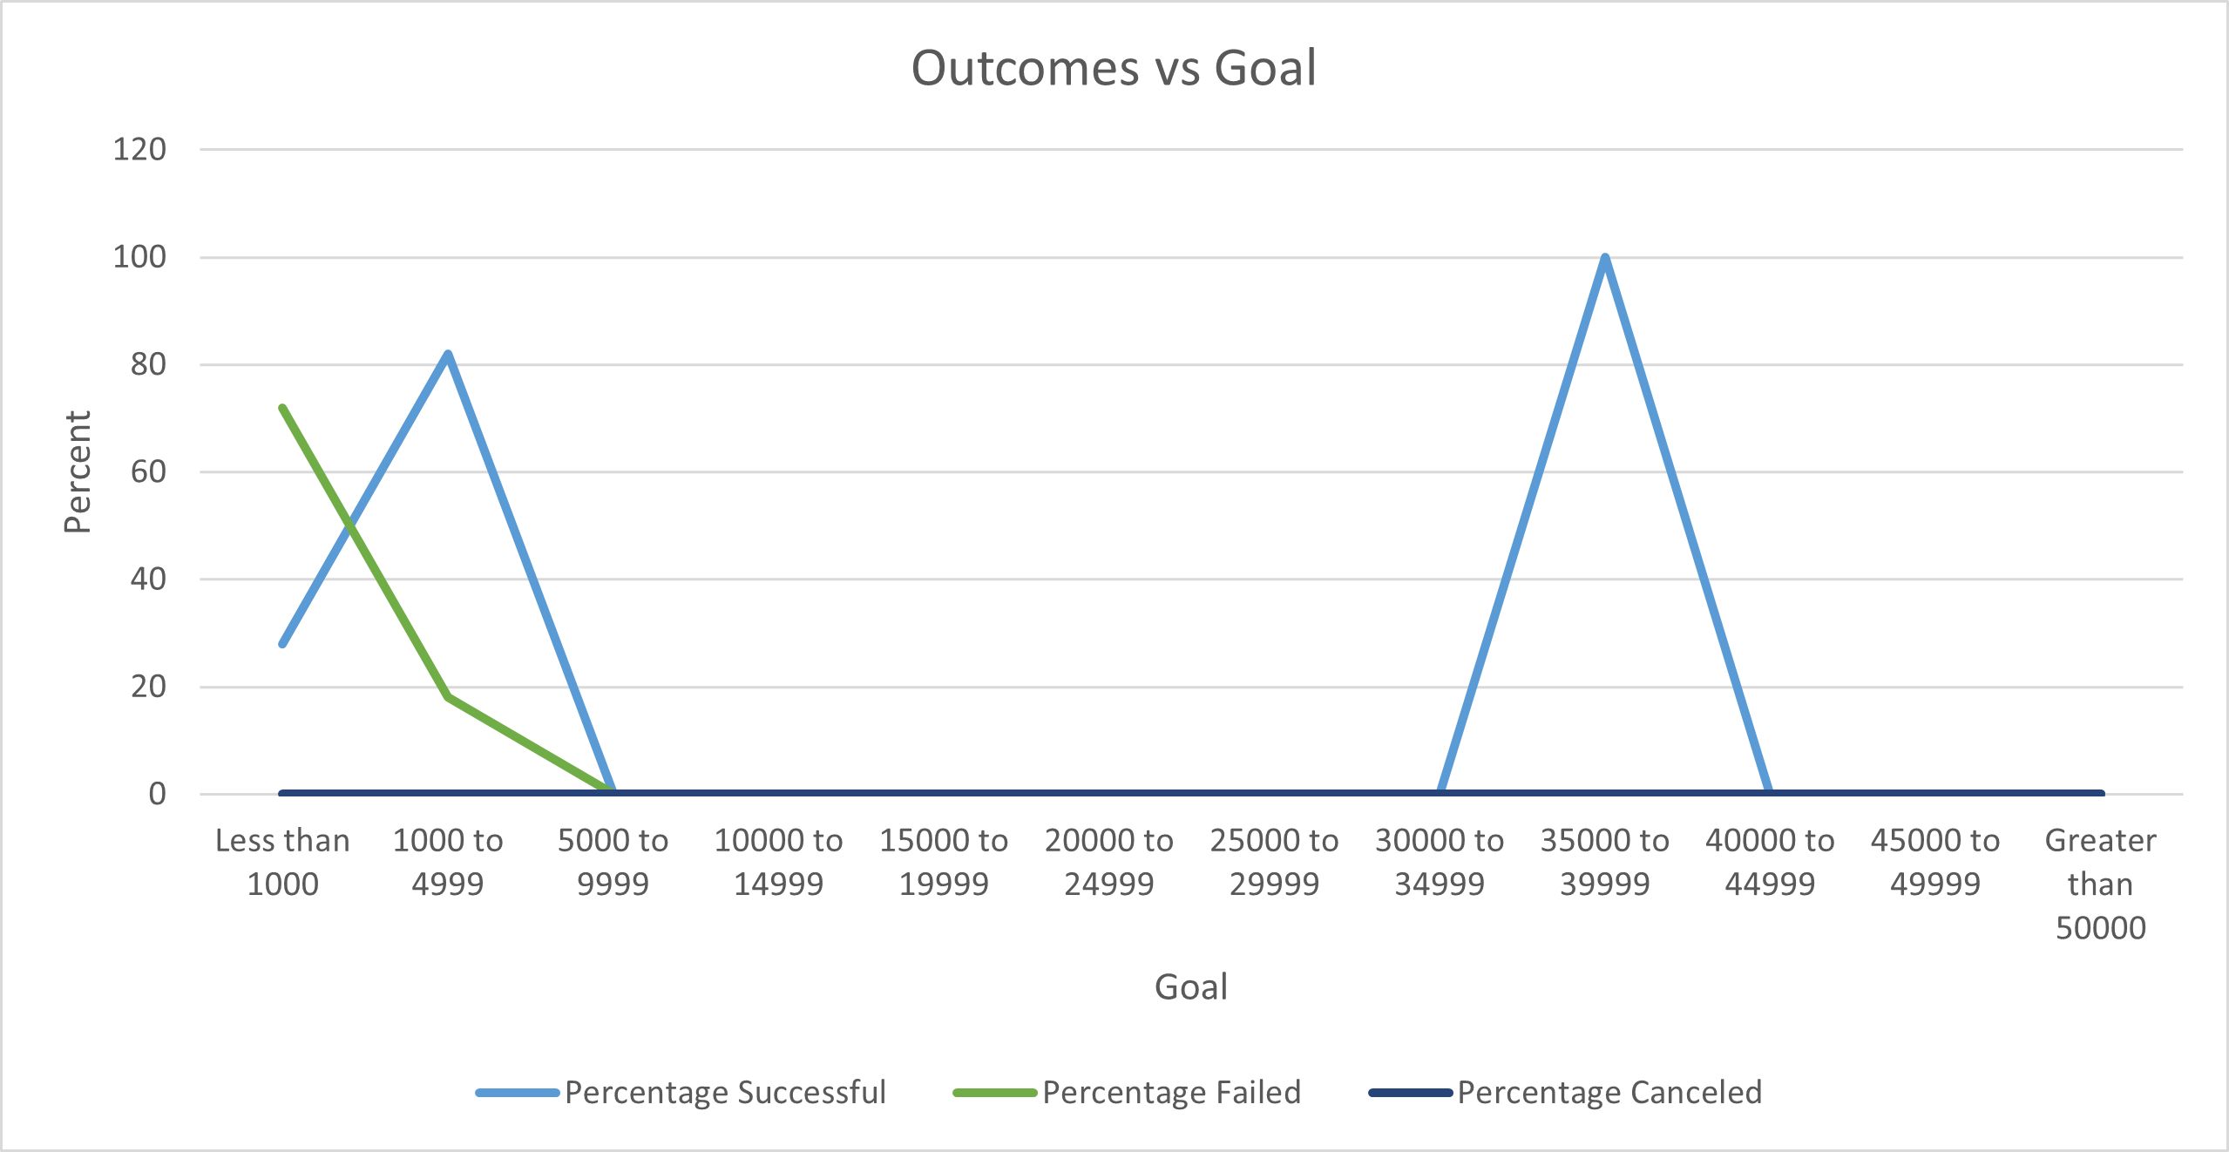
Goal | Number Successful | Number Failed | Number Canceled | Total Projects | Percentage Successful | Percentage Failed | Percentage Canceled
Less than 1000 | 108 | 273 | 0 | 381 | 28.35 | 71.65 | 0
1000 to 4999 | 546 | 80 | 0 | 626 | 87.22 | 12.78 | 0
5000 to 9999 | 0 | 0 | 0 | 0 | 0 | 0 | 0
10000 to 14999 | 20 | 0 | 0 | 20 | 100 | 0 | 0
15000 to 19999 | 0 | 0 | 0 | 0 | 0 | 0 | 0
20000 to 24999 | 0 | 0 | 0 | 0 | 0 | 0 | 0
25000 to 29999 | 0 | 0 | 0 | 0 | 0 | 0 | 0
30000 to 34999 | 0 | 0 | 0 | 0 | 0 | 0 | 0
35000 to 39999 | 20 | 0 | 0 | 20 | 100 | 0 | 0
40000 to 44999 | 0 | 0 | 0 | 0 | 0 | 0 | 0
45000 to 49999 | 0 | 0 | 0 | 0 | 0 | 0 | 0
Greater than 50000 | 0 | 0 | 0 | 0 | 0 | 0 | 0

 | 694 | 353 | 0 | 1027 | 215.57 | 84.43 | 0

