1. Matching
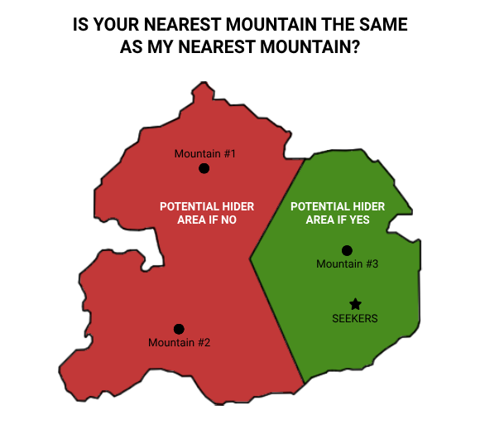
Matching
Cost: | Draw 2, Keep 1
Time: | 5 Minutes
Question: | Is your nearest _____ the same as my nearest _____?

Transit Line | Wildcard spots are considered a single transit line
Station's Name Length | "Is your hiding zone name longer than mine?" (seekers to specify which location if not obvious). *Use the game map pin names to determine length*
Region | "Are you in the same region as I am?" (based on game map filter)
Movie Theatre
Hospital
Earnest Ice Cream | Excludes Granville Island pin currently on Maps
Cactus Club Cafe
Breka Bakery & Cafe
Casino | Parq, Grand Villa, Hastings, River Rock, Great Canadian, Starlight
Stadium/Arena
Costco

2. Measuring
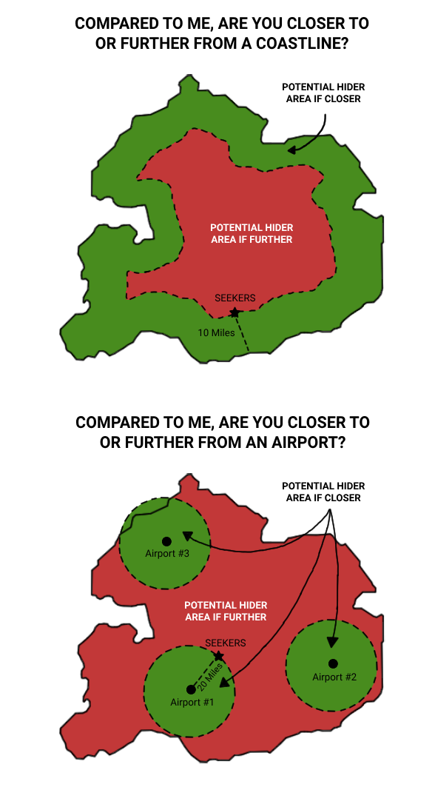
Measuring
Cost: | Draw 2, Keep 1
Time: | 5 Minutes
Question: | Compared to me, are you closer to or further from _____? (blank must be filled by the generic category, not a specific location within the category)

A Region Border | Based on game map filter
A Coastline | Fraser river, Burrard Inlet, Vancouver Harbour, False Creek, Straight of Georgia, English Bay (does not include lakes, ponds, etc.)
A Mountain | Include's only Burnaby Mountain and North Shore mountains
A Park | Anything correctly classified as a park by your mapping app. Measure to the park's icon on the map.
Golf Course | An outdoor golf course. Miniature golf does not count. Driving ranges do not count.
Museum
Movie Theatre
Hospital
Vancouver Public Library Branch | VPL brand - not a book store or a private book sharing cubby
Foreign Consulate
Stadium/Arena

3. Thermometer
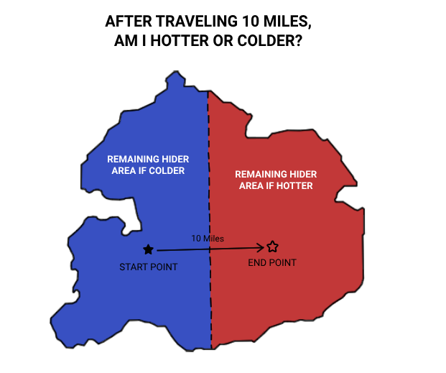
Thermometer
Cost | Draw 2, Keep 1
Time | 5 Minutes
Question: | I just travled (at least) [Distance]. Am I hotter or colder?

[Distance]
100m | Can only be used during the endgame
2 transit stops
4 transit stops
6 transit stops

4. Radar
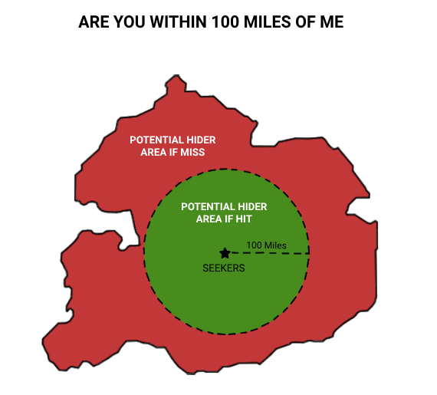
Radar
Cost | Draw 3, Keep 1
Time | 5 Minutes
Question: | Are you within [Distance] of me?

[Distance]
150m
1km
3km
5km
Custom Range

5. Tentacles
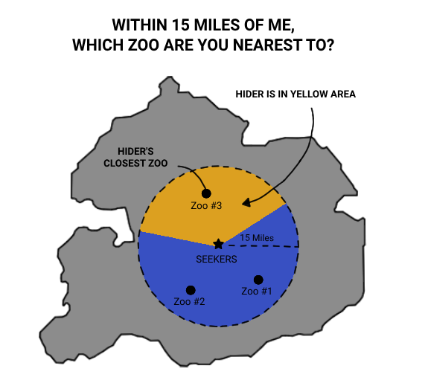
Tentacles (only usable in endgame)
Cost: |  | Draw 4 Keep 2
Time: |  | 5 Minutes
Question: |  | Of all the [Places] within [Distance] of me, which are you closest to?

[Places] | [Distance]
Parks | 1km
Churches | 1km
Banks | 1.5km
Gas Stations | 1.5km
Schools | 1.5km

