Cover
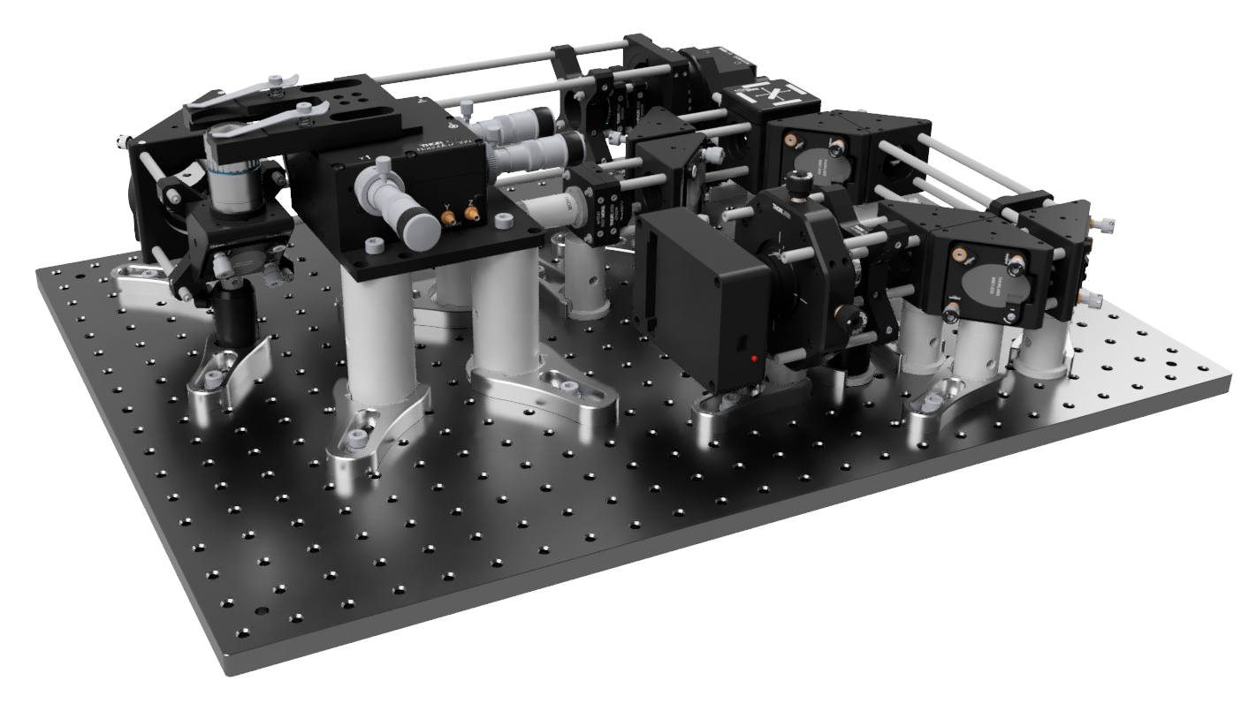

BrightEyes-Scope Part List

Overview

This spreadsheet accompanies the publication of BrightEyes-Scope, an open-source microscope architecture that provides guidelines for building a laser-scanning microscope equipped with a SPAD array detector.

The system enables Image Scanning Microscopy (ISM) and is designed as an upgrade path from conventional confocal microscopy toward array-detector-based imaging.

Scope of this Part List

The Part List tab contains the components required to assemble the mechanical and optomechanical structure of the microscope, including part codes, quantities, estimated prices, total costs, and direct supplier links where available.

Some key components are not included in the purchasable part list and must be provided separately by the user:

SPAD array detector
100× objective
Dichroic mirror
Fiber-coupled laser

Notes for Assembly

The part list has been prepared to be as complete and accurate as possible. However, minor discrepancies may remain, especially regarding screw lengths, hole compatibility, and thread interfaces.

For this reason, we recommend keeping the following additional hardware available during assembly:

Assorted M4 set screws
Assorted M6 set screws
M4-to-M6 thread adapters, for example AE4M6M

Having these components available should help resolve small mechanical compatibility issues that may arise during assembly.

