Sheet1
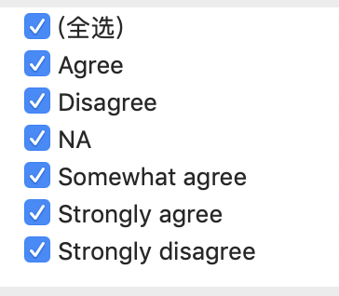
 |  |  | Disagree | 1

' | ProblemSolving | ',
' | BuildingThings | ',
' | LearningNewTech | ',
' | BoringDetails | ',
' | JobSecurity | ',
' | DiversityImportant | ',
' | AnnoyingUI | ',
' | FriendsDevelopers | ',
' | RightWrongWay | ',
' | UnderstandComputers | ',
' | SeriousWork | ',
' | InvestTimeTools | ',
' | WorkPayCare | ',
' | KinshipDevelopers | ',
' | ChallengeMyself | ',
' | CompetePeers | ',
' | ChangeWorld | ',
' |  | ',
' |  | ',
' |  | ',
' | AssessJobIndustry | ',
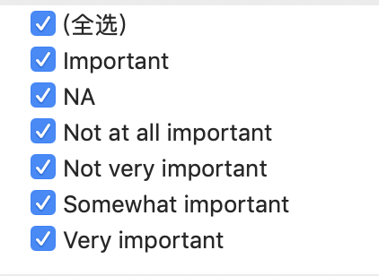
' | AssessJobRole | ',
' | AssessJobExp | ', | Not at all important | 1
' | AssessJobDept | ', | Not very important | 2
' | AssessJobTech | ', | Somewhat important | 3
' | AssessJobProjects | ', | Important | 4
' | AssessJobCompensation | ', | Very important | 5
' | AssessJobOffice | ',
' | AssessJobCommute | ',
' | AssessJobRemote | ',
' | AssessJobLeaders | ',
' | AssessJobProfDevel | ',
' | AssessJobDiversity | ',
' | AssessJobProduct | ',
' | AssessJobFinances | ',

' | ImportantHiringAlgorithms | ',
' | ImportantHiringTechExp | ',
' | ImportantHiringCommunication | ',
' | ImportantHiringOpenSource | ',
' | ImportantHiringPMExp | ',
' | ImportantHiringCompanies | ',
' | ImportantHiringTitles | ',
' | ImportantHiringEducation | ',
' | ImportantHiringRep | ',
' | ImportantHiringGettingThingsDone | ',
' | EducationImportant | ',

