Sheet2
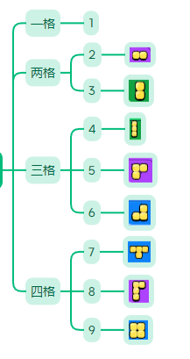

901 | [901], | [[901],[902],[903],[904],[905,906]]
902 | [902],
903 | [903],
904 | [904],
905 | [905,906]
906

