WELCOME
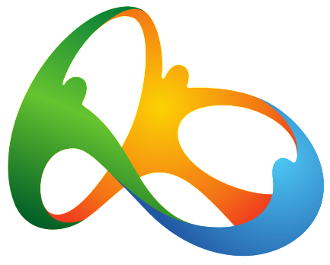

OLYMPICS 2016 DASHBOARD

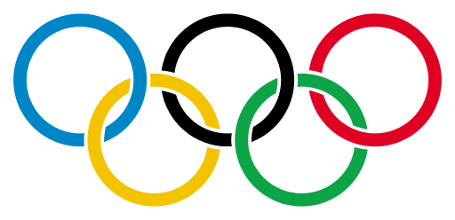

 | RIO, BRAZIL
 | August 5th to 21st, 2016

FOR MORE EXCEL TEMPLATES
INDZARA.COM

Results Source
https://www.rio2016.com/en/schedule-and-results
https://www.rio2016.com/en/water-polo-wp-women-download
https://en.wikipedia.org/wiki/Category:2016_Summer_Olympics_events
Flags
https://graphicriver.net/item/254-flags-of-the-world/180180

2016_RIO_OLYMPICS_DASHBOARD
OLYMPIC VIEW
COUNTRY VIEW
SPORT VIEW
2016 OLYMPICS

 |  |  |  |  |  |  |  | COUNTRY | United States |  |  | SPORT | Swimming
EVENTS
307
307
360
974
306
 |  | MEDALS

 |  |  |  |  |  |  |  |  |  |  |  |  |  | RANKING METHOD | Total

G
S
B
 |  |  | 87 | Countries with medals |  |  |  |  | 1859 | Athletes with medals |  |  |  | 2026 |  | Medals
TOP COUNTRIES |  |  |  |  |  |  | TOP ATHLETES
RANK |  | COUNTRY |  |  |  | TOTAL | RANK |  | ATHLETE
1 | USA | United States | 46 | 37 | 38 | 121 | 1 | USA | PHELPS Michael | n | n | n | n | n | n | 6
2 | CHN | China | 26 | 18 | 26 | 70 | 2 | USA | LEDECKY Katie | n | n | n | n | n |  | 5
3 | GBR | Great Britain | 27 | 23 | 17 | 67 | 3 | USA | BILES Simone | n | n | n | n | n |  | 5
4 | RUS | Russian Federation | 19 | 18 | 19 | 56 | 4 | HUN | HOSSZU Katinka | n | n | n | n |  |  | 4
5 | GER | Germany | 17 | 10 | 15 | 42 | 5 | USA | MANUEL Simone | n | n | n | n |  |  | 4

Athletics | 14%
Swimming | 10%
Wrestling | 7%
Judo | 6%
Boxing | 5%
Shooting | 5%
Weightlifting | 5%
Artistic Gymnastics | 4%
IMPORTANCE OF EACH SPORT - % OF TOTAL MEDALS BY SPORT |  |  |  |  |  |  | EVENT RESULTS
 |  |  |  |  |  |  |  |  |  |  |  |  |  |  |  | Choose Sport View to change Sport

 |  |  |  |  |  |  |  |  |  | SELECT EVENT | Men's 200m Butterfly

G
 |  |  |  |  |  |  |  |  | USA | PHELPS Michael

S
 |  |  |  |  |  |  |  |  | JPN | SAKAI Masato

B
 |  |  |  |  |  |  |  |  | HUN | KENDERESI Tamas

