Readme
COVID-19 Aerosol Transmission Estimator |  |  |  | File --> Make a Copy OR Download to Excel (Click GREEN links below if don't see option)
Developed by: | Prof. Jose L Jimenez & Dr. Zhe Peng, Dept. of Chem. & CIRES, Univ. Colorado-Boulder |  |  |  |  | Shortcut: | https://tinyurl.com/covid-estimator
Short description of this tool in CIRES Press Release: |  |  |  | Simplified version of this tool by Nat Geographic |  |  | Direct copy in Google Drive (as Google Sheet)
For more info: | https://tinyurl.com/FAQ-aerosols |  | Other languages: https://tinyurl.com/preguntas-espanol |  |  |  | Direct download into Excel
Implements peer-reviewed research in Miller et al. (2021), Peng and Jimenez (2021), and preprint by Peng et al. (2021) |  |  |  |  |  |  | Come back for new versions
5 min. read on aerosol evidence: |  | Patterns of transmission |  | Extensive discussion in my Twitter Threads
Recorded webinar on this tool: |  | 1. Description & Tour (watch first) |  | 2. Q&A session | 3. Short intro by A. Mishra
Informacion en espanol / castellano: |  | 1. Descripcion y demonstracion |  | 2. Entrevista PF | 3. Entrevista HA
El Pais Simulation based on this: |  | English Version | Version en español
Subscribing to email list for tool: |  | https://groups.google.com/forum/#!forum/covid-estimator
Feedback to improve this tool: |  | http://tinyurl.com/estimator-feedback
Using extensive input and feedback from many people (But any mistakes are my own): |  | Linsey Marr, Shelly Miller, Giorgio Buonnano, Lidia Morawska, Don Milton, Julian Tang, Jarek Kurnitski, Xavier Querol, Matthew McQueen, Charles Stanier, Joel Eaves, Alfred Trukenmueller, Ty Newell, Greg Blonder, Andrew Maynard, Nathan Skinner, Clark Vangilder, Roger Olsen, Alex Mikszewski, Prasad Kasibhatla, Joe Bruce, Paul Dabisch, Yumi Roth, Andrew Persily, Susan Masten, Sebastien Tixier, Amber Kraver, Howard Chong, John Fay, Dustin Poppendieck, Jim Bagrowski, Gary Chaulklin, Richard Meehan, Jarrell Wenger, Alex Huffman, Bertrand Waucquez, Elizabeth Goldberg (only listing the most important here, many others have contributed feedback as well over email and Twitter. Thanks a lot to everyone!)
Version & date | 3.5.5 | 3-May-21

What we are trying to estimate
The propagation of COVID-19 by aerosol transmission ONLY
The model is based on a standard model of aerosol disease transmission, the Wells-Riley model. It is calibrated to COVID-19 per recent literature on quanta emission rate
This is NOT an epidemiological model, rather can take input from such models for the average rate of infection for a given location and time period. Or it could possibly be used as a sub-component of an epi-model, to estimate aerosol transmission as a function of various parameters
This model does NOT include droplet or contact / fomite transmission, and assumes that 6 ft / 2 m social distancing is respected. Otherwise higher transmission will result
This model does NOT include transmission to the people present, when they are in locations other than the one analyzed here
The model can easily be adapted to other situations, such as offices, shops etc.

Simplicity and uncertainties - IMPORTANT, PLEASE READ
The model is kept simple so that it can be understood and changed easily. The goal is to get the order-of-magnitude of the effects quickly, and to explore the trends.
Several parameters are uncertain, and have been estimated based on current knowledge. Alternative estimates can be entered to explore their effect in the results.
The model is consistent with known superspreading events of COVID-19. It represents the situation in which someone highly infectious is present in the space. Note that many people are much less infectious (e.g. Ma et al., 2020, Clinical Infectious Diseases, https://doi.org/10.1093/cid/ciaa1283), and for those the number of infected people will be too high.
More complex and realistic models can be built, however the parametric uncertainty may still dominate the total uncertainty
Parameters based on new research can be incorporated as they become available. Pls send them my way
Disclaimer: this model is our best scientific estimate, based on the information currently available. It is provided in the hope that it will be useful to others, based on us
 | receiving a large number of requests for this type of information. We trust most the relative risk estimates (when changing parameters such as wearing a
 | mask or not) of two runs of the model. We also trust the order-of-magnitude of the risk estimates, if the inputs are correct. The exact numerical results
 | for a given case have more uncertainty. For example if you obtain a 1% chance of infection, in reality it could be 0.2% or 5%. But it won't be 0.001% or 100%.
 | Results also have to be interpreted statistically, i.e. the result is the average number of transmission cases, across many realizations of a given event. I.e. if
 | 1000 similar events were conducted, this would be the average probability. Any one event may have much fewer or many more transmission cases.

How to use the estimator
This online version will be kept up-to-date. We can't allow people to make changes to the online version, as otherwise people would overwrite each other's changes
People interested in using the model should download an Excel version from File --> Download or make a G Sheets copy with File --> Make a copy
 | Or you can download an Excel version with the direct link above
 | The online model will continue to be updated, so you may want to re-download the file later on, if you continue to use it, to get the latest updates
 | See the version log at the bottom of this sheet for a brief description of the updates

Inputs and Outputs
 | Most important inputs are colored in orange
 | Inputs are colored in yellow. |  | These are the cells you should change to explore different cases.
 | Descriptions and intermediate calculations are not colored. Do not overwrite the calculations or you will break the estimator.
 | Outputs are colored in blue. |  | These are the final results of the model for each case. Do not overwrite them or you will break the estimator.

Note that in some cases, the case in a sheet assumes that an infected person is present (e.g. in the classroom). While in other cases we use the prevalence of the disease in the population as
 | an input on the calculations. They can be converted easily, but pay attention to what each specific sheet is doing.

All sheets are self-contained, except for the University case

For the University case
 | Approximately scaled for a large University in the Western US for the Fall 2020 semester
 | First, results are calculated for a typical classroom ("Classroom Sheet"), assuming either one student or the professor are infected
 |  | Assumes enhanced social distancing and masks in place
 |  | Classroom size does not matter much, since students will scale with it
 | Then, results are scaled to the whole campus ("Campus Sheet"), taking into account the probability of infection in the population

Suggestions and improvements
Please email me for any suggestions for improvements, additional input data etc. |  |  |  |  | jose.jimenez@colorado.edu

Scientific Approach
The model combines two submodels: (1) a standard atmospheric "box model", which assumes that the emissions are completely mixed across a control volume quickly (such as an indoor room or other space). See for example Chapter 3 of the Jacob Atmos. Chem. textbook, and Chapter 21 of the Cooper and Alley Air Pollution Control Engineering Textbook for indoor applications. This is an approximation that allows easy calculation, is approximately correct as long as near-field effects are avoided by social distancing, and is commonly used in air quality modeling. (2) a standard aerosol infection model (Wells-Riley model), as formulated in Miller et al. 2020, and references therein
 | Miller et al. Skagit Choir Outbreak |  | https://doi.org/10.1111/ina.12751
 | Original Wells-Riley model: |  | https://academic.oup.com/aje/article-abstract/107/5/421/58522
 | Buonnano et al. (2020a) |  | https://www.sciencedirect.com/science/article/pii/S0160412020312800
 | Buonnano et al. (2020b) |  | https://doi.org/10.1016/j.envint.2020.106112

Key parameters, sources, and uncertainties

The most uncertain parameter is the quanta emission rates for SARS-CoV-2
 | See FAQ sheet for the definition of quanta
 | 970 q / h | This is from the Miller et al. choir superspreading case |  |  |  | https://doi.org/10.1111/ina.12751
 |  |  | This value is at the high end of the Buonnano et al. values provided below, consistent with this being a superspreading event
 |  |  | which was likely influenced by a very high emission rate of quanta from the specific index case
 |  |  | We do not think that this very high value should be applied to all situations, as that would overestimate the infection risk.
 | Buonnano et al. (2020a, b) provides a range of estimates. Recommended values by the author are: |  |  |  |  |  | Paper 1 | Paper 2
 |  | IMPORTANT: The uncertainty of these values is high, probably at factor of 5 or 10. We just don't know enough about this disease yet. Also there are likely superspreaders which are less frequent but may have higher emissions (as in the choir case). Thus don't take abs. probabilities of infection at face value, just look at the order-of-magnitude (i.e. it is of the order of 0.001% or 0.01% or 0.1% or 1% or 10% or approaching 100%?. It is the relative effect of control measures, disease prevalence etc. that is most useful from this estimator, given the current state of knowledge.
 |  | For a professor delivering a lecture:4.4, 21, and 134 for oral breathing, speaking and aloud speaking (or singing)
 |  | For a student sitting on a lecture: 4, 16, 97 for oral breathing, speaking and aloud speaking (or singing)
 |  | For a more general set of activities, provided by the same author, based on their 2nd paper:
 |  |  | Resting – Oral breathing = 2.0 quanta/h
 |  |  | Resting – Speaking = 9.4 quanta/h
 |  |  | Resting – Loudly speaking = 60.5 quanta/h
 |  |  | Standing – Oral breathing = 2.3 quanta/h
 |  |  | Standing – Speaking = 11.4 quanta/h
 |  |  | Standing – Loudly speaking = 65.1 quanta/h
 |  |  | Light exercise – Oral breathing = 5.6 quanta/h
 |  |  | Light exercise – Speaking = 26.3 quanta/h
 |  |  | Light exercise – Loudly speaking = 170 quanta/h
 |  |  | Heavy exercise – Oral breathing = 13.5 quanta/h
 |  |  | Heavy exercise – Speaking = 63.1 quanta/h
 |  |  | Heavy exercise – Loudly speaking = 408 quanta/h
 | For children as a first approximation I would reduce these numbers proportionally to body mass.
 | For comparison, values for measles can be over 5500 q h-1 (Riley et al. above). So COVID-19 is much less transmissible through the air than measles, but it
 |  | can still be transmitted through aerosols under the right circumstances (indoors, lower ventilation, crowding, longer duration, activities that favor
 |  | higher emission rates of respiratory aerosols such as singing, talking, aerobic exercise etc.) If you are curious, change the quantum emission rate
 |  | to 5500 to see what measles would do, if it encountered a susceptible population with its high infectivity.
 | To our knowledge the measurements of exhaled particle sizes and concentrations have never been reported for children (L. Morawska, pers. comm.). Therefore we recommend scaling the adult measurements by body weight.

 | Relative Quanta Exhalation Rates
 | Calculated according to Peng et al. (2021) for the estimation of infection risk parameters
 | Basic quanta exhalation rate |  | 2 | infectious doses (quanta) h-1 |  | Quanta exhalation rate for "Resting - Oral breathing".

 | Effect of Variants of Concern
 | Some variants of concern such as the UK variant appear to be more transmissible than the original virus.
 | Higher transmissibility appears to be due to higher viral load (and thus higher viral emission) and possibly reduced "infective dose" if the virus variant binds better to the ACE2 human receptors. In either case, this translates in an increase in the quanta emission rate for a given situation. A parameter in the spreadsheet allows entering the increase in transmissibility relative to the original virus.
 | It is also possible that the increased transmissibility could be partially due to other effects, such as a longer infective period. In that case the quanta emission rate for a given situation would not change. As of May 2021 this possibility is considered less important.
 | Values of increased transmissibility for variants of concern are not very well known.
 |  | We recommend using values from the CDC variant surveillance page
 |  | As of 2-May-2021, the values are 1.5 for the UK and South African variants, and 1.2 for the California variants

Inhalation (Breathing) Rates
 | In the current formulation of the estimator, these matter for the susceptible person. For the infected person, they are part of what causes the quanta emission rate to increase with activity. But e.g. talking increases quanta emission far more than what the breathing rate increases, because the emission of respiratory particles increases much more than breathing.
 | Recommended values from US EPA Exposure Factors Handbook (Chapter 6), depend on age and activity level
 | Table 6-1 for a daily average (includes sleeping though!), but use Tables below for a more accurate estimate
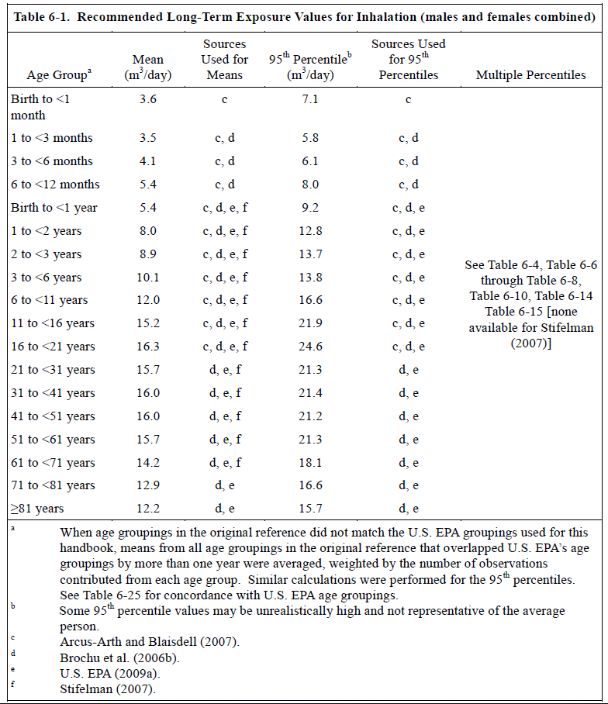
 | https://www.epa.gov/expobox/exposure-factors-handbook-chapter-6

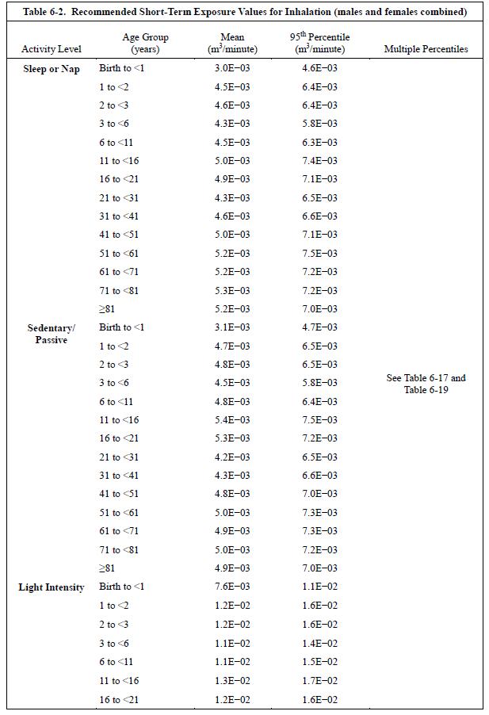
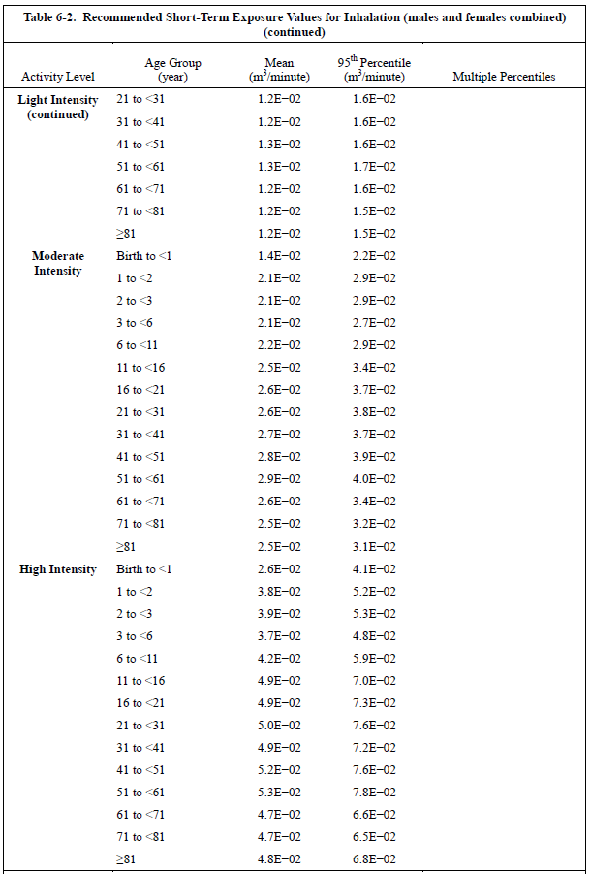

 | Relative Quanta Breathing Rate
 | Calculated according to Peng et al. (2021) for the estimation of infection risk parameters
 | Basic breathing rate (susceptibles) |  | 0.288 | m3 / h | For a sedentary person in the 41-<51 age group.

Mask efficiencies in reducing virus emission (as they come out the nose and mouth of an infected person)
 | Note that mask fit may be as important as the type of mask, see this video: https://twitter.com/jljcolorado/status/1280935408398766080
 | 50% | Default value for the general population, with a variety of types of masks (cloth, surgical) and also variation on how well they are worn
 |  | Reference: Davies et al. (2013) |  | https://pubmed.ncbi.nlm.nih.gov/24229526/
 |  | This number can vary widely from about 10% to about 80%, depending on the quality of masks and how they are worn.
 | 90% | For N95 masks (KN95, FF2). If well fitted and worn their efficiency for the large particles that most likely contain the viruses is 99% or more. However we use a lower value for their use in the community in the real world, since most people are not fitted, and they are not worn perfectly and can have leaks. 90% may even be optimistic in that situation.
 | 0% | For N95 masks that have an exhalation valve. Most of the air is exhausted through the valve, and there is little filtering
 |  | See for example this article for a picture of that type of mask: https://www.healthline.com/health-news/certain-type-n95-mask-harm-covid19-spread
 |  | Such masks are good for occupational exposure, if a worker is sanding, drilling etc. But they don't protect against exhaled particles.
 | 65% | For surgical masks, from Milton et al. (2013) |  |  | https://journals.plos.org/plospathogens/article?id=10.1371/journal.ppat.1003205
 |  | This is probably too high for the general population, which won't wear surgical masks as well as in a research study. We suggest using 50%
 | 23% | For face shields worn without a mask. This is a guess, since the one study available is for inhalation, not for emission. But it makes sense that efficiency would be low, due to limited inertia of exhaled particles under normal breathing or talking. From https://www.ncbi.nlm.nih.gov/pmc/articles/PMC4734356/ https://www.youtube.com/watch?v=eGONzm3vduI

Mask efficiencies in reducing virus inhalation by a susceptible person (for virus already in aerosol particles floating in the air)
 | The physical flows during exhalation and inhalation are different, and affect aerosol particles differently. Therefore the efficiencies are typically different
 | 30% | Davies et al. (2013; https://pubmed.ncbi.nlm.nih.gov/24229526/) reported a filtration efficiency of 50% for homemade cloth masks that people put on themselves. After discussion w/ Linsey Marr, we "discounted" this to be conservative, given imperfect wearing and fit in the community. We think 30-50% is a reasonable number. The higher value for situations with more conscientious people who pay more attention to keeping the mask well fit at all times.
 | 90% | For N95 masks (KN95, FF2). If well fitted and worn their efficiency for the large particles that most likely contain the viruses is 99% or more. However we use a lower value for their use in the community in the real world, since most people are not fitted, and they are not worn perfectly and can have leaks. 90% may even be optimistic in that situation.
 | 23% | For face shields worn without a mask, from https://www.ncbi.nlm.nih.gov/pmc/articles/PMC4734356/ https://www.youtube.com/watch?v=eGONzm3vduI Also note misconception that "face shields protect from falling aerosols". Aerosols actually RISE around the human body, driven by personal thermal plume. See https://doi.org/10.1016/j.buildenv.2015.04.010

Building ventilation rates
 | This refers only to replacement of indoor air with outdoor air. Recirculation of air with filtering is under "additional control measures"
 | Note that e.g. a ventilation rate of 1 h-1 does not mean that 100% of the air is replaced in 1 h. That's the "plug flow" assumption, the air inside is displaced by the new air. But due to mixing it doesn't work that way. A better approximation is that the fraction of the intial air that remains in the space vs time is exp (-ACH * time) * 100%. So after 1 h, what remains is exp(-1 * 1) =* 100% = 36%, after 2 h, what remains is exp(-1 * 2) = 14% and so on.
 | An MIT calculator for natural ventilation (through cracks, windows etc.) can be downloaded here: http://coolvent.mit.edu/
 | This can be measured approximately for a given space with a fast (few minutes response) CO2 meter such as this one
 |  | See this post which explains how to do it with some graphs: https://medium.com/@jjose_19945/how-to-quantify-the-ventilation-rate-of-an-indoor-space-using-a-cheap-co2-monitor-4d8b6d4dab44?source=friends_link&sk=6cda52f5682a4a450a10691f07d1ad2c
 |  | How: go into the space, be there breathing for a while (more people would help). Then leave quickly. Look at the data later, and look at the point at which the CO2 - 400 ppm was 63% of the peak. That is the time constant, and the ventilation rate is 1 divided by that. See calculator below.
ventilation | 4 |  | CO2 at peak | 1495 | ppm (for your particular measurement)
time | 0.16 |  | CO2 outdoors | 415 | ppm (global atmospheric background, don't change unless you know what you are doing)
backCO2 | 415 |  | Excess CO2 | 1080 | ppm
actualCO2 | 800 |  | CO2 at 63% decay | 812 | ppm (you need to estimate how long it took from the peak till it reached this level)
newCO2 | 203.01 |  | Time of 63% val | 0.85 | h
 | -596.99 |  | Ventilation rate | 1.18 | h-1 (this is the result that you have to enter in the Master spreadsheet for ventilation rate
 | Literature values for several situations in h-1 (= ACH, air-changes-per-hour)
 | 0.5-1.5 | Houses | Typical values with the windows closed. Depends on how airtight the construction is. Older buildings tend to have higher values
 | 2020-03-15 | Windows open | Estimate for open windows. Value varies a lot depending on outdoor wind speed and geometry.
 | 0.1-8 | Primary school | https://www.sciencedirect.com/science/article/abs/pii/S1352231007008758
 | 2.5 | Univ classroom | https://link.springer.com/article/10.1007/s00420-008-0301-9
 | 0.4-5 | Univ classroom | https://onlinelibrary.wiley.com/doi/full/10.1111/ina.12111
 | 2020-05-06 | Univ classroom | https://onlinelibrary.wiley.com/doi/full/10.1111/j.1600-0668.2012.00769.x
 | 2020-02-11 | Univ classroom | https://onlinelibrary.wiley.com/doi/full/10.1111/ina.12272
 | Varies | ASHRAE 62 | https://www.ashrae.org/technical-resources/bookstore/standards-62-1-62-2
 |  |  | This is for commercial buildings. Per Prof. Shelly Miller: "If it was commissioned and maintained properly then this is probably a
 |  |  | reasonable first estimate (if you can't measure or get hard data from facilities folks) (Link)
 |  |  | Table from ASHRAE Std 62.1, 2013 version (I don't have the most recent version, and it cost $125 to purchase. I have asked an ASHRAE contact whether they could provide the more updated version). The design airflow is the sum of the people (max capacity) and the area terms. Applies to USA
 |  |  | The standards from the table below will have been applied in the US for buildings built recently. Older buildings will have followed older standards. Old standards can also be obtained from the same ASHRAE page. E.g. for a building built in the US in 2005, look up the standard that was valid in 2005. Note that researchers do say that ventilation systems in old buildings are not always performing at the level they were designed to, due to a variety of maintenance problems.
 |  |  | To use in the other sheets, use the calculation below (example of daycare):
 |  |  | Rp | 5 | L/s/person | From standard
 |  |  | Ra | 0.9 | L/s/m2 | From standard
 |  |  | Occupant density | 25 | per / 100 m2 | From standard
 |  |  | Surface area | 100 | m2 | For a specific location
 |  |  | Height of room | 3 | m | For a specific location
 |  |  | Volume of room | 300 | m3 | Product of two above, for a specific location
 |  |  | N occupants | 25 | people | Calculated according to standard, per values above
 |  |  | Vent Rate | 215 | L/s | Calculated according to standard, per values above
 |  |  | Vent. in h-1 | 2.58 | h-1 | This is the parameter you need to enter in the other sheets for vent. rate

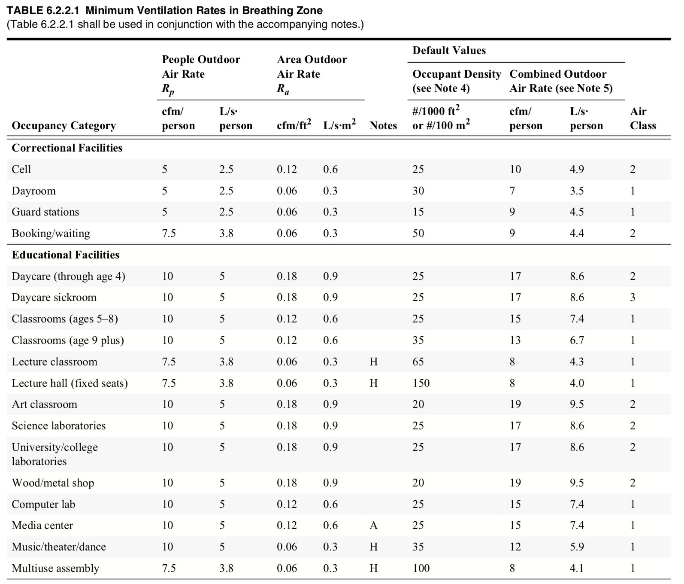

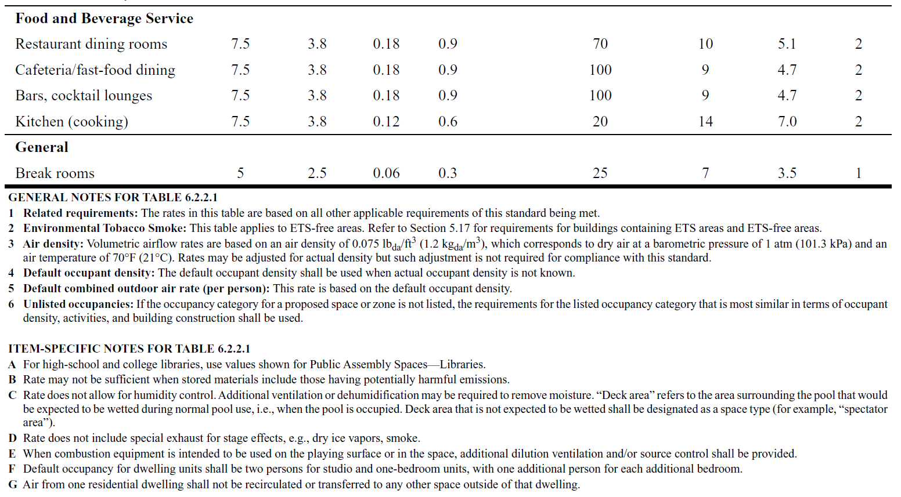

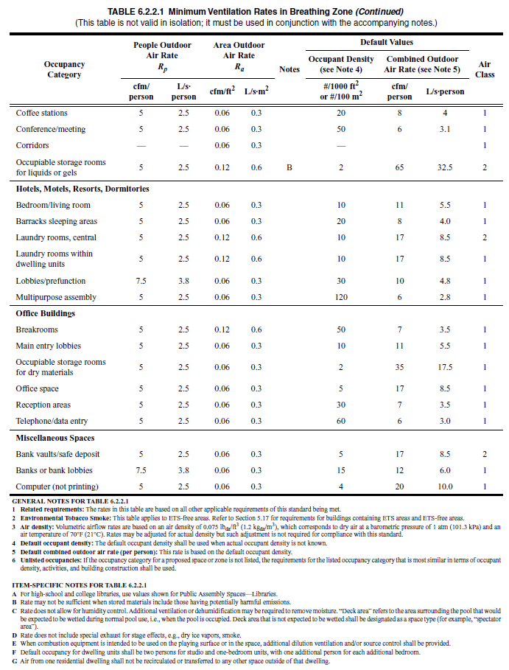
 |  | Below are the additional tables from the standard, for other situations - enlarge the images to look for your situation of interest
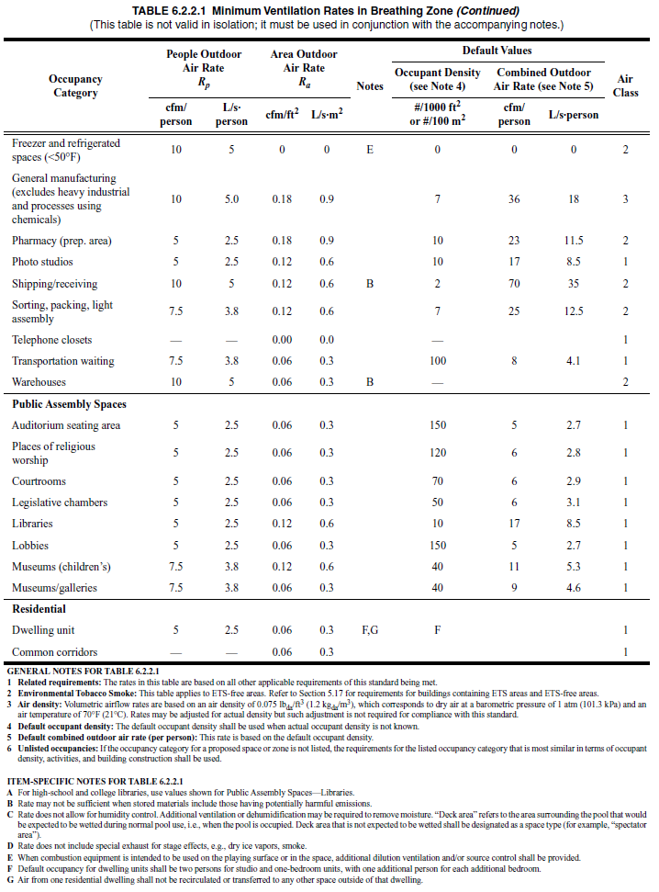
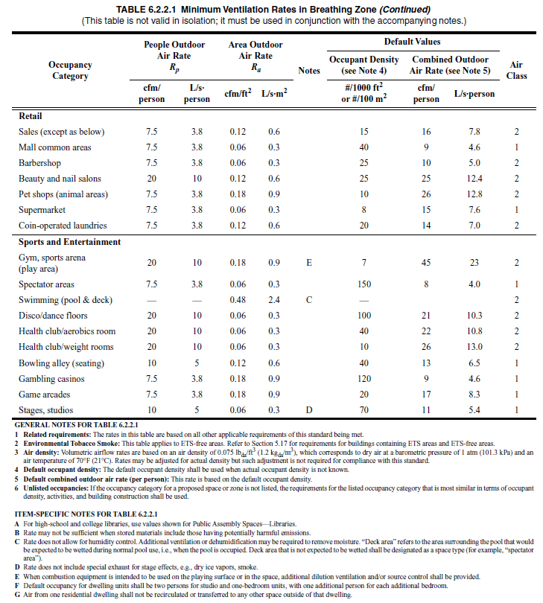

 |  | Standards for other regions should be roughly similar, but follow guidelines from other associations or national governments.

Decay rate of the virus infectivity in aerosols (indoors and outdoors)
 | There are several studies for this parameter that don't quite agree. I am consulting with the authors about what they recommend we use as a default
 | Literature values in h-1
 | 0.63 | https://www.nejm.org/doi/full/10.1056/nejmc2004973
 | ~0 | https://www.medrxiv.org/content/10.1101/2020.04.13.20063784v1 (lower confidence in this result due to lack of replicates)
 | 0.2 - 1 | https://www.tandfonline.com/doi/full/10.1080/22221751.2020.1777906
 | 0.48 | https://academic.oup.com/jid/advance-article/doi/10.1093/infdis/jiaa334/5856149
 |  |  | Online estimator based on above (includes UV = 0, which is what should be used in most indoor spaces)
 |  |  | The equation in the estimator is also implemented below. Enter your RH, T, UV index (0 indoors) to get decay estimate
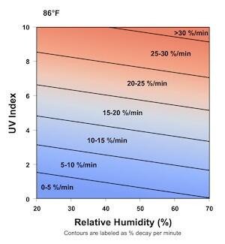
 |  |  | Graciously provided by Dr. Paul Dabisch, Dept. of Homeland Security, USA
 |  |  | T (C) = | 20 | This is the input
 |  |  | T (F) = | 68 | For display only
 |  |  | RH (%) | 40 | (20 to 70, in % units)
 |  |  | UV index | 0 | 0 (indoors) to 10 (full sun noon)

 |  |  | Virus decay | 0.710 | h-1
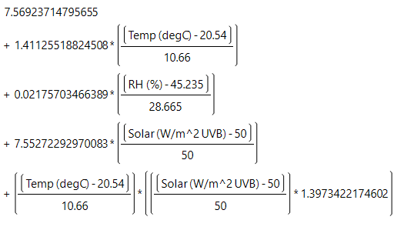

Deposition of virus-containing aerosol to surfaces
 | An important uncertainty is the size range of the infective particles. Here we assume 1-5 um, based on our read of the literature
 | Literature values in h-1
 | 0.2-2 | https://www.sciencedirect.com/science/article/abs/pii/S1352231002001577 |  |  |  |  | (depends on air speed, particle size range)
 | 0.24 | https://www.sciencedirect.com/science/article/abs/pii/S1296207418305922?via%3Dihub |  |  |  |  | (as interpreted in Buonnano et al. 2020a)

Virus removal rate of other control measures
 | For a portable HEPA filter unit, use this calculation (metric units):
 |  | HEPA flow rate | 440 | m3 h-1
 |  | Room size | 150 | m3
 |  | Removal rate | 2.9 | h-1 | Enter this value in cell for additional control measures
 | HEPA filter calculation (US units):
 |  | HEPA flow rate | 260 | cfm (cubic feet per minute)
 |  | Room size | 5200 | ft3
 |  | Removal rate | 3.0 | h-1 | Enter this value in cell for additional control measures
 | A more elaborate calculator for HEPA filters can be found here: https://tinyurl.com/portableaircleanertool

 | For recirculated air, either with or w/o filter, w or w/o germicidal UV or other measures
 |  | For air that is recirculated through an HVAC system, there are also particle losses. We know since virus RNA has been found in the surfaces of HVAC system, and also from basic aerosol dynamics and losses in tubing. This will happen even if there is no filtration, and will be enhanced by length of ducting and bends. If there are filters in the HVAC system, that will increase the removal. See the calculator below (HT Jim Bagrowski)
 |  | If you have some other "air cleaner" in the ducts (ionic system etc.), you also need to estimate it in the same way as the previous item, depending on the rate of recirculation, and the efficiency of the system in removing particles.
 |  | Recirculated flow rate = |  | 1000 | m3 / h | Can also enter values in cubic feet per hour, if next row is in cubic feet
 |  | Volume of room = |  | 70 | m3
 |  | Filter efficiency = |  | 20% |  | Enter from table below, I recommend value in 1-3 microns. Example = MERV 8
 |  | Removal in ducts, air handler = |  | 10% |  | Assuming some losses in bends, air handler surfaces etc. Just a guess
 |  | Other removal measures = |  | 0% |  | Germicidal UV (or other systems), from specs or the system
 |  | ACH for additional control meas = |  | 4.2857142857 | h -1 | Enter this value in cell for "Additional control measures"

 |  | - Table of filter efficiency from https://www.nafahq.org/understanding-merv-nafa-users-guide-to-ansi-ashrae-52-2/ We are not sure the particle size that contains more virus, but suspect it is 1-10 um mostly, based on our read of the literature. Therefore using 1-3 um to be conservative. - The curves are useful to understand the size dependence of filtering for different MERV grades in more detail. See this link https://www.nafahq.org/merv-filter-models/ for the details about the curves, and a lot more technical information on filtering.
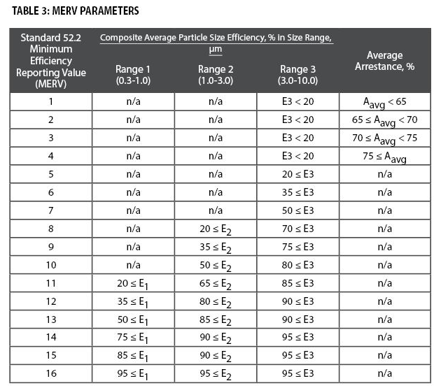
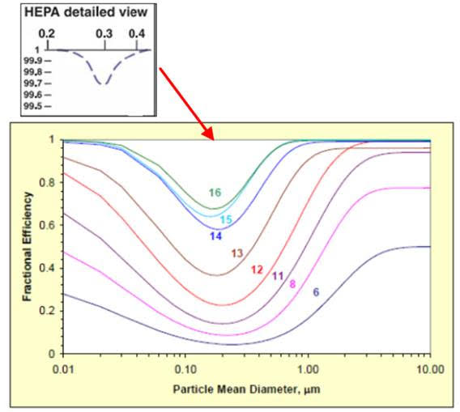

Disease prevalence in your area - Probability of someone being infected in a given region and time period
 | This depends on the state of the pandemic in a given region and time period, as well as the dynamics of the disease and its infectivity in different types of cases, which are not known very precisely
 | For the US, you could use the online tools below to find the current estimated fraction of infectious people in a given county
 |  | https://sites.google.com/compassfortcollins.org/coronavirusrisk/home
 |  | https://www.descarteslabs.com/resources/covid-19-now
 |  | https://covid19risk.biosci.gatech.edu/
 |  | On a simple test for Boulder on 22-Jul, the tools give 0.08%, 0.25%, 0.49% infectious respectively. I have asked for input from epi folks about which may be more accurate, or whether the uncertainty is that large
 | For other countries, this tool has country-level estimates of the current fraction of infected
 |  | https://covid19-projections.com/
 |  | For the UK, you can get estimates from here: https://covid.joinzoe.com/data
 | This parameter is not easy to quantify accurately, but one can hope to get the order-of-magnitude right from the disease prevalence data and/or the epidemiological models. People are thought to be contagious mostly the week around the onset of symptoms, so that has to be taken into account in the estimates. Also there is a fraction of undetected contagious cases (asymptomatic / presymptomatic), which will increase transmission. Plus one would hope that a major fraction of the cases that are in quarantine or a hospital and not transmitting the disease much. The uncertainty on the fraction of contagious individuals in the community is one more reason why the absolute risk values will be uncertain, but the relative risks will still be robust.
 | A range of values is estimated below to provide some bounds. An in-between value of 0.3% is used as default, as the approx. geometric mean of the results below
 |  | One estimate for New York City (NYC) at the height for their large outbreak in March-May 2020
 |  |  | Fraction of of the population that got infected over a period of 2 months |  |  |  | 20%
 |  |  | Duration of infective period |  |  |  | 7 | days
 |  |  | Fraction of population infective at a given time: |  |  |  | 2.3%
 |  | Another estimate for Boulder, CO in early June 2020 (low prevalence):
 |  |  | New cases per day per 100,000 people (from NYT database) |  |  |  | 1.8
 |  |  | Fraction of asymptomatic or unreported cases |  |  |  | 50%
 |  |  | Duration of infective period |  |  |  | 7 | days
 |  |  | Fraction of population infective at a given time: |  |  |  | 0.03%

Fraction of inmune people
Inmunity can be acquired due to vaccination or due to the disease
Through vaccination
 | The fraction of vaccinated people can be obtained from web sources such as the New York Time vaccination tracker
 | To be more precise, if a vaccine is e.g. 90% effective, the number of inmune people is the product of the number of vaccinated people and the vaccine efficacy. E.g. if 10 people present are vaccinated, and the vaccine is 905 effective, then 10 * 90% = 9, and you would use 9 vaccinated people to calculate the number of inmune people present.
 | It can get a little trickier, e.g. if you want to account for the efficacy in preventing mild disease vs serious disease etc. This is easiest to do by running the estimator several times, one for each case of interest.
Through the disease
 | As the disease progresses, the fraction of the population that has had the disease and has some immunity is not negligible, and may be higher than 20% in some areas. This reduces the number of people who could possibly get infected.
 | It can be estimated from studies such as this one: https://jamanetwork.com/journals/jamainternalmedicine/fullarticle/2768834
 | You can estimate this number for US States and many countries using the total number of people ever infected at: https://covid19-projections.com/
Variants of concern complicate this estimation, since some of them appear to reduce the efficacy of the vaccines, and/or can lead to reinfection of previously-infected people
 | As of May 2021 the details are not clear and appear complex. If this is important for your application, we suggest consulting the literature for the latest updates

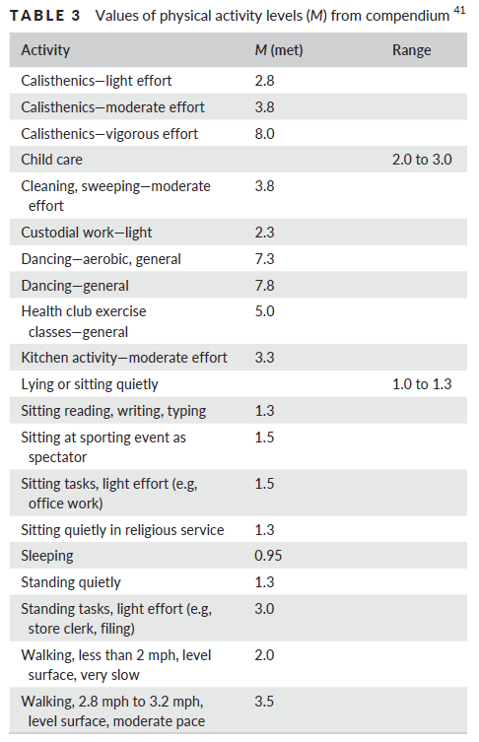
CO2 Emission Rates
See FAQs for the usefulness and limitations of this method
The method and tables are from Persily and de Jonge (2017)
 | First determine the metabolic rate (met) for the activity of interest from Table 3
 | Then, determine the CO2 generation rate based on the age, gender, and metabolic rate
 | If met > 4 on table 3, you can use the highest value (for met = 4) in Table 4, or one could use the equations in the paper. For A Persily (pers comm): "when you get above 4, people usually can’t sustain such activity levels for very long, except maybe real athletes, and how their body responds depends a lot on physical conditioning, etc. One can still use equations 9 and 11 in Persily and de Jonge (2017), at high values but the uncertainties are likely to be higher for the reasons I just tried to explain"
 | Then enter the value you determine on the spreadsheet for calculation
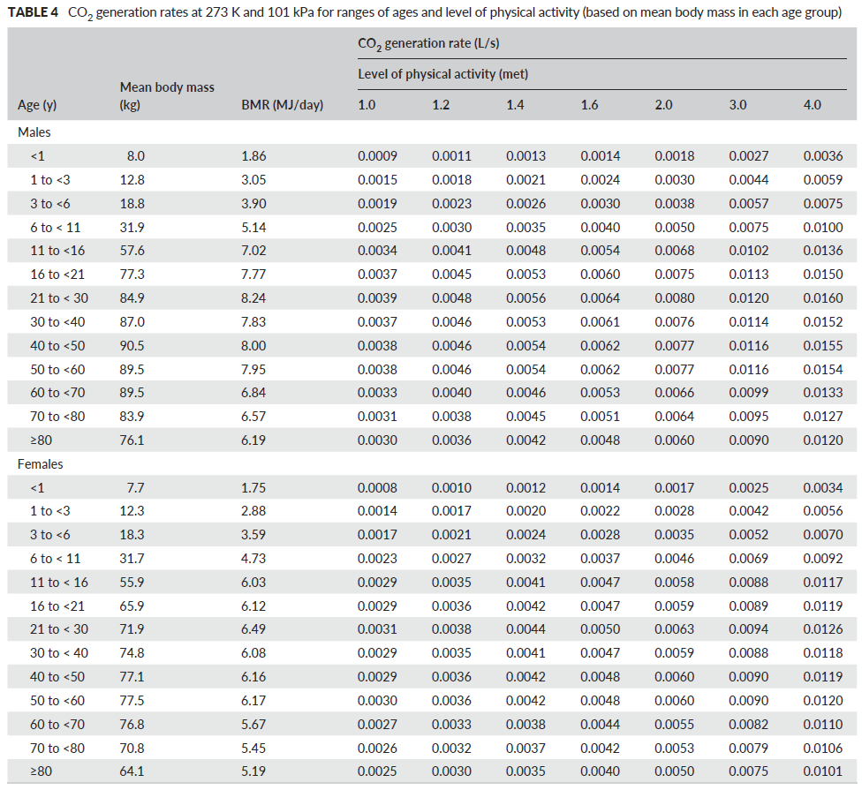

Version log
1.0 | 15-Jun-2020 | Started development of the estimator, adapting previous work
2.0 | 23-Jun-2020 | Made public through Twitter
2.1-2.4 | 23-Jun-2020 | Made various clarifications and references to the text
2.5 | 23-Jun-2020 | Some more clarifications, fixed some issues with text, added outdoors and demonstration cases
2.6 and later | 24-27 June | Some clarifications to the text, added FAQs sheet and more detail on the input parameters
2.7.0 and later | 28-29 June | Fixed mistake in description of Campus / B11 and / B12. Added and reorganized FAQs. Added ASHRAE Standards calculator
2.7.7 and later | 30-Jun-20 | Fixed error in Outdoors and Demonstration tabs (in conversion to m/s). New results are even lower for transmission outdoors
 |  | Colored duration of event as an input, was white in several of the sheets. Clarified some of the labels. Added several FAQs and explanations.
2.7.9 and later | 1-Jul-20 | Text clarifications, added FAQs
2.8.0 and later | 2-3 July | Added efficiency for face shields, added FAQs
2.9.0 and later | 4-Jul-20 | Updated calculation of students in "Classroom" sheet, so that it can be calculated from the surface area per student. Updated FAQs
3.0.0 and later | 6-Jul & later | Added calculator for portable HEPA filters in Readme sheet. Updated several FAQs
 |  | Clarified that the number of instructors = 1 in the classroom is an assumption and is not an input.
 |  | Minor adjustments to outdoors case to match Skagit choir event, except outdoors instead of indoors (There were some small differences)
 |  | Changed units of occupant density to people per 100 m2 to match the standard, as people / m2 was causing confusion
3.0.9 and later | 14-Jul-20 | Fixed bug in classroom sheet, instructor was using student breathing rate instead of instructor (not a big change in results)
 |  | Added link to Shelly Miller's report on air cleaners and table of rec. cleaners in the US (FAQs)
3.1.0 | 16-Jul & later | Added conditional vs absolute probability to Choir case
 |  | Updated multiple FAQs
 |  | Tried implementing DHS virus decay rate on readme page. However results don't agree with online tool yet, checking w/ authors
3.2.0 | 20-Jul-20 | Released beta sheet with new format, for testing and comments
 |  | Added some steps towards the CO2 estimation
3.2.6 & later | 21-Jul-20 | Completed CO2 estimation, fixed multiple bugs in beta sheet (thanks to Prasad Kasibhatla for his eagle eyes!)
 |  | Finished calculator of Dabish DHS virus decay rates (consulting with him and other experts about what is best to use for that rate)
 |  | Updated breathing rates with EPA report, clearly higher quality than what I was using before (thanks to Susan Masten)
 |  | Added direct links for Copy to G Drive & download to Excel, since File doesn't work at > 100 users (thx Joe Bruce for pointing out this was possible)
 |  | Fixed error in Campus sheet, N students in classroom was missing from calc of student cases (thanks to Prasad Kasibhatla)
 |  | Clarified on each sheet which results are conditional vs. absolute, which seemed to be the most confusing feature
 |  | Replaced "airborne" with "aerosol" everywhere to avoid confusion
 |  | Updated multiple FAQs and readme descriptions
3.3.0 & later | 22-Jul & later | Added the fraction of inmune people to the Master sheet
 |  | Updated class sheet using new master sheet
 |  | Removed breathing rate of index case since it does not enter the calculations
 |  | Updated Subway sheet to new master sheet
3.3.8 & later | 24-July & later | Added calculator for other removal measures (HT Jim Bragowski)
 |  | Added calculator to estimate ventilation rate from decay of CO2 after leaving location
 |  | Añadido enlace a charla grabada en espanol / castellano, describiendo la herramienta, y demostrando cómo usarla
 |  | Spelled checked whole document (HT Gary Chaulklin)
 |  | Updated breathing rate for Class from sedentary to avg of sedentary and light activity for 16-21 yr old (Adapt as needed for your case)
 |  | Highlighted that ventilation in L/s/person is what really matters for disease transmission
 |  | Updated references for typical mask inhalation efficiency in the community (HT Linsey Marr)
 |  | Updated calculation of ventilation in L/s/per to use total ppl present (as using susceptible + infected, no longer accurate if immune ppl present)
 |  | Moved location of L/s/per and density of people to make those intermediate outputs clearer
3.4.0 & later | 31-Jul & later | Updated FAQs
 |  | Added stadium sheet based on a case study
 |  | Added supermarket case
 |  | Added additional tables from 2013 ASHRAE standard (sorry, I hadn't realized there were more pages when I first added this info)
 | 3-Aug & later | Updated absolute probability from (1-exp(-B67*B89/B38)) to 1 - (1 - B70*B57)^B40. Only matters for high probs (HT Prasad Kasibhatla)
3.4.8 | 6-Aug & later | Added ratio of infection probability to excess CO2 breathed, to better quantify risk of inhaled CO2 under different situations
 |  | Added ppm CO2 levels for certain levels of risk for conditional and absolute cases
 |  | Found better way to keep tables in FAQ in places, they kept jumping up every few days somehow
 |  | Added more info to FAQ and Readme pages
 |  | Fixed typo on background CO2 in readme, should be 415 pm not 550 ppm
 |  | Labeled all sheets on the old format as "_Old" on their tab names. I intend to transfer those to the new format as soon as I can, hopefully the coming weekend. The new format is much clearer, in particular the difference between conditional and absolute probabilities is very confusing to a lot of people, so it helps to have them shown separately.
3.4.14 |  | Updated "for any one person" --> "for a given person" on the results label, as the former was being confused with being for all persons present
3.4.17 | 5-Sep-20 | Fixed error in calculator of fraction of infective population (Readme/row 398 at present, was dividing by asympt/unreported fraction, need to divide by 1-that
3.4.18 | 29-Sep-20 | Added feedback form
3.4.19 | 27-Oct-20 | Updating of references
3.4.20 | 28-Nov-20 | Clarification of Readme page
3.4.21 | 29-Dec-20 | Fixing typo on several of the case sheets
3.4.22 | 1-Feb-21 | Updated Miller reference
3.4.23 | 26-Mar-21 | Added Dr. Zhe Peng as co-developer
3.4.24 | 26-Mar-21 | Fixed typo on cell B88 in Subway, Superm., and Stadium sheets (RH was being used erroneously instead of background CO2 level). HT Bill Mason
3.5.1 | 23-Apr-21 | Added location and explanation for risk parameters from Peng et al. (2021) preprint. Parameter calculation to be added soon
3.5.2 | 28-Apr-21 | Implemented calculation of risks parameters on Master-Choir sheet. Added calculation of the risk table
3.5.3 | 3-May-21 | Clarified that vaccinated people are added to inmune in spreadsheets and readme
 |  | Added increased quanta emission due to variants to all 5 latest format sheets, and explanation & link to Readme sheet
 |  | Added relative breathing rate, relative quanta, and risk parameters to all 5 latest format sheets
3.5.5 | 4-May-21 | Added two new versions to the "Risk Table"
 |  | Explained in readme how to account for the effectiveness of the vaccine

Planned Improvements at time allows
During March-April 2021
 | Add risk parameters and updated BMJ table with the risk parameters

Other possible improvements
 | Add a time-dependent solution for one case, with a graph
 | Explain quanta in this tool vs MonteCarlo tools
 | Add an initial condition of quanta, to reflect a previous run with a previous use of the space (that just decays exponentially)
 | Add drop down menus for quanta, breathing rates to master sheet
 | Adapting all the current cases into the updated general master sheet
 | Adding an estimate of the close contact situation
 | Adding the Guangzhou restaurant super-spreading event as an example
 | Adding a hospital situation (need to ask people who work at hospitals for details)

FAQs
Frequently Asked Questions (FAQs) about Estimator of COVID-19 Aerosol Transmission

FAQs about the estimator: big picture

Is there some general explanation of your tool for a general audience?
 | Yes, see this CIRES Press Release: https://cires.colorado.edu/news/covid-19-airborne-transmission-tool-available
 | National Geographic has created a simplified version of this tool, which is easier to use to compare different cases: https://www.nationalgeographic.com/science/2020/08/how-to-measure-risk-airborne-coronavirus-your-office-classroom-bus-ride-cvd/
 | Also this presentation: https://twitter.com/jljcolorado/status/1283868965849059328
 | Robin Lloyd has published a short summary in Scientific American: https://www.scientificamerican.com/article/coronavirus-news-roundup-for-june-20-june-26/
 | It has been covered in other news articles, too many to keep track of them here

Are there examples where you or others have applied the estimator to investigate some cases in more detail?
 | There has been limited time to document cases. I list below some useful cases that people have reported using the tool. If you run the tool for a given case, do share your results in some form, e.g. blog post, Twitter, or just a Google Doc that's publicly viewable, and send me the link for posting here.
 | This blog post from Prof. Andrew Maynard applies the model to a one semester course at his University and explores the trends in the results
 | Ryan Davis (a PhD graduate of our program at CU-Boulder) summarized his results for college classroom situations in Twitter

How can I let other people know about the estimator?
 | You can send them the link to this online document: https://tinyurl.com/covid-estimator
 | Some people have trouble with the tinyurl links, in that case you can share the direct (if more cumbersome) link: https://docs.google.com/spreadsheets/d/16K1OQkLD4BjgBdO8ePj6ytf-RpPMlJ6aXFg3PrIQBbQ/edit#gid=519189277
 | If more than 100 people are trying to view the document, Google sends extra people automatically to the View-only version, which does not allow use of the File menu. In that case the links on the green area on the top right of the Readme page allow making a copy into Google Drive, or downloading into Excel
 | If you use Twitter, you can also re-tweet the original release Tweet: https://twitter.com/jljcolorado/status/1275466006312304640

I get some Excel errors when I open the spreadsheet, do these matter?
 | The downloaded spreadsheet can give some nominal errors when opening in Excel, but if you say "yes" it seems to run fine, so we don't think those affect anything. Nobody has told me that it doesn't work for them, once they download.
 | I don't know how to change that, since it is a native GSheet and Google is converting it into Excel. Sorry for the confusion this may cause. (If any of you knows how to fix this detail, let me know)

¿Puede traducir esta herramienta al castellano / español? (Can you translate this tool into Spanish?)
 | En principio podría porque soy de Zaragoza (España), aunque llevo 27 años en Estados Unidos. Pero también lo pueden hacer los usuarios poniendo el texto en el traductor de Google. De momento estamos cambiando cosas varias veces al dia, añadiendo explicaciones, corrigiendo algún error, añadiendo nuevos aspectos del cálculo, añadiendo casos etc. Así que recomendamos siempre bajar la ultima version antes de empezar a usar la herramienta. Y mantener dos versiones me llevaria mas tiempo de el que tengo ahora. Si las cosas se calman y la herramienta no esta cambiando (y todavía es útil), entonces haria el esfuerzo.

How do I cite this estimator?
 | Something like "J.L. Jimenez and Z. Peng, COVID-19 Aerosol Transmission Estimator, https://tinyurl.com/covid-estimator, accessed 1-Jul-2020" for scientific documents, or just the link for online documents should be sufficient. I do intend to keep the document online indefinitely. For scientific documents you should also cite the papers in which it is based (Miller et al., Buonnano et al. 1 & 2, Riley et al.)

I would like to use this estimator, but this is very difficult to understand. What can I do?
 | The experience so far from the feedback we are getting is that scientists (or people with quantitative backgrounds in other professions) are able to quickly understand the estimator and put it to use, sometimes asking us a question or two. People without a science or quantitative background have more trouble. I can't support users with limited background individually, unfortunately. If you are in the latter situation, I would reach out to someone you know who may be more familiar with science, physics, math, computer programming etc. and see if they can help.

FAQs about the estimator: parameters and model formulation

What is the structure of the model?
 | It is a box model to track a pollutant (in this case the virus) in an indoor space, see for example Chapter 3 of Daniel Jacob's book http://acmg.seas.harvard.edu/people/faculty/djj/book/bookchap3.html#pgfId=112721, plus the Wells-Riley model of infection https://academic.oup.com/aje/article-abstract/107/5/421/58522

I don't use feet or square feet, can I just work on metric units?
 | Yes, the sheets take the dimensions in feet, but they immediately convert them to meters, and use the meters in all subsequent calculations. So you can type your values in m or m2 directly into those cells (and ignore the ones in feet), and the spreadsheet will work the same.
 | One exception is the surface area per student in the "Classroom" sheet. You will need to update that calculation to work with students / m2

How do I model a situation in which only some people are wearing masks?
 | You can run two cases, one with masks and one without, and that will bound the probability of infection.
 | To get the average effect, you can multiply the mask efficiency by the fraction of the people wearing masks, for both emission and inhalation. So for example if 50% of the people are wearing surgical / clothy masks, you would enter 25% (0.5 * 50%) for emission efficiency, and 15% (0.5 * 30%) for inhalation efficiency
 | To estimate a specific case (e.g. infected person not wearing a mask, susceptible person is wearing a mask), just adjust the efficiencies of emission and inhalation accordingly in the sheet.

If I use the classroom-campus sheets, and I double the class duration and half the number of classes, the number of cases increases. Is this a bug?
 | If you shorten the semester to 6.5 weeks, double number of class periods, to get the same h/ semester for student and instructor, the number of cases stays the same
 | If you double the class period to 100 min, but reduce the number of class periods (for students) from 2 to 1 in the default case, the number of cases increases from 593 to 704 student cases. This is slightly non-linear because the longer class period allows more accumulation of infectious quanta in the room, so the second 50 min. have a higher probability of infection than the first 50 min.

How good is the assumption that the air is well mixed within the room?
 | How good this assumption is depends on the specific situation. If a 6ft / 2 m distance is kept, it should apply approximately in many situations. And on average, inhomogeneities will partially cancel out. For example, assume an extreme example of a room where 1/2 of the volume has 0 quanta / m3 and the other 1/2 has twice the average quanta concentration. As long as the number of inhaled quanta is low (< 0.3 or so), the infection risk is linear with the quanta (1- exp(-qi) ~ qi, per https://en.wikipedia.org/wiki/Taylor_series#Exponential_function), and the average number of infections will be the same as it would be in a well-mixed room. At higher concentrations the well-mixed situation is riskier, due to the saturation of the infection probability due to the exponential function.

What is a quanta?
 | A quanta is defined as an infectious dose of the aerosol pathogen, whose inhalation leads to infection. Quanta are discrete and present at very low concentration. For example a given room may have 3 quanta (analogous to pathogen-loader aerosol particle(s)) floating in it, and a susceptible person may or may not be "lucky" enough to inhale at least one of the quanta, given a certain breathing time in the room. The exponential form of the probability equation reflects the probability of a susceptible person in the room inhaling at least one quanta, based on a Poisson statistical distribution of the number of discrete quanta inhaled by a susceptible person present in the space, given a certain aerosol quanta concentration in the room and an inhalation time. As a result, if the average inhaled amount is one quanta, then 63% of the susceptibles will be infected. It is part of the Wells-Riley model of aerosol infection, see https://academic.oup.com/aje/article-abstract/107/5/421/58522
 | Quanta are specific for each disease. They lump together in an empirical parameter the rate of emission of viruses as part of respiratory particles in exhaled breath, the infectivity of the viruses upon emission, the particle size distribution of the emissions, the deposition efficiency and deposition location in the respiratory track of the susceptible person of those particles, and the probability that deposition leads to infection. Trying to model each of those parameters explicitly is daunting. As each parameter by itself is quite uncertain, especially for a new disease like COVID-19, the resulting uncertainty of the fully detailed model would be enormous. We can instead use the concept of quanta, and calibrate the emission rate to known outbreaks of the disease. In this way we can do realistic modeling (as in this tool) even with incomplete information about all those factors.

What quanta should I use for singing or shouting?
 | We believe the value of 970 q h-1 is realistic for the Skagit Choir case. It does seem that this was probably a "super-emitter" case, i.e. a person who was emitting an unusually high amount of virus. It is suspected that such "super-emitters" may be partially responsible for super-spreading events (see https://www.sciencemag.org/news/2020/05/why-do-some-covid-19-patients-infect-many-others-whereas-most-don-t-spread-virus-all), in addition to environmental conditions that help the virus transmit at the room-level. Values for loudly speaking / singing recommended by Buonnano range 60-400 q h-1 depending on the level of activity of the person (see "Readme" sheet). So it depends what you are trying to simulate. If you want to see the probability for a worst-case scenario, then use 970 q h-1. For a more typical case, we would recommend 150 q h-1. In any case it is the RELATIVE risk when you change something (ventilation, masking...) that is most meaningful, and that will be much more similar for the two emission rates.

What about resuspension of virus-laden particles that have settled on the floor?
 | This is a concern. I.e. large drops or aerosol particles settle to the floor (this is accounted for in the estimator for the aerosols). The people walking in the room, or while vacuum cleaning, put some of those particles back into the air. Ideally we would add that to the model, but it is quite uncertain and complex to do so. (If you have ideas about how to implement a quick estimate, let me know)

The air within a room is not always well mixed. Doesn't that lead to over- or under-estimating infection risk?
 | One limitation, really of the box model of mixing and dilution (not of the Wells-Riley infection model) is that the air is assumed to be well mixed in the space. On average, this effect will cancel out: e.g. (to make a simple extreme example) if in a room 1/2 of the air contains all the virus, due to poor mixing, and the other 1/2 contains no virus. Then the people on the first half will have twice the chance of infection, while the people on the other half will have zero chance of infection. So that the average probability of infection will be the same. This holds at low quanta concentrations, relevant for most situations, because the infection model is linear to a very good approximation there.
 | At very high concentrations, then the model is non-linear and such an average will underestimate the risk (but given all the uncertainties in the model, this is a small problem).
 | If you have enough information for a specific situation, you can model one room as several sub-rooms in the estimator. Just one copy of the master sheet per sub-room, each with its particular parameters, and then add the results for the whole room. This will be quite complex in most situations, and in particular airflow patterns in rooms are extremely dependent on the specific room, ventilation pattern, location of occupants etc. but experts and researchers might derive useful information this way.

The estimator only considers one space, but what if a person moves through a building, spending time in multiple spaces?
 | Run the estimator for each space, sum the quanta inhaled, and then apply the Wells-Riley infection probability equation (1-exp(-total quanta inhaled))

Are there limitations to the Wells-Riley model formulation?
 | The W-R model can no doubt be made more sophisticated with attention from the scientific community. A possible example is listed below.
 | High exertion activities (HEA) may lead to more efficient infection. Two effects are already accounted for in the model: (a) HEA lead to more respiratory particle exhalation by the infective (which translate to higher quanta emission rates), and (b) also to more virus inhalation by the susceptible due to a higher breathing rate (both effects are already in the model). But a possible third effect is not captured by the model: (c) that the virus in the air is more infective under certain high flow breathing situations. HEA lead to increased breathing velocity and depth of inhalation. Velocity would affect the natural filtration via nose hairs or the upper respiratory tract. Depth of inhalation would determine the amount of quanta inhaled into the recesses of the lungs, versus a shallow breath. A final mechanism is that mouth breathing vs nose breathing may have different risk profiles. This could potentially apply to choirs, and also to singing in a karaoke, or aerobic exercise in a gym. (HT Howard Chong)
 | Conversely, the model does not predict how the severity of the infection may vary with the dose. For COVID-19, there is emerging evidence that the severity of the infection is lower at low doses than at high doses, which is a benefit of wearing masks. See this article which summarizes the science as of mid-July 2020: https://www.latimes.com/california/story/2020-07-21/masks-help-avoid-major-illness-coronavirus
 | The W-R model has been used by a small community for years, while the majority of the infectious diseases field mostly ignored aerosol transmission of diseases. With the intense current focus of the scientific community on this topic, it is very likely that multiple improvements and tweaks to the W-R model will be proposed. However, W-R is the best we have now, and it should capture the first-order effects, given all the uncertainties.

Is there a threshold of inhaled quanta below which there is no infection?
 | The Wells-Riley model does not have a threshold in its usual formulation. Simply the probability of infection goes down as the number of quanta inhaled goes down. I am not aware of any evidence of a threshold for COVID-19, so I would not assume that one exists. But if the quanta inhaled is very low, the probability of infection will be very low too.

What happens if the infected person leaves after X min, but the susceptible person stays? Or if a 2nd infected person comes in after Y min?
 | This type of model can easily account for those situations. In this case I am choosing to keep things simple, so that they are more understandable. For those with calculus abilities, just follow the derivation of the solution in Miller et al. and you can use equation 3 in there, and stitch together different periods. You can modify the solution for the case of interest there, and then just modify the formula in the spreadsheet.
 | The tool released by Buonnano et al. does include a slightly more complex scenario, so you could try it with that tool.

Since the parameters are uncertain, shouldn't the inputs and outputs be represented as probability distributions?
 | Yes. In this model I am choosing to keep things simple so that it is easier to understand. But one could implement a MonteCarlo simulation using the probability distributions of the parameters and the model here.
 | The tool released by Buonnano et al. (based on https://doi.org/10.1016/j.envint.2020.106112) is based on a model which includes this methodology. The first version will not include the MonteCarlo option, but a subsequent version may do so. The tool released by Prasad Kasibhatla does allow performing MonteCarlo simulations, see link below.

What level of infection risk is acceptable?
 | First, keep in mind that the uncertainties are high, given that we have limited information about the quanta emissions in particular, and you shouldn't overinterpret the results. If you get 1% for a case, it may really be 0.3% or 4%, but it won't be 0.001% or 100%.
 | Second, which infection risk is tolerable is a question for the people involved, not for me. I.e. we all do activities that involve some risk, and we tolerate it because the risk is low enough compared to the benefit. For example we go places in cars and planes, even though there is a small chance of death or injury by doing those things, because we value the travel more. For example, given the odds of dying in car and airplane travel, we are accepting a risk of 0.00006% and 0.00001% each time we travel respectively (estimated from odds of death from https://www.nsc.org/work-safety/tools-resources/injury-facts/chart, assuming traveling by car 1/2 of the days, by plane 8 times a year, during a 75 yr lifespan). For things like cancer risk, the US EPA uses a chance of 1 in a million (0.0001%) as the limit. Some researchers have suggested that people may be willing tolerate a chance of 1 in 1000 (0.1%) of COVID-19 infection across all their activities (not just one activity which you may simulate with the estimator such as going to class). But you should be the one to determine this for yourself and your situation.

Why haven't you included eye protection?
 | We do know that COVID-19 can be transmitted through the eyes. So if virus-laden aerosol particles land on the eyes, infection can result.
 | For this reason we recommend wearing eye protection, such as glasses, goggles, etc. in indoor or crowded outdoor situations.
 | However, there is no information we know of about the relative importance of transmission through inhalation or through the eyes, so it is not possible to quantitatively include the impact of eye protection. The estimator assumes that the inhalation route is dominant.

Can I use the estimator to model the time series of infections for the students in my class over an academic year?
 | You would need a more complex model than this one. This is for two reasons: (a) this model only accounts for aerosol transmission, but students may transmit the disease (during school time) through the contact or droplet routes as well, e.g. if distancing is not well followed. (b) most importantly, the students are part of a larger society, they may get COVID-19 outside school, e.g. from a sibling that goes to a different school, their parents, their friends when they interact outside of school or at a party, when they travel out of town etc. So one really needs an epidemiological time series model that approximately accounts for all the interactions in society. This aerosol model addresses a smaller piece, and can perhaps be used to fine-tune some of the parameters that go into epidemiological models.

Can I use the estimator to model the transmission of other diseases that have some fraction of aerosol transmission?
 | Yes, the mathematical model is the same. Mainly two parameters change: the quanta emission rate, and the decay rate of the infectious agent. Some quanta emission rates from the literature are below in italics (from https://www.medrxiv.org/content/10.1101/2020.06.15.20132027v2 and references therein). For tuberculosis, the decay rate is ~0. For the other diseases, I would assume the same as for COVID-19 as a first approximation, or search the literature for more accurate rates.
 | Influenza: 15-128 q h-1
 | Measles: 5580 q h-1
 | Tuberculosis: 1.25 - 30,480 q h-1 (Decay rate ~ 0)
 | SARS: 28 q h-1 (The decay rate for SARS is very similar than for COVID-19, see: https://www.nejm.org/doi/full/10.1056/nejmc2004973)
 | In reality, much like the COVID-19 quanta emission rate can be quite variable, the same is the case for other diseases. The table below for tuberculosis summarizes several studies, and illustrates the range of variability. Ref: https://www.ingentaconnect.com/content/iuatld/ijtld/2003/00000007/00000011/art00002

 | An additional detail is that the particle size distribution containing the infective agents may vary between the different diseases, which in turn will affect the deposition rate (per e.g. https://www.sciencedirect.com/science/article/abs/pii/S1352231002001577). The impact of this uncertainty can be evaluated by varying the deposition rate, see Readme Sheet.

FAQs about using CO2 as an indicator of risk
 | This method described in Milton et al. (2003). Since both virus-containing respiratory particles and CO2 are exhaled, high CO2 concentration can be an indicator of potentially high concentration of virus-containing particles. Many researchers have proposed that CO2 sensors be installed with "traffic light" indicators (green / yellow / red) so that occupants can be warned of problems with the ventilation rate, or excessive crowding or duration.
 | The CO2 emission rate is a function of the person's age, gender, and body mass, as well as the level of activity. Find the emission rate relevant to your case in the tables in the Readme page.
 | A tool developed by Dr. Andy Persily of NIST to model CO2 vs. time in indoor spaces can be found here: https://pages.nist.gov/CONTAM-apps/webapps/CO2Tool/#/ It allows comparison with the results of our tool, and exploring the effect of some variables in a graphical way.
 | There are several limitations of this method: (a) the emission of respiratory particles increases mores strongly with talking and singing, while CO2 changes less for those activities (b) masks can filter exhaled respiratory particles but not CO2 (c) the virus loses infectivity while in aerosols, but CO2 is inert and is only lost to ventilation (d) virus-containing particles are deposited to the ground / walls / furniture, and the virus decays in them, while those effect do not happen for CO2 (e) virus-containing particles are only emitted by the infected person, while everyone emits CO2 (f) Cooking or heating with natural gas, propane, wood etc. can emit CO2 which is unrelated to breathing (g) Outdoor CO2 background can decrease due to crop uptake during the growing season in agricultural areas, or increase due to pollution. These changes are generally below +/-50 ppm, and thus are small compared to the range of interest for indoor air quality
 | Some colleagues have recommended to keep indoor CO2 below 600-800 pm to reduce the chance of COVID transmission (per this paper https://onlinelibrary.wiley.com/doi/pdf/10.1111/ina.12639). That sounds like a reasonably low level, although I have not seen a quantitative justification (pls send it my way if you find it). For a more robust result, it is recommended to build a curve of infection risk vs CO2 concentration for your situation of interest. A CO2 sensor can be used to monitor an indoor space.
 | Indoor CO2 sensors with a display are available in the ~$100 range. E.g. https://www.amazon.com/Aranet4-Home-Temperature-Ink-Configuration/dp/B07YY7BH2W and https://www.amazon.com/GZAIR-Temperature-Relative-Mountable-0-5000ppm/dp/B08644N7QD I've reached out to colleagues about recommendations, but that type of sensor is what you would need for an indoor space
 | The global background CO2 concentration increases over time due to fossil fuel burning. The changes are small compared to the changes in indoor levels due to human breath, but for completeness you can look them up here: https://www.esrl.noaa.gov/gmd/ccgg/trends/

FAQs about improvements to this estimator

Can you add other outbreaks such as the Guangzhou restaurant or others?
 | Yes. The Guangzhou restaurant has already been analyzed with a similar model by Buonnano et al. (2020b) and can be explained by the model. I will add it here as time allows. For many outbreaks the problem is lack of information on ventilation, which is critical for a quantitative analysis.

FAQs about comparison of this estimator to other related models

Are there other models available to try to address this problem?
 | Yes, there are multiple other models. So far all try to do the same thing, estimate room-level transmission (away from "close contact" situations like talking face-to-face at 1-2 m), using a box model for the room, and the Wells-Riley infection model.
 | I am listing here all the models that I know of that are public. There are many more private ones that people are developing, so far all different versions of the same ideas, often customized for a specific situation of interest. If you know of a model that's not listed here, let me know.
 | Yes. The Guangzhou restaurant has already been analyzed with a similar model by Buonnano et al. (2020b) and can be explained by the model. I will add it here as time allows. For many outbreaks the problem is lack of information on ventilation, which is critical for a quantitative analysis.
 | Prof. Prasad Kasibhatla of Duke Univ. has adapted the classroom / campus sheets here to take into account the ranges of uncertainty of the parameters through a MonteCarlo simulation at https://tinyurl.com/yxfd23kr (also a Google Sheet that can be downloaded and run in Excel). His version will be useful for advanced researchers who are familiar with the MonteCarlo technique. If you don't know what that is, stay with my tool. A web version of this tool, specific for classrooms, is posted at http://covid-exposure-modeler-data-devils.cloud.duke.edu/
 | Alfred Trukenmueller in Germany <alfred.trukenmueller@gmx.de> has developed a similar spreadsheet (in German) based on the Buonnano et al. model. He has made it available at https://www.magentacloud.de/share/e7esxr9ywc
 | M. Evans has submitted paper with a similar model: https://www.medrxiv.org/content/10.1101/2020.05.21.20108894v3 No software is available to our knowledge
 | Prof. Charles Stainer at the Univ. of Iowa has developed a similar tool (developing part of it independently, and adapting the infection model in our tool), into a custom tool for that University. The results are consistent with ours. It is available here: https://www.stanierlab.org/post/covid-19-aerosol-transmission-calculator-customized-to-iowa A news story on their tool is here: https://dailyiowan.com/2020/07/16/university-of-iowa-researchers-use-aerosol-transmission-calculator-assess-classroom-safety/
 | NIST has also released the FaTIMA model, see next FAQ
 | So far the results of all the models are very similar in the comparisons we have done. Nathan Skinner (Park Street Church, Boston) has compared this model with the Buonnano and Evens models for their case, and found consistent results. If you find any discrepancies let us know. Perfect agreement is not expected due to small differences in the model parameters or structures used.

Is your model similar to the FaTIMA model from NIST?
 | FaTIMA is at https://www.nist.gov/services-resources/software/fatima
 | Yes, both tools are trying to address the same problem and using similar physics and experimental results, but do it slightly differently. Both should be useful to those interested
 | FaTIMA currently has more detail on the building and control measures and one can enter those parameters more directly, while in our estimator those are entered as first order rates already.
 | FaTIMA does not include an infection model, however, while our estimator does. So with FATIMA you can estimate relative exposures, but not infection rates.
 | FaTIMA also does not presently include the effect of masks, or of the breathing rate (which varies with activity level)
 | Our estimator has all the equations exposed in the spreadsheet formulas, so it is easier to figure out what's going on. Neither model is that complicated mathematically, but having the code be "open source" may get more people to understand what we are doing, and then potentially incorporate it into other tools etc. Documentation for FaTIMA is at https://doi.org/10.6028/NIST.TN.2095
 | Due to the format it may be easier for our estimator to expose different cases, classroom, bus, protest, choir... and have them all there as different sheets. This is only about communication, not the model per se.
 | The most important output is to estimate the relative risk of different actions, and that can be done with both tools (except for masks)
 | This specific FAQ was written in 25-Jun-2020. Both tools may evolve in the future.

Can I develop my own model or tool, using the information here?
 | This model is distributed under the GNU Public License https://www.gnu.org/licenses/gpl-3.0.en.html
 | You are free to adapt this model in any way that would be useful (as long as you don't charge others for the model itself). That was an important reason to make the tool available in this "open source" way, so that we could demystify aerosol transmission modeling, and so that smart people everywhere could do creative things building on this knowledge. But please make sure that you understand the model well. Importantly, I recommend that you compare ("benchmark") your results of a new tool against those of this tool, but multiple sets of parameters, to gain confidence that the new tool is free of bugs.

FAQs about mitigation techniques for COVID-19 aerosol transmission

What do you recommend in terms of masks, face shields etc?
 | Wear the best face mask you can get. N95 / FFP2 are best if you pay attention to fitting it well around your face and closing gaps, but in many countries there is still limited supply, so we shouldn't deplete their availability for health care and other essential workers. But if you already have one, do wear it by all means. Otherwise surgical masks are the next best, followed by cloth masks. Cloth masks can be quite good if fitted well. See this video to understand the fit: https://twitter.com/jljcolorado/status/1280935408398766080 (and don't stand behind someone with a poorly fitted mask). Face shields provide very little protection, see this thread and its references: https://twitter.com/jljcolorado/status/1278691722449481729
 | In addition, since we do know that COVID-19 can be transmitted through the eyes, wear some eye protection. Ideally some safety glasses that are pretty closed around your eyes, limiting the airflow and thus the potential for aerosols to deposit there (see e.g. https://www.mcmaster.com/safety-glasses/). Prescription safety glasses can be obtained from e.g. https://www.rx-safety.com/shop/master-safety-glasses/prescription-safety-glasses/prescription-safety-glasses-rx-jy7/# (I bought one from them and it is ok). Otherwise regular glasses or sunglasses will help some, but not as much.
 | This precautions are most important indoors away from your home, or outdoors in crowded situations. In less crowded situations outdoors I wear a surgical mask and my regular glasses.

I see that ventilation can be used to reduce transmission. What can I do for my specific case?
 | See this article for ideas: https://www.sciencedirect.com/science/article/pii/S0160412020317876
 | Note that "ventilation" in this context means replacing indoor air with outdoor air. Or potentially filtering indoor air, or subjecting it to germicidal UV light. Moving the air with fans or similar is not "ventilation" but "mixing". It probably hurts by spreading virus-laden particles around faster. It also has a compensating positive effect as the turbulence leads to faster particle deposition to walls and ground.

Is a portable HEPA filter unit useful?
 | A portable HEPA filter system is very useful, as it can remove virus particles from the air. These can be used at home or office situations. They do need to be of a size appropriate to the size of the room. If it is a big room, you may need a couple. Units that have been tested and certified by the Assoc of Home Appliance Manufacturers are listed at https://ahamverifide.org Prof. Shelly Miller of CU-Boulder is an expert on this area and has written a blog post about this: https://shellym80304.com/2020/06/15/a-hopefully-helpful-short-report-on-air-cleaners/ You can download her report from that page. The table below is from that report. But there are many more good filters that are not listed on that table. Follow the instructions in Prof. Miller's blog. This one was purchased by a very knowledgeable colleague for her home: https://www.sylvane.com/coway-airmega-300-air-purifier.html You will see for this one that the clean air delivery rate (CADR) is 260, and the units are cubic feet per minute. So divide by the volume of your room, and multiply by 60 min/hour to get the air exchange rate that you are adding to your room by running the air cleaner.
 | See the calculation in the Readme page.
 | 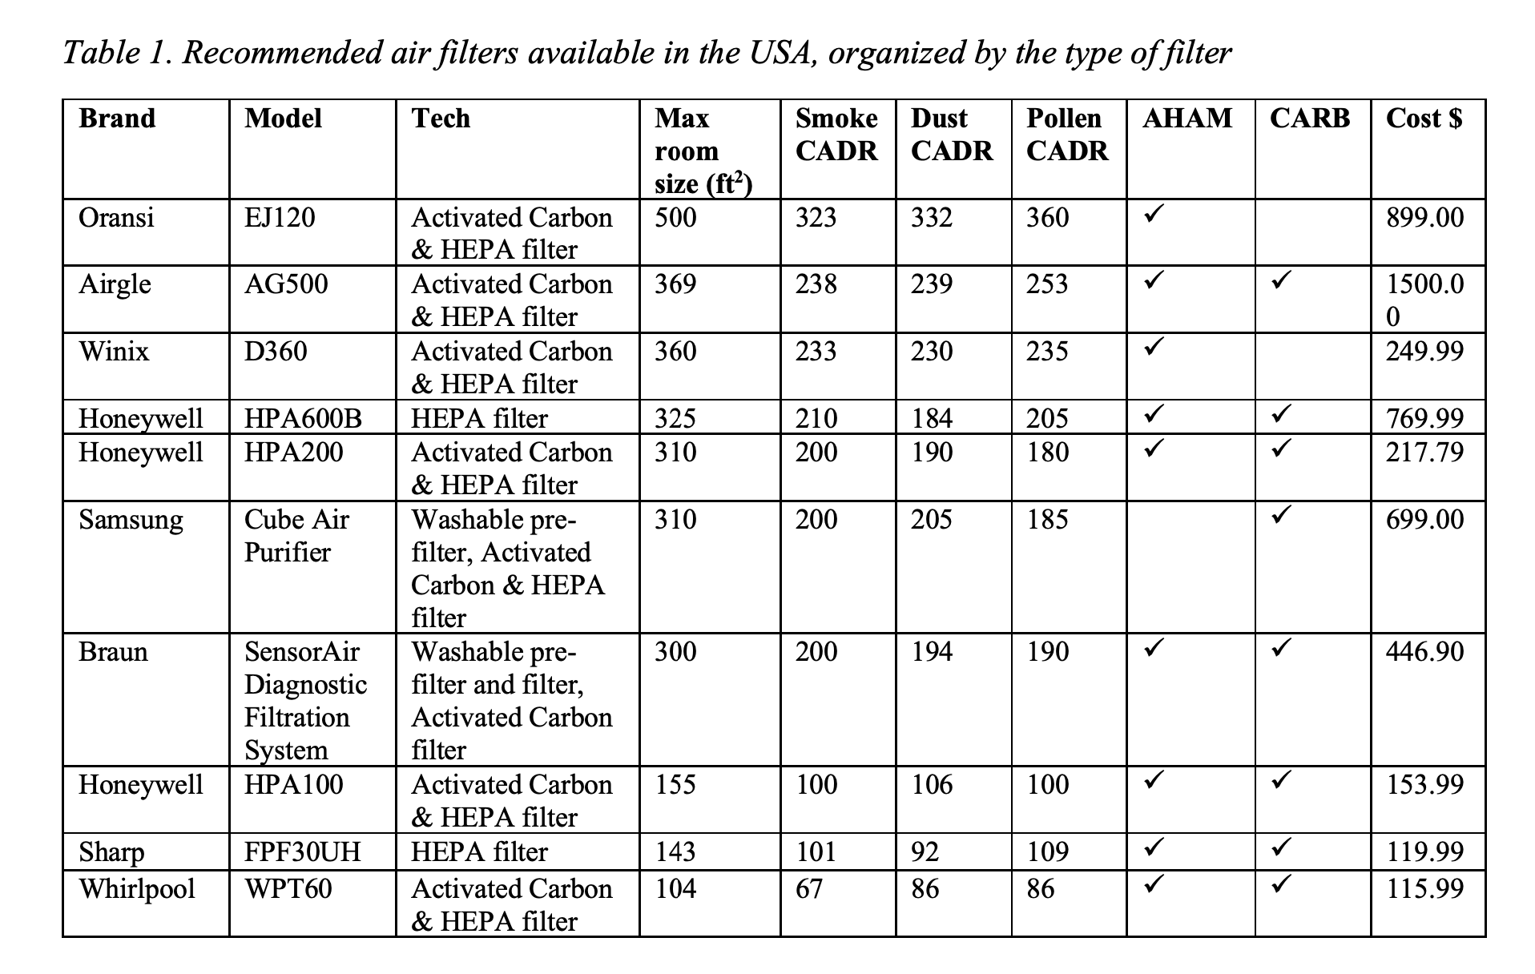

Is reducing the duration of indoor interactions useful?
 | Yes, this is very useful. In principle the number of infectious particles inhaled will increases proportionally to the duration of the event. But it is worse than that: the risk of infection increases more than linearly with the duration of the event. This is because (assuming the air is clean at the start) the infectious particles accumulate in the room, and e.g. the second 30 min. have a higher concentration than the first 30 min. This can be explored with the estimator, change the duration of the event and look at the output vs duration (e.g. in a graph). So we recommend to keep all indoor activities as short as feasible for that activity.

Is germicidal UV a good idea?
 | Generally yes, as long as the UV is away from people to avoid serious eye damage, and as long as ozone is not produced.
 | See this webinar from Prof. Shelly Miller about it: https://shellym80304.files.wordpress.com/2020/05/isiaq-guv-2-compiled.pdf
 | New systems using 222 nm light are very promising, as (unlike older systems based on 254 nm light) it seems to be safe for people. See: https://www.nature.com/articles/s41598-020-67211-2
 | That said, it is being marketed very aggressively by the companies supplying it, and it is not always the most cost-effective solution (purchase, installation, and maintenance are all significant). Improved ventilation and mask wearing should come first. See this paper for an overview of the building-level strategies: https://www.sciencedirect.com/science/article/pii/S0160412020317876

A company is promoting an air cleaning system using ions, plasmas, or OH radicals. Do these systems work?
 | Be very careful with that type of system. They are being promoted very aggressively, but often there is very little detail given about how the system really works. In some cases claims are made that are obviously wrong or suspicious. See this NYT article as an example: https://www.nytimes.com/2020/06/23/us/politics/trump-arizona-church-covid.htm Oxidation systems will turn volatile organic compounds (VOCs) in the air into more oxidized species, NOT into CO2 and water, and the oxidized species and aerosols formed may actually be worse for health than the original VOCs.
...

