line Assumption
line number | DISTANCES km | Type of line | Number of Conductors per Phase | Number of Circuits | Distance between phases (mm) | Distance between conductors(mm) | Voltage (kV) | Conductor type (Code number) | R conductor (ohm/ km) | R/n | Kg | RL | LL | CL | d mm | r mm
L12 | 120 | Single | 1 | 1 | 3350 | - | 220 | 315 | 0.0917 | 0.0917 | 0.811 | 0.0917 | 1.18 | 9.75 | 24.87 | 12.435
L23 | 90 | Single | 1 | 1 | 3350 | - | 220 | 315 | 0.0917 | 0.0917 | 0.811 | 0.0917 | 1.18 | 9.75 | 24.87 | 12.435
L34 | 60 | Double | 1 | 2 | 6000 | 3500 | 220 | 200 | 0.144 | 0.072 | 0.826 | 0.072 | 0.644 | 17.77 | 21 | 10.5
L45 | 50 | Double | 1 | 2 | 6000 | 3500 | 220 | 200 | 0.144 | 0.072 | 0.826 | 0.072 | 0.644 | 17.77 | 21 | 10.5
L56 | 80 | Double | 1 | 2 | 6000 | 3500 | 220 | 200 | 0.144 | 0.072 | 0.826 | 0.072 | 0.644 | 17.77 | 21 | 10.5
L67 | 110 | Double | 1 | 2 | 6000 | 3500 | 220 | 200 | 0.144 | 0.072 | 0.826 | 0.072 | 0.644 | 17.77 | 21 | 10.5
L78 | 250 | Bundle | 4 | 1 | 8000 | 300 | 220 | 4*200 | 0.144 | 0.036 | 0.826 | 0.036 | 0.863 | 13.023 | 21 | 10.5
L81 | 250 | Bundle | 4 | 1 | 8000 | 300 | 220 | 4*200 | 0.144 | 0.036 | 0.826 | 0.036 | 0.863 | 13.023 | 21 | 10.5
L13 | 160 | Double | 1 | 2 | 6000 | 3500 | 220 | 200 | 0.144 | 0.072 | 0.826 | 0.072 | 0.644 | 17.77 | 21 | 10.5
L15 | 180 | Double | 1 | 2 | 6000 | 3500 | 220 | 200 | 0.144 | 0.072 | 0.826 | 0.072 | 0.644 | 17.77 | 21 | 10.5
L35 | 160 | Double | 1 | 2 | 6000 | 3500 | 220 | 200 | 0.144 | 0.072 | 0.826 | 0.072 | 0.644 | 17.77 | 21 | 10.5
L46 | 150 | Single | 1 | 1 | 3400 | - | 220 | 315 | 0.0917 | 0.0917 | 0.811 | 0.0917 | 1.18 | 9.75 | 24.87 | 12.435
L57 | 100 | Double | 1 | 2 | 6000 | 3500 | 220 | 200 | 0.144 | 0.072 | 0.826 | 0.072 | 0.644 | 17.77 | 21 | 10.5
L58 | 220 | Bundle | 2 | 1 | 8000 | 300 | 220 | 2*450 | 0.062 | 0.031 | 0.809 | 0.031 | 1.0641 | 10.65 | 30.42 | 15.21
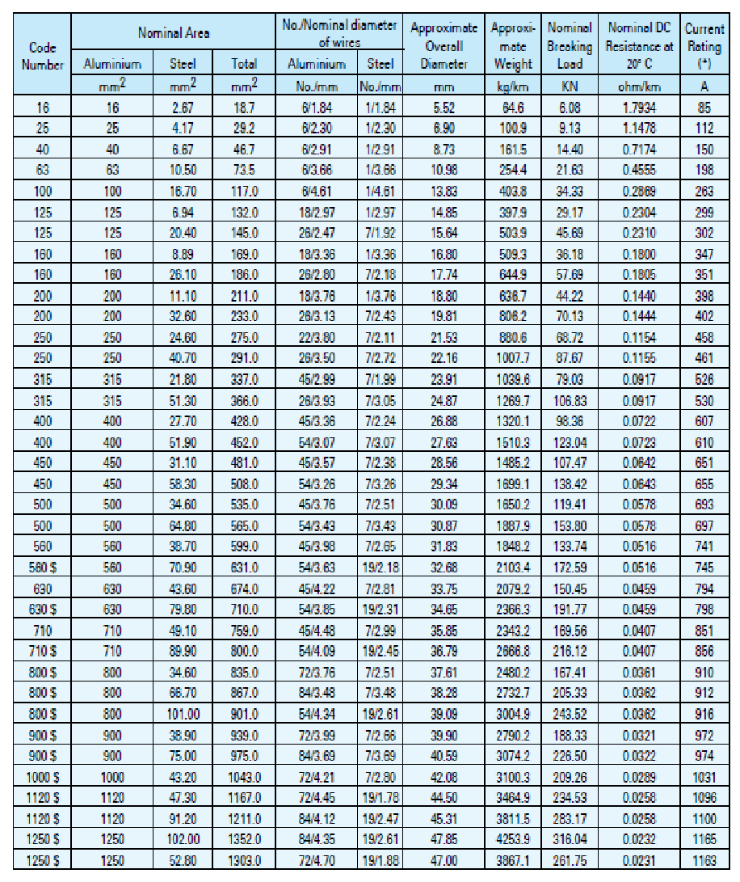
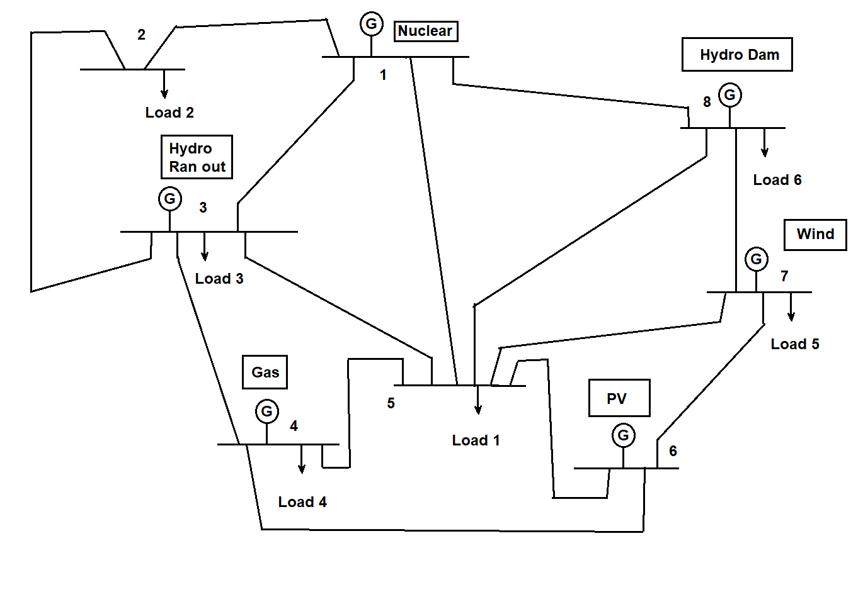
Caracas Area | 64749 Km^2
Vn kv | 220
Vb kv | 220
Sb MVA | 100

Wiring factor
# aluminum wires | # steel wires |  | kg
6 | 1 |  | 0,726
18 | 1 |  | 0,776
26 | 7 |  | 0,811
54 | 7 |  | 0,809
54 | 19 |  | 0,808
72 | 19 |  | 0,793

