Word
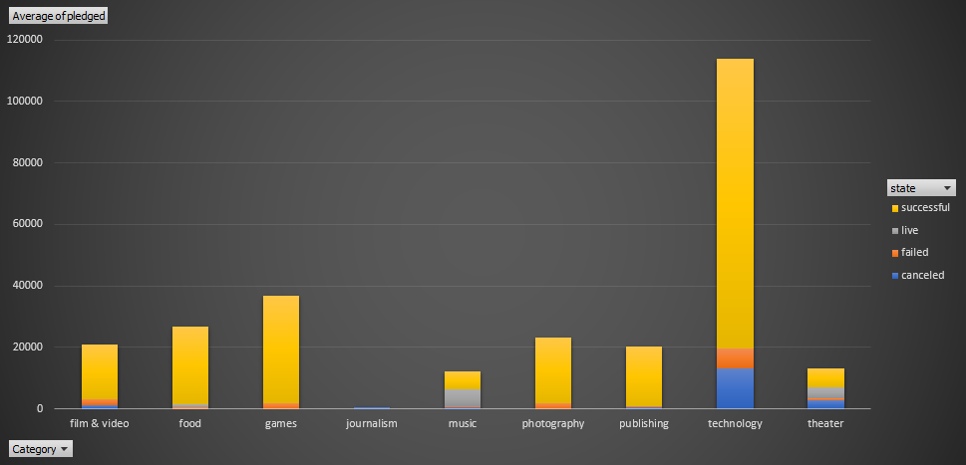
1. Given the provided data, what are three conclusions we can draw about Kickstarter campaigns?

 | The category theater register the more successful Kickstarter campaigns , followed by music and film video.
 | On the other way, technology is the category with higher cancelled and failed percentage
 | For Journalism, all campaigns weres canceled

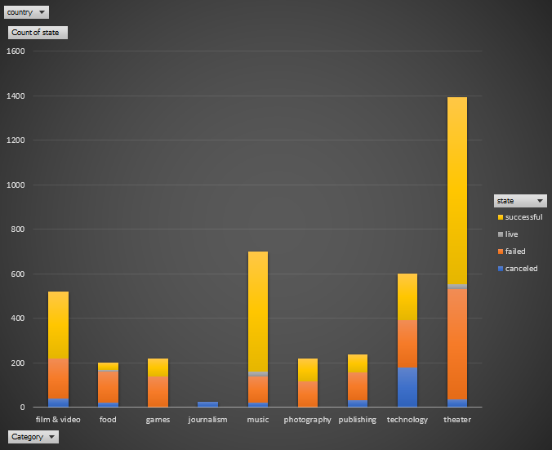

 | Plays is the successful sub category top and web is thehighest cancelled sub category using Kickstarter
 | Rock is the subcategory with the hight success and with no canceled or failed using Kickstarter
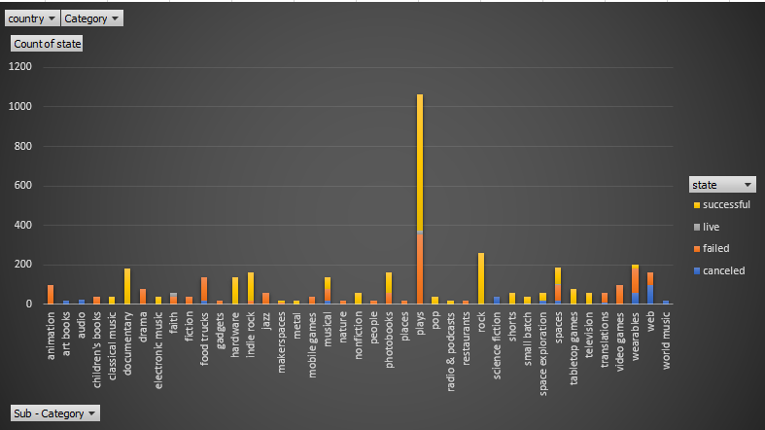

 | May is the successful Top Month using Kickstarter campaigns
 | July is the month when Kickstarter campaigns shows the highest failed events
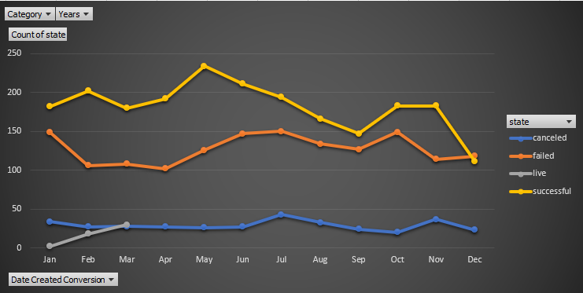

2. What are some limitations of this dataset?
 | Missing to include also the ages of the people to whom the campaign where directed
 | Missing to include some other important and big countries.

3. What are some other possible tables and/or graphs that we could create?

 | States vs Status

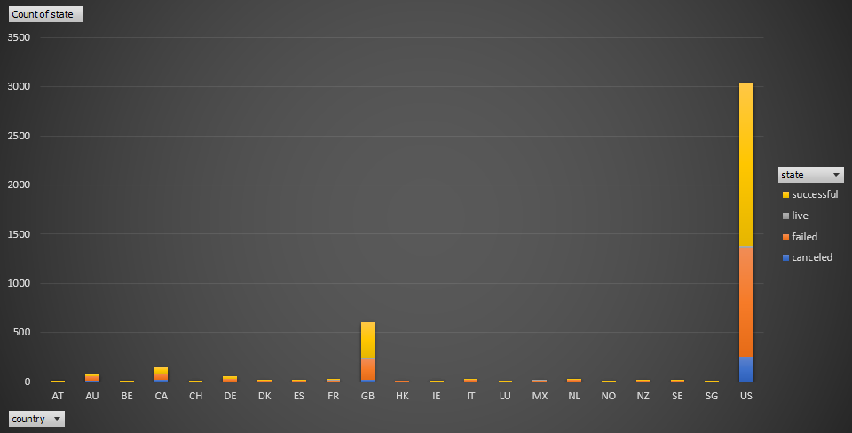

 | Category vs Backer(Sum or Average) stacked by state

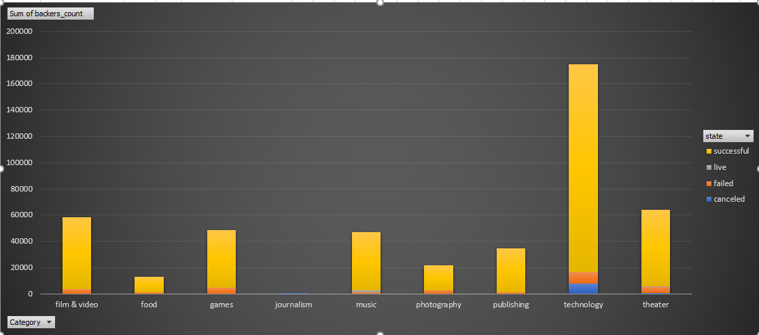

 | SubCategory vs Backer(Sum or Average) stacked by state
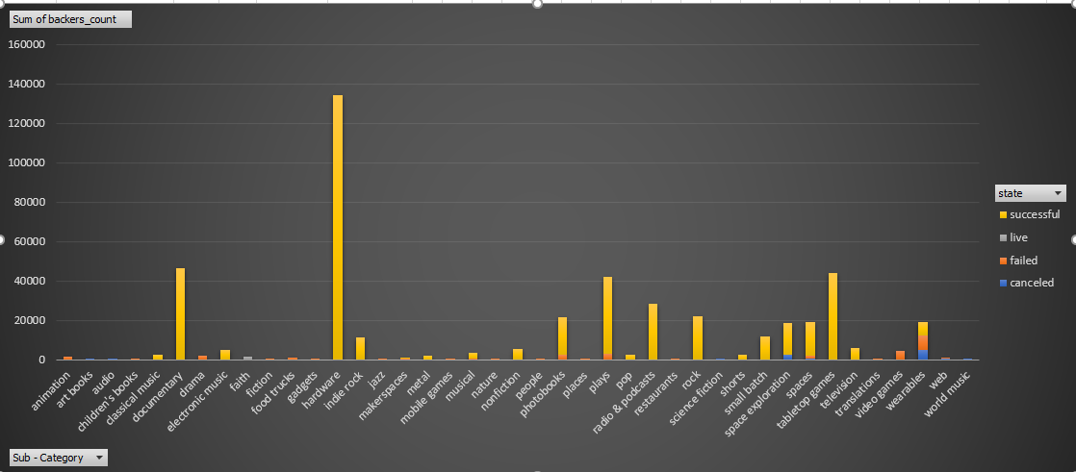

 | SubCategory vs Pledge ( Sum or Average) stacked by state

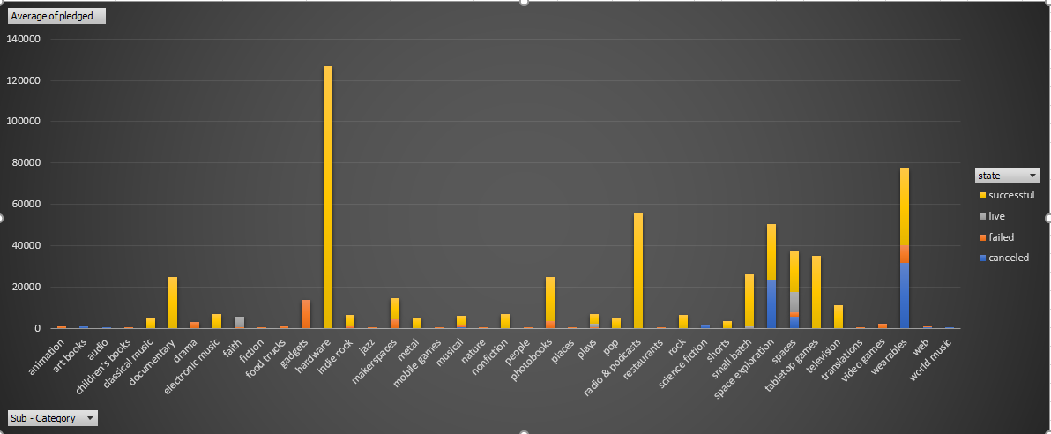

 | SubCategory vs Goal ( Sum or Average) stacked by state
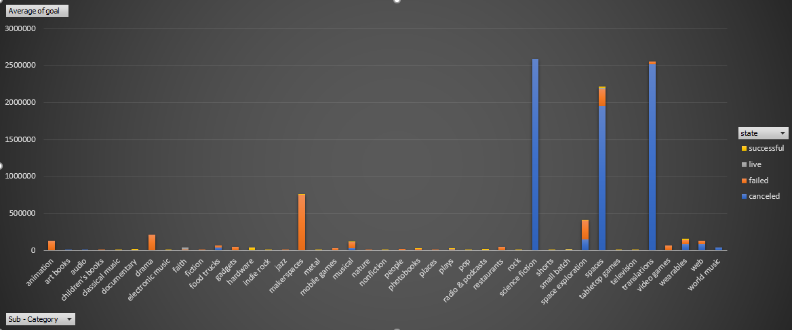

 | Category vs Goal ( Sum or Average) stacked by state

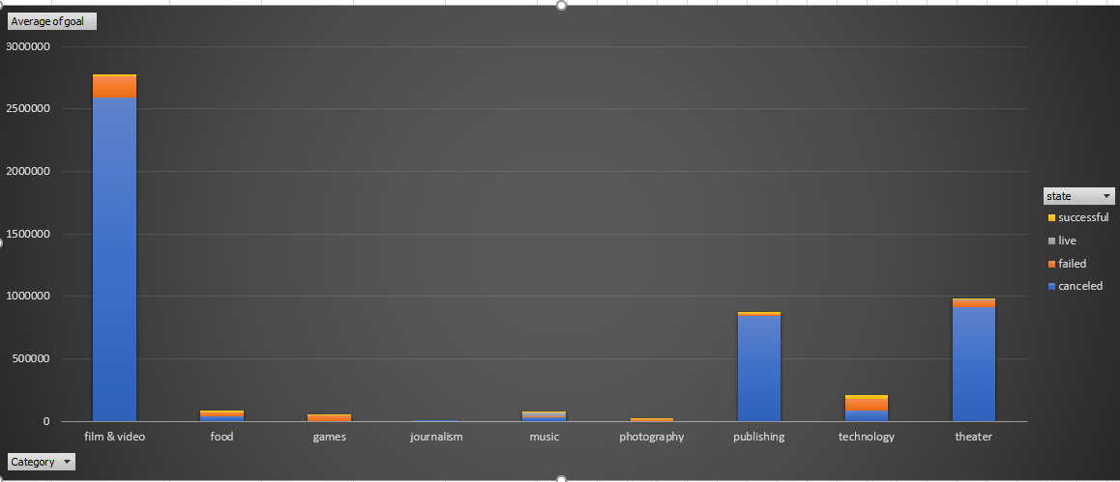

 | Category vs Pledge ( Sum or Average) stacked by state

Bonus
Goal | Number Successful | Number Failed | Number Canceled | Number Live | Total Projects | Percentage Successful | Percentage Failed | Percentage Canceled | Percentage Live
Less than 1000 | 322 | 113 | 18 | 8 | 461 | 69.85% | 24.51% | 3.90% | 1.74%
1000 to 4999 | 932 | 420 | 60 | 13 | 1425 | 65.40% | 29.47% | 4.21% | 0.91%
5000 to 9999 | 381 | 283 | 52 | 6 | 722 | 52.77% | 39.20% | 7.20% | 0.83%
10000 to 14999 | 168 | 144 | 40 | 9 | 361 | 46.54% | 39.89% | 11.08% | 2.49%
15000 to 19999 | 94 | 90 | 17 | 4 | 205 | 45.85% | 43.90% | 8.29% | 1.95%
20000 to 24999 | 62 | 72 | 14 | 1 | 149 | 41.61% | 48.32% | 9.40% | 0.67%
25000 to 29999 | 55 | 64 | 18 | 1 | 138 | 39.86% | 46.38% | 13.04% | 0.72%
30000 to 34999 | 32 | 37 | 13 | 2 | 84 | 38.10% | 44.05% | 15.48% | 2.38%
35000 to 39999 | 26 | 22 | 7 | 0 | 55 | 47.27% | 40.00% | 12.73% | 0.00%
40000 to 44999 | 21 | 16 | 6 | 1 | 44 | 47.73% | 36.36% | 13.64% | 2.27%
45000 to 49999 | 6 | 11 | 4 | 0 | 21 | 28.57% | 52.38% | 19.05% | 0.00%
Greater than or equal to 50000 | 86 | 258 | 100 | 5 | 449 | 19.15% | 57.46% | 22.27% | 1.11%
Total | 2185 | 1530 | 349 | 50 | 4114

Goal's amount vs Percentage Successful
Goal's amount vs Percentage Failed
Goal's amount vs Percentage Canceled

Pivot and Graph 2.1
 | canceled | failed | live | successful
film & video | 40 | 180 |  | 300
food | 20 | 140 | 6 | 34
games |  | 140 |  | 80
journalism | 24
music | 20 | 120 | 20 | 540
photography |  | 117 |  | 103
publishing | 30 | 127 |  | 80
technology | 178 | 213 |  | 209
theater | 37 | 493 | 24 | 839
country | (All)

Count of state | Column Labels
Row Labels | canceled | failed | live | successful | Grand Total
film & video | 40 | 180 |  | 300 | 520
food | 20 | 140 | 6 | 34 | 200
games |  | 140 |  | 80 | 220
journalism | 24 |  |  |  | 24
music | 20 | 120 | 20 | 540 | 700
photography |  | 117 |  | 103 | 220
publishing | 30 | 127 |  | 80 | 237
technology | 178 | 213 |  | 209 | 600
theater | 37 | 493 | 24 | 839 | 1393
Grand Total | 349 | 1530 | 50 | 2185 | 4114

Pivot and Graph 2.2
country | (All)
Category | (All)

 | canceled | failed | live | successful
animation |  | 100
art books | 20
audio | 24
children's books |  | 40
classical music |  |  |  | 40
documentary |  |  |  | 180
drama |  | 80
electronic music |  |  |  | 40
faith |  | 40 | 20
fiction |  | 40
food trucks | 20 | 120
gadgets |  | 20
hardware |  |  |  | 140
indie rock |  | 20 |  | 140
jazz |  | 60
makerspaces |  | 11 |  | 9
metal |  |  |  | 20
mobile games |  | 40
musical | 20 | 60 |  | 60
nature |  | 20
nonfiction |  |  |  | 60
people |  | 20
photobooks |  | 57 |  | 103
places |  | 20
plays |  | 353 | 19 | 694
pop |  |  |  | 40
radio & podcasts |  |  |  | 20
restaurants |  | 20
rock |  |  |  | 260
science fiction | 40
shorts |  |  |  | 60
small batch |  |  | 6 | 34
space exploration | 18 | 2 |  | 40
spaces | 17 | 80 | 5 | 85
tabletop games |  |  |  | 80
television |  |  |  | 60
translations | 10 | 47
video games |  | 100
wearables | 60 | 120 |  | 20
web | 100 | 60
world music | 20
Count of state | Column Labels
Row Labels | canceled | failed | live | successful | Grand Total
animation |  | 100 |  |  | 100
art books | 20 |  |  |  | 20
audio | 24 |  |  |  | 24
children's books |  | 40 |  |  | 40
classical music |  |  |  | 40 | 40
documentary |  |  |  | 180 | 180
drama |  | 80 |  |  | 80
electronic music |  |  |  | 40 | 40
faith |  | 40 | 20 |  | 60
fiction |  | 40 |  |  | 40
food trucks | 20 | 120 |  |  | 140
gadgets |  | 20 |  |  | 20
hardware |  |  |  | 140 | 140
indie rock |  | 20 |  | 140 | 160
jazz |  | 60 |  |  | 60
makerspaces |  | 11 |  | 9 | 20
metal |  |  |  | 20 | 20
mobile games |  | 40 |  |  | 40
musical | 20 | 60 |  | 60 | 140
nature |  | 20 |  |  | 20
nonfiction |  |  |  | 60 | 60
people |  | 20 |  |  | 20
photobooks |  | 57 |  | 103 | 160
places |  | 20 |  |  | 20
plays |  | 353 | 19 | 694 | 1066
pop |  |  |  | 40 | 40
radio & podcasts |  |  |  | 20 | 20
restaurants |  | 20 |  |  | 20
rock |  |  |  | 260 | 260
science fiction | 40 |  |  |  | 40
shorts |  |  |  | 60 | 60
small batch |  |  | 6 | 34 | 40
space exploration | 18 | 2 |  | 40 | 60
spaces | 17 | 80 | 5 | 85 | 187
tabletop games |  |  |  | 80 | 80
television |  |  |  | 60 | 60
translations | 10 | 47 |  |  | 57
video games |  | 100 |  |  | 100
wearables | 60 | 120 |  | 20 | 200
web | 100 | 60 |  |  | 160
world music | 20 |  |  |  | 20
Grand Total | 349 | 1530 | 50 | 2185 | 4114

Pivot and Graph 3.1
Category | (All)
Years | (All)

 | canceled | failed | live | successful
Jan | 34 | 149 | 2 | 182
Feb | 27 | 106 | 18 | 202
Mar | 28 | 108 | 30 | 180
Apr | 27 | 102 |  | 192
May | 26 | 126 |  | 234
Jun | 27 | 147 |  | 211
Jul | 43 | 150 |  | 194
Aug | 33 | 134 |  | 166
Sep | 24 | 127 |  | 147
Oct | 20 | 149 |  | 183
Nov | 37 | 114 |  | 183
Dec | 23 | 118 |  | 111
Count of state | Column Labels
Row Labels | canceled | failed | live | successful | Grand Total
Jan | 34 | 149 | 2 | 182 | 367
Feb | 27 | 106 | 18 | 202 | 353
Mar | 28 | 108 | 30 | 180 | 346
Apr | 27 | 102 |  | 192 | 321
May | 26 | 126 |  | 234 | 386
Jun | 27 | 147 |  | 211 | 385
Jul | 43 | 150 |  | 194 | 387
Aug | 33 | 134 |  | 166 | 333
Sep | 24 | 127 |  | 147 | 298
Oct | 20 | 149 |  | 183 | 352
Nov | 37 | 114 |  | 183 | 334
Dec | 23 | 118 |  | 111 | 252
Grand Total | 349 | 1530 | 50 | 2185 | 4114

