Timeline
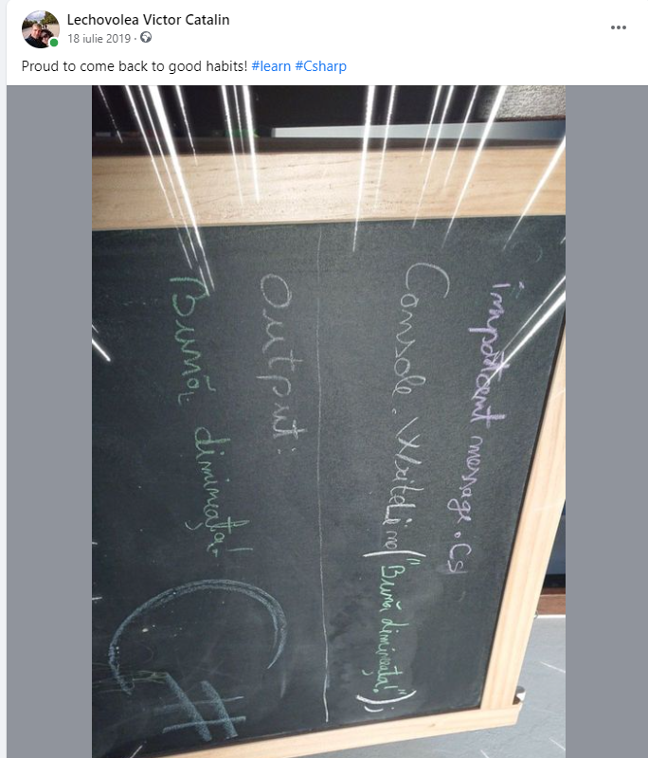
Language | 2018 | 2019 | 2020 | 2021 | 2022 | 2023 | 2024
C#
Python
C++ Wellcode
C++ Self progress
HTML
CSS
JS

Json
CSV
Excel
SQL (Lite)

Ideas
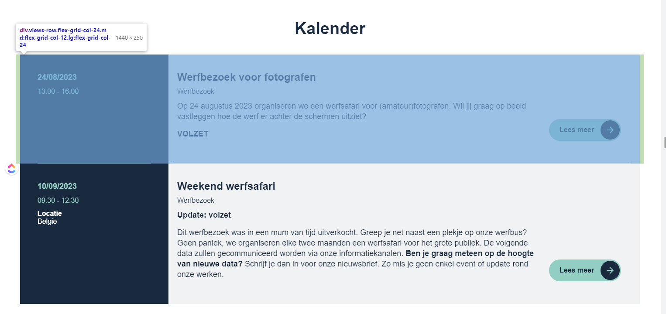
https://www.oosterweelverbinding.be/

