FRDPARRC
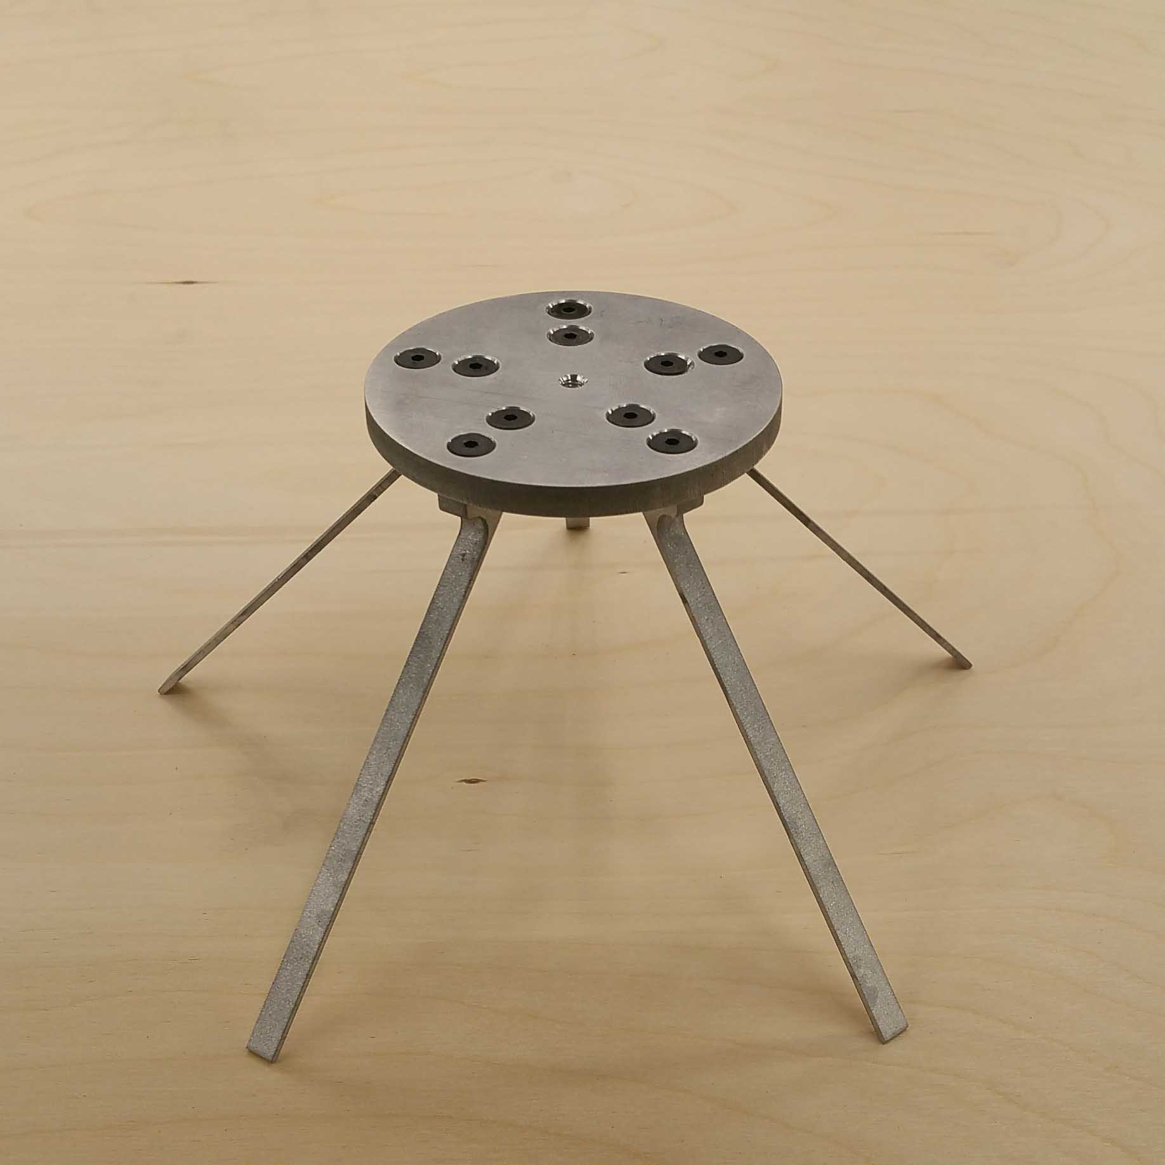
Elastically Averaged Coupling Design
 |  |  | Written by Victor Prost 02/20/18 |  | BLACK - Inputs
 |  |  |  |  | RED - Calculated
 |  | Stable mounting plateform for uneven ground

 | Functional Requirements (see FRDPARRC picture below table):
 | - Account for uneven ground (Max floor height difference in table below)
 | - Stiffness requirement such that the platform does not deflect too far under payloads ( see Vertical Stiffness and deflection under payload in the table below)
 | - Minimize tilt of the platform when placed on uneven ground (platform tilt in table below)
 | - Support won't fail when the platform is loaded with max payload (only three supports are helding the platform), worst case scenario ( Safety factor in the table below)
 | - Foot print diameter has to remain small but we want to maximize the stability zone (area for wich the load won't cause tipping of the platform)

 |  | Predicted |  |  | Target | Measured
 |  | Concept 1 | Concept 2 (SELECTED) | Concept 3
Design Parameters | Number of supports (equally spaced) | 4 | 5 | 5
 | Platform height [mm] | 80 | 80 | 80
 | Support (beam) width, w [mm] | 6.35 | 6.35 | 6.35
 | Support (beam) thickness, e [mm] | 5.08 | 1.65 | 4.44
 | Support (beam) angle, alpha [deg] | 43.5 | 42.5 | 42.5
 | Support (beam) length, L [mm] | 110.3 | 108.5 | 108.5
 | Material used | Plywood | Aluminum | Delrin
 | Coupling Diameter [mm] | 50 | 50 | 50
Analysis | FootPrint Diameter [mm] | 202 | 197 | 197 | <200 | 200.5
 | Stability Zone [cm^2] - SEE SCHEMATIC UNDER TABLE | 204 | 230 | 230 | >200 | 239
 | Max Floor height difference accounted for under Min Payload [mm] - SEE SCHEMATIC UNDER TABLE | 0.58 | 2.30 | 2.59 | >2 | 2.12
 | Max Floor height difference accounted for under Max Payload [mm] | 1.35 | 4.97 | 5.78
 | max Z-height change (varying terrain height) with min payload [mm] | 0.14 | 0.23 | 0.26 | <1 | 0.33
 | Platform tilt at max floor difference accounted for under min payload[deg] | 0.16 | 0.67 | 0.75 |  | 0.83
 | Platform tilt at max floor difference accounted for under max payload[deg] | 0.47 | 1.79 | 2.08 | <2 | 1.38 | FOR EXPERIMENTS RESULTS SEE SHEET C,D,E
 | Vertical Stiffness [N/mm] | 11.78 | 4.28 | 3.6 | >2.5 | 4.78
 | Deflection under target of max payload [mm] | 1.01 | 2.98 | 3.47 | <5 | 2.55
 | Minimum Safety Factor - Max Payload on three supports[-] | 2.69 | 2.49 | 5.47 | >2 | NA - but no visible plastic deformation
References |  | -Fundamentals Topic 8 (Structures) -Fundamentals Topic 9 (Elastically averaged systems)
Risks |  | Not consistent material properties | Small thickness, waterjet taper might be significant | Viscous Flow - Creeping over time
 |  | Deflection is very sensitive to beam thickness
CMs |  | Maintain tight machining tolerance for supports, and perform sensitivity analysis.
SUMMARY |  | Not enough compliance to account for floor height difference between the supports. Too big of a system if we try to get the correct compliance | Should work, with sufficient safety factor for load capacity. By using aluminum we get the correct stiffness and alignment capabilities. Available stock | Better design than aliminum especially for the lower sensitivity on the thickness of the support beams, and higher safety factor but stock not available readily. | All FRs were met. The coupling did not fail during testing.

 | FRDPAARC notes |  |  | SCHEMATIC FLOOR HEIGHT DIFFERENCE ACCOUNTABLE UNDER PAYLOAD |  |  |  | SCHEMATIC FOOT PRINT DIAMETER AND STABILITY ZONE
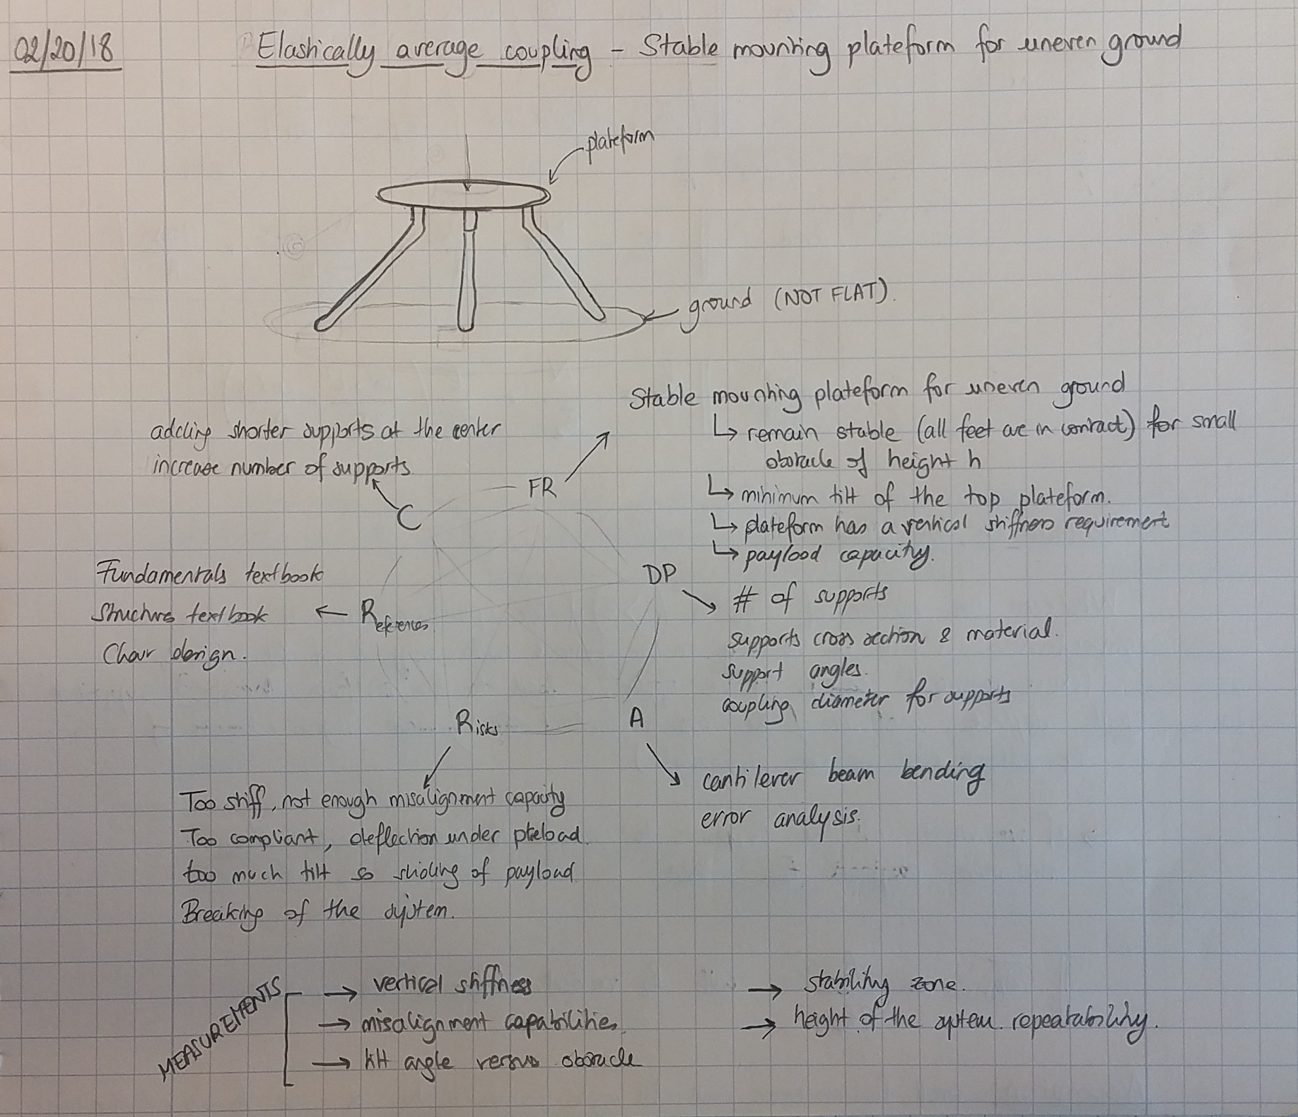
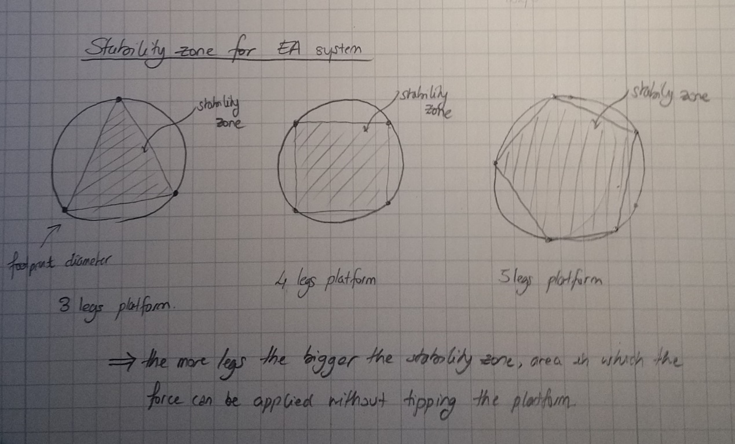

PAYLOAD

 |  |  |  |  | Maximum height delta of an obstacle on which one of the support can stand on for which all of the support will contact the ground under the minimum payload

E - STIFFNESS AND DEFLECTION
STEEL |  | ALUMINUM |  | DELRIN |  | WOOD

LOAD- DISPLACEMENT // STIFFNESS MEASUREMENT |  | LOAD- DISPLACEMENT // STIFFNESS MEASUREMENT |  | LOAD- DISPLACEMENT // STIFFNESS MEASUREMENT |  | LOAD- DISPLACEMENT // STIFFNESS MEASUREMENT
Load (g) ± 10 | Displacement (") ± 0.0005 | Load (g) ± 10 | Displacement (") ± 0.0005 | Load (g) ± 10 | Displacement (") ± 0.0005 | Load (g) ± 10 | Displacement (") ± 0.0005
0 | 0 | 0 | 0 | 0 | 0.0000 | 0 | 0.0000
100 | 0.0035 | 100 | 0.0040 | 100 | 0.0100 | 100 | 0.0040
200 | 0.0080 | 200 | 0.0090 | 200 | 0.0190 | 200 | 0.0120
300 | 0.0175 | 300 | 0.0180 | 300 | 0.0280 | 300 | 0.0170 | SUMMARY TABLE
400 | 0.0270 | 400 | 0.0265 | 400 | 0.0390 | 400 | 0.0290 | Table Material | Aluminum | Steel | Wood | Delrin
500 | 0.0375 | 500 | 0.0360 | 500 | 0.0495 | 500 | 0.0385 | Vertical Stiffness [N/mm] | 4.72 | 4.79 | 4.74 | 3.91
600 | 0.045 | 600 | 0.046 | 600 | 0.0590 | 600 | 0.0440 | Coefficient of friction [-] | 1 | 0.6 | 0.55 | 0.1
700 | 0.0515 | 700 | 0.0540 |  |  | 700 | 0.0550
 |  |  |  | Vertical Stiffness [N/mm] | 3.91
Vertical Stiffness [N/mm] | 4.79 | Vertical Stiffness [N/mm] | 4.72 | Measurement uncertainty [N/mm] | ± 0.3 | Vertical Stiffness [N/mm] | 4.74
Measurement uncertainty [N/mm] | ± 0.3 | Measurement uncertainty [N/mm] | ± 0.3 |  |  | Measurement uncertainty [N/mm] | ± 0.3
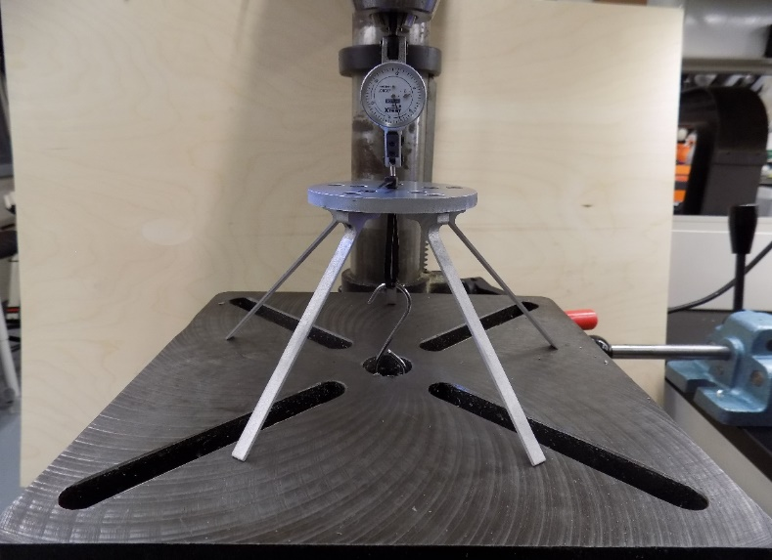
Elastically Averaged Platform
Spring Scale
Dial Indicator
Elastically Averaged Platform
Spring Scale
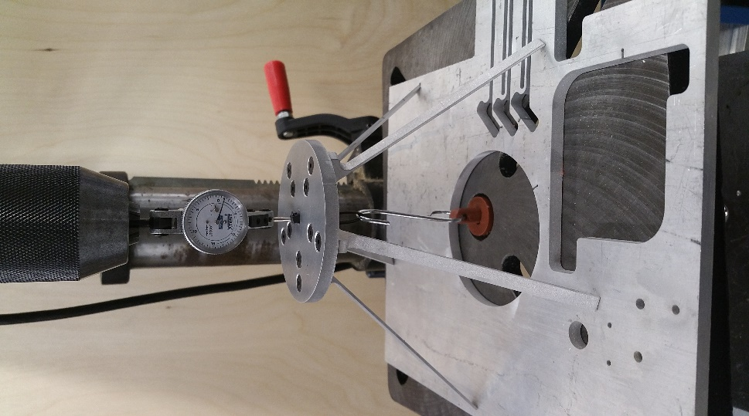
Dial Indicator
Elastically Averaged Platform
Spring Scale
Dial Indicator
Elastically Averaged Platform
Spring Scale
Dial Indicator
Elastically Averaged Platform
Spring Scale

Load Displacement Plot

A- ANALYSIS
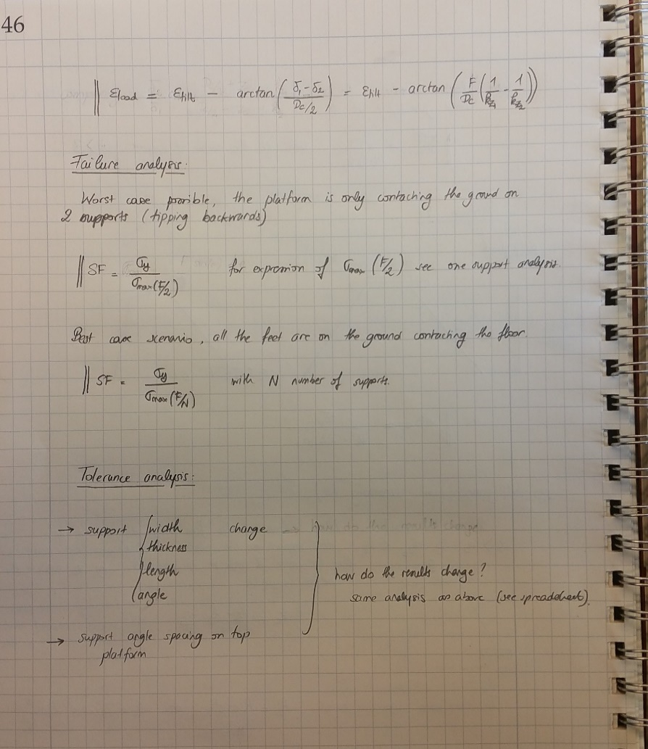
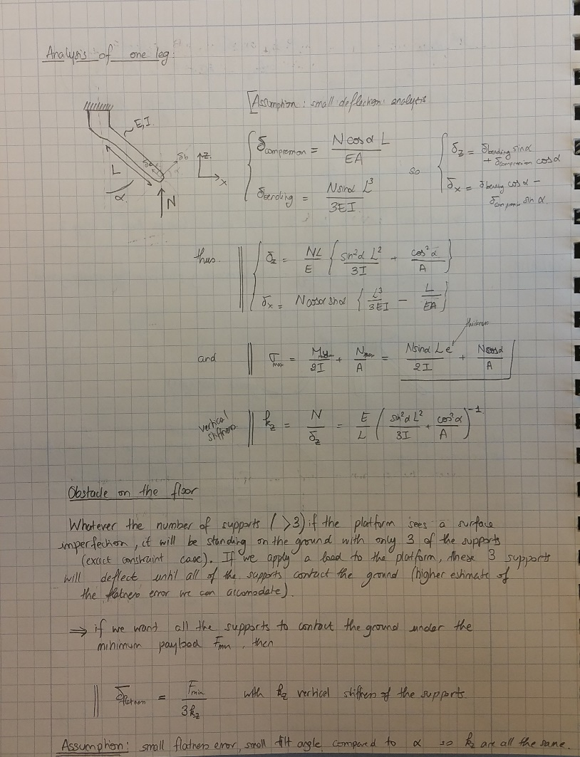
CONCEPT 1 |  |  | CONCEPT 2 |  |  | CONCEPT 3
PLATFORM GEOMETRY |  |  | PLATFORM GEOMETRY |  |  | PLATFORM GEOMETRY
Platform Diameter | 80 | mm | Platform Diameter | 80 | mm | Platform Diameter | 80 | mm
Coupling Radius | 25 | mm | Coupling Radius | 25 | mm | Coupling Radius | 25 | mm
Platform Thickness | 6.4 | mm | Platform Thickness | 6.4 | mm | Platform Thickness | 6.4 | mm
Platform Height | 80 | mm | Platform Height | 80 | mm | Platform Height | 80 | mm
Number of Supports | 4 | [-] | Number of Supports | 5 | [-] | Number of Supports | 5 | [-]

SUPPORT GEOMETRY |  |  | SUPPORT GEOMETRY |  |  | SUPPORT GEOMETRY
Support width, w | 6.35 | mm | Support width, w | 6.35 | mm | Support width, w | 6.35 | mm
Support thickness, e | 5.08 | mm | Support thickness, e | 1.65 | mm | Support thickness, e | 4.44 | mm
Support length, L | 110.3 | mm | Support length, L | 108.5 | mm | Support length, L | 108.5 | mm
Support angle, alpha | 43.5 | deg | Support angle, alpha | 42.5 | deg | Support angle, alpha | 42.5 | deg
Cross-section Area | 32.26 | mm^2 | Cross-section Area | 10.48 | mm^2 | Cross-section Area | 28.23 | mm^2
Second Area Moment | 69.37 | mm^4 | Second Area Moment | 2.38 | mm^4 | Second Area Moment | 46.47 | mm^4

MATERIAL PROPERTIES |  |  | MATERIAL PROPERTIES |  |  | PLATE MATERIAL PROPERTIES
Density | 400 | kg/m3 | Density | 2700 | kg/m3 | Density | 1420 | kg/m3
Modulus of Elasticity | 9 | GPa | Modulus of Elasticity | 70 | GPa | Modulus of Elasticity | 3 | GPa
Yield Strength | 30 | MPa | Yield Strength | 270 | MPa | Yield Strength | 80 | MPa
Poisson's Ratio | 0.33 |  | Poisson's Ratio | 0.33 |  | Poisson's Ratio | 0.33

SYSTEM MASS |  |  | SYSTEM MASS |  |  | SYSTEM MASS
Mass of Supports | 6 | g | Mass of Supports | 15 | g | Mass of Supports | 22 | g
Mass of Plate | 13 | g | Mass of Plate | 86 | g | Mass of Plate | 45 | g
Total Mass | 18 | g | Total Mass | 102 | g | Total Mass | 67 | g

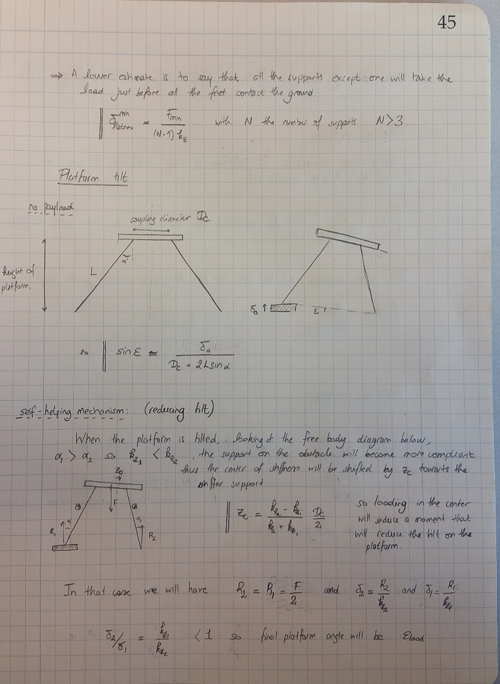
LOAD AND DEFLECTION ANALYSIS |  |  | LOAD AND DEFLECTION ANALYSIS |  |  | LOAD AND DEFLECTION ANALYSIS
Max Payload | 1200 | g | Max Payload | 1200 | g | Max Payload | 1200 | g
Min Payload | 500 | g | Min Payload | 500 | g | Min Payload | 500 | g

Single Support Vertical Stiffness | 2.9 | N/mm | Single Support Vertical Stiffness | 0.86 | N/mm | Single Support Vertical Stiffness | 0.717 | N/mm
Max Stress in three supports loaded with Max Payload | 11 | MPa | Max Stress in three supports loaded with Max Payload | 109 | MPa | Max Stress in three supports loaded with Max Payload | 15 | MPa
Max Stress in all supports loaded with Max Payload | 8 | MPa | Max Stress in all supports loaded with Max Payload | 65 | MPa | Max Stress in all supports loaded with Max Payload | 9 | MPa
Max Surface height imperfection accounted under Min Payload (3 supports scenario) | 0.58 | mm | Max Surface height imperfection accounted under Min Payload (3 supports scenario) | 2.30 | mm | Max Surface height imperfection accounted under Min Payload (3 supports scenario) | 2.59 | mm
Max Surface height imperfection accounted under Max Payload (3 supports scenario) | 1.35 | mm | Max Surface height imperfection accounted under Max Payload (3 supports scenario) | 4.97 | mm | Max Surface height imperfection accounted under Max Payload (3 supports scenario) | 5.78 | mm
Max Surface height imperfection accounted under Min Payload (N-1 supports scenario) | 0.58 | mm | Max Surface height imperfection accounted under Min Payload (N-1 supports scenario) | 1.72 | mm | Max Surface height imperfection accounted under Min Payload (N-1 supports scenario) | 1.94 | mm
Max Surface height imperfection accounted under Max Payload (N-1 supports scenario) | 1.35 | mm | Max Surface height imperfection accounted under Max Payload (N-1 supports scenario) | 3.73 | mm | Max Surface height imperfection accounted under Max Payload (N-1 supports scenario) | 4.33 | mm
Platform tilt under max surface imperfection at min Payload | 0.16 | deg | Platform tilt under max surface imperfection at min Payload | 0.67 | deg | Platform tilt under max surface imperfection at min Payload | 0.75 | deg
Platform tilt under max surface imperfection at max Payload | 0.47 | deg | Platform tilt under max surface imperfection at max Payload | 1.79 | deg | Platform tilt under max surface imperfection at max Payload | 2.08 | deg

C - HEIGHT DIFFERENCES
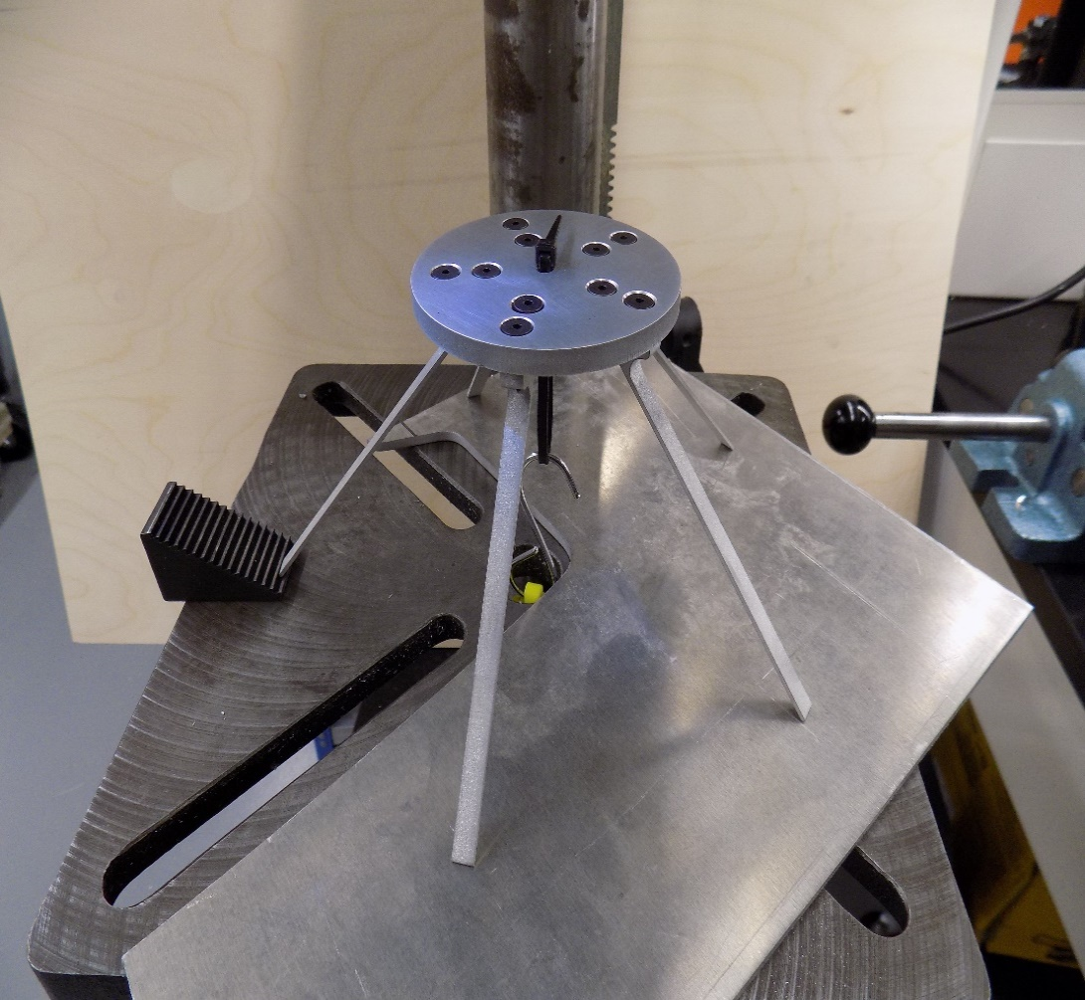
Elastically Averaged Platform
Spring Scale
Steps with different heights
REQUIRED PAYLOAD FOR A GIVEN FLOOR CHANGE
Floor change (mm) ± 0.05 | Load (kg) ± 0.010
1 | 0.24
2.6 | 0.49
4.5 | 0.78
5.7 | 1.25
7.2 | 1.43

PLATFORM HEIGHT CHANGE ON UNEVEN GROUND
Platform Z height with one support on a 2 mm step | +0.035" | +0.89 mm
Platform Z height with one support on a 2 mm step with min Payload | -0.011" | -0.28mm
Platform Z height on flat ground with min Payload | -0.024" | -0.61mm

Max Z height change on uneven ground with min Payload |  | 0.33 mm

 |  |  | STEPS: | 1. Place one of the platform's support on a step
 |  |  |  | 2. Load the platform until all the support contact the ground
 |  |  |  | 3. Start step 1 again

D - TILT UNDER PAYLOAD
PLATFORM TILT MEASUREMENT
Obstacle size (mm) | Tilt with no payload (deg) | Tilt with min Payload for full contact (deg)
2 | 0.83 | 0.48
4.8 | 1.38 | 0.72

Measurement sheet distance away from laser (mm) | 2.80E+03

 | Laser height (mm)
Flat condition | 0
2 mm obstacle | 41
2 mm obstacle with payload | 24
4.8 mm obstacle | 67
4.8 mm obstacle with payload | 35

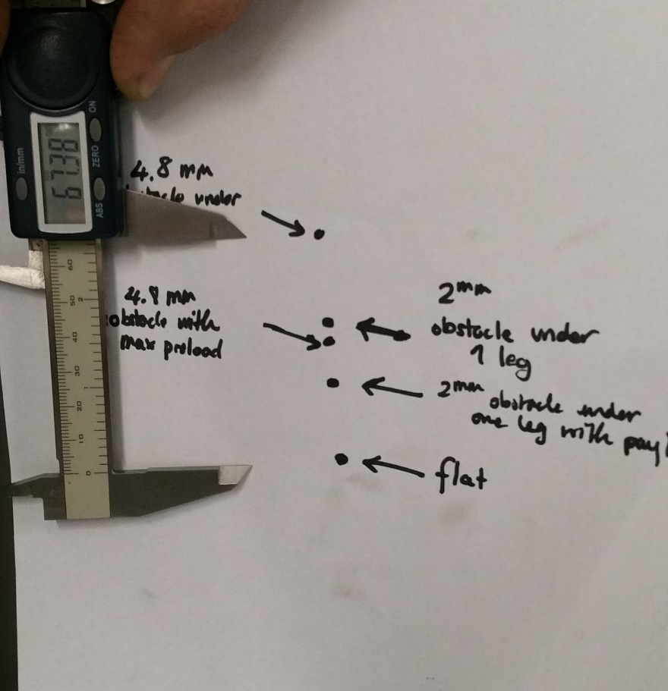
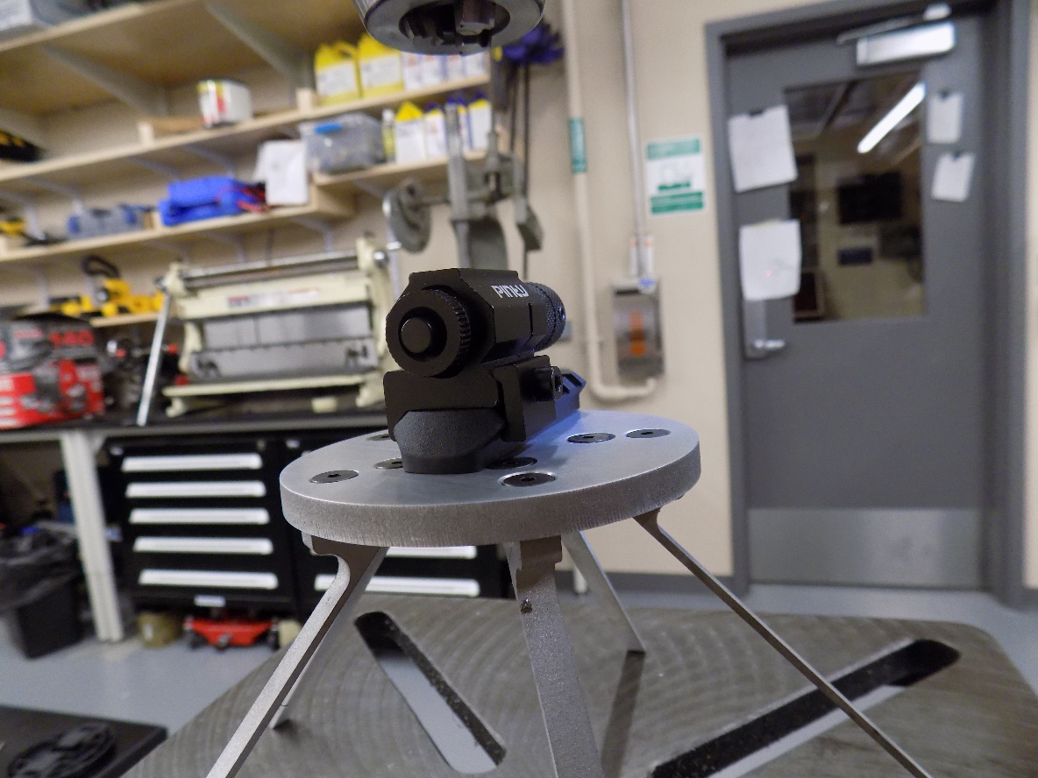
Measurement Sheet
Laser

