Acet_Test_0
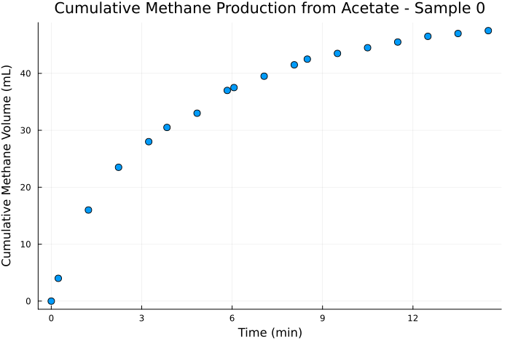
Timestamp | Time (s) | Time (min) | Methane (mL) | Cumulative Methane (mL)
29/03_12:23 | 0 | 0 | 0 | 0
29/03_12:23 | 13.967 | 0.233 | 4 | 4
29/03_12:24 | 73.986 | 1.233 | 12 | 16
29/03_12:25 | 133.981 | 2.233 | 7.5 | 23.5
29/03_12:26 | 193.993 | 3.233 | 4.5 | 28
29/03_12:27 | 230.339 | 3.839 | 2.5 | 30.5
29/03_12:28 | 290.327 | 4.839 | 2.5 | 33
29/03_12:29 | 350.322 | 5.839 | 4 | 37
29/03_12:29 | 363.719 | 6.062 | 0.5 | 37.5
29/03_12:30 | 423.727 | 7.062 | 2 | 39.5
29/03_12:31 | 483.722 | 8.062 | 2 | 41.5
29/03_12:32 | 509.669 | 8.494 | 1 | 42.5
29/03_12:33 | 569.668 | 9.494 | 1 | 43.5
29/03_12:34 | 629.657 | 10.494 | 1 | 44.5
29/03_12:35 | 689.661 | 11.494 | 1 | 45.5
29/03_12:36 | 749.66 | 12.494 | 1 | 46.5
29/03_12:37 | 809.683 | 13.495 | 0.5 | 47
29/03_12:38 | 869.926 | 14.499 | 0.5 | 47.5

Acet_Test_1
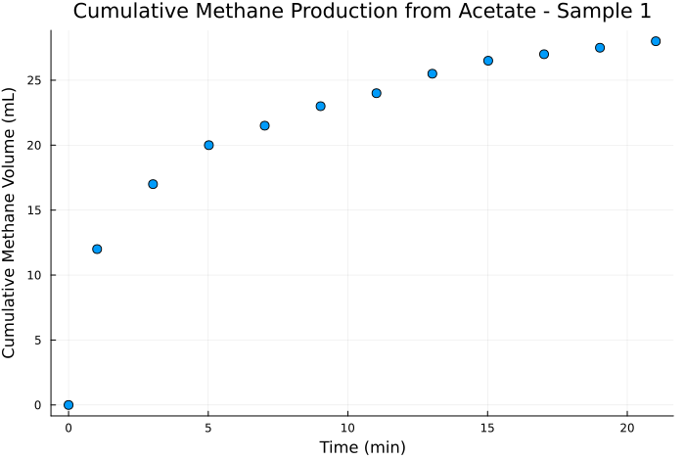
Timestamp | Time (s) | Time (min) | Methane (mL) | Cumulative Methane (mL)
27/03_18:45 | 0 | 0 | 0 | 0
27/03_18:46 | 61.304 | 1.022 | 12 | 12
27/03_18:48 | 181.303 | 3.022 | 5 | 17
27/03_18:50 | 301.313 | 5.022 | 3 | 20
27/03_18:52 | 421.307 | 7.022 | 1.5 | 21.5
27/03_18:54 | 541.305 | 9.022 | 1.5 | 23
27/03_18:56 | 661.31 | 11.022 | 1 | 24
27/03_18:58 | 781.308 | 13.022 | 1.5 | 25.5
27/03_19:00 | 901.313 | 15.022 | 1 | 26.5
27/03_19:02 | 1021.322 | 17.022 | 0.5 | 27
27/03_19:04 | 1141.316 | 19.022 | 0.5 | 27.5
27/03_19:06 | 1261.325 | 21.022 | 0.5 | 28

Acet_Test_2
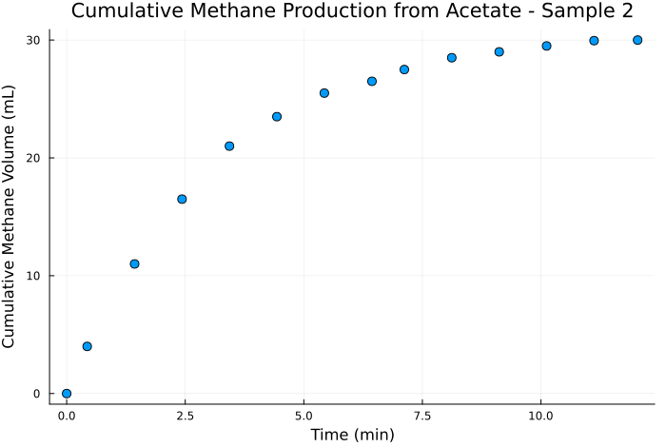
Timestamp | Time (s) | Time (min) | Methane (mL) | Cumulative Methane (mL)
29/03_12:31 | 0 | 0 | 0 | 0
29/03_12:32 | 25.947 | 0.432 | 4 | 4
29/03_12:33 | 85.946 | 1.432 | 7 | 11
29/03_12:34 | 145.935 | 2.432 | 5.5 | 16.5
29/03_12:35 | 205.939 | 3.432 | 4.5 | 21
29/03_12:36 | 265.938 | 4.432 | 2.5 | 23.5
29/03_12:37 | 325.961 | 5.433 | 2 | 25.5
29/03_12:38 | 386.204 | 6.437 | 1 | 26.5
29/03_12:38 | 427.148 | 7.119 | 1 | 27.5
29/03_12:39 | 487.142 | 8.119 | 1 | 28.5
29/03_12:40 | 547.153 | 9.119 | 0.5 | 29
29/03_12:41 | 607.15 | 10.119 | 0.5 | 29.5
29/03_12:42 | 667.16 | 11.119 | 0.45 | 29.95
29/03_12:43 | 722.272 | 12.038 | 0.05 | 30

Acet_Test_4
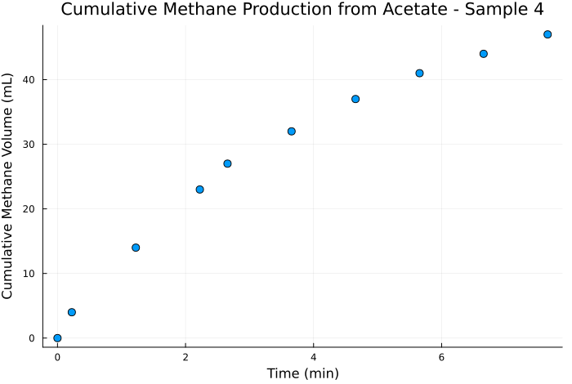
Timestamp | Time (s) | Time (min) | Methane (mL) | Cumulative Methane (mL)
29/03_12:29 | 0 | 0 | 0 | 0
29/03_12:29 | 13.397 | 0.223 | 4 | 4
29/03_12:30 | 73.405 | 1.223 | 10 | 14
29/03_12:31 | 133.4 | 2.223 | 9 | 23
29/03_12:32 | 159.347 | 2.656 | 4 | 27
29/03_12:33 | 219.346 | 3.656 | 5 | 32
29/03_12:34 | 279.335 | 4.656 | 5 | 37
29/03_12:35 | 339.339 | 5.656 | 4 | 41
29/03_12:36 | 399.338 | 6.656 | 3 | 44
29/03_12:37 | 459.361 | 7.656 | 3 | 47

Acet_Test_Ac
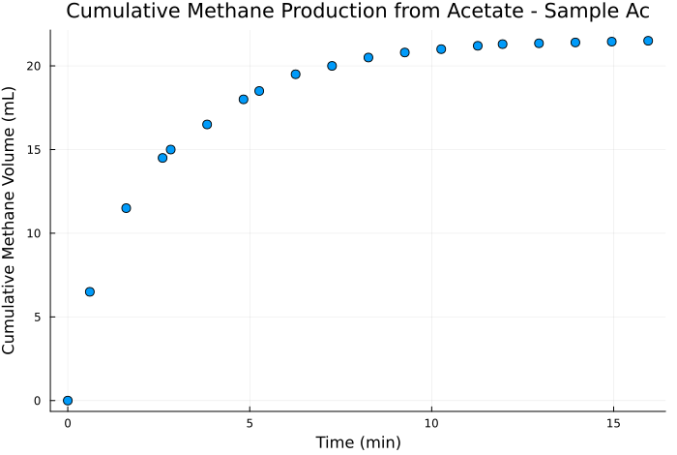
Timestamp | Time (s) | Time (min) | Methane (mL) | Cumulative Methane (mL)
29/03_12:26 | 0 | 0 | 0 | 0
29/03_12:27 | 36.346 | 0.606 | 6.5 | 6.5
29/03_12:28 | 96.334 | 1.606 | 5 | 11.5
29/03_12:29 | 156.329 | 2.605 | 3 | 14.5
29/03_12:29 | 169.726 | 2.829 | 0.5 | 15
29/03_12:30 | 229.734 | 3.829 | 1.5 | 16.5
29/03_12:31 | 289.729 | 4.829 | 1.5 | 18
29/03_12:32 | 315.676 | 5.261 | 0.5 | 18.5
29/03_12:33 | 375.675 | 6.261 | 1 | 19.5
29/03_12:34 | 435.664 | 7.261 | 0.5 | 20
29/03_12:35 | 495.668 | 8.261 | 0.5 | 20.5
29/03_12:36 | 555.667 | 9.261 | 0.3 | 20.8
29/03_12:37 | 615.69 | 10.262 | 0.2 | 21
29/03_12:38 | 675.933 | 11.266 | 0.2 | 21.2
29/03_12:38 | 716.877 | 11.948 | 0.1 | 21.3
29/03_12:39 | 776.871 | 12.948 | 0.05 | 21.35
29/03_12:40 | 836.882 | 13.948 | 0.05 | 21.4
29/03_12:41 | 896.879 | 14.948 | 0.05 | 21.45
29/03_12:42 | 956.889 | 15.948 | 0.05 | 21.5

No_Feed_Ac
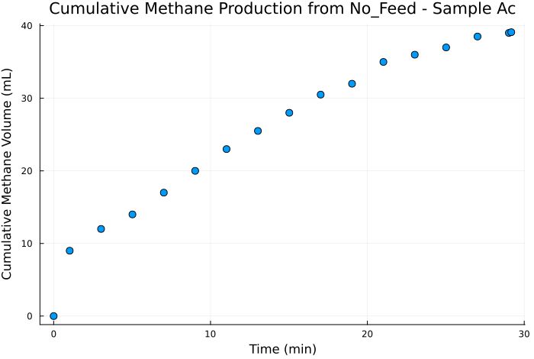
Timestamp | Time (s) | Time (min) | Methane (mL) | Cumulative Methane (mL)
27/03_18:45 | 0 | 0 | 0 | 0
27/03_18:46 | 61.304 | 1.022 | 9 | 9
27/03_18:48 | 181.303 | 3.022 | 3 | 12
27/03_18:50 | 301.313 | 5.022 | 2 | 14
27/03_18:52 | 421.307 | 7.022 | 3 | 17
27/03_18:54 | 541.305 | 9.022 | 3 | 20
27/03_18:56 | 661.31 | 11.022 | 3 | 23
27/03_18:58 | 781.308 | 13.022 | 2.5 | 25.5
27/03_19:00 | 901.313 | 15.022 | 2.5 | 28
27/03_19:02 | 1021.322 | 17.022 | 2.5 | 30.5
27/03_19:04 | 1141.316 | 19.022 | 1.5 | 32
27/03_19:06 | 1261.325 | 21.022 | 3 | 35
27/03_19:08 | 1381.328 | 23.022 | 1 | 36
27/03_19:10 | 1501.327 | 25.022 | 1 | 37
27/03_19:12 | 1621.332 | 27.022 | 1.5 | 38.5
27/03_19:14 | 1741.33 | 29.022 | 0.5 | 39
27/03_19:15 | 1750.422 | 29.174 | 0.1 | 39.1

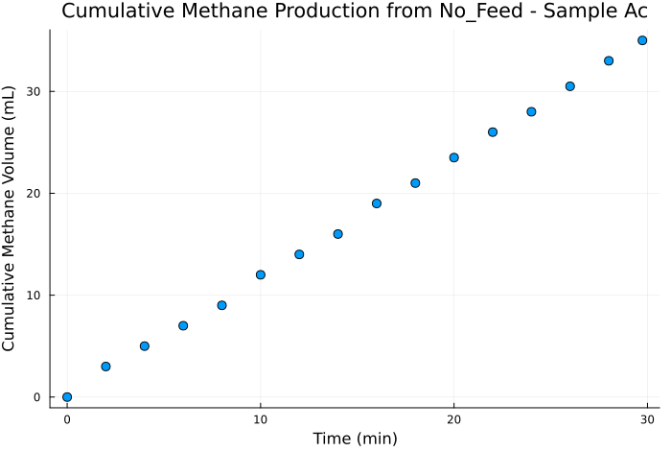
Timestamp | Time (s) | Time (min) | Methane (mL) | Cumulative Methane (mL)
27/03_19:19 | 0 | 0 | 0 | 0
27/03_19:21 | 120.003 | 2.000 | 3 | 3
27/03_19:23 | 240.012 | 4.000 | 2 | 5
27/03_19:25 | 360.017 | 6.000 | 2 | 7
27/03_19:27 | 480.028 | 8.000 | 2 | 9
27/03_19:29 | 600.03 | 10.001 | 3 | 12
27/03_19:31 | 720.028 | 12.000 | 2 | 14
27/03_19:33 | 840.024 | 14.000 | 2 | 16
27/03_19:35 | 960.032 | 16.001 | 3 | 19
27/03_19:37 | 1080.026 | 18.000 | 2 | 21
27/03_19:39 | 1200.024 | 20.000 | 2.5 | 23.5
27/03_19:41 | 1320.034 | 22.001 | 2.5 | 26
27/03_19:43 | 1440.026 | 24.000 | 2 | 28
27/03_19:45 | 1560.025 | 26.000 | 2.5 | 30.5
27/03_19:47 | 1680.031 | 28.001 | 2.5 | 33
27/03_19:48 | 1784.318 | 29.739 | 2 | 35

Kinetic_Data
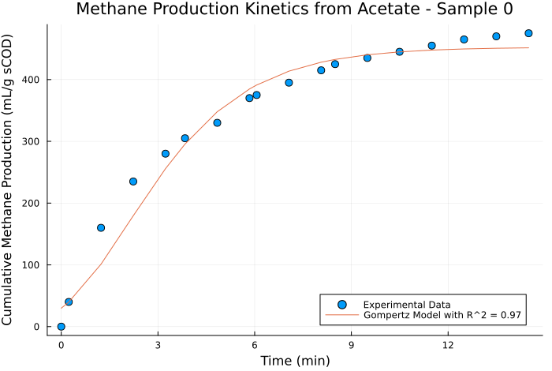
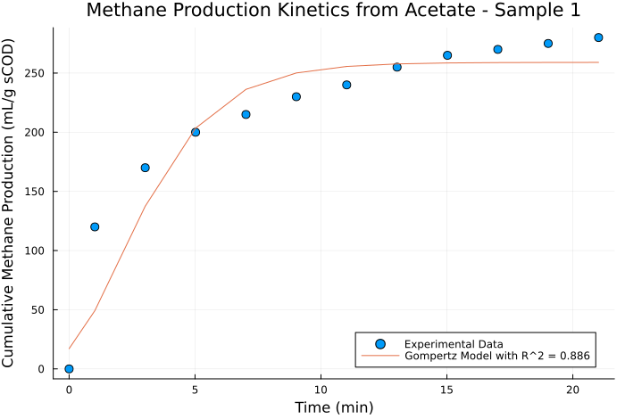
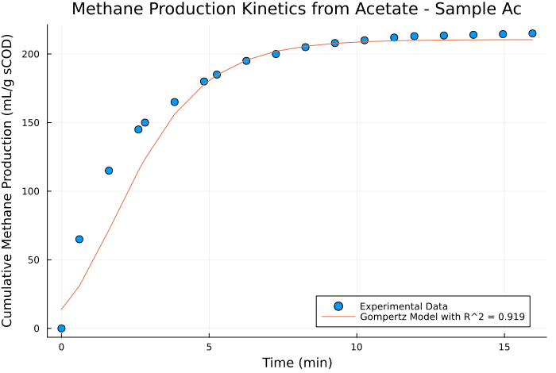
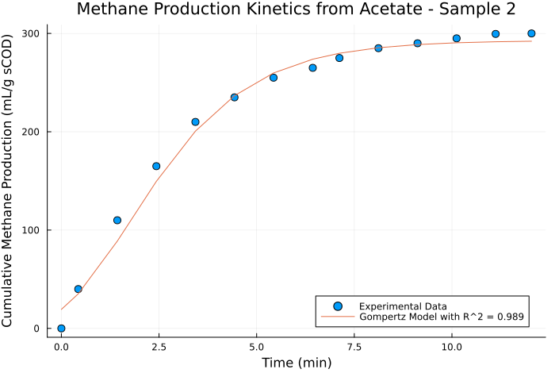
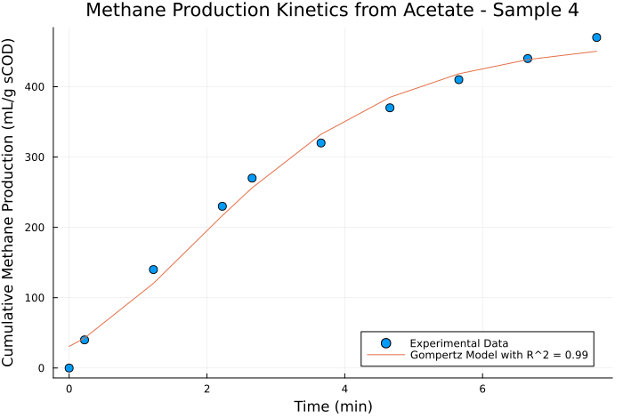
Sample_Name | Methane Production Potential (ml CH4/g sCOD) | Methane Production Rate (ml CH4/g sCOD min) | Lag Time (min) | R_squared
Sample Ac | 210.50217533 | 44.651343411 | 0 | 0.91853225743
Sample 0 | 452.51855092 | 80.387565451 | 0 | 0.96980778922
Sample 1 | 259.03940366 | 45.930199488 | 0 | 0.8856906096
Sample 2 | 292.86534743 | 61.914265726 | 0 | 0.9888462429
Sample 4 | 466.3044176 | 97.719056855 | 0 | 0.98966475985

