Son-parent example
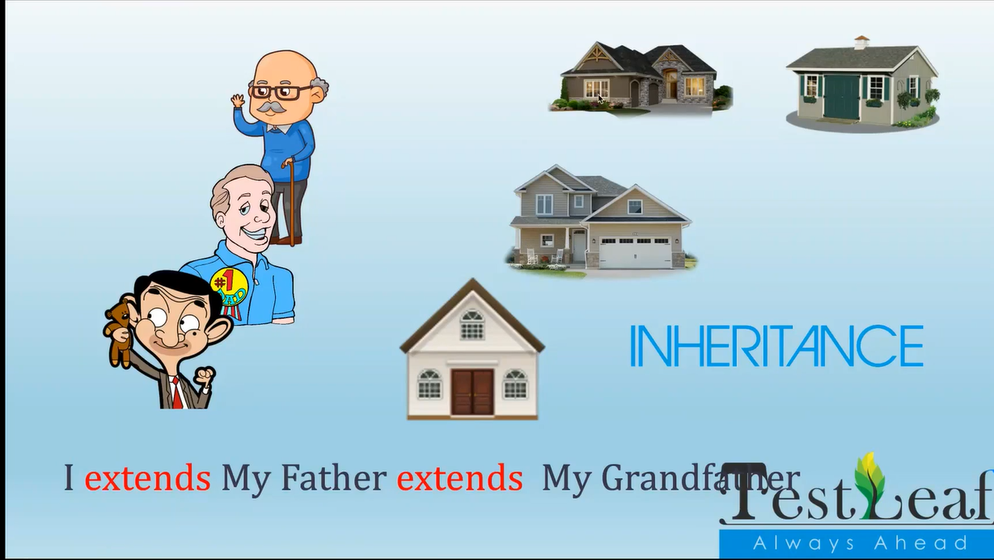

 |  |  | GrandFather |  | class
 |  |  | bungalow1() |  | method
 |  |  | castle()
 |  |  | Father |  | class
 |  |  | bungalow2()

 |  |  | Child |  | class
 |  |  | smallHouse()

 |  |  | Inheritence
 |  |  | Keyword: extends

 |  |  | Child | extends | Father
 |  |  | smallHouse()
 |  |  | bungalow2()

 |  |  | Father | extends | GrandFather
 |  |  | bungalow2() | own mthd
 |  |  | bungalow1() | inherited mthds
 |  |  | castle() | inherited mthds

 |  |  | Child | extends | Father
 |  |  | smallHouse()
 |  |  | bungalow2()
class A |  | class A | bungalow1()
 |  |  | castle()
class B |  | class B

 |  | class C | child class | parent class
 |  |  | derived class | base class
 | class A |  | sub class | super class

class B |  | class C
 |  |  | Types:
class E |  |  | single Inheritence
 |  |  | Multi Level Inheritence

Vehicle example
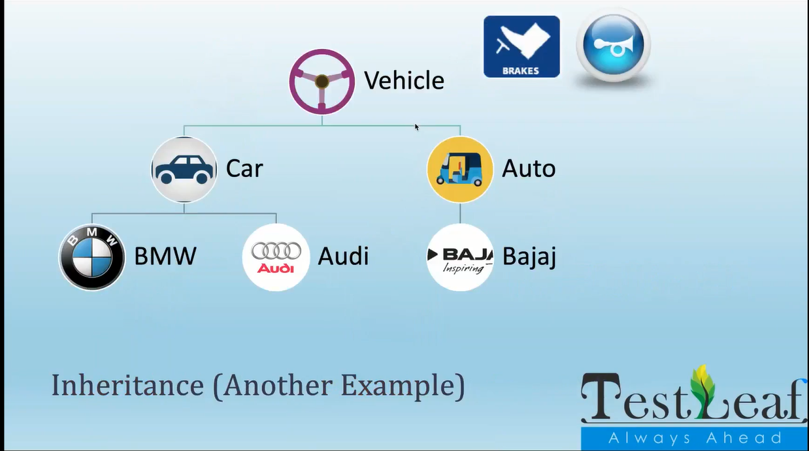

Final
