Tech Stack
Front-end | React.js, HTML, CSS
Backend | Node.js, Express.js
Dababase | MongoDB cloud
Authentication | JWT

Architectural design
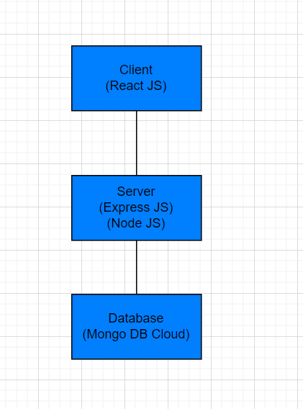

Sprint Planning
Sprint 0 | Initial setup (project structure, environment)
Sprint 1 | Authentication, Login, Registration, Basic Frontend
Sprint 2 | Patient Dashboard, Profile Management, Health Tips
Sprint 3 | Provider Dashboard, Appointment Requests, Security
Post Sprint 3 | Final enhancement and deployment

