Sheet1
Book | Reader | Staff | CallCard | CallCardInformation | ReturnCard

idBook: String | idReader: String | idStaff: int | idCallCard: String | callCard: CallCard | callCard: CallCard
nameBook: String | nameReader: String | nameStaff: String | reader: Reader | book: Book | book: Book
author: String | addressReader: String | addressStaff: String | staff: Staff | numberOfLoanBook: int | staff: Staff
category: String | email: String | emailStaff: String | bookLoanDay: LocalDateTime | returnDeadline: LocalDateTime | returnDate: LocalDateTime
publishingCompany: String | phoneNumber: String | phoneNumberStaff: String
publishingYear: Year | expiry: Date | username: String
reprintTime: int | lock: Boolean | password: String
numberOfBook: int | Reader() | role: String

Book() | Reader(full) | Staff() | CallCard() | CallCardInformation() | RetturnCard()
Book(full) | getter/setter | Staff(full) | CallCard(full) | CallCardInformation(full) | ReturnCard(full)
getter/setter |  | getter/setter | getter/setter | getter/setter | getter/setter

BookManagement implements IManagement | ReaderManagement implements IManagement | StaffManagement implements Imanagement | CallCardManagement | CallCardInformationManagement | ReturnCardManagement

books: List<Book> | readers: List<Reader> | staffs: List<Staff> | callCard: List<CallCard> | CallCardInforList: List<CallCardInformation> | returnCards: List<ReturnCard>
 |  | currentStaff: Staff

findBookByIdOrNameOrCompanyOrAuthor(String inp): List<Book> | autoSetLock(): void | findStaffByIdOrName(String inp): List<Staff> | addCallCard(CallCard): void | addCallCardInfor(CallCardInfor): void | findReturnCardById(String inp): List<ReturnCard>
 | findReaderByIdOrName(String inp): List<Reader> |  | deleteCallCard(String id): void | deleteCallCardInfor(String id): void
getBooks(): List<Book> |  | Login(String username, String password): boolean | findCallCardById(String id): CallCard | findCallCardInforById(String id): List<CallCardInfor>
 | extendExpiry(String id, Reader reader): void |  | getCallCards(): List<CallCard> |  | add(ReturnCard): void
 | getReaders(): List<Reader> | getter/setter |  | getCallCardInforList(): List<CallCardInformation>

FileBookCSV | FileReaderCSV | FileStaffCSV | FileCallCardCSV | FileCallCardInformationCSV | FileReturnCardCSV

writeFile | writeFile | writeFile | writeFile | writeFile | writeFile
readFile | readFile | readFile | readFile | readFile | readFile

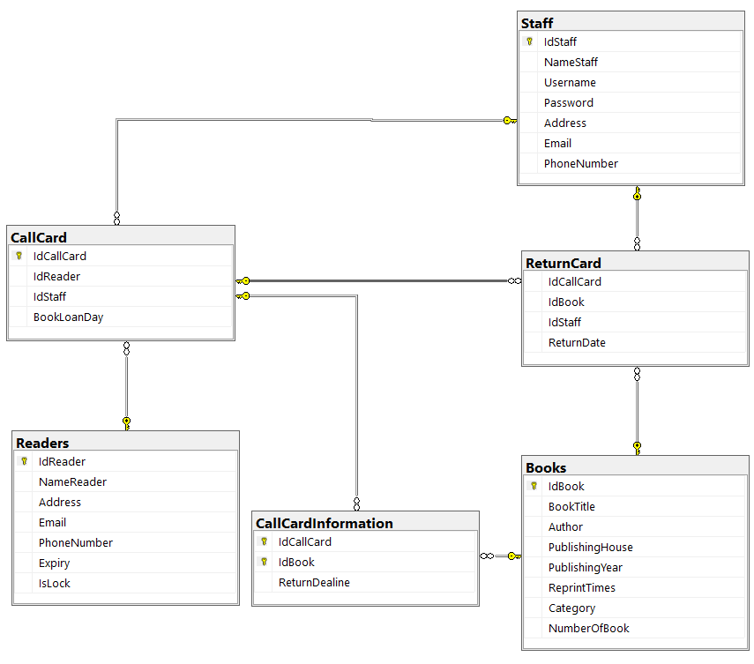
IManagement <T t>

add(T t): void
delete(T t): void
edit(T t, T t): void
findIndexById(String id): void

