Mockup
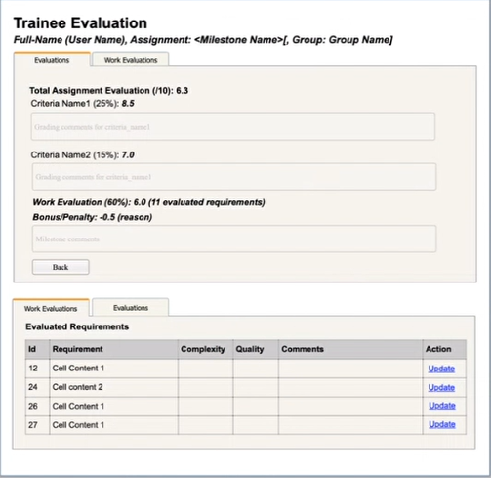
My Schedule
Show các cột: Class, Module, Topic, From-Time, To-Time, Take Attendance, Action
Action: Take/Edit Attendance -> Link to the Attendance Tracking page
Click link View Attendance Reports -> Link to the Attendance Reports page

Class Evaluations
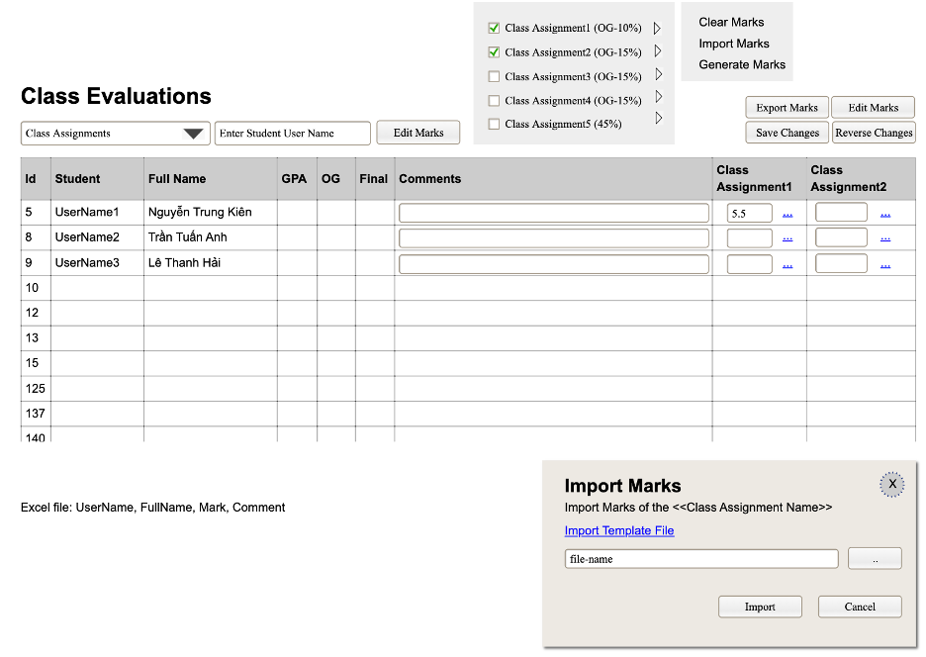

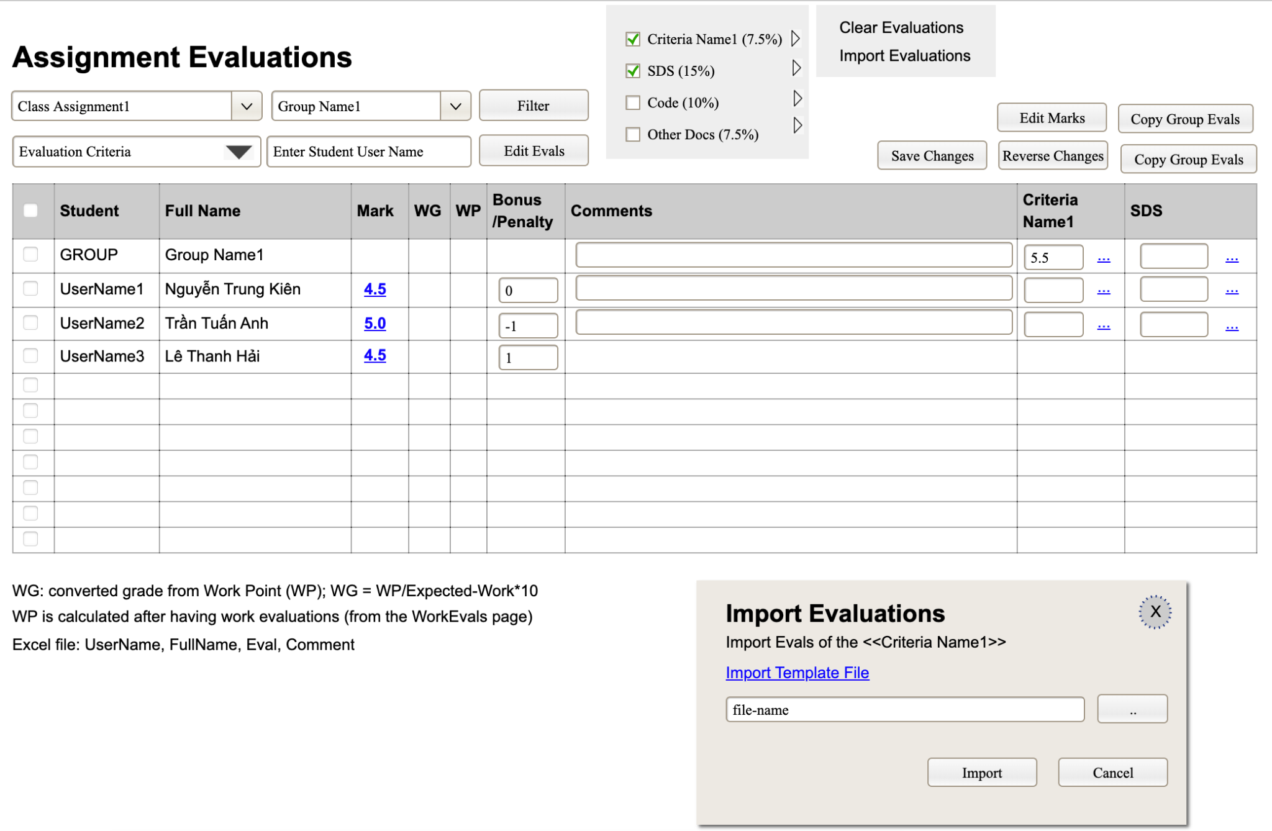
Assignment Evaluations

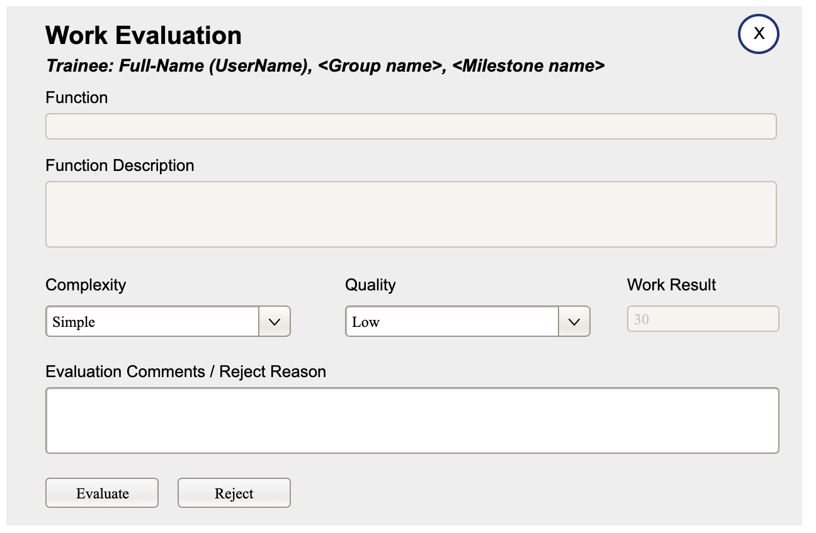
Work Evaluations

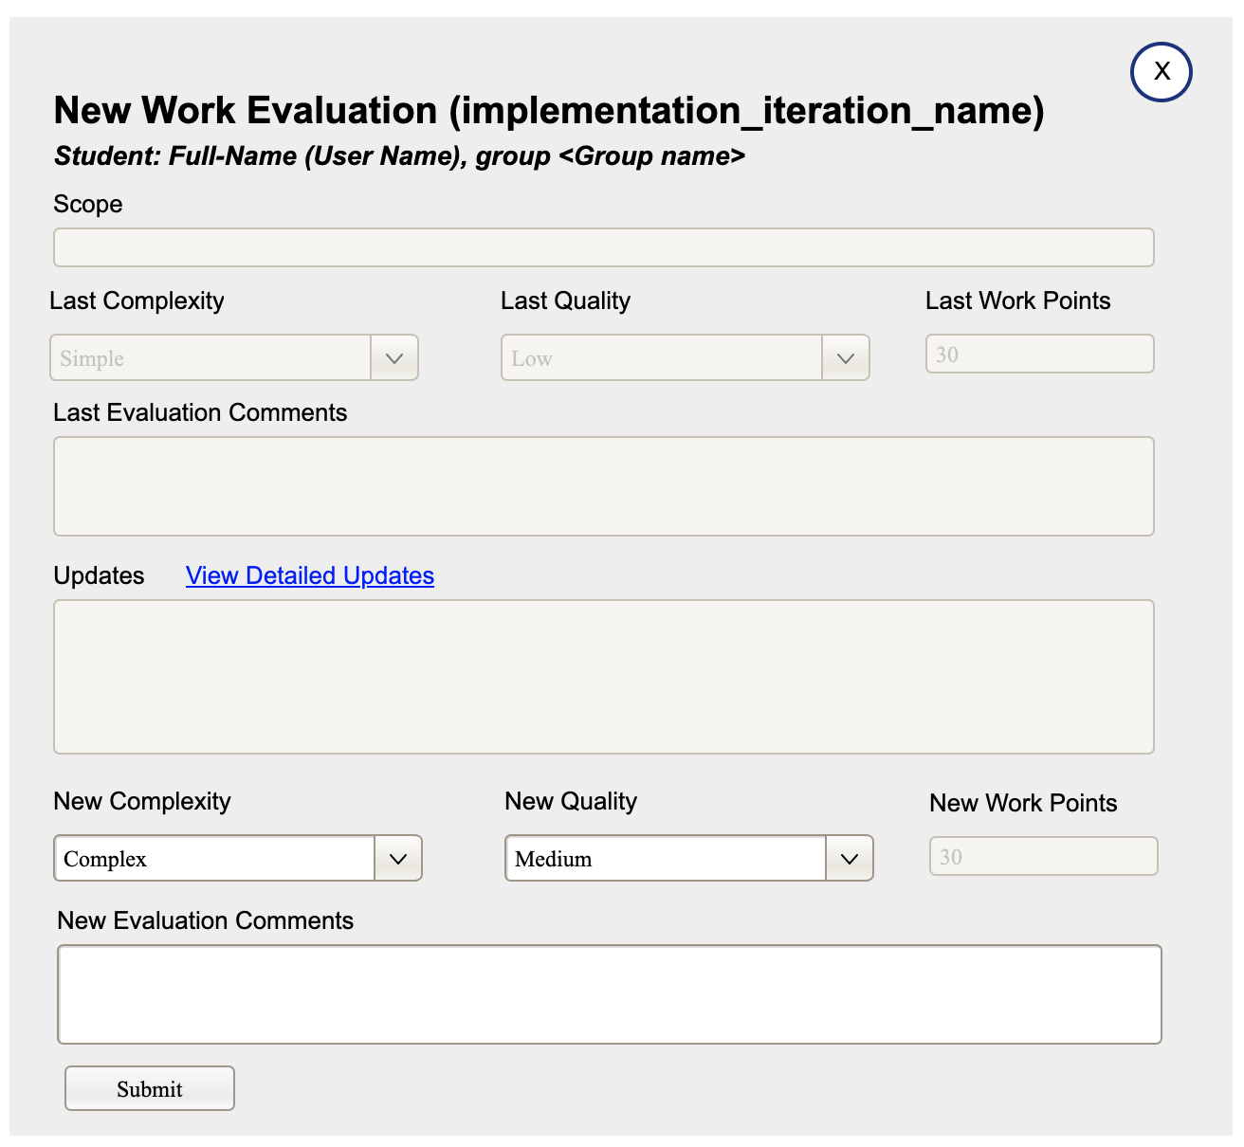

Submit List

New Submit

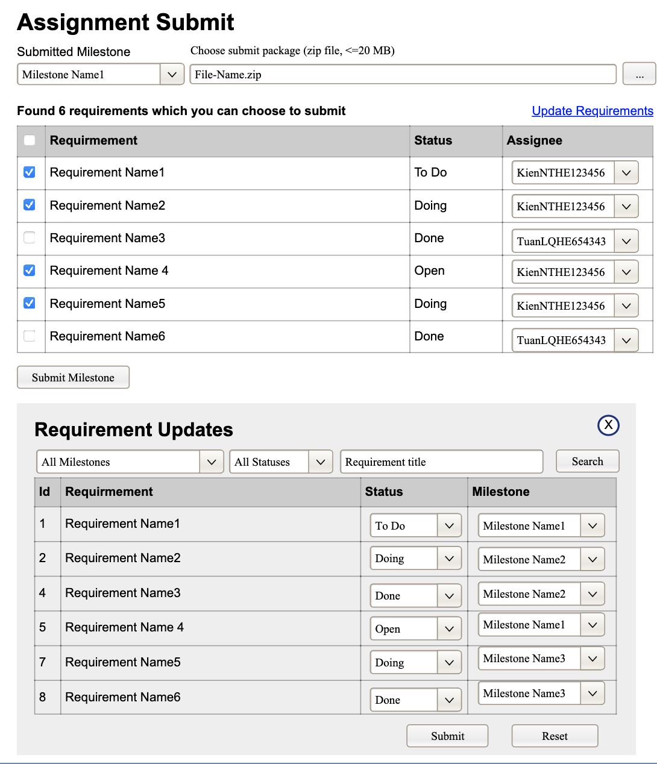

Trainee Evaluation

ERD
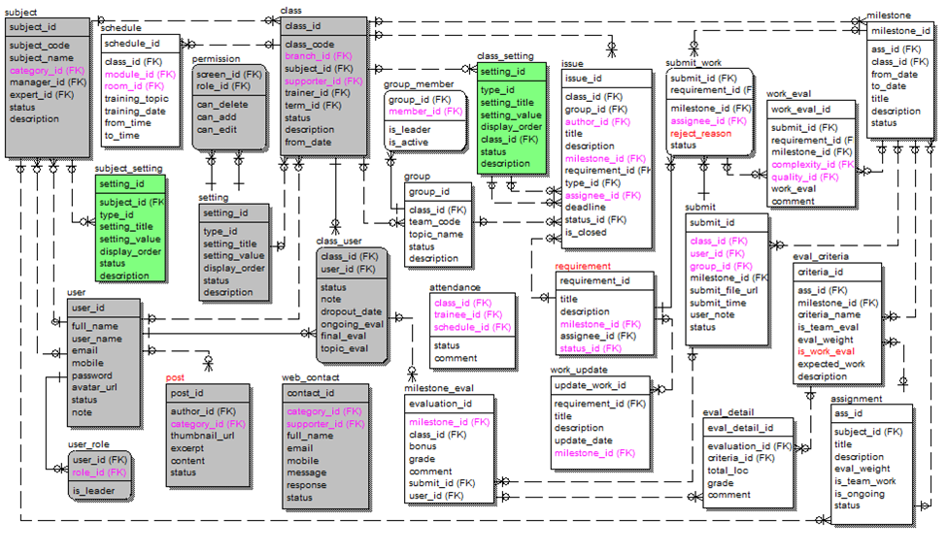
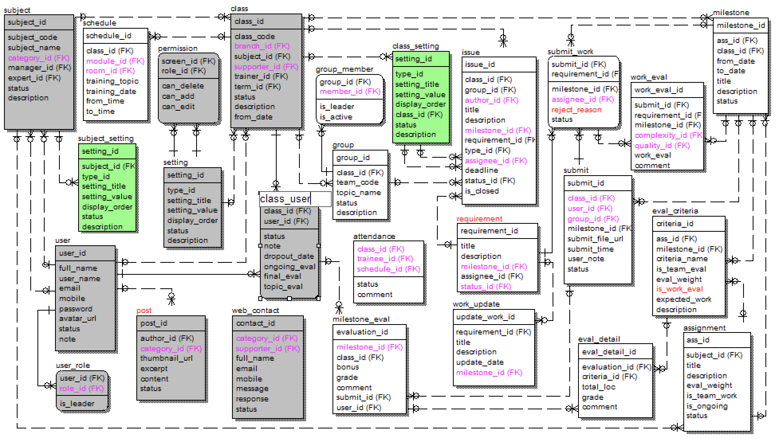
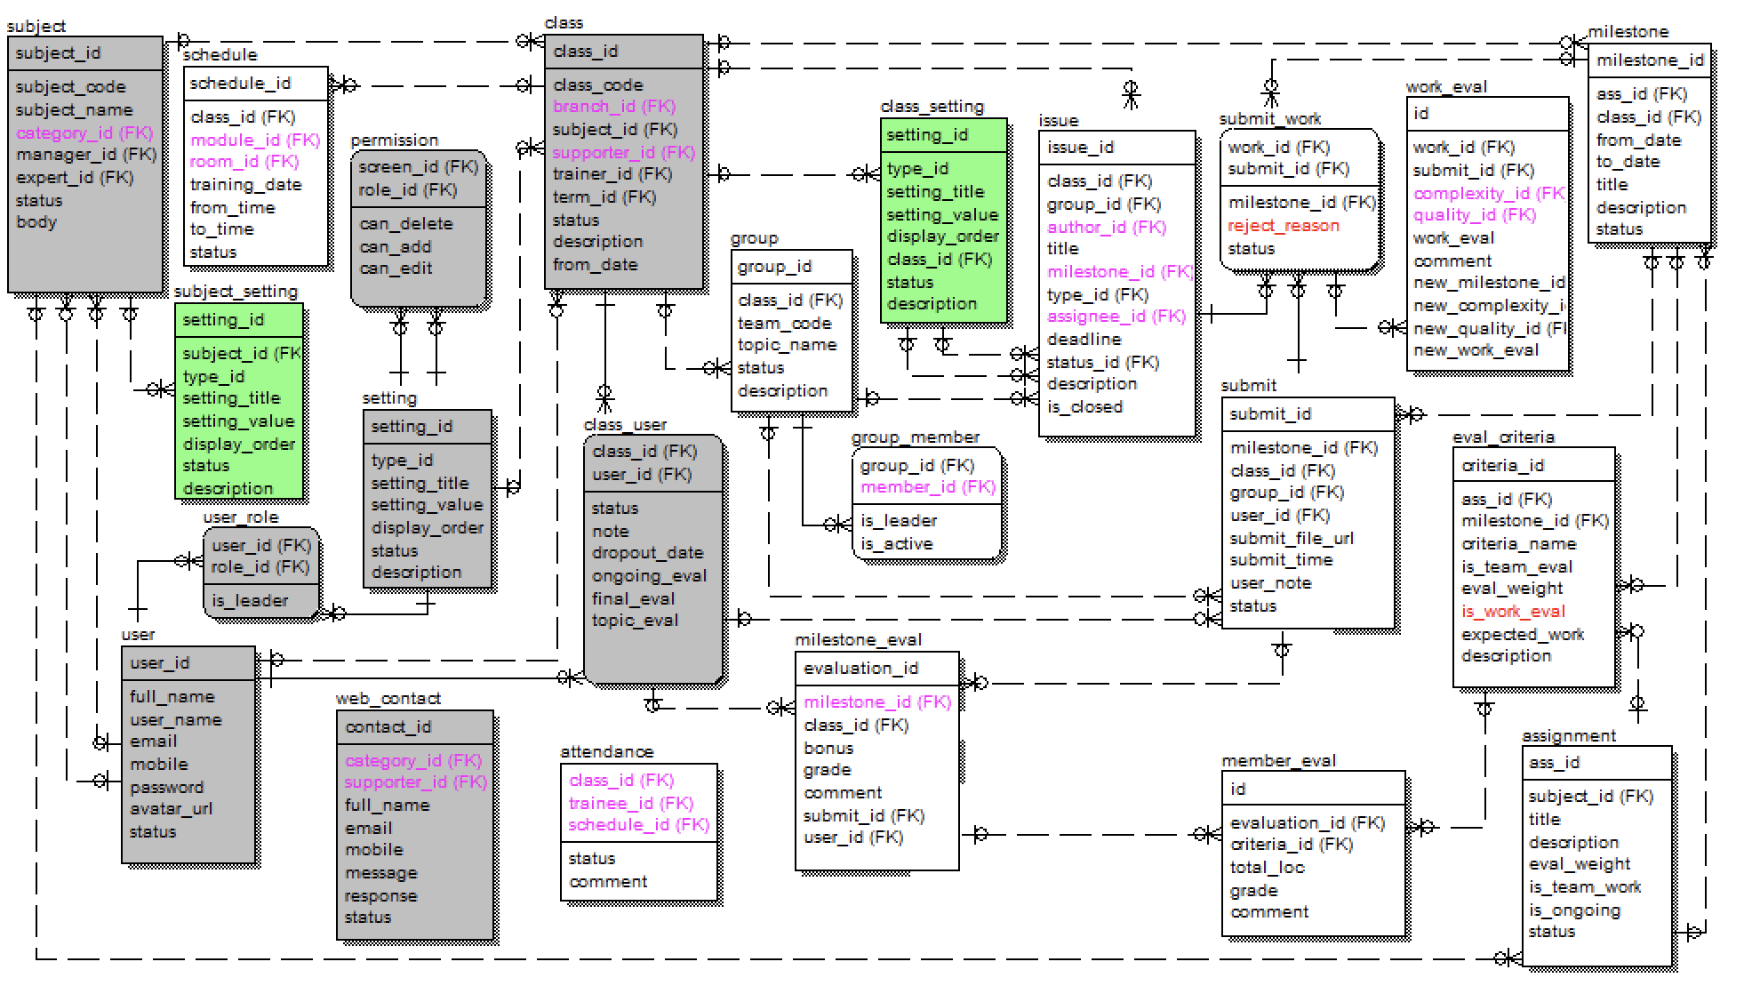
 | Milestone List => New Milestone: chọn Ass -> copy tilte/desc -> edit: title, from-date, to-date, desc -> submit: create milestone record + duplicate ass eval criteria for the milestones
 |  | Edit Milestone: edit title, from-date, to-date, desc + show selected assignement (read-only)

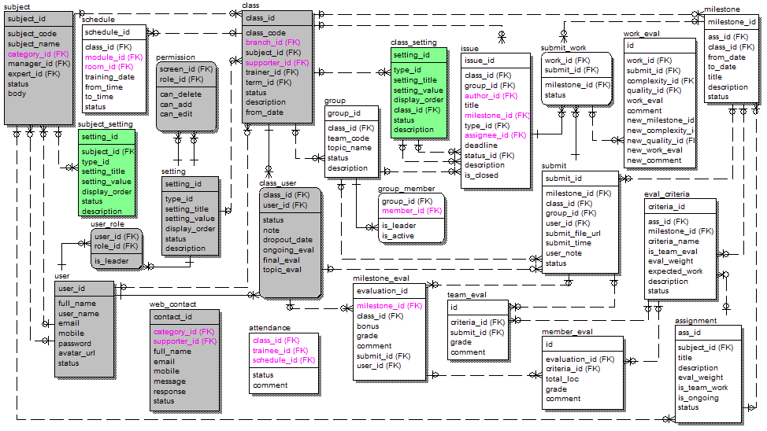

Lastest ERD

Screen Flow
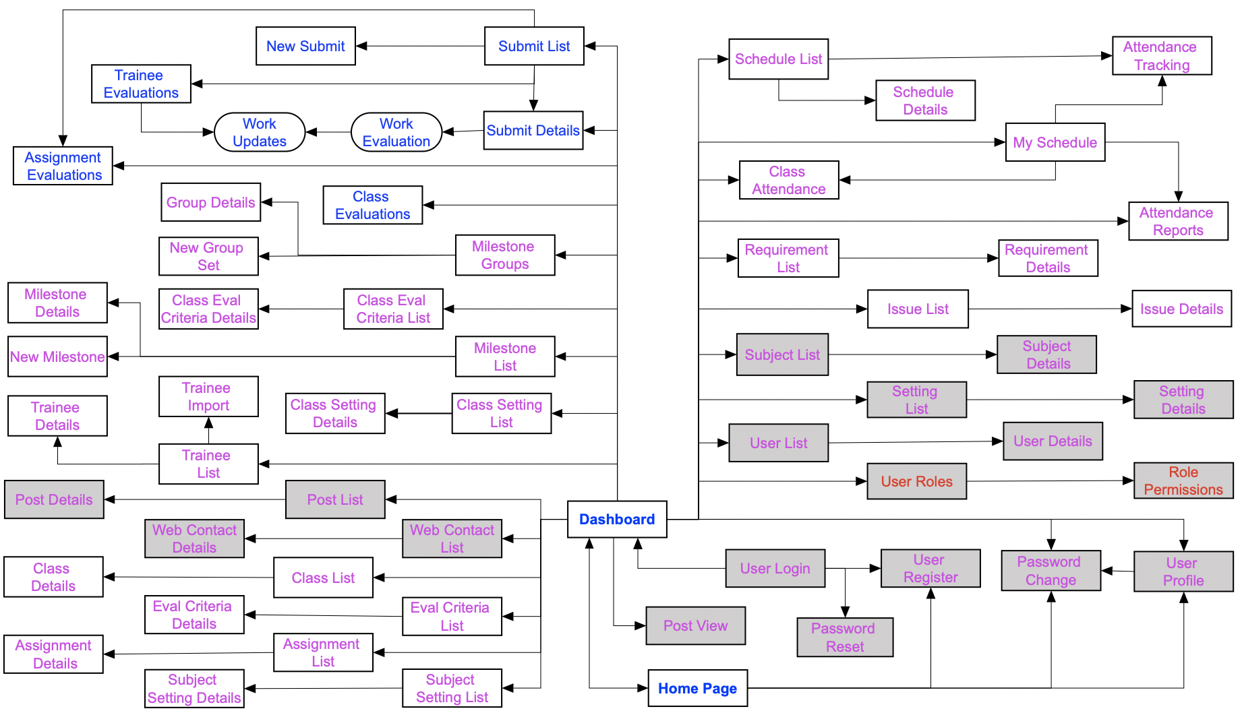

Defect
Defect ID | Defect Date | Screen | Status | Title | Description |  | Reported By | Solved By | Solved Date | Solve Description | Recheck By | Recheck Date
 |  |  |  |  | Current | Expect
1 | 10/10/2022 | User Profile | Solved | Notification | After update information, screen show "You have change your password successfully" | After update information, screen show "You have change your profile successfully" | Viet | Hoang | 10/10/2022 |  | Viet | 10/10/2022
2 | 10/10/2022 | User Profile | Solved | Notification | After update image, screen show "You have change your password successfully" | After update image, screen show "You have change your avatar successfully" | Viet | Hoang | 10/10/2022 |  | Viet | 10/10/2022
3 | 10/10/2022 | User Profile | Solved | Edit Avatar | Update Avatar fail | Update Avatar successfully | Viet | Hoang | 10/10/2022 |  | Viet | 10/10/2022
4 | 10/10/2022 | User Profile | Solved | Edit | Reset button did not work with Phone Number field if the default value is null | Reset button is work with Phone Number field if the default value is null | Viet | Hoang | 10/10/2022 |  | Viet | 10/10/2022
5 | 10/10/2022 | User Profile | Solved | Edit | Cancel button did not clean Phone Number field if the default value is null | Cancel button is clean Phone Number field if the default value is null | Viet | Hoang | 10/10/2022 |  | Viet | 10/10/2022
6 | 11/10/2022 | Home Page | Solved | Paginate | Paginate did not working | Paginate return exact result | Viet | Hoang | 11/10/2022 | Pagination correctly | Viet | 12/10/2022
7 | 14/10/2022 | System Settings | Solved | Filter | Can not filter by type | Filter type return exact result | Hoang | Hoang | 15/10/2022 |  | Viet | 16/10/2022
8 | 14/10/2022 | Subject Management | Solved | Filter | Filter by expect do not show all of expect | Filter by expect show all of expect | Viet | Quan | 15/10/2022 |  | Viet | 16/10/2022
9 | 14/10/2022 | Class List | Solved | Filter | Filter by supporter do not show all of supporter | Filter by supporter show all of supporter | Viet | Chinh | 15/10/2022 |  | Viet | 16/10/2022
10 | 14/10/2022 | Web Contact List | Solved | Paginate | Can't access another page | Access another page | Viet | Hoang | 15/10/2022 |  | Viet | 16/10/2022
11 | 14/10/2022 | Web Contact List | Solved | Filter | Can't filter by Category | Filter category return exact result | Viet | Quan | 15/10/2022 |  | Viet | 16/10/2022
12 | 14/10/2022 | Web Contact Detail | Solved | Edit | After edit with empty value of response. Screen show "Something went wrong" | Screen show "Response can't empty" | Viet | Hoang | 15/10/2022 | Missing token | Viet | 16/10/2022
13 | 14/10/2022 | User List | Solved | Paginate | Can't access another page after user used search or filter function except page 1 | Access another page after user used search or filter function | Viet | Hoang | 15/10/2022 |  | Viet | 16/10/2022
14 | 17/10/2022 | User List | Solved | Refresh | Refresh function did not clean search value, so Paginate show error result | Refresh function clean search value | Viet | Hoang | 18/10/2022 | Clear search filter when click Refresh | Viet | 19/10/2022
15 | 17/10/2022 | User List | Solved | Filter | All of filter is not woking parallel with search value | All of filter is woking parallel with search value | Viet | Hoang | 18/10/2022 | Fix search query | Viet | 19/10/2022
16 | 17/10/2022 | User Add | Solved | Email | Create new user successfully with invalid form of email | Create new user fail with invalid form of email | Viet | Hoang | 17/10/2022 | Missing validate email | Viet | 19/10/2022
17 | 17/10/2022 | Seting Add | Solved | Title | Add new with Title field as successful spaces | Can't add new with Title field as successful spaces | Phong | Hoang | 17/10/2022 |  | Phong | 19/10/2023
18 | 17/10/2022 | Seting Add | Solved | Value | Add new with Value field as successful spaces | Can't add new with Value field as successful spaces | Phong | Hoang | 17/10/2022 |  | Phong | 19/10/2024
19 | 17/10/2022 | Seting Detail | Solved | Title | Edit with Title field as successful spaces | Can't edit with Title field as successful spaces | Phong | Hoang | 17/10/2022 |  | Phong | 19/10/2025
20 | 17/10/2022 | Seting Detail | Solved | Value | Edit with Value field as successful spaces | Can't edit with Value field as successful spaces | Phong | Hoang | 17/10/2022 |  | Phong | 19/10/2026
21 | 17/10/2022 | Subject Add | Solved | Code | Add new with Code field as successful spaces | Can't add new with Code field as successful spaces | Phong | Hoang | 17/10/2022 |  | Phong | 19/10/2027
22 | 17/10/2022 | Subject Add | Solved | Name | Add new with Name field as successful spaces | Can't add new with Name field as successful spaces | Phong | Hoang | 17/10/2022 |  | Phong | 19/10/2028
23 | 17/10/2022 | Subject Detail | Solved | Code | Edit with Code field as successful spaces | Can't edit with Code field as successful spaces | Phong | Hoang | 17/10/2022 |  | Phong | 19/10/2029
24 | 17/10/2022 | Subject Detail | Solved | Name | Edit with Name field as successful spaces | Can't edit with Name field as successful spaces | Phong | Hoang | 17/10/2022 |  | Phong | 19/10/2030
25 | 17/10/2022 | Class Trainees | Solved | Filter | Filter is not woking parallel with search value | Filter is woking parallel with search value | Viet | Hoang | 17/10/2022 |  | Viet | 19/10/2022
26 | 17/10/2022 | Trainee Details | Solved | Dropout | Dropout is not woking in the first action | Dropout is woking well at everytime | Viet | Hoang | 17/10/2022 | Fix state | Viet | 19/10/2022
27 | 17/10/2022 | Trainee Import | Solved | Notification | After import fail, screen show "Import Trainee Successfully" | After import fail, screen show "Import Trainee Fail" | Viet | Hoang | 17/10/2022 | Follow requirement | Viet | 19/10/2022
28 | 17/10/2022 | Class Setting Detail | Solved | Edit | Edit fail | Edit Successful | Viet | Hoang | 17/10/2022 |  | Viet | 19/10/2022
29 | 18/10/2022 | Class Settings | Solved | Filter | All of filter is not woking parallel with search value | All of filter is woking parallel with search value | Viet | Hoang | 18/10/2022 |  | Viet | 19/10/2022
30 | 18/10/2022 | Subject Assignments | Solved | Filter | All of filter is not woking parallel with search value | All of filter is woking parallel with search value | Viet | Hoang | 18/10/2022 |  | Viet | 19/10/2022
31 | 19/10/2022 | Assignment Add | Solved | Evaluation Weight | Can input negative number | Input a number between 0 and 100 | Viet | Hoang | 18/10/2022 |  | Viet | 19/10/2022
32 | 19/10/2022 | Subject Assignment | Solved | Refresh | Can't refresh screen to default value | Refresh screen to default value | Viet | Hoang | 18/10/2022 |  | Viet | 19/10/2022
33 | 28/10/2022 | Eval Criteria Add; Eval Criteria Details | Solved | Expected Work | Expected Work can negative | Expected Work's value is between 0 and 100 | Viet | Hoang | 1/11/2022 |  | Viet | 3/11/2022
34 | 28/10/2022 | Eval Criteria Add | Solved | Create | Create Fail | Create Successful | Viet | Chinh | 1/11/2022 |  | Viet | 3/11/2022
35 | 28/10/2022 | Eval Criteria Add | Solved | Create | One field is missing is isWorkEval | No field is missing | Viet | Chinh, Hoang | 1/11/2022 |  | Viet | 3/11/2022
36 | 28/10/2022 | Eval Criteria Details | Solved | Edit | Edit Fail | Edit Successful | Viet | Chinh | 1/11/2022 |  | Viet | 3/11/2022
37 | 28/10/2022 | Eval Criteria Details | Solved | Edit | One field is missing is isWorkEval | No field is missing | Viet | Chinh, Hoang | 1/11/2022 |  | Viet | 3/11/2022
38 | 2/11/2022 | Class Assignments | Solved | Filter | Can not filter by class | Filter class return exact result | Viet | Quan | 5/11/2022 |  | Viet | 6/11/2022
39 | 2/11/2022 | Class Assignments | Solved | Filter | Can not filter by status | Filter status return exact result | Viet | Quan | 5/11/2022 |  | Viet | 6/11/2022
40 | 2/11/2022 | Milestone Details | Solved | Edit | Show Edit button for milestone that has status is In_process or Closed | Hide Edit button for milestone that has status is In_process or Closed | Viet | Hoang | 5/11/2022 |  | Viet | 6/11/2022
41 | 2/11/2022 | Milestone Add | Solved | Title | Can create more than 1 milestone with a title | Can not create more than 1 milestone with a title | Viet | Quan | 5/11/2022 |  | Viet | 6/11/2022
42 | 2/11/2022 | Class Assignments | Solved | Filter | All of filter is not woking parallel with search value | All of filter is woking parallel with search value | Viet | Hoang | 3/11/2022 | Fix filter | Viet | 6/11/2022
43 | 2/11/2022 | Class Assignments | Solved | Paginate | Paginate working wrong, click page 1 then screen show page 2 and opposite | Paginate working well | Viet | Hoang | 3/11/2022 | Fix pagination | Viet | 6/11/2022
44 | 2/11/2022 | MIlestone Add | Solved | Select Assignment | Select them same Subject Assignment for 2 Assignment, screen show "Something went wrong" | Screen show "Subject Assignment were used already" | Viet | Hoang Quan | 3/11/2022 |  | Viet | 6/11/2022
45 | 2/11/2022 | New Group | Solved | Reuse Group | Reuse Group working wrong, Reuse Group is not clean old group before reuse new group | Reuse Group working well | Viet | Hoang, Quan | 3/11/2022 |  | Viet | 13/11/2022
46 | 2/11/2022 | New Group | Solved | Random Group | After user create group by another way then create group by Random Group, it will not working. But Random group is working well if user remove group and create by Random Group | Random Group working well | Viet | Hoang, Quan | 3/11/2022
47 | 3/11/2022 | Issue Management | Solved | Status in Batch Change | 2 Done value | Status have 1 done value | Viet | Chinh | 12/11/2022 |  | Viet | 13/11/2022
48 | 2/11/2022 | Issue Management | Solved | Filter | Filter by Requirement error | Filter requirement return exact result | Viet | Hoang | 12/11/2022 |  | Viet | 13/11/2022
49 | 2/11/2022 | Issue Add | Solved | Requirement | Requirement is not filter by milestone | Requirement is filter by milestone | Viet | Hoang, Chinh | 12/11/2022 |  | Viet | 13/11/2022
50 | 3/11/2022 | Issue Management | Solved | Filter | Filter by Status error | Filter status return exact result | Viet | Chinh | 12/11/2022 |  | Viet | 13/11/2022
51 | 24/11/2022 | Assignment Evaluation | Solved | Notification | After update mark by Copy Group Evaluation function. Screen show "Clear Evaluation successfully!" | After update mark by Copy Group Evaluation function. Screen show "Copy Evaluation successfully!" | Viet | Hoang | 25/11/2022 | Wrong message | Viet | 26/11/2022
52 | 24/11/2022 | Assignment Evaluation | Solved | WP, WG | Screen do not show WG, WP | Screen show WG, WP | Viet | Hoang, Chinh | 25/11/2022 |  | Viet | 26/11/2022
53 | 24/11/2022 | Assignment Evaluation | Solved | WP, WG | No responsive for WG, WP columns | Have responsive for WG, Wp columns | Viet | Hoang | 25/11/2022 | Fixed with of column table | Viet | 26/11/2022
54 | 27/11/2022 | Work Update | Solved | Title | Newly added with the same title successfully | Cannot add new Duplicate Title | Phong | Hoang | 28/11/2022 | Can add new work update with same title | Phong | 27/11/2022
55 | 27/11/2022 | Work Update | Solved | Title | Edit with the same title successfully | Cannot edit Duplicate Title | Phong | Hoang | 28/11/2022 | Can add new work update with same content | Phong | 27/11/2022
56 | 27/11/2022 | Work Update | Solved | Title | Add new with title as successful spaces | Show error message can't add work update with title or content is empty | Phong | Hoang | 28/11/2022 | Need check .trim() and empty | Phong | 28/11/2022
57 | 27/11/2022 | Submit Detail | Solved | Evaluted | Trainer click Evaluate fail | Click Evaluate show pop-up and can evaluate requirement | Phong | Hoang | 28/11/2022 | Missing Quality dropdown | Phong | 27/11/2022
58 | 28/11/2022 | Class Evaluations | Solved |  | Trainer cannot access the Class Evaluation screen | Trainer can access the Class Evaluation screen | Phong | Hoang | 28/11/2022 |  | Phong | 29/11/2022
59 | 28/11/2022 | Sidebar | Solved | My Schedule | No link to access My Schedule | Sidebar has link to access My Schedule | Viet | Hoang | 29/11/2022 | Move 'My Schedule" from sidebar to avatar dropdown in header | Viet | 29/11/2022
60 | 28/11/2022 | User Add | Solved | Role of User | After the add is successful, go back to the screen of the newly added user list without a role, need to Edit to appear | Show Role successfully after Add User | Phong | Hoang Quan | 29/11/2022 |  | Phong | 29/11/2022
61 | 28/11/2022 | System Settings Detail | Solved | Title | Title can be changed to spaces | Title can't be changed to spaces | Phong | Hoang | 29/11/2022 | Fix title with trim() | Phong | 28/11/2022
62 | 28/11/2022 | System Settings Add | Solved | Title | Can add Title is a string of spaces | Can not add Title is a string of spaces | Phong | Hoang | 29/11/2022 | Fix title with trim() | Phong | 28/11/2022
63 | 28/11/2022 | Subject Detail | Solved | Notification | Edit successful but the notification status is red color | Edit successful and the notification status is green color | Phong | Hoang | 29/11/2022 | Fix color | Phong | 28/11/2022
64 | 28/11/2022 | Subject Add | Solved | Notification | Add new successful but the notification status is red | Add new successful and the notification status is green color | Phong | Hoang | 29/11/2022 | Fix color | Phong | 28/11/2022
65 | 28/11/2022 | Class Detail | Solved | Class Name | Class name can be changed to spaces | Class name can not change to spaces | Phong | Hoang | 28/11/2022 | Fix class with trim() | Phong | 28/11/2022
66 | 28/11/2022 | Class Add | Solved | Class Name | Can add Class name is a string of spaces | Can not add Class name is a string of spaces | Phong | Hoang | 28/11/2022 | Fix class with trim() | Phong | 28/11/2022
67 | 28/11/2022 | Subject Settings Detail | Solved | Title | Title can be changed to spaces | Title can not be changed to spaces | Phong | Hoang | 28/11/2022 |  | Phong | 28/11/2022
68 | 28/11/2022 | Subject Settings Add | Solved | Title | Can add Title is a string of spaces | Can not add Title is a string of spaces | Phong | Hoang | 29/11/2022 | Fix class with trim() | Phong | 28/11/2023
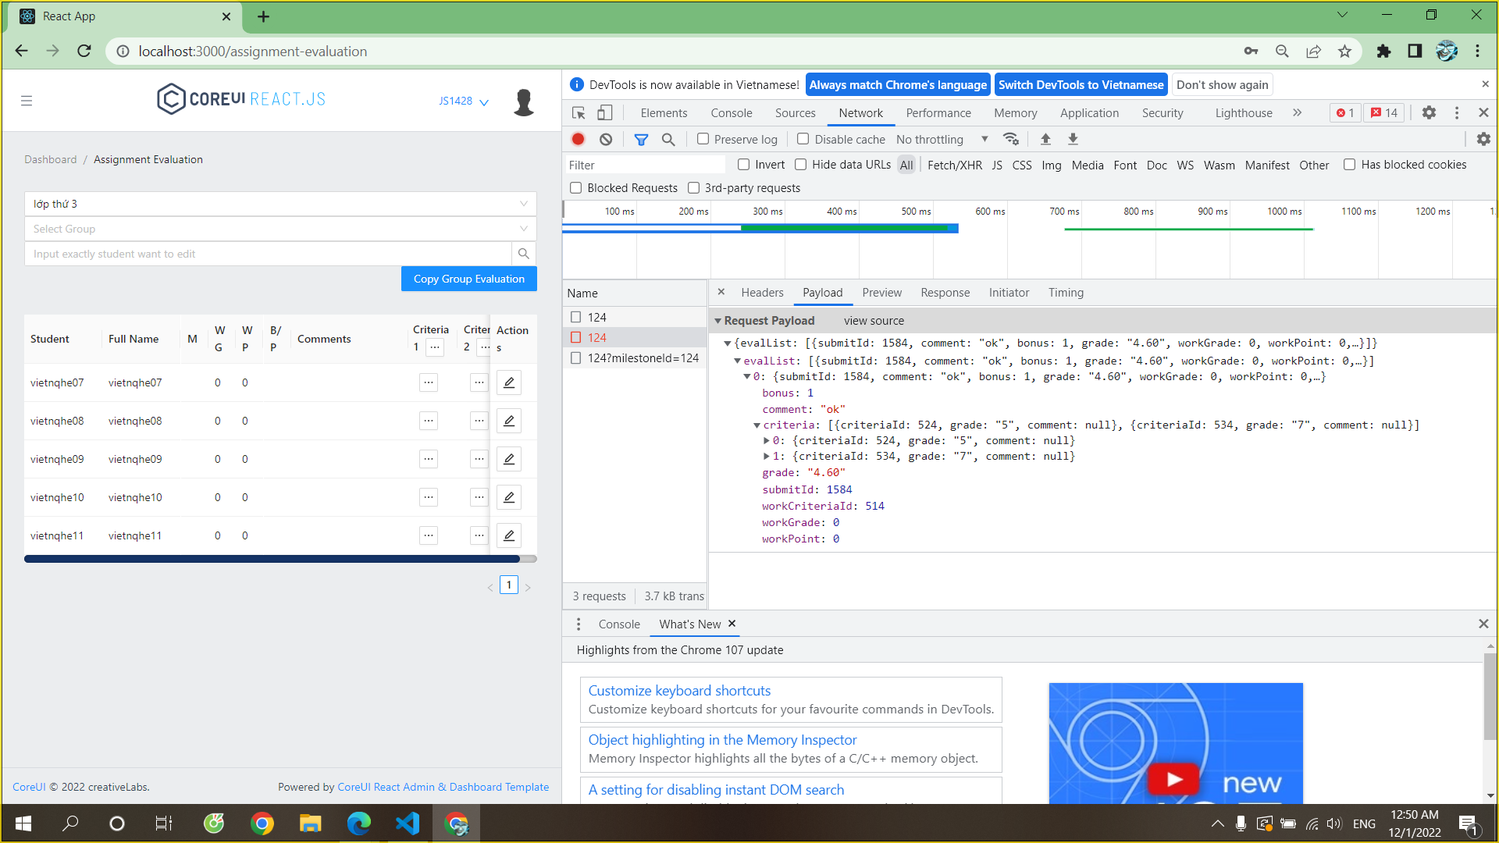
69 | 28/11/2022 | Subject Assignments | Solved | Filter by Subject | After switching page filter by Subject does not display data | Filter success | Phong | Hoang | 29/11/2022 |  | Phong | 28/11/2024
70 | 28/11/2022 | Assignment Evaluation | Solved | Edit | Edit Mark Fail (Individual) | Edit Mark Successfully | Viet | Hoang Chinh | 29/11/2022 |  | Viet | 29/11/2022
71 | 28/11/2022 | Assignment Evaluation | Solved | Edit | After edit Mark Fail (Individual), the page is reload to empty page | Edit Mark Successfully | Viet | Hoang Chinh | 29/11/2022 |  | Viet | 29/11/2022
72 | 28/11/2022 | Assignment Evaluation | Solved | Mark | Too many decimals | Taken from the second decimal | Viet | Hoang | 29/11/2022 |  | Viet | 29/11/2022
73 | 28/11/2022 | Class Evaluation | Solved | Import Mark | Can Import a number higher than 10 | Can't Import a number higher than 10 | Viet | Hoang | 29/11/2022 |  | Viet | 29/11/2022
74 | 28/11/2022 | Class Evaluation | Solved | Generate Mark | Generate Mark is not working | Generate Mark is working well | Viet | Hoang Chinh | 29/11/2022 |  | Viet | 29/11/2022
75 | 28/11/2022 | Class Evaluation | Solved | Edit | Cannot be edited mark from row 2 onwards | Edit Mark is working well | Viet | Hoang Chinh | 29/11/2022 |  | Viet | 29/11/2022
76 | 28/11/2022 | Class Evaluation | Solved | Import Mark | Cannot be import mark from row 2 onwards | Import Mark woking well | Viet | Hoang Chinh | 29/11/2022 |  | Viet | 29/11/2022
77 | 28/11/2022 | Class Evaluation | Solved | Edit | Cannot be edited comment for each criteria of each student from row 2 onwards | Edit Comment is working well | Viet | Hoang Chinh | 29/11/2022 |  | Viet | 29/11/2022
78 | 28/11/2022 | Class Evaluation | Solved | Authorization | Trainee can edit | Trainee can view only | Viet | Hoang | 29/11/2022 |  | Viet | 29/11/2022
79 | 28/11/2022 | Class Evaluation | Solved | Generate Mark | Too many decimals | Taken from the second decimal | Viet | Hoang | 29/11/2022 |  | Viet | 29/11/2022
80 | 28/11/2022 | Class Evaluation | Solved | Import Mark | Can import with a file has invalid data | Can not import with a file has invalid data, screen show notification | Viet | Hoang | 29/11/2022 |  | Viet | 29/11/2022
81 | 29/11/2022 | Attendance Report | Solved | Absent Percent | Calculate % absent is incorrect | Calculate % absent is correct | Phong | Hoang Chinh | 29/11/2022 |  | Phong | 1/12/2022
82 | 29/11/2022 | Schedule List | Solved | Attendance Status | Attendance Status after Take Attendance not change from Edit Attendance to Attendance Taken | Attendance Status automatically change from Edit Attendance to Attendance Taken after 3 days | Phong | Hoang | 29/11/2022 |  | Phong | 2/12/2022
83 | 30/11/2022 | New Post | Solved | Create Post | Sometime user can not create post. Error message: "could not execute statement; nested exception is org.hibernate.exception.GenericJDBCException: could not execute statement" | Create post working well | Viet
84 | 30/11/2022 | Subject Details | Solved | Empty value | Can enter empty value | Can not enter empty value | Hoang | Hoang | 6/12/2022 |  | Viet | 6/12/2022
85 | 30/11/2022 | Milestone Add | Solved | Create Milestone | Can't create new milestone. Error message: "could not execute statement; SQL [n/a]; nested exception is org.hibernate.exception.DataException: could not execute statement" | Can not enter empty value | Viet |  |  |  | Viet | 6/12/2022
86 | 2/12/2022 | Submit Details | Solved | Evaluate | Screen be empty. | Screen show evaluate pop-up | Viet | Hoang | 6/12/2022 | Complexity and Quality empty | Viet | 6/12/2022
87 | 2/12/2022 | Assignment Evaluation | Solved | Edit Mark | Screen be empty after edit mark of group (data are still be save) | Screen working good after edit mark of group (data are still be save) | Viet | Hoang | 6/12/2022 |  | Viet | 6/12/2022
88 | 2/12/2022 | Group List | Solved | Move leader | After move a leader out of group, no trainee were set as leader | After move a leader out of group, a trainee will be set as leader | Viet | Hoang | 6/12/2022 |  | Viet | 6/12/2022

