Odoo Screenshots
No. | Odoo screen | File | Preview
01 | Home apps | 01_home_apps.png | 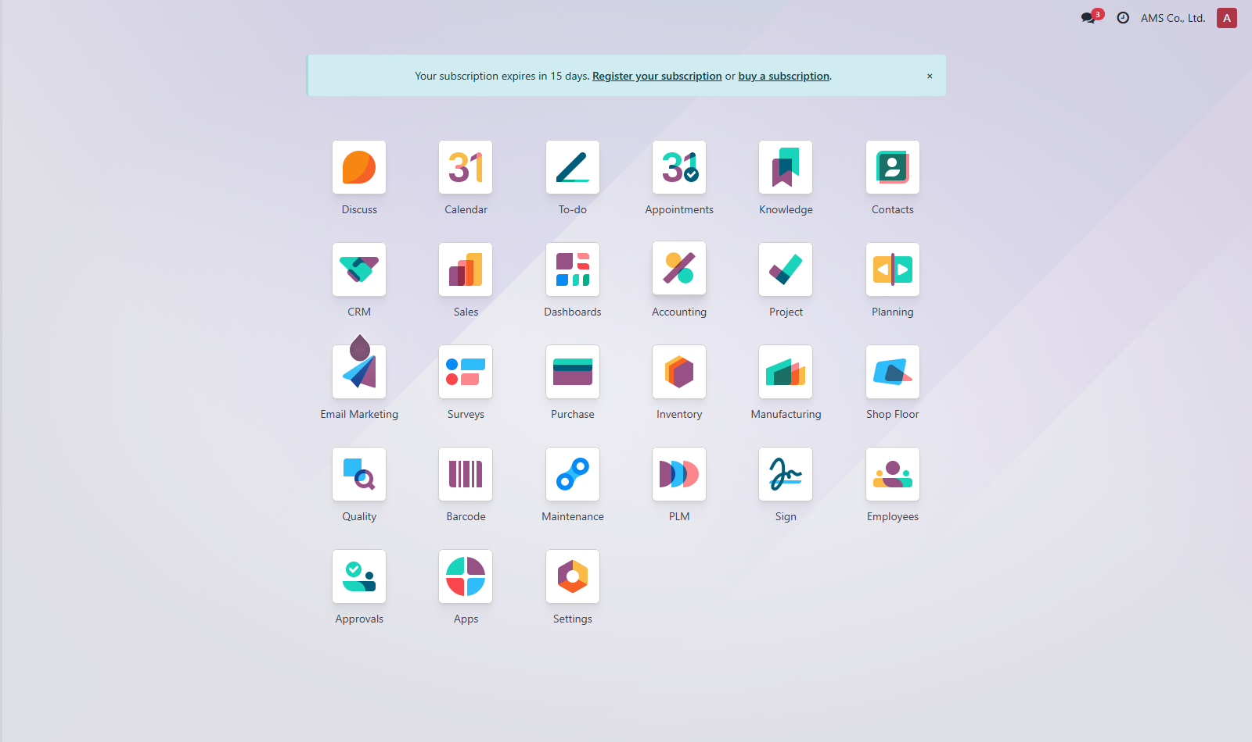
02 | Sales Quotation | 02_sales_quotation.png | 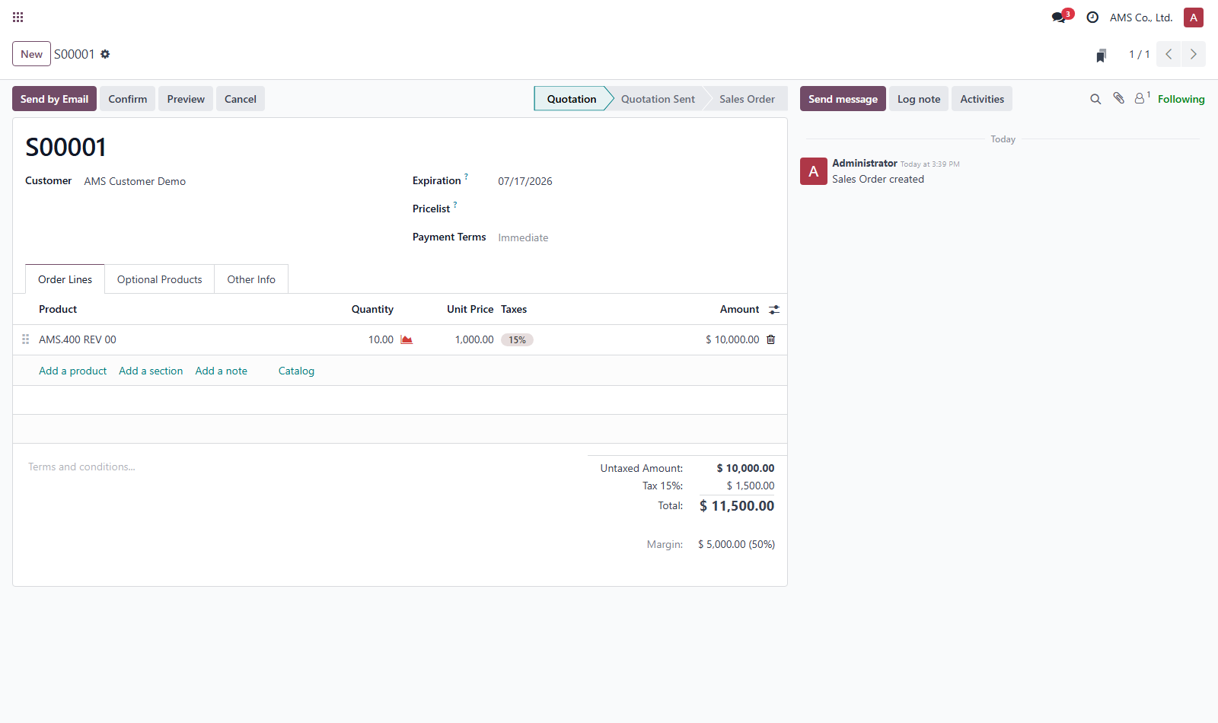
03 | Purchase RFQ | 03_purchase_rfq.png | 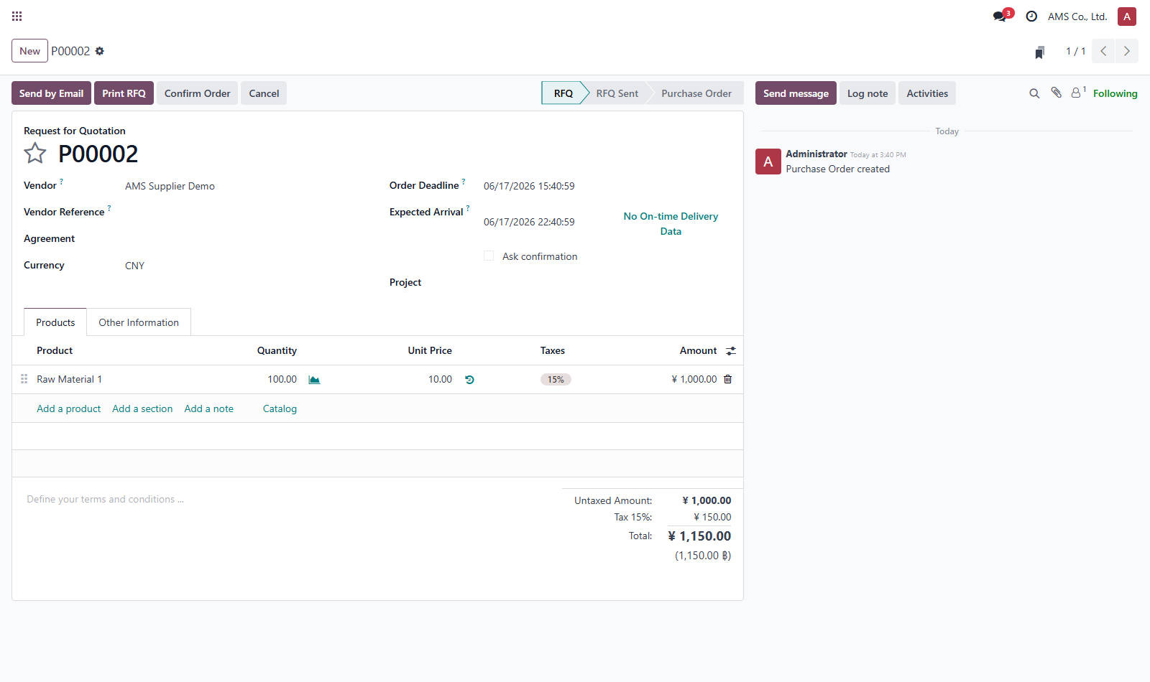
04 | Purchase Blanket Agreement | 04_purchase_blanket_agreement.png | 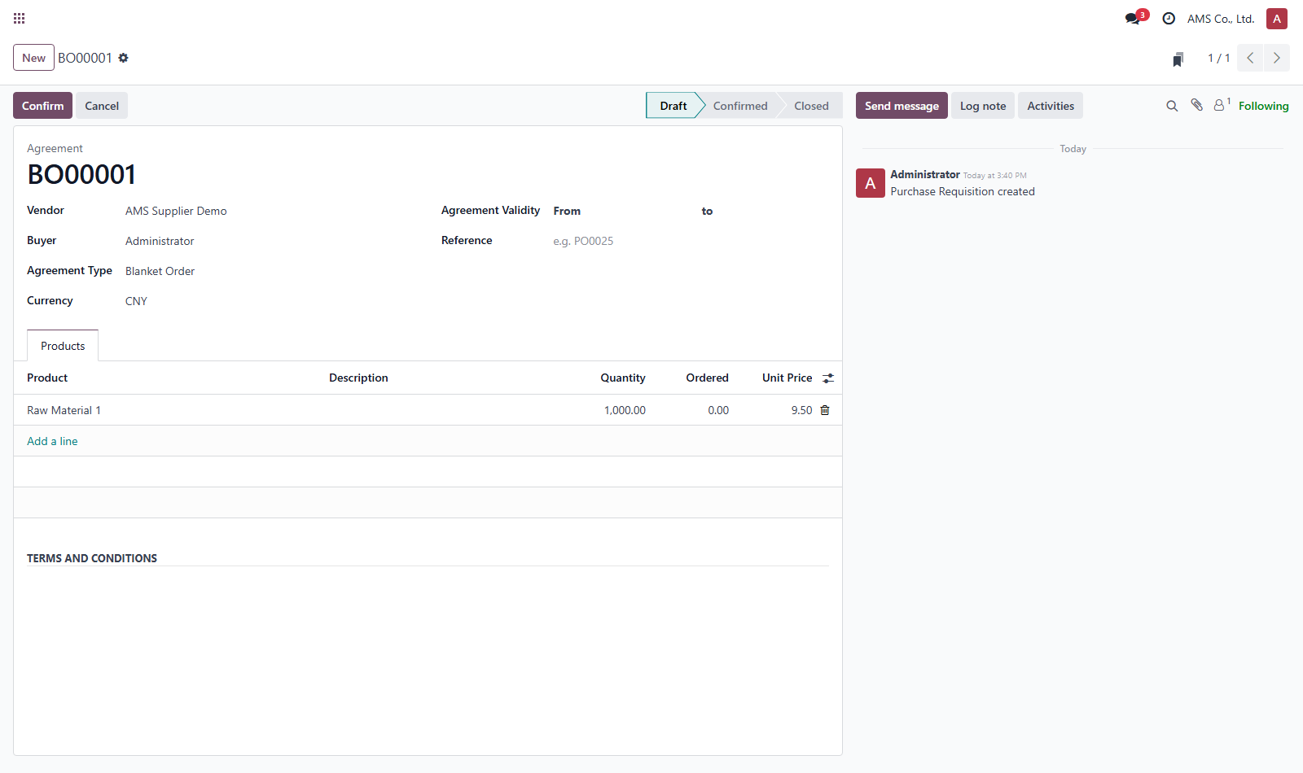
05 | Inventory Reordering Rule | 05_inventory_reordering_rule.png | 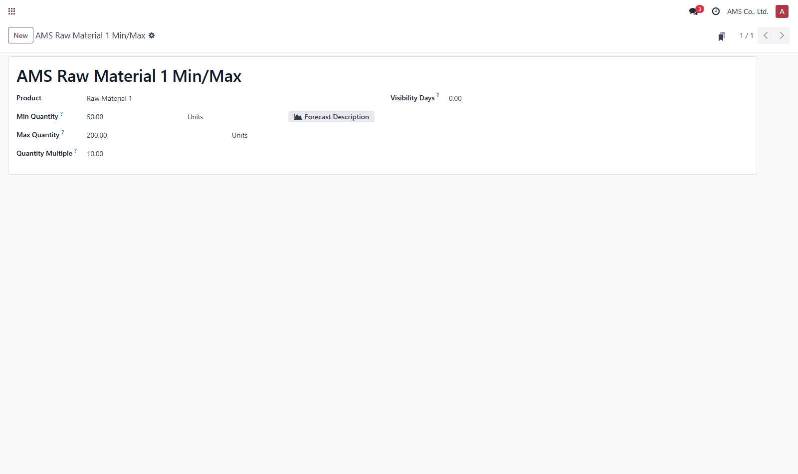
06 | MRP BOM/Routing | 06_mrp_bom_routing.png | 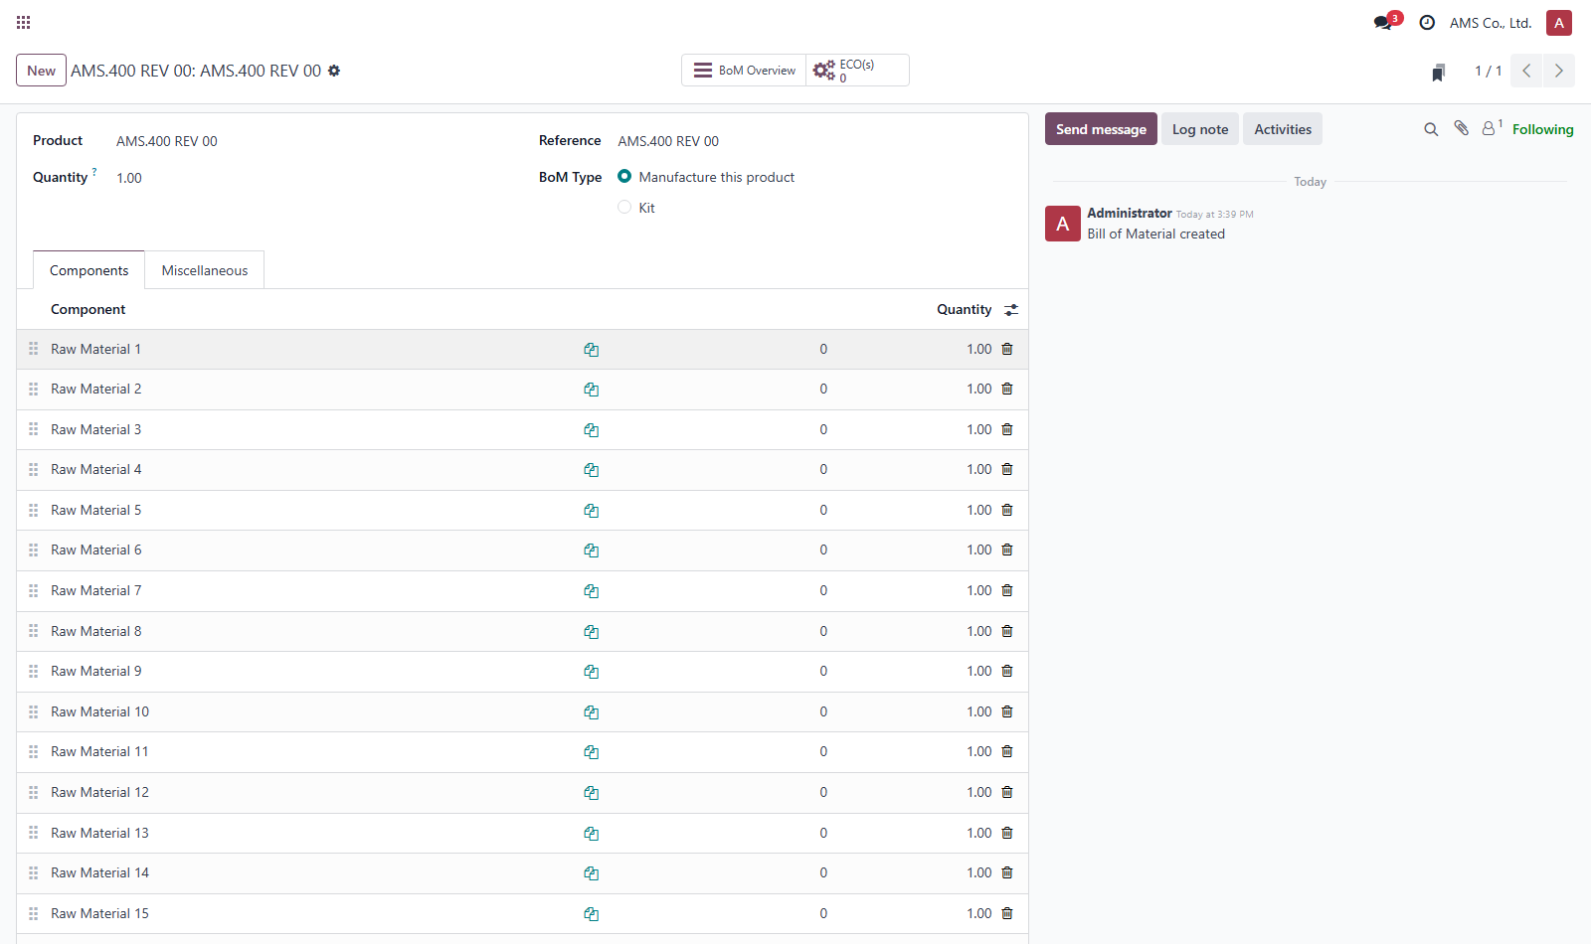
07 | Manufacturing Order | 07_mrp_manufacturing_order.png | 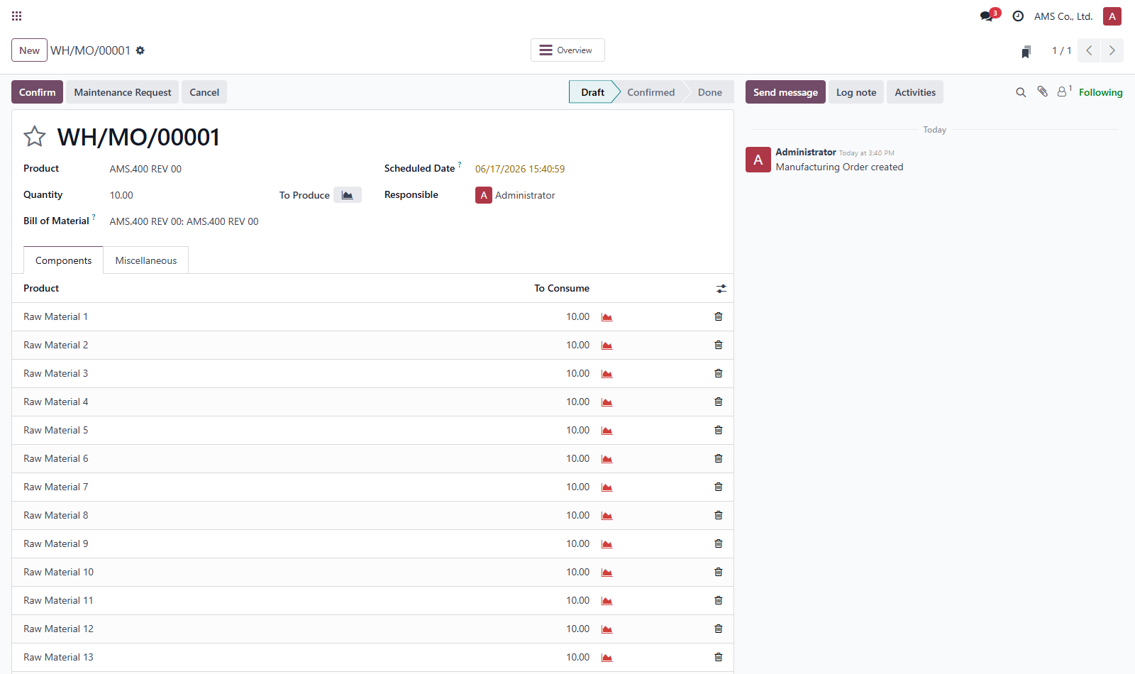
08 | Quality Point | 08_quality_point.png | 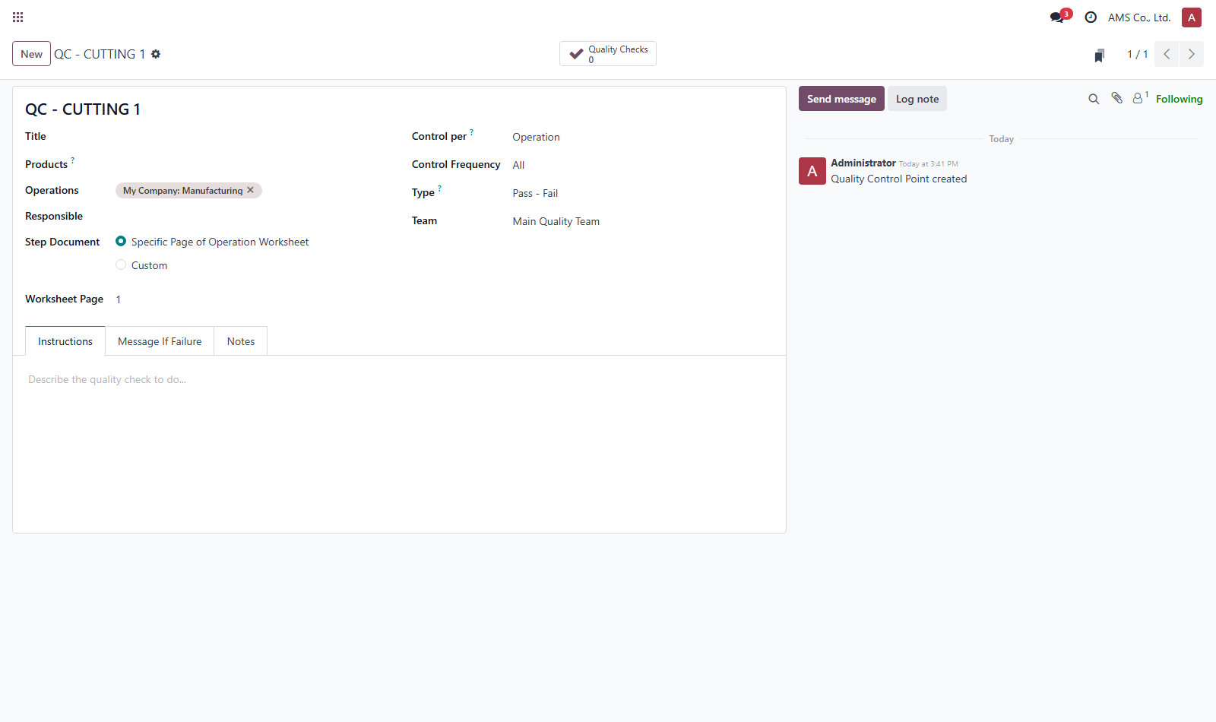
09 | Work Centers | 09_work_centers.png | 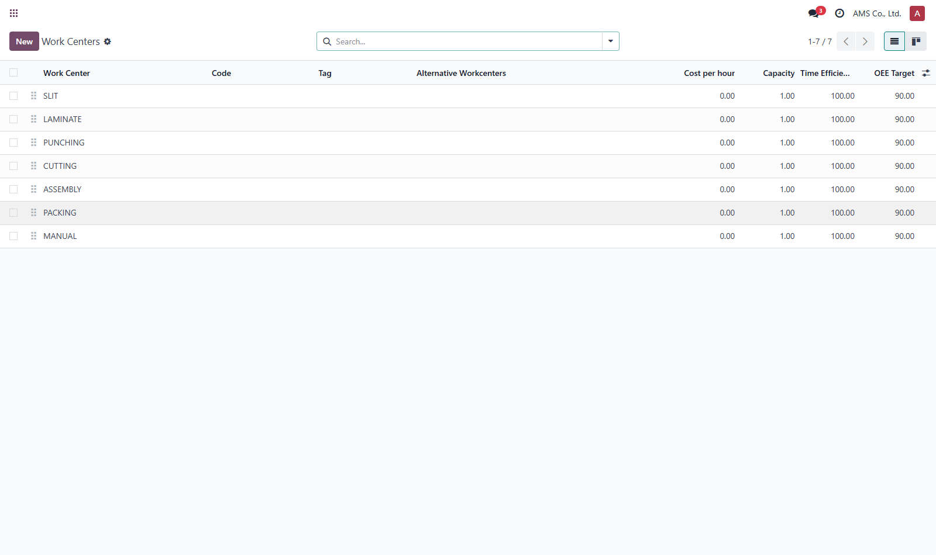
10 | Business Unit Analytics | 10_business_unit_analytics.png | 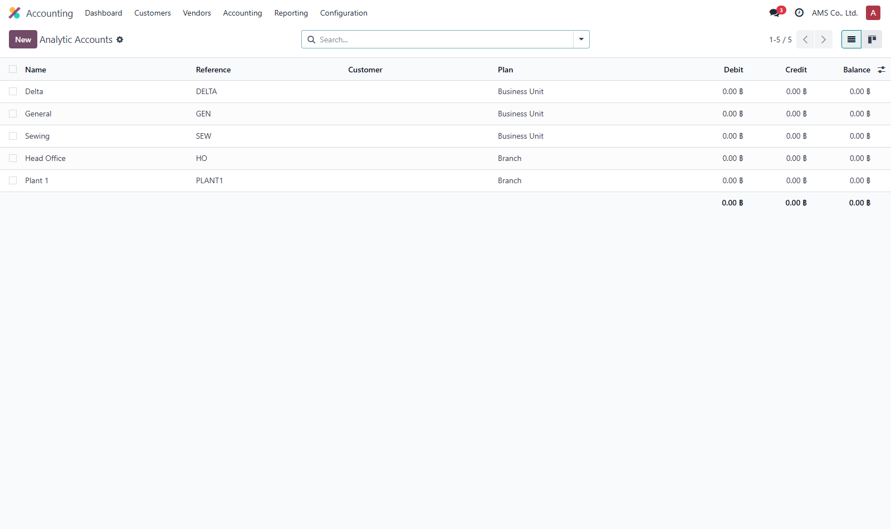
11 | Approval Category | 11_approval_category.png | 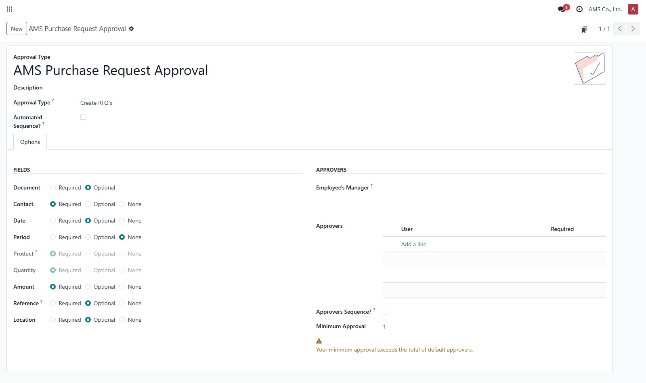
12 | Accounting Dashboard | 12_accounting_dashboard.png | 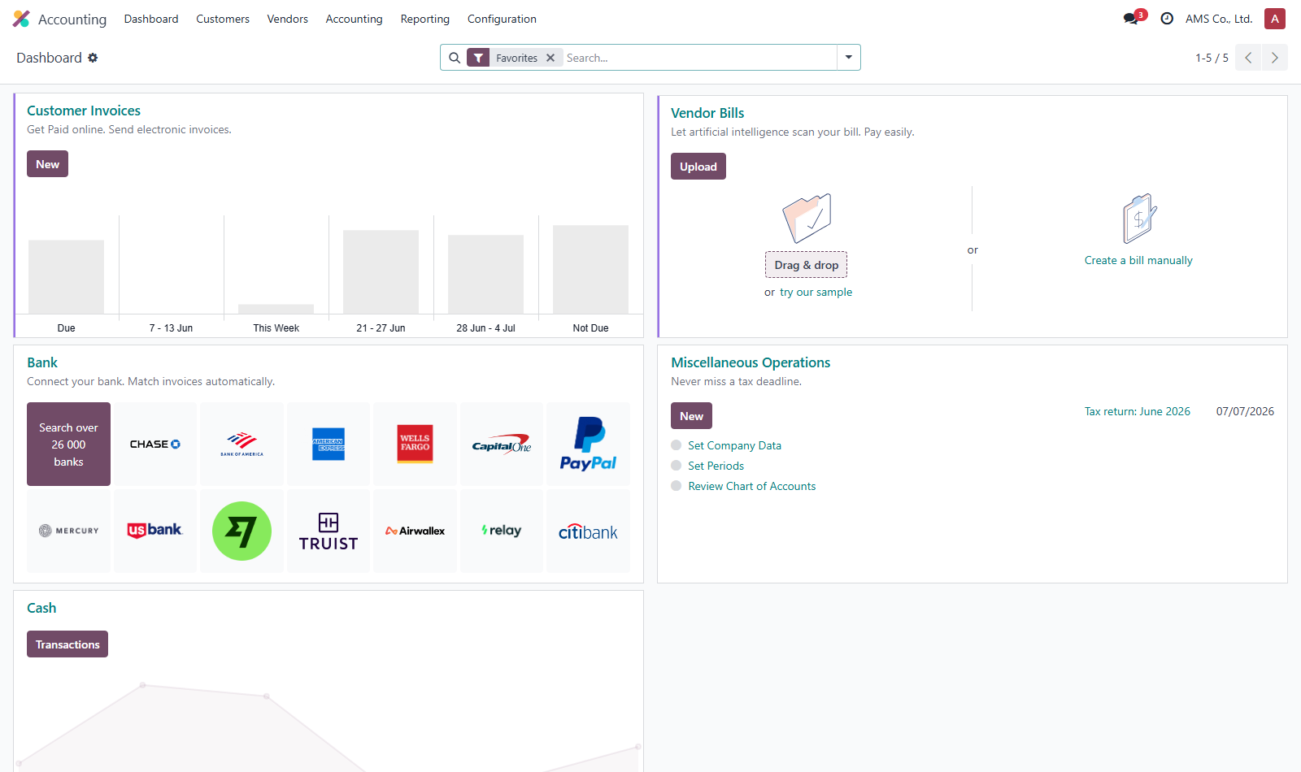
13 | Delivery Methods | 13_delivery_methods.png | 
14 | Fleet Vehicles | 14_fleet_vehicles.png | 