Products
Item 1
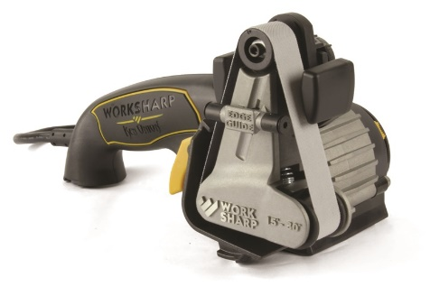 | Brand Name | Work Sharp
 | Item Name | Ken Onion Edition Knife Sharpener
 | Dimensions (Specify INCH or CM) | 5.5 x 10 x 6 inches
 | Weight | 4 lbs
 | RPM/HP | 6112-14261 RPM
 | Prices (3 Quotes with sources)
 | Price 1 | $149.95 http://www.sharpeningsupplies.com/Work-Sharp-Ken-Onion-Edition-Knife-Sharpener-P505.aspx
 | Price 2 | $157 http://www.grainger.com/product/WORK-SHARP-Knife-Sharpener-45NU48?s_pp=false&picUrl=//static.grainger.com/rp/s/is/image/Grainger/45NU48_AS01?$smthumb$
 | Price 3 | $139.99 http://www.northerntool.com/shop/tools/product_200615233_200615233?cm_mmc=Bing-pla&utm_source=Bing_PLA&utm_medium=Power%20Tools%20%3E%20Sharpeners%20%2B%20Accessories&utm_campaign=Work%20Sharp&utm_content=41587&ci_src=328768002&ci_sku=41587

Item 2
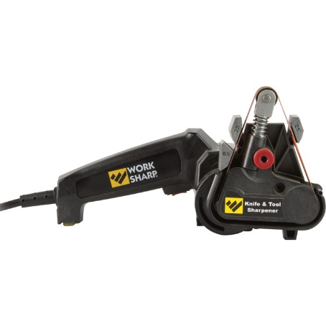 | Brand Name | Work Sharp
 | Item Name | Knife Sharpener
 | Dimensions (Specify INCH or CM) | 13.1 x 5.4 x 5.4 inches
 | Weight | 3 lbs
 | RPM/HP | N/A
 | Prices (3 Quotes with sources)
 | Price 1 | $100 http://www.lowes.com/pd_140562-13261-WSKTS___?productId=3739119&pl=1&Ntt=sharpeners
 | Price 2 | $99.95 http://www.amazon.com/Work-Sharp-WSKTS-Knife-Sharpener/dp/B003IT5F14/ref=sr_1_18?ie=UTF8&qid=1454684469&sr=8-18-spons&keywords=ken+onion+knife+sharpener&psc=1
 | Price 3 | $89.95 http://www.sharpeningsupplies.com/Work-Sharp-Knife-Sharpener-P381.aspx

Item 3
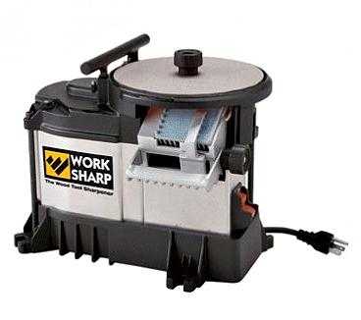 | Brand Name | Work Sharp
 | Item Name | Work Sharp WS3000 (Item #148124 Work Sharp)
 | Dimensions (Specify INCH or CM) | 7x10x6.5 in
 | Weight | 16 lbs
 | RPM/HP | 580 RPM
 | Prices (3 Quotes with sources)
 | Price 1 | $199 http://www.woodcraft.com/Product/148124/Work-Sharp-WS3000.aspx?gclid=CjwKEAiArdG1BRCLvs_q-IObwxMSJACXbLtzpmfkNPnipuN1L9waWVbp9Q1CFAH-zmm2d2iYENzYuBoCZaHw_wcB
 | Price 2 | $200 http://www.northerntool.com/shop/tools/product_200335599_200335599?cm_mmc=Google-pla&utm_source=Google_PLA&utm_medium=Power%20Tools%20%3E%20Sharpeners%20%2B%20Accessories&utm_campaign=Work%20Sharp&utm_content=3353000&ci_src=17588969&ci_sku=3353000&gclid=CjwKEAiArdG1BRCLvs_q-IObwxMSJACXbLtzz0N0kW46JJlEAGt9ZnROa9f4Rk9yLLcUNL_PI50lnBoCPv7w_wcB
 | Price 3 | $249.95 http://www.sharpeningsupplies.com/Work-Sharp-WS3000-P187C68.aspx

Item 4
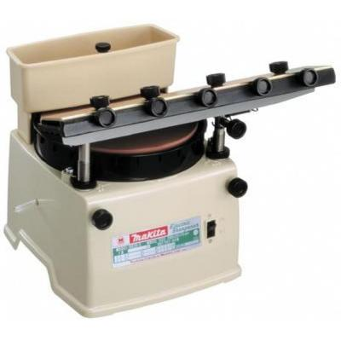 | Brand Name | Makita
 | Item Name | Blade Sharpener
 | Dimensions (Specify INCH or CM) | 16x10x12.6 inches
 | Weight | 27 lbs
 | RPM/HP | 560 RPM
 | Prices (3 Quotes with sources)
 | Price 1 | $482.5 http://www.grainger.com/product/MAKITA-Blade-Sharpener-14H006?s_pp=false&picUrl=//static.grainger.com/rp/s/is/image/Grainger/14H006_AS01?$smthumb$
 | Price 2 | $348.89 http://www.homedepot.com/p/Makita-1-1-Amp-15-3-4-in-Blade-Sharpener-98202/203231412
 | Price 3 | $478 http://www.amazon.com/Makita-9820-2-Horizontal-Wheel-Sharpener/dp/B0000223JC/ref=sr_1_1?ie=UTF8&qid=1454684803&sr=8-1&keywords=makita+blade+sharpener

Item 5
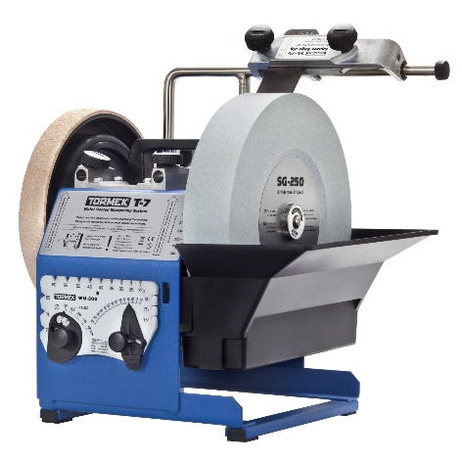 | Brand Name | Tormek
 | Item Name | Knife Sharpening System, 5/64 HP, 16 in. D
 | Dimensions (Specify INCH or CM) | 16x16x16 inch
 | Weight | 35 lbs
 | RPM/HP | 120 RPM
 | Prices (3 Quotes with sources)
 | Price 1 | $664 http://www.zoro.com/tormek-knife-sharpening-system-564-hp-16-in-d-tor-tbt403/i/G9967623/?gdffi=047ada998cf641fa93e55ae8579df863&gdfms=05FFFD8065504693866BE1BBA2FD09A3&gclid=CjwKEAiAuea1BRCbn-2n7PbLgEMSJAABQvTTcGtOVFrd3Cks2zm4aLnE8gWA5aUiZ22tJLgK85oe_BoCIg3w_wcB&gclsrc=aw.ds
 | Price 2 | $665 http://www.rockler.com/tormek-t-7-sharpening-system?utm_source=bing&utm_medium=cpc&utm_campaign=%28roi%29+product+listing+ads
 | Price 3 | $665 http://www.amazon.com/Tormek-T-7-Cooled-Precision-Sharpening/dp/B0026LVYYC/ref=sr_1_5?ie=UTF8&qid=1455030106&sr=8-5&keywords=tormek+accessories

Item 6
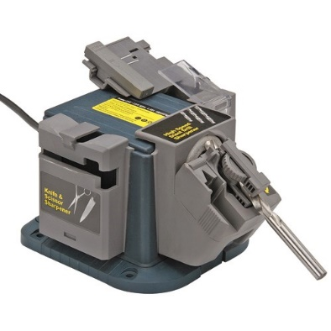 | Brand Name | Chicago Electric Power Tools
 | Item Name | Electric Multipurpose Sharpener
 | RPM | 4800 RPM
 | Dimensions (Specify INCH or CM) | 6.25 x 7.375 inches, 1/8 to 3/8 diameter
 | Weight | 3.25 Lbs
 | Prices (3 Quotes with sources)
 | Price 1 | $37.99 http://www.harborfreight.com/multipurpose-sharpener-99823.html)
 | Price 2 | $94.24 http://www.rakuten.com/prod/electric-multipurpose-sharpener-new-90-day-warranty/287462762.html?listingId=467312459&sclid=pla_google_USAToolsNMore&adid=29963&rmatt=tsid:1012713%7Ccid:223285369%7Cagid:13828121089%7Ctid:pla-84423827809%7Ccrid:60879536449%7Cnw:g%7Crnd:9909611079084677505%7Cdvc:c%7Cadp:1o2&gclid=COW-nK217soCFYqQHwodDswMWg
 | Price 3 | $77.99 https://www.kvmtools.com/chicago-electric-power-tools-99823-electric-multipurpose-sharpener.html
Price 3

Item 7
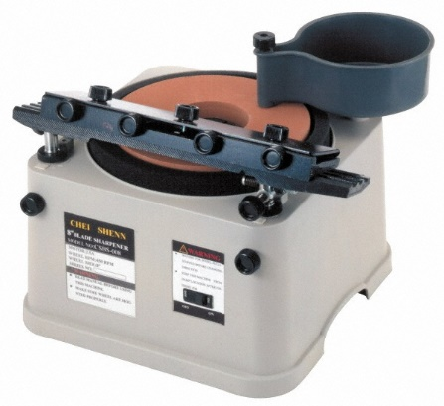 | Brand Name | Import
 | Item Name | Straight Cutting Tool Sharpeners
 | RPM | 500 (Spindle speed)
 | Dimensions (Specify INCH or CM) | Tool Length Compatibility (Inch): 15-3/4; Wheel Diameter (Inch): 8; Spindle Diameter (Inch): 5/8
 | Weight | N/A
 | Prices (3 Quotes with sources)
 | Price 1 | $253 http://www.mscdirect.com/product/details/76052968)
 | Price 2 | $219 http://www.use-enco.com/1/1/55386-cutting-tool-sharpeners.html
 | Price 3

Item 8
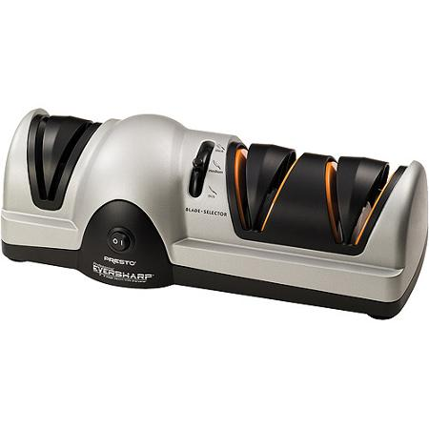 | Brand Name | Presto
 | Item Name | EverSharp Electric Knife Sharpener
 | RPM | N/A
 | Dimensions (Specify INCH or CM) | 12 x 5 x 4 inches
 | Weight | 3.36 Lbs
 | Prices (3 Quotes with sources)
 | Price 1 | $42.54 http://www.walmart.com/ip/Presto-EverSharp-Electric-Knife-Sharpener/5969525
 | Price 2 | $42.55 http://www.homedepot.com/p/Presto-Professional-EverSharp-3-Stage-Electric-Knife-Sharpener-08810/202379695
 | Price 3

Item 9
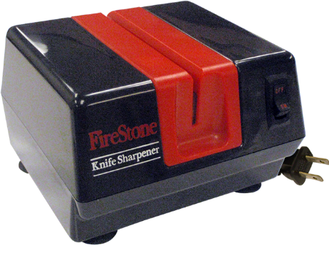 | Brand Name | McGowan
 | Item Name | 1901 FireStone Electric Knife Sharpener
 | RPM
 | Dimensions (Specify INCH or CM) | 8.2 x 7 x 6.2 inches
 | Weight | 5.76 Lbs
 | Prices (3 Quotes with sources)
 | Price 1 | $62.61 http://www.walmart.com/ip/McGowan-1901-FireStone-Electric-Knife-Sharpener-in-Black/25469374
 | Price 2 | $72.95 http://www.mcgowangifts.com/#!store/ok81v/!/FireStone-Electric-Sharpener/p/56855252/category=14060853
 | Price 3

Item 10
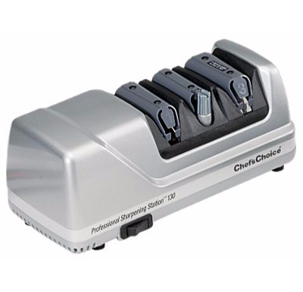 | Brand Name | Chef'sChoice
 | Item Name | Professional Sharpening Station Electric Knife Sharpener
 | RPM
 | Dimensions (Specify INCH or CM) | 12 x 6 x 6.2 inches
 | Weight | 4.6 Lbs
 | Prices (3 Quotes with sources)
 | Price 1 | $169.99 http://www.basspro.com/ChefsChoice-Professional-Sharpening-Station-Electric-Knife-Sharpener-Model-130/product/98068/
 | Price 2 | $159.99 http://www.amazon.com/Chefs-Choice-Professional-Knife-Sharpening-Platinum/dp/B000CSK0DM
 | Price 3 | $179.99 http://www.lowes.com/pd_398961-25138-0130508___?productId=3662562&pl=1&Ntt=knife+sharpener

Item 11
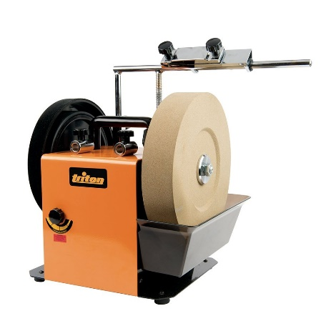 | Brand Name | Triton
 | Item Name | Corded Slow Speed Wetstone Sharpener
 | RPM | No load speed: 2,800 RPM, Wheel speed: 125 RPM
 | Dimensions (Specify INCH or CM) | 14x11x14.6 inches
 | Weight | 32 Lbs
 | Prices (3 Quotes with sources)
 | Price 1 | $344.90 http://www.homedepot.com/p/Triton-120-Volt-Corded-Slow-Speed-Wetstone-Sharpener-with-High-Grade-Diamond-Grindstone-TWSS10/206406204
 | Price 2 | $344.90 http://www.amazon.com/Triton-TWSS10-Wetstone-Sharpener-Grindstone/dp/B011RUA06U
 | Price 3 | $344.90 http://www.carbideprocessors.com/wetstone-sharpener-with-high-grade-diamond-grindstone-and-leather-honing-wheel-triton-twss10/?gclid=CNyc7YO18MoCFU2PHwodcioBzA

Item 12
 | Brand Name | Master Grade
 | Item Name | Heavy Duty Commercial Knife Sharpener
 | RPM
 | Dimensions (Specify INCH or CM) | 13x4.9x4.5 inches
 | Weight | 5.4 Lbs
 | Prices (3 Quotes with sources)
 | Price 1 | $379.99 http://knifeextras.com/collections/electric-knife-sharpener-selection/products/307345
 | Price 2 | $379.99 https://www.knife-depot.com/knife-307345.html
 | Price 3 | $299.98 http://www.samsclub.com/sams/elec-knife-sharp-out-mastergrade/prod12020021.ip

