Sheet1
 | annotations\Arg.java | 46 | 19
 | annotations\CacheNamespace.java | 41 | 16
 | annotations\CacheNamespaceRef.java | 30 | 10
 | annotations\Case.java | 36 | 13
 | annotations\ConstructorArgs.java | 30 | 10
 | annotations\Delete.java | 30 | 10
 | annotations\DeleteProvider.java | 32 | 11
 | annotations\Insert.java | 30 | 10
 | annotations\InsertProvider.java | 32 | 11
 | annotations\Lang.java | 30 | 10
 | annotations\Many.java | 35 | 12
 | annotations\MapKey.java | 30 | 10
 | annotations\One.java | 35 | 12
 | annotations\Options.java | 49 | 20
 | annotations\package-info.java | 21 | 1
 | annotations\Param.java | 30 | 10
 | annotations\Result.java | 48 | 20
 | annotations\ResultMap.java | 30 | 10
 | annotations\Results.java | 30 | 10
 | annotations\ResultType.java | 36 | 10
 | annotations\Select.java | 30 | 10
 | annotations\SelectKey.java | 42 | 16
 | annotations\SelectProvider.java | 32 | 11
 | annotations\TypeDiscriminator.java | 42 | 17
 | annotations\Update.java | 30 | 10
 | annotations\UpdateProvider.java | 32 | 11
 | binding\BindingException.java | 42 | 17
 | binding\MapperMethod.java | 356 | 293
 | binding\MapperProxy.java | 64 | 37
 | binding\MapperProxyFactory.java | 55 | 27
 | binding\MapperRegistry.java | 107 | 63
 | binding\package-info.java | 20 | 1
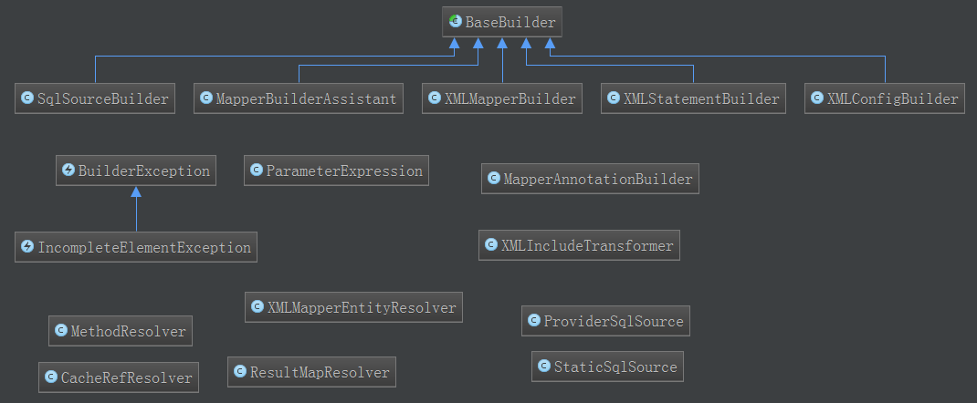
 | builder\annotation\MapperAnnotationBuilder.java | 587 | 509
 | builder\annotation\MethodResolver.java | 36 | 13
 | builder\annotation\package-info.java | 20 | 1
 | builder\annotation\ProviderSqlSource.java | 84 | 57
 | builder\BaseBuilder.java | 132 | 96
 | builder\BuilderException.java | 42 | 17
 | builder\CacheRefResolver.java | 33 | 13
 | builder\IncompleteElementException.java | 40 | 16
 | builder\MapperBuilderAssistant.java | 521 | 454
 | builder\package-info.java | 20 | 1
 | builder\ParameterExpression.java | 141 | 97
 | builder\ResultMapResolver.java | 50 | 26
 | builder\SqlSourceBuilder.java | 136 | 103
 | builder\StaticSqlSource.java | 48 | 22
 | builder\xml\package-info.java | 20 | 1
 | builder\xml\XMLConfigBuilder.java | 350 | 303
 | builder\xml\XMLIncludeTransformer.java | 74 | 49
 | builder\xml\XMLMapperBuilder.java | 411 | 351
 | builder\xml\XMLMapperEntityResolver.java | 108 | 56
 | builder\xml\XMLStatementBuilder.java | 200 | 150
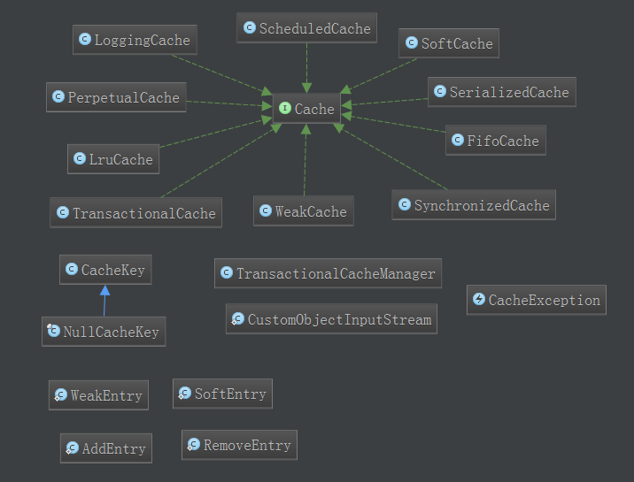
cache | cache\Cache.java | 90 | 11
 | cache\CacheException.java | 43 | 17
 | cache\CacheKey.java | 136 | 94
 | cache\decorators\FifoCache.java | 89 | 54
 | cache\decorators\LoggingCache.java | 96 | 62
 | cache\decorators\LruCache.java | 99 | 63
 | cache\decorators\package-info.java | 20 | 1
 | cache\decorators\ScheduledCache.java | 102 | 67
 | cache\decorators\SerializedCache.java | 132 | 93
 | cache\decorators\SoftCache.java | 124 | 85
 | cache\decorators\SynchronizedCache.java | 78 | 45
 | cache\decorators\TransactionalCache.java | 135 | 95
 | cache\decorators\WeakCache.java | 117 | 80
 | cache\impl\package-info.java | 20 | 1
 | cache\impl\PerpetualCache.java | 80 | 45 | 这是Session缓存的实现类
 | cache\NullCacheKey.java | 38 | 15
 | cache\package-info.java | 20 | 1
 | cache\TransactionalCacheManager.java | 63 | 34
 | datasource\DataSourceException.java | 43 | 17
 | datasource\DataSourceFactory.java | 30 | 7
 | datasource\jndi\JndiDataSourceFactory.java | 83 | 53
 | datasource\jndi\package-info.java | 20 | 1
 | datasource\package-info.java | 20 | 1
 | datasource\pooled\package-info.java | 20 | 1
 | datasource\pooled\PooledConnection.java | 259 | 114
 | datasource\pooled\PooledDataSource.java | 546 | 394
 | datasource\pooled\PooledDataSourceFactory.java | 29 | 7
 | datasource\pooled\PoolState.java | 114 | 77
 | datasource\unpooled\package-info.java | 20 | 1
 | datasource\unpooled\UnpooledDataSource.java | 277 | 204
 | datasource\unpooled\UnpooledDataSourceFactory.java | 79 | 50
 | exceptions\ExceptionFactory.java | 29 | 7
 | exceptions\IbatisException.java | 42 | 17
 | exceptions\package-info.java | 20 | 1
 | exceptions\PersistenceException.java | 41 | 17
 | exceptions\TooManyResultsException.java | 40 | 16
executor | executor\BaseExecutor.java | 329 | 271
 | executor\BatchExecutor.java | 143 | 115
 | executor\BatchExecutorException.java | 88 | 30
 | executor\BatchResult.java | 75 | 42
 | executor\CachingExecutor.java | 156 | 114
 | executor\ErrorContext.java | 149 | 102
 | executor\ExecutionPlaceholder.java | 23 | 4
 | executor\Executor.java | 64 | 27
 | executor\ExecutorException.java | 43 | 17
 | executor\keygen\Jdbc3KeyGenerator.java | 100 | 71
 | executor\keygen\KeyGenerator.java | 32 | 8
 | executor\keygen\NoKeyGenerator.java | 34 | 10
 | executor\keygen\package-info.java | 20 | 1
 | executor\keygen\SelectKeyGenerator.java | 120 | 85
 | executor\loader\AbstractEnhancedDeserializationProxy.java | 106 | 76
 | executor\loader\AbstractSerialStateHolder.java | 132 | 95
 | executor\loader\cglib\CglibProxyFactory.java | 188 | 148
 | executor\loader\cglib\CglibSerialStateHolder.java | 49 | 24
 | executor\loader\cglib\package-info.java | 20 | 1
 | executor\loader\CglibProxyFactory.java | 24 | 4
 | executor\loader\javassist\JavassistProxyFactory.java | 190 | 147
 | executor\loader\javassist\JavassistSerialStateHolder.java | 49 | 24
 | executor\loader\javassist\package-info.java | 20 | 1
 | executor\loader\JavassistProxyFactory.java | 24 | 4
 | executor\loader\package-info.java | 20 | 1
 | executor\loader\ProxyFactory.java | 33 | 9
 | executor\loader\ResultLoader.java | 103 | 73
 | executor\loader\ResultLoaderMap.java | 298 | 204
 | executor\loader\WriteReplaceInterface.java | 27 | 5
 | executor\package-info.java | 20 | 1
 | executor\parameter\package-info.java | 20 | 1
 | executor\parameter\ParameterHandler.java | 33 | 8
 | executor\result\DefaultMapResultHandler.java | 56 | 29
 | executor\result\DefaultResultContext.java | 56 | 28
 | executor\result\DefaultResultHandler.java | 49 | 22
 | executor\result\package-info.java | 20 | 1
 | executor\ResultExtractor.java | 57 | 34
 | executor\resultset\DefaultResultSetHandler.java | 939 | 789
 | executor\resultset\package-info.java | 20 | 1
 | executor\resultset\ResultSetHandler.java | 32 | 9
 | executor\resultset\ResultSetWrapper.java | 174 | 130
 | executor\ReuseExecutor.java | 99 | 68
 | executor\SimpleExecutor.java | 78 | 51
 | executor\statement\BaseStatementHandler.java | 134 | 95
 | executor\statement\CallableStatementHandler.java | 108 | 79
 | executor\statement\package-info.java | 20 | 1
 | executor\statement\PreparedStatementHandler.java | 83 | 55
 | executor\statement\RoutingStatementHandler.java | 83 | 51
 | executor\statement\SimpleStatementHandler.java | 88 | 59
 | executor\statement\StatementHandler.java | 51 | 22
这个包属于工具类 | io\VFS.java | 197 | 98 | Provides a very simple API for accessing resources within an application server
 | io\DefaultVFS.java | 305 | 190
 | io\JBoss6VFS.java | 170 | 102
 | io\package-info.java | 20 | 1
 | io\ClassLoaderWrapper.java | 203 | 72 | A class to wrap access to multiple class loaders making them work as one
 | io\ExternalResources.java | 80 | 49
 | io\ResolverUtil.java | 261 | 100 | ResolverUtil is used to locate classes that are available in the/a class path and meet * arbitrary conditions
 | io\Resources.java | 267 | 106 | A class to simplify access to resources through the classloader
 | jdbc\AbstractSQL.java | 298 | 228
 | jdbc\Null.java | 87 | 58
 | jdbc\package-info.java | 20 | 1
 | jdbc\RuntimeSqlException.java | 41 | 16
 | jdbc\ScriptRunner.java | 285 | 224
 | jdbc\SelectBuilder.java | 108 | 66
 | jdbc\SQL.java | 28 | 7
 | jdbc\SqlBuilder.java | 127 | 80
 | jdbc\SqlRunner.java | 257 | 167
 | logging\commons\JakartaCommonsLoggingImpl.java | 60 | 30
 | logging\commons\package-info.java | 20 | 1
 | logging\jdbc\BaseJdbcLogger.java | 161 | 115
 | logging\jdbc\ConnectionLogger.java | 97 | 55
 | logging\jdbc\package-info.java | 20 | 1
 | logging\jdbc\PreparedStatementLogger.java | 114 | 71
 | logging\jdbc\ResultSetLogger.java | 147 | 101
 | logging\jdbc\StatementLogger.java | 103 | 61
 | logging\jdk14\Jdk14LoggingImpl.java | 62 | 31
 | logging\jdk14\package-info.java | 20 | 1
 | logging\Log.java | 37 | 10
 | logging\log4j\Log4jImpl.java | 63 | 32
 | logging\log4j\package-info.java | 20 | 1
 | logging\log4j2\Log4j2AbstractLoggerImpl.java | 70 | 38
 | logging\log4j2\Log4j2Impl.java | 68 | 37
 | logging\log4j2\Log4j2LoggerImpl.java | 65 | 34
 | logging\log4j2\package-info.java | 20 | 1
 | logging\LogException.java | 43 | 17
 | logging\LogFactory.java | 135 | 92
 | logging\nologging\NoLoggingImpl.java | 51 | 22
 | logging\nologging\package-info.java | 20 | 1
 | logging\package-info.java | 20 | 1
 | logging\slf4j\package-info.java | 20 | 1
 | logging\slf4j\Slf4jImpl.java | 80 | 43
 | logging\slf4j\Slf4jLocationAwareLoggerImpl.java | 67 | 35
 | logging\slf4j\Slf4jLoggerImpl.java | 60 | 30
 | logging\stdout\package-info.java | 20 | 1
 | logging\stdout\StdOutImpl.java | 56 | 28
 | mapping\BoundSql.java | 75 | 38
 | mapping\CacheBuilder.java | 204 | 168
 | mapping\DatabaseIdProvider.java | 35 | 8
 | mapping\DefaultDatabaseIdProvider.java | 23 | 4
 | mapping\Discriminator.java | 64 | 33
 | mapping\Environment.java | 86 | 53
 | mapping\FetchType.java | 23 | 4
 | mapping\MappedStatement.java | 307 | 233
 | mapping\package-info.java | 20 | 1
 | mapping\ParameterMap.java | 67 | 35
 | mapping\ParameterMapping.java | 202 | 121
 | mapping\ParameterMode.java | 23 | 4
 | mapping\ResultFlag.java | 23 | 4
 | mapping\ResultMap.java | 161 | 119
 | mapping\ResultMapping.java | 283 | 213
 | mapping\ResultSetType.java | 37 | 14
 | mapping\SqlCommandType.java | 23 | 4
 | mapping\SqlSource.java | 28 | 4
 | mapping\StatementType.java | 23 | 4
 | mapping\VendorDatabaseIdProvider.java | 91 | 53
 | package-info.java | 20 | 1
这个包属于工具，用于解析xml文件。与业务关系不大。 | parsing\GenericTokenParser.java | 66 | 42
 | parsing\package-info.java | 20 | 1
 | parsing\ParsingException.java | 41 | 17
 | parsing\PropertyParser.java | 45 | 21
 | parsing\TokenHandler.java | 24 | 4
 | parsing\XNode.java | 385 | 318 | 封装了一个xml节点
 | parsing\XPathParser.java | 268 | 201 | 解析XML文件，并提供一个xpath的查询接口（与业务无关的一个类）
 | plugin\Interceptor.java | 31 | 7
 | plugin\InterceptorChain.java | 44 | 19
 | plugin\Intercepts.java | 31 | 10
 | plugin\Invocation.java | 52 | 25
 | plugin\package-info.java | 20 | 1
 | plugin\Plugin.java | 104 | 76
 | plugin\PluginException.java | 42 | 17
 | plugin\Signature.java | 34 | 12
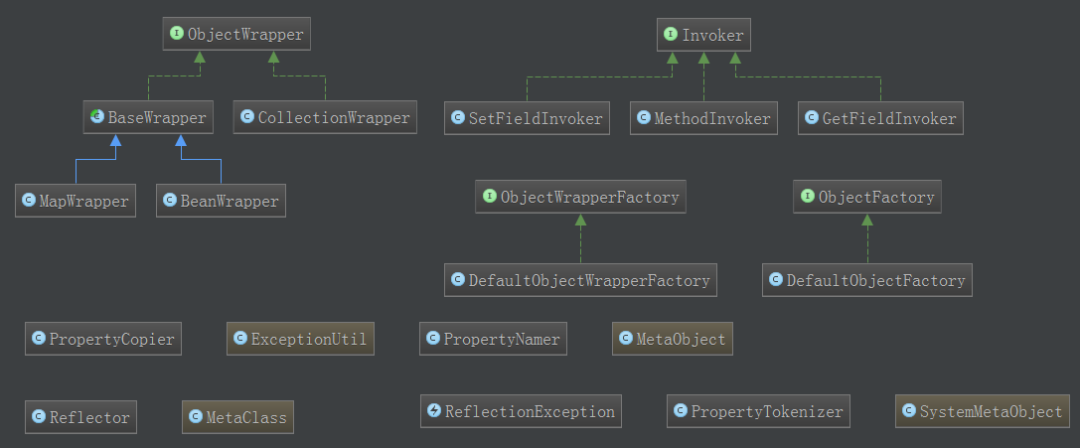
 | reflection\ExceptionUtil.java | 39 | 17 | 异常工具类，从特定异常提取内部异常
 | reflection\ReflectionException.java | 43 | 17 | 异常类
 | reflection\Reflector.java | 482 | 351 | This class represents a cached set of class definition information that allows for easy mapping between property names and getter/setter methods.
 | reflection\factory\DefaultObjectFactory.java | 110 | 79 | 负责根据类，创建相关的对象。支持根据接口创建对象、根据参数化的类创建对象
 | reflection\factory\ObjectFactory.java | 60 | 9
 | reflection\factory\package-info.java | 20 | 1
 | reflection\invoker\GetFieldInvoker.java | 38 | 15
 | reflection\invoker\Invoker.java | 27 | 6
 | reflection\invoker\MethodInvoker.java | 46 | 21
 | reflection\invoker\package-info.java | 20 | 1
 | reflection\invoker\SetFieldInvoker.java | 39 | 16
 | reflection\MetaClass.java | 196 | 154
 | reflection\MetaObject.java | 158 | 115
 | reflection\package-info.java | 20 | 1
 | reflection\property\package-info.java | 20 | 1
 | reflection\property\PropertyCopier.java | 41 | 18
 | reflection\property\PropertyNamer.java | 55 | 27
 | reflection\property\PropertyTokenizer.java | 77 | 48 | 传入一个属性字符串，比如a.b.c.d[3]，进行解析
 | reflection\SystemMetaObject.java | 40 | 15
 | reflection\wrapper\BaseWrapper.java | 107 | 80
 | reflection\wrapper\BeanWrapper.java | 191 | 152
 | reflection\wrapper\CollectionWrapper.java | 88 | 51
 | reflection\wrapper\DefaultObjectWrapperFactory.java | 34 | 11
 | reflection\wrapper\MapWrapper.java | 145 | 108
 | reflection\wrapper\ObjectWrapper.java | 55 | 20
 | reflection\wrapper\ObjectWrapperFactory.java | 29 | 6
 | reflection\wrapper\package-info.java | 20 | 1
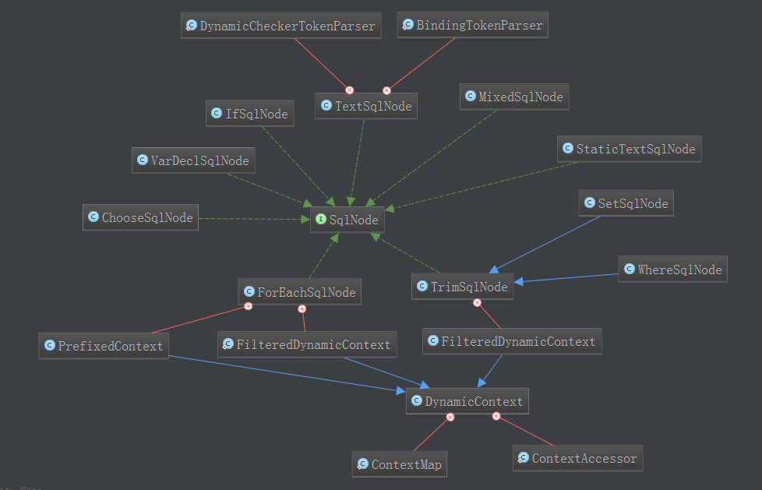
scripting | scripting\defaults\DefaultParameterHandler.java | 87 | 59
 | scripting\defaults\package-info.java | 20 | 1
 | scripting\defaults\RawLanguageDriver.java | 54 | 25
 | scripting\defaults\RawSqlSource.java | 59 | 28
 | scripting\LanguageDriver.java | 62 | 13
 | scripting\LanguageDriverRegistry.java | 65 | 37
 | scripting\package-info.java | 20 | 1
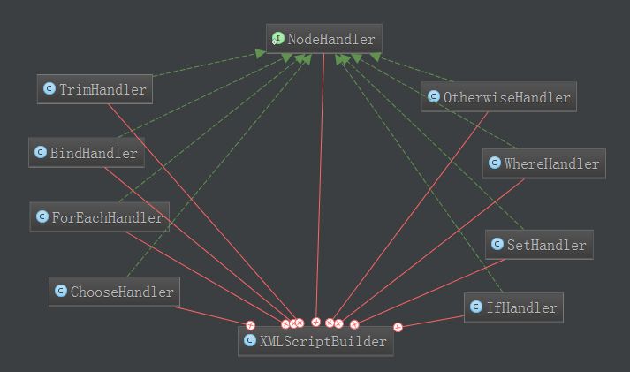
 | scripting\ScriptingException.java | 43 | 17
 | scripting\xmltags\ChooseSqlNode.java | 44 | 22
 | scripting\xmltags\DynamicContext.java | 135 | 87
 | scripting\xmltags\DynamicSqlSource.java | 51 | 26
 | scripting\xmltags\ExpressionEvaluator.java | 60 | 33
 | scripting\xmltags\ForEachSqlNode.java | 216 | 168
 | scripting\xmltags\IfSqlNode.java | 40 | 18
 | scripting\xmltags\MixedSqlNode.java | 36 | 14
 | scripting\xmltags\OgnlCache.java | 69 | 36
 | scripting\xmltags\package-info.java | 20 | 1
 | scripting\xmltags\SetSqlNode.java | 34 | 10
 | scripting\xmltags\SqlNode.java | 23 | 4
 | scripting\xmltags\StaticTextSqlNode.java | 33 | 11
 | scripting\xmltags\TextSqlNode.java | 83 | 49
 | scripting\xmltags\TrimSqlNode.java | 164 | 125
 | scripting\xmltags\VarDeclSqlNode.java | 37 | 14
 | scripting\xmltags\WhereSqlNode.java | 34 | 10
 | scripting\xmltags\XMLLanguageDriver.java | 60 | 36
 | scripting\xmltags\XMLScriptBuilder.java | 217 | 177
 | session\AutoMappingBehavior.java | 39 | 6
 | session\Configuration.java | 825 | 625
 | session\defaults\DefaultSqlSession.java | 268 | 208
 | session\defaults\DefaultSqlSessionFactory.java | 136 | 96
 | session\defaults\package-info.java | 20 | 1
 | session\ExecutorType.java | 23 | 4
 | session\LocalCacheScope.java | 23 | 4
 | session\package-info.java | 20 | 1
 | session\ResultContext.java | 31 | 7
 | session\ResultHandler.java | 25 | 4
 | session\RowBounds.java | 48 | 22
 | session\SqlSession.java | 257 | 35
 | session\SqlSessionException.java | 42 | 17
 | session\SqlSessionFactory.java | 40 | 13
 | session\SqlSessionFactoryBuilder.java | 97 | 60
 | session\SqlSessionManager.java | 298 | 221
 | session\TransactionIsolationLevel.java | 39 | 16 | 枚举，定义了事务的隔离等级。
 | transaction\jdbc\JdbcTransaction.java | 141 | 92
 | transaction\jdbc\JdbcTransactionFactory.java | 47 | 17
 | transaction\jdbc\package-info.java | 20 | 1
 | transaction\managed\ManagedTransaction.java | 93 | 51
 | transaction\managed\ManagedTransactionFactory.java | 58 | 24
 | transaction\managed\package-info.java | 20 | 1
 | transaction\package-info.java | 20 | 1
 | transaction\Transaction.java | 54 | 9
 | transaction\TransactionException.java | 43 | 17 | 异常类，继承自PersistenceException
 | transaction\TransactionFactory.java | 56 | 10
TypeHandler。用在两个地方（1）查询前，把Java POJO作为参数设置到jdbc查询Statement中；（2）查询后，根据ResultSet构造Java POJO | type\BaseTypeHandler.java | 89 | 56
 | type\ArrayTypeHandler.java | 56 | 30
 | type\BigDecimalTypeHandler.java | 52 | 28
 | type\BigIntegerTypeHandler.java | 52 | 28
 | type\BlobByteObjectArrayTypeHandler.java | 61 | 36
 | type\BlobTypeHandler.java | 69 | 45
 | type\BooleanTypeHandler.java | 51 | 27
 | type\ByteArrayTypeHandler.java | 51 | 27
 | type\ByteArrayUtils.java | 39 | 19 | Byte[]和byte[]的工具类
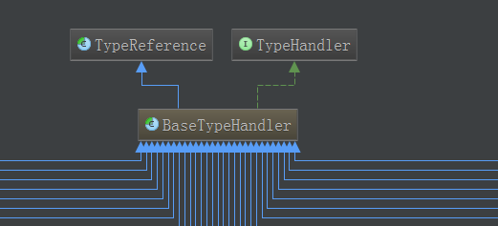
 | type\ByteObjectArrayTypeHandler.java | 59 | 33
 | type\ByteTypeHandler.java | 51 | 27
 | type\CharacterTypeHandler.java | 62 | 38
 | type\ClobTypeHandler.java | 72 | 48
 | type\DateOnlyTypeHandler.java | 65 | 40
 | type\DateTypeHandler.java | 65 | 41
 | type\DoubleTypeHandler.java | 52 | 27
 | type\EnumOrdinalTypeHandler.java | 85 | 58
 | type\EnumTypeHandler.java | 61 | 35
 | type\FloatTypeHandler.java | 51 | 27
 | type\IntegerTypeHandler.java | 51 | 27
 | type\JdbcType.java | 79 | 50
 | type\LongTypeHandler.java | 51 | 27
 | type\NClobTypeHandler.java | 72 | 48
 | type\NStringTypeHandler.java | 55 | 27
 | type\ObjectTypeHandler.java | 51 | 27
 | type\package-info.java | 20 | 1
 | type\ShortTypeHandler.java | 51 | 27
 | type\SqlDateTypeHandler.java | 52 | 28
 | type\SqlTimestampTypeHandler.java | 52 | 28
 | type\SqlTimeTypeHandler.java | 52 | 28
 | type\StringTypeHandler.java | 51 | 27
 | type\TimeOnlyTypeHandler.java | 65 | 41
 | type\TypeHandler.java | 36 | 11
 | type\TypeReference.java | 66 | 31
 | type\UnknownTypeHandler.java | 138 | 104
简单类，或者注解 | type\TypeException.java | 43 | 17
 | type\MappedJdbcTypes.java | 31 | 11
 | type\MappedTypes.java | 30 | 10
 | type\JdbcType.java | 79 | 50
 | type\Alias.java | 30 | 10
JDBC类型、Java类型和TypeHandler的对应关系 | type\TypeHandlerRegistry.java | 361 | 261
维护了别名和类的对应关系 | type\TypeAliasRegistry.java | 171 | 126
 | type\SimpleTypeRegistry.java | 57 | 27

