TormekCalc
TormekCalc2

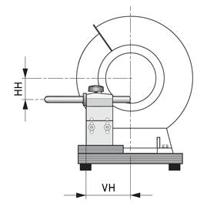
Database | Knives |  | Wheel | SG-250 | SB-250 | Sun Tiger 800 | SJ-250 | Sun Tiger 4000 | DC-250 | DF-250 | DE-250 | LA-220 PA-77 | LA-220 FlexCut | LA-220 Chromox | Custom 1 | Custom 2 | Wheel XY
 |  |  |  | 1 | 2 | 3 | 4 | 5 | 6 | 7 | 8 | 9 | 10 | 11 | 12 | 13 | 14
 | Used value | Input |  | SG-250 | SB-250 | Sun Tiger 800 | SJ-250 | Sun Tiger 4000 | DC-250 | DF-250 | DE-250 | LA-220 PA-77 | LA-220 FlexCut | LA-220 Chromox | Custom 1 | Custom 2 | Wheel XY
Knife | 001 ANV P200
Jig selection | SVM-45

Jig projection length X [mm] | 138.0 |  | Grit | 220 | 220 | 800 | 4000 | 4000 | 360 | 600 | 1200 | - | - | - | - | - | 80
Grinding angle Δ [°] | 20.0 |  | Nominal diameter | 250 | 250 | 254 | 250 | 254 | 250 | 250 | 250 | 220 | 220 | 220 | - | - | 200
Jig or Tool diameter M [mm] | 12.0 |  | Real diameter D [mm] | 250.0 | 249.0 | 253.5 | 248.5 | 254.0 | 250.0 | 250.0 | 250.0 | 215.0 | 214.5 | 214.8 | 250.0 | 250.0 | 195.0
Frontal vertical base offset F [mm] | 24.5 |  | Machine |  |  |  |  |  |  | Machine 1 | Machine 2 |  |  |  |  |  | Machine 3
Last used jig | Clamping from Guard / Spine [mm] | SVM-45 E | 4,0 / 11,5
 |  |  | T USB [mm] | 85.11 | 85.22 | 84.72 | 85.28 | 84.67 | 85.11 | 85.11 | 85.11 | 89.30 | 89.37 | 89.33 | 85.11 | 85.11 | 92.02
Universal support bar (USB) diameter U [mm] | 12.0
Constant HV - Vertical USB [mm] | 49.9 |  | Height VUSB [mm] | 175.22 | 174.81 | 176.62 | 174.61 | 176.82 | 175.22 | 174.89 | 174.76 | 161.46 | 161.27 | 161.39 | 175.22 | 175.22 | -
Constant VV - Vertical USB [mm] | 28.7 |  | Height HUSB [mm] | 124.85 | 124.45 | 126.24 | 124.25 | 126.44 | 124.85 | 124.95 | 126.15 | 111.25 | 111.06 | 111.17 | 124.85 | 124.85 | 103.43
Constant HH - Horizontal USB [mm] | 41.0 |  | Height FUSB [mm] | 95.84 | 95.29 | 97.74 | 95.02 | 98.01 | 95.84 | 95.94 | 97.10 | 76.55 | 76.27 | 76.44 | 95.84 | 95.84 | 60.26
Constant VH - Horizontal USB [mm] | 81.1
Variable length HF - Frontal vertical base [mm] | 142.8
Constant VF - Frontal vertical base [mm] | 56.0

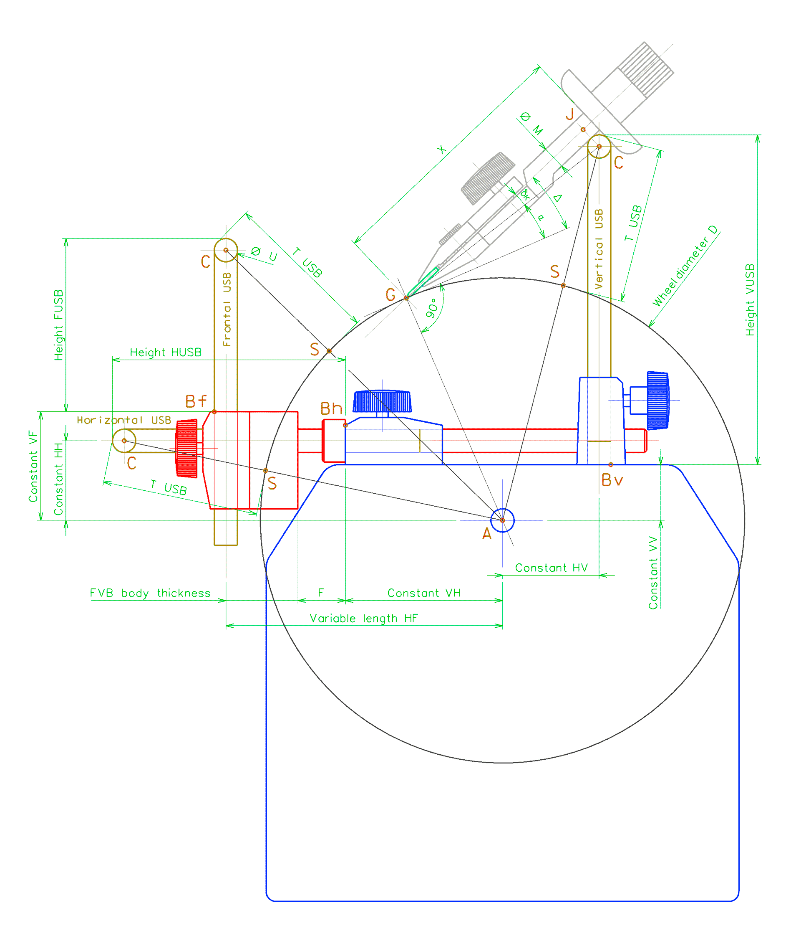
Knife info
Last Grinded | Measured angle (before sharp.) [°] | 20.0 | 22.1
Edge thickness | Edge height [mm] | 0.8 | 1.0
Last USB height [mm]
Grind profile | High Flat
Last sharpenning procedure | SG, ST800, SJ, LA-Chromox
Blade material | D2
Notes:
Uneven grinding from the factory, grinding angle corrected to 20 °.

EdgeCalc
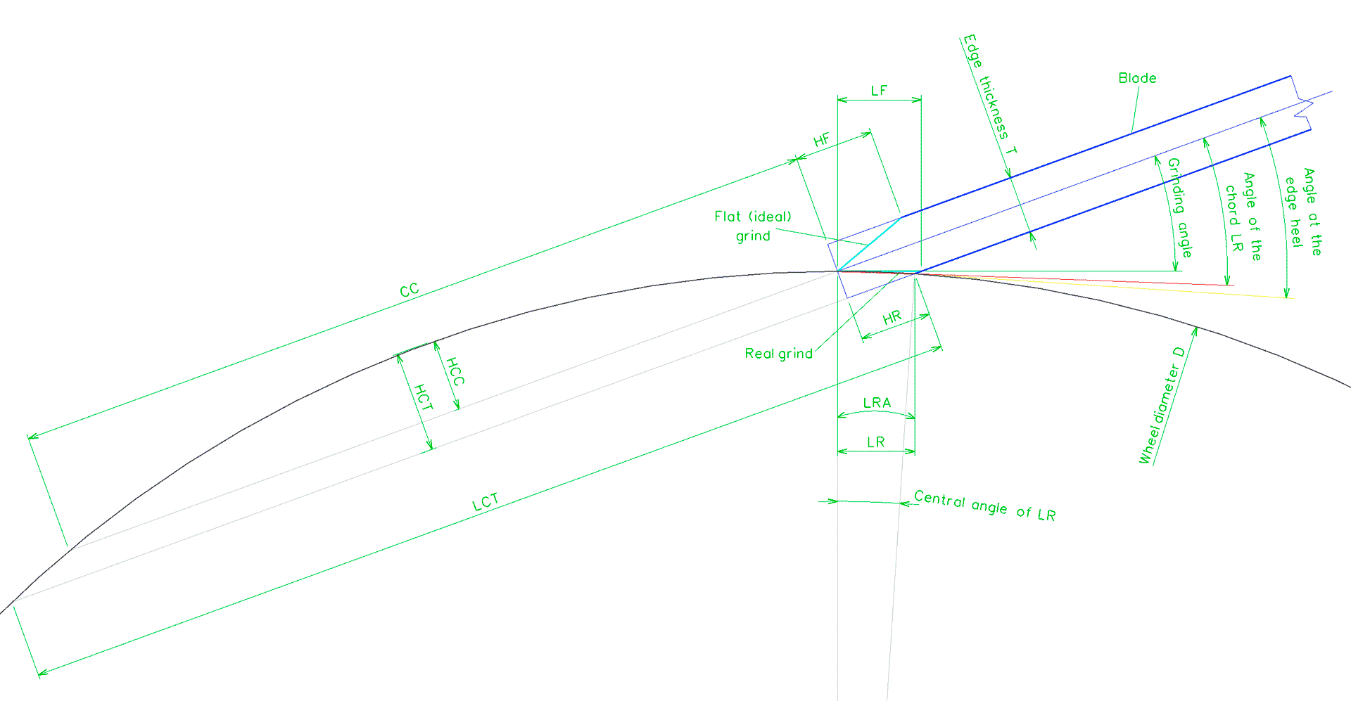
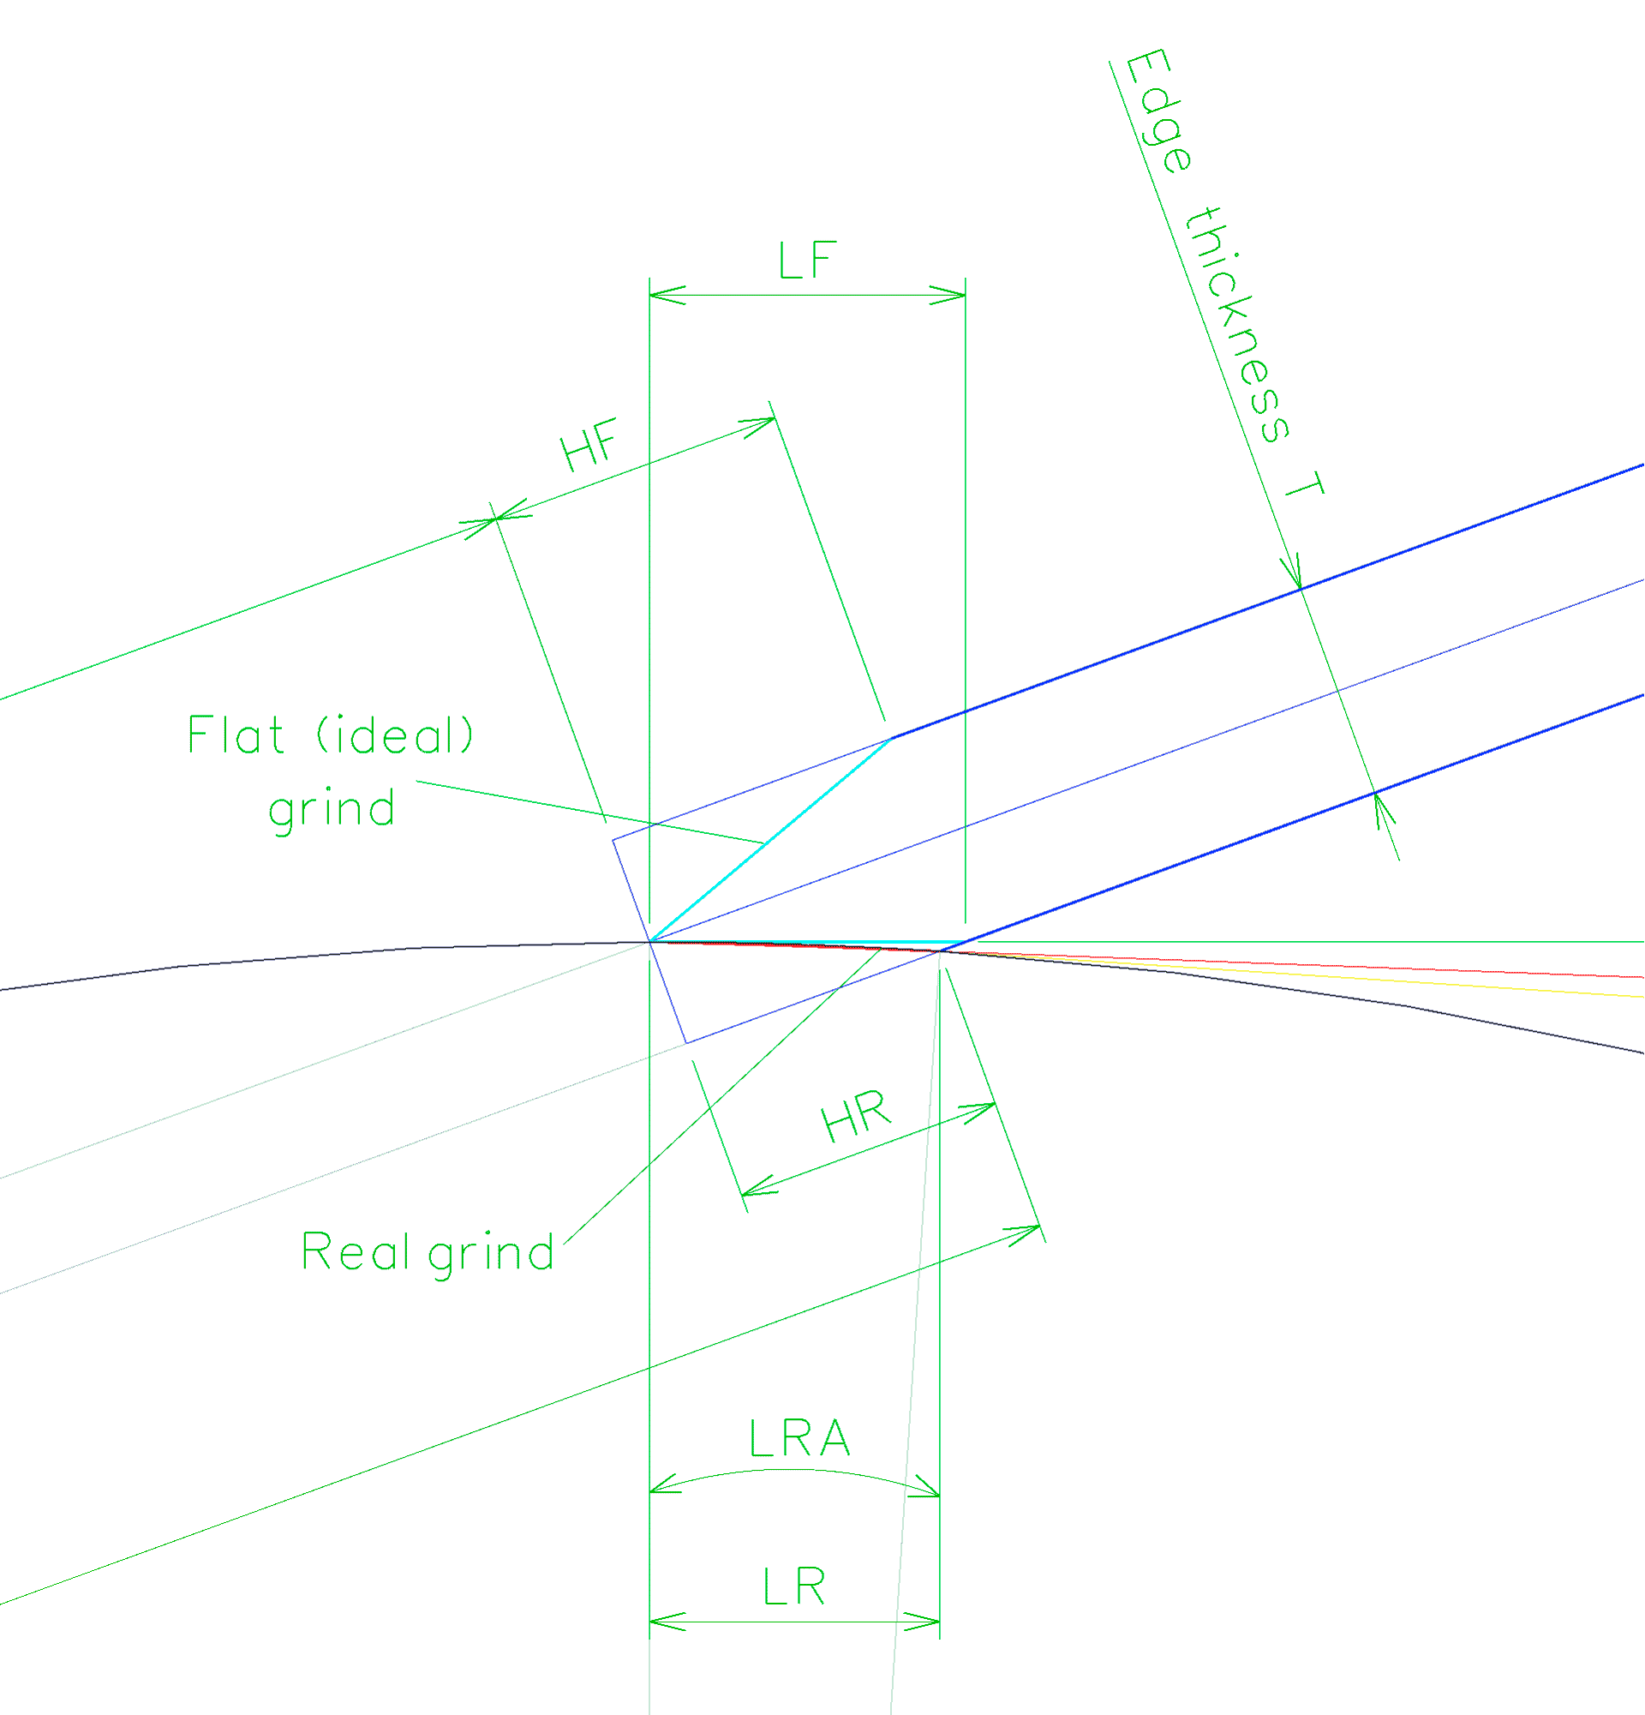
EdgeCalc

Database | Knives

 | Used value | Input
Knife | 001 ANV P200

Wheel diameter D [mm] or wheel type | 250.00
Loaded Grinding angle Δ [°] | 20.00
Loaded Edge thickness T (= thickness at edge heel) [mm] | 0.80
Loaded knife Edge height [mm] | 1.00

Height of the flat (ideal) grind parallel with the axis HF [mm] | 1.099
Length of the flat (ideal) grind LF [mm] | 1.170

Real height of the grind parallel with the axis HR [mm] | 1.083
Real length of the grind LR (line/chord) [mm] | 1.155
Real length of the grind LRA (arc length) [mm] | 1.155
Angle of the chord LR [°] (average deviation edge tip vs heel) | 20.265
Central angle of the chord LR [°] (= difference edge tip vs heel) | 0.529
Angle at the edge heel [°] | 20.529

Jigs
Jigs specification

No. | Jig | Type | Use | Jig diameter M [mm] | Projection length correction X+ [mm] | Notes

1 | Knife Jig | SVM-45 | Knives | 12.0 | 0.0 | Calculations are valid for symmetrical grind (double bevel) by default.
 |  |  |  |  |  | For precise single bevel grind edge thickness compensation is required,
 |  |  |  |  |  | see FAQ for details.

2 | Knife Jig | SVM-45 E | Knives | 15.3 | 0.0 | With eccentric bushing for easy knife axis centering.
 |  |  |  |  |  | See https://www.tormek.com/forum/index.php?topic=3918.0
 |  |  |  |  |  | Calculations are valid for symmetrical grind (double bevel) by default.
 |  |  |  |  |  | For precise single bevel grind edge thickness compensation is required,
 |  |  |  |  |  | see FAQ for details.

3 | Lonf Knife Jig | SVM-140 | Knives | 12.0 | 0.0 | Calculations are valid for symmetrical grind (double bevel) by default.
 |  |  |  |  |  | For precise single bevel grind edge thickness compensation is required,
 |  |  |  |  |  | see FAQ for details.

4 | Long Knife Jig | SVM-140 E | Knives | 15.3 | 0.0 | With eccentric bushing for easy knife axis centering.
 |  |  |  |  |  | See https://www.tormek.com/forum/index.php?topic=3918.0
 |  |  |  |  |  | Calculations are valid for symmetrical grind (double bevel) by default.
 |  |  |  |  |  | For precise single bevel grind edge thickness compensation is required,
 |  |  |  |  |  | see FAQ for details.

5 | Small Knife Holder | SVM-00 | Knives | 12.0 | 0.0 | Using with SVM-45.
 |  |  |  |  |  | Calculations are valid for symmetrical grind (double bevel) by default.
 |  |  |  |  |  | For precise single bevel grind edge thickness compensation is required,
 |  |  |  |  |  | see FAQ for details.

6 | Small Knife Holder | SVM-00 E | Knives | 15.3 | 0.0 | Using with SVM-45 E.
 |  |  |  |  |  | Calculations are valid for symmetrical grind (double bevel) by default.
 |  |  |  |  |  | For precise single bevel grind edge thickness compensation is required,
 |  |  |  |  |  | see FAQ for details.

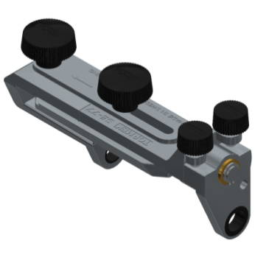
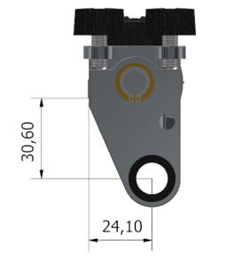
7 | Square Edge Jig | SE-77 | Tools | 49.2 | 30.1 | Jig radius 30,6 mm, Jig diameter M = 30,6*2-12 = 49,2 mm.
 |  |  |  |  |  | (USB diameter is compensated in calculations).
 |  |  |  |  |  | Projection length correction X+ = 24,1+6 = 30,1 mm.
 |  |  |  |  |  | (Projection length X is calculated from the surface of the USB.)
 |  |  |  |  |  | Calculations are valid for chisel grind (single bevel) by default.
 |  |  |  |  |  | For precise double bevel grind edge thickness compensation is required,
 |  |  |  |  |  | see FAQ for details.

8 | Multi Jig | SVS-50 closed seat | Tools | 21.7 | 0.0 | Jig diameter M = 21,7 mm.
 |  |  |  |  |  | Projection length correction X+ = 0,0 mm.
 |  |  |  |  |  | Calculations are valid for symmetrical grind (double bevel) by default.
 |  |  |  |  |  | For precise single bevel grind edge thickness compensation is required,
 |  |  |  |  |  | see FAQ for details.

9 | Multi Jig | SVS-50 open seat | Tools NC |  | 0.0 | Not auto-calculated in TormekCalc. Grinding angle depends on tool shape
 |  |  |  |  |  | and thickness. Use manual inputs for calculations.
 |  |  |  |  |  | Projection length correction X+ = 0,0 mm.
 |  |  |  |  |  | Calculations are valid for symmetrical grind (double bevel) by default.
 |  |  |  |  |  | For precise single bevel grind edge thickness compensation is required,
 |  |  |  |  |  | see FAQ for details.

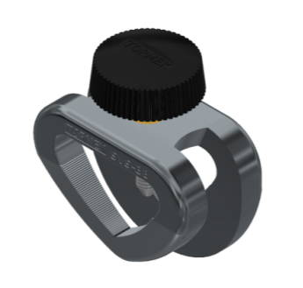
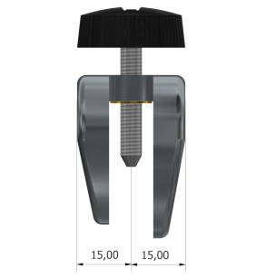
10 | Short Tool Jig | SVS-38 | Tools NC |  | 21.0 | Not auto-calculated in TormekCalc. Grinding angle depends on tool shape
 |  |  |  |  |  | and thickness. Use manual inputs for calculations.
 |  |  |  |  |  | Projection length correction X+ = 15+6 = 21,0 mm.
 |  |  |  |  |  | (Projection length X is calculated from the surface of the USB.)

11 | Gouge Jig | SVD-186 | Tools NC |  | 0.0 | Not auto-calculated in TormekCalc.
 |  |  |  |  |  | Projection length can be defined, but clamping ("Jig diameter") and jig
 |  |  |  |  |  | setting vary on different tools. Use manual inputs for calculations.

12 | Tool Rest | SVD-110 | Tools NC |  | 0.0 | Not auto-calculated in TormekCalc.

13 | Scissors Jig | SVX-150 | Scissors |  |  | Not managed in TormekCalc by default.
 |  |  |  |  |  | Setting info can be stored in the Knives or Tools sheet for future reference.

14 | Axe Jig | SVA-170 | Axe |  |  | Not managed in TormekCalc by default.
 |  |  |  |  |  | Setting info can be stored in the Knives or Tools sheet for future reference.

