Assignment_2_Q1
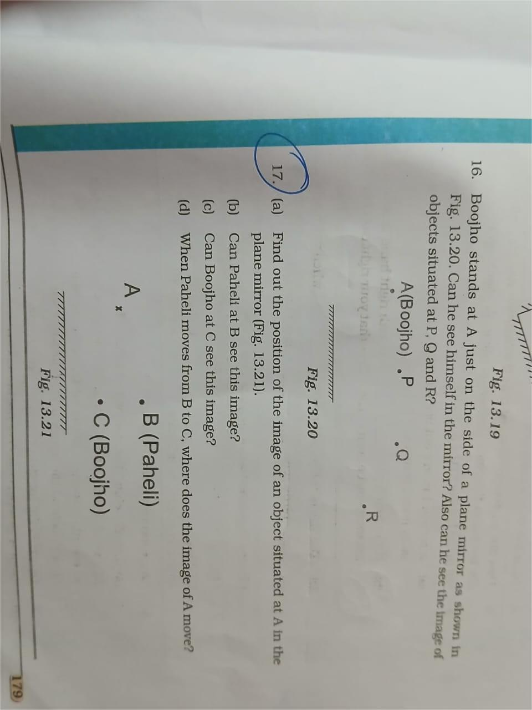
In ChatGPT ,Qwen,Deepseek upload an image --Find the number of tokens -Analyze and record the observations record in excel
Can you tell me the number of tokens for the uploaded image

Images don’t contain tokens by themselves — tokens only apply to text that can be read or extracted.

The image you uploaded (a cat sitting on green grass with a blurred yellow background) doesn’t contain any visible text, so:

✅ Number of tokens in this image: 0

If you ever upload an image that includes text, I can extract that text and then calculate its token count for you.
Image 2 with text - That image contains readable text, and I already extracted it earlier. The estimated token count for the text in that image (based on OpenAI’s tokenizer) is:

✅ ≈158 tokens
QWEN:
I cannot tell you the number of tokens for the uploaded image because images do not have tokens in the way text does.

Here’s why:

Tokens are units of text (like words or subwords) that language models process. For example, the word “cat” might be one token, and “kitten” another.
Images are processed differently. When you upload an image to a multimodal model like me, the system uses a vision encoder to convert the image into a numerical representation (often called embeddings or features), not tokens.
While some systems might internally refer to “image tokens” as a metaphor for visual patches or feature vectors, this is not the same as text tokens and isn’t something I can count or report for you.

So, to clarify: there is no meaningful “token count” for your adorable kitten photo — it’s just a beautiful image! 🐱

If you’re curious about how much data or processing power is involved, that’s a different question — feel free to ask!
Image 2 with text - Approximately 108 tokens (depending on the tokenizer used — e.g., GPT-4, Claude, etc.).
DeepSeek
Doesn't allow to upload the image without text. No text extracted.
When we upload the image with Text
Image 2 with text - Text content tokens: Approximately 250-300 tokens

